Deterministic Demand
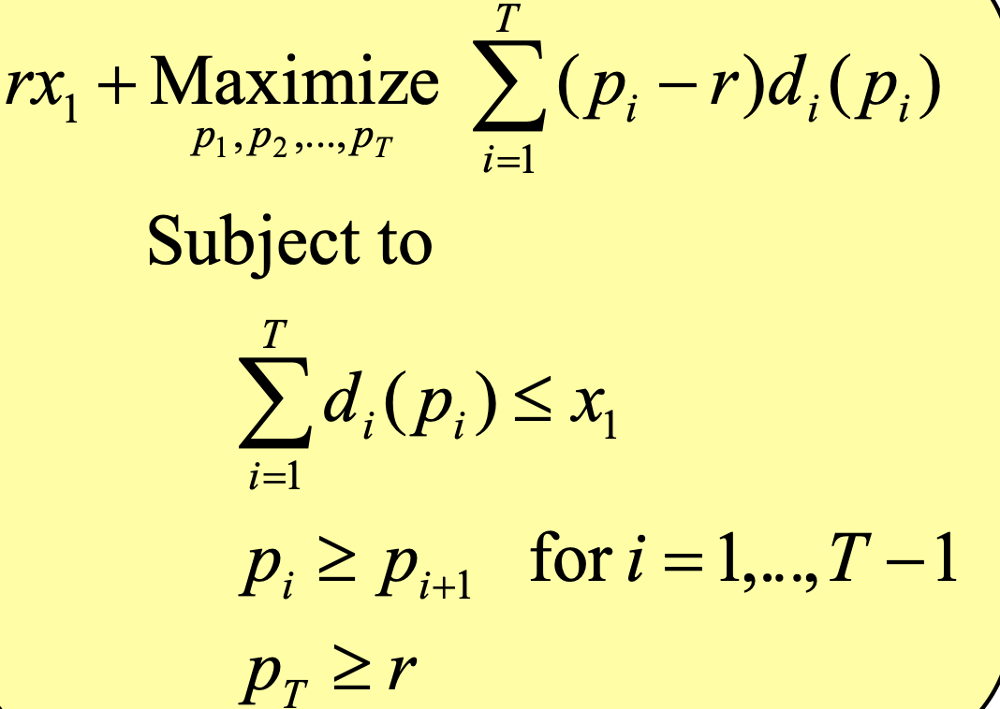
A | 400 |  | B | 10 |  | Beginning | 400

 | P | Change | P - r | Demand | Current inventory | Real Revenue | Model revenue
Period 1 | 32.5 |  | 27.5 | 75 | 325 | 2437.5 | 2062.5
Period 2 | 25 | 7.5 | 20 | 75 | 250 | 1875 | 1500
Period 3 | 17.5 | 7.5 | 12.5 | 75 | 175 | 1312.5 | 937.5
after season | 5 | 12.5 |  |  | 175 | 875 | 875

 |  |  | Objective function | 5375

