Assignment 2
ER Diagram
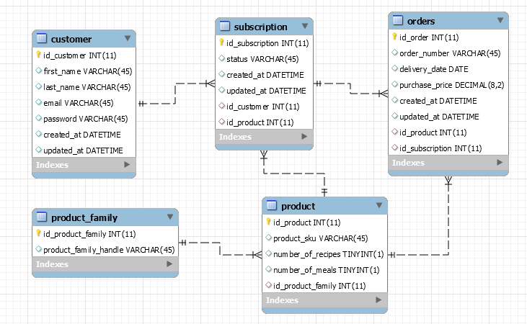

Information about the data
- created_at fields have a timestamp of the time at which a row was inserted in a table for the first time. - product_sku is unique for every product. - product_family_handle is unique for every product family. - Subscription status can be: ‘paused’, ‘cancelled’ or ‘active’. - the id_product field in the order table indicates the product that was purchased in an order. the id_product in the Subscription table indicates the product a Subscription is currently subscribed to. a Subscription can change the product it is subscribed to at any moment. - an order is generated when a box is shipped to a customer
Questions
Q1. For the customer with email address 'cgerreltsf@census.gov' show all product_skus the customer has an active subscription for
Q2. Get all the customers that have an active subscription to a product that corresponds to a product family with product_family_handle = 'pfh_1'
Q3. How many subscriptions do the customers have on average?
Q4. How many customers have ordered more than one product
Q5. How many customers have ordered more than one product with the same subscription?

