QUESTION 4
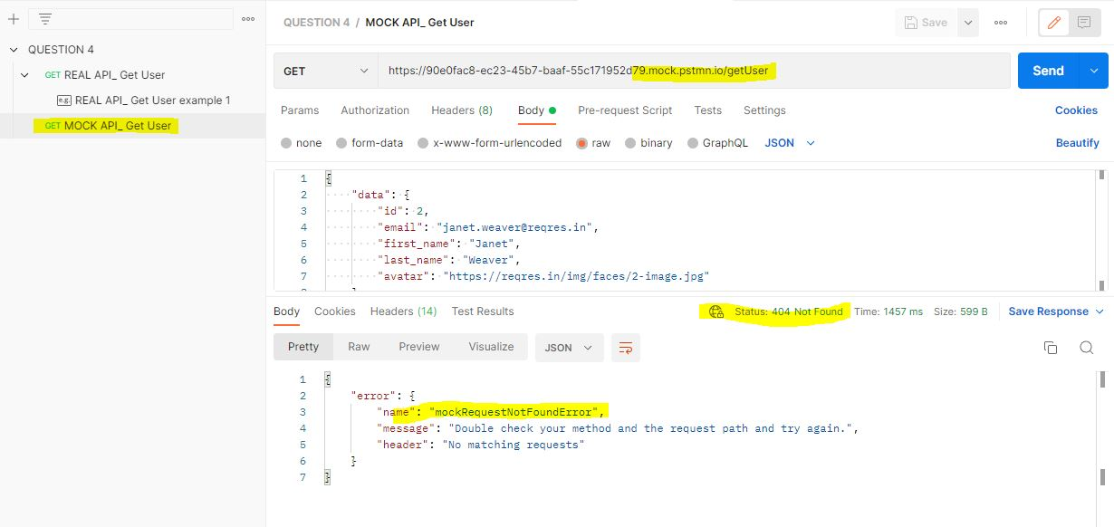
QUESTION 4

 | a. | As a QA, Please compare between MockAPI and Real API. Is there any difference?explain it
Answer : |  | Mock API digunakan untuk melihat example response dari API yang akan dibuat oleh developer.
 |  | Perbedaannya dengan Real API terdapat pada base url, dan respons yang dinamis, karena respons tersebut bisa di sesuaikan dengan Real API yang akan dibuat oleh developer. Untuk menggunakan Mock API, harus dibuat example respons terlebih dahulu dengan menggunakan fake url pada Mock Server

 | b. | If there are differences, what defects will appear?
Answer : |  | Jika pada saat penambahan request pada Mock API belum dibuat exmaple response dan fake url-nya, maka hasilnya akan error.

