Sheet1
Price vs Demand (00s)
 | Demand (00s)
450 | 45
300 | 103
440 | 49
360 | 86
290 | 125
450 | 52
340 | 87
370 | 68
500 | 45
490 | 44
430 | 58
390 | 68
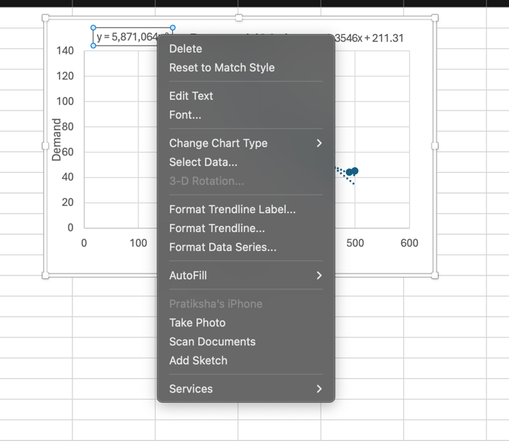
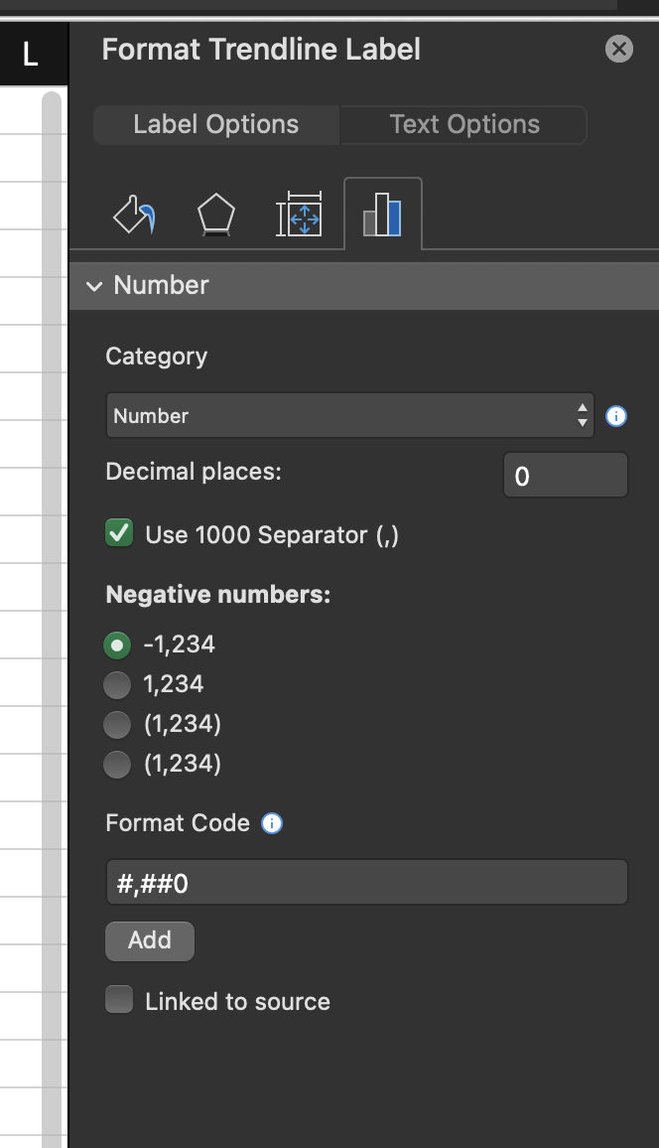
Month | Price | Demand (00s)
1 | 450 | 45
2 | 300 | 103
3 | 440 | 49
4 | 360 | 86
5 | 290 | 125
6 | 450 | 52
7 | 340 | 87
8 | 370 | 68
9 | 500 | 45
10 | 490 | 44
11 | 430 | 58
12 | 390 | 68

Linear: y=mx+b |  | Power: y=ax^b |  | Exp: y=ae^(bx) |  |  | We got these values using insert Chart Elements > Add Trendline .
Intercept(b): | 211.31 | Constant a: | 5871064 | Constant a | 466.51 |  | And getting the constants from there.
Slope(m) : | -0.3546 | Exponent b: | -1.908 | Constant b | -0.005

Predictions Based on Models |  |  |  |  | Absolute Percent Error
Price | Linear | Power | Exp | Demand (00s) | Linear | Power | Exp
450 | 51.74 | 50.861 | 49.170 | 45 | 15.0% | 13.0% | 9.3%
300 | 104.93 | 110.248 | 104.092 | 103 | 1.9% | 7.0% | 1.1%
440 | 55.286 | 53.090 | 51.691 | 49 | 12.8% | 8.3% | 5.5%
360 | 83.654 | 77.856 | 77.114 | 86 | 2.7% | 9.5% | 10.3%
290 | 108.476 | 117.615 | 109.429 | 125 | 13.2% | 5.9% | 12.5%
450 | 51.74 | 50.861 | 49.170 | 52 | 0.5% | 2.2% | 5.4%
340 | 90.746 | 86.827 | 85.224 | 87 | 4.3% | 0.2% | 2.0%
370 | 80.108 | 73.890 | 73.353 | 68 | 17.8% | 8.7% | 7.9%
500 | 34.01 | 41.599 | 38.293 | 45 | 24.4% | 7.6% | 14.9%
490 | 37.556 | 43.234 | 40.257 | 44 | 14.6% | 1.7% | 8.5%
430 | 58.832 | 55.470 | 54.341 | 58 | 1.4% | 4.4% | 6.3%
390 | 73.016 | 66.829 | 66.372 | 68 | 7.4% | 1.7% | 2.4%
 |  |  |  | Average: | 9.7% | 5.9% | 7.2%
We are going to use Power Model. Based on above calculations.

$260.00 | $144,859.73
$270.00 | $269,590.60
$280.00 | $377,277.19
$290.00 | $470,458.62
$300.00 | $551,238.40
$310.00 | $621,369.53
$320.00 | $682,320.93
$330.00 | $735,329.86
$340.00 | $781,443.44
$350.00 | $821,551.87
$360.00 | $856,415.12
$370.00 | $886,684.61
$380.00 | $912,920.72
$390.00 | $935,607.25
$400.00 | $955,163.26
$410.00 | $971,952.85
$420.00 | $986,293.32
$430.00 | $998,461.92
$440.00 | $1,008,701.60
$450.00 | $1,017,225.72
$460.00 | $1,024,222.16
$470.00 | $1,029,856.66
$480.00 | $1,034,275.82
$490.00 | $1,037,609.49
$500.00 | $1,039,972.98
$510.00 | $1,041,468.81
$520.00 | $1,042,188.31
$530.00 | $1,042,213.00
$540.00 | $1,041,615.70
$550.00 | $1,040,461.60
$560.00 | $1,038,809.12
$570.00 | $1,036,710.67
$580.00 | $1,034,213.36
$590.00 | $1,031,359.55
$600.00 | $1,028,187.39
 |  |  |  |  | One way Data Table
Model the business |  |  |  |  | Price | Profit
Unit Cost: | $250 | per set of clubs |  |  |  | $955,163.26
Sale Price: | $400 |  |  |  | $260.00 | $144,859.73
Demand: | 64 | From Power Model | =D16*B39^D17 |  | $270.00 | $269,590.60
Actual Demand: | 6368 |  | =B40*100 |  | $280.00 | $377,277.19
 |  |  |  |  | $290.00 | $470,458.62
Cost: | $1,591,939 |  | =B38*B41 |  | $300.00 | $551,238.40
Revenue: | $2,547,102.03 |  | =B41*B39 |  | $310.00 | $621,369.53
Profit: | $955,163.26 |  | =B44-B43 |  | $320.00 | $682,320.93
 |  |  |  |  | $330.00 | $735,329.86
 |  |  |  |  | $340.00 | $781,443.44
 |  |  |  |  | $350.00 | $821,551.87
 |  |  |  |  | $360.00 | $856,415.12
 |  |  |  |  | $370.00 | $886,684.61
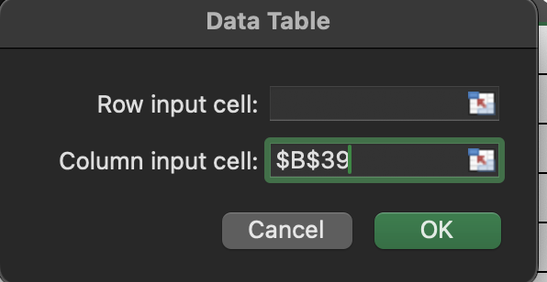
 |  |  |  |  | $380.00 | $912,920.72
 |  |  |  |  | $390.00 | $935,607.25
 |  |  |  |  | $400.00 | $955,163.26
 |  |  |  |  | $410.00 | $971,952.85
 |  |  |  |  | $420.00 | $986,293.32
 |  |  |  |  | $430.00 | $998,461.92
 |  |  |  |  | $440.00 | $1,008,701.60
 |  |  |  |  | $450.00 | $1,017,225.72
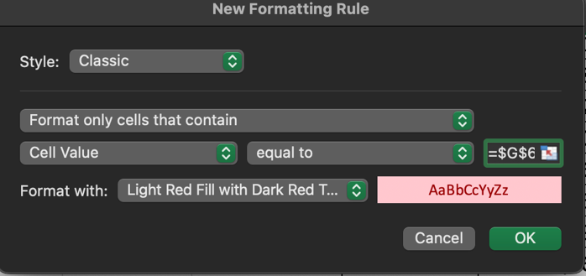
 |  |  |  |  | $460.00 | $1,024,222.16
 |  |  |  |  | $470.00 | $1,029,856.66
 |  |  |  |  | $480.00 | $1,034,275.82
 |  |  |  |  | $490.00 | $1,037,609.49
 |  |  |  |  | $500.00 | $1,039,972.98
 |  |  |  |  | $510.00 | $1,041,468.81
 |  |  |  |  | $520.00 | $1,042,188.31
 |  |  |  |  | $530.00 | $1,042,213.00
 |  |  |  |  | $540.00 | $1,041,615.70
 |  |  |  |  | $550.00 | $1,040,461.60
 |  |  |  |  | $560.00 | $1,038,809.12
 |  |  |  |  | $570.00 | $1,036,710.67
 |  |  |  |  | $580.00 | $1,034,213.36
 |  |  |  |  | $590.00 | $1,031,359.55
 |  |  |  |  | $600.00 | $1,028,187.39
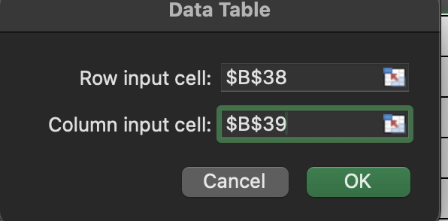
 |  |  |  | Two Way table
 |  |  |  |  |  | Unit Cost
 |  |  |  |  | $955,163.26 | $250.00 | $300.00 | $350.00 | $400.00 | $450.00 | $500.00
 |  |  |  | Price | $260.00 | $144,859.73 | $(579,438.91) | $(1,303,737.56) | $(2,028,036.20) | $(2,752,334.84) | $(3,476,633.48)
 |  |  |  |  | $270.00 | $269,590.60 | $(404,385.90) | $(1,078,362.41) | $(1,752,338.91) | $(2,426,315.42) | $(3,100,291.92)
 |  |  |  |  | $280.00 | $377,277.19 | $(251,518.12) | $(880,313.44) | $(1,509,108.75) | $(2,137,904.06) | $(2,766,699.37)
 |  |  |  |  | $290.00 | $470,458.62 | $(117,614.65) | $(705,687.92) | $(1,293,761.19) | $(1,881,834.46) | $(2,469,907.73)
 |  |  |  |  | $300.00 | $551,238.40 | $- | $(551,238.40) | $(1,102,476.80) | $(1,653,715.21) | $(2,204,953.61)
 |  |  |  |  | $310.00 | $621,369.53 | $103,561.59 | $(414,246.35) | $(932,054.30) | $(1,449,862.24) | $(1,967,670.18)
 |  |  |  |  | $320.00 | $682,320.93 | $194,948.84 | $(292,423.26) | $(779,795.35) | $(1,267,167.45) | $(1,754,539.54)
 |  |  |  |  | $330.00 | $735,329.86 | $275,748.70 | $(183,832.47) | $(643,413.63) | $(1,102,994.80) | $(1,562,575.96)
 |  |  |  |  | $340.00 | $781,443.44 | $347,308.20 | $(86,827.05) | $(520,962.29) | $(955,097.54) | $(1,389,232.78)
 |  |  |  |  | $350.00 | $821,551.87 | $410,775.93 | $- | $(410,775.93) | $(821,551.87) | $(1,232,327.80)
 |  |  |  |  | $360.00 | $856,415.12 | $467,135.52 | $77,855.92 | $(311,423.68) | $(700,703.28) | $(1,089,982.89)
 |  |  |  |  | $370.00 | $886,684.61 | $517,232.69 | $147,780.77 | $(221,671.15) | $(591,123.07) | $(960,575.00)
 |  |  |  |  | $380.00 | $912,920.72 | $561,797.37 | $210,674.01 | $(140,449.34) | $(491,572.70) | $(842,696.05)
 |  |  |  |  | $390.00 | $935,607.25 | $601,461.81 | $267,316.36 | $(66,829.09) | $(400,974.54) | $(735,119.98)
 |  |  |  |  | $400.00 | $955,163.26 | $636,775.51 | $318,387.75 | $- | $(318,387.75) | $(636,775.51)
 |  |  |  |  | $410.00 | $971,952.85 | $668,217.59 | $364,482.32 | $60,747.05 | $(242,988.21) | $(546,723.48)
 |  |  |  |  | $420.00 | $986,293.32 | $696,207.05 | $406,120.78 | $116,034.51 | $(174,051.76) | $(464,138.03)
 |  |  |  |  | $430.00 | $998,461.92 | $721,111.39 | $443,760.85 | $166,410.32 | $(110,940.21) | $(388,290.75)
 |  |  |  |  | $440.00 | $1,008,701.60 | $743,253.81 | $477,806.02 | $212,358.23 | $(53,089.56) | $(318,537.35)
 |  |  |  |  | $450.00 | $1,017,225.72 | $762,919.29 | $508,612.86 | $254,306.43 | $- | $(254,306.43)
 |  |  |  |  | $460.00 | $1,024,222.16 | $780,359.74 | $536,497.32 | $292,634.90 | $48,772.48 | $(195,089.93)
 |  |  |  |  | $470.00 | $1,029,856.66 | $795,798.33 | $561,740.00 | $327,681.67 | $93,623.33 | $(140,435.00)
 |  |  |  |  | $480.00 | $1,034,275.82 | $809,433.25 | $584,590.68 | $359,748.11 | $134,905.54 | $(89,937.03)
 |  |  |  |  | $490.00 | $1,037,609.49 | $821,440.85 | $605,272.20 | $389,103.56 | $172,934.92 | $(43,233.73)
 |  |  |  |  | $500.00 | $1,039,972.98 | $831,978.38 | $623,983.79 | $415,989.19 | $207,994.60 | $-
 |  |  |  |  | $510.00 | $1,041,468.81 | $841,186.34 | $640,903.88 | $440,621.42 | $240,338.96 | $40,056.49
 |  |  |  |  | $520.00 | $1,042,188.31 | $849,190.48 | $656,192.64 | $463,194.81 | $270,196.97 | $77,199.13
 |  |  |  |  | $530.00 | $1,042,213.00 | $856,103.54 | $669,994.07 | $483,884.61 | $297,775.14 | $111,665.68
 |  |  |  |  | $540.00 | $1,041,615.70 | $862,026.79 | $682,437.87 | $502,848.96 | $323,260.05 | $143,671.13
 |  |  |  |  | $550.00 | $1,040,461.60 | $867,051.34 | $693,641.07 | $520,230.80 | $346,820.53 | $173,410.27
 |  |  |  |  | $560.00 | $1,038,809.12 | $871,259.26 | $703,709.40 | $536,159.54 | $368,609.69 | $201,059.83
 |  |  |  |  | $570.00 | $1,036,710.67 | $874,724.63 | $712,738.59 | $550,752.54 | $388,766.50 | $226,780.46
 |  |  |  |  | $580.00 | $1,034,213.36 | $877,514.36 | $720,815.37 | $564,116.38 | $407,417.38 | $250,718.39
 |  |  |  |  | $590.00 | $1,031,359.55 | $879,689.03 | $728,018.50 | $576,347.98 | $424,677.46 | $273,006.94
 |  |  |  |  | $600.00 | $1,028,187.39 | $881,303.48 | $734,419.56 | $587,535.65 | $440,651.74 | $293,767.83

