What If Analysis
Quality Sweater Company |  |  |  | SHORTCUT:
 |  |  |  | MOVE CELLS | write 3 and 3.5 and drag down
Inputs: |  |  |  | Command X | No need to actually enter other values manually
Costs: |  |  |  | Select cell destination
Printing: | $20,000.00 |  |  | Command V
Variable: |  |  |  | Response Rate | Profit |  | WHAT IF ANALYSIS:
Printing: | $0.10 | per catalog |  |  | $- | Ghost Cell | Data Table
Mailing: | $0.15 | per catalog |  | 3% | $(21,600.00)
Reply Envelopes | $0.20 | per order |  | 3.50% | $(17,700.00) |  | Data > What if > Data Table > col> B14
Labor & Materails | $32.00 | per order |  | 4% | -13800
Total Costs | $230,769.23 | =B5+(B7+B8)*B13+(B9+B10)*B15 |  | 4.50% | -9900
 |  |  |  | 5% | -6000
Catalogs Ordered: | 100,000 |  |  | 5.50% | -2100
Response Rate | 5.77% |  |  | 6% | 1800
Total Orders | 5769.2307692 | =B14*B13 |  | 6.50% | 5700
 |  |  |  | 7% | 9600
Revenue: |  |  |  | 7.50% | 13500
Average Customer Order: | $40.00 |  |  | 8% | 17400
Total Revenue: | $230,769.23 | =B15*B18 |  | 8.50% | 21300
Total Profit: | $- |  |  | 9% | 25200
 |  |  |  | 9.50% | 29100
 |  |  |  | 10% | 33000
GOAL SEEK:
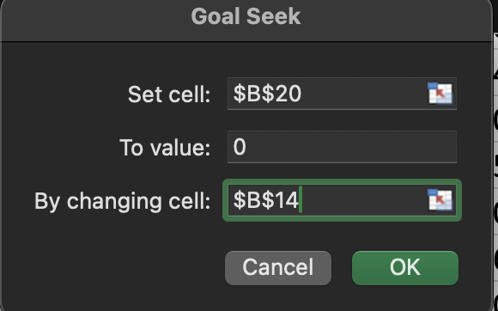
Response Rate vs Profit
3.00% | $(21,600.00)
3.50% | $(17,700.00)
4.00% | $(13,800.00)
4.50% | $(9,900.00)
5.00% | $(6,000.00)
5.50% | $(2,100.00)
6.00% | $1,800.00
6.50% | $5,700.00
7.00% | $9,600.00
7.50% | $13,500.00
8.00% | $17,400.00
8.50% | $21,300.00
9.00% | $25,200.00
9.50% | $29,100.00
10.00% | $33,000.00

WHEN DOES THE COMPANY BREAK EVEN ?
5.77%

B&N Bookstore
 |  |  |  |  |  | NEW THINGS:
Regular Price: | $30.00 |  | Atleast Ordered | Unit Cost |  | IF
Sale Price: | $10.00 |  | 0 | $24.00 |  | VLOOKUP
 |  |  | 1000 | $23.00 |  | WHAT IF - DATA TABLES - 2WAY TABLES
Demand: | 3000 |  | 2000 | $22.25
Order: | 4000 |  | 3000 | $21.75
 |  |  | 4000 | $21.30
Surplus: | 1000 | =MAX(B47-B46,0)
(Way #2) | 1000 | =IF(B47-B46>0, B47-B46,0)
 |  | # IF(CONDITION, [value IF TRUE],[value if false] |  |  | Demand:
 |  |  |  | Order : | $14,800.00 | 500 | 1000 | 1500 | 2000 | 2500 | 3000 | 3500 | 4000 | 4500
Costs: | $85,200.00 | =VLOOKUP(B47,E43:F48,2,TRUE)*B47 |  |  | 500 | $3,000.00 | $3,000.00 | $3,000.00 | $3,000.00 | $3,000.00 | $3,000.00 | $3,000.00 | $3,000.00 | $3,000.00
 |  |  |  |  | 1000 | $(3,000.00) | $7,000.00 | $7,000.00 | $7,000.00 | $7,000.00 | $7,000.00 | $7,000.00 | $7,000.00 | $7,000.00
Revenue: | $100,000.00 | =MIN(B46:B47)*B43+B44*B49 |  |  | 1500 | $(9,500.00) | $500.00 | $10,500.00 | $10,500.00 | $10,500.00 | $10,500.00 | $10,500.00 | $10,500.00 | $10,500.00
 |  |  |  |  | 2000 | $(14,500.00) | $(4,500.00) | $5,500.00 | $15,500.00 | $15,500.00 | $15,500.00 | $15,500.00 | $15,500.00 | $15,500.00
Profit: | $14,800.00 | =B55-B53 |  |  | 2500 | $(20,625.00) | $(10,625.00) | $(625.00) | $9,375.00 | $19,375.00 | $19,375.00 | $19,375.00 | $19,375.00 | $19,375.00
 |  |  |  |  | 3000 | $(25,250.00) | $(15,250.00) | $(5,250.00) | $4,750.00 | $14,750.00 | $24,750.00 | $24,750.00 | $24,750.00 | $24,750.00
 |  |  |  |  | 3500 | $(31,125.00) | $(21,125.00) | $(11,125.00) | $(1,125.00) | $8,875.00 | $18,875.00 | $28,875.00 | $28,875.00 | $28,875.00
 |  |  |  |  | 4000 | $(35,200.00) | $(25,200.00) | $(15,200.00) | $(5,200.00) | $4,800.00 | $14,800.00 | $24,800.00 | $34,800.00 | $34,800.00
 |  |  |  |  | 4500 | $(40,850.00) | $(30,850.00) | $(20,850.00) | $(10,850.00) | $(850.00) | $9,150.00 | $19,150.00 | $29,150.00 | $39,150.00

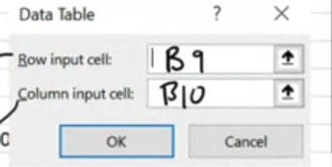

 |  |  |  | CTRL C + | Paste Special -> Transpose

