Sheet1
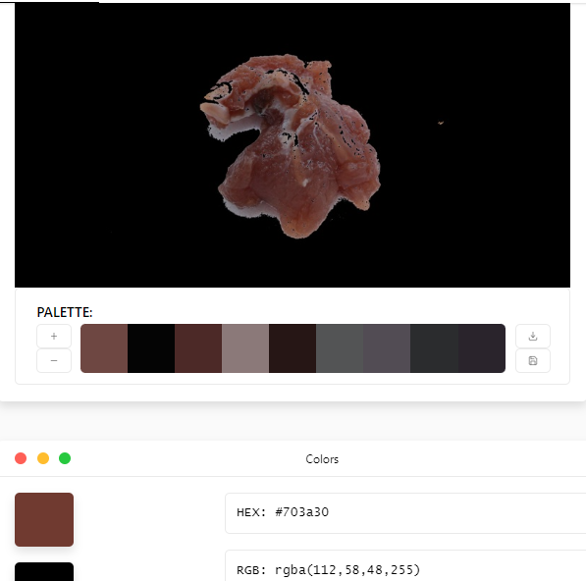
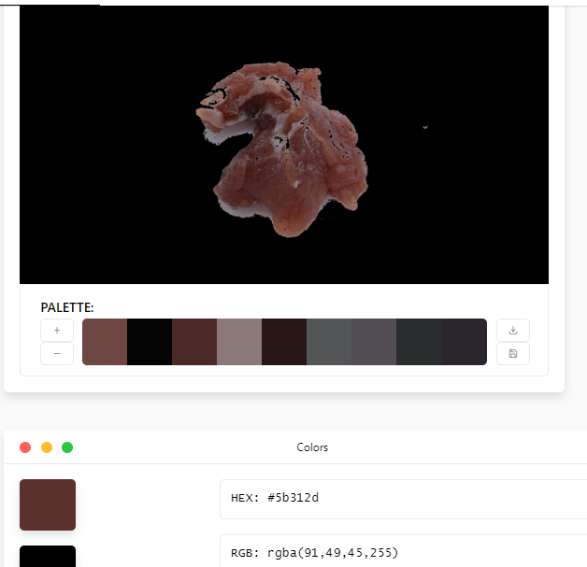
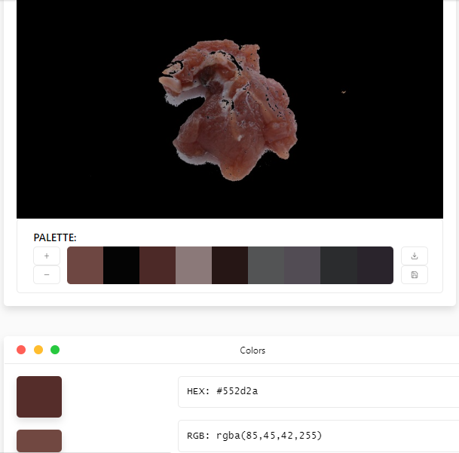
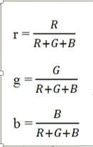
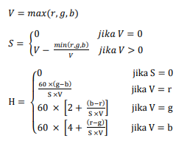

NILAI |  | TO HSV |  |  | NILAI |  |  | TO HSV
R | 112 | r | 0.51376146789 |  | R | 91 |  | r | 0.49189189189 |  | NILAI |  | TO HSV
G | 58 | g | 0.26605504587 |  | G | 49 |  | g | 0.26486486486 |  | R | 85 | r | 0.49418604651
B | 48 | b | 0.22018348624 |  | B | 45 |  | b | 0.24324324324 |  | G | 45 | g | 0.26162790698
Jumlah | 218 |  |  |  | Jumlah | 185 |  |  |  |  | B | 42 | b | 0.24418604651
 |  | V | 0.51376146789 | Nilai maksimumnya adalah r |  |  |  | V | 0.49189189189 | Nilai maksimumnya adalah r | Jumlah | 172
 |  | S | 0.085190039318 |  |  |  |  | S | -0.0026136026136 |  |  |  | V | 0.49418604651 | Nilai maksimumnya adalah r
 |  | H | 62.884615385 |  |  |  |  | H | -1009.0909091 |  |  |  | S | 6.83995E-05
 |  |  |  |  |  |  |  |  |  |  |  |  | H | 3.09600E+04

 |  |  |  |  |  |  | HSV MEAN
 |  |  |  |  |  |  | H | 1.00046E+04
 |  |  |  |  |  |  | S | 2.75483E-02
 |  |  |  |  |  |  | V | 4.99946E-01

