Site Map
HOME

ABOUT
SERVICES
NEWS
GALLERY
LOGIN

ADMIN PAGE
ABOUT HORIZON LAB
AGRICULTURE
ANNOUNCEMENTS
IMAGES
CUSTOMER PAGE
ENVIRONEMNTAL
NOTICES

FOOD / DRINK

RECREATION AND HOSPITALITY

FrontEnd
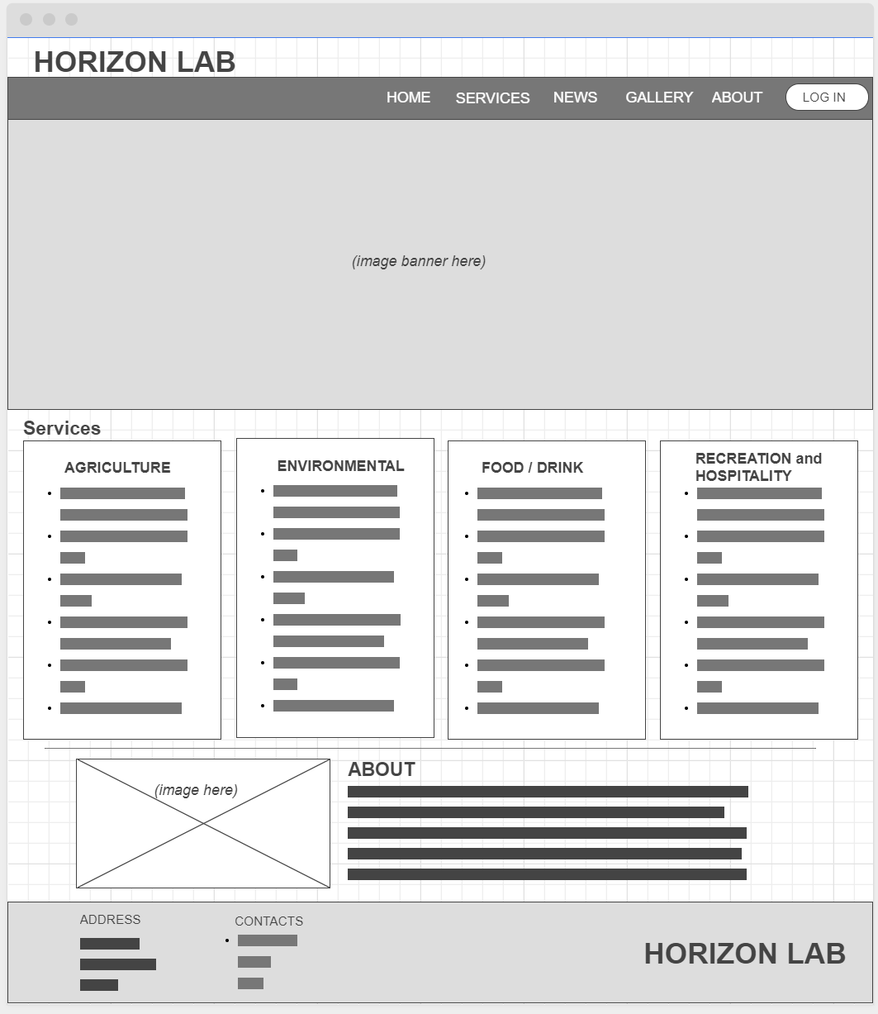

Backend
