Model 1
Model: | Model 1 |  |  |  |  |  |  |  |  |  | White | No Font | NoHeaders | With P-value | Low-res picture |  | No Comment | 12/6/24 8:34 PM + ADITYAS_COMP + Book1 + Sheet1 + RegressItPC 2021.06.18 | 12/6/24 8:34 PM + ADITYAS_COMP + Book1 + Sheet1 + RegressItPC 2021.06.18
Dependent Variable: |  | Salary |  |  |  |  |  |  |  |  |  |  |  | Model 1 (#vars=4, n=467, AdjRsq=0.55): Salary << AST, PTS, Revenue, TRB | No preceding model in this sequence. | No following model in this sequence.
 |  |  |  |  |  |  |  |  | R code: | Model.1 <- lm(Salary ~ AST + PTS + Revenue + TRB, data = Sheet1)
 | R-Squared | Adj.R-Sqr. | Std.Err.Reg. | Std.Dep.Var. | # Fitted | # Missing | Critical t | Confidence
 | 0.554 | 0.550 | 7,180,802 | 10,708,118 | 467 | 0 | 1.965 | 95.0%

Variable | Coefficient | Std.Err. | t-Statistic | P-value | Lower95% | Upper95% | VIF | Std. Coeff.
Constant | -6,860,853 | 1,374,048 | -4.993 | 0.000 | -9,561,011 | -4,160,695 | 0.000 | 0.000
AST | 791,318 | 251,529 | 3.146 | 0.002 | 297,036 | 1,285,600 | 2.191 | 0.145
PTS | 869,542 | 83,521 | 10.411 | 0.000 | 705,414 | 1,033,669 | 3.007 | 0.561
Revenue | 10,636 | 3,225 | 3.298 | 0.001 | 4,298 | 16,974 | 1.001 | 0.103
TRB | 456,744 | 187,270 | 2.439 | 0.015 | 88,738 | 824,750 | 1.643 | 0.097

 | Mean Error | RMSE | MAE | Minimum | Maximum | MAPE | A-D* stat
Fitted (n=467) | 4.946E-10 | 7,142,257 | 4,887,823 | -20,748,324 | 35,191,154 | 1378.3% | 9.07 (P=0.000)

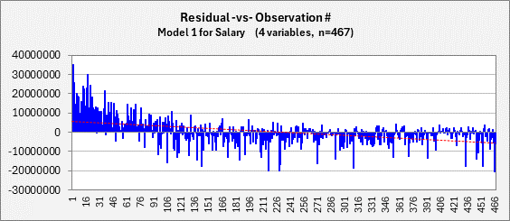

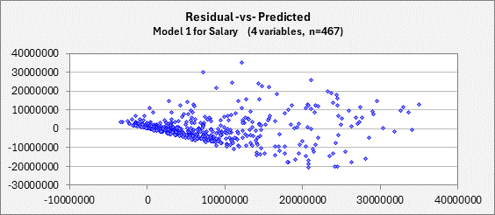

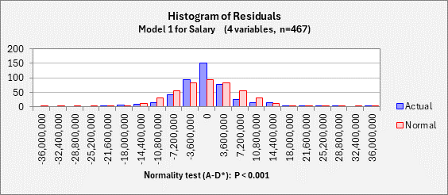

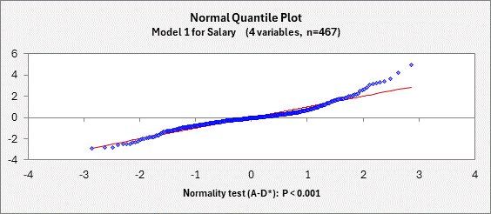

End of Output

