SAMPLE GUIDE REF
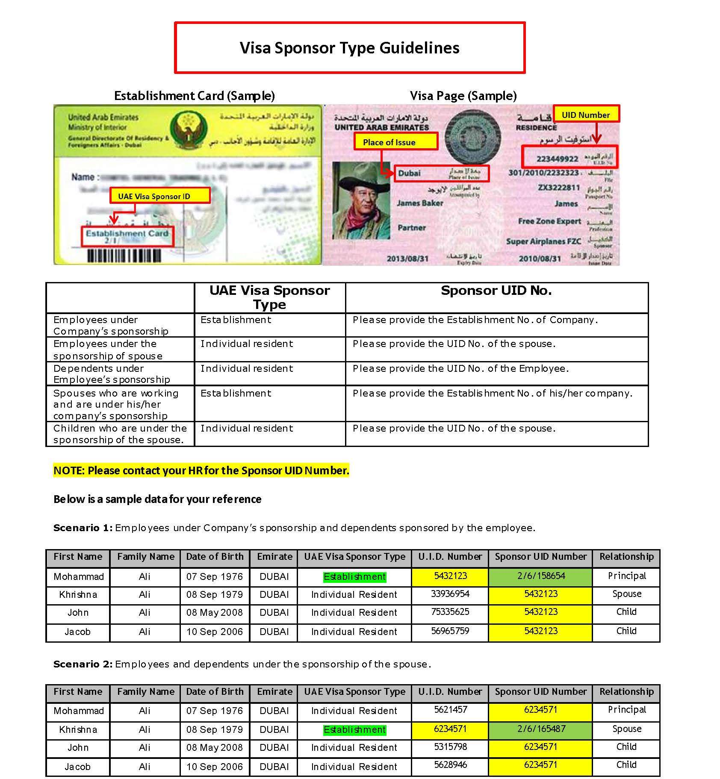
 | DSC Location
 |  |  | SPONSOR ENTITY ID - Sample
Code | NameEn | NameAr
101 | NAKHLAT DEIRA | نخلة ديرة
111 | AL CORNICHE | الكورنيش
112 | AL RAS | الراس
113 | AL DAGHAYA | الضغاية
114 | AL BUTEEN | البطين
115 | AL SABKHA | السبخة
116 | AYAL NASIR | عيال ناصر
117 | AL MURAR | المرر
118 | NAIF | نايف
119 | AL RIGGA | الرقة
121 | CORNICHE DEIRA | كورنيش ديرة
122 | AL BARAHA | البراحة
123 | AL MUTEENA | المطينة
124 | AL MURAQQABAT | المرقبات
125 | RIGGAT AL BUTEEN | رقة البطين
126 | ABU HAIL | أبو هيل
127 | HOR AL ANZ | هور العنز
128 | AL KHABAISI | الخبيصي
129 | PORT SAEED | بور سعيد
131 | AL HAMRIYA PORT | ميناء الحمرية
132 | AL WUHEIDA | الوحيدة
133 | HOR AL ANZ EAST | هور العنز شرق
134 | AL MAMZAR | الممزر
213 | NADD SHAMMA | ند شما
214 | AL GARHOUD | القرهود
215 | UMM RAMOOL | أم رمول
216 | AL RASHIDIYA | الراشدية
221 | DUBAI INT'L AIRPORT | مطار دبي الدولي
226 | AL TWAR FIRST | الطوار الأولى
227 | AL TWAR SECOND | الطوار الثانية
228 | AL TWAR THIRD | الطوار الثالثة
231 | AL NAHDA FIRST | النهدة الأولى
232 | AL QUSAIS FIRST | القصيص الأولى
233 | AL QUSAIS SECOND | القصيص الثانية
234 | AL QUSAIS THIRD | القصيص الثالثة
241 | AL NAHDA SECOND | النهدة الثانية
242 | AL QUSAIS IND. FIRST | القصيص الصناعية الأولى
243 | AL QUSAIS IND. SECOND | القصيص الصناعية الثانية | UAE NATIONAL UID NO-SAMPLE
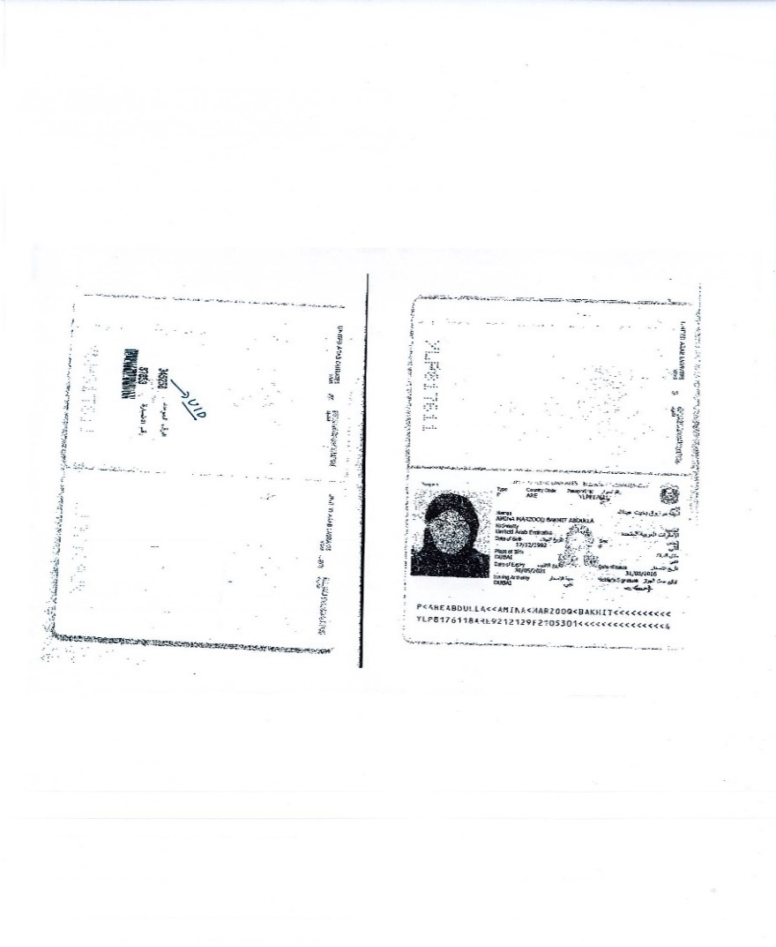
244 | MUHAISANAH THIRD | محيصنة الثالثة
245 | MUHAISANAH FOURTH | محيصنة الرابعة
246 | AL QUSAIS IND. THIRD | القصيص الصناعية الثالثة
247 | AL QUSAIS IND. FOURTH | القصيص الصناعية الرابعة
248 | AL QUSAIS IND. FIFTH | القصيص الصناعية الخامسة
251 | MIRDIF | مردف
252 | MUSHRAIF | مشرف
261 | MUHAISNAH FIRST | محيصنة الأولى
262 | AL MIZHAR FIRST | المزهر الأولى
263 | AL MIZHAR SECOND | المزهر الثانية
264 | MUHAISANAH SECOND | محيصنة الثانية
265 | OUD AL MUTEENA FIRST | عود المطينة الأولى
266 | OUD AL MUTEENA SECOND | عود المطينة الثانية
267 | MUHAISANAH FIFTH | محيصنة الخامسة
268 | OUD AL MUTEENA THIRD | عود المطينة الثالثة
271 | WADI ALAMARDI | وادي العمردي
281 | AL KHWANEEJ FIRST | الخوانيج الأولى
282 | AL KHWANEEJ SECOND | الخوانيج الثانية
283 | ALEYAS | العياص
284 | AL TTAY | الطي
300 | World Island | جزر العالم
301 | JUMEIRA ISLAND ONE | جزيرة جميرا 1
311 | AL SHINDAGHA | الشندغة
312 | AL SOUQ AL KABEER | السوق الكبير | EID,UID & PP Guide
313 | AL HAMRIYA | الحمرية
314 | UMM HURAIR FIRST | أم هرير الأولى | FOR EMIRATES ID - ACCEPTED VALUES ARE ONLY 18 CHARACTERS INCLUDING "-"
315 | UMM HURAIR SECOND | أم هرير الثانية | 7841980024789370
316 | AL RAFFA | الرفاعة | * ANY EID# LESS OR MORE THAN 18 ARE ALREADY INCORRECT
317 | MANKHOOL | منخول | *YEAR OF BIRTH SHOULD HAVE SAME VALUE AS 784-YOB-XXXXXXXX-X IF NOT SAME - ALREADY INCORRECT
318 | AL KARAMA | الكرامة | 800#s FOR EID APPLICATION # ARE ACCEPTABLE
319 | OUD METHA | عود ميثاء
321 | MADINAT DUBAI AL MELAHEYAH | مدينه دبي الملاحيه
322 | AL HUDAIBA | الحضيبة | FOR PASSPORT NUMBERS
323 | AL JAFILIYA | الجافلية | Ensure passport number is taken from the visa copy and not the passport copy. Due to mid visa passport renewals, the current passport number may not be the same passport the visa was stamped in, resulting in a failed validation as the GRDFA database only contains the passport number the visa was stamped in Passport Numbers: Passport numbers with letters may sometimes be uploaded to the GDRFA database without letters, therefore try removing/adding the letters in a passport number and re-uploading/validating. (e.g. passport number AB12345 may be register as 12345 in the GDRFA database)
324 | AL KIFAF | الكفاف
325 | ZA'ABEEL FIRST | زعبيل الأولى
326 | AL JADAF | الجداف
332 | JUMEIRA FIRST | جميرا الأولى | EmiratesIDNumber
333 | AL BADA'A | البدع | - 111-1111-1111111-1 for GCC category
334 | AL SATWA | السطوة | - 333-3333-3333333-3 for NewBorn without a card)
335 | TRADE CENTER FIRST | المركز التجاري الأولى
336 | TRADE CENTER SECOND | المركز التجاري الثانية | UIDNumber
337 | ZA'ABEEL SECOND | زعبيل الثانية | - 000000000000 for UAE national without a UID
342 | JUMEIRA SECOND | جميرا الثانية | - 111111111111 for GCC national without a UID
343 | AL WASL | الوصل | - 444444444444 for Visitor without a UID (USE FOR NEW BORN)
345 | BURJ KHALIFA | برج خليفة
346 | BUISNESS BAY | الخليج التجاري
347 | AL MERKADH | المركاض | Date of birth should be in the following format only: DD/MM/YYYY
352 | JUMEIRA THIRD | جميرا الثالثة
353 | AL SAFA FIRST | الصفا الأولى | Fields starting with a 0 – typically the 0 will automatically be removed therefore ensure the column properties are adjusted accordingly to stop this from happening (e.g. passport number 01234 once entered in excel will become 1234 resulting in failed validation)
354 | AL QOUZ FIRST | القوز الأولى
355 | AL QOUZ SECOND | القوز الثانية | GDRFA File Number / Entity Permit number Sample : 201/2017/2200338
356 | UMM SUQEIM FIRST | أم سقيم الأولى | On eVisa:
357 | AL SAFA SECOND | الصفا الثانية
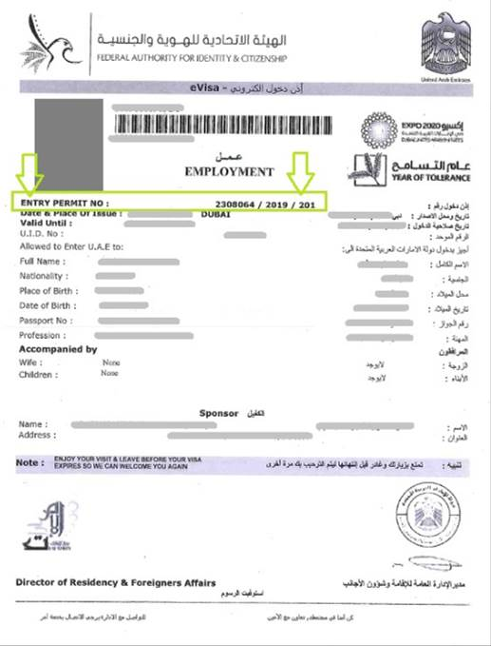
358 | AL QOUZ THIRD | القوز الثالثة
359 | AL QOUZ FOURTH | القوز الرابعة
362 | UMM SUQEIM SECOND | أم سقيم الثانية
363 | AL MANARA | المنارة
364 | AL QOUZE IND.FIRST | القوز الصناعية الأولى
365 | AL QOUZE IND.SECOND | القوز الصناعية الثانية
366 | UMM SUQEIM THIRD | أم سقيم الثالثة
367 | UMM AL SHEIF | أم الشيف
368 | AL QOUZE IND.THIRD | القوز الصناعية الثالثة
369 | AL QOUZE IND.FOURTH | القوز الصناعية الرابعة
372 | AL SAFOUH FIRST | الصفوح الأولى
373 | AL BARSHA FIRST | البرشاء الأولى
375 | AL BARSHA THIRD | البرشاء الثالثة
376 | AL BARSHA SECOND | البرشاء الثانية
381 | NAKHLAT JUMEIRA | نخلة جميرا
382 | AL SAFOUH SECOND | الصفوح الثانية
383 | AL THANYAH FIRST | الثنيه الأولى
384 | AL THANYAH SECOND | الثنيه الثانية
388 | AL THANYAH THIRD | الثنيه الثالثة
392 | MARSA DUBAI | مرسى دبي
393 | AL THANYAH FIFTH | الثنية الخامسة
394 | AL THANYAH FOURTH | الثنيه الرابعة
412 | AL KHEERAN | الخيران
413 | RAS AL KHOR | راس الخور
414 | AL KHAIRAN FIRST | الخيران الأولى
415 | AL KHAIRAN SECOND | الخيران الثانية
416 | NADD AL HAMAR | ند الحمر
421 | AL WARQA'A FIRST | الورقاء الأولى
422 | AL WARQA'A SECOND | الورقاء الثانية
423 | AL WARQA'A THIRD | الورقاء الثالثة
424 | AL WARQA'A FOURTH | الورقاء الرابعة
425 | AL WARQA'A FIFTH | الورقاء الخامسة
431 | WADI ALSHABAK | وادي الشبك
501 | NAKHLAT JABAL ALI | نخلة جبل علي
502 | AL WAJEHAH AL BHARIYAH | الواجهة البحرية
511 | HESSYAN FIRST | حصيان الأول
512 | HESSYAN SECOND | حصيان الثانية | On Resident Visa stamped on Passport:
513 | SAIH SHUAIB 1 | سيح شعيب 1
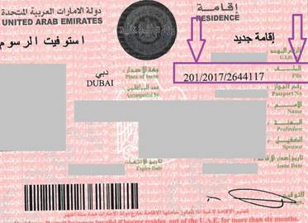
516 | JABAL ALI INDUSTRIAL THIRD | جبل علي الصناعية الثالثة
518 | JABAL ALI INDUSTRIAL SECOND | جبل علي الصناعية الثانية
521 | MADINAT AL MATAAR | مدينه المطار
531 | SAIH SHUAIB 2 | سيح شعيب 2
532 | SAIH SHUAIB 3 | سيح شعيب 3
533 | SAIH SHUAIB 4 | سيح شعيب 4
591 | JABAL ALI FIRST | جبل علي الأول
592 | JABAL ALI SECOND | جبل علي الثانية
593 | JABAL ALI THIRD | جبل علي الثالثة
594 | MENA JABAL ALI | ميناء جبل علي
597 | DUBAI INVESTMENT PARK SECOND | مجمع دبي للاستثمار الثاني
598 | DUBAI INVESTMENT PARK FIRST | مجمع دبي للاستثمار الأول
599 | JABAL ALI INDUSTRIAL FIRST | جبل علي الصناعية الأولى
611 | BU KADRA | بو كدرة
612 | RAS AL KHOR IND. FIRST | رأس الخور الصناعية الأولى
613 | RAS AL KHOR IND. SECOND | رأس الخور الصناعية الثانية
614 | RAS AL KHOR IND. THIRD | رأس الخور الصناعية الثالثة
615 | NADD AL SHIBA SECOND | ند الشبا الثانية
616 | NADD AL SHIBA THIRD | ند الشبا الثالثة
617 | NADD AL SHIBA FOURTH | ند الشبا الرابعة
618 | NADD AL SHIBA FIRST | ند الشبا الأولى
621 | WARSAN FIRST | ورسان الأولى
622 | WARSAN SECOND | ورسان الثانية
624 | WARSAN FOURTH | ورسان الرابعة
626 | NADD HESSA | ند حصه
631 | HADAEQ SHEIKH MOHAMMED BIN RASHID | حدائق الشيخ محمد بن راشد
643 | WADI AL SAFA 2 | وادي الصفا 2
645 | WADI AL SAFA 3 | وادي الصفا 3
646 | WADI AL SAFA 4 | وادي الصفا 4
648 | WADI AL SAFA 5 | وادي الصفا 5
664 | WADI AL ASAFA 6 | وادي الصفا 6
665 | WADI AL ASAFA 7 | وادي الصفا 7
671 | AL BARSHA SOUTH FIRST | البرشاء جنوب الأولى
672 | AL BARSHA SOUTH SECOND | البرشاء جنوب الثانية
673 | AL BARSHA SOUTH THIRD | البرشاء جنوب الثالثة
674 | AL HEBIAH FIRST | الحبيه الأولى
675 | AL HEBIAH SECOND | الحبيه الثانية
676 | AL HEBIAH THIRD | الحبيه الثالثة
681 | AL BARSHA SOUTH FOURTH | البرشاء جنوب الرابعة
682 | AL HEBIAH FOURTH | الحبيه الرابعة
683 | AL HEBIAH FIFTH | الحبيه الخامسة
684 | AL BARSHA SOUTH FIFTH | البرشاء الجنوب الخامسة
685 | ME'AISEM FIRST | معيصم الأولى
686 | ME'AISEM SECOND | معيصم الثانية
711 | AL AWIR FIRST | العوير الأولى
721 | AL AWIR SECOND | العوير الثانية
724 | ENKHALI | نخلي
727 | AL WOHOOSH | الوحوش
731 | LEHBAB FIRST | لهباب الأولى
735 | AL MERYAL | المريال
736 | NAZWAH | نزوه
811 | WARSAN THIRD | ورسان الثالثة
812 | AL ROWAIYAH FIRST | الرويه الأولى
813 | AL ROWAIYAH SECOND | الرويه الثانية
814 | AL ROWAIYAH THIRD | الرويه الثالثة
821 | MEREIYEEL | مرييل
824 | UMM AL DAMAN | أم الدمن
826 | LE HEMAIRA | الحميرا
831 | LEHBAB SECOND | لهباب الثانية
835 | UMM AL MO'MENEEN | أم المؤمنين
841 | MARGHAM | مرغم
845 | AL MAHA | المها
847 | UMM ESELAY | أم السلي
851 | REMAH | رماح
857 | MARGAB | مرقب
861 | YARAAH | يراح
891 | HATTA | حتا
911 | UMM NAHAD FIRST | أم نهد الأولى
912 | UMM NAHAD SECOND | أم نهد الثانية
913 | UMM NAHAD THIRD | أم نهد الثالثة
914 | UMM NAHAD FOURTH | أم نهد الرابعة
915 | AL YUFRAH 1 | اليفره 1
916 | AL YUFRAH 2 | اليفره 2
917 | AL MARMOOM | المرموم
921 | AL YALAYIS 1 | اليلايس 1
922 | AL YALAYIS 2 | اليلايس 2
923 | AL YALAYIS 3 | اليلايس 3
924 | AL YALAYIS 4 | اليلايس 4
925 | AL YALAYIS 5 | اليلايس 5
931 | AL LESAILY | الليسيلي
941 | GRAYTEESAH | قريطيسه
945 | AL FAGAA' | الفقع
951 | SAIH AL SALAM | سيح السلم
956 | AL HATHMAH | الحثمة
961 | AL SELAL | الصلال
967 | GHADEER BARASHY | غدير براشي
971 | SAIH AL DAHAL | سيح الدحل
975 | AL O'SHOOSH | العشوش
978 | SAIH SHUA'ALAH | سيح شعيله
981 | MUGATRAH | مقطره
987 | AL LAYAN 1 | الليان 1
988 | AL LAYAN 2 | الليان 2
991 | HEFAIR | حفير
100 | OTHER EMIRATES (OUTSIDE DUBAI) | إمارات أخرى (خارج دبي)
110 | DUBAI (DISTRICT UNKNOWN) | دبي (المنطقة غير معروفة)

