Nicardipine vs. GW 8510
Drug1 | Drug1Conc | Drug1_NPI | Drug2 | Drug2Conc | Drug2_NPI | Sci_WellID | PredictedInhibition | ObservedInhibition | Excess Over BLISS | Excess Over BLISS Error | Excess Over BLISS Error Percent
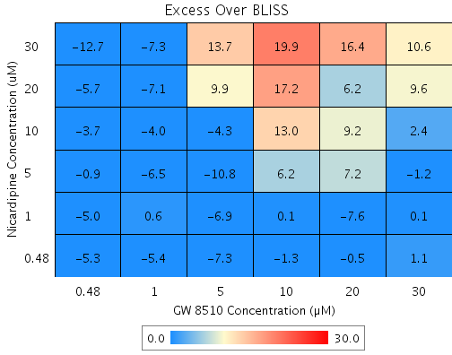
Nicardipine | 30 | 32.6 | GW 8510 | 30 | 71.7 | C8 | 80.915 | 91.5 | 10.6 | 6.2136 | 58.77
Nicardipine | 30 | 32.6 | GW 8510 | 20 | 60.1 | C9 | 73.103 | 89.5 | 16.4 | 6.9135 | 42.163
Nicardipine | 30 | 32.6 | GW 8510 | 10 | 23.6 | E10 | 48.539 | 68.5 | 19.9 | 13.855 | 69.516
Nicardipine | 30 | 32.6 | GW 8510 | 5 | 22.6 | D8 | 47.848 | 61.5 | 13.7 | 6.7264 | 49.271
Nicardipine | 30 | 32.6 | GW 8510 | 1 | -5 | D2 | 29.307 | 22 | -7.3 | 9.4136 | 129.03
Nicardipine | 30 | 32.6 | GW 8510 | 0.48 | -4.7 | F10 | 29.467 | 16.7 | -12.7 | 10.924 | 85.798
Nicardipine | 20 | 22.3 | GW 8510 | 30 | 71.7 | G8 | 77.997 | 87.6 | 9.6 | 6.3146 | 65.48
Nicardipine | 20 | 22.3 | GW 8510 | 20 | 60.1 | C4 | 68.99 | 75.1 | 6.2 | 7.8385 | 127.29
Nicardipine | 20 | 22.3 | GW 8510 | 10 | 23.6 | B2 | 40.671 | 57.9 | 17.2 | 13.942 | 81.006
Nicardipine | 20 | 22.3 | GW 8510 | 5 | 22.6 | G5 | 39.875 | 49.8 | 9.9 | 9.7366 | 98.433
Nicardipine | 20 | 22.3 | GW 8510 | 1 | -5 | B10 | 18.499 | 11.4 | -7.1 | 9.5867 | 135.06
Nicardipine | 20 | 22.3 | GW 8510 | 0.48 | -4.7 | E5 | 18.683 | 13 | -5.7 | 9.4919 | 166.94
Nicardipine | 10 | 10.2 | GW 8510 | 30 | 71.7 | C3 | 74.548 | 76.9 | 2.4 | 7.9834 | 338.29
Nicardipine | 10 | 10.2 | GW 8510 | 20 | 60.1 | D7 | 64.129 | 73.4 | 9.2 | 8.0252 | 86.872
Nicardipine | 10 | 10.2 | GW 8510 | 10 | 23.6 | F2 | 31.371 | 44.4 | 13 | 14.733 | 113.06
Nicardipine | 10 | 10.2 | GW 8510 | 5 | 22.6 | C6 | 30.45 | 26.2 | -4.3 | 7.3553 | 172.97
Nicardipine | 10 | 10.2 | GW 8510 | 1 | -5 | F3 | 5.7232 | 1.7 | -4 | 9.573 | 240.07
Nicardipine | 10 | 10.2 | GW 8510 | 0.48 | -4.7 | F7 | 5.9363 | 2.2 | -3.7 | 9.9056 | 266.79
Nicardipine | 5 | 8 | GW 8510 | 30 | 71.7 | D3 | 73.925 | 72.7 | -1.2 | 7.047 | 569.2
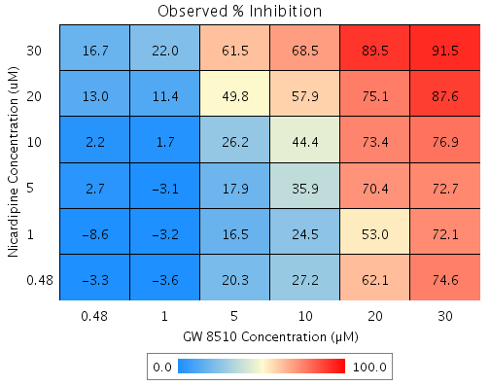
Nicardipine | 5 | 8 | GW 8510 | 20 | 60.1 | G7 | 63.252 | 70.4 | 7.2 | 8.4676 | 117.69
Nicardipine | 5 | 8 | GW 8510 | 10 | 23.6 | D4 | 29.692 | 35.9 | 6.2 | 15.354 | 249.21
Nicardipine | 5 | 8 | GW 8510 | 5 | 22.6 | B8 | 28.748 | 17.9 | -10.8 | 7.3088 | 67.367
Nicardipine | 5 | 8 | GW 8510 | 1 | -5 | C10 | 3.417 | -3.1 | -6.5 | 9.8996 | 151.86
Nicardipine | 5 | 8 | GW 8510 | 0.48 | -4.7 | G6 | 3.6352 | 2.7 | -0.9 | 9.1815 | 1028.9
Nicardipine | 1 | 1.1 | GW 8510 | 30 | 71.7 | B6 | 71.978 | 72.1 | 0.1 | 13.926 | 10801
Nicardipine | 1 | 1.1 | GW 8510 | 20 | 60.1 | F5 | 60.507 | 53 | -7.6 | 13.613 | 180.17
Nicardipine | 1 | 1.1 | GW 8510 | 10 | 23.6 | B9 | 24.441 | 24.5 | 0.1 | 19.399 | 20261
Nicardipine | 1 | 1.1 | GW 8510 | 5 | 22.6 | F9 | 23.427 | 16.5 | -6.9 | 12.924 | 187
Nicardipine | 1 | 1.1 | GW 8510 | 1 | -5 | E6 | -3.7965 | -3.2 | 0.6 | 13.594 | 2232.6
Nicardipine | 1 | 1.1 | GW 8510 | 0.48 | -4.7 | E9 | -3.5619 | -8.6 | -5 | 12.396 | 246.48
Nicardipine | 0.48 | 6.4 | GW 8510 | 30 | 71.7 | G3 | 73.473 | 74.6 | 1.1 | 6.6085 | 591.17
Nicardipine | 0.48 | 6.4 | GW 8510 | 20 | 60.1 | C7 | 62.615 | 62.1 | -0.5 | 7.6993 | 1576.3
Nicardipine | 0.48 | 6.4 | GW 8510 | 10 | 23.6 | G10 | 28.474 | 27.2 | -1.3 | 17.731 | 1398
Nicardipine | 0.48 | 6.4 | GW 8510 | 5 | 22.6 | B5 | 27.514 | 20.3 | -7.3 | 8.1127 | 111.71
Nicardipine | 0.48 | 6.4 | GW 8510 | 1 | -5 | F8 | 1.743 | -3.6 | -5.4 | 8.9163 | 165.76
Nicardipine | 0.48 | 6.4 | GW 8510 | 0.48 | -4.7 | E4 | 1.965 | -3.3 | -5.3 | 8.9349 | 168.78

Steps for Calculation

Calculate Percent Inhibition
Calculate BLISS

BLISS := (Drug1_InhibitionMean/100) + (Drug2_InhibitionMean/100) - (Drug1_InhibitionMean/100) * (Drug2_InhibitionMean/100);

#D1SEMsquared := Drug1_InhibitionSEM * Drug1_InhibitionSEM;
#D2SEMsquared := Drug2_InhibitionSEM * Drug2_InhibitionSEM;
#D1ActSquared := (Drug1_InhibitionMean/100) * (Drug1_InhibitionMean/100);
#D2ActSquared := (Drug2_InhibitionMean/100) * (Drug2_InhibitionMean/100);

BLISS_SEM := sqrt(((#D1SEMsquared)*(1+#D2ActSquared))+((#D2SEMsquared)*(1+#D1ActSquared)));

Tamoxifen vs. Atovaquone
Drug1 | Drug1Conc | Drug1_NPI | Drug2 | Drug2Conc | Drug2_NPI | Sci_WellID | PredictedInhibition | ObservedInhibition | Excess Over BLISS | Excess Over BLISS Error | Excess Over BLISS Error Percent
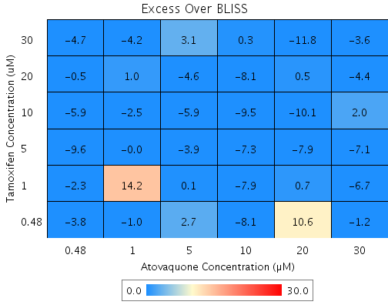
Tamoxifen | 5 | 11.4 | Atovaquone | 30 | 43 | F3 | 49.526 | 42.5 | -7.1 | 21.207 | 300.74
Tamoxifen | 30 | 52.4 | Atovaquone | 30 | 43 | G8 | 72.88 | 69.3 | -3.6 | 21.457 | 594.67
Tamoxifen | 30 | 52.4 | Atovaquone | 10 | 14.1 | B9 | 59.1 | 59.4 | 0.3 | 15.11 | 5294.2
Tamoxifen | 30 | 52.4 | Atovaquone | 5 | 7.5 | C3 | 55.962 | 59.1 | 3.1 | 14.492 | 468.49
Tamoxifen | 30 | 52.4 | Atovaquone | 1 | -0.6 | D5 | 52.082 | 47.9 | -4.2 | 2.765 | 66.098
Tamoxifen | 30 | 52.4 | Atovaquone | 0.48 | 7.9 | D10 | 56.138 | 51.5 | -4.7 | 4.9032 | 104.91
Tamoxifen | 20 | 23.1 | Atovaquone | 30 | 43 | F6 | 56.22 | 51.8 | -4.4 | 20.901 | 476.94
Tamoxifen | 20 | 23.1 | Atovaquone | 20 | 36.9 | F7 | 51.529 | 52 | 0.5 | 16.21 | 3442.9
Tamoxifen | 20 | 23.1 | Atovaquone | 10 | 14.1 | C4 | 33.975 | 25.9 | -8.1 | 6.363 | 78.606
Tamoxifen | 20 | 23.1 | Atovaquone | 5 | 7.5 | G2 | 28.909 | 24.3 | -4.6 | 3.4595 | 75.402
Tamoxifen | 20 | 23.1 | Atovaquone | 1 | -0.6 | E2 | 22.645 | 23.6 | 1 | 1.8047 | 179.72
Tamoxifen | 20 | 23.1 | Atovaquone | 0.48 | 7.9 | D2 | 29.193 | 28.7 | -0.5 | 3.3582 | 637.99
Tamoxifen | 10 | 17.6 | Atovaquone | 30 | 43 | C10 | 53.097 | 55.1 | 2 | 17.639 | 894.46
Tamoxifen | 10 | 17.6 | Atovaquone | 20 | 36.9 | F9 | 48.071 | 38 | -10.1 | 13.153 | 130
Tamoxifen | 10 | 17.6 | Atovaquone | 10 | 14.1 | E6 | 29.265 | 19.7 | -9.5 | 6.3175 | 66.337
Tamoxifen | 10 | 17.6 | Atovaquone | 5 | 7.5 | B3 | 23.837 | 17.9 | -5.9 | 3.764 | 63.914
Tamoxifen | 10 | 17.6 | Atovaquone | 1 | -0.6 | G3 | 17.126 | 14.6 | -2.5 | 2.4885 | 97.819
Tamoxifen | 10 | 17.6 | Atovaquone | 0.48 | 7.9 | E10 | 24.141 | 18.3 | -5.9 | 3.3824 | 57.704
Tamoxifen | 30 | 52.4 | Atovaquone | 20 | 36.9 | D8 | 69.974 | 58.2 | -11.8 | 12.072 | 102.32
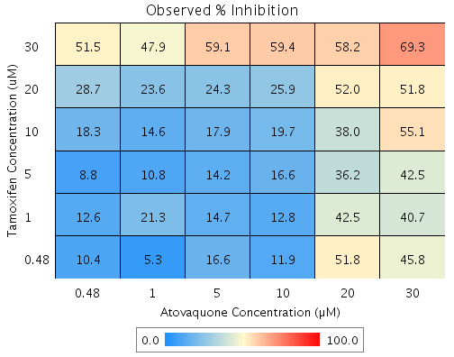
Tamoxifen | 5 | 11.4 | Atovaquone | 20 | 36.9 | E5 | 44.117 | 36.2 | -7.9 | 13.005 | 164.41
Tamoxifen | 5 | 11.4 | Atovaquone | 10 | 14.1 | B5 | 23.88 | 16.6 | -7.3 | 6.2123 | 85.617
Tamoxifen | 5 | 11.4 | Atovaquone | 5 | 7.5 | D4 | 18.038 | 14.2 | -3.9 | 3.4049 | 88.346
Tamoxifen | 5 | 11.4 | Atovaquone | 1 | -0.6 | C5 | 10.817 | 10.8 | 0 | 1.6452 | 7347.8
Tamoxifen | 5 | 11.4 | Atovaquone | 0.48 | 7.9 | F10 | 18.366 | 8.8 | -9.6 | 3.254 | 33.893
Tamoxifen | 1 | 7.7 | Atovaquone | 30 | 43 | G6 | 47.409 | 40.7 | -6.7 | 21.145 | 313.45
Tamoxifen | 1 | 7.7 | Atovaquone | 20 | 36.9 | E4 | 41.773 | 42.5 | 0.7 | 16.514 | 2343.5
Tamoxifen | 1 | 7.7 | Atovaquone | 10 | 14.1 | B4 | 20.686 | 12.8 | -7.9 | 6.2305 | 78.958
Tamoxifen | 1 | 7.7 | Atovaquone | 5 | 7.5 | D6 | 14.6 | 14.7 | 0.1 | 4.0501 | 6457.9
Tamoxifen | 1 | 7.7 | Atovaquone | 1 | -0.6 | E8 | 7.0754 | 21.3 | 14.2 | 7.9471 | 55.928
Tamoxifen | 1 | 7.7 | Atovaquone | 0.48 | 7.9 | B8 | 14.942 | 12.6 | -2.3 | 4.2866 | 185.08
Tamoxifen | 0.48 | 6.8 | Atovaquone | 30 | 43 | C2 | 46.926 | 45.8 | -1.2 | 18.679 | 1620.7
Tamoxifen | 0.48 | 6.8 | Atovaquone | 20 | 36.9 | B2 | 41.239 | 51.8 | 10.6 | 12.015 | 113.64
Tamoxifen | 0.48 | 6.8 | Atovaquone | 10 | 14.1 | C8 | 19.959 | 11.9 | -8.1 | 6.5316 | 80.819
Tamoxifen | 0.48 | 6.8 | Atovaquone | 5 | 7.5 | E3 | 13.817 | 16.6 | 2.7 | 10.641 | 389.29
Tamoxifen | 0.48 | 6.8 | Atovaquone | 1 | -0.6 | D3 | 6.2234 | 5.3 | -1 | 2.3648 | 246.64
Tamoxifen | 0.48 | 6.8 | Atovaquone | 0.48 | 7.9 | G10 | 14.162 | 10.4 | -3.8 | 4.1861 | 110.12

Tamoxifen vs. Mefloquine
Drug1 | Drug1Conc | Drug1_NPI | Drug2 | Drug2Conc | Drug2_NPI | Sci_WellID | PredictedInhibition | ObservedInhibition | Excess Over BLISS | Excess Over BLISS Error | Excess Over BLISS Error Percent
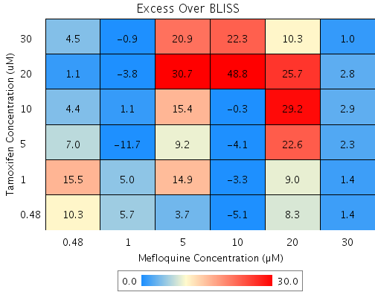
Tamoxifen | 30 | 74.2 | Mefloquine | 30 | 95.8 | D7 | 98.924 | 100 | 1 | 5.1259 | 491.78
Tamoxifen | 30 | 74.2 | Mefloquine | 20 | 59.7 | F2 | 89.589 | 99.9 | 10.3 | 10.592 | 103.16
Tamoxifen | 30 | 74.2 | Mefloquine | 10 | 12.1 | D4 | 77.312 | 99.6 | 22.3 | 5.5497 | 24.936
Tamoxifen | 30 | 74.2 | Mefloquine | 5 | -8.2 | E6 | 72.057 | 93 | 20.9 | 5.5527 | 26.538
Tamoxifen | 30 | 74.2 | Mefloquine | 1 | 0.3 | B7 | 74.254 | 73.3 | -0.9 | 7.4971 | 805.84
Tamoxifen | 30 | 74.2 | Mefloquine | 0.48 | -9.9 | F7 | 71.617 | 76.1 | 4.5 | 7.4683 | 165.77
Tamoxifen | 20 | 35.8 | Mefloquine | 30 | 95.8 | D5 | 97.323 | 100.2 | 2.8 | 3.7953 | 133.85
Tamoxifen | 20 | 35.8 | Mefloquine | 20 | 59.7 | C8 | 74.101 | 99.8 | 25.7 | 8.8559 | 34.409
Tamoxifen | 20 | 35.8 | Mefloquine | 10 | 12.1 | D9 | 43.558 | 92.4 | 48.8 | 4.4612 | 9.1399
Tamoxifen | 20 | 35.8 | Mefloquine | 5 | -8.2 | G5 | 30.484 | 61.2 | 30.7 | 5.3225 | 17.338
Tamoxifen | 20 | 35.8 | Mefloquine | 1 | 0.3 | C3 | 35.951 | 32.1 | -3.8 | 12.802 | 334.2
Tamoxifen | 20 | 35.8 | Mefloquine | 0.48 | -9.9 | G4 | 29.389 | 30.4 | 1.1 | 5.4257 | 515.56
Tamoxifen | 10 | 21.6 | Mefloquine | 30 | 95.8 | E7 | 96.735 | 99.7 | 2.9 | 4.6396 | 157.47
Tamoxifen | 10 | 21.6 | Mefloquine | 20 | 59.7 | E8 | 68.411 | 97.6 | 29.2 | 8.8937 | 30.449
Tamoxifen | 10 | 21.6 | Mefloquine | 10 | 12.1 | G7 | 31.159 | 30.9 | -0.3 | 6.9515 | 2348
Tamoxifen | 10 | 21.6 | Mefloquine | 5 | -8.2 | B6 | 15.214 | 30.6 | 15.4 | 4.6665 | 30.397
Tamoxifen | 10 | 21.6 | Mefloquine | 1 | 0.3 | E10 | 21.881 | 23 | 1.1 | 6.3424 | 575.9
Tamoxifen | 10 | 21.6 | Mefloquine | 0.48 | -9.9 | B8 | 13.878 | 18.3 | 4.4 | 5.2171 | 118.76
Tamoxifen | 5 | 17.5 | Mefloquine | 30 | 95.8 | C6 | 96.562 | 98.8 | 2.3 | 4.397 | 193.67
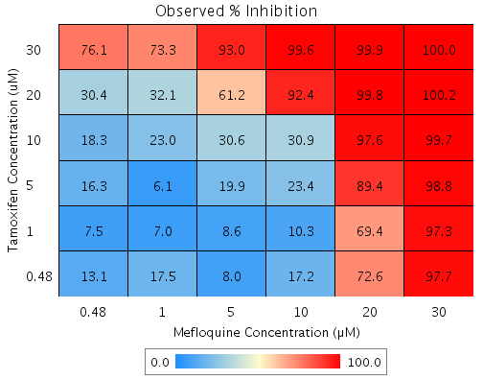
Tamoxifen | 5 | 17.5 | Mefloquine | 20 | 59.7 | E3 | 66.737 | 89.4 | 22.6 | 9.7567 | 43.126
Tamoxifen | 5 | 17.5 | Mefloquine | 10 | 12.1 | G8 | 27.51 | 23.4 | -4.1 | 5.6441 | 138.48
Tamoxifen | 5 | 17.5 | Mefloquine | 5 | -8.2 | D8 | 10.719 | 19.9 | 9.2 | 4.7217 | 51.277
Tamoxifen | 5 | 17.5 | Mefloquine | 1 | 0.3 | D3 | 17.74 | 6.1 | -11.7 | 5.8322 | 49.942
Tamoxifen | 5 | 17.5 | Mefloquine | 0.48 | -9.9 | G2 | 9.3127 | 16.3 | 7 | 7.5316 | 107.71
Tamoxifen | 1 | 1.7 | Mefloquine | 30 | 95.8 | F9 | 95.906 | 97.3 | 1.4 | 4.8844 | 359.11
Tamoxifen | 1 | 1.7 | Mefloquine | 20 | 59.7 | F8 | 60.39 | 69.4 | 9 | 10.571 | 117.45
Tamoxifen | 1 | 1.7 | Mefloquine | 10 | 12.1 | E9 | 13.68 | 10.3 | -3.3 | 5.9011 | 176.27
Tamoxifen | 1 | 1.7 | Mefloquine | 5 | -8.2 | G9 | -6.3143 | 8.6 | 14.9 | 5.4754 | 36.644
Tamoxifen | 1 | 1.7 | Mefloquine | 1 | 0.3 | F6 | 2.0459 | 7 | 5 | 6.2755 | 126.09
Tamoxifen | 1 | 1.7 | Mefloquine | 0.48 | -9.9 | E4 | -7.9895 | 7.5 | 15.5 | 5.1145 | 32.986
Tamoxifen | 0.48 | 11.6 | Mefloquine | 30 | 95.8 | B4 | 96.315 | 97.7 | 1.4 | 5.5038 | 400.49
Tamoxifen | 0.48 | 11.6 | Mefloquine | 20 | 59.7 | B2 | 64.351 | 72.6 | 8.3 | 12.359 | 149.58
Tamoxifen | 0.48 | 11.6 | Mefloquine | 10 | 12.1 | C9 | 22.311 | 17.2 | -5.1 | 6.9497 | 136.86
Tamoxifen | 0.48 | 11.6 | Mefloquine | 5 | -8.2 | G3 | 4.3163 | 8 | 3.7 | 6.5299 | 176.1
Tamoxifen | 0.48 | 11.6 | Mefloquine | 1 | 0.3 | B10 | 11.841 | 17.5 | 5.7 | 5.7779 | 101.55
Tamoxifen | 0.48 | 11.6 | Mefloquine | 0.48 | -9.9 | C10 | 2.8086 | 13.1 | 10.3 | 5.0849 | 49.316

Tamoxifen vs. Nicardipine
Drug1 | Drug1Conc | Drug1_NPI | Drug2 | Drug2Conc | Drug2_NPI | Sci_WellID | PredictedInhibition | ObservedInhibition | Excess Over BLISS | Excess Over BLISS Error | Excess Over BLISS Error Percent
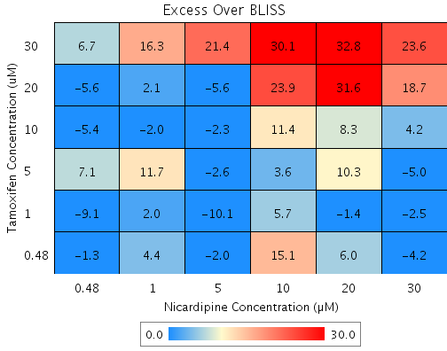
Tamoxifen | 30 | 56.9 | Nicardipine | 30 | 43.1 | B2 | 75.487 | 99.1 | 23.6 | 7.7766 | 32.947
Tamoxifen | 30 | 56.9 | Nicardipine | 20 | 19.2 | D7 | 65.187 | 98 | 32.8 | 9.6026 | 29.261
Tamoxifen | 30 | 56.9 | Nicardipine | 10 | -1.4 | D10 | 56.291 | 86.3 | 30.1 | 9.1737 | 30.522
Tamoxifen | 30 | 56.9 | Nicardipine | 5 | 13.2 | G9 | 62.563 | 84 | 21.4 | 8.1517 | 38.064
Tamoxifen | 30 | 56.9 | Nicardipine | 1 | -4.9 | D8 | 54.772 | 71 | 16.3 | 12.388 | 76.212
Tamoxifen | 30 | 56.9 | Nicardipine | 0.48 | 5.8 | B9 | 59.378 | 66.1 | 6.7 | 12.082 | 179.81
Tamoxifen | 20 | 42 | Nicardipine | 30 | 43.1 | C5 | 67.031 | 85.8 | 18.7 | 5.3892 | 28.773
Tamoxifen | 20 | 42 | Nicardipine | 20 | 19.2 | D4 | 53.177 | 84.8 | 31.6 | 6.3839 | 20.2
Tamoxifen | 20 | 42 | Nicardipine | 10 | -1.4 | C6 | 41.213 | 65.1 | 23.9 | 4.9151 | 20.547
Tamoxifen | 20 | 42 | Nicardipine | 5 | 13.2 | D9 | 49.649 | 44 | -5.6 | 8.4073 | 149.37
Tamoxifen | 20 | 42 | Nicardipine | 1 | -4.9 | C3 | 39.171 | 41.2 | 2.1 | 8.2574 | 401.2
Tamoxifen | 20 | 42 | Nicardipine | 0.48 | 5.8 | D3 | 45.366 | 39.8 | -5.6 | 4.2316 | 75.419
Tamoxifen | 10 | 23.5 | Nicardipine | 30 | 43.1 | G7 | 56.497 | 60.7 | 4.2 | 2.6784 | 64.143
Tamoxifen | 10 | 23.5 | Nicardipine | 20 | 19.2 | E3 | 38.219 | 46.5 | 8.3 | 5.8441 | 70.397
Tamoxifen | 10 | 23.5 | Nicardipine | 10 | -1.4 | B10 | 22.432 | 33.8 | 11.4 | 7.342 | 64.399
Tamoxifen | 10 | 23.5 | Nicardipine | 5 | 13.2 | B6 | 33.562 | 31.2 | -2.3 | 3.5065 | 150.81
Tamoxifen | 10 | 23.5 | Nicardipine | 1 | -4.9 | F8 | 19.737 | 17.7 | -2 | 9.1943 | 454.18
Tamoxifen | 10 | 23.5 | Nicardipine | 0.48 | 5.8 | C2 | 27.911 | 22.5 | -5.4 | 3.4368 | 63.348
Tamoxifen | 5 | 11.9 | Nicardipine | 30 | 43.1 | E8 | 49.911 | 44.9 | -5 | 8.9453 | 177.28
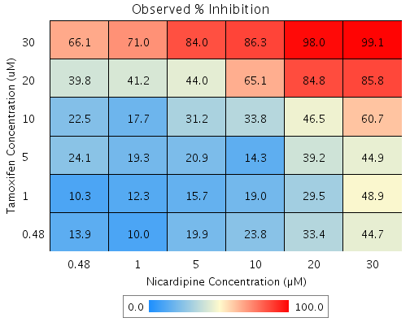
Tamoxifen | 5 | 11.9 | Nicardipine | 20 | 19.2 | C4 | 28.865 | 39.2 | 10.3 | 7.2672 | 70.272
Tamoxifen | 5 | 11.9 | Nicardipine | 10 | -1.4 | F4 | 10.689 | 14.3 | 3.6 | 7.6898 | 214.83
Tamoxifen | 5 | 11.9 | Nicardipine | 5 | 13.2 | F10 | 23.504 | 20.9 | -2.6 | 5.4528 | 209.08
Tamoxifen | 5 | 11.9 | Nicardipine | 1 | -4.9 | E5 | 7.5851 | 19.3 | 11.7 | 8.6144 | 73.469
Tamoxifen | 5 | 11.9 | Nicardipine | 0.48 | 5.8 | B3 | 16.997 | 24.1 | 7.1 | 5.1859 | 73.103
Tamoxifen | 1 | 14.5 | Nicardipine | 30 | 43.1 | B7 | 51.375 | 48.9 | -2.5 | 4.0035 | 161
Tamoxifen | 1 | 14.5 | Nicardipine | 20 | 19.2 | E10 | 30.944 | 29.5 | -1.4 | 6.0786 | 429.93
Tamoxifen | 1 | 14.5 | Nicardipine | 10 | -1.4 | F9 | 13.299 | 19 | 5.7 | 4.1548 | 73.456
Tamoxifen | 1 | 14.5 | Nicardipine | 5 | 13.2 | C9 | 25.74 | 15.7 | -10.1 | 3.4215 | 34.026
Tamoxifen | 1 | 14.5 | Nicardipine | 1 | -4.9 | F2 | 10.286 | 12.3 | 2 | 7.8764 | 392.78
Tamoxifen | 1 | 14.5 | Nicardipine | 0.48 | 5.8 | F6 | 19.423 | 10.3 | -9.1 | 3.3141 | 36.275
Tamoxifen | 0.48 | 10 | Nicardipine | 30 | 43.1 | G3 | 48.849 | 44.7 | -4.2 | 2.6121 | 62.787
Tamoxifen | 0.48 | 10 | Nicardipine | 20 | 19.2 | G6 | 27.356 | 33.4 | 6 | 6.4721 | 107.72
Tamoxifen | 0.48 | 10 | Nicardipine | 10 | -1.4 | B8 | 8.794 | 23.8 | 15.1 | 4.4897 | 29.827
Tamoxifen | 0.48 | 10 | Nicardipine | 5 | 13.2 | B4 | 21.881 | 19.9 | -2 | 3.9446 | 198.15
Tamoxifen | 0.48 | 10 | Nicardipine | 1 | -4.9 | G2 | 5.6245 | 10 | 4.4 | 8.0493 | 184.92
Tamoxifen | 0.48 | 10 | Nicardipine | 0.48 | 5.8 | D5 | 15.236 | 13.9 | -1.3 | 3.0762 | 230.03

Tamoxifen vs. Terfenadine
Drug1 | Drug1Conc | Drug1_NPI | Drug2 | Drug2Conc | Drug2_NPI | Sci_WellID | PredictedInhibition | ObservedInhibition | Excess Over BLISS | Excess Over BLISS Error | Excess Over BLISS Error Percent
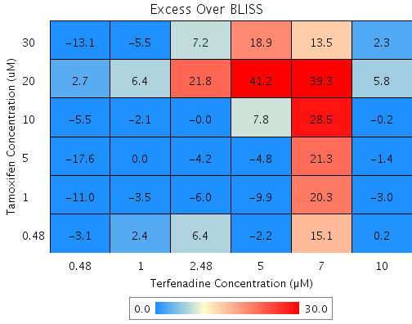
Tamoxifen | 30 | 72.5 | Terfenadine | 10 | 90.8 | F7 | 97.459 | 99.8 | 2.3 | 3.7709 | 163.09
Tamoxifen | 30 | 72.5 | Terfenadine | 7 | 34.7 | E5 | 82.046 | 95.6 | 13.5 | 16.624 | 123.07
Tamoxifen | 30 | 72.5 | Terfenadine | 5 | 18 | B8 | 77.457 | 96.4 | 18.9 | 2.8918 | 15.304
Tamoxifen | 30 | 72.5 | Terfenadine | 2.48 | 7.1 | D8 | 74.47 | 81.7 | 7.2 | 8.1902 | 113.96
Tamoxifen | 30 | 72.5 | Terfenadine | 1 | 1.3 | F8 | 72.86 | 67.4 | -5.5 | 16.002 | 292.15
Tamoxifen | 30 | 72.5 | Terfenadine | 0.48 | 8.7 | E7 | 74.912 | 61.8 | -13.1 | 5.4541 | 41.615
Tamoxifen | 20 | 28.5 | Terfenadine | 10 | 90.8 | C6 | 93.389 | 99.2 | 5.8 | 9.1391 | 156.94
Tamoxifen | 20 | 28.5 | Terfenadine | 7 | 34.7 | E9 | 53.283 | 92.6 | 39.3 | 15.449 | 39.263
Tamoxifen | 20 | 28.5 | Terfenadine | 5 | 18 | C7 | 41.343 | 82.5 | 41.2 | 6.91 | 16.789
Tamoxifen | 20 | 28.5 | Terfenadine | 2.48 | 7.1 | G3 | 33.571 | 55.3 | 21.8 | 9.9778 | 45.864
Tamoxifen | 20 | 28.5 | Terfenadine | 1 | 1.3 | B3 | 29.381 | 35.8 | 6.4 | 12.854 | 199.32
Tamoxifen | 20 | 28.5 | Terfenadine | 0.48 | 8.7 | F6 | 34.72 | 37.4 | 2.7 | 7.2461 | 267.73
Tamoxifen | 10 | 26.9 | Terfenadine | 10 | 90.8 | C9 | 93.244 | 93 | -0.2 | 5.5137 | 2402.8
Tamoxifen | 10 | 26.9 | Terfenadine | 7 | 34.7 | C4 | 52.258 | 80.7 | 28.5 | 14.283 | 50.146
Tamoxifen | 10 | 26.9 | Terfenadine | 5 | 18 | B2 | 40.055 | 47.8 | 7.8 | 5.1934 | 66.858
Tamoxifen | 10 | 26.9 | Terfenadine | 2.48 | 7.1 | E3 | 32.112 | 32.1 | 0 | 7.7129 | 26380
Tamoxifen | 10 | 26.9 | Terfenadine | 1 | 1.3 | F3 | 27.831 | 25.8 | -2.1 | 11.392 | 550.44
Tamoxifen | 10 | 26.9 | Terfenadine | 0.48 | 8.7 | D5 | 33.287 | 27.8 | -5.5 | 4.8639 | 88.716
Tamoxifen | 5 | 18.7 | Terfenadine | 10 | 90.8 | G5 | 92.486 | 91 | -1.4 | 4.0539 | 282.17
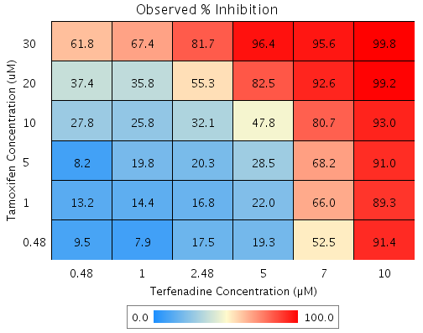
Tamoxifen | 5 | 18.7 | Terfenadine | 7 | 34.7 | E8 | 46.899 | 68.2 | 21.3 | 14.061 | 66.137
Tamoxifen | 5 | 18.7 | Terfenadine | 5 | 18 | C2 | 33.327 | 28.5 | -4.8 | 9.4736 | 197.35
Tamoxifen | 5 | 18.7 | Terfenadine | 2.48 | 7.1 | C8 | 24.492 | 20.3 | -4.2 | 10.736 | 257.85
Tamoxifen | 5 | 18.7 | Terfenadine | 1 | 1.3 | E10 | 19.73 | 19.8 | 0 | 11.366 | 51324
Tamoxifen | 5 | 18.7 | Terfenadine | 0.48 | 8.7 | D3 | 25.799 | 8.2 | -17.6 | 10.002 | 56.846
Tamoxifen | 1 | 16.9 | Terfenadine | 10 | 90.8 | D6 | 92.32 | 89.3 | -3 | 2.1639 | 71.21
Tamoxifen | 1 | 16.9 | Terfenadine | 7 | 34.7 | E4 | 45.728 | 66 | 20.3 | 13.52 | 66.602
Tamoxifen | 1 | 16.9 | Terfenadine | 5 | 18 | E2 | 31.857 | 22 | -9.9 | 7.1896 | 72.664
Tamoxifen | 1 | 16.9 | Terfenadine | 2.48 | 7.1 | B10 | 22.828 | 16.8 | -6 | 8.6587 | 143.47
Tamoxifen | 1 | 16.9 | Terfenadine | 1 | 1.3 | D7 | 17.961 | 14.4 | -3.5 | 10.807 | 304.97
Tamoxifen | 1 | 16.9 | Terfenadine | 0.48 | 8.7 | E6 | 24.163 | 13.2 | -11 | 4.1826 | 38.151
Tamoxifen | 0.48 | 4.2 | Terfenadine | 10 | 90.8 | B5 | 91.151 | 91.4 | 0.2 | 9.014 | 4191.6
Tamoxifen | 0.48 | 4.2 | Terfenadine | 7 | 34.7 | G2 | 37.463 | 52.5 | 15.1 | 18.773 | 124.53
Tamoxifen | 0.48 | 4.2 | Terfenadine | 5 | 18 | B7 | 21.479 | 19.3 | -2.2 | 14.3 | 647.9
Tamoxifen | 0.48 | 4.2 | Terfenadine | 2.48 | 7.1 | G9 | 11.074 | 17.5 | 6.4 | 10.313 | 161.29
Tamoxifen | 0.48 | 4.2 | Terfenadine | 1 | 1.3 | D9 | 5.4665 | 7.9 | 2.4 | 13.48 | 557.33
Tamoxifen | 0.48 | 4.2 | Terfenadine | 0.48 | 8.7 | G10 | 12.613 | 9.5 | -3.1 | 7.8041 | 251.03

Tamoxifen vs. Withaferin A
Drug1 | Drug1Conc | Drug1_NPI | Drug2 | Drug2Conc | Drug2_NPI | Sci_WellID | PredictedInhibition | ObservedInhibition | Excess Over BLISS | Excess Over BLISS Error | Excess Over BLISS Error Percent
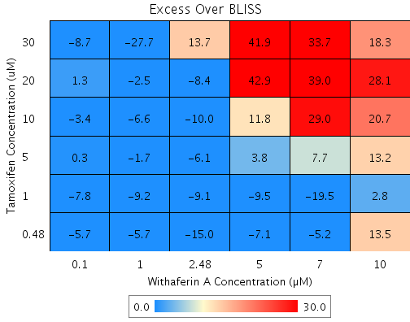
Tamoxifen | 30 | 49.8 | Withaferin A | 10 | 62.7 | B8 | 81.279 | 99.6 | 18.3 | 16.725 | 91.479
Tamoxifen | 30 | 49.8 | Withaferin A | 7 | 31.9 | F3 | 65.812 | 99.5 | 33.7 | 14.928 | 44.346
Tamoxifen | 30 | 49.8 | Withaferin A | 5 | -3 | C9 | 48.33 | 90.2 | 41.9 | 15.165 | 36.22
Tamoxifen | 30 | 49.8 | Withaferin A | 2.48 | 14.3 | G5 | 57.007 | 70.7 | 13.7 | 15.633 | 113.81
Tamoxifen | 30 | 49.8 | Withaferin A | 1 | 15.3 | B2 | 57.494 | 29.8 | -27.7 | 13.962 | 50.445
Tamoxifen | 30 | 49.8 | Withaferin A | 0.1 | 2.7 | D10 | 51.141 | 42.4 | -8.7 | 12.711 | 145.88
Tamoxifen | 20 | 20.9 | Withaferin A | 10 | 62.7 | G4 | 70.509 | 98.6 | 28.1 | 11.536 | 41.03
Tamoxifen | 20 | 20.9 | Withaferin A | 7 | 31.9 | E5 | 46.142 | 85.2 | 39 | 13.879 | 35.555
Tamoxifen | 20 | 20.9 | Withaferin A | 5 | -3 | D7 | 18.602 | 61.5 | 42.9 | 14.563 | 33.911
Tamoxifen | 20 | 20.9 | Withaferin A | 2.48 | 14.3 | D6 | 32.271 | 23.8 | -8.4 | 9.6702 | 114.7
Tamoxifen | 20 | 20.9 | Withaferin A | 1 | 15.3 | E10 | 33.039 | 30.5 | -2.5 | 7.4698 | 293.72
Tamoxifen | 20 | 20.9 | Withaferin A | 0.1 | 2.7 | C7 | 23.031 | 24.4 | 1.3 | 7.2365 | 537.88
Tamoxifen | 10 | 17.5 | Withaferin A | 10 | 62.7 | D3 | 69.214 | 89.9 | 20.7 | 8.3332 | 40.282
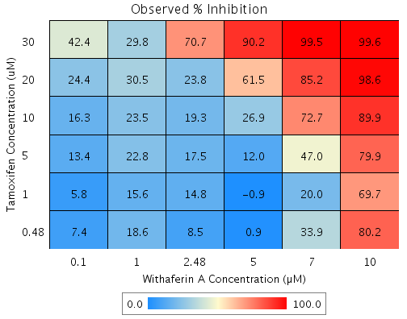
Tamoxifen | 10 | 17.5 | Withaferin A | 7 | 31.9 | C8 | 43.778 | 72.7 | 29 | 8.8637 | 30.601
Tamoxifen | 10 | 17.5 | Withaferin A | 5 | -3 | F10 | 15.028 | 26.9 | 11.8 | 7.2214 | 60.951
Tamoxifen | 10 | 17.5 | Withaferin A | 2.48 | 14.3 | E8 | 29.298 | 19.3 | -10 | 9.0974 | 91.12
Tamoxifen | 10 | 17.5 | Withaferin A | 1 | 15.3 | C2 | 30.099 | 23.5 | -6.6 | 2.7283 | 41.079
Tamoxifen | 10 | 17.5 | Withaferin A | 0.1 | 2.7 | D5 | 19.652 | 16.3 | -3.4 | 2.7849 | 81.927
Tamoxifen | 5 | 10.8 | Withaferin A | 10 | 62.7 | G6 | 66.712 | 79.9 | 13.2 | 11.528 | 87.185
Tamoxifen | 5 | 10.8 | Withaferin A | 7 | 31.9 | G3 | 39.209 | 47 | 7.7 | 11.827 | 152.78
Tamoxifen | 5 | 10.8 | Withaferin A | 5 | -3 | C4 | 8.1223 | 12 | 3.8 | 8.6787 | 225.49
Tamoxifen | 5 | 10.8 | Withaferin A | 2.48 | 14.3 | E3 | 23.551 | 17.5 | -6.1 | 6.1471 | 101.28
Tamoxifen | 5 | 10.8 | Withaferin A | 1 | 15.3 | E9 | 24.418 | 22.8 | -1.7 | 5.8832 | 355.96
Tamoxifen | 5 | 10.8 | Withaferin A | 0.1 | 2.7 | G7 | 13.122 | 13.4 | 0.3 | 6.0812 | 1914.4
Tamoxifen | 1 | 11.2 | Withaferin A | 10 | 62.7 | B9 | 66.87 | 69.7 | 2.8 | 8.9669 | 319.95
Tamoxifen | 1 | 11.2 | Withaferin A | 7 | 31.9 | B4 | 39.497 | 20 | -19.5 | 12.194 | 62.497
Tamoxifen | 1 | 11.2 | Withaferin A | 5 | -3 | B5 | 8.559 | -0.9 | -9.5 | 9.7306 | 102.56
Tamoxifen | 1 | 11.2 | Withaferin A | 2.48 | 14.3 | D9 | 23.915 | 14.8 | -9.1 | 2.7995 | 30.775
Tamoxifen | 1 | 11.2 | Withaferin A | 1 | 15.3 | F5 | 24.777 | 15.6 | -9.2 | 2.3021 | 24.998
Tamoxifen | 1 | 11.2 | Withaferin A | 0.1 | 2.7 | B10 | 13.535 | 5.8 | -7.8 | 6.5379 | 84.21
Tamoxifen | 0.48 | 10.7 | Withaferin A | 10 | 62.7 | G9 | 66.682 | 80.2 | 13.5 | 8.9623 | 66.204
Tamoxifen | 0.48 | 10.7 | Withaferin A | 7 | 31.9 | G10 | 39.153 | 33.9 | -5.2 | 8.9475 | 171.71
Tamoxifen | 0.48 | 10.7 | Withaferin A | 5 | -3 | G2 | 8.0387 | 0.9 | -7.1 | 7.675 | 107.75
Tamoxifen | 0.48 | 10.7 | Withaferin A | 2.48 | 14.3 | E2 | 23.482 | 8.5 | -15 | 7.8165 | 52.222
Tamoxifen | 0.48 | 10.7 | Withaferin A | 1 | 15.3 | F2 | 24.349 | 18.6 | -5.7 | 4.6268 | 80.556
Tamoxifen | 0.48 | 10.7 | Withaferin A | 0.1 | 2.7 | D2 | 13.043 | 7.4 | -5.7 | 3.7347 | 65.958

