GW8510 vs. Withaferin A
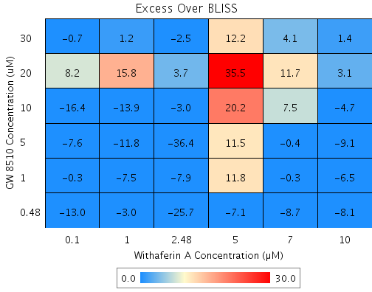
Drug1 | Drug1Conc | Drug1_NPI | Drug2 | Drug2Conc | Drug2_NPI | Sci_WellID | PredictedInhibition | ObservedInhibition | Excess Over BLISS | Excess Over BLISS Error | Excess Over BLISS Error Percent
GW 8510 | 30 | 72.6 | Withaferin A | 10 | 84 | F3 | 95.618 | 97 | 1.4 | 4.0747 | 286.16
GW 8510 | 30 | 72.6 | Withaferin A | 7 | 65.2 | F4 | 90.45 | 94.5 | 4.1 | 3.4711 | 85.617
GW 8510 | 30 | 72.6 | Withaferin A | 5 | 11.9 | D8 | 75.849 | 88 | 12.2 | 2.7918 | 22.956
GW 8510 | 30 | 72.6 | Withaferin A | 2.48 | 23.7 | B10 | 79.078 | 76.6 | -2.5 | 7.7409 | 314.08
GW 8510 | 30 | 72.6 | Withaferin A | 1 | -0.5 | B5 | 72.446 | 73.6 | 1.2 | 5.3592 | 448.77
GW 8510 | 30 | 72.6 | Withaferin A | 0.1 | -3.1 | G3 | 71.738 | 71 | -0.7 | 6.7577 | 962.05
GW 8510 | 20 | 42.1 | Withaferin A | 10 | 84 | E9 | 90.745 | 93.8 | 3.1 | 8.5494 | 277.73
GW 8510 | 20 | 42.1 | Withaferin A | 7 | 65.2 | C2 | 79.83 | 91.5 | 11.7 | 7.641 | 65.575
GW 8510 | 20 | 42.1 | Withaferin A | 5 | 11.9 | B3 | 48.996 | 84.5 | 35.5 | 6.6094 | 18.638
GW 8510 | 20 | 42.1 | Withaferin A | 2.48 | 23.7 | F5 | 55.814 | 59.5 | 3.7 | 9.0051 | 245.38
GW 8510 | 20 | 42.1 | Withaferin A | 1 | -0.5 | C8 | 41.808 | 57.6 | 15.8 | 7.4772 | 47.461
GW 8510 | 20 | 42.1 | Withaferin A | 0.1 | -3.1 | C6 | 40.312 | 48.5 | 8.2 | 7.3762 | 89.8
GW 8510 | 10 | 26.8 | Withaferin A | 10 | 84 | D4 | 88.304 | 83.6 | -4.7 | 18.145 | 386.1
GW 8510 | 10 | 26.8 | Withaferin A | 7 | 65.2 | F2 | 74.509 | 82 | 7.5 | 17.158 | 228
GW 8510 | 10 | 26.8 | Withaferin A | 5 | 11.9 | C4 | 35.539 | 55.7 | 20.2 | 14.09 | 69.861
GW 8510 | 10 | 26.8 | Withaferin A | 2.48 | 23.7 | D10 | 44.156 | 41.1 | -3 | 19.849 | 660.12
GW 8510 | 10 | 26.8 | Withaferin A | 1 | -0.5 | G8 | 26.454 | 12.6 | -13.9 | 15.028 | 108.19
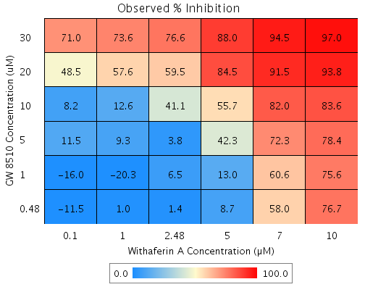
GW 8510 | 10 | 26.8 | Withaferin A | 0.1 | -3.1 | E4 | 24.564 | 8.2 | -16.4 | 14.508 | 88.398
GW 8510 | 5 | 21.5 | Withaferin A | 10 | 84 | E7 | 87.455 | 78.4 | -9.1 | 7.7778 | 85.664
GW 8510 | 5 | 21.5 | Withaferin A | 7 | 65.2 | G2 | 72.66 | 72.3 | -0.4 | 7.0609 | 1913.5
GW 8510 | 5 | 21.5 | Withaferin A | 5 | 11.9 | D2 | 30.864 | 42.3 | 11.5 | 6.0896 | 53.077
GW 8510 | 5 | 21.5 | Withaferin A | 2.48 | 23.7 | G7 | 40.106 | 3.8 | -36.4 | 8.8967 | 24.474
GW 8510 | 5 | 21.5 | Withaferin A | 1 | -0.5 | F9 | 21.121 | 9.3 | -11.8 | 7.5959 | 64.286
GW 8510 | 5 | 21.5 | Withaferin A | 0.1 | -3.1 | E5 | 19.093 | 11.5 | -7.6 | 7.0485 | 93.258
GW 8510 | 1 | -12.2 | Withaferin A | 10 | 84 | C10 | 82.067 | 75.6 | -6.5 | 5.3119 | 82.01
GW 8510 | 1 | -12.2 | Withaferin A | 7 | 65.2 | D7 | 60.917 | 60.6 | -0.3 | 4.7274 | 1600.7
GW 8510 | 1 | -12.2 | Withaferin A | 5 | 11.9 | F7 | 1.1675 | 13 | 11.8 | 4.8284 | 40.92
GW 8510 | 1 | -12.2 | Withaferin A | 2.48 | 23.7 | C5 | 14.379 | 6.5 | -7.9 | 7.3035 | 92.779
GW 8510 | 1 | -12.2 | Withaferin A | 1 | -0.5 | E6 | -12.761 | -20.3 | -7.5 | 6.2994 | 83.842
GW 8510 | 1 | -12.2 | Withaferin A | 0.1 | -3.1 | D3 | -15.66 | -16 | -0.3 | 7.3716 | 2341.7
GW 8510 | 0.48 | 4.4 | Withaferin A | 10 | 84 | C7 | 84.725 | 76.7 | -8.1 | 9.9212 | 123.01
GW 8510 | 0.48 | 4.4 | Withaferin A | 7 | 65.2 | G5 | 66.71 | 58 | -8.7 | 9.1356 | 104.59
GW 8510 | 0.48 | 4.4 | Withaferin A | 5 | 11.9 | G6 | 15.816 | 8.7 | -7.1 | 8.4291 | 117.97
GW 8510 | 0.48 | 4.4 | Withaferin A | 2.48 | 23.7 | C3 | 27.07 | 1.4 | -25.7 | 10.002 | 38.983
GW 8510 | 0.48 | 4.4 | Withaferin A | 1 | -0.5 | G4 | 3.9521 | 1 | -3 | 12.421 | 416.24
GW 8510 | 0.48 | 4.4 | Withaferin A | 0.1 | -3.1 | D9 | 1.4836 | -11.5 | -13 | 9.4881 | 73.079

Mefloquine vs. MG 132
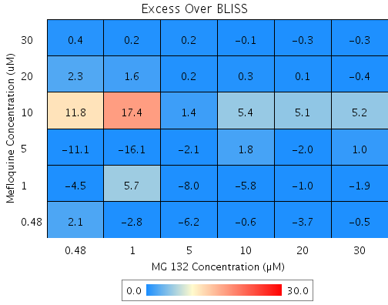
Drug1 | Drug1Conc | Drug1_NPI | Drug2 | Drug2Conc | Drug2_NPI | Sci_WellID | PredictedInhibition | ObservedInhibition | Excess Over BLISS | Excess Over BLISS Error | Excess Over BLISS Error Percent
Mefloquine | 30 | 99.6 | MG 132 | 30 | 80.3 | F3 | 99.914 | 99.6 | -0.3 | 1.4113 | 454.25
Mefloquine | 30 | 99.6 | MG 132 | 20 | 81.8 | F4 | 99.921 | 99.7 | -0.3 | 1.2777 | 485.92
Mefloquine | 30 | 99.6 | MG 132 | 10 | 78.9 | F10 | 99.908 | 99.9 | -0.1 | 2.073 | 4063.9
Mefloquine | 30 | 99.6 | MG 132 | 5 | 74.3 | E6 | 99.888 | 100.1 | 0.2 | 2.9951 | 1295.5
Mefloquine | 30 | 99.6 | MG 132 | 1 | 11.6 | C6 | 99.615 | 99.8 | 0.2 | 8.2277 | 4383.8
Mefloquine | 30 | 99.6 | MG 132 | 0.48 | 8.5 | C3 | 99.601 | 100 | 0.4 | 0.43595 | 119.69
Mefloquine | 20 | 97 | MG 132 | 30 | 80.3 | G9 | 99.417 | 99 | -0.4 | 1.6518 | 424.73
Mefloquine | 20 | 97 | MG 132 | 20 | 81.8 | F6 | 99.461 | 99.6 | 0.1 | 1.5767 | 1106
Mefloquine | 20 | 97 | MG 132 | 10 | 78.9 | E3 | 99.374 | 99.6 | 0.3 | 2.2261 | 878.66
Mefloquine | 20 | 97 | MG 132 | 5 | 74.3 | G2 | 99.238 | 99.4 | 0.2 | 3.0771 | 1581.2
Mefloquine | 20 | 97 | MG 132 | 1 | 11.6 | F8 | 97.385 | 99 | 1.6 | 8.1564 | 512.47
Mefloquine | 20 | 97 | MG 132 | 0.48 | 8.5 | D6 | 97.292 | 99.6 | 2.3 | 0.83264 | 36.087
Mefloquine | 10 | 31.2 | MG 132 | 30 | 80.3 | D7 | 86.455 | 91.7 | 5.2 | 9.2098 | 176.37
Mefloquine | 10 | 31.2 | MG 132 | 20 | 81.8 | E8 | 87.465 | 92.6 | 5.1 | 9.2203 | 181.05
Mefloquine | 10 | 31.2 | MG 132 | 10 | 78.9 | G6 | 85.457 | 90.9 | 5.4 | 9.2768 | 171.75
Mefloquine | 10 | 31.2 | MG 132 | 5 | 74.3 | G8 | 82.291 | 83.6 | 1.4 | 9.145 | 675.83
Mefloquine | 10 | 31.2 | MG 132 | 1 | 11.6 | C4 | 39.209 | 56.6 | 17.4 | 17.059 | 98.194
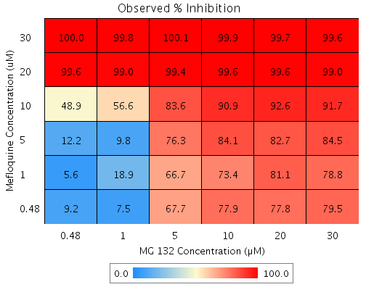
Mefloquine | 10 | 31.2 | MG 132 | 0.48 | 8.5 | B4 | 37.032 | 48.9 | 11.8 | 9.3818 | 79.269
Mefloquine | 5 | 16.2 | MG 132 | 30 | 80.3 | B9 | 83.5 | 84.5 | 1 | 2.4551 | 242.56
Mefloquine | 5 | 16.2 | MG 132 | 20 | 81.8 | E9 | 84.73 | 82.7 | -2 | 3.1292 | 154.84
Mefloquine | 5 | 16.2 | MG 132 | 10 | 78.9 | F5 | 82.284 | 84.1 | 1.8 | 2.6086 | 146.05
Mefloquine | 5 | 16.2 | MG 132 | 5 | 74.3 | B5 | 78.426 | 76.3 | -2.1 | 5.1262 | 246.72
Mefloquine | 5 | 16.2 | MG 132 | 1 | 11.6 | G4 | 25.943 | 9.8 | -16.1 | 9.3673 | 58.189
Mefloquine | 5 | 16.2 | MG 132 | 0.48 | 8.5 | E4 | 23.292 | 12.2 | -11.1 | 7.4208 | 67.027
Mefloquine | 1 | 1.7 | MG 132 | 30 | 80.3 | G7 | 80.652 | 78.8 | -1.9 | 4.3086 | 227.42
Mefloquine | 1 | 1.7 | MG 132 | 20 | 81.8 | E7 | 82.094 | 81.1 | -1 | 4.0567 | 420.7
Mefloquine | 1 | 1.7 | MG 132 | 10 | 78.9 | F7 | 79.226 | 73.4 | -5.8 | 5.4492 | 94.125
Mefloquine | 1 | 1.7 | MG 132 | 5 | 74.3 | B2 | 74.703 | 66.7 | -8 | 4.4189 | 55.269
Mefloquine | 1 | 1.7 | MG 132 | 1 | 11.6 | D3 | 13.161 | 18.9 | 5.7 | 6.8995 | 120.67
Mefloquine | 1 | 1.7 | MG 132 | 0.48 | 8.5 | B3 | 10.051 | 5.6 | -4.5 | 9.3212 | 208.15
Mefloquine | 0.48 | -1.5 | MG 132 | 30 | 80.3 | C7 | 80.012 | 79.5 | -0.5 | 7.1267 | 1541.5
Mefloquine | 0.48 | -1.5 | MG 132 | 20 | 81.8 | D9 | 81.502 | 77.8 | -3.7 | 6.9735 | 186.55
Mefloquine | 0.48 | -1.5 | MG 132 | 10 | 78.9 | B6 | 78.539 | 77.9 | -0.6 | 7.0225 | 1105.5
Mefloquine | 0.48 | -1.5 | MG 132 | 5 | 74.3 | C9 | 73.866 | 67.7 | -6.2 | 7.1368 | 115.87
Mefloquine | 0.48 | -1.5 | MG 132 | 1 | 11.6 | G5 | 10.29 | 7.5 | -2.8 | 10.899 | 387.12
Mefloquine | 0.48 | -1.5 | MG 132 | 0.48 | 8.5 | C2 | 7.078 | 9.2 | 2.1 | 6.2804 | 293.33

Terfenadine vs. GW8510
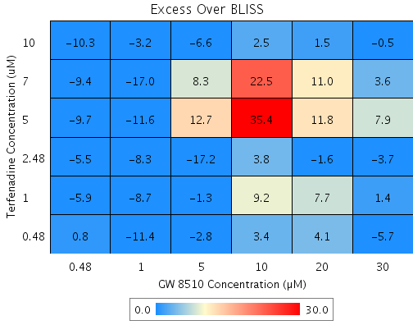
Drug1 | Drug1Conc | Drug1_NPI | Drug2 | Drug2Conc | Drug2_NPI | Sci_WellID | PredictedInhibition | ObservedInhibition | Excess Over BLISS | Excess Over BLISS Error | Excess Over BLISS Error Percent
Terfenadine | 10 | 94.5 | GW 8510 | 30 | 82.4 | C5 | 99.039 | 98.6 | -0.5 | 1.924 | 420.29
Terfenadine | 10 | 94.5 | GW 8510 | 20 | 53.6 | F6 | 97.471 | 99 | 1.5 | 4.4199 | 294.04
Terfenadine | 10 | 94.5 | GW 8510 | 10 | 13.2 | F8 | 95.267 | 97.7 | 2.5 | 5.1467 | 209.34
Terfenadine | 10 | 94.5 | GW 8510 | 5 | 19.2 | D10 | 95.596 | 89 | -6.6 | 1.5857 | 24.015
Terfenadine | 10 | 94.5 | GW 8510 | 1 | -5.2 | B7 | 94.262 | 91.1 | -3.2 | 3.1322 | 98.946
Terfenadine | 10 | 94.5 | GW 8510 | 0.48 | -2.2 | C6 | 94.428 | 84.1 | -10.3 | 7.7553 | 75.37
Terfenadine | 7 | 53.3 | GW 8510 | 30 | 82.4 | B2 | 91.769 | 95.3 | 3.6 | 21.838 | 613.73
Terfenadine | 7 | 53.3 | GW 8510 | 20 | 53.6 | G5 | 78.34 | 89.4 | 11 | 19.607 | 178.02
Terfenadine | 7 | 53.3 | GW 8510 | 10 | 13.2 | D2 | 59.456 | 82 | 22.5 | 17.808 | 79.141
Terfenadine | 7 | 53.3 | GW 8510 | 5 | 19.2 | B4 | 62.274 | 70.6 | 8.3 | 18.169 | 218.3
Terfenadine | 7 | 53.3 | GW 8510 | 1 | -5.2 | E4 | 50.851 | 33.9 | -17 | 18.605 | 109.56
Terfenadine | 7 | 53.3 | GW 8510 | 0.48 | -2.2 | D5 | 52.268 | 42.9 | -9.4 | 19.111 | 203.87
Terfenadine | 5 | 13.1 | GW 8510 | 30 | 82.4 | D3 | 84.676 | 92.6 | 7.9 | 6.0266 | 75.916
Terfenadine | 5 | 13.1 | GW 8510 | 20 | 53.6 | G10 | 59.674 | 71.5 | 11.8 | 9.4322 | 79.855
Terfenadine | 5 | 13.1 | GW 8510 | 10 | 13.2 | F2 | 24.516 | 59.9 | 35.4 | 10.436 | 29.503
Terfenadine | 5 | 13.1 | GW 8510 | 5 | 19.2 | E8 | 29.764 | 42.5 | 12.7 | 6.5266 | 51.319
Terfenadine | 5 | 13.1 | GW 8510 | 1 | -5.2 | C10 | 8.4969 | -3.1 | -11.6 | 5.6082 | 48.454
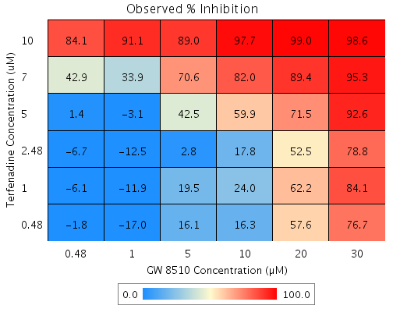
Terfenadine | 5 | 13.1 | GW 8510 | 0.48 | -2.2 | E5 | 11.135 | 1.4 | -9.7 | 5.6464 | 58.296
Terfenadine | 2.48 | 1 | GW 8510 | 30 | 82.4 | B5 | 82.544 | 78.8 | -3.7 | 7.0193 | 189.62
Terfenadine | 2.48 | 1 | GW 8510 | 20 | 53.6 | D7 | 54.064 | 52.5 | -1.6 | 6.9654 | 433.83
Terfenadine | 2.48 | 1 | GW 8510 | 10 | 13.2 | G8 | 14.015 | 17.8 | 3.8 | 9.036 | 240.38
Terfenadine | 2.48 | 1 | GW 8510 | 5 | 19.2 | G7 | 19.992 | 2.8 | -17.2 | 8.0949 | 47.137
Terfenadine | 2.48 | 1 | GW 8510 | 1 | -5.2 | D9 | -4.2338 | -12.5 | -8.3 | 6.1799 | 74.764
Terfenadine | 2.48 | 1 | GW 8510 | 0.48 | -2.2 | B8 | -1.2291 | -6.7 | -5.5 | 6.477 | 117.39
Terfenadine | 1 | 1.9 | GW 8510 | 30 | 82.4 | C4 | 82.715 | 84.1 | 1.4 | 1.6954 | 118.28
Terfenadine | 1 | 1.9 | GW 8510 | 20 | 53.6 | D8 | 54.512 | 62.2 | 7.7 | 3.8025 | 49.422
Terfenadine | 1 | 1.9 | GW 8510 | 10 | 13.2 | B6 | 14.854 | 24 | 9.2 | 4.6809 | 51.086
Terfenadine | 1 | 1.9 | GW 8510 | 5 | 19.2 | F10 | 20.773 | 19.5 | -1.3 | 4.4165 | 334.05
Terfenadine | 1 | 1.9 | GW 8510 | 1 | -5.2 | G6 | -3.2165 | -11.9 | -8.7 | 6.6324 | 76.045
Terfenadine | 1 | 1.9 | GW 8510 | 0.48 | -2.2 | E3 | -0.24109 | -6.1 | -5.9 | 6.3946 | 108.69
Terfenadine | 0.48 | -0.3 | GW 8510 | 30 | 82.4 | G2 | 82.315 | 76.7 | -5.7 | 3.8636 | 68.222
Terfenadine | 0.48 | -0.3 | GW 8510 | 20 | 53.6 | E7 | 53.46 | 57.6 | 4.1 | 4.025 | 97.88
Terfenadine | 0.48 | -0.3 | GW 8510 | 10 | 13.2 | E2 | 12.885 | 16.3 | 3.4 | 5.0058 | 146.03
Terfenadine | 0.48 | -0.3 | GW 8510 | 5 | 19.2 | C2 | 18.941 | 16.1 | -2.8 | 1.8555 | 65.124
Terfenadine | 0.48 | -0.3 | GW 8510 | 1 | -5.2 | G3 | -5.6032 | -17 | -11.4 | 5.0924 | 44.737
Terfenadine | 0.48 | -0.3 | GW 8510 | 0.48 | -2.2 | C9 | -2.559 | -1.8 | 0.8 | 1.1556 | 150.23

Withaferin A vs. Sanguinarine
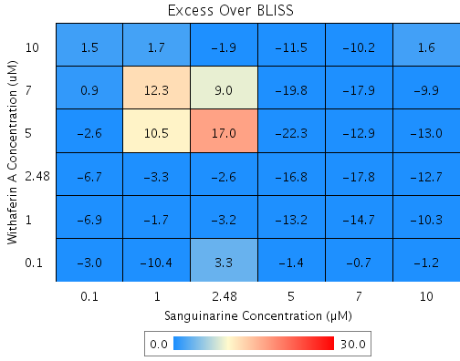
Drug1 | Drug1Conc | Drug1_NPI | Drug2 | Drug2Conc | Drug2_NPI | Sci_WellID | PredictedInhibition | ObservedInhibition | Excess Over BLISS | Excess Over BLISS Error | Excess Over BLISS Error Percent
Withaferin A | 10 | 79.7 | Sanguinarine | 10 | 82.5 | G3 | 96.464 | 98.1 | 1.6 | 2.0644 | 126.49
Withaferin A | 10 | 79.7 | Sanguinarine | 7 | 84.8 | C3 | 96.916 | 86.7 | -10.2 | 4.4178 | 43.37
Withaferin A | 10 | 79.7 | Sanguinarine | 5 | 78.4 | E3 | 95.624 | 84.1 | -11.5 | 1.2818 | 11.156
Withaferin A | 10 | 79.7 | Sanguinarine | 2.48 | 26 | B6 | 85.007 | 83.1 | -1.9 | 3.1258 | 161.44
Withaferin A | 10 | 79.7 | Sanguinarine | 1 | 3.1 | F10 | 80.368 | 82 | 1.7 | 3.3113 | 199.85
Withaferin A | 10 | 79.7 | Sanguinarine | 0.1 | 2.7 | C2 | 80.302 | 81.8 | 1.5 | 1.0178 | 68.829
Withaferin A | 7 | 55.4 | Sanguinarine | 10 | 82.5 | C8 | 92.214 | 82.3 | -9.9 | 12.165 | 123.02
Withaferin A | 7 | 55.4 | Sanguinarine | 7 | 84.8 | F6 | 93.209 | 75.3 | -17.9 | 10.937 | 61.071
Withaferin A | 7 | 55.4 | Sanguinarine | 5 | 78.4 | F3 | 90.363 | 70.6 | -19.8 | 9.5787 | 48.465
Withaferin A | 7 | 55.4 | Sanguinarine | 2.48 | 26 | F7 | 66.984 | 75.9 | 9 | 8.2717 | 92.336
Withaferin A | 7 | 55.4 | Sanguinarine | 1 | 3.1 | B5 | 56.769 | 69.1 | 12.3 | 8.1739 | 66.34
Withaferin A | 7 | 55.4 | Sanguinarine | 0.1 | 2.7 | D3 | 56.624 | 57.5 | 0.9 | 10.935 | 1205.3
Withaferin A | 5 | 16.4 | Sanguinarine | 10 | 82.5 | C10 | 85.402 | 72.4 | -13 | 6.6179 | 51.074
Withaferin A | 5 | 16.4 | Sanguinarine | 7 | 84.8 | B2 | 87.267 | 74.3 | -12.9 | 4.1511 | 32.124
Withaferin A | 5 | 16.4 | Sanguinarine | 5 | 78.4 | E5 | 81.931 | 59.6 | -22.3 | 5.7585 | 25.831
Withaferin A | 5 | 16.4 | Sanguinarine | 2.48 | 26 | E9 | 38.098 | 55.1 | 17 | 3.9122 | 23.052
Withaferin A | 5 | 16.4 | Sanguinarine | 1 | 3.1 | B8 | 18.944 | 29.4 | 10.5 | 6.7544 | 64.608
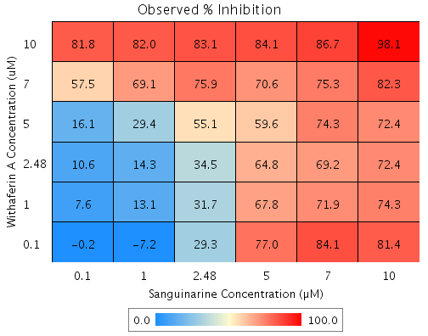
Withaferin A | 5 | 16.4 | Sanguinarine | 0.1 | 2.7 | E6 | 18.672 | 16.1 | -2.6 | 3.0382 | 116.12
Withaferin A | 2.48 | 15 | Sanguinarine | 10 | 82.5 | D5 | 85.161 | 72.4 | -12.7 | 5.5758 | 43.74
Withaferin A | 2.48 | 15 | Sanguinarine | 7 | 84.8 | C7 | 87.057 | 69.2 | -17.8 | 3.5874 | 20.115
Withaferin A | 2.48 | 15 | Sanguinarine | 5 | 78.4 | B7 | 81.632 | 64.8 | -16.8 | 3.5632 | 21.218
Withaferin A | 2.48 | 15 | Sanguinarine | 2.48 | 26 | F5 | 37.076 | 34.5 | -2.6 | 3.7429 | 145.19
Withaferin A | 2.48 | 15 | Sanguinarine | 1 | 3.1 | C5 | 17.606 | 14.3 | -3.3 | 11.27 | 336.89
Withaferin A | 2.48 | 15 | Sanguinarine | 0.1 | 2.7 | G9 | 17.33 | 10.6 | -6.7 | 3.1174 | 46.23
Withaferin A | 1 | 12 | Sanguinarine | 10 | 82.5 | G5 | 84.645 | 74.3 | -10.3 | 2.2002 | 21.288
Withaferin A | 1 | 12 | Sanguinarine | 7 | 84.8 | G4 | 86.607 | 71.9 | -14.7 | 1.1304 | 7.6969
Withaferin A | 1 | 12 | Sanguinarine | 5 | 78.4 | G8 | 80.994 | 67.8 | -13.2 | 1.3135 | 9.9598
Withaferin A | 1 | 12 | Sanguinarine | 2.48 | 26 | D7 | 34.889 | 31.7 | -3.2 | 3.2755 | 102.03
Withaferin A | 1 | 12 | Sanguinarine | 1 | 3.1 | G6 | 14.742 | 13.1 | -1.7 | 3.8727 | 229.6
Withaferin A | 1 | 12 | Sanguinarine | 0.1 | 2.7 | F9 | 14.456 | 7.6 | -6.9 | 1.2884 | 18.727
Withaferin A | 0.1 | 0.1 | Sanguinarine | 10 | 82.5 | E7 | 82.557 | 81.4 | -1.2 | 2.0916 | 178.42
Withaferin A | 0.1 | 0.1 | Sanguinarine | 7 | 84.8 | F8 | 84.787 | 84.1 | -0.7 | 2.3124 | 351.82
Withaferin A | 0.1 | 0.1 | Sanguinarine | 5 | 78.4 | F4 | 78.41 | 77 | -1.4 | 1.2423 | 87.923
Withaferin A | 0.1 | 0.1 | Sanguinarine | 2.48 | 26 | B9 | 26.037 | 29.3 | 3.3 | 6.3135 | 192.97
Withaferin A | 0.1 | 0.1 | Sanguinarine | 1 | 3.1 | C4 | 3.151 | -7.2 | -10.4 | 6.8656 | 66.036
Withaferin A | 0.1 | 0.1 | Sanguinarine | 0.1 | 2.7 | E2 | 2.8264 | -0.2 | -3 | 1.8597 | 61.507

