Mitoxanthrone vs. Mefloquine
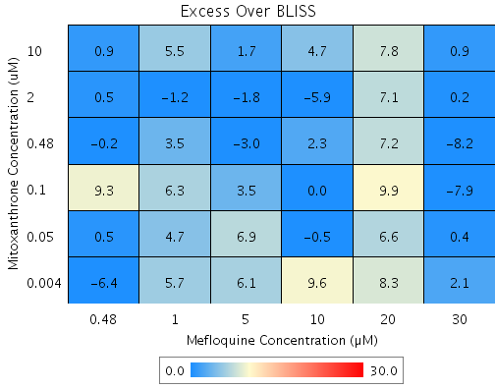
Drug1 | Drug1Conc | Drug1_NPI | Drug2 | Drug2Conc | Drug2_NPI | Sci_WellID | PredictedInhibition | ObservedInhibition | Excess Over BLISS | Excess Over BLISS Error | Excess Over BLISS Error Percent
Mitoxanthrone | 10 | 71.9 | Mefloquine | 30 | 96.3 | C7 | 98.958 | 99.8 | 0.9 | 4.0704 | 467.72
Mitoxanthrone | 10 | 71.9 | Mefloquine | 20 | 47.2 | F6 | 85.144 | 92.9 | 7.8 | 6.0234 | 77.699
Mitoxanthrone | 10 | 71.9 | Mefloquine | 10 | -8.5 | B4 | 69.487 | 74.2 | 4.7 | 6.3431 | 133.63
Mitoxanthrone | 10 | 71.9 | Mefloquine | 5 | -7.1 | F8 | 69.898 | 71.6 | 1.7 | 5.7328 | 328.17
Mitoxanthrone | 10 | 71.9 | Mefloquine | 1 | -5.2 | B2 | 70.423 | 75.9 | 5.5 | 4.4205 | 80.744
Mitoxanthrone | 10 | 71.9 | Mefloquine | 0.48 | -3.7 | E3 | 70.837 | 71.7 | 0.9 | 4.922 | 567.46
Mitoxanthrone | 2 | 39.5 | Mefloquine | 30 | 96.3 | C3 | 97.757 | 97.9 | 0.2 | 4.6576 | 2982.7
Mitoxanthrone | 2 | 39.5 | Mefloquine | 20 | 47.2 | B9 | 68.031 | 75.1 | 7.1 | 6.6999 | 94.89
Mitoxanthrone | 2 | 39.5 | Mefloquine | 10 | -8.5 | E5 | 34.336 | 28.5 | -5.9 | 7.463 | 127.56
Mitoxanthrone | 2 | 39.5 | Mefloquine | 5 | -7.1 | E4 | 35.221 | 33.4 | -1.8 | 7.6279 | 414.24
Mitoxanthrone | 2 | 39.5 | Mefloquine | 1 | -5.2 | C10 | 36.351 | 35.1 | -1.2 | 4.5106 | 372.79
Mitoxanthrone | 2 | 39.5 | Mefloquine | 0.48 | -3.7 | F4 | 37.242 | 37.7 | 0.5 | 5.8672 | 1264.5
Mitoxanthrone | 0.48 | 4.4 | Mefloquine | 30 | 96.3 | G5 | 96.455 | 88.2 | -8.2 | 10.671 | 129.48
Mitoxanthrone | 0.48 | 4.4 | Mefloquine | 20 | 47.2 | D8 | 49.477 | 56.7 | 7.2 | 7.5693 | 104.71
Mitoxanthrone | 0.48 | 4.4 | Mefloquine | 10 | -8.5 | G6 | -3.7733 | -1.5 | 2.3 | 8.4226 | 370.32
Mitoxanthrone | 0.48 | 4.4 | Mefloquine | 5 | -7.1 | B8 | -2.375 | -5.4 | -3 | 7.4391 | 244.37
Mitoxanthrone | 0.48 | 4.4 | Mefloquine | 1 | -5.2 | D6 | -0.58869 | 2.9 | 3.5 | 9.1782 | 262.53
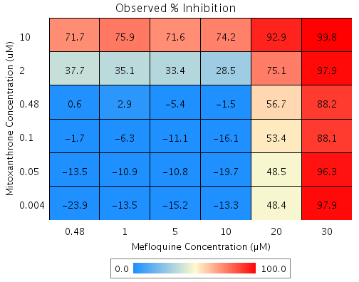
Mitoxanthrone | 0.48 | 4.4 | Mefloquine | 0.48 | -3.7 | B10 | 0.81864 | 0.6 | -0.2 | 7.1306 | 3108.4
Mitoxanthrone | 0.1 | -7 | Mefloquine | 30 | 96.3 | F5 | 96.032 | 88.1 | -7.9 | 10.945 | 138.36
Mitoxanthrone | 0.1 | -7 | Mefloquine | 20 | 47.2 | D7 | 43.451 | 53.4 | 9.9 | 8.5468 | 85.965
Mitoxanthrone | 0.1 | -7 | Mefloquine | 10 | -8.5 | E10 | -16.151 | -16.1 | 0 | 8.6053 | 29546
Mitoxanthrone | 0.1 | -7 | Mefloquine | 5 | -7.1 | D10 | -14.586 | -11.1 | 3.5 | 10.161 | 292.89
Mitoxanthrone | 0.1 | -7 | Mefloquine | 1 | -5.2 | B7 | -12.586 | -6.3 | 6.3 | 10.576 | 168.75
Mitoxanthrone | 0.1 | -7 | Mefloquine | 0.48 | -3.7 | G2 | -11.011 | -1.7 | 9.3 | 7.4215 | 79.639
Mitoxanthrone | 0.05 | -9.9 | Mefloquine | 30 | 96.3 | D9 | 95.926 | 96.3 | 0.4 | 9.7314 | 2458.4
Mitoxanthrone | 0.05 | -9.9 | Mefloquine | 20 | 47.2 | B3 | 41.935 | 48.5 | 6.6 | 9.8984 | 150.66
Mitoxanthrone | 0.05 | -9.9 | Mefloquine | 10 | -8.5 | G8 | -19.264 | -19.7 | -0.5 | 8.4048 | 1849.4
Mitoxanthrone | 0.05 | -9.9 | Mefloquine | 5 | -7.1 | F9 | -17.657 | -10.8 | 6.9 | 9.8046 | 142.94
Mitoxanthrone | 0.05 | -9.9 | Mefloquine | 1 | -5.2 | C2 | -15.604 | -10.9 | 4.7 | 9.5929 | 203.64
Mitoxanthrone | 0.05 | -9.9 | Mefloquine | 0.48 | -3.7 | E9 | -13.987 | -13.5 | 0.5 | 9.2424 | 1748.7
Mitoxanthrone | 0.004 | -13.3 | Mefloquine | 30 | 96.3 | G4 | 95.801 | 97.9 | 2.1 | 6.7382 | 325.28
Mitoxanthrone | 0.004 | -13.3 | Mefloquine | 20 | 47.2 | D5 | 40.157 | 48.4 | 8.3 | 8.986 | 108.78
Mitoxanthrone | 0.004 | -13.3 | Mefloquine | 10 | -8.5 | D4 | -22.916 | -13.3 | 9.6 | 9.0898 | 94.423
Mitoxanthrone | 0.004 | -13.3 | Mefloquine | 5 | -7.1 | G3 | -21.26 | -15.2 | 6.1 | 7.3294 | 121.07
Mitoxanthrone | 0.004 | -13.3 | Mefloquine | 1 | -5.2 | E6 | -19.144 | -13.5 | 5.7 | 7.0691 | 124.99
Mitoxanthrone | 0.004 | -13.3 | Mefloquine | 0.48 | -3.7 | C5 | -17.477 | -23.9 | -6.4 | 7.5095 | 116.98

Sanguinarine vs. Atovaquone
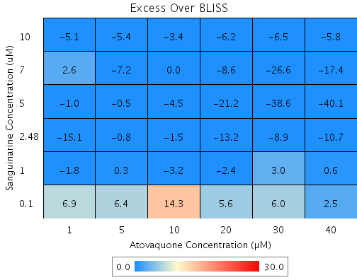
Drug1 | Drug1Conc | Drug1_NPI | Drug2 | Drug2Conc | Drug2_NPI | Sci_WellID | PredictedInhibition | ObservedInhibition | Excess Over BLISS | Excess Over BLISS Error
Sanguinarine | 10 | 87.3 | Atovaquone | 40 | 46.7 | B9 | 93.251 | 87.4 | -5.8 | 2.3857
Sanguinarine | 10 | 87.3 | Atovaquone | 30 | 46.4 | C10 | 93.222 | 86.7 | -6.5 | 2.2838
Sanguinarine | 10 | 87.3 | Atovaquone | 20 | 41.9 | E3 | 92.653 | 86.4 | -6.2 | 2.3243
Sanguinarine | 10 | 87.3 | Atovaquone | 10 | 11.6 | D9 | 88.808 | 85.4 | -3.4 | 4.029
Sanguinarine | 10 | 87.3 | Atovaquone | 5 | 3.4 | D7 | 87.778 | 82.4 | -5.4 | 2.2838
Sanguinarine | 10 | 87.3 | Atovaquone | 1 | 0.2 | C8 | 87.366 | 82.2 | -5.1 | 2.6654
Sanguinarine | 7 | 83.4 | Atovaquone | 40 | 46.7 | E10 | 91.121 | 73.8 | -17.4 | 6.7805
Sanguinarine | 7 | 83.4 | Atovaquone | 30 | 46.4 | G3 | 91.083 | 64.5 | -26.6 | 7.1996
Sanguinarine | 7 | 83.4 | Atovaquone | 20 | 41.9 | E9 | 90.335 | 81.7 | -8.6 | 4.7489
Sanguinarine | 7 | 83.4 | Atovaquone | 10 | 11.6 | D2 | 85.275 | 85.3 | 0 | 5.457
Sanguinarine | 7 | 83.4 | Atovaquone | 5 | 3.4 | G10 | 83.921 | 76.7 | -7.2 | 4.6414
Sanguinarine | 7 | 83.4 | Atovaquone | 1 | 0.2 | F6 | 83.379 | 85.9 | 2.6 | 4.4209
Sanguinarine | 5 | 76.1 | Atovaquone | 40 | 46.7 | F7 | 87.238 | 47.2 | -40.1 | 2.0307
Sanguinarine | 5 | 76.1 | Atovaquone | 30 | 46.4 | C9 | 87.183 | 48.6 | -38.6 | 2.617
Sanguinarine | 5 | 76.1 | Atovaquone | 20 | 41.9 | F5 | 86.108 | 64.9 | -21.2 | 1.1553
Sanguinarine | 5 | 76.1 | Atovaquone | 10 | 11.6 | B10 | 78.835 | 74.3 | -4.5 | 3.2576
Sanguinarine | 5 | 76.1 | Atovaquone | 5 | 3.4 | E6 | 76.889 | 76.4 | -0.5 | 1.2319
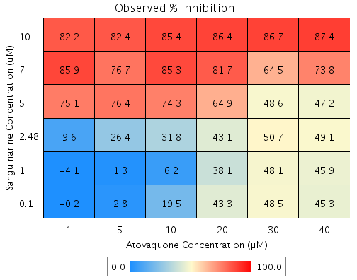
Sanguinarine | 5 | 76.1 | Atovaquone | 1 | 0.2 | B6 | 76.109 | 75.1 | -1 | 1.774
Sanguinarine | 2.48 | 24.6 | Atovaquone | 40 | 46.7 | F8 | 59.785 | 49.1 | -10.7 | 6.7989
Sanguinarine | 2.48 | 24.6 | Atovaquone | 30 | 46.4 | B4 | 59.611 | 50.7 | -8.9 | 6.8713
Sanguinarine | 2.48 | 24.6 | Atovaquone | 20 | 41.9 | C4 | 56.223 | 43.1 | -13.2 | 6.6132
Sanguinarine | 2.48 | 24.6 | Atovaquone | 10 | 11.6 | B7 | 33.306 | 31.8 | -1.5 | 8.7357
Sanguinarine | 2.48 | 24.6 | Atovaquone | 5 | 3.4 | C7 | 27.172 | 26.4 | -0.8 | 6.828
Sanguinarine | 2.48 | 24.6 | Atovaquone | 1 | 0.2 | G7 | 24.714 | 9.6 | -15.1 | 13.93
Sanguinarine | 1 | -2.5 | Atovaquone | 40 | 46.7 | G5 | 45.323 | 45.9 | 0.6 | 4.347
Sanguinarine | 1 | -2.5 | Atovaquone | 30 | 46.4 | B3 | 45.086 | 48.1 | 3 | 2.0351
Sanguinarine | 1 | -2.5 | Atovaquone | 20 | 41.9 | G2 | 40.48 | 38.1 | -2.4 | 3.5937
Sanguinarine | 1 | -2.5 | Atovaquone | 10 | 11.6 | G4 | 9.3212 | 6.2 | -3.2 | 9.1212
Sanguinarine | 1 | -2.5 | Atovaquone | 5 | 3.4 | B2 | 0.98056 | 1.3 | 0.3 | 1.8587
Sanguinarine | 1 | -2.5 | Atovaquone | 1 | 0.2 | C6 | -2.3605 | -4.1 | -1.8 | 2.1133
Sanguinarine | 0.1 | -7.3 | Atovaquone | 40 | 46.7 | D4 | 42.799 | 45.3 | 2.5 | 6.7753
Sanguinarine | 0.1 | -7.3 | Atovaquone | 30 | 46.4 | F2 | 42.552 | 48.5 | 6 | 6.8635
Sanguinarine | 0.1 | -7.3 | Atovaquone | 20 | 41.9 | B8 | 37.733 | 43.3 | 5.6 | 6.6846
Sanguinarine | 0.1 | -7.3 | Atovaquone | 10 | 11.6 | D10 | 5.1354 | 19.5 | 14.3 | 6.9879
Sanguinarine | 0.1 | -7.3 | Atovaquone | 5 | 3.4 | F10 | -3.5903 | 2.8 | 6.4 | 6.1421

Withaferin A vs. Emetine
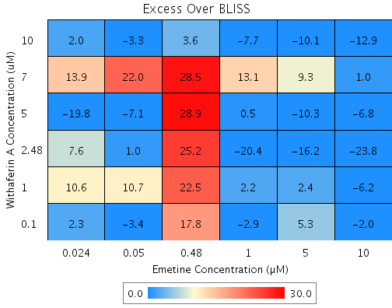
Drug1 | Drug1Conc | Drug1_NPI | Drug2 | Drug2Conc | Drug2_NPI | Sci_WellID | PredictedInhibition | ObservedInhibition | Excess Over BLISS | Excess Over BLISS Error | Excess Over BLISS Error Percent
Withaferin A | 10 | 60.1 | Emetine | 10 | 60.6 | D2 | 84.261 | 71.3 | -12.9 | 2.8943 | 22.376
Withaferin A | 10 | 60.1 | Emetine | 5 | 48.9 | B5 | 79.592 | 69.5 | -10.1 | 3.6357 | 36.068
Withaferin A | 10 | 60.1 | Emetine | 1 | 30.9 | B2 | 72.416 | 64.7 | -7.7 | 3.2399 | 42.136
Withaferin A | 10 | 60.1 | Emetine | 0.48 | 5.3 | D10 | 62.166 | 65.7 | 3.6 | 6.4678 | 181.6
Withaferin A | 10 | 60.1 | Emetine | 0.05 | -2.1 | G10 | 59.222 | 55.9 | -3.3 | 5.3729 | 162.28
Withaferin A | 10 | 60.1 | Emetine | 0.024 | -1.1 | E2 | 59.633 | 61.6 | 2 | 3.5265 | 179.79
Withaferin A | 7 | 4.9 | Emetine | 10 | 60.6 | D4 | 62.51 | 63.5 | 1 | 6.0991 | 631.21
Withaferin A | 7 | 4.9 | Emetine | 5 | 48.9 | C8 | 51.39 | 60.7 | 9.3 | 7.2425 | 77.882
Withaferin A | 7 | 4.9 | Emetine | 1 | 30.9 | G8 | 34.296 | 47.4 | 13.1 | 8.0756 | 61.614
Withaferin A | 7 | 4.9 | Emetine | 0.48 | 5.3 | F2 | 9.88 | 38.4 | 28.5 | 12.775 | 44.83
Withaferin A | 7 | 4.9 | Emetine | 0.05 | -2.1 | E9 | 2.8673 | 24.8 | 22 | 8.4333 | 38.402
Withaferin A | 7 | 4.9 | Emetine | 0.024 | -1.1 | B6 | 3.8474 | 17.8 | 13.9 | 8.4137 | 60.489
Withaferin A | 5 | -12 | Emetine | 10 | 60.6 | F4 | 55.869 | 49.1 | -6.8 | 3.1575 | 46.508
Withaferin A | 5 | -12 | Emetine | 5 | 48.9 | E5 | 42.78 | 32.5 | -10.3 | 7.9721 | 77.566
Withaferin A | 5 | -12 | Emetine | 1 | 30.9 | E4 | 22.658 | 23.2 | 0.5 | 10.031 | 1903.4
Withaferin A | 5 | -12 | Emetine | 0.48 | 5.3 | F10 | -6.083 | 22.8 | 28.9 | 6.6836 | 23.157
Withaferin A | 5 | -12 | Emetine | 0.05 | -2.1 | F7 | -14.338 | -21.4 | -7.1 | 9.7766 | 137.53
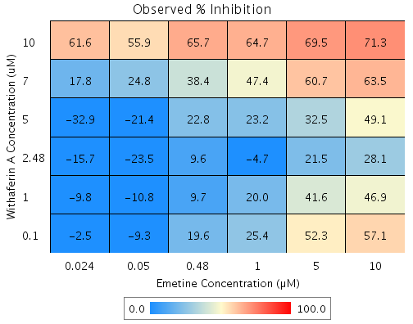
Withaferin A | 5 | -12 | Emetine | 0.024 | -1.1 | G2 | -13.184 | -32.9 | -19.8 | 4.3369 | 21.945
Withaferin A | 2.48 | -22 | Emetine | 10 | 60.6 | F5 | 51.931 | 28.1 | -23.8 | 7.1853 | 30.129
Withaferin A | 2.48 | -22 | Emetine | 5 | 48.9 | D7 | 37.674 | 21.5 | -16.2 | 8.356 | 51.706
Withaferin A | 2.48 | -22 | Emetine | 1 | 30.9 | G6 | 15.757 | -4.7 | -20.4 | 9.6854 | 47.409
Withaferin A | 2.48 | -22 | Emetine | 0.48 | 5.3 | B7 | -15.549 | 9.6 | 25.2 | 8.3623 | 33.205
Withaferin A | 2.48 | -22 | Emetine | 0.05 | -2.1 | F8 | -24.54 | -23.5 | 1 | 10.66 | 1063.2
Withaferin A | 2.48 | -22 | Emetine | 0.024 | -1.1 | F6 | -23.284 | -15.7 | 7.6 | 6.4173 | 84.658
Withaferin A | 1 | -19.1 | Emetine | 10 | 60.6 | E10 | 53.076 | 46.9 | -6.2 | 9.8357 | 158.59
Withaferin A | 1 | -19.1 | Emetine | 5 | 48.9 | D8 | 39.158 | 41.6 | 2.4 | 9.6211 | 395.81
Withaferin A | 1 | -19.1 | Emetine | 1 | 30.9 | B8 | 17.763 | 20 | 2.2 | 9.2932 | 420.84
Withaferin A | 1 | -19.1 | Emetine | 0.48 | 5.3 | F3 | -12.797 | 9.7 | 22.5 | 10.143 | 45.094
Withaferin A | 1 | -19.1 | Emetine | 0.05 | -2.1 | B4 | -21.574 | -10.8 | 10.7 | 8.3384 | 77.596
Withaferin A | 1 | -19.1 | Emetine | 0.024 | -1.1 | C7 | -20.347 | -9.8 | 10.6 | 8.6948 | 82.265
Withaferin A | 0.1 | -3.7 | Emetine | 10 | 60.6 | B9 | 59.118 | 57.1 | -2 | 1.6162 | 81.672
Withaferin A | 0.1 | -3.7 | Emetine | 5 | 48.9 | C9 | 46.992 | 52.3 | 5.3 | 2.7818 | 52.473
Withaferin A | 0.1 | -3.7 | Emetine | 1 | 30.9 | C3 | 28.352 | 25.4 | -2.9 | 2.5382 | 86.652
Withaferin A | 0.1 | -3.7 | Emetine | 0.48 | 5.3 | D9 | 1.7272 | 19.6 | 17.8 | 5.5435 | 31.057
Withaferin A | 0.1 | -3.7 | Emetine | 0.05 | -2.1 | G9 | -5.92 | -9.3 | -3.4 | 5.4396 | 161.64
Withaferin A | 0.1 | -3.7 | Emetine | 0.024 | -1.1 | C2 | -4.8511 | -2.5 | 2.3 | 1.5236 | 65.576

Withaferin A vs. Mitoxanthrone
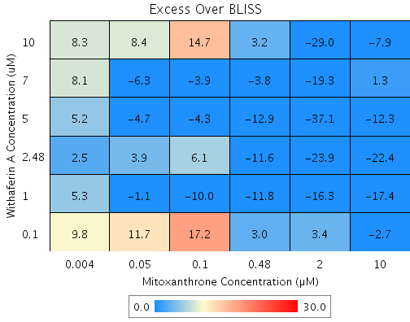
Drug1 | Drug1Conc | Drug1_NPI | Drug2 | Drug2Conc | Drug2_NPI | Sci_WellID | PredictedInhibition | ObservedInhibition | Excess Over BLISS | Excess Over BLISS Error | Excess Over BLISS Error Percent
Withaferin A | 10 | 52 | Mitoxanthrone | 10 | 76.5 | B7 | 88.732 | 80.8 | -7.9 | 11.807 | 148.98
Withaferin A | 10 | 52 | Mitoxanthrone | 2 | 48.3 | C8 | 75.169 | 46.2 | -29 | 20.684 | 71.392
Withaferin A | 10 | 52 | Mitoxanthrone | 0.48 | 13.1 | C4 | 58.263 | 61.4 | 3.2 | 12.085 | 379.49
Withaferin A | 10 | 52 | Mitoxanthrone | 0.1 | -7.9 | B2 | 48.155 | 62.8 | 14.7 | 15.424 | 105.17
Withaferin A | 10 | 52 | Mitoxanthrone | 0.05 | -5.1 | E6 | 49.528 | 57.9 | 8.4 | 10.619 | 126.27
Withaferin A | 10 | 52 | Mitoxanthrone | 0.004 | -6.5 | D2 | 48.829 | 57.1 | 8.3 | 11.966 | 144.97
Withaferin A | 7 | 26.6 | Mitoxanthrone | 10 | 76.5 | D6 | 82.788 | 84.1 | 1.3 | 17.875 | 1329.8
Withaferin A | 7 | 26.6 | Mitoxanthrone | 2 | 48.3 | E4 | 62.07 | 42.8 | -19.3 | 19.861 | 103.12
Withaferin A | 7 | 26.6 | Mitoxanthrone | 0.48 | 13.1 | B6 | 36.245 | 32.5 | -3.8 | 29.51 | 786.5
Withaferin A | 7 | 26.6 | Mitoxanthrone | 0.1 | -7.9 | C7 | 20.804 | 16.9 | -3.9 | 22.444 | 580.52
Withaferin A | 7 | 26.6 | Mitoxanthrone | 0.05 | -5.1 | C2 | 22.902 | 16.6 | -6.3 | 19.283 | 304.45
Withaferin A | 7 | 26.6 | Mitoxanthrone | 0.004 | -6.5 | C9 | 21.834 | 29.9 | 8.1 | 20.709 | 255.43
Withaferin A | 5 | 7.4 | Mitoxanthrone | 10 | 76.5 | D8 | 78.268 | 66 | -12.3 | 16.55 | 134.71
Withaferin A | 5 | 7.4 | Mitoxanthrone | 2 | 48.3 | G3 | 52.111 | 15 | -37.1 | 12.165 | 32.775
Withaferin A | 5 | 7.4 | Mitoxanthrone | 0.48 | 13.1 | B5 | 19.505 | 6.6 | -12.9 | 12.402 | 96.084
Withaferin A | 5 | 7.4 | Mitoxanthrone | 0.1 | -7.9 | C5 | 0.0092611 | -4.3 | -4.3 | 15.237 | 353.64
Withaferin A | 5 | 7.4 | Mitoxanthrone | 0.05 | -5.1 | C10 | 2.6577 | -2.1 | -4.7 | 11.029 | 232.95
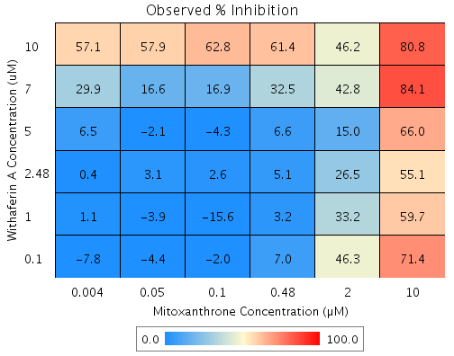
Withaferin A | 5 | 7.4 | Mitoxanthrone | 0.004 | -6.5 | B3 | 1.3094 | 6.5 | 5.2 | 12.086 | 233.37
Withaferin A | 2.48 | 4.1 | Mitoxanthrone | 10 | 76.5 | E5 | 77.505 | 55.1 | -22.4 | 8.7363 | 38.966
Withaferin A | 2.48 | 4.1 | Mitoxanthrone | 2 | 48.3 | E2 | 50.43 | 26.5 | -23.9 | 6.3533 | 26.566
Withaferin A | 2.48 | 4.1 | Mitoxanthrone | 0.48 | 13.1 | D3 | 16.679 | 5.1 | -11.6 | 5.1457 | 44.249
Withaferin A | 2.48 | 4.1 | Mitoxanthrone | 0.1 | -7.9 | G4 | -3.5 | 2.6 | 6.1 | 11.237 | 185.07
Withaferin A | 2.48 | 4.1 | Mitoxanthrone | 0.05 | -5.1 | C6 | -0.75862 | 3.1 | 3.9 | 5.4362 | 139.61
Withaferin A | 2.48 | 4.1 | Mitoxanthrone | 0.004 | -6.5 | B10 | -2.1543 | 0.4 | 2.5 | 13.922 | 552.05
Withaferin A | 1 | 2.2 | Mitoxanthrone | 10 | 76.5 | F3 | 77.054 | 59.7 | -17.4 | 9.1552 | 52.74
Withaferin A | 1 | 2.2 | Mitoxanthrone | 2 | 48.3 | D4 | 49.434 | 33.2 | -16.3 | 9.5435 | 58.694
Withaferin A | 1 | 2.2 | Mitoxanthrone | 0.48 | 13.1 | F4 | 15.005 | 3.2 | -11.8 | 8.1159 | 69.03
Withaferin A | 1 | 2.2 | Mitoxanthrone | 0.1 | -7.9 | G5 | -5.5796 | -15.6 | -10 | 15.855 | 158.03
Withaferin A | 1 | 2.2 | Mitoxanthrone | 0.05 | -5.1 | F7 | -2.7831 | -3.9 | -1.1 | 6.5986 | 598.25
Withaferin A | 1 | 2.2 | Mitoxanthrone | 0.004 | -6.5 | F2 | -4.2068 | 1.1 | 5.3 | 6.4521 | 121.2
Withaferin A | 0.1 | -10.4 | Mitoxanthrone | 10 | 76.5 | G7 | 74.098 | 71.4 | -2.7 | 9.3258 | 341.97
Withaferin A | 0.1 | -10.4 | Mitoxanthrone | 2 | 48.3 | F9 | 42.922 | 46.3 | 3.4 | 9.0688 | 268.03
Withaferin A | 0.1 | -10.4 | Mitoxanthrone | 0.48 | 13.1 | F6 | 4.059 | 7 | 3 | 8.3258 | 282.15
Withaferin A | 0.1 | -10.4 | Mitoxanthrone | 0.1 | -7.9 | G8 | -19.177 | -2 | 17.2 | 12.653 | 73.512
Withaferin A | 0.1 | -10.4 | Mitoxanthrone | 0.05 | -5.1 | D9 | -16.02 | -4.4 | 11.7 | 8.3434 | 71.601
Withaferin A | 0.1 | -10.4 | Mitoxanthrone | 0.004 | -6.5 | E3 | -17.627 | -7.8 | 9.8 | 7.3908 | 75.326

Imatinib vs. Emetine
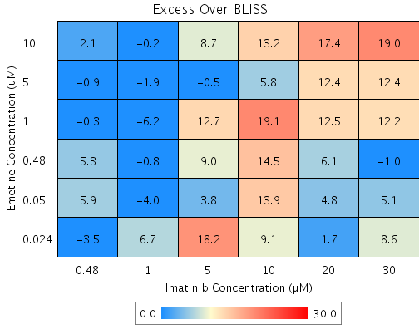
Drug1 | Drug1Conc | Drug1_NPI | Drug2 | Drug2Conc | Drug2_NPI | Sci_WellID | PredictedInhibition | ObservedInhibition | Excess Over BLISS | Excess Over BLISS Error | Excess Over BLISS Error Percent
Emetine | 10 | 66.3 | Imatinib | 30 | 14.2 | C5 | 71.075 | 90 | 19 | 3.3589 | 17.719
Emetine | 10 | 66.3 | Imatinib | 20 | 0.3 | C2 | 66.358 | 83.8 | 17.4 | 3.5384 | 20.279
Emetine | 10 | 66.3 | Imatinib | 10 | -14.5 | D5 | 61.389 | 74.6 | 13.2 | 12.129 | 91.744
Emetine | 10 | 66.3 | Imatinib | 5 | -10.2 | C3 | 62.828 | 71.6 | 8.7 | 11.928 | 136.33
Emetine | 10 | 66.3 | Imatinib | 1 | 1.7 | E7 | 66.829 | 66.6 | -0.2 | 5.6018 | 2881.9
Emetine | 10 | 66.3 | Imatinib | 0.48 | -6.6 | F9 | 64.035 | 66.1 | 2.1 | 6.873 | 325.34
Emetine | 5 | 67.9 | Imatinib | 30 | 14.2 | F8 | 72.476 | 84.9 | 12.4 | 4.2514 | 34.203
Emetine | 5 | 67.9 | Imatinib | 20 | 0.3 | F7 | 67.987 | 80.4 | 12.4 | 4.2597 | 34.257
Emetine | 5 | 67.9 | Imatinib | 10 | -14.5 | G10 | 63.259 | 69 | 5.8 | 13.354 | 231.41
Emetine | 5 | 67.9 | Imatinib | 5 | -10.2 | F4 | 64.628 | 64.1 | -0.5 | 12.013 | 2456.2
Emetine | 5 | 67.9 | Imatinib | 1 | 1.7 | E6 | 68.436 | 66.5 | -1.9 | 4.8421 | 252.59
Emetine | 5 | 67.9 | Imatinib | 0.48 | -6.6 | B5 | 65.777 | 64.9 | -0.9 | 7.1781 | 794.5
Emetine | 1 | 42 | Imatinib | 30 | 14.2 | E5 | 50.241 | 62.4 | 12.2 | 6.8393 | 56.144
Emetine | 1 | 42 | Imatinib | 20 | 0.3 | D6 | 42.125 | 54.6 | 12.5 | 5.2232 | 41.814
Emetine | 1 | 42 | Imatinib | 10 | -14.5 | D3 | 33.577 | 52.7 | 19.1 | 11.454 | 59.945
Emetine | 1 | 42 | Imatinib | 5 | -10.2 | B8 | 36.053 | 48.8 | 12.7 | 11.42 | 89.942
Emetine | 1 | 42 | Imatinib | 1 | 1.7 | F6 | 42.936 | 36.8 | -6.2 | 5.2307 | 84.659
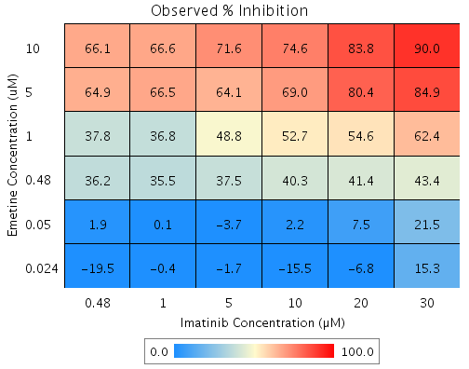
Emetine | 1 | 42 | Imatinib | 0.48 | -6.6 | G9 | 38.129 | 37.8 | -0.3 | 9.8554 | 2931.1
Emetine | 0.48 | 35.2 | Imatinib | 30 | 14.2 | G6 | 44.421 | 43.4 | -1 | 9.4973 | 941.46
Emetine | 0.48 | 35.2 | Imatinib | 20 | 0.3 | E2 | 35.356 | 41.4 | 6.1 | 4.7581 | 78.126
Emetine | 0.48 | 35.2 | Imatinib | 10 | -14.5 | F10 | 25.809 | 40.3 | 14.5 | 10.824 | 74.645
Emetine | 0.48 | 35.2 | Imatinib | 5 | -10.2 | F5 | 28.574 | 37.5 | 9 | 11.007 | 122.79
Emetine | 0.48 | 35.2 | Imatinib | 1 | 1.7 | E4 | 36.262 | 35.5 | -0.8 | 4.1838 | 527.07
Emetine | 0.48 | 35.2 | Imatinib | 0.48 | -6.6 | D9 | 30.892 | 36.2 | 5.3 | 6.0819 | 114.49
Emetine | 0.05 | 2.5 | Imatinib | 30 | 14.2 | C9 | 16.363 | 21.5 | 5.1 | 5.9612 | 116.6
Emetine | 0.05 | 2.5 | Imatinib | 20 | 0.3 | E9 | 2.7219 | 7.5 | 4.8 | 3.3303 | 69.616
Emetine | 0.05 | 2.5 | Imatinib | 10 | -14.5 | B7 | -11.646 | 2.2 | 13.9 | 9.9858 | 72.054
Emetine | 0.05 | 2.5 | Imatinib | 5 | -10.2 | F3 | -7.4849 | -3.7 | 3.8 | 9.9376 | 263.34
Emetine | 0.05 | 2.5 | Imatinib | 1 | 1.7 | C4 | 4.0854 | 0.1 | -4 | 4.1487 | 103.38
Emetine | 0.05 | 2.5 | Imatinib | 0.48 | -6.6 | B2 | -3.9957 | 1.9 | 5.9 | 6.1557 | 103.72
Emetine | 0.024 | -8.8 | Imatinib | 30 | 14.2 | B6 | 6.6742 | 15.3 | 8.6 | 9.6171 | 111.62
Emetine | 0.024 | -8.8 | Imatinib | 20 | 0.3 | G7 | -8.5472 | -6.8 | 1.7 | 14.129 | 827.98
Emetine | 0.024 | -8.8 | Imatinib | 10 | -14.5 | G3 | -24.579 | -15.5 | 9.1 | 16.197 | 178.33
Emetine | 0.024 | -8.8 | Imatinib | 5 | -10.2 | B3 | -19.936 | -1.7 | 18.2 | 12.822 | 70.433
Emetine | 0.024 | -8.8 | Imatinib | 1 | 1.7 | C8 | -7.0257 | -0.4 | 6.7 | 9.0507 | 135.86
Emetine | 0.024 | -8.8 | Imatinib | 0.48 | -6.6 | G8 | -16.043 | -19.5 | -3.5 | 11.655 | 332.97

Imatinib vs. GW 8510
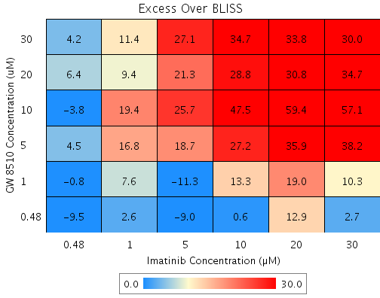
Drug1 | Drug1Conc | Drug1_NPI | Drug2 | Drug2Conc | Drug2_NPI | Sci_WellID | PredictedInhibition | ObservedInhibition | Excess Over BLISS | Excess Over BLISS Error | Excess Over BLISS Error Percent
GW 8510 | 30 | 65.6 | Imatinib | 30 | 11.9 | F2 | 69.66 | 99.7 | 30 | 3.8991 | 12.991
GW 8510 | 30 | 65.6 | Imatinib | 20 | -4.7 | G8 | 63.956 | 97.8 | 33.8 | 11.098 | 32.791
GW 8510 | 30 | 65.6 | Imatinib | 10 | -10.5 | C3 | 61.939 | 96.6 | 34.7 | 11.448 | 33.017
GW 8510 | 30 | 65.6 | Imatinib | 5 | -3 | E2 | 64.529 | 91.6 | 27.1 | 1.9236 | 7.0946
GW 8510 | 30 | 65.6 | Imatinib | 1 | -10.1 | B10 | 62.073 | 73.5 | 11.4 | 7.0252 | 61.543
GW 8510 | 30 | 65.6 | Imatinib | 0.48 | -0.4 | B7 | 65.431 | 69.6 | 4.2 | 2.5788 | 61.251
GW 8510 | 20 | 58.1 | Imatinib | 30 | 11.9 | D10 | 63.045 | 97.7 | 34.7 | 3.8701 | 11.168
GW 8510 | 20 | 58.1 | Imatinib | 20 | -4.7 | G10 | 56.097 | 86.9 | 30.8 | 11.391 | 36.953
GW 8510 | 20 | 58.1 | Imatinib | 10 | -10.5 | F7 | 53.641 | 82.4 | 28.8 | 11.172 | 38.807
GW 8510 | 20 | 58.1 | Imatinib | 5 | -3 | F3 | 56.796 | 78.1 | 21.3 | 1.9759 | 9.2883
GW 8510 | 20 | 58.1 | Imatinib | 1 | -10.1 | B4 | 53.804 | 63.2 | 9.4 | 6.9852 | 74.584
GW 8510 | 20 | 58.1 | Imatinib | 0.48 | -0.4 | B2 | 57.894 | 64.3 | 6.4 | 3.7229 | 57.748
GW 8510 | 10 | 9.2 | Imatinib | 30 | 11.9 | D4 | 20.024 | 77.1 | 57.1 | 16.391 | 28.71
GW 8510 | 10 | 9.2 | Imatinib | 20 | -4.7 | B5 | 4.9884 | 64.4 | 59.4 | 18.615 | 31.312
GW 8510 | 10 | 9.2 | Imatinib | 10 | -10.5 | E10 | -0.32813 | 47.2 | 47.5 | 18.962 | 39.912
GW 8510 | 10 | 9.2 | Imatinib | 5 | -3 | E5 | 6.5001 | 32.2 | 25.7 | 16.107 | 62.634
GW 8510 | 10 | 9.2 | Imatinib | 1 | -10.1 | B6 | 0.026427 | 19.4 | 19.4 | 17.457 | 90.026
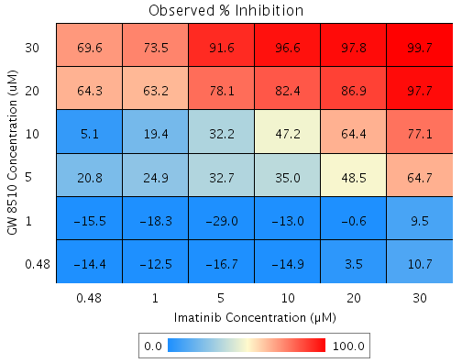
GW 8510 | 10 | 9.2 | Imatinib | 0.48 | -0.4 | G4 | 8.8767 | 5.1 | -3.8 | 19.336 | 505.65
GW 8510 | 5 | 16.6 | Imatinib | 30 | 11.9 | F5 | 26.501 | 64.7 | 38.2 | 5.3562 | 14.007
GW 8510 | 5 | 16.6 | Imatinib | 20 | -4.7 | F8 | 12.683 | 48.5 | 35.9 | 9.7676 | 27.238
GW 8510 | 5 | 16.6 | Imatinib | 10 | -10.5 | G3 | 7.7965 | 35 | 27.2 | 10.444 | 38.362
GW 8510 | 5 | 16.6 | Imatinib | 5 | -3 | D5 | 14.072 | 32.7 | 18.7 | 3.1716 | 17
GW 8510 | 5 | 16.6 | Imatinib | 1 | -10.1 | B8 | 8.1224 | 24.9 | 16.8 | 6.2996 | 37.549
GW 8510 | 5 | 16.6 | Imatinib | 0.48 | -0.4 | E6 | 16.256 | 20.8 | 4.5 | 3.6285 | 79.831
GW 8510 | 1 | -14.3 | Imatinib | 30 | 11.9 | D6 | -0.71636 | 9.5 | 10.3 | 3.8472 | 37.531
GW 8510 | 1 | -14.3 | Imatinib | 20 | -4.7 | E3 | -19.651 | -0.6 | 19 | 9.7048 | 50.971
GW 8510 | 1 | -14.3 | Imatinib | 10 | -10.5 | C8 | -26.347 | -13 | 13.3 | 10.254 | 76.898
GW 8510 | 1 | -14.3 | Imatinib | 5 | -3 | G2 | -17.748 | -29 | -11.3 | 7.7869 | 69.045
GW 8510 | 1 | -14.3 | Imatinib | 1 | -10.1 | C10 | -25.9 | -18.3 | 7.6 | 6.1023 | 79.993
GW 8510 | 1 | -14.3 | Imatinib | 0.48 | -0.4 | D7 | -14.755 | -15.5 | -0.8 | 2.0759 | 262.56
GW 8510 | 0.48 | -4.5 | Imatinib | 30 | 11.9 | D8 | 7.9328 | 10.7 | 2.7 | 3.9297 | 143.51
GW 8510 | 0.48 | -4.5 | Imatinib | 20 | -4.7 | E4 | -9.3762 | 3.5 | 12.9 | 9.9014 | 76.74
GW 8510 | 0.48 | -4.5 | Imatinib | 10 | -10.5 | D2 | -15.497 | -14.9 | 0.6 | 10.374 | 1614.8
GW 8510 | 0.48 | -4.5 | Imatinib | 5 | -3 | E7 | -7.6359 | -16.7 | -9 | 2.7381 | 30.339
GW 8510 | 0.48 | -4.5 | Imatinib | 1 | -10.1 | C7 | -15.088 | -12.5 | 2.6 | 6.7405 | 263.95
GW 8510 | 0.48 | -4.5 | Imatinib | 0.48 | -0.4 | F9 | -4.9 | -14.4 | -9.5 | 3.4192 | 35.894

Epitiostanol vs. GW 8510
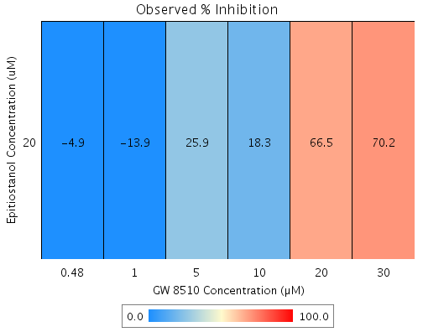
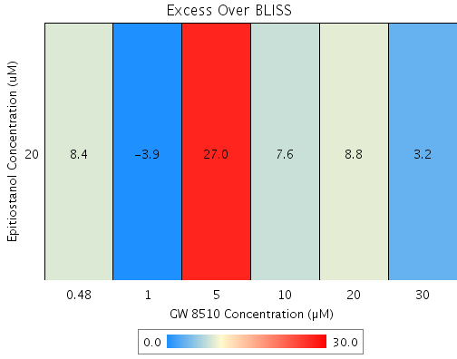
Drug1 | Drug1Conc | Drug1_NPI | Drug2 | Drug2Conc | Drug2_NPI | Sci_WellID | PredictedInhibition | ObservedInhibition | Excess Over BLISS | Excess Over BLISS Error | Excess Over BLISS Error Percent
Epitiostanol | 20 | -0.8 | GW 8510 | 30 | 67.2 | G10 | 66.977 | 70.2 | 3.2 | 6.7316 | 211.95
Epitiostanol | 20 | -0.8 | GW 8510 | 20 | 58 | C2 | 57.659 | 66.5 | 8.8 | 6.2547 | 71.036
Epitiostanol | 20 | -0.8 | GW 8510 | 10 | 11.4 | B5 | 10.696 | 18.3 | 7.6 | 11.329 | 148.23
Epitiostanol | 20 | -0.8 | GW 8510 | 5 | -0.2 | C10 | -1.0359 | 25.9 | 27 | 14.851 | 55.067
Epitiostanol | 20 | -0.8 | GW 8510 | 1 | -9.1 | D7 | -9.9911 | -13.9 | -3.9 | 7.6604 | 197.91
Epitiostanol | 20 | -0.8 | GW 8510 | 0.48 | -12.4 | F9 | -13.264 | -4.9 | 8.4 | 9.9308 | 118.81

Epitiostanol vs. MG 132
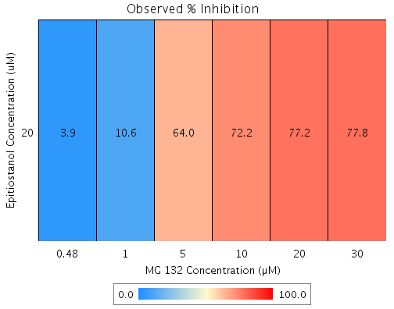
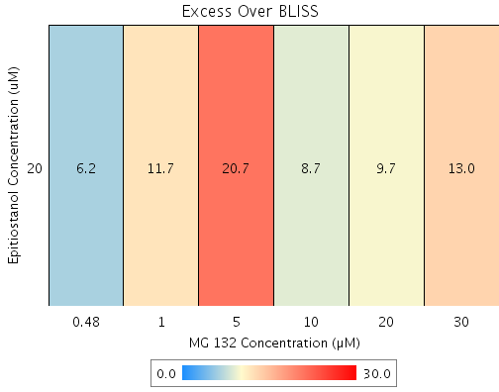
Drug1 | Drug1Conc | Drug1_NPI | Drug2 | Drug2Conc | Drug2_NPI | Sci_WellID | PredictedInhibition | ObservedInhibition | Excess Over BLISS | Excess Over BLISS Error | Excess Over BLISS Error Percent
Epitiostanol | 20 | -0.8 | MG 132 | 30 | 65.1 | C8 | 64.854 | 77.8 | 13 | 6.1125 | 47.057
Epitiostanol | 20 | -0.8 | MG 132 | 20 | 67.7 | F6 | 67.42 | 77.2 | 9.7 | 5.6375 | 57.89
Epitiostanol | 20 | -0.8 | MG 132 | 10 | 63.8 | E7 | 63.47 | 72.2 | 8.7 | 7.45 | 85.213
Epitiostanol | 20 | -0.8 | MG 132 | 5 | 43.7 | E6 | 43.279 | 64 | 20.7 | 8.8122 | 42.538
Epitiostanol | 20 | -0.8 | MG 132 | 1 | -0.3 | B8 | -1.136 | 10.6 | 11.7 | 7.2899 | 62.104
Epitiostanol | 20 | -0.8 | MG 132 | 0.48 | -1.5 | E4 | -2.2788 | 3.9 | 6.2 | 5.5914 | 90.192

Epitiostanol vs. Sanguinarine
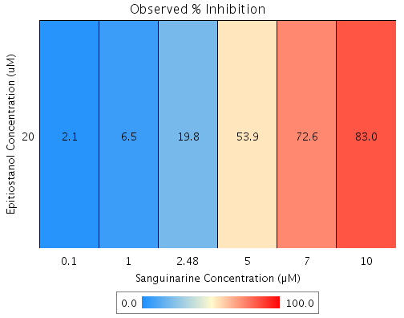
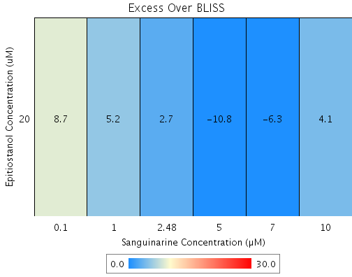
Drug1 | Drug1Conc | Drug1_NPI | Drug2 | Drug2Conc | Drug2_NPI | Sci_WellID | PredictedInhibition | ObservedInhibition | Excess Over BLISS | Excess Over BLISS Error | Excess Over BLISS Error Percent
Epitiostanol | 20 | -0.8 | Sanguinarine | 10 | 79.1 | B7 | 78.928 | 83 | 4.1 | 7.5073 | 184.78
Epitiostanol | 20 | -0.8 | Sanguinarine | 7 | 79 | D2 | 78.874 | 72.6 | -6.3 | 5.8395 | 92.829
Epitiostanol | 20 | -0.8 | Sanguinarine | 5 | 65 | G3 | 64.709 | 53.9 | -10.8 | 9.2576 | 85.623
Epitiostanol | 20 | -0.8 | Sanguinarine | 2.48 | 17.7 | F10 | 17.082 | 19.8 | 2.7 | 7.6315 | 281.66
Epitiostanol | 20 | -0.8 | Sanguinarine | 1 | 2.1 | E8 | 1.3168 | 6.5 | 5.2 | 4.9826 | 96.062
Epitiostanol | 20 | -0.8 | Sanguinarine | 0.1 | -5.7 | D9 | -6.5246 | 2.1 | 8.7 | 6.844 | 79.072

