Atovaquone vs. Mitoxanthrone
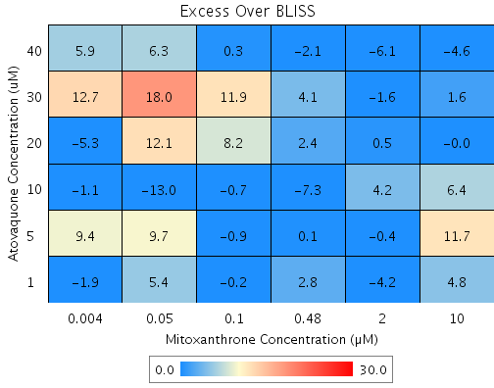
Drug1 | Drug1Conc | Drug1_NPI | Drug2 | Drug2Conc | Drug2_NPI | Sci_WellID | PredictedInhibition | ObservedInhibition | Excess Over BLISS | Excess Over BLISS Error | Excess Over BLISS Error Percent

Atovaquone | 40 | 47.1 | Mitoxanthrone | 10 | 65.2 | E9 | 81.594 | 77 | -4.6 | 5.2611 | 114.74
Atovaquone | 40 | 47.1 | Mitoxanthrone | 2 | 39.3 | E2 | 67.925 | 61.8 | -6.1 | 3.7784 | 61.492
Atovaquone | 40 | 47.1 | Mitoxanthrone | 0.48 | 3.4 | E5 | 48.899 | 46.8 | -2.1 | 3.6598 | 170.46
Atovaquone | 40 | 47.1 | Mitoxanthrone | 0.1 | -7.4 | G10 | 43.22 | 43.5 | 0.3 | 6.0763 | 2132.7
Atovaquone | 40 | 47.1 | Mitoxanthrone | 0.05 | -13.4 | C2 | 40.056 | 46.3 | 6.3 | 4.3672 | 69.72
Atovaquone | 40 | 47.1 | Mitoxanthrone | 0.004 | -11.5 | F10 | 41.052 | 46.9 | 5.9 | 3.0766 | 52.444
Atovaquone | 30 | 39.2 | Mitoxanthrone | 10 | 65.2 | D3 | 78.826 | 80.4 | 1.6 | 4.7021 | 293.79
Atovaquone | 30 | 39.2 | Mitoxanthrone | 2 | 39.3 | D6 | 63.101 | 61.5 | -1.6 | 3.8393 | 234.54
Atovaquone | 30 | 39.2 | Mitoxanthrone | 0.48 | 3.4 | D4 | 41.213 | 45.3 | 4.1 | 3.7857 | 93.317
Atovaquone | 30 | 39.2 | Mitoxanthrone | 0.1 | -7.4 | G3 | 34.681 | 46.6 | 11.9 | 4.5392 | 38.211
Atovaquone | 30 | 39.2 | Mitoxanthrone | 0.05 | -13.4 | G8 | 31.04 | 49.1 | 18 | 4.682 | 25.964
Atovaquone | 30 | 39.2 | Mitoxanthrone | 0.004 | -11.5 | D5 | 32.186 | 44.9 | 12.7 | 3.0684 | 24.153
Atovaquone | 20 | 39.2 | Mitoxanthrone | 10 | 65.2 | B7 | 78.825 | 78.8 | 0 | 3.7255 | 5.12E+05
Atovaquone | 20 | 39.2 | Mitoxanthrone | 2 | 39.3 | B10 | 63.1 | 63.6 | 0.5 | 3.501 | 683.23
Atovaquone | 20 | 39.2 | Mitoxanthrone | 0.48 | 3.4 | F3 | 41.212 | 43.6 | 2.4 | 3.0759 | 126.28
Atovaquone | 20 | 39.2 | Mitoxanthrone | 0.1 | -7.4 | B6 | 34.679 | 42.9 | 8.2 | 3.6144 | 43.873
Atovaquone | 20 | 39.2 | Mitoxanthrone | 0.05 | -13.4 | D7 | 31.039 | 43.2 | 12.1 | 3.5122 | 28.917
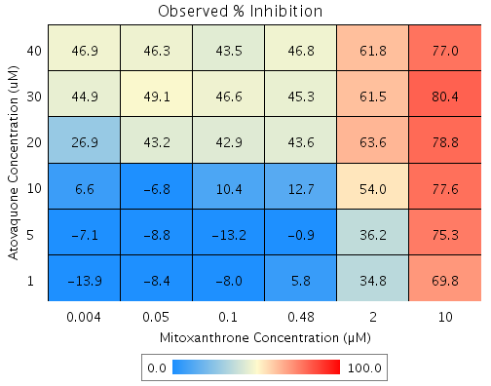
Atovaquone | 20 | 39.2 | Mitoxanthrone | 0.004 | -11.5 | C3 | 32.185 | 26.9 | -5.3 | 12.434 | 233.42
Atovaquone | 10 | 17.2 | Mitoxanthrone | 10 | 65.2 | B4 | 71.177 | 77.6 | 6.4 | 5.807 | 90.184
Atovaquone | 10 | 17.2 | Mitoxanthrone | 2 | 39.3 | C6 | 49.772 | 54 | 4.2 | 6.022 | 144
Atovaquone | 10 | 17.2 | Mitoxanthrone | 0.48 | 3.4 | B8 | 19.977 | 12.7 | -7.3 | 5.3911 | 74.247
Atovaquone | 10 | 17.2 | Mitoxanthrone | 0.1 | -7.4 | G7 | 11.085 | 10.4 | -0.7 | 5.6021 | 764.26
Atovaquone | 10 | 17.2 | Mitoxanthrone | 0.05 | -13.4 | C5 | 6.1293 | -6.8 | -13 | 9.7104 | 74.875
Atovaquone | 10 | 17.2 | Mitoxanthrone | 0.004 | -11.5 | B3 | 7.6892 | 6.6 | -1.1 | 4.7621 | 427.2
Atovaquone | 5 | -4.5 | Mitoxanthrone | 10 | 65.2 | F5 | 63.615 | 75.3 | 11.7 | 6.8712 | 58.939
Atovaquone | 5 | -4.5 | Mitoxanthrone | 2 | 39.3 | C4 | 36.593 | 36.2 | -0.4 | 8.4048 | 2144.9
Atovaquone | 5 | -4.5 | Mitoxanthrone | 0.48 | 3.4 | E8 | -1.0183 | -0.9 | 0.1 | 8.8496 | 6666.1
Atovaquone | 5 | -4.5 | Mitoxanthrone | 0.1 | -7.4 | C7 | -12.244 | -13.2 | -0.9 | 9.0247 | 963.51
Atovaquone | 5 | -4.5 | Mitoxanthrone | 0.05 | -13.4 | D9 | -18.499 | -8.8 | 9.7 | 6.8621 | 70.555
Atovaquone | 5 | -4.5 | Mitoxanthrone | 0.004 | -11.5 | F6 | -16.53 | -7.1 | 9.4 | 6.0504 | 64.48
Atovaquone | 1 | -0.4 | Mitoxanthrone | 10 | 65.2 | G6 | 65.047 | 69.8 | 4.8 | 3.7108 | 77.366
Atovaquone | 1 | -0.4 | Mitoxanthrone | 2 | 39.3 | E4 | 39.088 | 34.8 | -4.2 | 3.2886 | 77.452
Atovaquone | 1 | -0.4 | Mitoxanthrone | 0.48 | 3.4 | E7 | 2.9563 | 5.8 | 2.8 | 2.7681 | 98.527
Atovaquone | 1 | -0.4 | Mitoxanthrone | 0.1 | -7.4 | B2 | -7.8276 | -8 | -0.2 | 5.5852 | 2864.7
Atovaquone | 1 | -0.4 | Mitoxanthrone | 0.05 | -13.4 | E3 | -13.837 | -8.4 | 5.4 | 3.6383 | 67.192
Atovaquone | 1 | -0.4 | Mitoxanthrone | 0.004 | -11.5 | F4 | -11.945 | -13.9 | -1.9 | 3.0664 | 158.41

Tyrphostin AG 825 vs. Emetine
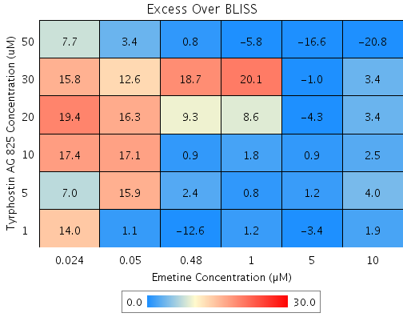

Drug1 | Drug1Conc | Drug1_NPI | Drug2 | Drug2Conc | Drug2_NPI | Sci_WellID | PredictedInhibition | ObservedInhibition | Excess Over BLISS | Excess Over BLISS Error | Excess Over BLISS Error Percent
Tyrphostin AG 825 | 50 | 55.1 | Emetine | 10 | 66.2 | C6 | 84.796 | 64 | -20.8 | 7.4828 | 35.93
Tyrphostin AG 825 | 50 | 55.1 | Emetine | 5 | 67.9 | B9 | 85.572 | 68.9 | -16.6 | 7.447 | 44.734
Tyrphostin AG 825 | 50 | 55.1 | Emetine | 1 | 47.9 | F7 | 76.57 | 70.7 | -5.8 | 7.5909 | 130.38
Tyrphostin AG 825 | 50 | 55.1 | Emetine | 0.48 | 38.6 | F3 | 72.427 | 73.2 | 0.8 | 6.7567 | 853.77
Tyrphostin AG 825 | 50 | 55.1 | Emetine | 0.05 | -12.5 | G6 | 49.452 | 52.9 | 3.4 | 7.9013 | 229.73
Tyrphostin AG 825 | 50 | 55.1 | Emetine | 0.024 | -13.5 | E10 | 49.007 | 56.7 | 7.7 | 10.759 | 140.23
Tyrphostin AG 825 | 30 | 0.5 | Emetine | 10 | 66.2 | E2 | 66.337 | 69.8 | 3.4 | 5.1741 | 151.21
Tyrphostin AG 825 | 30 | 0.5 | Emetine | 5 | 67.9 | F6 | 68.054 | 67.1 | -1 | 5.2972 | 530.91
Tyrphostin AG 825 | 30 | 0.5 | Emetine | 1 | 47.9 | F4 | 48.123 | 68.2 | 20.1 | 5.6268 | 28.046
Tyrphostin AG 825 | 30 | 0.5 | Emetine | 0.48 | 38.6 | C10 | 38.951 | 57.6 | 18.7 | 5.2183 | 27.939
Tyrphostin AG 825 | 30 | 0.5 | Emetine | 0.05 | -12.5 | E9 | -11.918 | 0.7 | 12.6 | 6.4154 | 50.838
Tyrphostin AG 825 | 30 | 0.5 | Emetine | 0.024 | -13.5 | G7 | -12.903 | 2.9 | 15.8 | 8.2127 | 51.817
Tyrphostin AG 825 | 20 | -6.3 | Emetine | 10 | 66.2 | C9 | 64.03 | 67.4 | 3.4 | 0.75977 | 22.231
Tyrphostin AG 825 | 20 | -6.3 | Emetine | 5 | 67.9 | C7 | 65.865 | 61.6 | -4.3 | 2.7402 | 63.781
Tyrphostin AG 825 | 20 | -6.3 | Emetine | 1 | 47.9 | E8 | 44.568 | 53.1 | 8.6 | 3.7821 | 44.114
Tyrphostin AG 825 | 20 | -6.3 | Emetine | 0.48 | 38.6 | G3 | 34.767 | 44.1 | 9.3 | 3.903 | 41.879
Tyrphostin AG 825 | 20 | -6.3 | Emetine | 0.05 | -12.5 | D4 | -19.588 | -3.3 | 16.3 | 5.0219 | 30.888
Tyrphostin AG 825 | 20 | -6.3 | Emetine | 0.024 | -13.5 | D10 | -20.641 | -1.3 | 19.4 | 7.5973 | 39.204
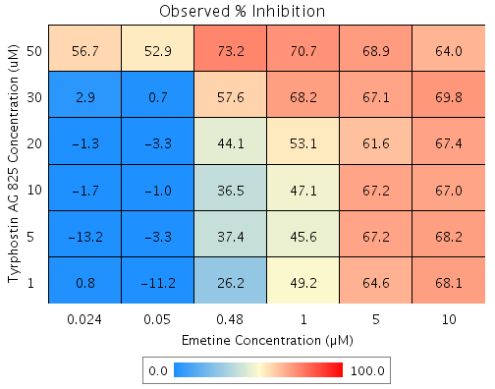
Tyrphostin AG 825 | 10 | -5 | Emetine | 10 | 66.2 | C5 | 64.477 | 67 | 2.5 | 0.82618 | 32.963
Tyrphostin AG 825 | 10 | -5 | Emetine | 5 | 67.9 | D5 | 66.289 | 67.2 | 0.9 | 2.5422 | 290.07
Tyrphostin AG 825 | 10 | -5 | Emetine | 1 | 47.9 | D9 | 45.256 | 47.1 | 1.8 | 3.6053 | 200.1
Tyrphostin AG 825 | 10 | -5 | Emetine | 0.48 | 38.6 | C3 | 35.577 | 36.5 | 0.9 | 3.3206 | 351.54
Tyrphostin AG 825 | 10 | -5 | Emetine | 0.05 | -12.5 | D7 | -18.103 | -1 | 17.1 | 5.7493 | 33.669
Tyrphostin AG 825 | 10 | -5 | Emetine | 0.024 | -13.5 | E5 | -19.143 | -1.7 | 17.4 | 7.9669 | 45.75
Tyrphostin AG 825 | 5 | -5.9 | Emetine | 10 | 66.2 | G10 | 64.162 | 68.2 | 4 | 3.6415 | 91.183
Tyrphostin AG 825 | 5 | -5.9 | Emetine | 5 | 67.9 | B10 | 65.99 | 67.2 | 1.2 | 4.9564 | 419.23
Tyrphostin AG 825 | 5 | -5.9 | Emetine | 1 | 47.9 | C4 | 44.772 | 45.6 | 0.8 | 4.7624 | 591.45
Tyrphostin AG 825 | 5 | -5.9 | Emetine | 0.48 | 38.6 | C8 | 35.007 | 37.4 | 2.4 | 4.6004 | 195.03
Tyrphostin AG 825 | 5 | -5.9 | Emetine | 0.05 | -12.5 | E6 | -19.149 | -3.3 | 15.9 | 6.0714 | 38.243
Tyrphostin AG 825 | 5 | -5.9 | Emetine | 0.024 | -13.5 | G2 | -20.198 | -13.2 | 7 | 8.9272 | 127.12
Tyrphostin AG 825 | 1 | 0.2 | Emetine | 10 | 66.2 | D2 | 66.241 | 68.1 | 1.9 | 3.6712 | 192.61
Tyrphostin AG 825 | 1 | 0.2 | Emetine | 5 | 67.9 | B6 | 67.963 | 64.6 | -3.4 | 4.9227 | 145.28
Tyrphostin AG 825 | 1 | 0.2 | Emetine | 1 | 47.9 | G5 | 47.975 | 49.2 | 1.2 | 5.2183 | 437.89
Tyrphostin AG 825 | 1 | 0.2 | Emetine | 0.48 | 38.6 | D8 | 38.777 | 26.2 | -12.6 | 6.7759 | 53.981
Tyrphostin AG 825 | 1 | 0.2 | Emetine | 0.05 | -12.5 | B4 | -12.238 | -11.2 | 1.1 | 10.696 | 988.39
Tyrphostin AG 825 | 1 | 0.2 | Emetine | 0.024 | -13.5 | B7 | -13.226 | 0.8 | 14 | 8.1642 | 58.115

Tyrphostin AG 825 vs. MG 132
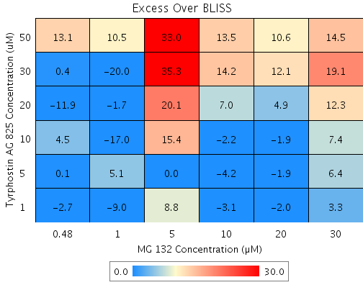
Drug1 | Drug1Conc | Drug1_NPI | Drug2 | Drug2Conc | Drug2_NPI | Sci_WellID | PredictedInhibition | ObservedInhibition | Excess Over BLISS | Excess Over BLISS Error | Excess Over BLISS Error Percent
Tyrphostin AG 825 | 50 | 26 | MG 132 | 30 | 70.7 | C5 | 78.317 | 92.8 | 14.5 | 6.0564 | 41.888
Tyrphostin AG 825 | 50 | 26 | MG 132 | 20 | 78.7 | C8 | 84.258 | 94.8 | 10.6 | 4.151 | 39.211
Tyrphostin AG 825 | 50 | 26 | MG 132 | 10 | 75.5 | F8 | 81.892 | 95.4 | 13.5 | 3.6653 | 27.137
Tyrphostin AG 825 | 50 | 26 | MG 132 | 5 | 50 | C10 | 63.023 | 96 | 33 | 11.246 | 34.109
Tyrphostin AG 825 | 50 | 26 | MG 132 | 1 | 8.3 | C7 | 32.163 | 42.7 | 10.5 | 8.4328 | 79.953
Tyrphostin AG 825 | 50 | 26 | MG 132 | 0.48 | -1.4 | G2 | 24.971 | 38 | 13.1 | 18.146 | 138.93
Tyrphostin AG 825 | 30 | 3 | MG 132 | 30 | 70.7 | B4 | 71.583 | 90.6 | 19.1 | 8.8323 | 46.325
Tyrphostin AG 825 | 30 | 3 | MG 132 | 20 | 78.7 | B5 | 79.37 | 91.4 | 12.1 | 8.291 | 68.762
Tyrphostin AG 825 | 30 | 3 | MG 132 | 10 | 75.5 | D2 | 76.268 | 90.5 | 14.2 | 8.0267 | 56.526
Tyrphostin AG 825 | 30 | 3 | MG 132 | 5 | 50 | B8 | 51.54 | 86.8 | 35.3 | 12.812 | 36.326
Tyrphostin AG 825 | 30 | 3 | MG 132 | 1 | 8.3 | G7 | 11.097 | -8.9 | -20 | 9.7537 | 48.75
Tyrphostin AG 825 | 30 | 3 | MG 132 | 0.48 | -1.4 | D6 | 1.6711 | 2.1 | 0.4 | 6.4047 | 1636.7
Tyrphostin AG 825 | 20 | 0.6 | MG 132 | 30 | 70.7 | C3 | 70.883 | 83.2 | 12.3 | 5.7032 | 46.307
Tyrphostin AG 825 | 20 | 0.6 | MG 132 | 20 | 78.7 | E2 | 78.861 | 83.8 | 4.9 | 3.1856 | 64.823
Tyrphostin AG 825 | 20 | 0.6 | MG 132 | 10 | 75.5 | C4 | 75.684 | 82.7 | 7 | 2.3885 | 34.071
Tyrphostin AG 825 | 20 | 0.6 | MG 132 | 5 | 50 | C6 | 50.346 | 70.5 | 20.1 | 12.137 | 60.343
Tyrphostin AG 825 | 20 | 0.6 | MG 132 | 1 | 8.3 | F7 | 8.9065 | 7.2 | -1.7 | 1.8421 | 106.72
Tyrphostin AG 825 | 20 | 0.6 | MG 132 | 0.48 | -1.4 | C2 | -0.75129 | -12.7 | -11.9 | 6.4258 | 53.802
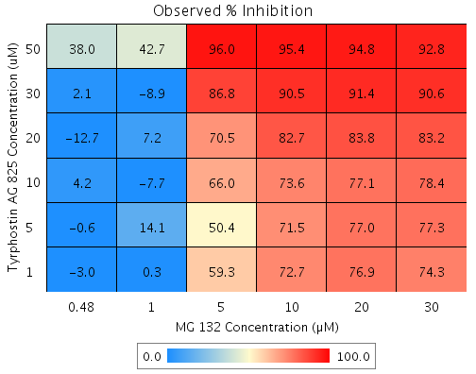
Tyrphostin AG 825 | 10 | 1.1 | MG 132 | 30 | 70.7 | E8 | 71.011 | 78.4 | 7.4 | 4.9442 | 66.653
Tyrphostin AG 825 | 10 | 1.1 | MG 132 | 20 | 78.7 | D8 | 78.954 | 77.1 | -1.9 | 2.5053 | 133
Tyrphostin AG 825 | 10 | 1.1 | MG 132 | 10 | 75.5 | B9 | 75.79 | 73.6 | -2.2 | 2.6492 | 119.97
Tyrphostin AG 825 | 10 | 1.1 | MG 132 | 5 | 50 | B6 | 50.564 | 66 | 15.4 | 10.575 | 68.571
Tyrphostin AG 825 | 10 | 1.1 | MG 132 | 1 | 8.3 | G5 | 9.3065 | -7.7 | -17 | 8.9222 | 52.593
Tyrphostin AG 825 | 10 | 1.1 | MG 132 | 0.48 | -1.4 | E6 | -0.30891 | 4.2 | 4.5 | 3.3705 | 74.673
Tyrphostin AG 825 | 5 | 0.7 | MG 132 | 30 | 70.7 | E7 | 70.916 | 77.3 | 6.4 | 5.0981 | 79.444
Tyrphostin AG 825 | 5 | 0.7 | MG 132 | 20 | 78.7 | D3 | 78.885 | 77 | -1.9 | 3.4225 | 184.71
Tyrphostin AG 825 | 5 | 0.7 | MG 132 | 10 | 75.5 | G6 | 75.711 | 71.5 | -4.2 | 4.5217 | 107.81
Tyrphostin AG 825 | 5 | 0.7 | MG 132 | 5 | 50 | G4 | 50.401 | 50.4 | 0 | 12.986 | 47311
Tyrphostin AG 825 | 5 | 0.7 | MG 132 | 1 | 8.3 | D10 | 9.0083 | 14.1 | 5.1 | 3.3533 | 65.289
Tyrphostin AG 825 | 5 | 0.7 | MG 132 | 0.48 | -1.4 | D7 | -0.6387 | -0.6 | 0.1 | 2.1176 | 2733.9
Tyrphostin AG 825 | 1 | 1 | MG 132 | 30 | 70.7 | F9 | 71.005 | 74.3 | 3.3 | 5.0948 | 154.85
Tyrphostin AG 825 | 1 | 1 | MG 132 | 20 | 78.7 | C9 | 78.95 | 76.9 | -2 | 3.5249 | 175.54
Tyrphostin AG 825 | 1 | 1 | MG 132 | 10 | 75.5 | E9 | 75.785 | 72.7 | -3.1 | 3.2736 | 104.45
Tyrphostin AG 825 | 1 | 1 | MG 132 | 5 | 50 | D4 | 50.553 | 59.3 | 8.8 | 12.577 | 143.52
Tyrphostin AG 825 | 1 | 1 | MG 132 | 1 | 8.3 | F4 | 9.2876 | 0.3 | -9 | 3.8425 | 42.922
Tyrphostin AG 825 | 1 | 1 | MG 132 | 0.48 | -1.4 | F6 | -0.3298 | -3 | -2.7 | 2.2 | 81.83

Tyrphostin AG 825 vs. Tamoxifen
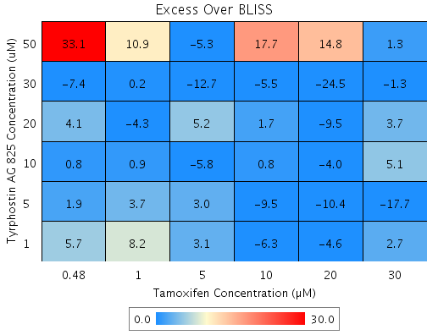
Drug1 | Drug1Conc | Drug1_NPI | Drug2 | Drug2Conc | Drug2_NPI | Sci_WellID | PredictedInhibition | ObservedInhibition | Excess Over BLISS | Excess Over BLISS Error | Excess Over BLISS Error Percent
Tyrphostin AG 825 | 50 | 29.6 | Tamoxifen | 30 | 88.5 | D6 | 91.917 | 93.2 | 1.3 | 21.286 | 1679.8
Tyrphostin AG 825 | 50 | 29.6 | Tamoxifen | 20 | 47.2 | D7 | 62.817 | 77.7 | 14.8 | 17.927 | 120.72
Tyrphostin AG 825 | 50 | 29.6 | Tamoxifen | 10 | 13.1 | F8 | 38.836 | 56.5 | 17.7 | 16.728 | 94.459
Tyrphostin AG 825 | 50 | 29.6 | Tamoxifen | 5 | 4 | C4 | 32.476 | 27.2 | -5.3 | 19.584 | 370.49
Tyrphostin AG 825 | 50 | 29.6 | Tamoxifen | 1 | 0.1 | F5 | 29.726 | 40.6 | 10.9 | 24.433 | 224.85
Tyrphostin AG 825 | 50 | 29.6 | Tamoxifen | 0.48 | 0.7 | F7 | 30.129 | 63.2 | 33.1 | 15.948 | 48.194
Tyrphostin AG 825 | 30 | 8.6 | Tamoxifen | 30 | 88.5 | C8 | 89.502 | 88.2 | -1.3 | 5.4486 | 423.74
Tyrphostin AG 825 | 30 | 8.6 | Tamoxifen | 20 | 47.2 | E5 | 51.711 | 27.3 | -24.5 | 12.15 | 49.692
Tyrphostin AG 825 | 30 | 8.6 | Tamoxifen | 10 | 13.1 | G5 | 20.567 | 15.1 | -5.5 | 4.6881 | 85.878
Tyrphostin AG 825 | 30 | 8.6 | Tamoxifen | 5 | 4 | E10 | 12.307 | -0.4 | -12.7 | 7.8881 | 62.147
Tyrphostin AG 825 | 30 | 8.6 | Tamoxifen | 1 | 0.1 | F2 | 8.7357 | 8.9 | 0.2 | 3.4068 | 1729.7
Tyrphostin AG 825 | 30 | 8.6 | Tamoxifen | 0.48 | 0.7 | D8 | 9.2599 | 1.8 | -7.4 | 7.49 | 100.91
Tyrphostin AG 825 | 20 | -1.4 | Tamoxifen | 30 | 88.5 | C6 | 88.358 | 92 | 3.7 | 3.5609 | 96.466
Tyrphostin AG 825 | 20 | -1.4 | Tamoxifen | 20 | 47.2 | F9 | 46.446 | 36.9 | -9.5 | 6.964 | 73.167
Tyrphostin AG 825 | 20 | -1.4 | Tamoxifen | 10 | 13.1 | G6 | 11.908 | 13.6 | 1.7 | 4.2966 | 247.52
Tyrphostin AG 825 | 20 | -1.4 | Tamoxifen | 5 | 4 | D5 | 2.7473 | 7.9 | 5.2 | 1.9434 | 37.575
Tyrphostin AG 825 | 20 | -1.4 | Tamoxifen | 1 | 0.1 | B3 | -1.2135 | -5.5 | -4.3 | 10.709 | 248.15
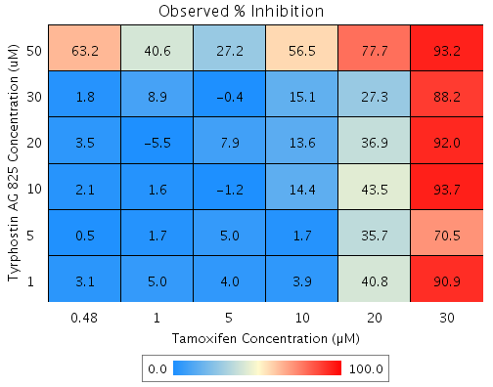
Tyrphostin AG 825 | 20 | -1.4 | Tamoxifen | 0.48 | 0.7 | C2 | -0.63209 | 3.5 | 4.1 | 3.2015 | 77.971
Tyrphostin AG 825 | 10 | 0.6 | Tamoxifen | 30 | 88.5 | B9 | 88.58 | 93.7 | 5.1 | 3.5436 | 68.917
Tyrphostin AG 825 | 10 | 0.6 | Tamoxifen | 20 | 47.2 | B10 | 47.467 | 43.5 | -4 | 4.0351 | 102.12
Tyrphostin AG 825 | 10 | 0.6 | Tamoxifen | 10 | 13.1 | B6 | 13.587 | 14.4 | 0.8 | 5.5446 | 670.36
Tyrphostin AG 825 | 10 | 0.6 | Tamoxifen | 5 | 4 | C5 | 4.6015 | -1.2 | -5.8 | 6.9457 | 119.97
Tyrphostin AG 825 | 10 | 0.6 | Tamoxifen | 1 | 0.1 | G7 | 0.71618 | 1.6 | 0.9 | 3.4581 | 402.82
Tyrphostin AG 825 | 10 | 0.6 | Tamoxifen | 0.48 | 0.7 | B5 | 1.2865 | 2.1 | 0.8 | 3.5318 | 415.92
Tyrphostin AG 825 | 5 | -2.1 | Tamoxifen | 30 | 88.5 | E6 | 88.272 | 70.5 | -17.7 | 18 | 101.56
Tyrphostin AG 825 | 5 | -2.1 | Tamoxifen | 20 | 47.2 | C7 | 46.05 | 35.7 | -10.4 | 4.5607 | 43.855
Tyrphostin AG 825 | 5 | -2.1 | Tamoxifen | 10 | 13.1 | D9 | 11.256 | 1.7 | -9.5 | 8.2278 | 86.315
Tyrphostin AG 825 | 5 | -2.1 | Tamoxifen | 5 | 4 | G2 | 2.0274 | 5 | 3 | 4.1064 | 136.04
Tyrphostin AG 825 | 5 | -2.1 | Tamoxifen | 1 | 0.1 | E3 | -1.9628 | 1.7 | 3.7 | 4.2938 | 115.89
Tyrphostin AG 825 | 5 | -2.1 | Tamoxifen | 0.48 | 0.7 | E7 | -1.377 | 0.5 | 1.9 | 3.0704 | 160.39
Tyrphostin AG 825 | 1 | -3.3 | Tamoxifen | 30 | 88.5 | D2 | 88.13 | 90.9 | 2.7 | 5.2246 | 191.98
Tyrphostin AG 825 | 1 | -3.3 | Tamoxifen | 20 | 47.2 | F10 | 45.396 | 40.8 | -4.6 | 8.1382 | 177.39
Tyrphostin AG 825 | 1 | -3.3 | Tamoxifen | 10 | 13.1 | D4 | 10.181 | 3.9 | -6.3 | 7.4934 | 119.78
Tyrphostin AG 825 | 1 | -3.3 | Tamoxifen | 5 | 4 | F4 | 0.8404 | 4 | 3.1 | 2.8123 | 89.899
Tyrphostin AG 825 | 1 | -3.3 | Tamoxifen | 1 | 0.1 | B2 | -3.1981 | 5 | 8.2 | 3.0609 | 37.286
Tyrphostin AG 825 | 1 | -3.3 | Tamoxifen | 0.48 | 0.7 | E9 | -2.6053 | 3.1 | 5.7 | 3.3033 | 58.169

