Sheet1
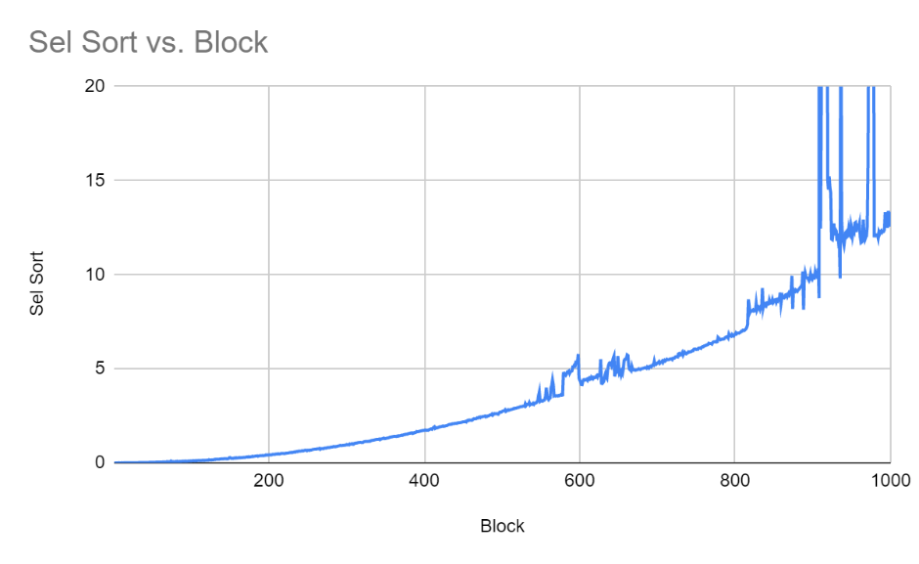
Block | Sel Sort | Insert Sort
1 | 0.000000 | 0.000000
2 | 0.000000 | 0.000000
3 | 0.000000 | 0.000000
4 | 0.000000 | 0.000000
5 | 0.001000 | 0.000000
6 | 0.000000 | 0.000000
7 | 0.002000 | 0.000000
8 | 0.001000 | 0.001000
9 | 0.001000 | 0.001000
10 | 0.001000 | 0.001000
11 | 0.002000 | 0.001000
12 | 0.001000 | 0.002000
13 | 0.001000 | 0.001000
14 | 0.002000 | 0.001000
15 | 0.002000 | 0.002000
16 | 0.002000 | 0.003000
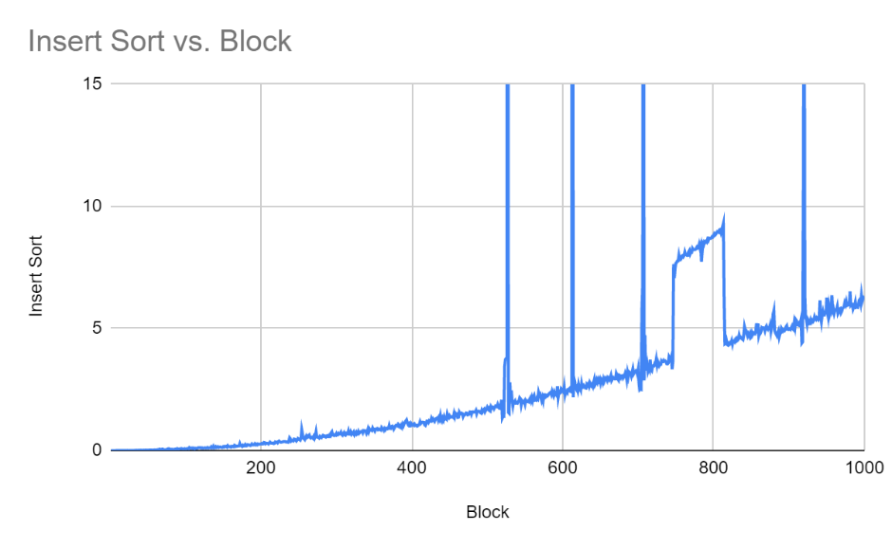
17 | 0.004000 | 0.003000
18 | 0.003000 | 0.003000
19 | 0.004000 | 0.003000
20 | 0.004000 | 0.003000
21 | 0.005000 | 0.003000
22 | 0.004000 | 0.000000
23 | 0.006000 | 0.008000
24 | 0.006000 | 0.000000
25 | 0.007000 | 0.000000
26 | 0.006000 | 0.008000
27 | 0.008000 | 0.008000
28 | 0.007000 | 0.008000
29 | 0.008000 | 0.008000
30 | 0.009000 | 0.008000
31 | 0.009000 | 0.000000
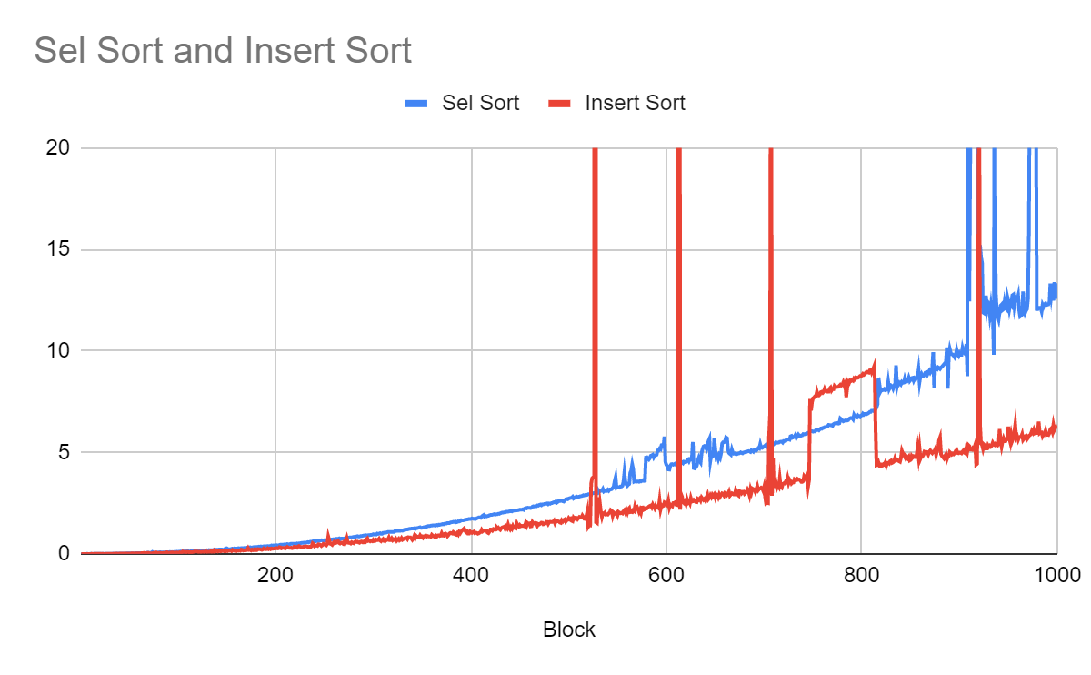
32 | 0.011000 | 0.008000
33 | 0.012000 | 0.009000
34 | 0.013000 | 0.000000
35 | 0.011000 | 0.015000
36 | 0.013000 | 0.000000
37 | 0.014000 | 0.015000
38 | 0.015000 | 0.016000
39 | 0.016000 | 0.000000
40 | 0.016000 | 0.016000
41 | 0.018000 | 0.017000
42 | 0.020000 | 0.015000
43 | 0.021000 | 0.015000
44 | 0.018000 | 0.016000
45 | 0.020000 | 0.016000
46 | 0.022000 | 0.015000
47 | 0.023000 | 0.024000
48 | 0.024000 | 0.016000
49 | 0.025000 | 0.016000
50 | 0.025000 | 0.016000
51 | 0.027000 | 0.016000
52 | 0.030000 | 0.024000
53 | 0.030000 | 0.024000
54 | 0.031000 | 0.025000
55 | 0.032000 | 0.025000
56 | 0.034000 | 0.014000
57 | 0.035000 | 0.024000
58 | 0.036000 | 0.028000
59 | 0.037000 | 0.033000
60 | 0.036000 | 0.024000
61 | 0.038000 | 0.025000
62 | 0.040000 | 0.032000
63 | 0.041000 | 0.040000
64 | 0.043000 | 0.032000
65 | 0.040000 | 0.048000
66 | 0.046000 | 0.056000
67 | 0.036000 | 0.032000
68 | 0.048000 | 0.033000
69 | 0.064000 | 0.056000
70 | 0.058000 | 0.056000
71 | 0.055000 | 0.032000
72 | 0.056000 | 0.032000
73 | 0.063000 | 0.032000
74 | 0.096000 | 0.032000
75 | 0.064000 | 0.047000
76 | 0.062000 | 0.049000
77 | 0.063000 | 0.072000
78 | 0.050000 | 0.072000
79 | 0.063000 | 0.032000
80 | 0.073000 | 0.047000
81 | 0.063000 | 0.048000
82 | 0.083000 | 0.050000
83 | 0.070000 | 0.046000
84 | 0.068000 | 0.041000
85 | 0.076000 | 0.050000
86 | 0.075000 | 0.055000
87 | 0.079000 | 0.040000
88 | 0.082000 | 0.064000
89 | 0.083000 | 0.080000
90 | 0.085000 | 0.053000
91 | 0.086000 | 0.056000
92 | 0.094000 | 0.064000
93 | 0.082000 | 0.070000
94 | 0.092000 | 0.077000
95 | 0.086000 | 0.077000
96 | 0.094000 | 0.062000
97 | 0.095000 | 0.063000
98 | 0.095000 | 0.063000
99 | 0.106000 | 0.076000
100 | 0.097000 | 0.064000
101 | 0.110000 | 0.064000
102 | 0.110000 | 0.080000
103 | 0.121000 | 0.078000
104 | 0.109000 | 0.067000
105 | 0.110000 | 0.119000
106 | 0.126000 | 0.097000
107 | 0.110000 | 0.099000
108 | 0.121000 | 0.105000
109 | 0.127000 | 0.082000
110 | 0.126000 | 0.106000
111 | 0.126000 | 0.096000
112 | 0.122000 | 0.062000
113 | 0.126000 | 0.095000
114 | 0.125000 | 0.088000
115 | 0.142000 | 0.088000
116 | 0.140000 | 0.096000
117 | 0.126000 | 0.121000
118 | 0.141000 | 0.120000
119 | 0.142000 | 0.120000
120 | 0.140000 | 0.120000
121 | 0.150000 | 0.096000
122 | 0.139000 | 0.111000
123 | 0.168000 | 0.094000
124 | 0.150000 | 0.095000
125 | 0.155000 | 0.109000
126 | 0.148000 | 0.110000
127 | 0.165000 | 0.096000
128 | 0.158000 | 0.110000
129 | 0.162000 | 0.126000
130 | 0.184000 | 0.099000
131 | 0.172000 | 0.112000
132 | 0.191000 | 0.111000
133 | 0.185000 | 0.109000
134 | 0.190000 | 0.150000
135 | 0.186000 | 0.103000
136 | 0.187000 | 0.111000
137 | 0.203000 | 0.172000
138 | 0.203000 | 0.110000
139 | 0.204000 | 0.136000
140 | 0.203000 | 0.162000
141 | 0.206000 | 0.121000
142 | 0.216000 | 0.141000
143 | 0.218000 | 0.159000
144 | 0.215000 | 0.125000
145 | 0.220000 | 0.142000
146 | 0.205000 | 0.150000
147 | 0.210000 | 0.140000
148 | 0.226000 | 0.125000
149 | 0.273000 | 0.126000
150 | 0.281000 | 0.160000
151 | 0.251000 | 0.141000
152 | 0.233000 | 0.172000
153 | 0.235000 | 0.159000
154 | 0.233000 | 0.173000
155 | 0.253000 | 0.141000
156 | 0.263000 | 0.198000
157 | 0.248000 | 0.165000
158 | 0.273000 | 0.157000
159 | 0.257000 | 0.163000
160 | 0.263000 | 0.142000
161 | 0.267000 | 0.172000
162 | 0.283000 | 0.158000
163 | 0.267000 | 0.174000
164 | 0.281000 | 0.157000
165 | 0.282000 | 0.214000
166 | 0.281000 | 0.197000
167 | 0.287000 | 0.166000
168 | 0.294000 | 0.182000
169 | 0.286000 | 0.174000
170 | 0.295000 | 0.182000
171 | 0.312000 | 0.191000
172 | 0.321000 | 0.283000
173 | 0.307000 | 0.197000
174 | 0.329000 | 0.205000
175 | 0.310000 | 0.173000
176 | 0.317000 | 0.214000
177 | 0.326000 | 0.181000
178 | 0.326000 | 0.189000
179 | 0.349000 | 0.238000
180 | 0.334000 | 0.187000
181 | 0.343000 | 0.190000
182 | 0.347000 | 0.238000
183 | 0.360000 | 0.228000
184 | 0.357000 | 0.234000
185 | 0.370000 | 0.215000
186 | 0.345000 | 0.199000
187 | 0.362000 | 0.220000
188 | 0.375000 | 0.269000
189 | 0.377000 | 0.235000
190 | 0.375000 | 0.228000
191 | 0.378000 | 0.236000
192 | 0.389000 | 0.277000
193 | 0.377000 | 0.236000
194 | 0.388000 | 0.261000
195 | 0.393000 | 0.235000
196 | 0.419000 | 0.269000
197 | 0.406000 | 0.251000
198 | 0.422000 | 0.261000
199 | 0.410000 | 0.267000
200 | 0.421000 | 0.269000
201 | 0.431000 | 0.291000
202 | 0.417000 | 0.269000
203 | 0.421000 | 0.274000
204 | 0.437000 | 0.331000
205 | 0.454000 | 0.323000
206 | 0.452000 | 0.276000
207 | 0.454000 | 0.299000
208 | 0.455000 | 0.300000
209 | 0.471000 | 0.296000
210 | 0.471000 | 0.267000
211 | 0.468000 | 0.300000
212 | 0.487000 | 0.347000
213 | 0.471000 | 0.316000
214 | 0.470000 | 0.300000
215 | 0.487000 | 0.299000
216 | 0.502000 | 0.308000
217 | 0.501000 | 0.282000
218 | 0.502000 | 0.293000
219 | 0.500000 | 0.349000
220 | 0.491000 | 0.330000
221 | 0.498000 | 0.342000
222 | 0.517000 | 0.313000
223 | 0.514000 | 0.368000
224 | 0.518000 | 0.389000
225 | 0.524000 | 0.357000
226 | 0.534000 | 0.338000
227 | 0.546000 | 0.339000
228 | 0.542000 | 0.348000
229 | 0.556000 | 0.354000
230 | 0.540000 | 0.371000
231 | 0.555000 | 0.371000
232 | 0.564000 | 0.370000
233 | 0.581000 | 0.348000
234 | 0.565000 | 0.346000
235 | 0.590000 | 0.356000
236 | 0.603000 | 0.338000
237 | 0.593000 | 0.387000
238 | 0.616000 | 0.524000
239 | 0.625000 | 0.485000
240 | 0.622000 | 0.383000
241 | 0.626000 | 0.410000
242 | 0.629000 | 0.416000
243 | 0.648000 | 0.397000
244 | 0.634000 | 0.471000
245 | 0.649000 | 0.464000
246 | 0.663000 | 0.443000
247 | 0.675000 | 0.394000
248 | 0.671000 | 0.431000
249 | 0.646000 | 0.496000
250 | 0.675000 | 0.477000
251 | 0.677000 | 0.446000
252 | 0.661000 | 0.424000
253 | 0.679000 | 0.499000
254 | 0.677000 | 0.854000
255 | 0.689000 | 0.683000
256 | 0.701000 | 0.503000
257 | 0.711000 | 0.483000
258 | 0.717000 | 0.448000
259 | 0.720000 | 0.530000
260 | 0.719000 | 0.594000
261 | 0.719000 | 0.526000
262 | 0.745000 | 0.546000
263 | 0.742000 | 0.611000
264 | 0.741000 | 0.639000
265 | 0.763000 | 0.539000
266 | 0.717000 | 0.512000
267 | 0.753000 | 0.550000
268 | 0.753000 | 0.553000
269 | 0.755000 | 0.511000
270 | 0.748000 | 0.579000
271 | 0.773000 | 0.501000
272 | 0.785000 | 0.585000
273 | 0.778000 | 0.758000
274 | 0.788000 | 0.554000
275 | 0.804000 | 0.541000
276 | 0.813000 | 0.548000
277 | 0.813000 | 0.516000
278 | 0.817000 | 0.576000
279 | 0.823000 | 0.542000
280 | 0.839000 | 0.524000
281 | 0.844000 | 0.582000
282 | 0.846000 | 0.617000
283 | 0.864000 | 0.585000
284 | 0.874000 | 0.601000
285 | 0.856000 | 0.565000
286 | 0.859000 | 0.549000
287 | 0.876000 | 0.599000
288 | 0.877000 | 0.612000
289 | 0.892000 | 0.571000
290 | 0.904000 | 0.567000
291 | 0.910000 | 0.630000
292 | 0.926000 | 0.602000
293 | 0.917000 | 0.726000
294 | 0.918000 | 0.770000
295 | 0.921000 | 0.641000
296 | 0.921000 | 0.655000
297 | 0.933000 | 0.617000
298 | 0.936000 | 0.642000
299 | 0.946000 | 0.625000
300 | 0.972000 | 0.693000
301 | 0.958000 | 0.633000
302 | 0.964000 | 0.641000
303 | 0.955000 | 0.704000
304 | 1.002000 | 0.677000
305 | 0.985000 | 0.684000
306 | 1.001000 | 0.746000
307 | 1.020000 | 0.658000
308 | 0.988000 | 0.625000
309 | 0.989000 | 0.687000
310 | 1.035000 | 0.732000
311 | 1.037000 | 0.641000
312 | 1.054000 | 0.626000
313 | 1.051000 | 0.704000
314 | 1.063000 | 0.683000
315 | 1.081000 | 0.705000
316 | 1.081000 | 0.806000
317 | 1.082000 | 0.674000
318 | 1.084000 | 0.674000
319 | 1.077000 | 0.758000
320 | 1.078000 | 0.674000
321 | 1.079000 | 0.722000
322 | 1.116000 | 0.690000
323 | 1.127000 | 0.749000
324 | 1.134000 | 0.651000
325 | 1.139000 | 0.707000
326 | 1.136000 | 0.751000
327 | 1.142000 | 0.667000
328 | 1.141000 | 0.697000
329 | 1.152000 | 0.777000
330 | 1.143000 | 0.698000
331 | 1.167000 | 0.730000
332 | 1.190000 | 0.768000
333 | 1.193000 | 0.775000
334 | 1.202000 | 0.793000
335 | 1.208000 | 0.729000
336 | 1.220000 | 0.822000
337 | 1.233000 | 0.815000
338 | 1.237000 | 0.816000
339 | 1.247000 | 0.766000
340 | 1.247000 | 0.696000
341 | 1.252000 | 0.766000
342 | 1.265000 | 0.880000
343 | 1.230000 | 0.776000
344 | 1.267000 | 0.878000
345 | 1.268000 | 0.830000
346 | 1.285000 | 0.845000
347 | 1.300000 | 0.822000
348 | 1.315000 | 0.917000
349 | 1.284000 | 0.849000
350 | 1.289000 | 0.864000
351 | 1.301000 | 0.800000
352 | 1.315000 | 0.868000
353 | 1.322000 | 0.888000
354 | 1.328000 | 0.902000
355 | 1.346000 | 0.855000
356 | 1.369000 | 0.879000
357 | 1.372000 | 0.855000
358 | 1.378000 | 0.863000
359 | 1.392000 | 0.840000
360 | 1.397000 | 0.942000
361 | 1.408000 | 0.900000
362 | 1.411000 | 0.881000
363 | 1.406000 | 0.827000
364 | 1.399000 | 0.901000
365 | 1.424000 | 0.855000
366 | 1.411000 | 0.908000
367 | 1.439000 | 0.916000
368 | 1.432000 | 0.886000
369 | 1.445000 | 0.900000
370 | 1.452000 | 1.018000
371 | 1.473000 | 0.902000
372 | 1.458000 | 0.898000
373 | 1.485000 | 0.987000
374 | 1.499000 | 1.003000
375 | 1.500000 | 0.963000
376 | 1.523000 | 0.876000
377 | 1.521000 | 0.931000
378 | 1.520000 | 1.006000
379 | 1.548000 | 1.034000
380 | 1.557000 | 1.020000
381 | 1.563000 | 1.003000
382 | 1.582000 | 1.082000
383 | 1.578000 | 1.052000
384 | 1.596000 | 0.963000
385 | 1.559000 | 0.943000
386 | 1.574000 | 1.020000
387 | 1.606000 | 0.956000
388 | 1.598000 | 1.083000
389 | 1.616000 | 1.024000
390 | 1.663000 | 1.107000
391 | 1.655000 | 1.151000
392 | 1.656000 | 1.210000
393 | 1.660000 | 1.253000
394 | 1.685000 | 1.144000
395 | 1.687000 | 1.072000
396 | 1.702000 | 1.104000
397 | 1.704000 | 1.002000
398 | 1.724000 | 1.004000
399 | 1.726000 | 1.105000
400 | 1.726000 | 1.057000
401 | 1.750000 | 1.033000
402 | 1.739000 | 1.073000
403 | 1.725000 | 1.098000
404 | 1.740000 | 1.025000
405 | 1.726000 | 1.046000
406 | 1.757000 | 1.035000
407 | 1.774000 | 0.996000
408 | 1.799000 | 1.013000
409 | 1.803000 | 1.051000
410 | 1.782000 | 1.074000
411 | 1.836000 | 1.185000
412 | 1.883000 | 1.113000
413 | 1.914000 | 1.152000
414 | 1.832000 | 1.160000
415 | 1.869000 | 1.159000
416 | 1.851000 | 1.152000
417 | 1.869000 | 1.051000
418 | 1.878000 | 1.025000
419 | 1.902000 | 1.098000
420 | 1.920000 | 1.205000
421 | 1.919000 | 1.200000
422 | 1.930000 | 1.152000
423 | 1.945000 | 1.225000
424 | 1.960000 | 1.200000
425 | 1.937000 | 1.196000
426 | 1.953000 | 1.318000
427 | 1.956000 | 1.248000
428 | 1.977000 | 1.293000
429 | 1.973000 | 1.231000
430 | 1.999000 | 1.190000
431 | 2.018000 | 1.265000
432 | 2.039000 | 1.306000
433 | 2.035000 | 1.320000
434 | 2.051000 | 1.342000
435 | 2.048000 | 1.243000
436 | 2.075000 | 1.343000
437 | 2.079000 | 1.272000
438 | 2.078000 | 1.440000
439 | 2.095000 | 1.278000
440 | 2.097000 | 1.211000
441 | 2.102000 | 1.319000
442 | 2.095000 | 1.247000
443 | 2.129000 | 1.377000
444 | 2.130000 | 1.290000
445 | 2.133000 | 1.317000
446 | 2.141000 | 1.284000
447 | 2.143000 | 1.493000
448 | 2.154000 | 1.398000
449 | 2.162000 | 1.351000
450 | 2.182000 | 1.421000
451 | 2.181000 | 1.366000
452 | 2.177000 | 1.386000
453 | 2.198000 | 1.373000
454 | 2.172000 | 1.392000
455 | 2.232000 | 1.358000
456 | 2.259000 | 1.515000
457 | 2.243000 | 1.392000
458 | 2.276000 | 1.521000
459 | 2.272000 | 1.484000
460 | 2.273000 | 1.500000
461 | 2.258000 | 1.356000
462 | 2.273000 | 1.365000
463 | 2.331000 | 1.563000
464 | 2.349000 | 1.498000
465 | 2.334000 | 1.500000
466 | 2.343000 | 1.532000
467 | 2.347000 | 1.515000
468 | 2.389000 | 1.396000
469 | 2.379000 | 1.476000
470 | 2.416000 | 1.457000
471 | 2.432000 | 1.491000
472 | 2.399000 | 1.540000
473 | 2.442000 | 1.533000
474 | 2.437000 | 1.459000
475 | 2.458000 | 1.468000
476 | 2.465000 | 1.500000
477 | 2.468000 | 1.581000
478 | 2.488000 | 1.577000
479 | 2.448000 | 1.479000
480 | 2.485000 | 1.564000
481 | 2.470000 | 1.585000
482 | 2.499000 | 1.571000
483 | 2.503000 | 1.572000
484 | 2.533000 | 1.588000
485 | 2.547000 | 1.643000
486 | 2.540000 | 1.512000
487 | 2.588000 | 1.606000
488 | 2.532000 | 1.613000
489 | 2.569000 | 1.610000
490 | 2.617000 | 1.594000
491 | 2.604000 | 1.548000
492 | 2.613000 | 1.530000
493 | 2.617000 | 1.656000
494 | 2.594000 | 1.604000
495 | 2.579000 | 1.673000
496 | 2.636000 | 1.703000
497 | 2.692000 | 1.595000
498 | 2.704000 | 1.656000
499 | 2.693000 | 1.681000
500 | 2.729000 | 1.768000
501 | 2.744000 | 1.705000
502 | 2.759000 | 1.740000
503 | 2.766000 | 1.633000
504 | 2.815000 | 1.611000
505 | 2.732000 | 1.793000
506 | 2.760000 | 1.738000
507 | 2.799000 | 1.783000
508 | 2.826000 | 1.776000
509 | 2.795000 | 1.709000
510 | 2.815000 | 1.767000
511 | 2.825000 | 1.823000
512 | 2.843000 | 1.801000
513 | 2.848000 | 1.792000
514 | 2.859000 | 1.894000
515 | 2.892000 | 1.822000
516 | 2.881000 | 1.729000
517 | 2.903000 | 1.721000
518 | 2.897000 | 1.851000
519 | 2.912000 | 2.077000
520 | 2.938000 | 1.337000
521 | 2.936000 | 1.408000
522 | 2.953000 | 1.403000
523 | 2.974000 | 3.455000
524 | 2.987000 | 3.731000
525 | 2.988000 | 3.775000
526 | 2.998000 | 3.796000
527 | 3.015000 | 114.651000
528 | 3.015000 | 1.558000
529 | 3.001000 | 1.525000
530 | 3.137000 | 2.791000
531 | 3.050000 | 1.997000
532 | 3.107000 | 2.459000
533 | 3.105000 | 2.045000
534 | 3.106000 | 1.825000
535 | 3.196000 | 2.002000
536 | 3.077000 | 1.981000
537 | 3.112000 | 2.034000
538 | 3.126000 | 1.942000
539 | 3.109000 | 1.948000
540 | 3.162000 | 1.937000
541 | 3.112000 | 2.001000
542 | 3.175000 | 2.039000
543 | 3.175000 | 2.159000
544 | 3.191000 | 2.120000
545 | 3.253000 | 1.880000
546 | 3.306000 | 2.042000
547 | 3.584000 | 2.003000
548 | 3.773000 | 1.971000
549 | 3.257000 | 2.019000
550 | 3.286000 | 1.901000
551 | 3.287000 | 2.063000
552 | 3.272000 | 2.025000
553 | 3.318000 | 2.006000
554 | 3.319000 | 2.027000
555 | 3.358000 | 1.998000
556 | 3.537000 | 2.099000
557 | 3.997000 | 2.152000
558 | 3.555000 | 2.041000
559 | 3.428000 | 2.164000
560 | 3.357000 | 2.042000
561 | 3.413000 | 2.207000
562 | 3.447000 | 2.262000
563 | 3.993000 | 2.059000
564 | 4.106000 | 2.069000
565 | 4.402000 | 2.056000
566 | 4.164000 | 2.151000
567 | 3.561000 | 2.114000
568 | 3.584000 | 2.373000
569 | 3.552000 | 2.258000
570 | 3.573000 | 2.302000
571 | 3.570000 | 2.179000
572 | 3.553000 | 2.057000
573 | 3.585000 | 2.172000
574 | 3.571000 | 2.036000
575 | 3.601000 | 2.286000
576 | 3.632000 | 2.287000
577 | 3.596000 | 2.179000
578 | 3.606000 | 2.204000
579 | 4.749000 | 2.255000
580 | 4.759000 | 2.240000
581 | 4.695000 | 2.290000
582 | 4.650000 | 2.334000
583 | 4.715000 | 2.364000
584 | 4.835000 | 2.386000
585 | 4.855000 | 2.301000
586 | 4.885000 | 2.429000
587 | 4.759000 | 2.332000
588 | 4.847000 | 2.244000
589 | 4.856000 | 2.374000
590 | 4.884000 | 2.280000
591 | 5.093000 | 2.305000
592 | 5.094000 | 2.259000
593 | 5.183000 | 2.627000
594 | 5.154000 | 2.197000
595 | 5.356000 | 2.400000
596 | 5.357000 | 2.345000
597 | 5.311000 | 2.367000
598 | 5.783000 | 2.536000
599 | 4.520000 | 2.503000
600 | 4.383000 | 2.421000
601 | 4.321000 | 2.386000
602 | 4.160000 | 2.602000
603 | 4.153000 | 2.284000
604 | 4.339000 | 2.429000
605 | 4.418000 | 2.383000
606 | 4.425000 | 2.349000
607 | 4.395000 | 2.504000
608 | 4.415000 | 2.511000
609 | 4.446000 | 2.542000
610 | 4.385000 | 2.424000
611 | 4.479000 | 2.409000
612 | 4.511000 | 2.585000
613 | 4.433000 | 123.428000
614 | 4.450000 | 2.179000
615 | 4.557000 | 2.942000
616 | 4.509000 | 2.815000
617 | 4.466000 | 2.578000
618 | 4.541000 | 2.514000
619 | 4.522000 | 2.587000
620 | 4.527000 | 2.464000
621 | 4.592000 | 2.684000
622 | 4.637000 | 2.527000
623 | 4.560000 | 2.587000
624 | 4.669000 | 2.490000
625 | 4.651000 | 2.742000
626 | 4.701000 | 2.578000
627 | 5.509000 | 2.591000
628 | 4.227000 | 2.655000
629 | 4.212000 | 2.603000
630 | 4.265000 | 2.560000
631 | 4.332000 | 2.552000
632 | 4.571000 | 2.709000
633 | 4.716000 | 2.668000
634 | 4.568000 | 2.723000
635 | 4.497000 | 2.634000
636 | 4.966000 | 2.783000
637 | 5.172000 | 2.719000
638 | 5.297000 | 2.658000
639 | 5.319000 | 2.708000
640 | 5.278000 | 2.628000
641 | 5.170000 | 2.781000
642 | 5.342000 | 2.911000
643 | 5.549000 | 2.698000
644 | 5.665000 | 2.759000
645 | 4.592000 | 2.885000
646 | 4.896000 | 2.800000
647 | 4.796000 | 2.918000
648 | 4.844000 | 2.850000
649 | 5.678000 | 2.923000
650 | 5.153000 | 2.776000
651 | 4.760000 | 2.937000
652 | 4.830000 | 2.904000
653 | 4.672000 | 2.792000
654 | 4.843000 | 2.929000
655 | 4.746000 | 2.824000
656 | 4.970000 | 2.903000
657 | 5.434000 | 2.982000
658 | 5.501000 | 2.960000
659 | 5.502000 | 2.880000
660 | 5.561000 | 3.006000
661 | 5.738000 | 2.984000
662 | 5.705000 | 2.902000
663 | 5.156000 | 2.961000
664 | 4.974000 | 3.068000
665 | 4.933000 | 2.874000
666 | 4.890000 | 2.934000
667 | 5.130000 | 2.986000
668 | 4.979000 | 2.950000
669 | 4.936000 | 2.929000
670 | 4.949000 | 2.932000
671 | 4.918000 | 3.159000
672 | 4.916000 | 3.085000
673 | 4.941000 | 2.924000
674 | 4.944000 | 2.877000
675 | 4.966000 | 3.088000
676 | 5.001000 | 3.072000
677 | 4.971000 | 2.994000
678 | 4.954000 | 3.062000
679 | 4.996000 | 3.068000
680 | 5.004000 | 2.963000
681 | 5.022000 | 3.009000
682 | 5.028000 | 3.054000
683 | 5.048000 | 3.170000
684 | 5.063000 | 3.076000
685 | 5.050000 | 2.900000
686 | 5.023000 | 3.186000
687 | 5.104000 | 3.035000
688 | 5.077000 | 3.222000
689 | 5.037000 | 3.194000
690 | 5.122000 | 3.178000
691 | 5.140000 | 3.062000
692 | 5.100000 | 3.207000
693 | 5.149000 | 3.342000
694 | 5.209000 | 3.142000
695 | 5.188000 | 3.199000
696 | 5.399000 | 3.221000
697 | 5.227000 | 3.265000
698 | 5.222000 | 3.234000
699 | 5.262000 | 3.119000
700 | 5.296000 | 3.308000
701 | 5.331000 | 2.795000
702 | 5.378000 | 2.484000
703 | 5.290000 | 2.511000
704 | 5.335000 | 2.501000
705 | 5.363000 | 5.755000
706 | 5.407000 | 6.813000
707 | 5.330000 | 35.693000
708 | 5.405000 | 2.865000
709 | 5.454000 | 4.729000
710 | 5.413000 | 3.332000
711 | 5.455000 | 3.330000
712 | 5.505000 | 3.505000
713 | 5.476000 | 3.248000
714 | 5.479000 | 3.357000
715 | 5.487000 | 3.290000
716 | 5.518000 | 3.720000
717 | 5.526000 | 3.301000
718 | 5.531000 | 3.263000
719 | 5.487000 | 3.438000
720 | 5.562000 | 3.475000
721 | 5.562000 | 3.467000
722 | 5.570000 | 3.560000
723 | 5.629000 | 3.528000
724 | 5.632000 | 3.733000
725 | 5.646000 | 3.504000
726 | 5.629000 | 3.656000
727 | 5.793000 | 3.579000
728 | 5.812000 | 3.467000
729 | 5.725000 | 3.512000
730 | 5.744000 | 3.521000
731 | 5.779000 | 3.673000
732 | 5.861000 | 3.634000
733 | 5.721000 | 3.635000
734 | 5.798000 | 3.694000
735 | 5.880000 | 3.655000
736 | 5.818000 | 3.667000
737 | 5.793000 | 3.634000
738 | 5.832000 | 3.550000
739 | 5.843000 | 3.546000
740 | 5.903000 | 3.586000
741 | 5.888000 | 3.844000
742 | 5.905000 | 3.788000
743 | 5.904000 | 3.704000
744 | 5.928000 | 3.829000
745 | 5.967000 | 3.327000
746 | 5.961000 | 3.624000
747 | 6.041000 | 7.635000
748 | 6.045000 | 7.060000
749 | 6.045000 | 7.472000
750 | 6.021000 | 7.667000
751 | 6.037000 | 7.701000
752 | 6.032000 | 7.764000
753 | 6.099000 | 7.765000
754 | 6.104000 | 7.986000
755 | 6.112000 | 7.810000
756 | 6.088000 | 7.807000
757 | 6.146000 | 7.852000
758 | 6.177000 | 7.967000
759 | 6.164000 | 7.986000
760 | 6.208000 | 7.937000
761 | 6.214000 | 7.990000
762 | 6.250000 | 8.131000
763 | 6.249000 | 8.028000
764 | 6.280000 | 8.020000
765 | 6.283000 | 7.989000
766 | 6.357000 | 7.994000
767 | 6.349000 | 8.142000
768 | 6.340000 | 8.196000
769 | 6.342000 | 8.054000
770 | 6.311000 | 8.128000
771 | 6.393000 | 8.120000
772 | 6.426000 | 8.276000
773 | 6.434000 | 8.225000
774 | 6.428000 | 8.220000
775 | 6.449000 | 8.227000
776 | 6.420000 | 8.234000
777 | 6.437000 | 8.284000
778 | 6.673000 | 8.336000
779 | 6.633000 | 8.296000
780 | 6.564000 | 8.331000
781 | 6.531000 | 8.449000
782 | 6.554000 | 8.302000
783 | 6.576000 | 8.404000
784 | 6.565000 | 7.725000
785 | 6.572000 | 8.139000
786 | 6.590000 | 8.477000
787 | 6.652000 | 8.427000
788 | 6.684000 | 8.553000
789 | 6.700000 | 8.525000
790 | 6.697000 | 8.567000
791 | 6.635000 | 8.533000
792 | 6.848000 | 8.646000
793 | 6.763000 | 8.603000
794 | 6.741000 | 8.696000
795 | 6.724000 | 8.681000
796 | 6.811000 | 8.682000
797 | 6.751000 | 8.710000
798 | 6.733000 | 8.758000
799 | 6.815000 | 8.741000
800 | 6.826000 | 8.808000
801 | 6.907000 | 8.871000
802 | 6.857000 | 8.821000
803 | 6.897000 | 8.854000
804 | 6.899000 | 8.926000
805 | 6.888000 | 8.967000
806 | 6.916000 | 8.947000
807 | 6.946000 | 8.931000
808 | 6.994000 | 9.042000
809 | 6.993000 | 9.055000
810 | 7.057000 | 8.932000
811 | 7.057000 | 9.048000
812 | 7.040000 | 9.167000
813 | 7.084000 | 9.295000
814 | 7.125000 | 6.234000
815 | 7.211000 | 4.368000
816 | 7.354000 | 4.392000
817 | 8.684000 | 4.503000
818 | 8.357000 | 4.338000
819 | 7.998000 | 4.315000
820 | 8.095000 | 4.390000
821 | 8.062000 | 4.357000
822 | 8.083000 | 4.416000
823 | 8.125000 | 4.389000
824 | 8.065000 | 4.493000
825 | 8.078000 | 4.347000
826 | 8.111000 | 4.490000
827 | 8.475000 | 4.490000
828 | 8.119000 | 4.452000
829 | 8.218000 | 4.568000
830 | 8.293000 | 4.599000
831 | 8.253000 | 4.488000
832 | 8.141000 | 4.514000
833 | 8.281000 | 4.563000
834 | 8.258000 | 4.726000
835 | 9.291000 | 4.615000
836 | 8.253000 | 4.638000
837 | 8.460000 | 4.591000
838 | 8.362000 | 4.568000
839 | 8.426000 | 4.541000
840 | 8.360000 | 4.732000
841 | 8.474000 | 5.071000
842 | 8.429000 | 4.944000
843 | 8.442000 | 4.919000
844 | 8.646000 | 4.778000
845 | 8.491000 | 4.688000
846 | 8.488000 | 4.779000
847 | 8.521000 | 4.713000
848 | 8.678000 | 4.785000
849 | 8.521000 | 4.604000
850 | 8.584000 | 4.632000
851 | 8.665000 | 4.824000
852 | 8.678000 | 4.754000
853 | 8.537000 | 4.809000
854 | 8.650000 | 4.769000
855 | 8.606000 | 4.770000
856 | 8.709000 | 4.877000
857 | 8.693000 | 5.212000
858 | 9.050000 | 4.795000
859 | 8.465000 | 5.207000
860 | 8.772000 | 4.705000
861 | 8.869000 | 4.825000
862 | 8.760000 | 4.802000
863 | 8.757000 | 4.875000
864 | 8.822000 | 5.033000
865 | 8.929000 | 5.010000
866 | 8.945000 | 5.024000
867 | 8.839000 | 5.011000
868 | 8.945000 | 4.905000
869 | 9.025000 | 5.033000
870 | 8.930000 | 5.093000
871 | 9.010000 | 5.006000
872 | 9.150000 | 4.962000
873 | 9.936000 | 5.036000
874 | 8.175000 | 5.034000
875 | 9.209000 | 5.143000
876 | 9.128000 | 4.878000
877 | 9.100000 | 5.069000
878 | 9.194000 | 5.177000
879 | 9.162000 | 5.594000
880 | 9.116000 | 5.733000
881 | 9.188000 | 4.909000
882 | 9.222000 | 4.820000
883 | 9.283000 | 4.769000
884 | 9.335000 | 4.707000
885 | 9.398000 | 4.818000
886 | 9.402000 | 4.898000
887 | 10.175000 | 4.658000
888 | 8.142000 | 4.787000
889 | 9.778000 | 4.817000
890 | 10.094000 | 5.008000
891 | 9.901000 | 4.956000
892 | 9.834000 | 4.895000
893 | 9.827000 | 4.940000
894 | 9.761000 | 4.908000
895 | 9.687000 | 4.955000
896 | 9.803000 | 5.066000
897 | 10.040000 | 5.112000
898 | 9.825000 | 4.970000
899 | 9.756000 | 4.957000
900 | 9.886000 | 4.987000
901 | 9.805000 | 4.987000
902 | 9.807000 | 4.957000
903 | 10.135000 | 5.033000
904 | 9.945000 | 5.095000
905 | 9.896000 | 4.988000
906 | 10.017000 | 4.954000
907 | 10.340000 | 5.222000
908 | 8.758000 | 5.065000
909 | 169.821000 | 5.362000
910 | 12.445000 | 5.316000
911 | 19.998000 | 5.143000
912 | 22.774000 | 5.143000
913 | 22.839000 | 5.127000
914 | 22.883000 | 5.238000
915 | 22.941000 | 5.222000
916 | 23.040000 | 5.373000
917 | 23.083000 | 4.399000
918 | 61.142000 | 4.441000
919 | 15.101000 | 11.144000
920 | 14.521000 | 28.082000
921 | 15.216000 | 6.365000
922 | 14.629000 | 5.419000
923 | 14.350000 | 5.371000
924 | 11.895000 | 5.175000
925 | 11.863000 | 5.384000
926 | 12.208000 | 5.333000
927 | 12.726000 | 5.189000
928 | 12.090000 | 5.190000
929 | 12.398000 | 5.349000
930 | 12.327000 | 5.271000
931 | 11.802000 | 5.331000
932 | 12.196000 | 5.283000
933 | 11.727000 | 5.334000
934 | 11.836000 | 5.477000
935 | 9.806000 | 5.395000
936 | 29.388000 | 5.363000
937 | 12.925000 | 5.430000
938 | 12.085000 | 5.380000
939 | 11.741000 | 5.349000
940 | 11.560000 | 5.415000
941 | 11.920000 | 6.150000
942 | 12.231000 | 5.546000
943 | 12.283000 | 5.288000
944 | 12.015000 | 5.537000
945 | 12.054000 | 5.691000
946 | 12.400000 | 5.549000
947 | 12.129000 | 5.548000
948 | 12.070000 | 5.659000
949 | 12.647000 | 5.652000
950 | 12.438000 | 6.268000
951 | 12.076000 | 5.688000
952 | 12.340000 | 5.487000
953 | 12.264000 | 5.832000
954 | 12.739000 | 5.580000
955 | 12.774000 | 5.707000
956 | 12.263000 | 5.981000
957 | 12.605000 | 6.359000
958 | 12.532000 | 5.723000
959 | 12.485000 | 5.798000
960 | 12.701000 | 5.628000
961 | 12.013000 | 5.752000
962 | 11.701000 | 5.768000
963 | 11.737000 | 5.762000
964 | 11.789000 | 5.893000
965 | 12.929000 | 5.612000
966 | 12.055000 | 5.676000
967 | 11.863000 | 5.799000
968 | 11.989000 | 5.817000
969 | 12.060000 | 5.645000
970 | 12.552000 | 5.708000
971 | 15.982000 | 5.823000
972 | 25.875000 | 5.847000
973 | 26.044000 | 5.914000
974 | 25.995000 | 6.056000
975 | 26.039000 | 5.973000
976 | 26.231000 | 6.104000
977 | 26.249000 | 5.940000
978 | 26.350000 | 5.960000
979 | 12.063000 | 5.959000
980 | 12.059000 | 5.956000
981 | 12.123000 | 6.515000
982 | 12.130000 | 5.952000
983 | 12.130000 | 5.995000
984 | 11.951000 | 5.991000
985 | 12.280000 | 5.796000
986 | 12.184000 | 5.878000
987 | 12.299000 | 5.909000
988 | 12.341000 | 6.067000
989 | 12.250000 | 5.860000
990 | 12.301000 | 5.874000
991 | 12.301000 | 5.860000
992 | 12.392000 | 5.962000
993 | 13.323000 | 6.149000
994 | 12.772000 | 6.194000
995 | 13.166000 | 6.037000
996 | 12.480000 | 6.356000
997 | 13.387000 | 6.101000
998 | 13.009000 | 6.198000
999 | 12.568000 | 6.290000
1000 | 13.336000 | 6.307000

