Sheet1
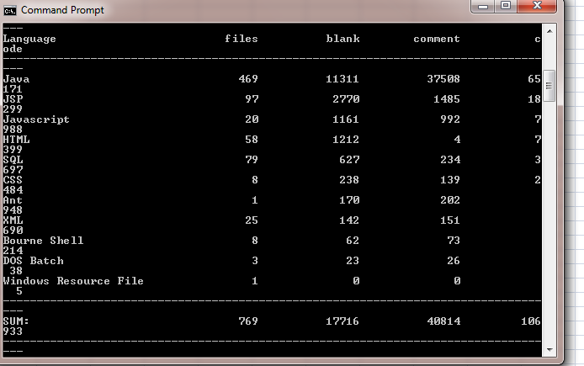
 | SLOC | Bugs | Defect Density | SLOC
version3.1.0 | 165 | 23.00 | 0.13939393939 | 17716 | 40814 | 106933 | Counting SLOC
version4.3.2 | 247 | 15.00 | 0.060728744939 | 27439 | 58853 | 160573
version4.2.4 | 653 | 18.00 | 0.027565084227 | 76051 | 126974 | 449526
version4.3.0 | 246 | 27.00 | 0.10975609756 | 27290 | 58626 | 159745
version4.2.1 | 723 | 7.00 | 0.0096818810512 | 84622 | 148124 | 490661
Latest(4.5.1) | 261 | 3.00 | 0.011494252874 | 28949 | 61920 | 170558

