MacroWarning
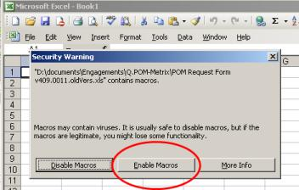
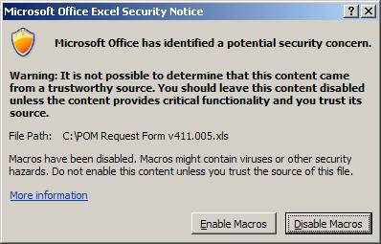
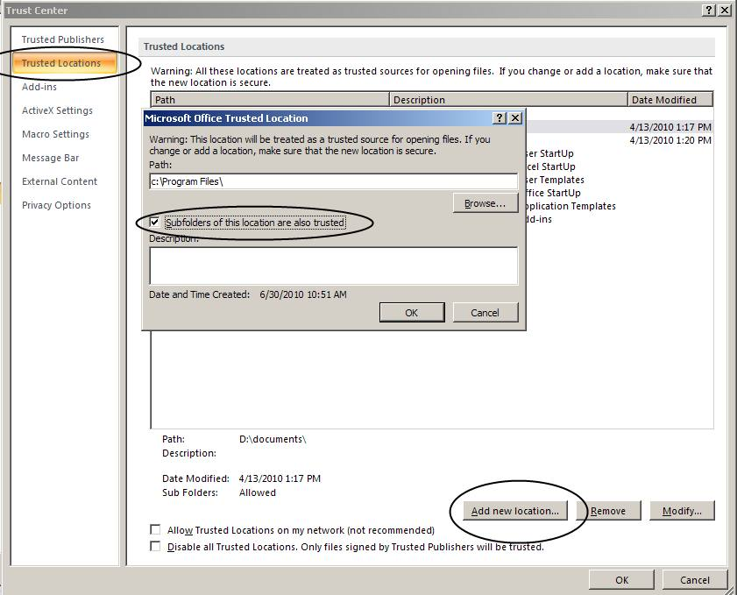
Warning: if this sheet appeared when opening this spreadsheet your macro protections are too high or you did not select
enable macros when opening. To fix this issue follow these 2 steps. (Scroll down to see screen shots.)

1. Enable content for this workbook when opening
or - make the location the file is in (defaults to c:/Program Files) trusted
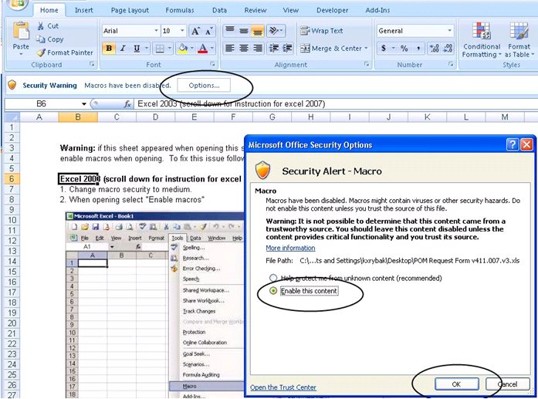

2. When opening select "Enable macros"

Step 0
CDT Options
Click For
Training
Populate all green fields with customer data.
Deal Description
Requested Due Date | 2018-10-11
Expedited? | FALSE | Contract
Alternate / Primary Input | Primary
Opportunity Type

Affiliate

ROME Oppty # |  | Ims Deal Number |  | User Permissions | Step 0 Errors and Omissions
Primary ATTUID |  | Ims Version
SAART AGID# |  | IMS2 Status
ROME Support Request ID |  | Submitted Status
ROME Work Req/Bid ID |  | Assigned ICB PMgr

 |  | Last Save
 |  | Permissions | Read/Write

Segment |  | MFNs that may apply
Sales Channel
BU
Sales Center VP/RVP
Sales State
Account Executive
TSE/BDM or Coordinator
ICB-PS Request #
ICB-PS Case #
Customer
Oppty Name
Competitor
Competitive Price
Min Threshold App'd Exception:
Comments: Max Length 250 Characters (250 remaining)

ICB Identification
Exists | FALSE
# of Scenarios | 1
Most Likely | 1
Year | 2011
House Bill | FALSE
eRate | FALSE
eRate Market Rate Mode? | FALSE
Customer Contracts? | FALSE
Customer Contract
Customer Contract ID
Voltage Promo CDT? | FALSE
Info from eCRM? | FALSE
Status
Submitted to cost pre-process? | FALSE
Submitted? | FALSE
Submitted to ICB? | FALSE
Submitted to Cost? | FALSE
Assigned? | FALSE
Loaded in Model? | FALSE
Read Only? | FALSE
Locked | FALSE
Locked by

