Home Page

Summary Page
 | Next Level Space

Data
Dashboard
 |  | Sindhu Heights
 |  | G+7 Stand-alone Building
 |  | 1 & 2 BHK Furnished Flats
Insights
 |  | Location - Kalyan | In today's world, Real estate, Food and Medical industry are prime. Even in market up-downs,
 |  |  | there is no major effect on these sectors. The motive of choosing Real Estate as my project topic is to highlight the growth,
 |  |  | preferences of clients buying the properties, evaluation of property appreciation and how this analysis
In today's world, Real estate, Food and Medical industry are prime. Even in market up-downs, there is no major effect on these sectors. The motive of choosing Real Estate as my project topic is to highlight the growth, preferences of clients buying the properties, evaluation of property appreciation and how this analysis would help anyone get perfect insights of this particular project.
Conclusion
Purpose :- |  |  | would help anyone get perfect insights of this particular project.

Dashboard
Analysis of the Project
Back
Next

Total Bookings
 | Total
June | 6
August | 6
September | 5
October | 7
November | 4
Juy | 5
Comparison of Booked VS Not booked
 | Sum of Countif Not Booked | Sum of Countif Booked
Total | 266 | 33
Percent of 1BHK & 2 BHK
 | Total
1 BHK | 253
2 BHK | 46

Client's Budget vs Final Price
 | Total
29,00,000 | 3400000
30,00,000 | 3300000
31,00,000 | 6600000
32,00,000 | 3400000
33,00,000 | 10200000
34,00,000 | 13400000
35,00,000 | 43700000
45,00,000 | 5500000
50,00,000 | 16400000
52,00,000 | 10800000
55,00,000 | 11000000
 | Total
1 BHK | 25
2 BHK | 8

Insights
Back
Insights
Next

Key Highlights of Analysis :-
1) Total number of bookings in each month.
2) Comparison between number of 1 BHK and 2 BHK flats.
3) Difference between bookings and not booked flats.
4) Analysis of clients' budget and how much of a difference is there according to our Quoting price.
5) Analysis of whether the client's preference is more of 1 BHK or 2 BHK.

Summary
Back
Summary
Project overview --> Next Level Space, Kalyan (E).
Type : Residential
Key features --> Fully Furnished flats.
Target Audience --> This development is located near major transportation hubs that includes railway station and rickshaws. It is surrounded by schools, parks, hospitals and market. The demand for mixed-use spaces in this developing city makes this a prime investment for professionals and families.
Investment potential --> With a projected ROI of 12% annually from rental income and the demand for luxury residential spaces, Next level Space gives a high investment opportunity.
Next

Conclusion
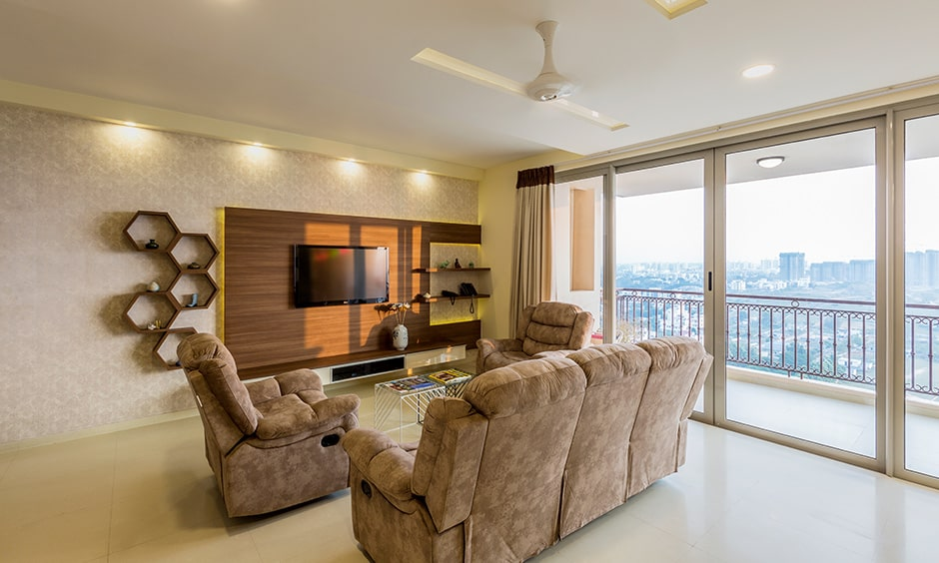
Back
Conclusion
Every person's vision list includes getting a house of their own in their dream city.
In this project I have highlighted the preference and buying behaviour of clients while planning to buy a residency.
With the location of the development being prime and all the amenities provided, thinking to invest in our project can result in great outcome.
Real estate is a huge industry these days, and thus analyzing the trends would be a great topic to cover.

