Loss and Acc Curves
Model | Model Architecture and Description | Loss Curve | Accuracy Curve
Model 1 | 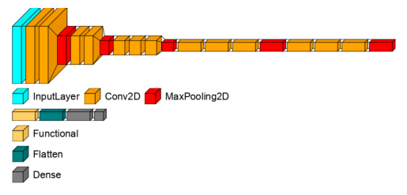 VGG16 model with untrainable Convolutional Layers and replacing the classifier with a flatten layer, dense layer with Relu activation and output layer with Softmax activation function
Model 2 | The configuration is the same as model 1, in addition to that we introduce data augmentation for training the model
Model 3 | 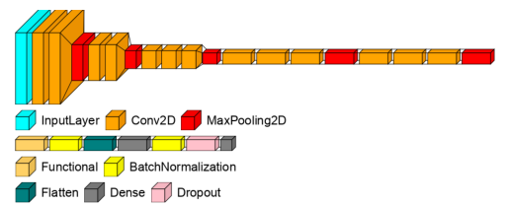 The configuration is the same as model 1, in addition to that we introduce data augmentation for training and regularization methods such as Batch Normalization and Dropout Layer
Model 4 | VGG16 model with fully trainable weights and replacing the classifier with a flatten layer, dense layer with Relu activation and output layer with Softmax activation function.

