ABOUT
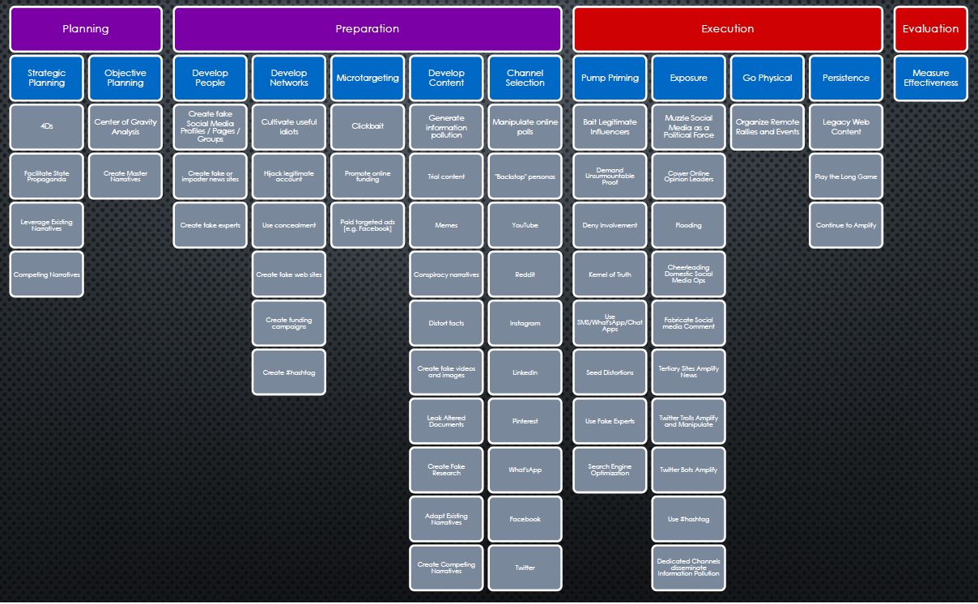
AMITT framework - working draft 2.0

These are the working sheets for AMITT version 2.0
Version 1.0 is the image below

