Bezier
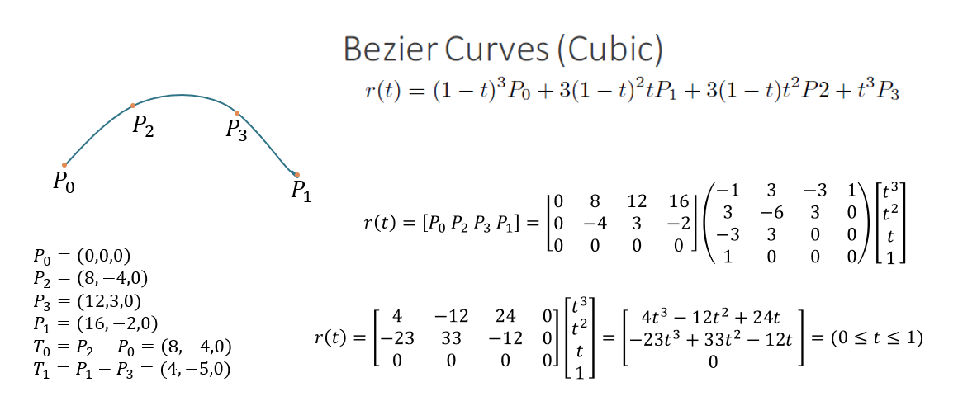

 | Step 1: Input your 4 points here |  |  |  | Bezier Matrix
 | P0 | P2 | P3 | P1 | -1.00 | 3.00 | -3.00 | 1.00
X |  |  |  |  | 3.00 | -6.00 | 3.00 | 0.00
Y |  |  |  |  | -3.00 | 3.00 | 0.00 | 0.00
Z |  |  |  |  | 1.00 | 0.00 | 0.00 | 0.00

 | Step 2: Calculate the final matrix
 | Final matrix
 | t3 | t2 | t | 1 | How to do Step 2? Select all the cells in your final matrix
X |  |  |  |  | "=MMULT(Input_matrix,bezier_matrix)"
Y |  |  |  |  | or "=MMulti(Input_matrix,bezier_matrix)" in older version
Z

 | Step 3: Calculate the waypoints given t
 | t | x | y | z
 | 0
 | 0.1
 | 0.2
 | 0.3
 | 0.4
 | 0.5
 | 0.6
 | 0.7
 | 0.8
 | 0.9
 | 1

ferguson
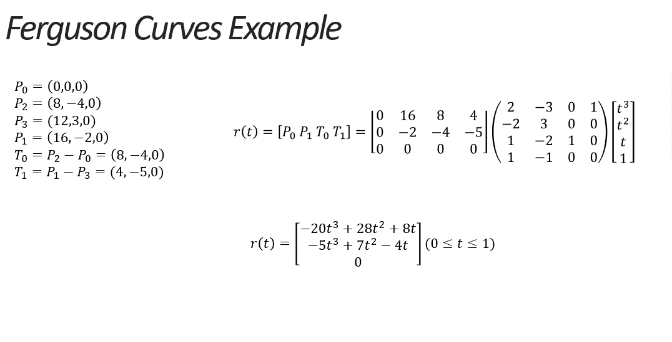

Step 1: Input your 4 points here |  |  |  |  | Ferguson Matrix
 | P0 | P2 | P3 | P1 | 2 | -3 | 0 | 1
X |  |  |  |  | -2 | 3 | 0 | 0
Y |  |  |  |  | 1 | -2 | 1 | 0
Z |  |  |  |  | 1 | -1 | 0 | 0

Step 2: Calculate T0 and T1
 | P0 | P1 | T0 | T1
X
Y
Z

 | Step 3: Calculate the final matrix
 | Final matrix
 | t3 | t2 | t | 1
X
Y
Z

 | Step 4: Calculate the waypoints given t
 | t | x | y | z
 | 0.00
 | 0.10
 | 0.20
 | 0.30
 | 0.40
 | 0.50
 | 0.60
 | 0.70
 | 0.80
 | 0.90
 | 1.00

