Sheet2
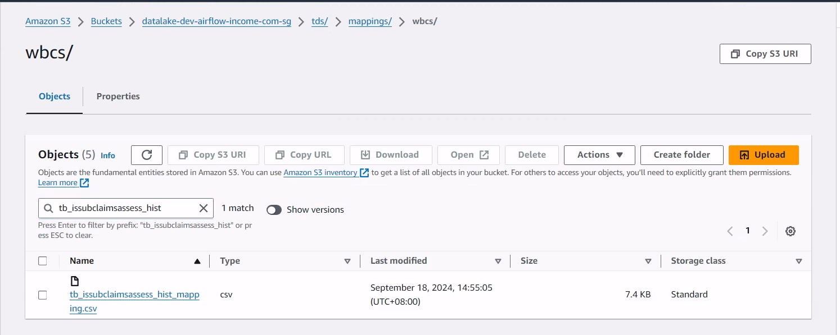
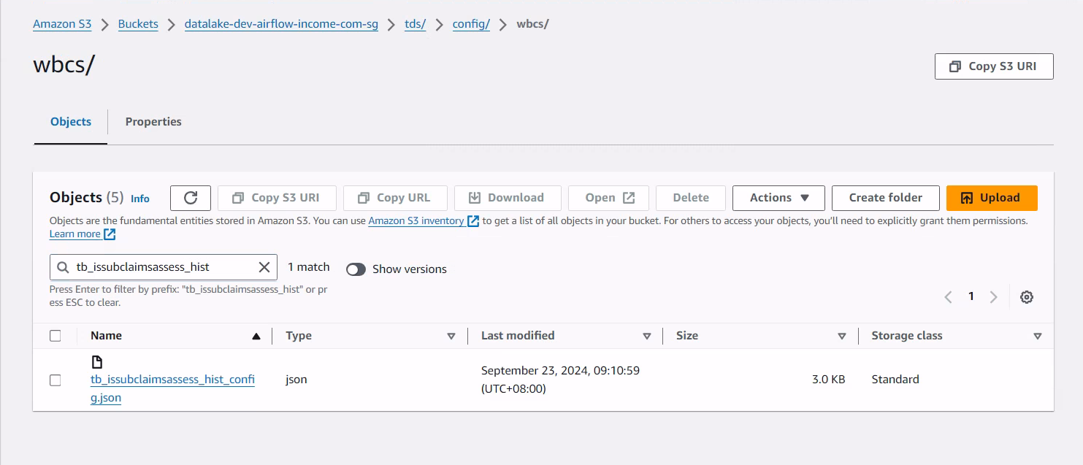
input mapping template to the config generator script to generate a run-time table config in the standard bucket location

Sheet5
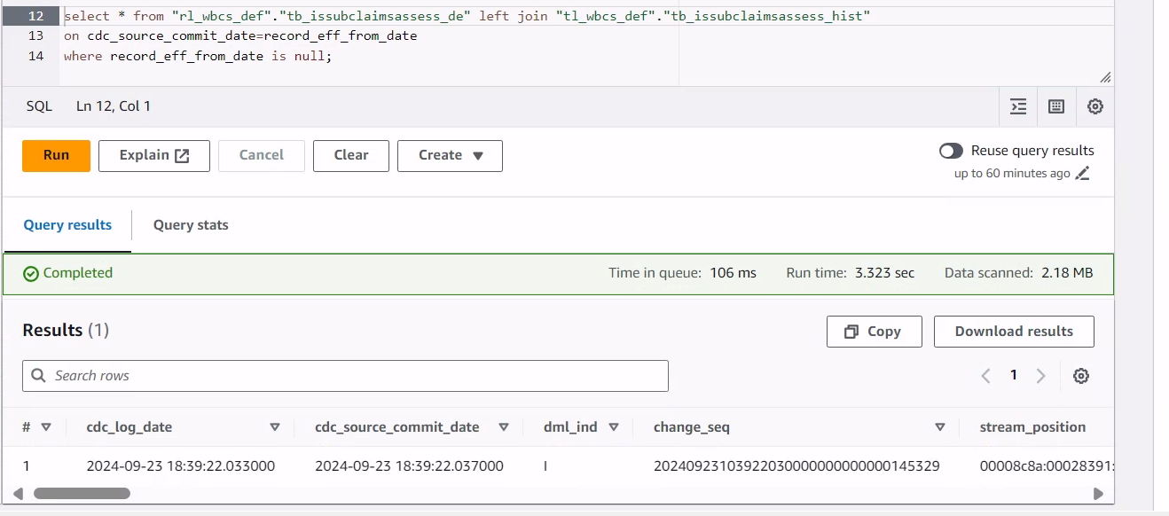
The Result is empty That means all the record from driver table is inserted into history table based on cdc_source_commit_date

TC006
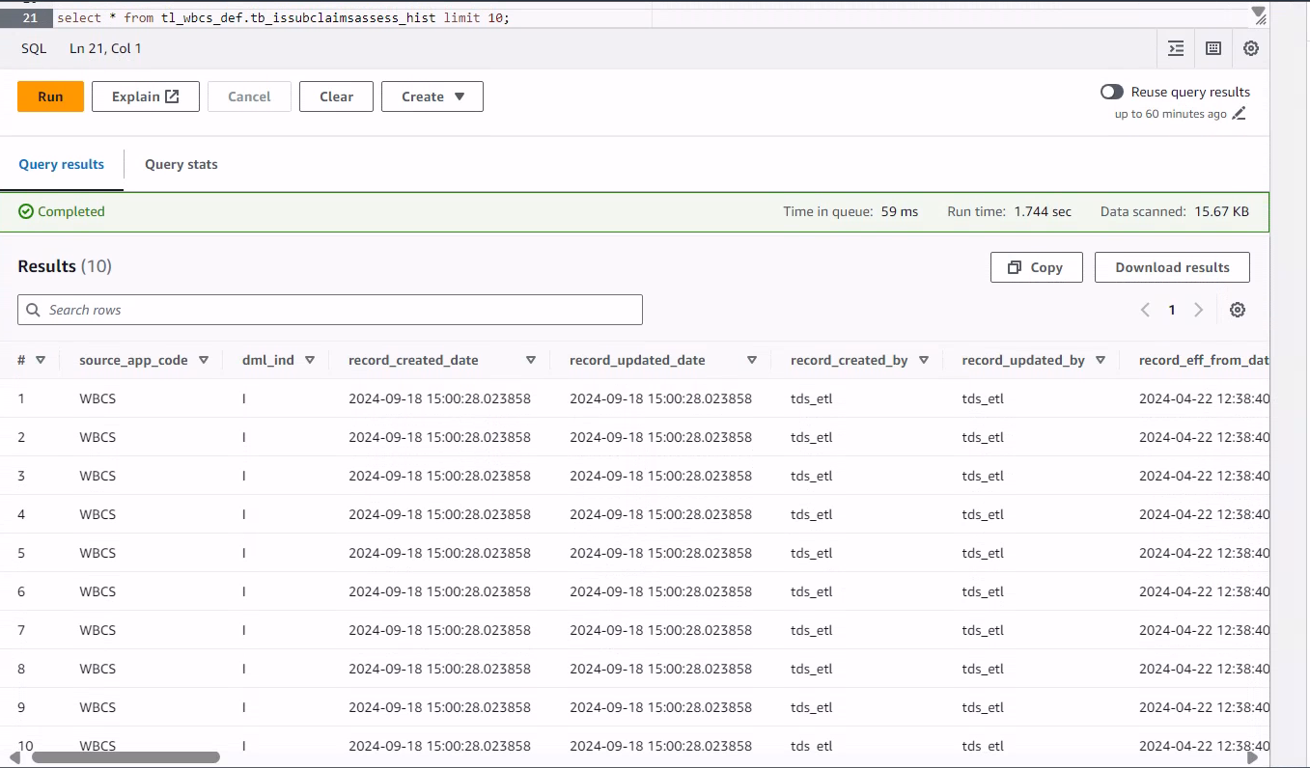
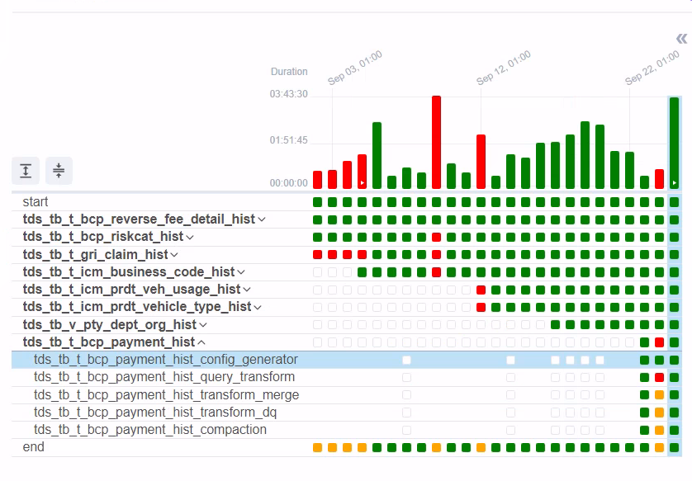
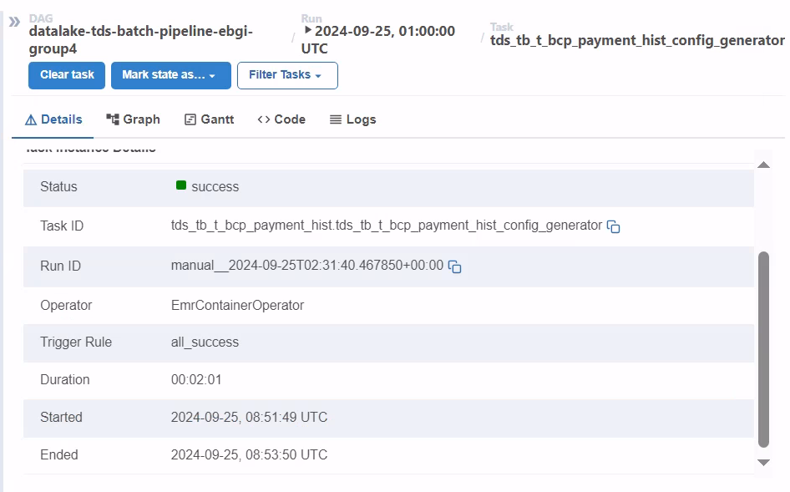

Intermediate Staging

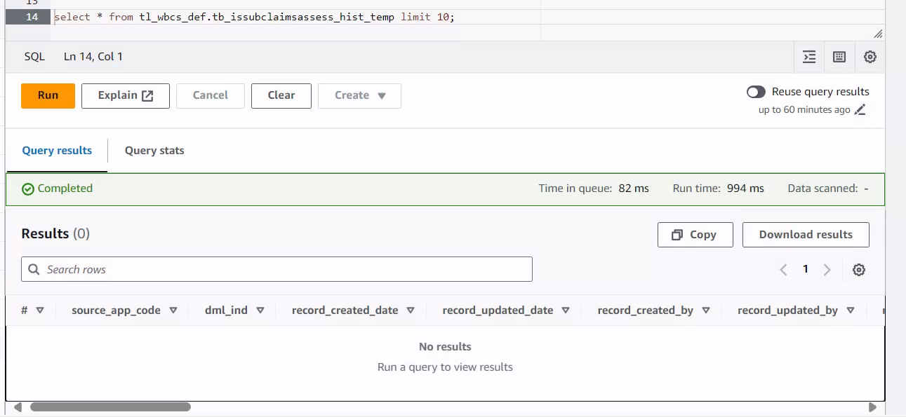

Final Merge

TC008
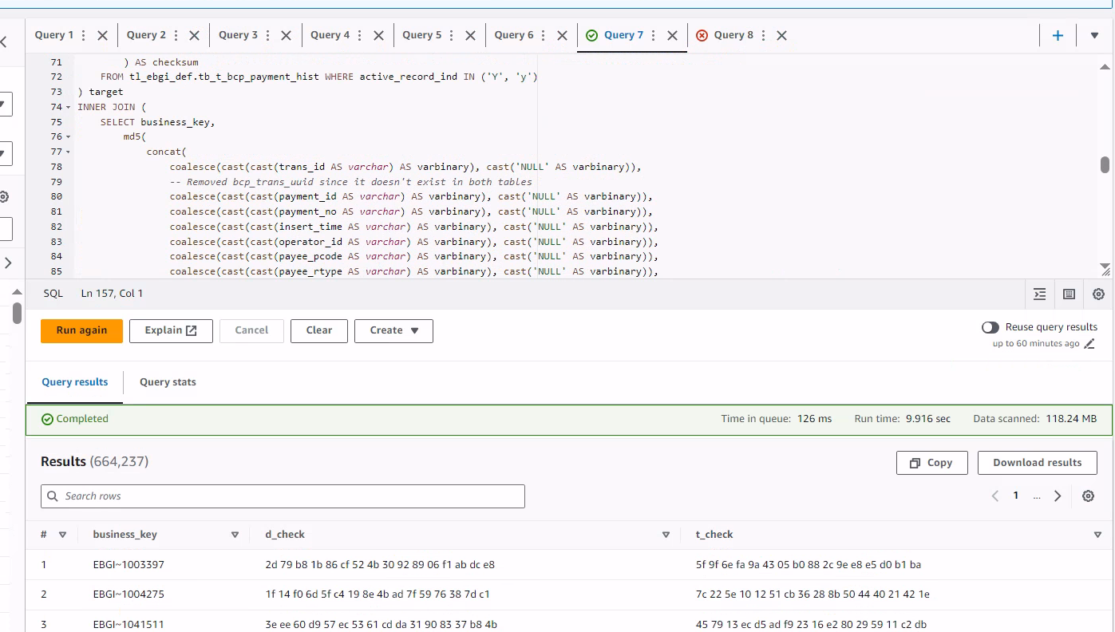
Validate the datatype & checksum

TC009
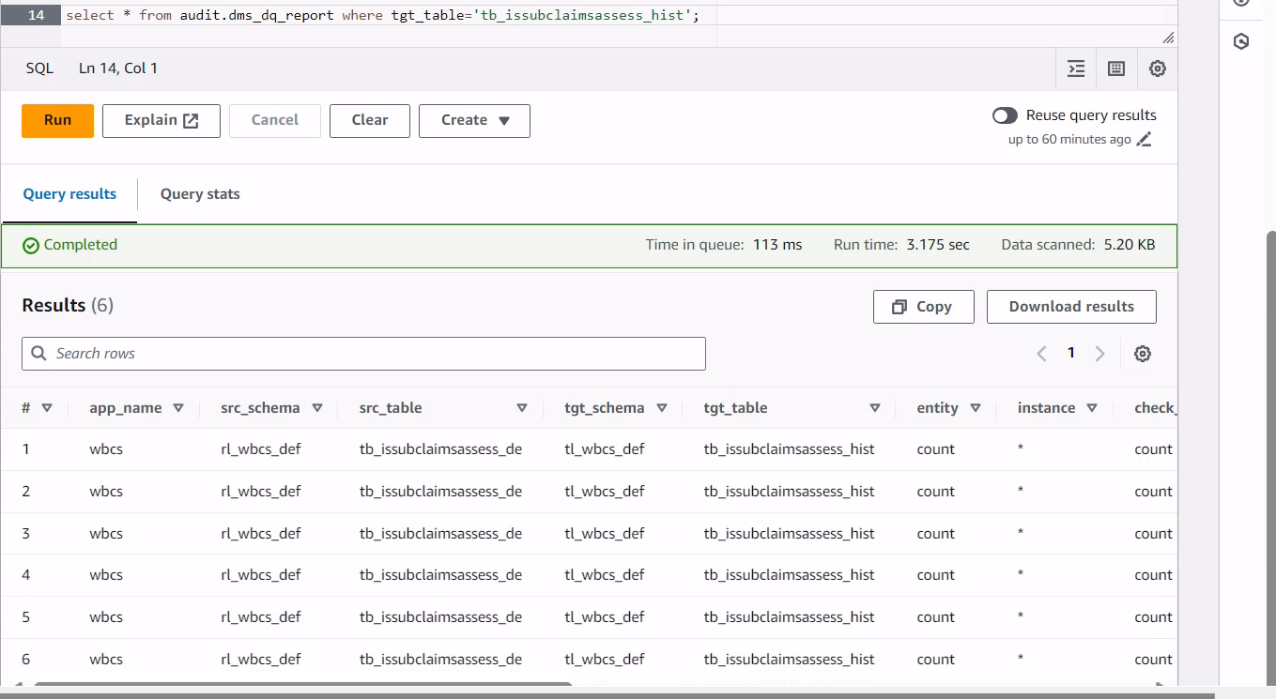
DQ count check across loads (INIT/INCR)

TC010
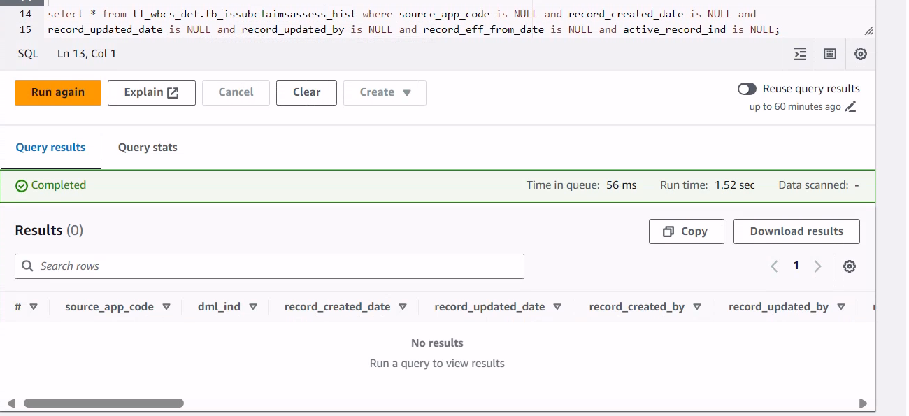
Population of all audit columns

TC0012
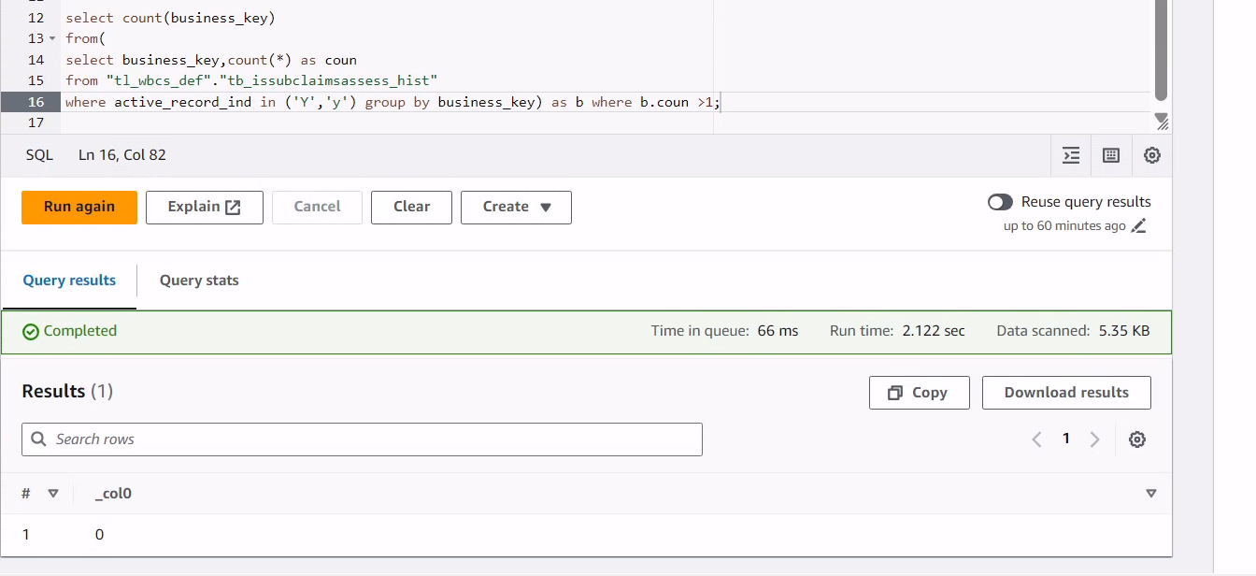
Check for data duplicates

TC0013
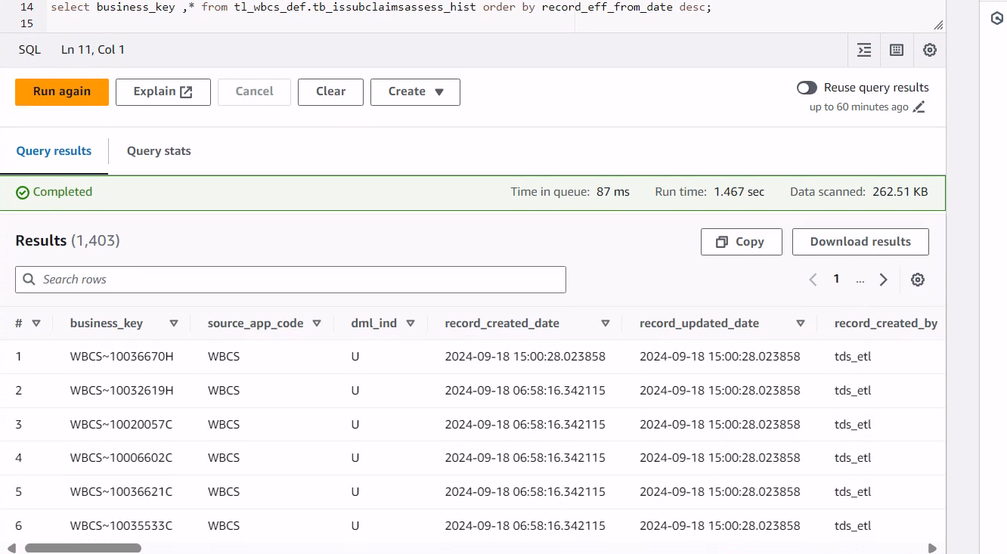
The records are extracted incrementally based on the based audit field cdc_source_commit_date

Hist table before record insert

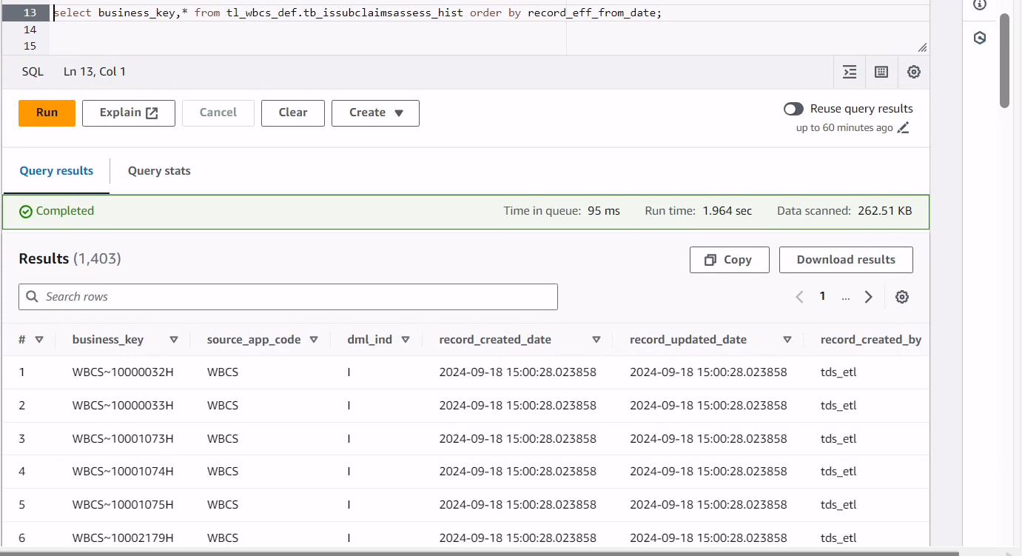

Inserted new records at current time in driver

Driver table

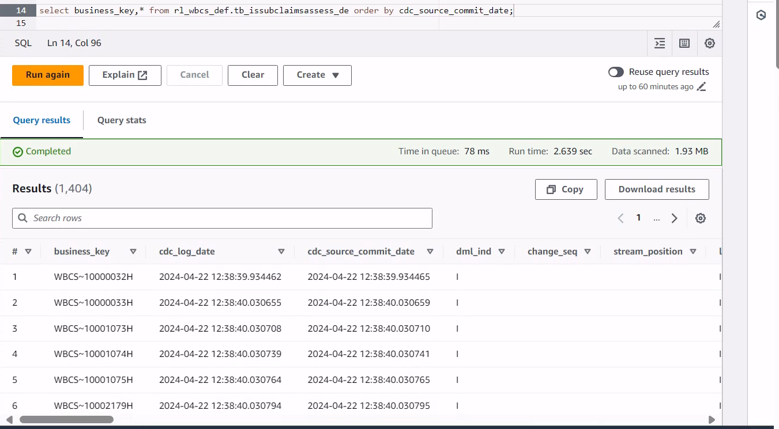

Hist table after Incremental Load

TC0014
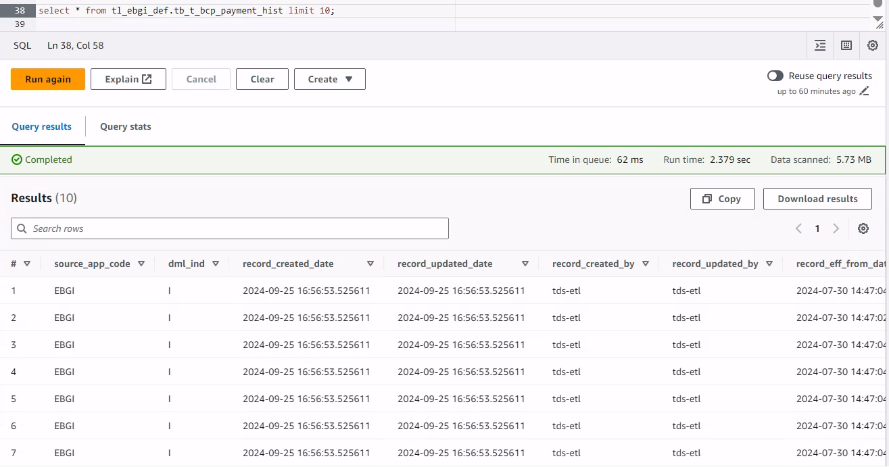
DAG run Successfully

Intermediate Staging

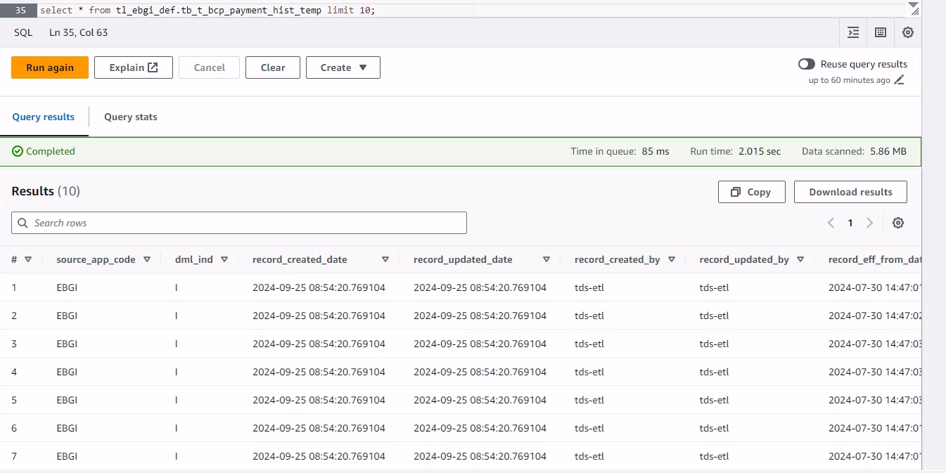

Final Merge

