Project Timeline
YOUR PROJECT |  |  |  | Download #1 Free timeline add-in for PowerPoint
TIMELINE
 | POSITION |  | DATE
Kick Off | 15 | 5/10/2015 | 1
Milestone 1 | 5 | 6/7/2015 | 1
Milestone 2 | 10 | 7/21/2015 | 1
Checkpoint A | -5 | 8/1/2015 | 1
Milestone 3 | 5 | 9/20/2015 | 1
Milestone 4 | 10 | 10/30/2015 | 1
Checkpoint B | -5 | 12/20/2015 | 1
Milestone 5 | 5 | 1/30/2016 | 1
Milestone 6 | 15 | 2/10/2016 | 1
Milestone 7 | 5 | 3/30/2016 | 1
Checkpont C | -5 | 5/20/2016 | 1
Sign Off | 15 | 5/30/2016 | 1

PROJECT DETAILS
DATE | MILESTONE | POSITION
2015-05-10 | Kick Off | 15
2015-06-07 | Milestone 1 | 5
2015-07-21 | Milestone 2 | 10
2015-08-01 | Checkpoint A | -5
2015-09-20 | Milestone 3 | 5
2015-10-30 | Milestone 4 | 10 | Make beautiful timelines in PowerPoint for important meetings.
2015-12-20 | Checkpoint B | -5
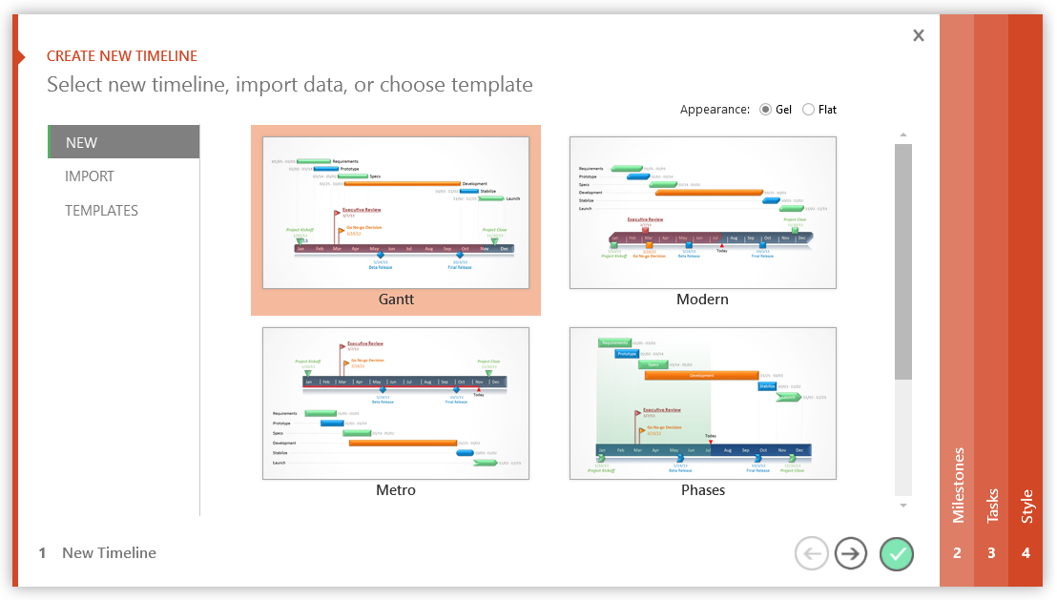
2016-01-30 | Milestone 5 | 5
2016-02-10 | Milestone 6 | 15 |  |  | www.officetimeline.com
2016-03-30 | Milestone 7 | 5
2016-05-20 | Checkpont C | -5 |  |  | Make professional timelines quickly and easily, right inside PowerPoint.
2016-05-30 | Sign Off | 15
Project Timeline Tips:
The role of the Position values in the Project Details table is to prevent the Milestone labels from overlapping each other on the timeline. Use positive numbers to position labels above the timeline and negative numbers to position them below.
To add additional Milestones, either insert new rows within the table or start typing below the last table entry and the table will automatically expand to accommodate your newly added data.

3 Easy steps to instantly turn Excel data into a PowerPoint slide
1. Download Office Timeline Plus Edition for PowerPoint.
2. Open PowerPoint and click on NEW Timeline from the Office Timeline tab inside of PowerPoint. Copy your Excel table paste it into Office Timeline Plus.
3. Click the green check mark to instantly produce you timeline slide.

