References
Nr. | Link | Date of visit (yyyy-mm-dd) | Screenshot
1 | https://www.kijiji.ca/v-apartments-condos/mississauga-peel-region/2-bedroom-legal-basement-available-for-lease/1681942782 |  | 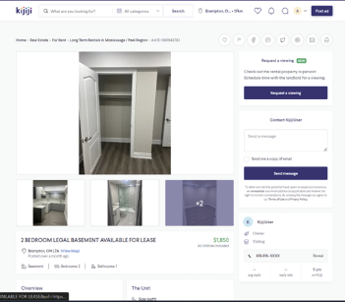
2 | https://www.kijiji.ca/v-apartments-condos/mississauga-peel-region/morning-star-apartments-2-bdrm-available-at-3420-3425-morning/1663969803
3 | https://www.kijiji.ca/v-apartments-condos/mississauga-peel-region/for-lease-1-br-apartment-live-work-mississauga-streetsvil/1686347806 |  | 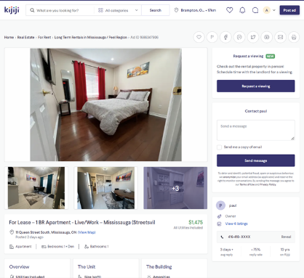
4 | https://www.kijiji.ca/v-apartments-condos/mississauga-peel-region/1br-basement-studio-style-apartment-for-rent-lease/1686235295 |  | 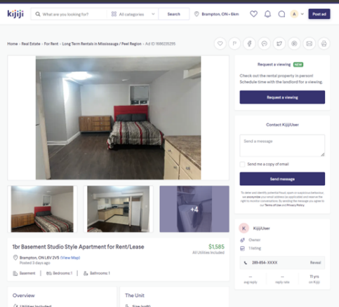
5 | https://www.kijiji.ca/v-apartments-condos/mississauga-peel-region/2-beds-1-bath-appartment/1685981949 |  | 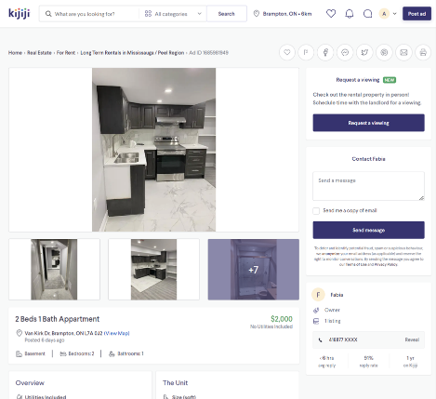
6 | https://www.kijiji.ca/v-apartments-condos/mississauga-peel-region/brampton-1-bedroom-apartment-for-rent-182-church-street-east/1674480338 |  | 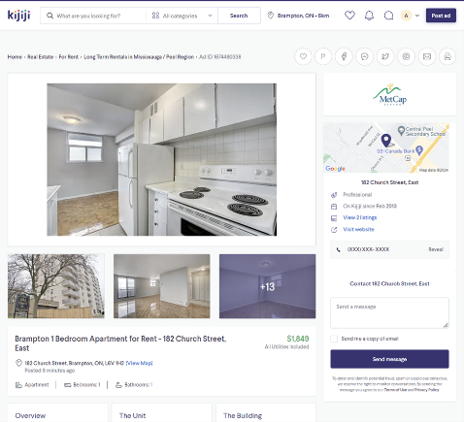
7 | https://www.kijiji.ca/v-apartments-condos/mississauga-peel-region/2300-2-bed-2-bath-condo-for-rent-in-mount-pleasant/1680688972 |  | 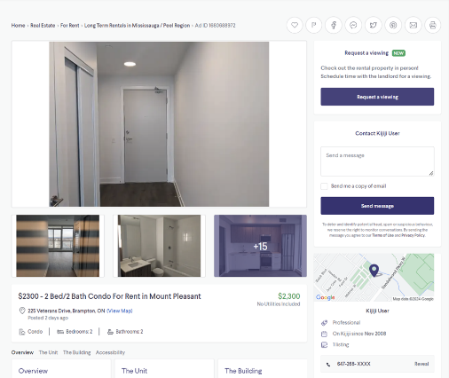
8 | https://www.kijiji.ca/v-apartments-condos/mississauga-peel-region/large-1-bedroom-den-basement-apt/1686531504 |  | 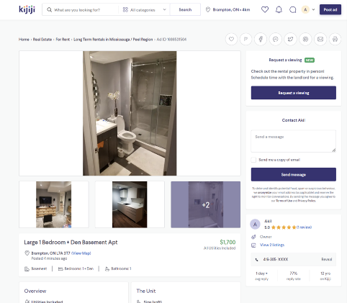
9 | https://www.kijiji.ca/v-apartments-condos/mississauga-peel-region/legal-basement-2-bedroom-1-bathroom/1680170013 |  | 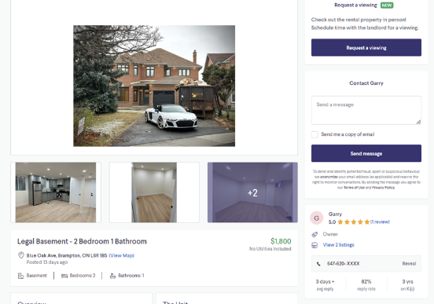
10 | https://www.kijiji.ca/v-apartments-condos/mississauga-peel-region/house-for-rent-in-brampton-airport-rd-bovaird-dr/1686079365 |  | 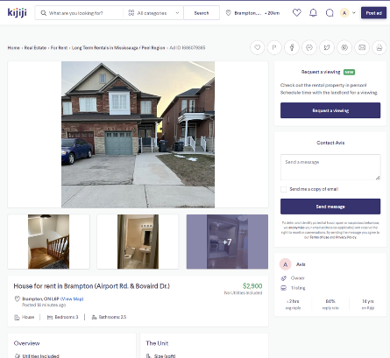
11 | https://www.kijiji.ca/v-apartments-condos/mississauga-peel-region/master-bedroom/1686557271 |  | 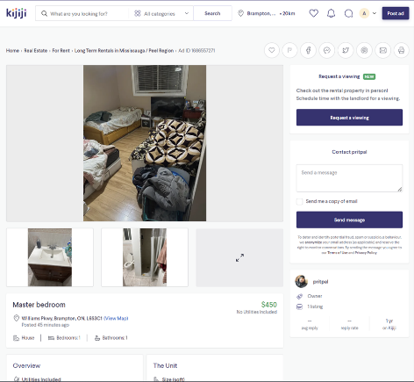
12 | https://www.kijiji.ca/v-apartments-condos/mississauga-peel-region/house-for-rent-in-brampton/1686555631 |  | 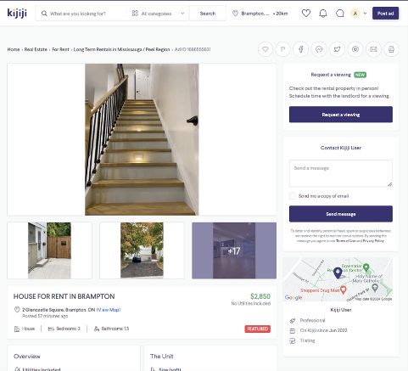
13 | https://www.kijiji.ca/v-apartments-condos/mississauga-peel-region/basement-apartment-for-rent/1682196541 |  | 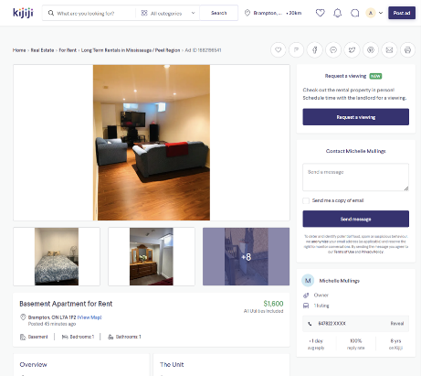
14
15
16
17
18

