Table 2
Federal Subsidies for Health Insurance Coverage for People Under Age 65 (Includes Effects of the Affordable Care Act): CBO and JCT’s July 2021 Baseline Projections
 |  |  |  |  |  |  |  |  |  |  |  | July 2021
Table 2. CBO and JCT’s July 2021 Projections for Net Federal Subsidies for Health Insurance Coverage, 2021 to 2031
Billions of Dollars, by Fiscal Year

 | 2021 | 2022 | 2023 | 2024 | 2025 | 2026 | 2027 | 2028 | 2029 | 2030 | 2031 | Total, 2022–2031
Employment-Based Coverage
Tax exclusion for employment-based coverage | 313 | 314 | 324 | 338 | 352 | 394 | 424 | 447 | 472 | 499 | 530 | 4,095
Income tax deduction for self-employment health insurance | 4 | 4 | 4 | 4 | 4 | 5 | 6 | 6 | 6 | 7 | 7 | 54
Small-employer tax credits | * | * | * | * | * | * | * | * | * | * | * | *
Subtotal | 316 | 318 | 328 | 343 | 356 | 399 | 430 | 453 | 478 | 506 | 538 | 4,149
Medicaid and CHIP
Blind and Disabled | 159 | 166 | 149 | 151 | 155 | 162 | 169 | 177 | 185 | 193 | 202 | 1,710
Children | 95 | 100 | 94 | 98 | 101 | 106 | 112 | 118 | 124 | 131 | 138 | 1,123
Adults made eligible for Medicaid by the ACA | 91 | 94 | 95 | 100 | 106 | 114 | 123 | 133 | 142 | 153 | 163 | 1,225
Adults otherwise eligible for Medicaid | 73 | 77 | 78 | 80 | 85 | 90 | 95 | 100 | 106 | 113 | 120 | 943
CHIP | 16 | 16 | 15 | 16 | 16 | 17 | 18 | 18 | 19 | 19 | 20 | 174
Subtotal | 434 | 455 | 431 | 443 | 464 | 489 | 517 | 546 | 577 | 609 | 643 | 5,174
Marketplace-Related Coverage and the Basic Health Program
Premium tax credit and 1332 waiver outlays | 55 | 64 | 39 | 42 | 44 | 46 | 46 | 49 | 51 | 53 | 55 | 488
Premium tax credit revenue reductions | 11 | 11 | 22 | 13 | 13 | 14 | 15 | 16 | 17 | 18 | 19 | 157
Subtotal | 66 | 75 | 61 | 54 | 57 | 59 | 61 | 65 | 68 | 71 | 74 | 645
Outlays for the Basic Health Program | 7 | 8 | 8 | 8 | 8 | 8 | 9 | 9 | 10 | 10 | 10 | 89
Collections for risk adjustment | -6 | -6 | -6 | -6 | -6 | -7 | -7 | -7 | -8 | -8 | -9 | -70
Payments for risk adjustment | 6 | 6 | 6 | 6 | 6 | 7 | 7 | 7 | 8 | 8 | 9 | 69
Subtotal | 74 | 83 | 69 | 62 | 65 | 67 | 70 | 74 | 77 | 81 | 85 | 732
Medicare | 117 | 122 | 128 | 133 | 144 | 152 | 161 | 173 | 173 | 187 | 196 | 1,570
Gross Subsidies | 940 | 977 | 956 | 981 | 1,029 | 1,108 | 1,177 | 1,246 | 1,306 | 1383 | 1,462 | 11,626
Taxes and Penalties Related to Coverage
Gross collections of employer penalties | -1 | -1 | -1 | -1 | -2 | -2 | -2 | -2 | -2 | -2 | -2 | -17
Subtotal | -1 | -1 | -1 | -1 | -2 | -2 | -2 | -2 | -2 | -2 | -2 | -17
Net Subsidies | 939 | 976 | 955 | 980 | 1,028 | 1,106 | 1,175 | 1,244 | 1,304 | 1381 | 1,460 | 11,609
Memorandum:
Gross subsidies as a percentage of GDP | 4.2 | 4.02 | 3.77 | 4 | 4 | 4 | 4 | 4 | 4 | 4 | 4.34
Net subsidies as a percentage of GDP | 4.19 | 4.01 | 3.77 | 4 | 4 | 4 | 4 | 4 | 4 | 4 | 4.34

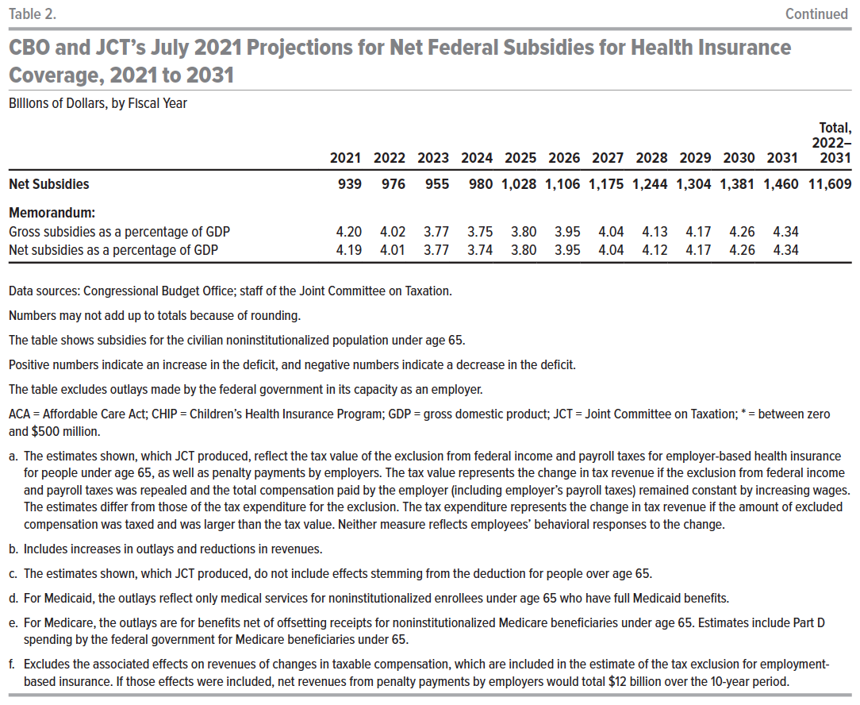
Back to Table of Contents

