Table 1
Federal Subsidies for Health Insurance Coverage for People Under Age 65: CBO and JCT’s May 2022 Baseline Projections

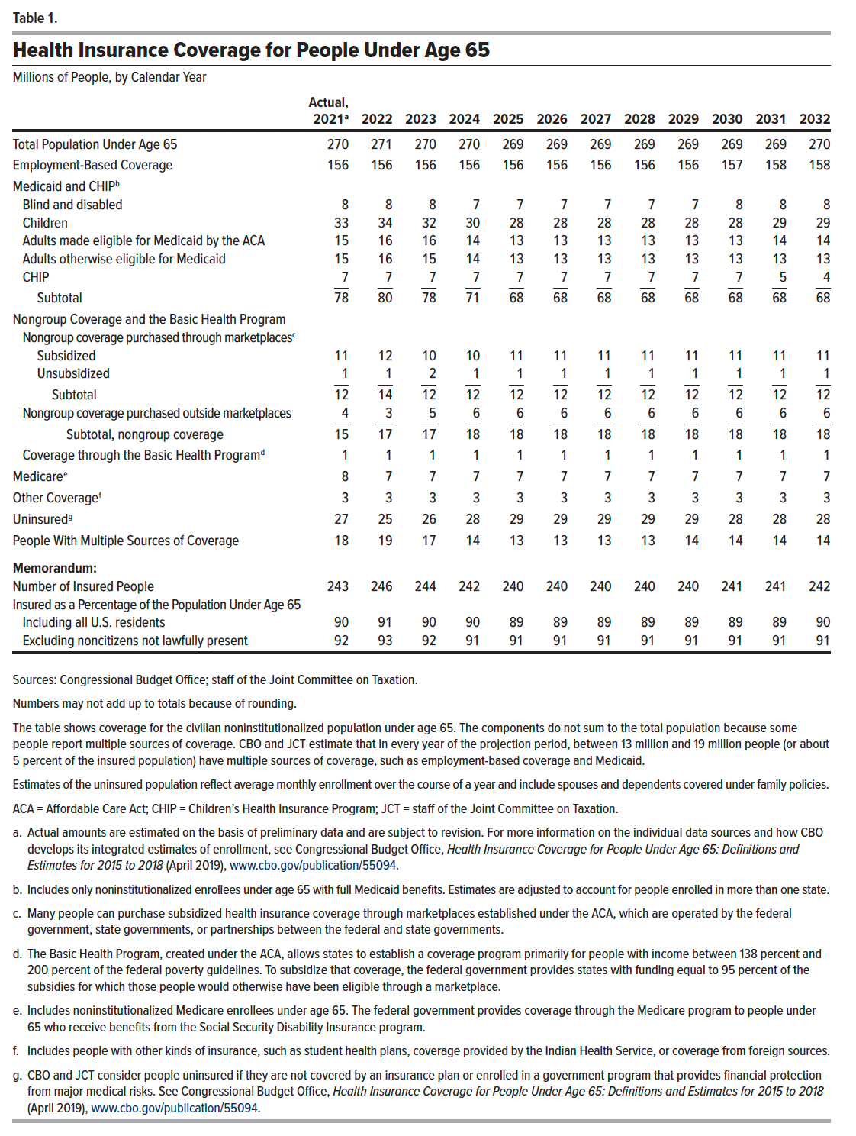
Table 1. Health Insurance Coverage for People Under Age 65
Millions of People, by Calendar Year

 | Actual, 2021 | 2022 | 2023 | 2024 | 2025 | 2026 | 2027 | 2028 | 2029 | 2030 | 2031 | 2032
Total Population Under Age 65 | 269.6 | 270.6 | 270.1 | 269.7 | 269.4 | 269.1 | 268.9 | 268.8 | 268.9 | 269.1 | 269.5 | 270.0
Employment-Based Coverage | 155.6 | 155.6 | 155.6 | 156.0 | 156.0 | 156.0 | 156.2 | 156.2 | 156.4 | 156.7 | 157.5 | 158.1
Medicaid and CHIP
Blind and disabled | 7.7 | 7.6 | 7.5 | 7.5 | 7.4 | 7.4 | 7.5 | 7.5 | 7.5 | 7.5 | 7.5 | 7.6
Children | 33.5 | 33.9 | 32.5 | 29.8 | 28.3 | 28.2 | 28.1 | 28.0 | 28.0 | 27.9 | 28.7 | 29.3
Adults made eligible for Medicaid by the ACA | 15.1 | 16.2 | 15.6 | 13.7 | 12.8 | 13.0 | 13.1 | 13.3 | 13.4 | 13.5 | 13.7 | 13.8
Adults otherwise eligible for Medicaid | 15.3 | 15.9 | 15.2 | 13.5 | 12.7 | 12.7 | 12.7 | 12.7 | 12.8 | 12.8 | 12.8 | 12.8
CHIP | 6.9 | 6.8 | 6.8 | 6.8 | 6.7 | 6.7 | 6.7 | 6.7 | 6.7 | 6.7 | 5.4 | 4.4
Subtotal | 78.5 | 80.5 | 77.6 | 71.2 | 67.9 | 68.0 | 68.1 | 68.2 | 68.3 | 68.4 | 68.1 | 67.9
Nongroup Coverage and the Basic Health Program
Nongroup coverage purchased through marketplaces
Subsidized | 10.7 | 12.4 | 10.1 | 10.5 | 10.7 | 10.7 | 10.6 | 10.6 | 10.6 | 10.6 | 10.7 | 11.0
Unsubsidized | 1.0 | 1.2 | 1.9 | 1.5 | 1.4 | 1.4 | 1.4 | 1.4 | 1.4 | 1.4 | 1.4 | 1.4
Subtotal | 11.7 | 13.6 | 12.0 | 12.0 | 12.1 | 12.1 | 12.0 | 12.0 | 12.0 | 12.0 | 12.1 | 12.4
Nongroup coverage purchased outside marketplaces | 3.5 | 3.5 | 4.8 | 5.5 | 5.7 | 5.8 | 6.0 | 5.9 | 5.9 | 5.9 | 5.9 | 5.9
Subtotal, nongroup coverage | 15.2 | 17.0 | 16.9 | 17.5 | 17.8 | 17.9 | 18.0 | 17.9 | 17.9 | 17.9 | 18.0 | 18.3
Coverage through the Basic Health Program | 1.0 | 1.1 | 1.0 | 1.0 | 1.0 | 1.0 | 1.0 | 1.0 | 1.0 | 1.0 | 1.0 | 1.0
Medicare | 7.6 | 7.3 | 7.2 | 7.2 | 7.2 | 7.2 | 7.2 | 7.2 | 7.2 | 7.2 | 7.3 | 7.3
Other Coverage | 3.0 | 3.1 | 3.1 | 3.1 | 3.1 | 3.1 | 3.1 | 3.1 | 3.1 | 3.0 | 3.0 | 3.0
Uninsured | 26.7 | 25.1 | 25.8 | 28.0 | 29.0 | 29.0 | 28.9 | 28.7 | 28.6 | 28.4 | 28.3 | 28.2
People With Multiple Sources of Coverage | 18.1 | 19.0 | 17.1 | 14.4 | 12.6 | 13.1 | 13.5 | 13.5 | 13.6 | 13.5 | 13.7 | 13.7
Memorandum:
Number of Insured People | 242.9 | 245.5 | 244.2 | 241.6 | 240.4 | 240.1 | 240.0 | 240.1 | 240.3 | 240.7 | 241.1 | 241.8
Insured as a Percentage of the Population Under Age 65
Including all U.S. residents | 90.1 | 90.7 | 90.4 | 89.6 | 89.3 | 89.2 | 89.3 | 89.3 | 89.4 | 89.4 | 89.5 | 89.6
Excluding noncitizens not lawfully present | 92.1 | 92.7 | 92.3 | 91.5 | 91.1 | 91.1 | 91.1 | 91.2 | 91.2 | 91.3 | 91.4 | 91.5

Back to Table of Contents

Table 2
Federal Subsidies for Health Insurance Coverage for People Under Age 65: CBO and JCT’s May 2022 Baseline Projections

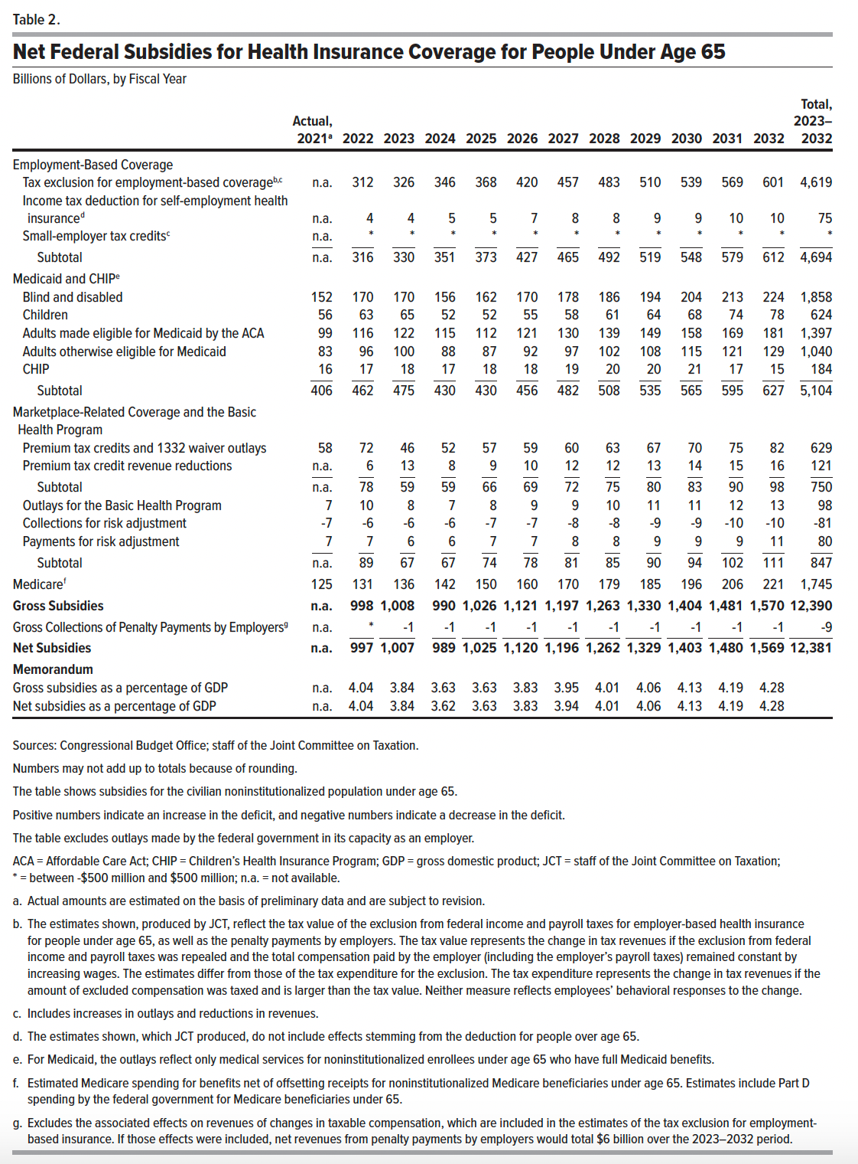
Table 2. Net Federal Subsidies for Health Insurance Coverage for People Under Age 65
Billions of Dollars, by Fiscal Year

 | Actual, 2021 | 2022 | 2023 | 2024 | 2025 | 2026 | 2027 | 2028 | 2029 | 2030 | 2031 | 2032 | Total, 2023–2032
Employment-Based Coverage
Tax exclusion for employment-based coverage | n.a. | 312 | 326 | 346 | 368 | 420 | 457 | 483 | 510 | 539 | 569 | 601 | 4,619
Income tax deduction for self-employment health insurance | n.a. | 4 | 4 | 5 | 5 | 7 | 8 | 8 | 9 | 9 | 10 | 10 | 75
Small-employer tax credits | n.a. | * | * | * | * | * | * | * | * | * | * | * | *
Subtotal | n.a. | 316 | 330 | 351 | 373 | 427 | 465 | 492 | 519 | 548 | 579 | 612 | 4,694
Medicaid and CHIP
Blind and disabled | 152 | 170 | 170 | 156 | 162 | 170 | 178 | 186 | 194 | 204 | 213 | 224 | 1,858
Children | 56 | 63 | 65 | 52 | 52 | 55 | 58 | 61 | 64 | 68 | 74 | 78 | 624
Adults made eligible for Medicaid by the ACA | 99 | 116 | 122 | 115 | 112 | 121 | 130 | 139 | 149 | 158 | 169 | 181 | 1,397
Adults otherwise eligible for Medicaid | 83 | 96 | 100 | 88 | 87 | 92 | 97 | 102 | 108 | 115 | 121 | 129 | 1,040
CHIP | 16 | 17 | 18 | 17 | 18 | 18 | 19 | 20 | 20 | 21 | 17 | 15 | 184
Subtotal | 406 | 462 | 475 | 430 | 430 | 456 | 482 | 508 | 535 | 565 | 595 | 627 | 5,104
Marketplace-Related Coverage and the Basic Health Program
Premium tax credits and 1332 waiver outlays | 58 | 72 | 46 | 52 | 57 | 59 | 60 | 63 | 67 | 70 | 75 | 82 | 629
Premium tax credit revenue reductions | n.a. | 6 | 13 | 8 | 9 | 10 | 12 | 12 | 13 | 14 | 15 | 16 | 121
Subtotal | n.a. | 78 | 59 | 59 | 66 | 69 | 72 | 75 | 80 | 83 | 90 | 98 | 750
Outlays for the Basic Health Program | 7 | 10 | 8 | 7 | 8 | 9 | 9 | 10 | 11 | 11 | 12 | 13 | 98
Collections for risk adjustment | -7 | -6 | -6 | -6 | -7 | -7 | -8 | -8 | -9 | -9 | -10 | -10 | -81
Payments for risk adjustment | 7 | 7 | 6 | 6 | 7 | 7 | 8 | 8 | 9 | 9 | 9 | 11 | 80
Subtotal | n.a. | 89 | 67 | 67 | 74 | 78 | 81 | 85 | 90 | 94 | 102 | 111 | 847
Medicare | 125 | 131 | 136 | 142 | 150 | 160 | 170 | 179 | 185 | 196 | 206 | 221 | 1,745
Gross Subsidies | n.a. | 998 | 1,008 | 990 | 1,026 | 1,121 | 1,197 | 1,263 | 1,330 | 1,404 | 1,481 | 1,570 | 12,390
Gross Collections of Penalty Payments by Employers | n.a. | * | -1 | -1 | -1 | -1 | -1 | -1 | -1 | -1 | -1 | -1 | -9
Net Subsidies | n.a. | 997 | 1,007 | 989 | 1,025 | 1,120 | 1,196 | 1,262 | 1,329 | 1,403 | 1,480 | 1,569 | 12,381
Memorandum
Gross subsidies as a percentage of GDP | n.a. | 4.04 | 3.84 | 3.63 | 3.63 | 3.83 | 3.95 | 4.01 | 4.06 | 4.13 | 4.19 | 4.28
Net subsidies as a percentage of GDP | n.a. | 4.04 | 3.84 | 3.62 | 3.63 | 3.83 | 3.94 | 4.01 | 4.06 | 4.13 | 4.19 | 4.28

Back to Table of Contents

