Table 1
Federal Subsidies for Health Insurance Coverage for People Under Age 65: CBO and JCT’s May 2023 Baseline Projections

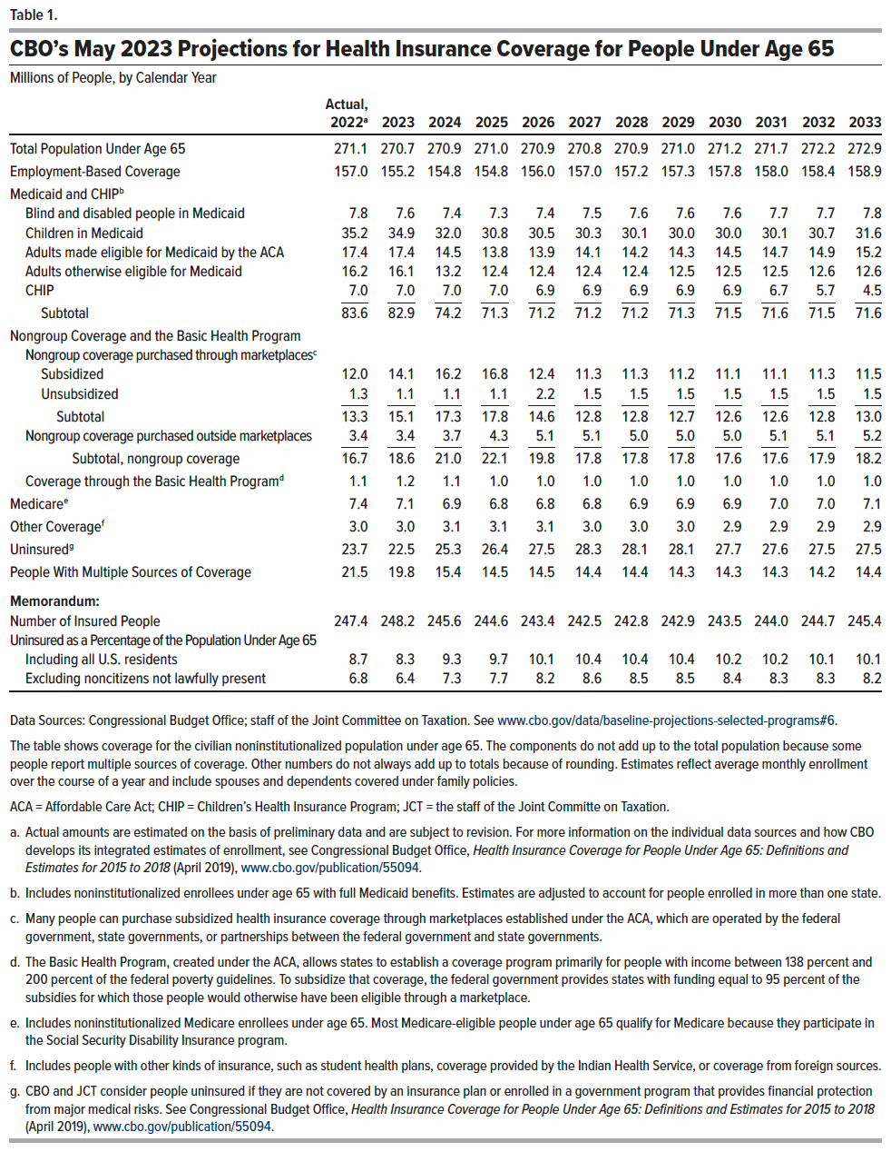
Table 1. Health Insurance Coverage for People Under Age 65
Millions of People, by Calendar Year

 | Actual, 2022 | 2023 | 2024 | 2025 | 2026 | 2027 | 2028 | 2029 | 2030 | 2031 | 2032 | 2033
Total Population Under Age 65 | 271.1 | 270.7 | 270.9 | 271.0 | 270.9 | 270.8 | 270.9 | 271.0 | 271.2 | 271.7 | 272.2 | 272.9
Employment-Based Coverage | 157.0 | 155.2 | 154.8 | 154.8 | 156.0 | 157.0 | 157.2 | 157.3 | 157.8 | 158.0 | 158.4 | 158.9
Medicaid and CHIP
Blind and disabled people in Medicaid | 7.8 | 7.6 | 7.4 | 7.3 | 7.4 | 7.5 | 7.6 | 7.6 | 7.6 | 7.7 | 7.7 | 7.8
Children in Medicaid | 35.2 | 34.9 | 32.0 | 30.8 | 30.5 | 30.3 | 30.1 | 30.0 | 30.0 | 30.1 | 30.7 | 31.6
Adults made eligible for Medicaid by the ACA | 17.4 | 17.4 | 14.5 | 13.8 | 13.9 | 14.1 | 14.2 | 14.3 | 14.5 | 14.7 | 14.9 | 15.2
Adults otherwise eligible for Medicaid | 16.2 | 16.1 | 13.2 | 12.4 | 12.4 | 12.4 | 12.4 | 12.5 | 12.5 | 12.5 | 12.6 | 12.6
CHIP | 7.0 | 7.0 | 7.0 | 7.0 | 6.9 | 6.9 | 6.9 | 6.9 | 6.9 | 6.7 | 5.7 | 4.5
Subtotal | 83.6 | 82.9 | 74.2 | 71.3 | 71.2 | 71.2 | 71.2 | 71.3 | 71.5 | 71.6 | 71.5 | 71.6
Nongroup Coverage and the Basic Health Program
Nongroup coverage purchased through marketplaces
Subsidized | 12.0 | 14.1 | 16.2 | 16.8 | 12.4 | 11.3 | 11.3 | 11.2 | 11.1 | 11.1 | 11.3 | 11.5
Unsubsidized | 1.3 | 1.1 | 1.1 | 1.1 | 2.2 | 1.5 | 1.5 | 1.5 | 1.5 | 1.5 | 1.5 | 1.5
Subtotal | 13.3 | 15.1 | 17.3 | 17.8 | 14.6 | 12.8 | 12.8 | 12.7 | 12.6 | 12.6 | 12.8 | 13.0
Nongroup coverage purchased outside marketplaces | 3.4 | 3.4 | 3.7 | 4.3 | 5.1 | 5.1 | 5.0 | 5.0 | 5.0 | 5.1 | 5.1 | 5.2
Subtotal, nongroup coverage | 16.7 | 18.6 | 21.0 | 22.1 | 19.8 | 17.8 | 17.8 | 17.8 | 17.6 | 17.6 | 17.9 | 18.2
Coverage through the Basic Health Program | 1.1 | 1.2 | 1.1 | 1.0 | 1.0 | 1.0 | 1.0 | 1.0 | 1.0 | 1.0 | 1.0 | 1.0
Medicare | 7.4 | 7.1 | 6.9 | 6.8 | 6.8 | 6.8 | 6.9 | 6.9 | 6.9 | 7.0 | 7.0 | 7.1
Other Coverage | 3.0 | 3.0 | 3.1 | 3.1 | 3.1 | 3.0 | 3.0 | 3.0 | 2.9 | 2.9 | 2.9 | 2.9
Uninsured | 23.7 | 22.5 | 25.3 | 26.4 | 27.5 | 28.3 | 28.1 | 28.1 | 27.7 | 27.6 | 27.5 | 27.5
People With Muliple Sources of Coverage | 21.5 | 19.8 | 15.4 | 14.5 | 14.5 | 14.4 | 14.4 | 14.3 | 14.3 | 14.3 | 14.2 | 14.4
Memorandum:
Number of Insured People | 247.4 | 248.2 | 245.6 | 244.6 | 243.4 | 242.5 | 242.8 | 242.9 | 243.5 | 244.0 | 244.7 | 245.4
Uninsured as a Percentage of the Population Under Age 65
Including all U.S. residents | 8.7 | 8.3 | 9.3 | 9.7 | 10.1 | 10.4 | 10.4 | 10.4 | 10.2 | 10.2 | 10.1 | 10.1
Excluding noncitizens not lawfully present | 6.8 | 6.4 | 7.3 | 7.7 | 8.2 | 8.6 | 8.5 | 8.5 | 8.4 | 8.3 | 8.3 | 8.2

Back to Table of Contents

Table 2
Federal Subsidies for Health Insurance Coverage for People Under Age 65: CBO and JCT’s May 2023 Baseline Projections

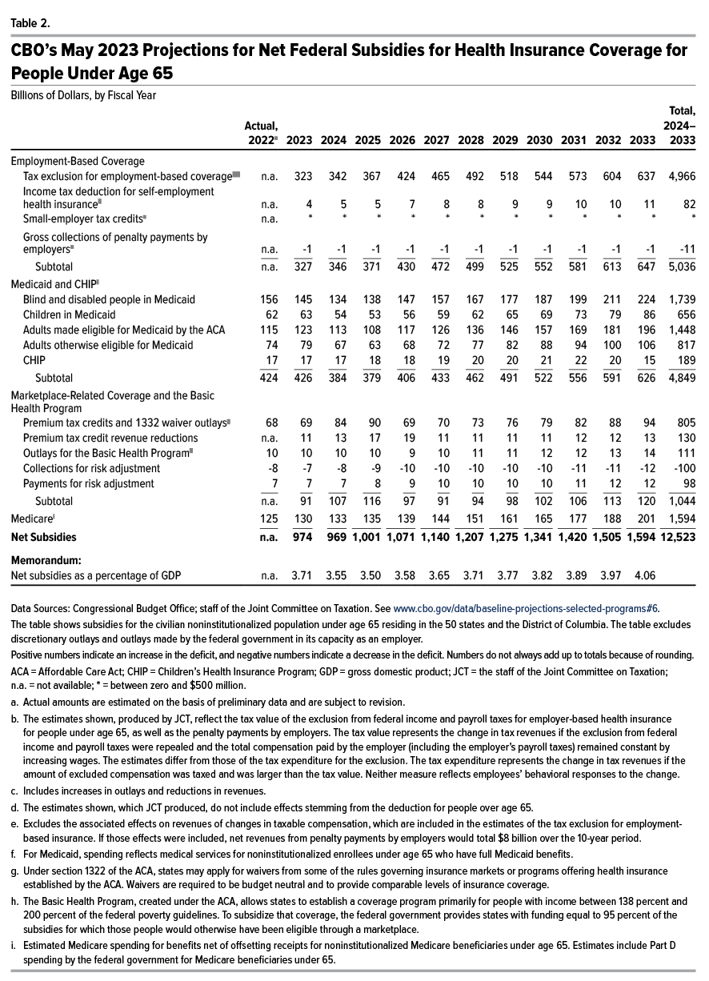
Table 2. Net Federal Subsidies for Health Insurance Coverage for People Under Age 65
Billions of Dollars, by Fiscal Year

 | Actual, 2022 | 2023 | 2024 | 2025 | 2026 | 2027 | 2028 | 2029 | 2030 | 2031 | 2032 | 2033 | Total, 2024–2033
Employment-Based Coverage
Tax exclusion for employment-based coverage | n.a. | 323 | 342 | 367 | 424 | 465 | 492 | 518 | 544 | 573 | 604 | 637 | 4,966
Income tax deduction for self-employment health insurance | n.a. | 4 | 5 | 5 | 7 | 8 | 8 | 9 | 9 | 10 | 10 | 11 | 82
Small-employer tax credits | n.a. | * | * | * | * | * | * | * | * | * | * | * | *
Gross collections of penalty payments by employers | n.a. | -1 | -1 | -1 | -1 | -1 | -1 | -1 | -1 | -1 | -1 | -1 | -11
Subtotal | n.a. | 327 | 346 | 371 | 430 | 472 | 499 | 525 | 552 | 581 | 613 | 647 | 5,036
Medicaid and CHIP
Blind and disabled people in Medicaid | 156 | 145 | 134 | 138 | 147 | 157 | 167 | 177 | 187 | 199 | 211 | 224 | 1,739
Children in Medicaid | 62 | 63 | 54 | 53 | 56 | 59 | 62 | 65 | 69 | 73 | 79 | 86 | 656
Adults made eligible for Medicaid by the ACA | 115 | 123 | 113 | 108 | 117 | 126 | 136 | 146 | 157 | 169 | 181 | 196 | 1,448
Adults otherwise eligible for Medicaid | 74 | 79 | 67 | 63 | 68 | 72 | 77 | 82 | 88 | 94 | 100 | 106 | 817
CHIP | 17 | 17 | 17 | 18 | 18 | 19 | 20 | 20 | 21 | 22 | 20 | 15 | 189
Subtotal | 424 | 426 | 384 | 379 | 406 | 433 | 462 | 491 | 522 | 556 | 591 | 626 | 4,849
Marketplace-Related Coverage and the Basic Health Program
Premium tax credits and 1332 waiver outlays | 68 | 69 | 84 | 90 | 69 | 70 | 73 | 76 | 79 | 82 | 88 | 94 | 805
Premium tax credit revenue reductions | n.a. | 11 | 13 | 17 | 19 | 11 | 11 | 11 | 11 | 12 | 12 | 13 | 130
Outlays for the Basic Health Program | 10 | 10 | 10 | 10 | 9 | 10 | 11 | 11 | 12 | 12 | 13 | 14 | 111
Collections for risk adjustment | -8 | -7 | -8 | -9 | -10 | -10 | -10 | -10 | -10 | -11 | -11 | -12 | -100
Payments for risk adjustment | 7 | 7 | 7 | 8 | 9 | 10 | 10 | 10 | 10 | 11 | 12 | 12 | 98
Subtotal | n.a. | 91 | 107 | 116 | 97 | 91 | 94 | 98 | 102 | 106 | 113 | 120 | 1,044
Medicare | 125 | 130 | 133 | 135 | 139 | 144 | 151 | 161 | 165 | 177 | 188 | 201 | 1,594
Net Subsidies | n.a. | 974 | 969 | 1,001 | 1,071 | 1,140 | 1,207 | 1,275 | 1,341 | 1,420 | 1,505 | 1,594 | 12,523
Memorandum:
Net subsidies as a percentage of GDP | n.a. | 3.71 | 3.55 | 3.50 | 3.58 | 3.65 | 3.71 | 3.77 | 3.82 | 3.89 | 3.97 | 4.06

Back to Table of Contents

