Table 1
Health Insurance and Its Federal Subsidies: CBO and JCT’s May 2023 Baseline Projections

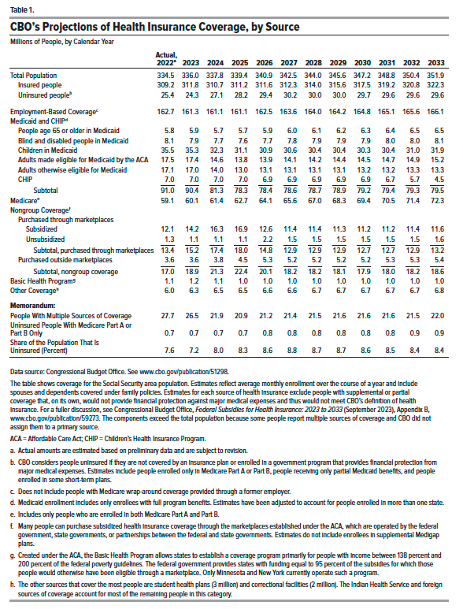
Table 1. CBO's Projections of Health Insurance Coverage, by Source
Millions of People, by Calendar Year

 | Actual, 2022 | 2023 | 2024 | 2025 | 2026 | 2027 | 2028 | 2029 | 2030 | 2031 | 2032 | 2033
Total Population | 334.5 | 336.0 | 337.8 | 339.4 | 340.9 | 342.5 | 344.0 | 345.6 | 347.2 | 348.8 | 350.4 | 351.9
Insured people | 309.2 | 311.8 | 310.7 | 311.2 | 311.6 | 312.3 | 314.0 | 315.6 | 317.5 | 319.2 | 320.8 | 322.3
Uninsured people | 25.4 | 24.3 | 27.1 | 28.2 | 29.4 | 30.2 | 30.0 | 30.0 | 29.7 | 29.6 | 29.6 | 29.6
Employment-Based Coverage | 162.7 | 161.3 | 161.1 | 161.1 | 162.5 | 163.6 | 164.0 | 164.2 | 164.8 | 165.1 | 165.6 | 166.1
Medicaid and CHIP
People age 65 or older in Medicaid | 5.8 | 5.9 | 5.7 | 5.7 | 5.9 | 6.0 | 6.1 | 6.2 | 6.3 | 6.4 | 6.5 | 6.5
Blind and disabled people in Medicaid | 8.1 | 7.9 | 7.7 | 7.6 | 7.7 | 7.8 | 7.9 | 7.9 | 7.9 | 8.0 | 8.0 | 8.1
Children in Medicaid | 35.5 | 35.3 | 32.3 | 31.1 | 30.9 | 30.6 | 30.4 | 30.4 | 30.3 | 30.4 | 31.0 | 31.9
Adults made eligible for Medicaid by the ACA | 17.5 | 17.4 | 14.6 | 13.8 | 13.9 | 14.1 | 14.2 | 14.4 | 14.5 | 14.7 | 14.9 | 15.2
Adults otherwise eligible for Medicaid | 17.1 | 17.0 | 14.0 | 13.0 | 13.1 | 13.1 | 13.1 | 13.1 | 13.2 | 13.2 | 13.3 | 13.3
CHIP | 7.0 | 7.0 | 7.0 | 7.0 | 6.9 | 6.9 | 6.9 | 6.9 | 6.9 | 6.7 | 5.7 | 4.5
Subtotal | 91.0 | 90.4 | 81.3 | 78.3 | 78.4 | 78.6 | 78.7 | 78.9 | 79.2 | 79.4 | 79.3 | 79.5
Medicare | 59.1 | 60.1 | 61.4 | 62.7 | 64.1 | 65.6 | 67.0 | 68.3 | 69.4 | 70.5 | 71.4 | 72.3
Nongroup Coverage
Purchased through marketplaces
Subsidized | 12.1 | 14.2 | 16.3 | 16.9 | 12.6 | 11.4 | 11.4 | 11.3 | 11.2 | 11.2 | 11.4 | 11.6
Unsubsidized | 1.3 | 1.1 | 1.1 | 1.1 | 2.2 | 1.5 | 1.5 | 1.5 | 1.5 | 1.5 | 1.5 | 1.6
Subtotal, purchased through marketplaces | 13.4 | 15.2 | 17.4 | 18.0 | 14.8 | 12.9 | 12.9 | 12.9 | 12.7 | 12.7 | 12.9 | 13.2
Purchased outside marketplaces | 3.6 | 3.6 | 3.8 | 4.5 | 5.3 | 5.2 | 5.2 | 5.2 | 5.2 | 5.3 | 5.3 | 5.4
Subtotal, nongroup coverage | 17.0 | 18.9 | 21.3 | 22.4 | 20.1 | 18.2 | 18.2 | 18.1 | 17.9 | 18.0 | 18.2 | 18.6
Basic Health Program | 1.1 | 1.2 | 1.1 | 1.0 | 1.0 | 1.0 | 1.0 | 1.0 | 1.0 | 1.0 | 1.0 | 1.0
Other Coverage | 6.0 | 6.3 | 6.5 | 6.5 | 6.6 | 6.6 | 6.7 | 6.7 | 6.7 | 6.7 | 6.7 | 6.8
Memorandum:
People With Multiple Sources of Coverage | 27.7 | 26.5 | 21.9 | 20.9 | 21.2 | 21.4 | 21.5 | 21.6 | 21.6 | 21.6 | 21.5 | 22.0
Uninsured People With Medicare Part A or Part B Only | 0.7 | 0.7 | 0.7 | 0.7 | 0.8 | 0.8 | 0.8 | 0.8 | 0.8 | 0.8 | 0.9 | 0.9
Share of the Population That Is Uninsured (Percent) | 7.6 | 7.2 | 8.0 | 8.3 | 8.6 | 8.8 | 8.7 | 8.7 | 8.6 | 8.5 | 8.4 | 8.4

Back to Table of Contents

Table 2
Health Insurance and Its Federal Subsidies: CBO and JCT’s May 2023 Baseline Projections

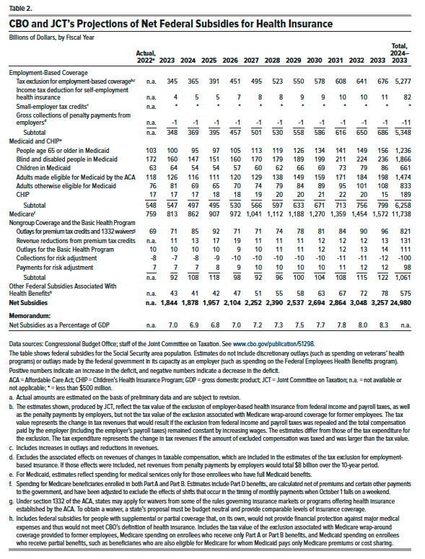
Table 2. CBO and JCT's Projections of Net Federal Subsidies for Health Insurance
Billions of Dollars, by Fiscal Year

 | Actual, 2022 | 2023 | 2024 | 2025 | 2026 | 2027 | 2028 | 2029 | 2030 | 2031 | 2032 | 2033 | Total, 2024–2033
Employment-Based Coverage
Tax exclusion for employment-based coverage | n.a. | 345 | 365 | 391 | 451 | 495 | 523 | 550 | 578 | 608 | 641 | 676 | 5,277
Income tax deduction for self-employment health insurance | n.a. | 4 | 5 | 5 | 7 | 8 | 8 | 9 | 9 | 10 | 10 | 11 | 82
Small-employer tax credits | n.a. | * | * | * | * | * | * | * | * | * | * | * | *
Gross collections of penalty payments from employers | n.a. | -1 | -1 | -1 | -1 | -1 | -1 | -1 | -1 | -1 | -1 | -1 | -11
Subtotal | n.a. | 348 | 369 | 395 | 457 | 501 | 530 | 558 | 586 | 616 | 650 | 686 | 5,348
Medicaid and CHIP
65 or older in Medicaid | 103 | 100 | 95 | 97 | 105 | 113 | 119 | 126 | 134 | 141 | 149 | 156 | 1,236
Blind and disabled people in Medicaid | 172 | 160 | 147 | 151 | 160 | 170 | 179 | 189 | 199 | 211 | 224 | 236 | 1,866
Children in Medicaid | 63 | 64 | 54 | 54 | 57 | 60 | 62 | 66 | 69 | 73 | 79 | 86 | 661
Adults made eligible for Medicaid by the ACA | 117 | 125 | 114 | 110 | 119 | 128 | 138 | 148 | 158 | 170 | 183 | 197 | 1,464
Adults otherwise eligible for Medicaid | 77 | 82 | 70 | 66 | 71 | 76 | 79 | 84 | 90 | 96 | 102 | 109 | 843
CHIP | 17 | 17 | 17 | 18 | 18 | 19 | 20 | 20 | 21 | 22 | 20 | 15 | 189
Subtotal | 548 | 547 | 497 | 495 | 530 | 566 | 597 | 633 | 671 | 713 | 756 | 799 | 6,258
Medicare | 759 | 813 | 862 | 907 | 972 | 1,041 | 1,112 | 1,188 | 1,270 | 1,359 | 1,454 | 1,572 | 11,738
Nongroup Coverage and the Basic Health Program
Outlays for premium tax credits and 1332 waivers | 69 | 71 | 85 | 92 | 71 | 71 | 74 | 78 | 81 | 84 | 90 | 96 | 821
Revenue reductions from premium tax credits | n.a. | 11 | 13 | 17 | 19 | 11 | 11 | 11 | 12 | 12 | 12 | 13 | 131
Outlays for the Basic Health Program | 10 | 10 | 10 | 10 | 9 | 10 | 11 | 11 | 12 | 12 | 13 | 14 | 111
Collections for risk adjustment | -8 | -7 | -8 | -9 | -10 | -10 | -10 | -10 | -10 | -11 | -11 | -12 | -100
Payments for risk adjustment | 7 | 7 | 7 | 8 | 9 | 10 | 10 | 10 | 10 | 11 | 12 | 12 | 98
Subtotal | n.a. | 92 | 108 | 118 | 98 | 92 | 96 | 100 | 104 | 108 | 115 | 122 | 1,061
Other Federal Spending Associated With Health Benefits | n.a. | 43 | 41 | 42 | 47 | 51 | 55 | 58 | 63 | 67 | 72 | 78 | 575
Net Subsidies | n.a. | 1,844 | 1,878 | 1,957 | 2,104 | 2,252 | 2,390 | 2,537 | 2,694 | 2,864 | 3,048 | 3,257 | 24,980
Memorandum:
Net subsidies as a percentage of GDP | n.a. | 7.03 | 6.89 | 6.84 | 7.03 | 7.21 | 7.35 | 7.50 | 7.67 | 7.85 | 8.05 | 8.29

Back to Table of Contents

