Table 1
Health Insurance and Its Federal Subsidies: CBO and JCT’s June 2024 Baseline Projections

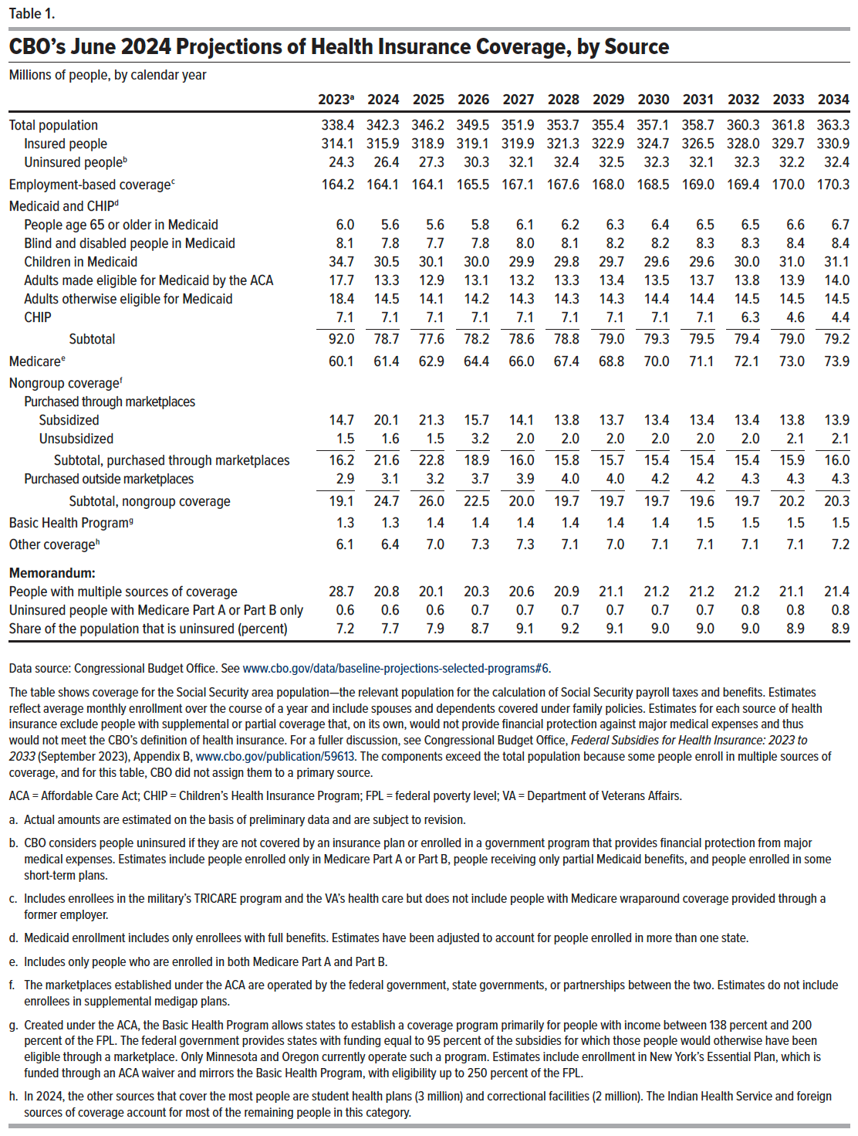
Table 1. CBO’s June 2024 Projections of Health Insurance Coverage, by Source
Millions of people, by calendar year

 | 2023 | 2024 | 2025 | 2026 | 2027 | 2028 | 2029 | 2030 | 2031 | 2032 | 2033 | 2034
Total population | 338.4 | 342.3 | 346.2 | 349.5 | 351.9 | 353.7 | 355.4 | 357.1 | 358.7 | 360.3 | 361.8 | 363.3
Insured people | 314.1 | 315.9 | 318.9 | 319.1 | 319.9 | 321.3 | 322.9 | 324.7 | 326.5 | 328.0 | 329.7 | 330.9
Uninsured people | 24.3 | 26.4 | 27.3 | 30.3 | 32.1 | 32.4 | 32.5 | 32.3 | 32.1 | 32.3 | 32.2 | 32.4
Employment-based coverage | 164.2 | 164.1 | 164.1 | 165.5 | 167.1 | 167.6 | 168.0 | 168.5 | 169.0 | 169.4 | 170.0 | 170.3
Medicaid and CHIP
People age 65 or older in Medicaid | 6.0 | 5.6 | 5.6 | 5.8 | 6.1 | 6.2 | 6.3 | 6.4 | 6.5 | 6.5 | 6.6 | 6.7
Blind and disabled people in Medicaid | 8.1 | 7.8 | 7.7 | 7.8 | 8.0 | 8.1 | 8.2 | 8.2 | 8.3 | 8.3 | 8.4 | 8.4
Children in Medicaid | 34.7 | 30.5 | 30.1 | 30.0 | 29.9 | 29.8 | 29.7 | 29.6 | 29.6 | 30.0 | 31.0 | 31.1
Adults made eligible for Medicaid by the ACA | 17.7 | 13.3 | 12.9 | 13.1 | 13.2 | 13.3 | 13.4 | 13.5 | 13.7 | 13.8 | 13.9 | 14.0
Adults otherwise eligible for Medicaid | 18.4 | 14.5 | 14.1 | 14.2 | 14.3 | 14.3 | 14.3 | 14.4 | 14.4 | 14.5 | 14.5 | 14.5
CHIP | 7.1 | 7.1 | 7.1 | 7.1 | 7.1 | 7.1 | 7.1 | 7.1 | 7.1 | 6.3 | 4.6 | 4.4
Subtotal | 92.0 | 78.7 | 77.6 | 78.2 | 78.6 | 78.8 | 79.0 | 79.3 | 79.5 | 79.4 | 79.0 | 79.2
Medicare | 60.1 | 61.4 | 62.9 | 64.4 | 66.0 | 67.4 | 68.8 | 70.0 | 71.1 | 72.1 | 73.0 | 73.9
Nongroup coverage
Purchased through marketplaces
Subsidized | 14.7 | 20.1 | 21.3 | 15.7 | 14.1 | 13.8 | 13.7 | 13.4 | 13.4 | 13.4 | 13.8 | 13.9
Unsubsidized | 1.5 | 1.6 | 1.5 | 3.2 | 2.0 | 2.0 | 2.0 | 2.0 | 2.0 | 2.0 | 2.1 | 2.1
Subtotal, purchased through marketplaces | 16.2 | 21.6 | 22.8 | 18.9 | 16.0 | 15.8 | 15.7 | 15.4 | 15.4 | 15.4 | 15.9 | 16.0
Purchased outside marketplaces | 2.9 | 3.1 | 3.2 | 3.7 | 3.9 | 4.0 | 4.0 | 4.2 | 4.2 | 4.3 | 4.3 | 4.3
Subtotal, nongroup coverage | 19.1 | 24.7 | 26.0 | 22.5 | 20.0 | 19.7 | 19.7 | 19.7 | 19.6 | 19.7 | 20.2 | 20.3
Basic Health Program | 1.3 | 1.3 | 1.4 | 1.4 | 1.4 | 1.4 | 1.4 | 1.4 | 1.5 | 1.5 | 1.5 | 1.5
Other coverage | 6.1 | 6.4 | 7.0 | 7.3 | 7.3 | 7.1 | 7.0 | 7.1 | 7.1 | 7.1 | 7.1 | 7.2
Memorandum:
People with multiple sources of coverage | 28.7 | 20.8 | 20.1 | 20.3 | 20.6 | 20.9 | 21.1 | 21.2 | 21.2 | 21.2 | 21.1 | 21.4
Uninsured people with Medicare Part A or Part B only | 0.6 | 0.6 | 0.6 | 0.7 | 0.7 | 0.7 | 0.7 | 0.7 | 0.7 | 0.8 | 0.8 | 0.8
Share of the population that is uninsured (percent) | 7.2 | 7.7 | 7.9 | 8.7 | 9.1 | 9.2 | 9.1 | 9.0 | 9.0 | 9.0 | 8.9 | 8.9

Back to Table of Contents

Table 2
Health Insurance and Its Federal Subsidies: CBO and JCT’s June 2024 Baseline Projections

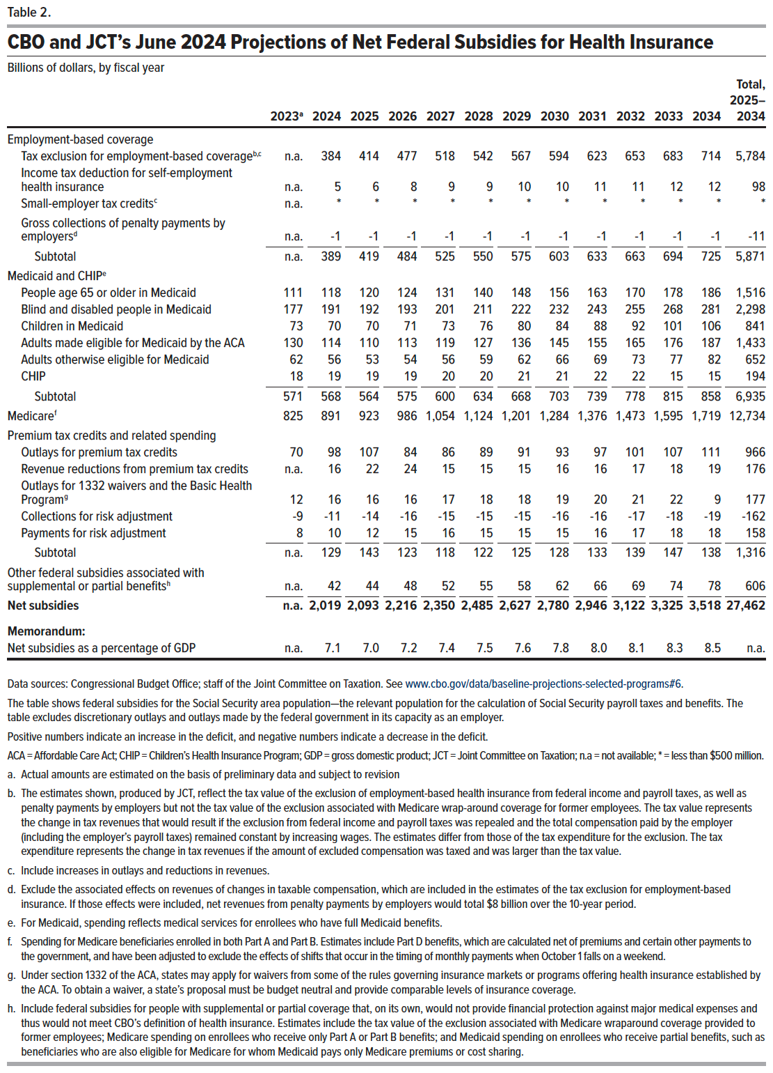
Table 2. CBO and JCT’s June 2024 Projections of Net Federal Subsidies for Health Insurance
Billions of dollars, by fiscal year

 | 2023 | 2024 | 2025 | 2026 | 2027 | 2028 | 2029 | 2030 | 2031 | 2032 | 2033 | 2034 | Total, 2025–2034
Employment-based coverage
Tax exclusion for employment-based coverage | n.a. | 384 | 414 | 477 | 518 | 542 | 567 | 594 | 623 | 653 | 683 | 714 | 5,784
Income tax deduction for self-employment health insurance | n.a. | 5 | 6 | 8 | 9 | 9 | 10 | 10 | 11 | 11 | 12 | 12 | 98
Small-employer tax credits | n.a. | * | * | * | * | * | * | * | * | * | * | * | *
Gross collections of penalty payments by employers | n.a. | -1 | -1 | -1 | -1 | -1 | -1 | -1 | -1 | -1 | -1 | -1 | -11
Subtotal | n.a. | 389 | 419 | 484 | 525 | 550 | 575 | 603 | 633 | 663 | 694 | 725 | 5,871
Medicaid and CHIP
People age 65 or older in Medicaid | 111 | 118 | 120 | 124 | 131 | 140 | 148 | 156 | 163 | 170 | 178 | 186 | 1,516
Blind and disabled people in Medicaid | 177 | 191 | 192 | 193 | 201 | 211 | 222 | 232 | 243 | 255 | 268 | 281 | 2,298
Children in Medicaid | 73 | 70 | 70 | 71 | 73 | 76 | 80 | 84 | 88 | 92 | 101 | 106 | 841
Adults made eligible for Medicaid by the ACA | 130 | 114 | 110 | 113 | 119 | 127 | 136 | 145 | 155 | 165 | 176 | 187 | 1,433
Adults otherwise eligible for Medicaid | 62 | 56 | 53 | 54 | 56 | 59 | 62 | 66 | 69 | 73 | 77 | 82 | 652
CHIP | 18 | 19 | 19 | 19 | 20 | 20 | 21 | 21 | 22 | 22 | 15 | 15 | 194
Subtotal | 571 | 568 | 564 | 575 | 600 | 634 | 668 | 703 | 739 | 778 | 815 | 858 | 6,935
Medicare | 825 | 891 | 923 | 986 | 1,054 | 1,124 | 1,201 | 1,284 | 1,376 | 1,473 | 1,595 | 1,719 | 12,734
Premium tax credits and related spending
Outlays for premium tax credits | 70 | 98 | 107 | 84 | 86 | 89 | 91 | 93 | 97 | 101 | 107 | 111 | 966
Revenue reductions from premium tax credits | n.a. | 16 | 22 | 24 | 15 | 15 | 15 | 16 | 16 | 17 | 18 | 19 | 176
Outlays for 1332 waivers and the Basic Health Program | 12 | 16 | 16 | 16 | 17 | 18 | 18 | 19 | 20 | 21 | 22 | 9 | 177
Collections for risk adjustment | -9 | -11 | -14 | -16 | -15 | -15 | -15 | -16 | -16 | -17 | -18 | -19 | -162
Payments for risk adjustment | 8 | 10 | 12 | 15 | 16 | 15 | 15 | 15 | 16 | 17 | 18 | 18 | 158
Subtotal | n.a. | 129 | 143 | 123 | 118 | 122 | 125 | 128 | 133 | 139 | 147 | 138 | 1,316
Other federal subsidies associated with supplemental or partial benefits | n.a. | 42 | 44 | 48 | 52 | 55 | 58 | 62 | 66 | 69 | 74 | 78 | 606
Net subsidies | n.a. | 2,019 | 2,093 | 2,216 | 2,350 | 2,485 | 2,627 | 2,780 | 2,946 | 3,122 | 3,325 | 3,518 | 27,462
Memorandum:
Net subsidies as a percentage of GDP | n.a. | 7.10 | 7.00 | 7.20 | 7.40 | 7.50 | 7.60 | 7.80 | 8.00 | 8.10 | 8.30 | 8.50 | n.a.

Back to Table of Contents

