Exponential Growth
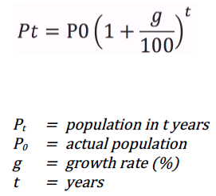
time_years | Year | population_census | population_model_low | population_model_intermediate | population_model_high | growth_rate_low | growth_rate_intermediate | growth_rate_high | initial_population
0 | 1850 | 2.3927
10 | 1860 | 2.5105
20 | 1870 | 2.6576
30 | 1880 | 2.8173
40 | 1890 | 2.9496
50 | 1900 | 3.2824
60 | 1910 | 3.7119
70 | 1920 | 3.8695
80 | 1930 | 4.0526
90 | 1940 | 4.2529
100 | 1950 | 4.6680
110 | 1960 | 5.2955
120 | 1970 | 6.1687
130 | 1980 | 6.3352
140 | 1990 | 6.7507
150 | 2000 | 7.2041
151 | 2001 | 7.2557
152 | 2002 | 7.3139
153 | 2003 | 7.3641
154 | 2004 | 7.4151
155 | 2005 | 7.4591
156 | 2006 | 7.5087
157 | 2007 | 7.5935
158 | 2008 | 7.7019
159 | 2009 | 7.7858
160 | 2010 | 7.8640
161 | 2011 | 7.9547
162 | 2012 | 8.0391
163 | 2013 | 8.1396
164 | 2014 | 8.2377
165 | 2015 | 8.3271
166 | 2016 | 8.4196
167 | 2017 | 8.4841
168 | 2018 | 8.5445
169 | 2019 | 8.6060
170 | 2020 | 8.6703
171 | 2021 | 8.7388
172 | 2022 | 8.8127
173 | 2023 | 8.9608
174 | 2024 | 9.0489
180 | 2030
190 | 2040
200 | 2050

