temp
 | Approx1 | Approx2 | CNFSAT | vertices
5 | 1 | 1.3333333333 | 1 | 5
5 | 1 | 1.3333333333 | 1 | 5
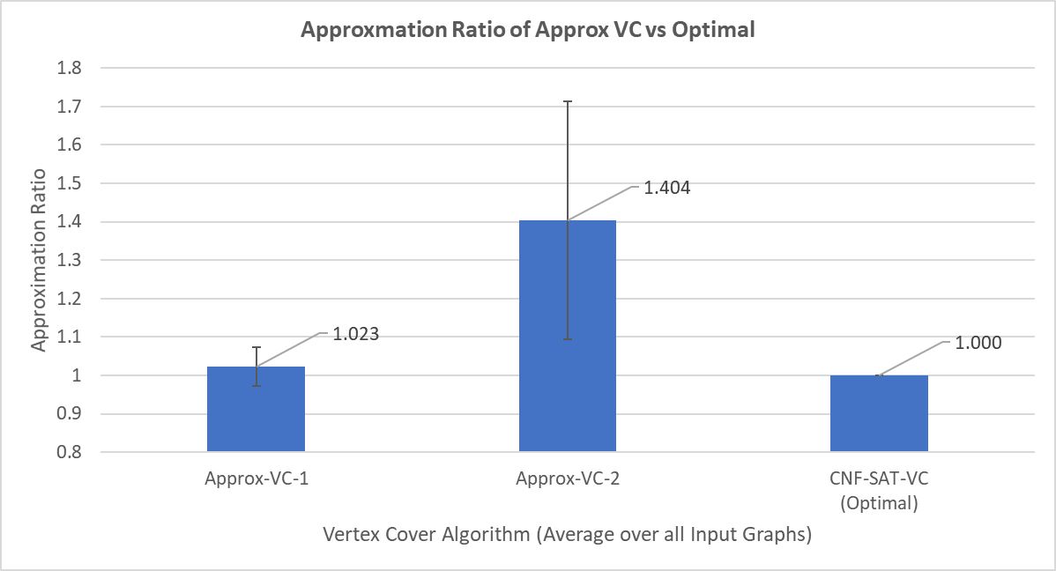
5 | 1 | 1 | 1 | 5 |  | Approx-VC-1 | 1.0230725624 | 0.050982160015
5 | 1 | 1 | 1 | 5 |  | Approx-VC-2 | 1.4037188209 | 0.31059357965
5 | 1 | 1 | 1 | 5 |  | CNF-SAT-VC (Optimal) | 1 | 0
5 | 1 | 1 | 1 | 5
Approxmation Ratio of Approx VC vs Optimal
5 | 1 | 1 | 1 | 5
5 | 1 | 1.3333333333 | 1 | 5
5 | 1 | 1 | 1 | 5
5 | 1 | 1 | 1 | 5
10 | 1 | 1.2 | 1 | 10
10 | 1 | 1.2 | 1 | 10
10 | 1 | 2 | 1 | 10
10 | 1 | 1.5 | 1 | 10
10 | 1 | 2 | 1 | 10
10 | 1 | 1.2 | 1 | 10
10 | 1 | 1.6 | 1 | 10
10 | 1 | 1.3333333333 | 1 | 10
10 | 1 | 1.5 | 1 | 10
10 | 1 | 1.2 | 1 | 10
15 | 1 | 1.25 | 1 | 15
15 | 1 | 1.4285714286 | 1 | 15
15 | 1.1428571429 | 1.4285714286 | 1 | 15
15 | 1 | 1.1428571429 | 1 | 15
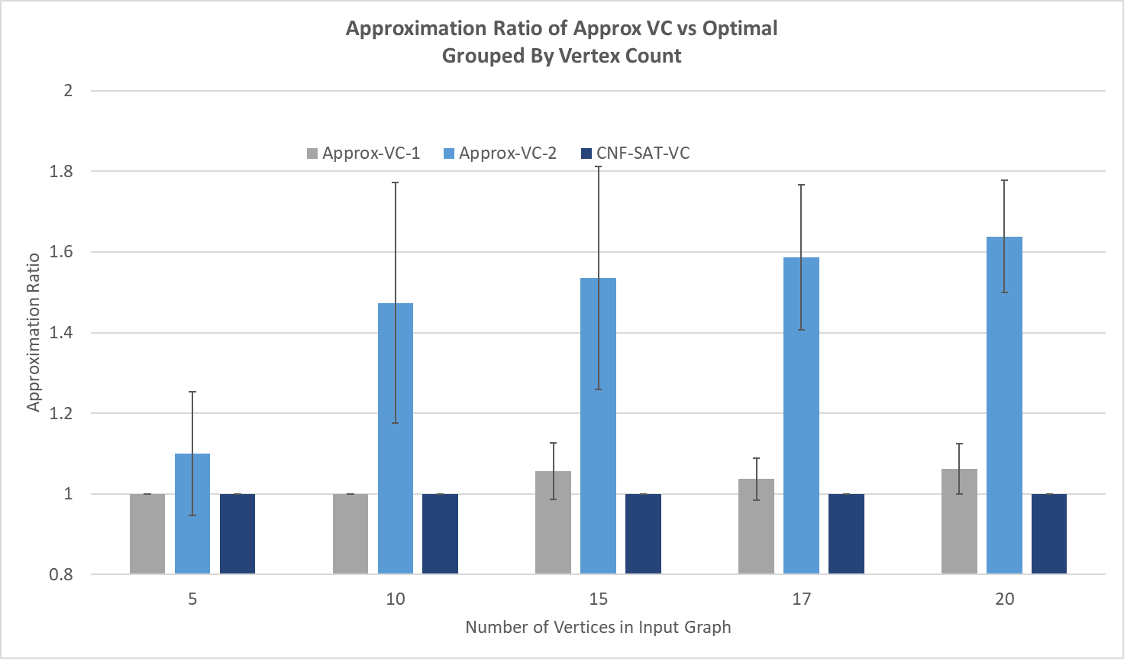
15 | 1 | 2 | 1 | 15
15 | 1 | 1.5 | 1 | 15
15 | 1 | 1.75 | 1 | 15
15 | 1.1428571429 | 1.4285714286 | 1 | 15
15 | 1.1428571429 | 1.4285714286 | 1 | 15
15 | 1.1428571429 | 2 | 1 | 15
17 | 1.1111111111 | 1.3333333333 | 1 | 17
Approximation Ratio of Approx VC vs Optimal Grouped By Vertex Count
17 | 1 | 1.7142857143 | 1 | 17
17 | 1 | 1.7142857143 | 1 | 17
20 | 1.125 | 1.5 | 1 | 20
20 | 1 | 1.7777777778 | 1 | 20
 | 1.0230725624 | 1.4037188209 | 1
 | 0.050982160015 | 0.31059357965 | 0

vertices | Approx1 | Approx2 | CNFSAT
5 | 1 | 1.1 | 1
10 | 1 | 1.4733333333 | 1
15 | 1.0571428571 | 1.5357142857 | 1
17 | 1.037037037 | 1.5873015873 | 1
20 | 1.0625 | 1.6388888889 | 1

vertices | 5 | 10 | 15 | 17 | 20
Approx-VC-1 | 1 | 1 | 1.0571428571 | 1.037037037 | 1.0625
Approx-VC-2 | 1.1 | 1.4733333333 | 1.5357142857 | 1.5873015873 | 1.6388888889
CNF-SAT-VC | 1 | 1 | 1 | 1 | 1

Approx-VC-1 | 0 | 0 | 0.069985421222 | 0.052378280088 | 0.0625
Approx-VC-2 | 0.15275252317 | 0.29844039047 | 0.27571798665 | 0.17958267459 | 0.13888888889
CNF-SAT-VC | 0 | 0 | 0 | 0 | 0

