Tabelle1
Runtime of Approx VC-1 and Approx-VC-2 vs. Number of vertices
 | Approx VC 1 | Approx VC 2
5 | 0 | 0
15 | 0 | 0
25 | 0 | 0
35 | 0 | 0
45 | 0 | 0
55 | 1562.5 | 0
65 | 3125 | 0
75 | 3125 | 0
85 | 3125 | 0
95 | 1562.5 | 1562.5
105 | 3125 | 1562.5
115 | 6250 | 1562.5
125 | 14062.5 | 1562.5
135 | 10937.5 | 1562.5
145 | 7812.5 | 0
155 | 14062.5 | 1562.5
165 | 18750 | 4687.5
175 | 20312.5 | 3125
185 | 28125 | 3125
195 | 26562.5 | 3125
205 | 35937.5 | 4687.5
215 | 40625 | 4687.5
225 | 40625 | 1562.5
235 | 54687.5 | 10937.5
245 | 51562.5 | 4687.5
255 | 64062.5 | 14062.5
265 | 81250 | 17187.5
275 | 79687.5 | 9375
285 | 93750 | 14062.5
295 | 98437.5 | 15625
305 | 110937.5 | 15625
315 | 123437.5 | 18750
325 | 137500 | 18750
335 | 140625 | 17187.5
345 | 165625 | 23437.5
355 | 167187.5 | 17187.5
365 | 189062.5 | 28125
375 | 195312.5 | 31250
385 | 225000 | 32812.5
395 | 235937.5 | 35937.5
405 | 259375 | 31250
415 | 279687.5 | 43750
425 | 290625 | 40625
435 | 314062.5 | 46875
445 | 348437.5 | 54687.5
455 | 371875 | 53125
465 | 385937.5 | 57812.5
475 | 412500 | 59375
485 | 439062.5 | 67187.5
495 | 459375 | 71875
...
5 | 15 | 25 | 35 | 45 | 55 | 65 | 75 | 85 | 95 | 105 | 115 | 125 | 135 | 145 | 155 | 165 | 175 | 185 | 195 | 205 | 215 | 225 | 235 | 245 | 255 | 265 | 275 | 285 | 295 | 305 | 315 | 325 | 335 | 345 | 355 | 365 | 375

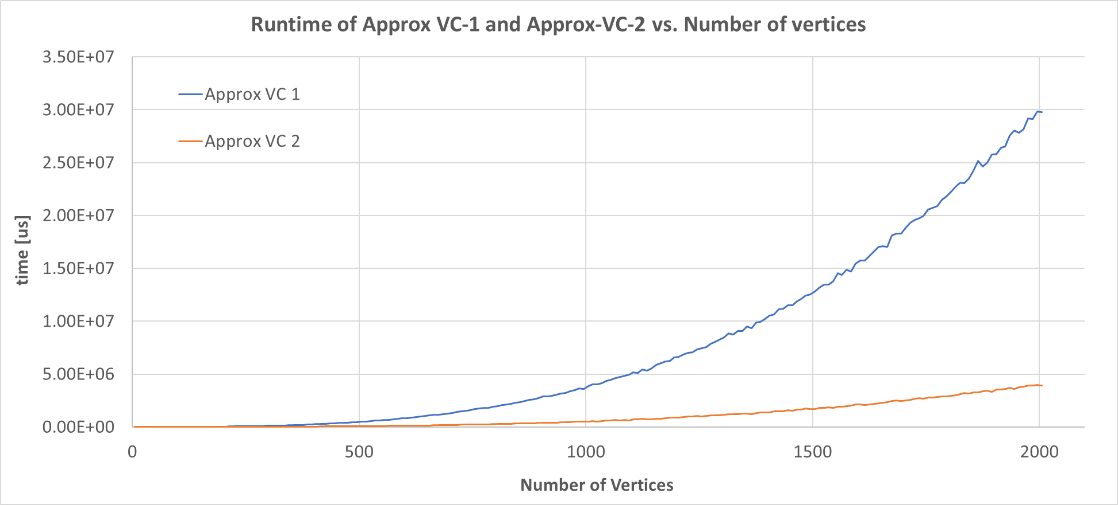
0 | 0 | 0 | 0 | 0 | 0 | 0 | 0 | 0 | 0 | 15625 | 0 | 15625 | 15625 | 0 | 15625 | 31250 | 15625 | 15625 | 31250 | 31250 | 46875 | 31250 | 62500 | 46875 | 78125 | 78125 | 78125 | 93750 | 109375 | 109375 | 140625 | 140625 | 140625 | 171875 | 171875 | 187500 | 187500
0 | 0 | 0 | 0 | 0 | 0 | 0 | 0 | 0 | 15625 | 0 | 15625 | 15625 | 0 | 0 | 15625 | 15625 | 31250 | 31250 | 15625 | 31250 | 46875 | 31250 | 46875 | 46875 | 62500 | 93750 | 78125 | 93750 | 93750 | 125000 | 109375 | 125000 | 156250 | 171875 | 171875 | 187500 | 187500
0 | 0 | 0 | 0 | 0 | 0 | 15625 | 0 | 0 | 0 | 0 | 15625 | 0 | 15625 | 0 | 15625 | 15625 | 0 | 31250 | 31250 | 31250 | 31250 | 46875 | 62500 | 62500 | 46875 | 78125 | 93750 | 78125 | 109375 | 109375 | 125000 | 140625 | 140625 | 171875 | 171875 | 187500 | 187500
0 | 0 | 0 | 0 | 0 | 0 | 0 | 0 | 15625 | 0 | 0 | 15625 | 15625 | 15625 | 0 | 0 | 15625 | 15625 | 46875 | 15625 | 31250 | 62500 | 31250 | 62500 | 46875 | 78125 | 78125 | 78125 | 93750 | 93750 | 109375 | 125000 | 140625 | 140625 | 156250 | 171875 | 203125 | 203125
0 | 0 | 0 | 0 | 0 | 0 | 0 | 15625 | 0 | 0 | 0 | 0 | 15625 | 15625 | 15625 | 15625 | 15625 | 31250 | 15625 | 31250 | 46875 | 31250 | 46875 | 31250 | 46875 | 78125 | 62500 | 93750 | 93750 | 93750 | 125000 | 125000 | 140625 | 125000 | 171875 | 156250 | 203125 | 187500
0 | 0 | 0 | 0 | 0 | 0 | 0 | 15625 | 0 | 0 | 0 | 15625 | 0 | 15625 | 15625 | 15625 | 31250 | 15625 | 31250 | 15625 | 46875 | 31250 | 46875 | 62500 | 46875 | 62500 | 62500 | 78125 | 109375 | 93750 | 109375 | 109375 | 156250 | 140625 | 156250 | 171875 | 187500 | 187500
0 | 0 | 0 | 0 | 0 | 0 | 15625 | 0 | 0 | 0 | 15625 | 0 | 15625 | 15625 | 0 | 15625 | 15625 | 15625 | 46875 | 31250 | 31250 | 46875 | 31250 | 62500 | 46875 | 62500 | 93750 | 78125 | 93750 | 93750 | 93750 | 140625 | 125000 | 156250 | 156250 | 156250 | 187500 | 203125
0 | 0 | 0 | 0 | 0 | 0 | 0 | 0 | 15625 | 0 | 0 | 0 | 15625 | 0 | 15625 | 15625 | 15625 | 31250 | 15625 | 46875 | 15625 | 46875 | 46875 | 46875 | 62500 | 62500 | 78125 | 62500 | 109375 | 93750 | 109375 | 125000 | 156250 | 125000 | 171875 | 171875 | 171875 | 203125
0 | 0 | 0 | 0 | 0 | 15625 | 0 | 0 | 0 | 0 | 0 | 0 | 31250 | 0 | 15625 | 15625 | 15625 | 31250 | 15625 | 31250 | 46875 | 15625 | 46875 | 62500 | 62500 | 46875 | 93750 | 78125 | 78125 | 109375 | 109375 | 125000 | 125000 | 140625 | 156250 | 171875 | 187500 | 203125
0 | 0 | 0 | 0 | 0 | 0 | 0 | 0 | 0 | 0 | 0 | 0 | 15625 | 15625 | 15625 | 15625 | 15625 | 15625 | 31250 | 15625 | 46875 | 46875 | 46875 | 46875 | 46875 | 62500 | 93750 | 78125 | 93750 | 93750 | 109375 | 109375 | 125000 | 140625 | 171875 | 156250 | 187500 | 203125

0 | 0 | 0 | 0 | 0 | 1562.5 | 3125 | 3125 | 3125 | 1562.5 | 3125 | 6250 | 14062.5 | 10937.5 | 7812.5 | 14062.5 | 18750 | 20312.5 | 28125 | 26562.5 | 35937.5 | 40625 | 40625 | 54687.5 | 51562.5 | 64062.5 | 81250 | 79687.5 | 93750 | 98437.5 | 110937.5 | 123437.5 | 137500 | 140625 | 165625 | 167187.5 | 189062.5 | 195312.5
0 | 0 | 0 | 0 | 0 | 4687.5 | 6250 | 6250 | 6250 | 4687.5 | 6250 | 7654.6554462 | 8414.3200111 | 7160.2745234 | 7812.5 | 4687.5 | 6250 | 10004.881621 | 11692.679334 | 10004.881621 | 10004.881621 | 12500 | 7654.6554462 | 10481.568645 | 7160.2745234 | 10937.5 | 11692.679334 | 8414.3200111 | 9882.117688 | 7160.2745234 | 8414.3200111 | 10937.5 | 11692.679334 | 9882.117688 | 7654.6554462 | 7160.2745234 | 8414.3200111 | 7812.5

0 | 0 | 0 | 0 | 0 | 0 | 0 | 0 | 0 | 0 | 15625 | 0 | 0 | 0 | 0 | 15625 | 15625 | 0 | 0 | 0 | 0 | 0 | 0 | 15625 | 0 | 15625 | 15625 | 0 | 15625 | 15625 | 15625 | 15625 | 15625 | 15625 | 15625 | 15625 | 31250 | 46875
0 | 0 | 0 | 0 | 0 | 0 | 0 | 0 | 0 | 15625 | 0 | 0 | 0 | 0 | 0 | 0 | 15625 | 15625 | 0 | 0 | 15625 | 15625 | 0 | 15625 | 0 | 15625 | 31250 | 0 | 15625 | 15625 | 15625 | 0 | 31250 | 31250 | 15625 | 15625 | 31250 | 31250
0 | 0 | 0 | 0 | 0 | 0 | 0 | 0 | 0 | 0 | 0 | 0 | 0 | 0 | 0 | 0 | 0 | 0 | 0 | 0 | 0 | 0 | 0 | 15625 | 0 | 0 | 31250 | 15625 | 15625 | 15625 | 15625 | 15625 | 15625 | 0 | 31250 | 15625 | 31250 | 31250
0 | 0 | 0 | 0 | 0 | 0 | 0 | 0 | 0 | 0 | 0 | 0 | 15625 | 0 | 0 | 0 | 0 | 0 | 0 | 0 | 0 | 15625 | 0 | 15625 | 0 | 0 | 0 | 0 | 15625 | 15625 | 15625 | 31250 | 15625 | 15625 | 31250 | 31250 | 31250 | 15625
0 | 0 | 0 | 0 | 0 | 0 | 0 | 0 | 0 | 0 | 0 | 0 | 0 | 15625 | 0 | 0 | 0 | 0 | 0 | 15625 | 0 | 0 | 0 | 0 | 0 | 31250 | 15625 | 15625 | 15625 | 15625 | 15625 | 15625 | 15625 | 15625 | 31250 | 15625 | 31250 | 31250
0 | 0 | 0 | 0 | 0 | 0 | 0 | 0 | 0 | 0 | 0 | 15625 | 0 | 0 | 0 | 0 | 15625 | 0 | 0 | 0 | 15625 | 0 | 0 | 15625 | 0 | 15625 | 15625 | 15625 | 15625 | 15625 | 15625 | 15625 | 31250 | 15625 | 31250 | 15625 | 15625 | 31250
0 | 0 | 0 | 0 | 0 | 0 | 0 | 0 | 0 | 0 | 0 | 0 | 0 | 0 | 0 | 0 | 0 | 0 | 15625 | 0 | 0 | 0 | 0 | 15625 | 15625 | 15625 | 15625 | 15625 | 15625 | 15625 | 15625 | 31250 | 15625 | 15625 | 15625 | 15625 | 31250 | 31250
0 | 0 | 0 | 0 | 0 | 0 | 0 | 0 | 0 | 0 | 0 | 0 | 0 | 0 | 0 | 0 | 0 | 0 | 0 | 15625 | 0 | 15625 | 0 | 0 | 0 | 15625 | 15625 | 0 | 15625 | 15625 | 15625 | 31250 | 15625 | 15625 | 31250 | 15625 | 31250 | 31250
0 | 0 | 0 | 0 | 0 | 0 | 0 | 0 | 0 | 0 | 0 | 0 | 0 | 0 | 0 | 0 | 0 | 15625 | 0 | 0 | 0 | 0 | 15625 | 15625 | 15625 | 15625 | 15625 | 15625 | 0 | 15625 | 0 | 15625 | 15625 | 15625 | 15625 | 15625 | 31250 | 31250
0 | 0 | 0 | 0 | 0 | 0 | 0 | 0 | 0 | 0 | 0 | 0 | 0 | 0 | 0 | 0 | 0 | 0 | 15625 | 0 | 15625 | 0 | 0 | 0 | 15625 | 15625 | 15625 | 15625 | 15625 | 15625 | 31250 | 15625 | 15625 | 31250 | 15625 | 15625 | 15625 | 31250

0 | 0 | 0 | 0 | 0 | 0 | 0 | 0 | 0 | 1562.5 | 1562.5 | 1562.5 | 1562.5 | 1562.5 | 0 | 1562.5 | 4687.5 | 3125 | 3125 | 3125 | 4687.5 | 4687.5 | 1562.5 | 10937.5 | 4687.5 | 14062.5 | 17187.5 | 9375 | 14062.5 | 15625 | 15625 | 18750 | 18750 | 17187.5 | 23437.5 | 17187.5 | 28125 | 31250
0 | 0 | 0 | 0 | 0 | 0 | 0 | 0 | 0 | 4687.5 | 4687.5 | 4687.5 | 4687.5 | 4687.5 | 0 | 4687.5 | 7160.2745234 | 6250 | 6250 | 6250 | 7160.2745234 | 7160.2745234 | 4687.5 | 7160.2745234 | 7160.2745234 | 8414.3200111 | 8414.3200111 | 7654.6554462 | 4687.5 | 0 | 6987.7124297 | 9375 | 6250 | 8414.3200111 | 7812.5 | 4687.5 | 6250 | 6987.7124297

