Tabelle1
Vertices | 5 | 10 | 15.00 | 17.00 | 20.00

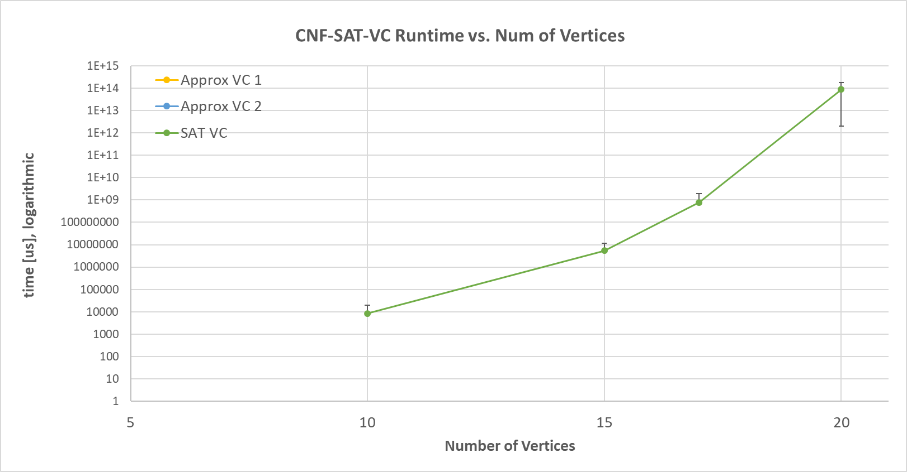
CNF-SAT-VC Runtime vs. Num of Vertices
times for algo | 0 | 0 | 1.13E+07 | 2.34E+09 | 2.05E+12 | Vertices | 5 | 10 | 15 | 17 | 20
 | 0 | 15625 | 1.13E+07 | 2.35E+09 | 2.05E+12
 | 0 | 0 | 1.13E+07 | 2.35E+09 | 2.06E+12 | Mean | 0 | 0 | 0 | 0 | 0
 | 0 | 15625 | 1.11E+07 | 1.22E+06 | 1.72E+14 | STDDEV | 0 | 0 | 0 | 0 | 0
 | 0 | 15625 | 1.13E+07 | 1.27E+06 | 1.72E+14
 | 0 | 0 | 1.13E+07 | 1.23E+06 | 1.72E+14
 | 0 | 15625 | 1.13E+07 | 1.59E+06 |  | Mean | 0 | 0 | 0 | 0 | 0
 | 0 | 0 | 1.13E+07 | 1.58E+06 |  | STDDEV | 0 | 0 | 0 | 0 | 0
 | 0 | 15625 | 1.13E+07 | 1.58E+06
 | 0 | 15625 | 1.14E+07 |  |  | Mean | 0 | 8437.5 | 5.46E+06 | 7.83E+08 | 8.72E+13
 | 0 | 15625 | 1.00E+06 |  |  | STDDEV | 0 | 10919.628256 | 6271071.4164 | 1105567168.4 | 8.5116020739E+13
 | 0 | 0 | 1.00E+06
 | 0 | 15625 | 984375
 | 0 | 0 | 1.03E+06
 | 0 | 0 | 968750
 | 0 | 15625 | 1.00E+06
 | 0 | 0 | 1.02E+06
 | 0 | 15625 | 953125
 | 0 | 0 | 1.00E+06
 | 0 | 0 | 1.00E+06
 | 0 | 31250 | 2.66E+06
 | 0 | 31250 | 2.67E+06
 | 0 | 31250 | 2.67E+06
 | 0 | 46875 | 2.67E+06
 | 0 | 31250 | 2.70E+06
 | 0 | 31250 | 2.69E+06
 | 0 | 31250 | 2.61E+06
 | 0 | 31250 | 2.64E+06
 | 0 | 31250 | 2.64E+06
 | 0 | 31250 | 2.63E+06
 | 0 | 0 | 1.13E+06
 | 0 | 0 | 1.05E+06
 | 0 | 15625 | 1.03E+06
 | 0 | 0 | 1.08E+06
 | 0 | 0 | 1.09E+06
 | 0 | 0 | 1.06E+06
 | 0 | 15625 | 1.06E+06
 | 0 | 0 | 1.05E+06
 | 0 | 0 | 1.06E+06
 | 0 | 0 | 1.03E+06
 | 0 | 0 | 109375
 | 0 | 0 | 125000
 | 0 | 0 | 125000
 | 0 | 0 | 93750
 | 0 | 0 | 125000
 | 0 | 0 | 109375
 | 0 | 0 | 109375
 | 0 | 0 | 125000
 | 0 | 0 | 109375
 | 0 | 0 | 109375
 | 0 | 15625 | 1.29E+07
 | 0 | 15625 | 1.29E+07
 | 0 | 15625 | 1.29E+07
 | 0 | 0 | 1.29E+07
 | 0 | 15625 | 1.28E+07
 | 0 | 15625 | 1.29E+07
 | 0 | 15625 | 1.30E+07
 | 0 | 15625 | 1.29E+07
 | 0 | 15625 | 1.29E+07
 | 0 | 15625 | 1.29E+07
 | 0 | 15625 | 1.95E+07
 | 0 | 15625 | 1.93E+07
 | 0 | 15625 | 1.92E+07
 | 0 | 15625 | 1.93E+07
 | 0 | 0 | 1.95E+07
 | 0 | 15625 | 1.95E+07
 | 0 | 15625 | 1.93E+07
 | 0 | 0 | 1.93E+07
 | 0 | 15625 | 1.93E+07
 | 0 | 0 | 1.94E+07
 | 0 | 0 | 2.30E+06
 | 0 | 0 | 2.22E+06
 | 0 | 0 | 2.22E+06
 | 0 | 0 | 2.23E+06
 | 0 | 0 | 2.23E+06
 | 0 | 0 | 2.25E+06
 | 0 | 0 | 2.16E+06
 | 0 | 15625 | 2.19E+06
 | 0 | 0 | 2.20E+06
 | 0 | 15625 | 2.22E+06
 | 0 | 15625 | 2.61E+06
 | 0 | 0 | 2.53E+06
 | 0 | 0 | 2.56E+06
 | 0 | 0 | 2.52E+06
 | 0 | 0 | 2.55E+06
 | 0 | 0 | 2.55E+06
 | 0 | 0 | 2.56E+06
 | 0 | 0 | 2.58E+06
 | 0 | 0 | 2.56E+06
 | 0 | 0 | 2.53E+06
 | 0 | 0 | 1.45E+06
 | 0 | 0 | 1.45E+06
 | 0 | 0 | 1.44E+06
 | 0 | 0 | 1.45E+06
 | 0 | 15625 | 1.47E+06
 | 0 | 0 | 1.45E+06
 | 0 | 0 | 1.47E+06
 | 0 | 0 | 1.45E+06
 | 0 | 15625 | 1.45E+06
 | 0 | 0 | 1.42E+06

