READ ME
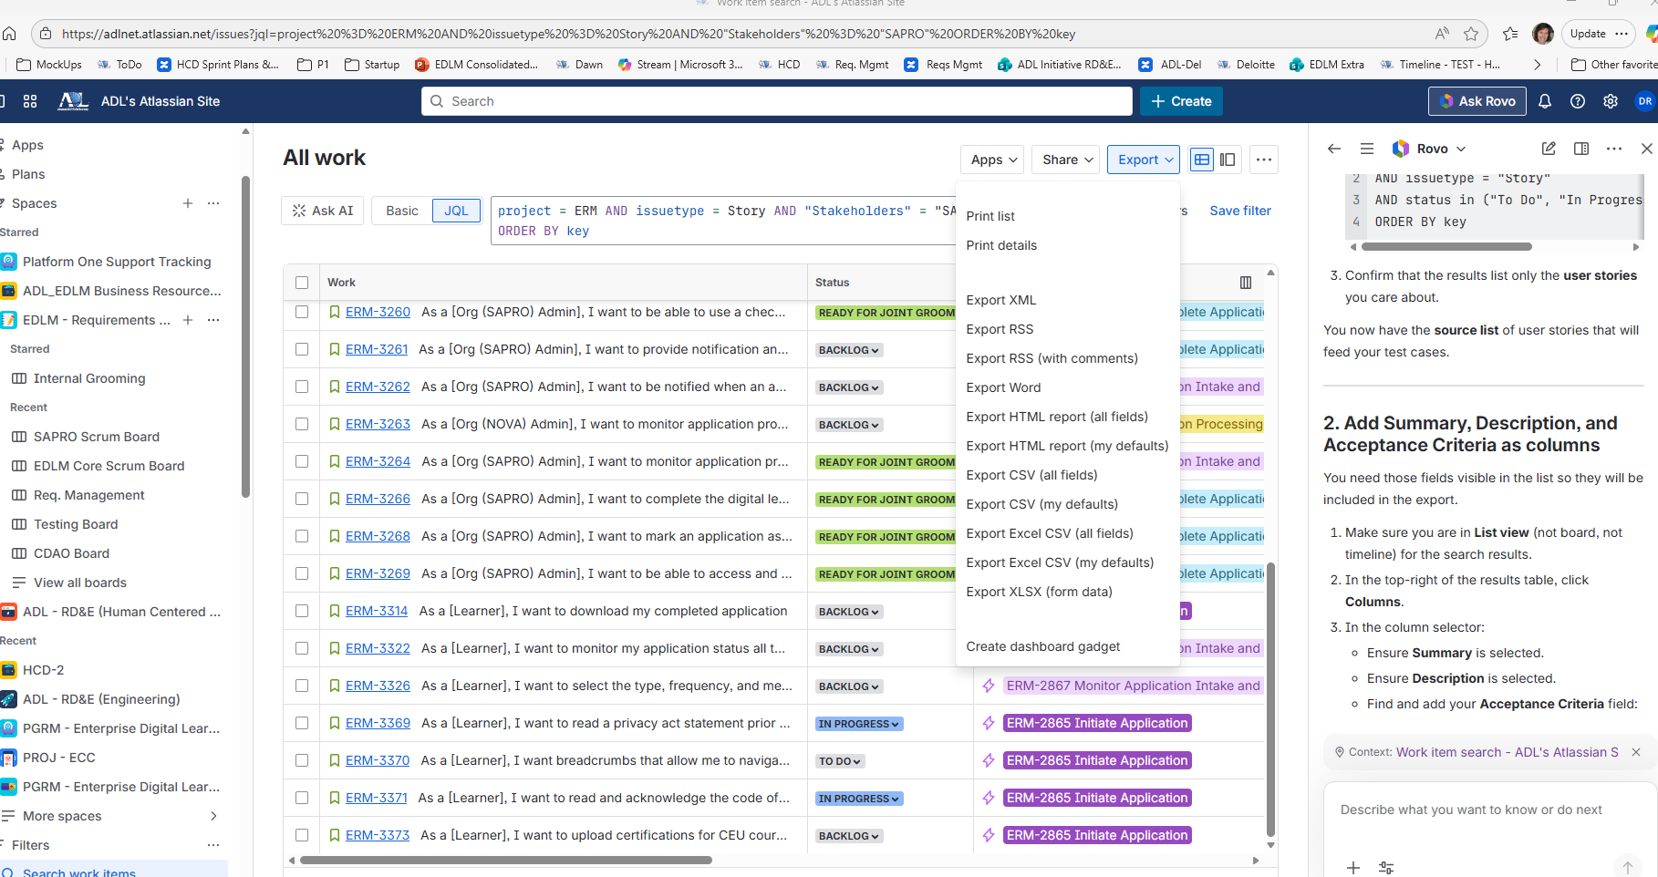
Purpose | Capture acceptance criteria in support of testing SAPRO requirements have been met. These acceptance criteria will be aligned to the User Stories in the RTVM. The "Test No." from this spreadsheet will be inserted into the RTVM.

 | Graphic to the right --> export guidance

File POC | Dawn Riddle
 | Desiree

History / Log | createdfrom JIRA 28 Jan 2026. Update Tickets / new export from JIRA at end of each Sprint.

