Bug Report
BUG REPORT
CATEGORY | LABEL | VALUE
Bug ID | ID number | BR-RU-01
 | Name | REGISTER-New user
 | Reporter | Andrea Mayorga
 | Submit Date | 2021-11-03
Bug overview | Summary | There is no validation on the email in the registry.
 | URL | http://automationpractice.com/index.php?controller=authentication&back=my-account
 | Screenshot | 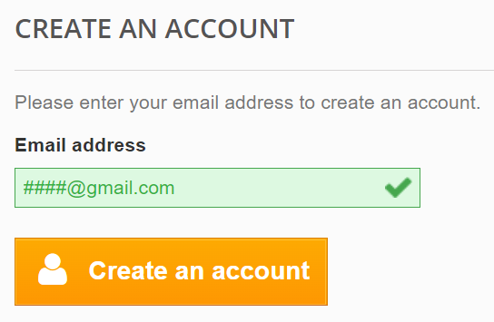 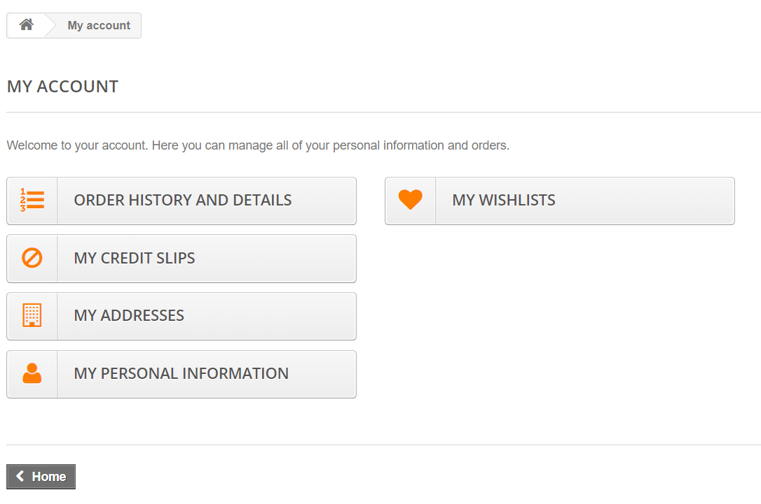
Environment | Platform | DELL
 | Operating System | Microsoft Windows 10 pro
 | Browser | Chrome 95
Bug details | Steps to reproduce | Go to authentication site > enter an invalid email (I registered ####@gmail.com)> click on "Create an account" button (see screenshot) > complete the formulary with random information>account created.
 | Expected result | It should not let create an account with an in existent e mail. Some alert or validation mail should be appear prevoiusly finish the register.
 | Actual result | Acount created
Bug tracking | Severity | Major
 | Assigned to | /
 | Priority | High
Notes | Notes | /

