Sheet1
URL OF the page where the change is required | Image of the page | Text/ Functioanlity change | old text/ Description | New text | Hindi | Marathi | Tamil | Telugu | Malayalam | Bengali | Kannada
https://brands.cpdinclinic.co.in/Version3/EquipoiseSchool/add_campaign.php | 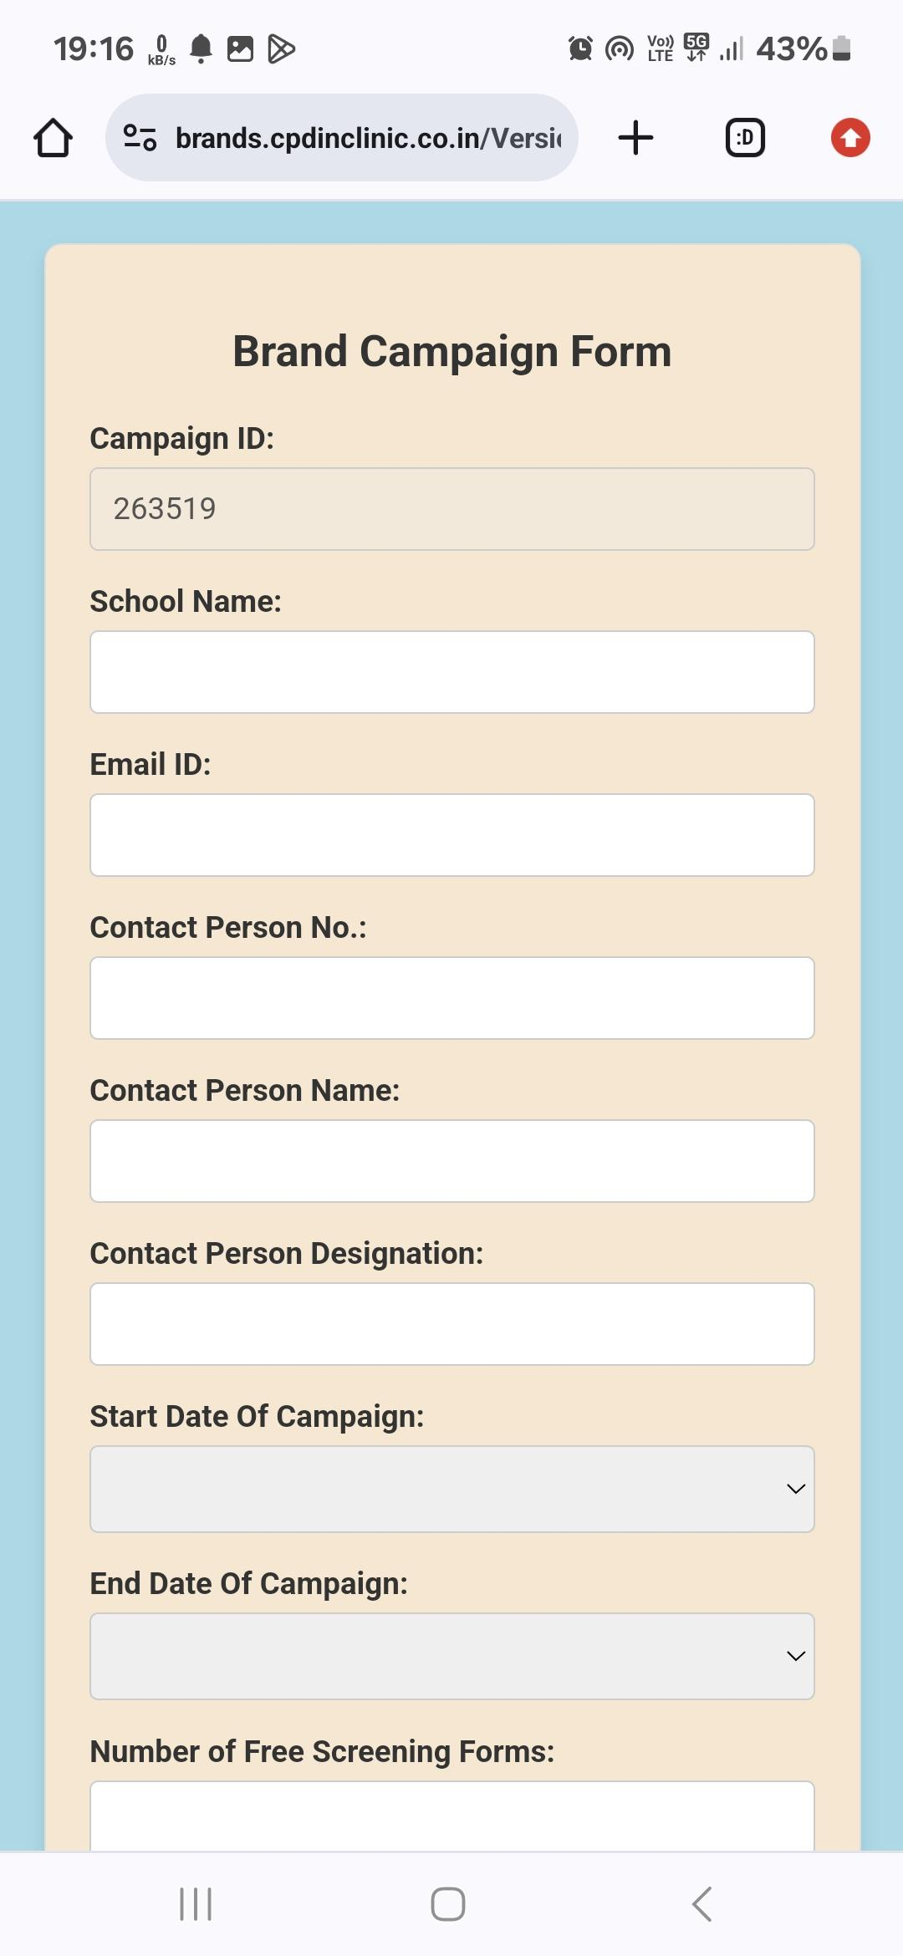 | Add this Disclaimer under the Email ID just like the doctor recruitment |  | Please enter you Gmail address. A Gmail address is mandatory, use the same address while logging into the system. If you do not have a gmail address get one by clicking here. GMAIL
https://brands.cpdinclinic.co.in/Version3/EquipoiseSchool/add_campaign.php |  | Text Change | Email ID: | School Email ID:
Create a new product for the EmoScreen School system Because of the changes specific to the EmoScreen School product | 3 Paid products 1. 1 rupee form, 2. 20 rupee product, 3. 499 rupee product | Create a new Behaviorial form for the EmoScreen School | Introduce a new product for the paid product under 20 rupees for all the paid forms
In the new behaviourial form, remove the Clinic address, appointment booking number | 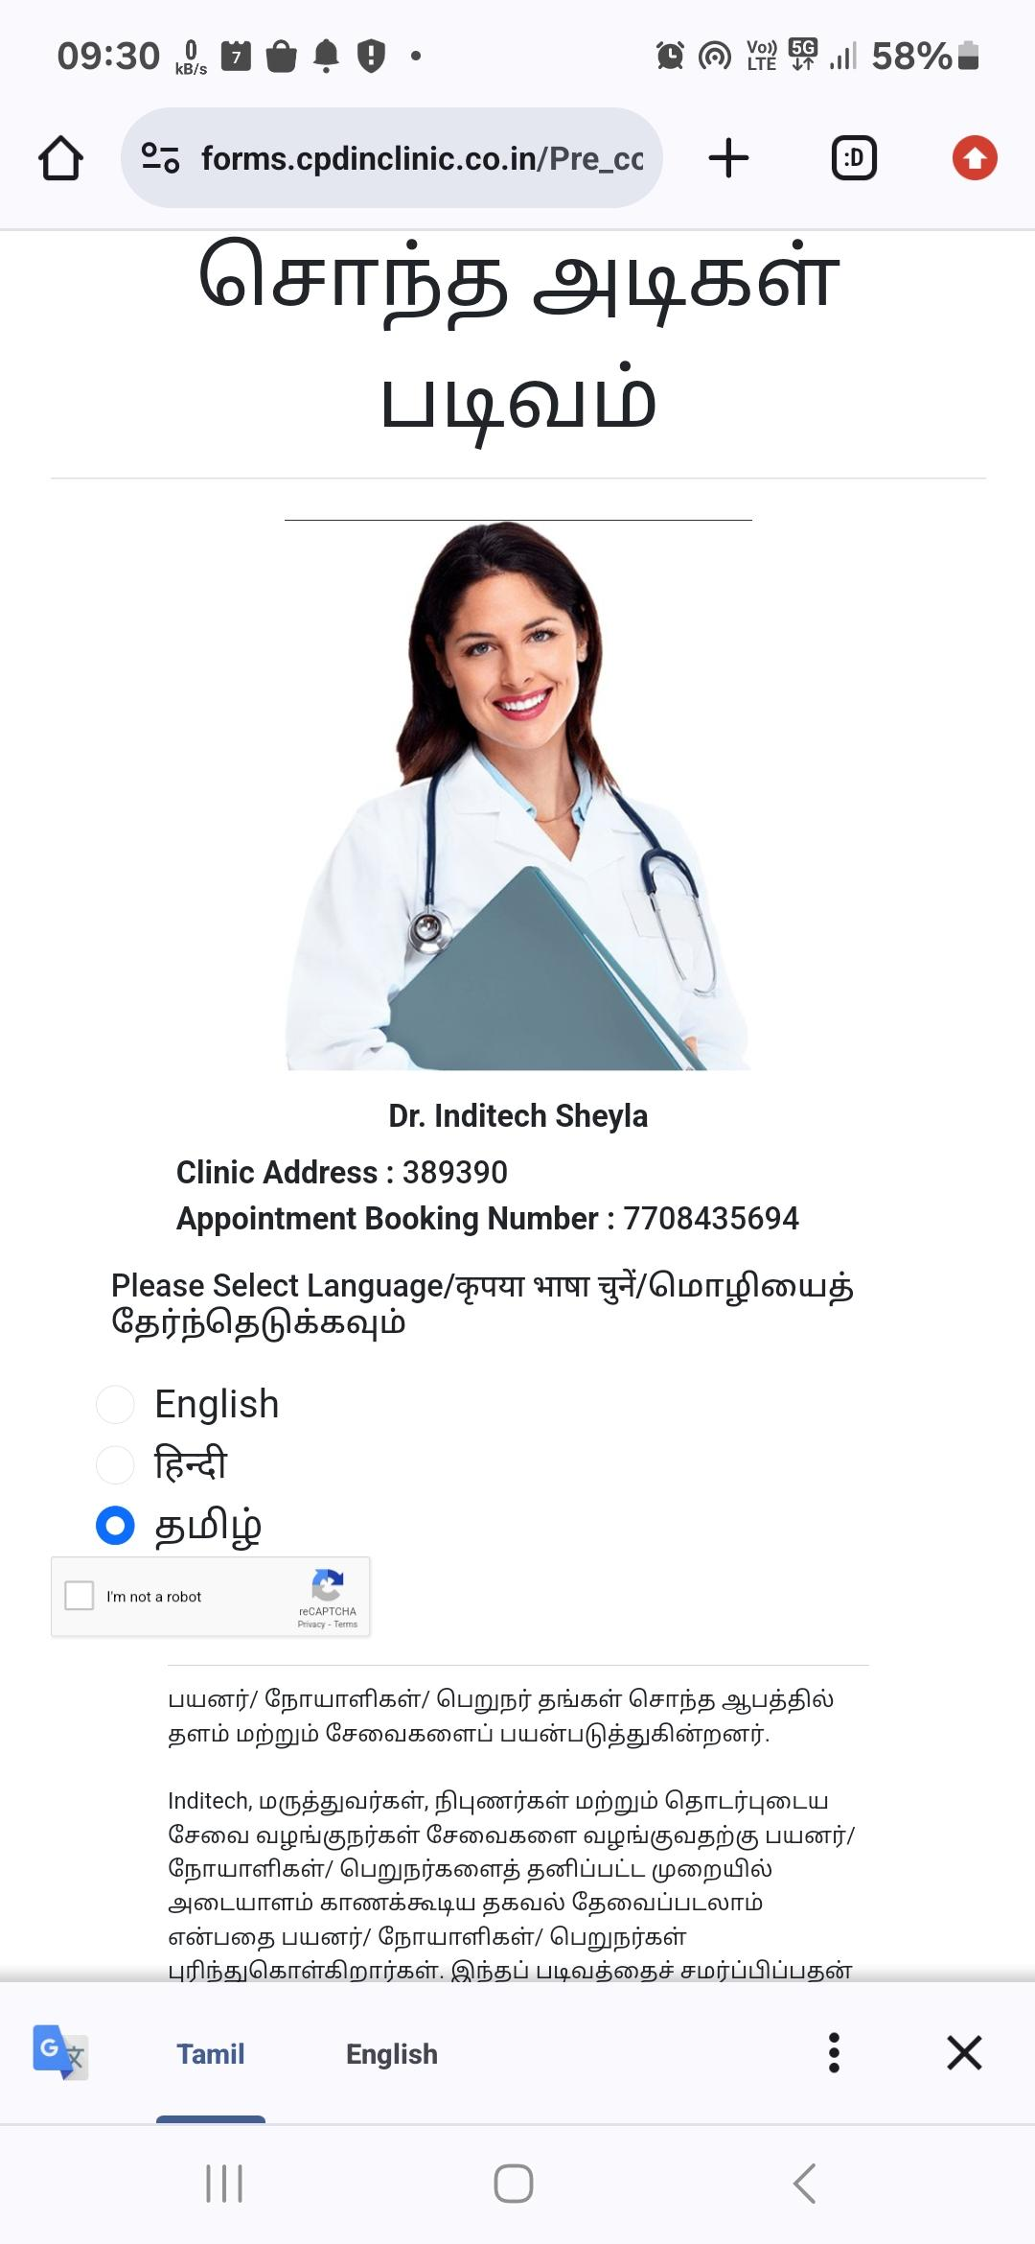 | Remove the School photo, clinic number , appointment booking number
Message sent to parents for the free form |  | Text Change | Hello, In this message I’m sending you the evaluation form for Behavioral and Emotional Red Flags Please answer its questions carefully and if the response received indicates any areas of concern, please visit my clinic. Click Here: https://forms.cpdinclinic.co.in/link_to_form/NzcwODQzNTY5NA==/5893 | Hello, In this message I’m sending you the evaluation form for Behavioral and Emotional Red Flags. Please answer its questions carefully and if the response received indicates any areas of concern, please visit your pediatrician. Click Here: <Form Link>
Remove the "Select an image" option in the Add a new campaign form | 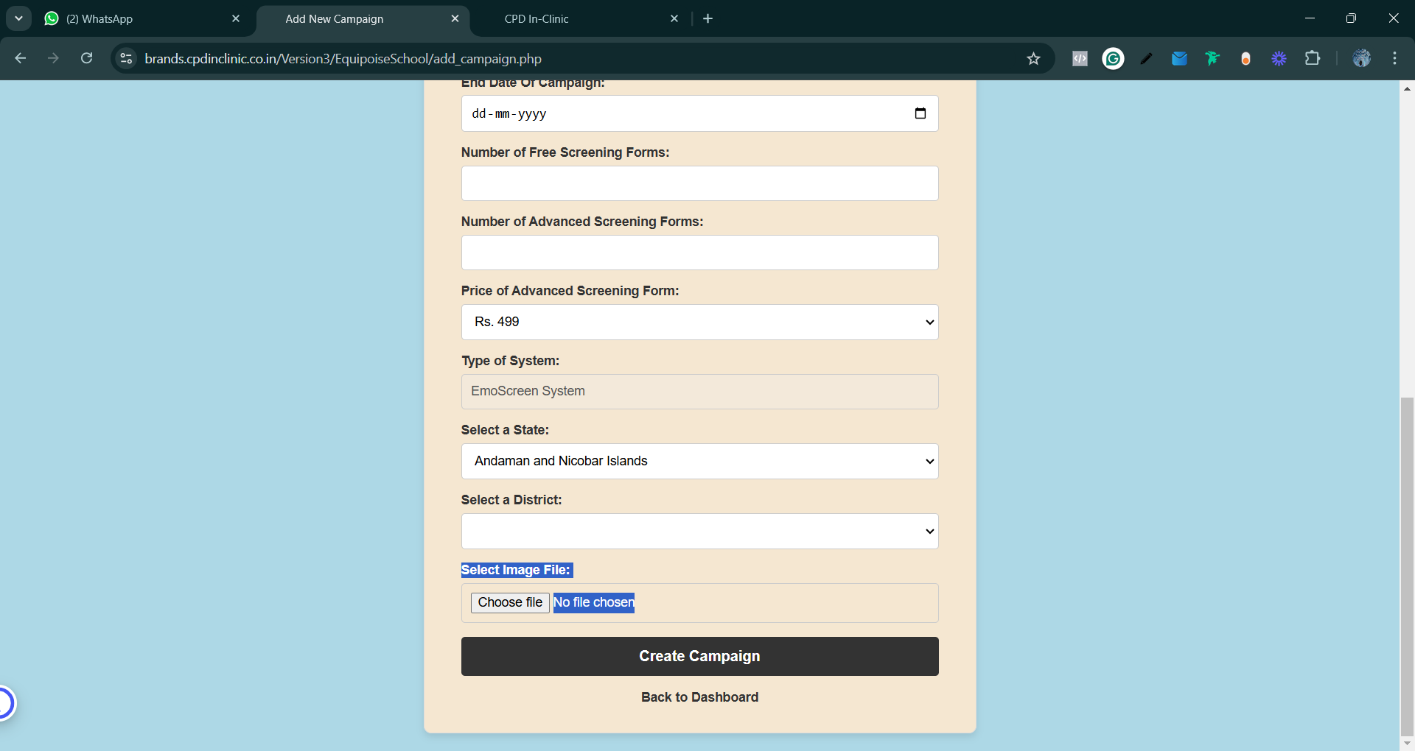
Revise the Highlighted text for the EmoScreen School | 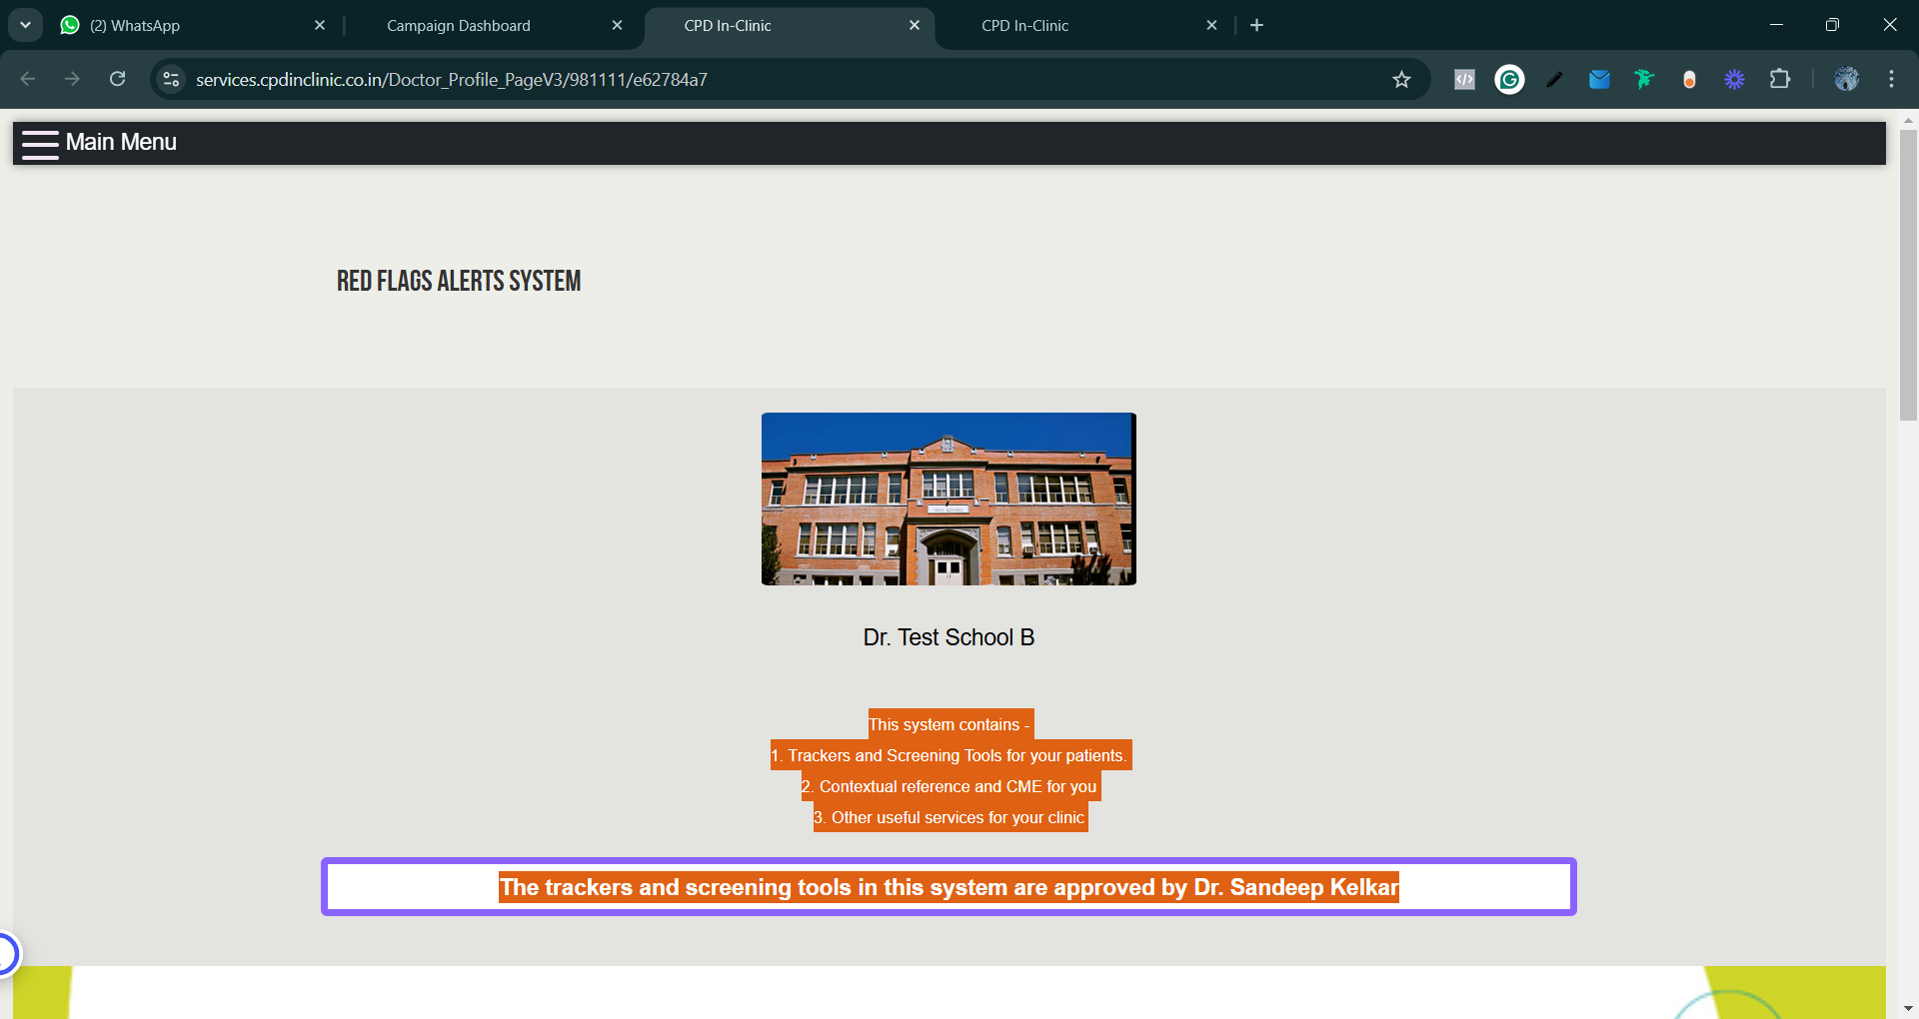 | Revise the highlighted text | This system contains - 1. Trackers and Screening Tools for your patients. 2. Contextual reference and CME for you 3. Other useful services for your clinic | This system contains - 1. Trackers and Screening Tools for your students. 2. Patient education videos for the teachers and parents
https://services.cpdinclinic.co.in/Doctor_Profile_PageV3/981111/e62784a7 | 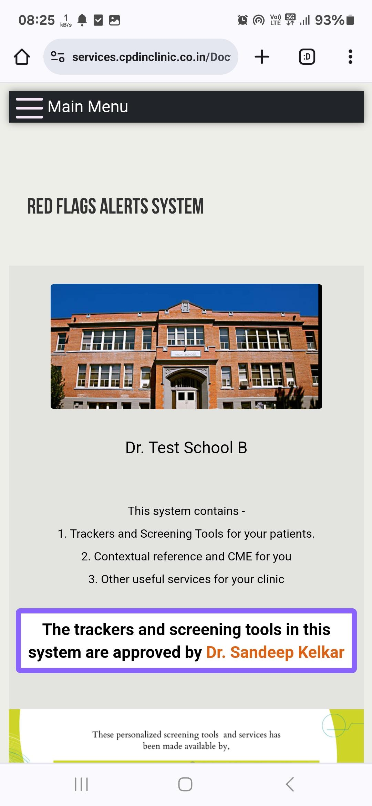 | Text Change | Dr. Test School | Test School
https://forms.cpdinclinic.co.in/Pre_consultation_Form-MHA_index?lang=English&lang2=Tamil&num=5880 |  | Text Change | Dr. Test School | Test School
https://forms.cpdinclinic.co.in/Pre_consultation_Form-MHA_index?lang=English&lang2=Tamil&num=5880 |  | Functionality Change | Remove Clinic Address
https://forms.cpdinclinic.co.in/Pre_consultation_Form-MHA_index?lang=English&lang2=Tamil&num=5880 |  | Remove the clinic appointment booking number | Change the appointment booking number to Dr. Kelkar's Receptionist number
Doctor report pdf | 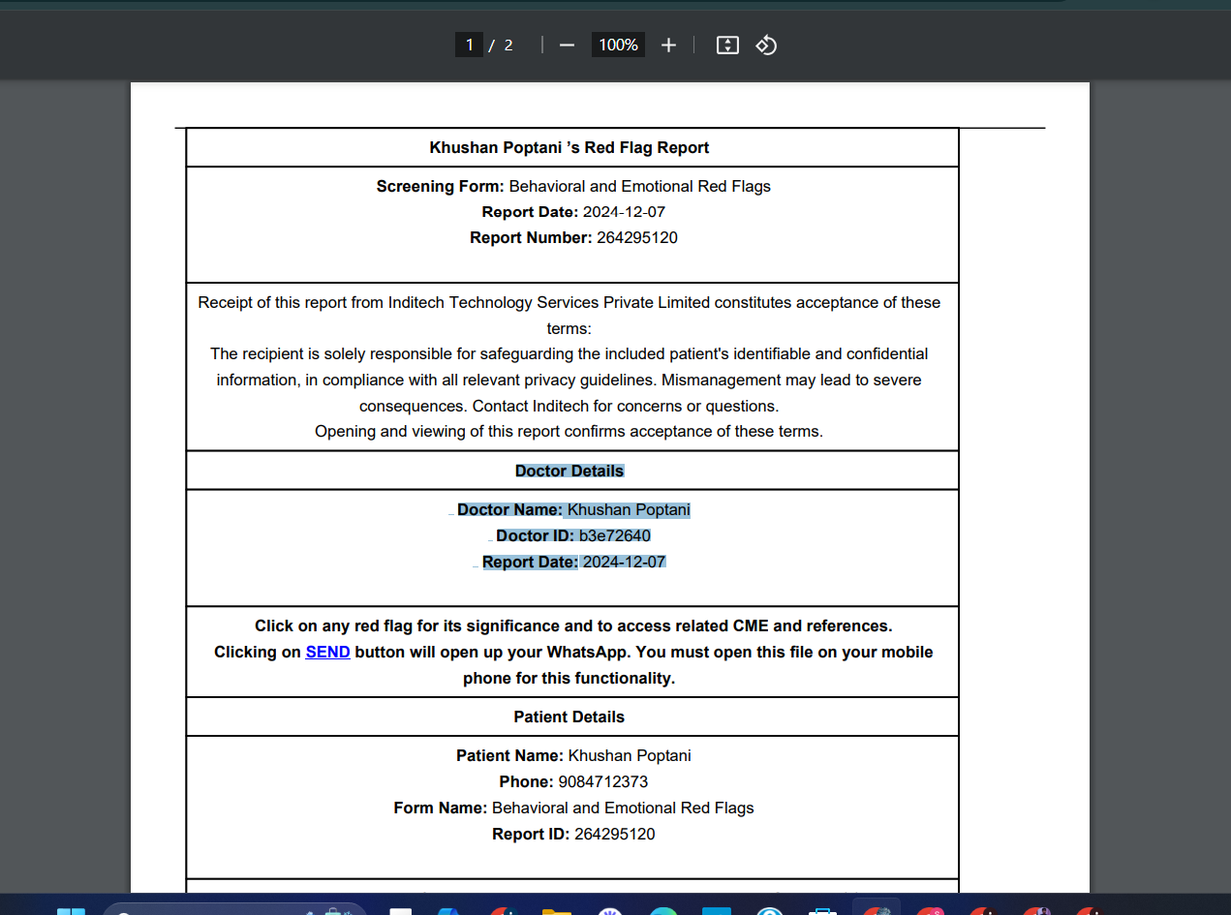 | Text Change | Doctor name | School Name
Free Doctor report pdf |  | Text Change | Doctor ID | School ID
https://services.cpdinclinic.co.in/Response_PageV3?reportid=518479120&doctorCode=6f015183&brand_id2=&brandid=748061&productId=87&language=1&patientName=Sheyla&redflag_id=11400011;11400021;11400031;11400041;11400051;;&redflags=Frequent+Temper+Tantrums+%26+Aggression%3BAnxiety+while+facing+new+experiences+impacting+daily+life%3BGets+easily+distracted+%26+find+difficulty+in+concentration%3BBattles+over+food+and+eating+and+is+fussy+about+eating%3BPersistant+irritability+%26+mood+swings+%0D%0A%3B&video_links=https%3A%2F%2Fwww.youtube.com%2Fwatch%3Fv%3DKFiHRE95q_o%3Bhttps%3A%2F%2Fwww.youtube.com%2Fwatch%3Fv%3DKFiHRE95q_o%3Bhttps%3A%2F%2Fwww.youtube.com%2Fwatch%3Fv%3DKFiHRE95q_o%3Bhttps%3A%2F%2Fwww.youtube.com%2Fwatch%3Fv%3DKFiHRE95q_o%3Bhttps%3A%2F%2Fwww.youtube.com%2Fwatch%3Fv%3DKFiHRE95q_o%3B&filename=error_log.txt&errorMessage=Try%20Again%20Later | 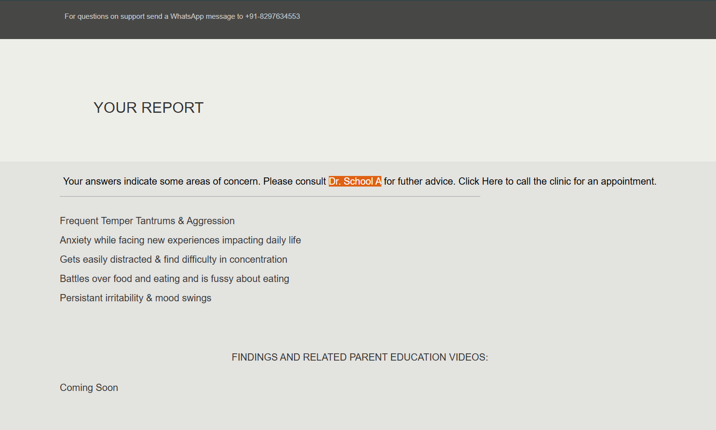 | Text Change | Dr. School A | your pediatrician
Login should be done everytime when clicked on Login with their email, right now I'm able to login to all the other brand campaigns which were not created by me
Login page |  | Text Change | Dr. Test School B | <School name>

