Sheet6
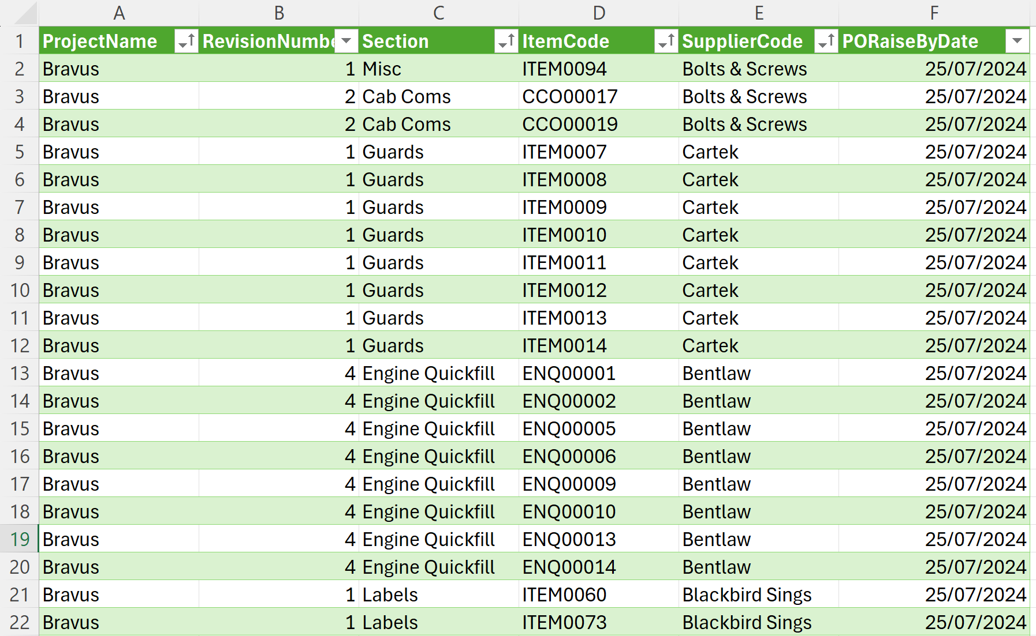
ProjectName | RevisionNumber | Section | ItemCode | SupplierCode | PORaiseByDate
Bravus | 1 | Misc | ITEM0094 | Bolts & Screws | 2024-07-25
Bravus | 2 | Cab Coms | CCO00017 | Bolts & Screws | 2024-07-25
Bravus | 2 | Cab Coms | CCO00019 | Bolts & Screws | 2024-07-25
Bravus | 1 | Guards | ITEM0007 | Cartek | 2024-07-25
Bravus | 1 | Guards | ITEM0008 | Cartek | 2024-07-25
Bravus | 1 | Guards | ITEM0009 | Cartek | 2024-07-25
Bravus | 1 | Guards | ITEM0010 | Cartek | 2024-07-25
Bravus | 1 | Guards | ITEM0011 | Cartek | 2024-07-25
Bravus | 1 | Guards | ITEM0012 | Cartek | 2024-07-25
Bravus | 1 | Guards | ITEM0013 | Cartek | 2024-07-25
Bravus | 1 | Guards | ITEM0014 | Cartek | 2024-07-25
Bravus | 4 | Engine Quickfill | ENQ00001 | Bentlaw | 2024-07-25
Bravus | 4 | Engine Quickfill | ENQ00002 | Bentlaw | 2024-07-25
Bravus | 4 | Engine Quickfill | ENQ00005 | Bentlaw | 2024-07-25
Bravus | 4 | Engine Quickfill | ENQ00006 | Bentlaw | 2024-07-25
Bravus | 4 | Engine Quickfill | ENQ00009 | Bentlaw | 2024-07-25
Bravus | 4 | Engine Quickfill | ENQ00010 | Bentlaw | 2024-07-25
Bravus | 4 | Engine Quickfill | ENQ00013 | Bentlaw | 2024-07-25
Bravus | 4 | Engine Quickfill | ENQ00014 | Bentlaw | 2024-07-25
Bravus | 1 | Labels | ITEM0060 | Blackbird Sings | 2024-07-25
Bravus | 1 | Labels | ITEM0073 | Blackbird Sings | 2024-07-25

