Dynamic_Analysis
SP5 Dynamic Analysis - CPU/SOC |  | V0.2 | 0 | Report Revision |  | EVT
Project | Genoa/Turin |  |  | Test Date |  | 2024-03-25
Worksheet
CPU TYPE | SP5-E

VDDCRCPU0 1.5V |  |  |  |  | VDDCR_SOC 1.2V

VDDCRCPU0 1.25V |  |  |  |  | VDDCR_SOC 1.05V

VDDCRCPU0 1.00V |  |  |  |  | VDDCR_SOC 0.9V

VDDCRCPU0 0.75V |  |  |  |  | VDDCR_SOC 0.75V

VDDCRCPU0 0.55V

VDD_11_S3 vs. Frequency Duty 25%
 | Min Limit(L) | Max Limit(L) | Voltage Min(L) | Voltage Max(L)
VDDCRCPU0 1.00V |  | 0

VDD_11_S3 vs. Frequency Duty 25%
 | Min Limit(L) | Max Limit(L) | Voltage Min(L) | Voltage Max(L)
VDDCRCPU0 1.00V |  | 0
VDD_11_S3 vs. Frequency Duty 75%
 | Voltage Max(H) | Voltage Min (H) | Max Limit(H) | Min Limit(H)
VDD_11_S3 Transient Voltage Peak to Peak vs. Frequency
 | Transient Voltage Peak to Peak(L) 25% |  | Transient Voltage Peak to Peak(L) 50% |  | Transient Voltage Peak to Peak(L) 75%
VDDCRCPU0 1.00V
 |  | VDDCRCPU0 0.75V

VDD_11_S3 vs. Frequency Duty 25%
 | Min Limit(L) | Max Limit(L) | Voltage Min(L) | Voltage Max(L)
VDDCRCPU0 1.00V |  | 0
VDD_11_S3 vs. Frequency Duty 75%
 | Voltage Max(H) | Voltage Min (H) | Max Limit(H) | Min Limit(H)
VDD_11_S3 Transient Voltage Peak to Peak vs. Frequency
 | Transient Voltage Peak to Peak(L) 25% |  | Transient Voltage Peak to Peak(L) 50% |  | Transient Voltage Peak to Peak(L) 75%
VDDCRCPU0 1.00V
 |  | VDDCRCPU0 0.75V

VDD_11_S3 vs. Frequency Duty 25%
 | Min Limit(L) | Max Limit(L) | Voltage Min(L) | Voltage Max(L)
VDDCRCPU0 1.00V |  | 0
VDD_11_S3 vs. Frequency Duty 75%
 | Voltage Max(H) | Voltage Min (H) | Max Limit(H) | Min Limit(H)
VDD_11_S3 Transient Voltage Peak to Peak vs. Frequency
 | Transient Voltage Peak to Peak(L) 25% |  | Transient Voltage Peak to Peak(L) 50% |  | Transient Voltage Peak to Peak(L) 75%
VDDCRCPU0 1.00V
 |  | VDDCRCPU0 0.75V

VDD_11_S3 vs. Frequency Duty 25%
 | Min Limit(L) | Max Limit(L) | Voltage Min(L) | Voltage Max(L)
VDDCRCPU0 1.00V |  | 0
VDD_11_S3 vs. Frequency Duty 75%
 | Voltage Max(H) | Voltage Min (H) | Max Limit(H) | Min Limit(H)
VDD_11_S3 Transient Voltage Peak to Peak vs. Frequency
 | Transient Voltage Peak to Peak(L) 25% |  | Transient Voltage Peak to Peak(L) 50% |  | Transient Voltage Peak to Peak(L) 75%
VDDCRCPU0 1.00V
 |  | VDDCRCPU0 0.75V

VDD_11_S3 vs. Frequency Duty 25%
 | Min Limit(L) | Max Limit(L) | Voltage Min(L) | Voltage Max(L)
VDDCRCPU0 1.00V |  | 0
VDD_11_S3 vs. Frequency Duty 75%
 | Voltage Max(H) | Voltage Min (H) | Max Limit(H) | Min Limit(H)
VDD_11_S3 Transient Voltage Peak to Peak vs. Frequency
 | Transient Voltage Peak to Peak(L) 25% |  | Transient Voltage Peak to Peak(L) 50% |  | Transient Voltage Peak to Peak(L) 75%
VDDCRCPU0 1.00V
 |  | VDDCRCPU0 0.75V

VDD_11_S3 vs. Frequency Duty 25%
 | Min Limit(L) | Max Limit(L) | Voltage Min(L) | Voltage Max(L)
VDDCRCPU0 1.00V |  | 0
VDD_11_S3 vs. Frequency Duty 75%
 | Voltage Max(H) | Voltage Min (H) | Max Limit(H) | Min Limit(H)
VDD_11_S3 Transient Voltage Peak to Peak vs. Frequency
 | Transient Voltage Peak to Peak(L) 25% |  | Transient Voltage Peak to Peak(L) 50% |  | Transient Voltage Peak to Peak(L) 75%
VDDCRCPU0 1.00V
 |  | VDDCRCPU0 0.75V

VDD_11_S3 vs. Frequency Duty 25%
 | Min Limit(L) | Max Limit(L) | Voltage Min(L) | Voltage Max(L)
VDDCRCPU0 1.00V |  | 0
VDD_11_S3 vs. Frequency Duty 75%
 | Voltage Max(H) | Voltage Min (H) | Max Limit(H) | Min Limit(H)
VDD_11_S3 Transient Voltage Peak to Peak vs. Frequency
 | Transient Voltage Peak to Peak(L) 25% |  | Transient Voltage Peak to Peak(L) 50% |  | Transient Voltage Peak to Peak(L) 75%
VDDCRCPU0 1.00V
 |  | VDDCRCPU0 0.75V

VDD_11_S3 vs. Frequency Duty 25%
 | Min Limit(L) | Max Limit(L) | Voltage Min(L) | Voltage Max(L)
VDDCRCPU0 1.00V |  | 0
VDD_11_S3 vs. Frequency Duty 75%
 | Voltage Max(H) | Voltage Min (H) | Max Limit(H) | Min Limit(H)
VDD_11_S3 Transient Voltage Peak to Peak vs. Frequency
 | Transient Voltage Peak to Peak(L) 25% |  | Transient Voltage Peak to Peak(L) 50% |  | Transient Voltage Peak to Peak(L) 75%
VDDCRCPU0 1.00V
 |  | VDDCRCPU0 0.75V

VDD_11_S3 vs. Frequency Duty 25%
 | Min Limit(L) | Max Limit(L) | Voltage Min(L) | Voltage Max(L)
VDDCRCPU0 1.00V |  | 0
VDD_11_S3 vs. Frequency Duty 75%
 | Voltage Max(H) | Voltage Min (H) | Max Limit(H) | Min Limit(H)
VDD_11_S3 Transient Voltage Peak to Peak vs. Frequency
 | Transient Voltage Peak to Peak(L) 25% |  | Transient Voltage Peak to Peak(L) 50% |  | Transient Voltage Peak to Peak(L) 75%
VDDCRCPU0 1.00V
 |  | VDDCRCPU0 0.75V

VDD_11_S3 vs. Frequency Duty 25%
 | Min Limit(L) | Max Limit(L) | Voltage Min(L) | Voltage Max(L)
VDDCRCPU0 1.00V |  | 0
VDD_11_S3 vs. Frequency Duty 75%
 | Voltage Max(H) | Voltage Min (H) | Max Limit(H) | Min Limit(H)
VDD_11_S3 Transient Voltage Peak to Peak vs. Frequency
 | Transient Voltage Peak to Peak(L) 25% |  | Transient Voltage Peak to Peak(L) 50% |  | Transient Voltage Peak to Peak(L) 75%
VDDCRCPU0 1.00V
 |  | VDDCRCPU0 0.75V

VDD_11_S3 vs. Frequency Duty 25%
 | Min Limit(L) | Max Limit(L) | Voltage Min(L) | Voltage Max(L)
VDDCRCPU0 1.00V |  | 0
VDD_11_S3 vs. Frequency Duty 75%
 | Voltage Max(H) | Voltage Min (H) | Max Limit(H) | Min Limit(H)
VDD_11_S3 Transient Voltage Peak to Peak vs. Frequency
 | Transient Voltage Peak to Peak(L) 25% |  | Transient Voltage Peak to Peak(L) 50% |  | Transient Voltage Peak to Peak(L) 75%
VDDCRCPU0 1.00V
 |  | VDDCRCPU0 0.75V

VDD_11_S3 vs. Frequency Duty 25%
 | Min Limit(L) | Max Limit(L) | Voltage Min(L) | Voltage Max(L)
VDDCRCPU0 1.00V |  | 0
VDD_11_S3 vs. Frequency Duty 75%
 | Voltage Max(H) | Voltage Min (H) | Max Limit(H) | Min Limit(H)
VDD_11_S3 Transient Voltage Peak to Peak vs. Frequency
 | Transient Voltage Peak to Peak(L) 25% |  | Transient Voltage Peak to Peak(L) 50% |  | Transient Voltage Peak to Peak(L) 75%
VDDCRCPU0 1.00V
 |  | VDDCRCPU0 0.75V

VDD_11_S3 vs. Frequency Duty 25%
 | Min Limit(L) | Max Limit(L) | Voltage Min(L) | Voltage Max(L)
VDDCRCPU0 1.00V |  | 0
VDD_11_S3 vs. Frequency Duty 75%
 | Voltage Max(H) | Voltage Min (H) | Max Limit(H) | Min Limit(H)
VDD_11_S3 Transient Voltage Peak to Peak vs. Frequency
 | Transient Voltage Peak to Peak(L) 25% |  | Transient Voltage Peak to Peak(L) 50% |  | Transient Voltage Peak to Peak(L) 75%
VDDCRCPU0 1.00V
 |  | VDDCRCPU0 0.75V

VDD_11_S3 vs. Frequency Duty 25%
 | Min Limit(L) | Max Limit(L) | Voltage Min(L) | Voltage Max(L)
VDDCRCPU0 1.00V |  | 0
VDD_11_S3 vs. Frequency Duty 75%
 | Voltage Max(H) | Voltage Min (H) | Max Limit(H) | Min Limit(H)
VDD_11_S3 Transient Voltage Peak to Peak vs. Frequency
 | Transient Voltage Peak to Peak(L) 25% |  | Transient Voltage Peak to Peak(L) 50% |  | Transient Voltage Peak to Peak(L) 75%
VDDCRCPU0 1.00V
 |  | VDDCRCPU0 0.75V

VDD_11_S3 vs. Frequency Duty 25%
 | Min Limit(L) | Max Limit(L) | Voltage Min(L) | Voltage Max(L)
VDDCRCPU0 1.00V |  | 0
VDD_11_S3 vs. Frequency Duty 75%
 | Voltage Max(H) | Voltage Min (H) | Max Limit(H) | Min Limit(H)
VDD_11_S3 Transient Voltage Peak to Peak vs. Frequency
 | Transient Voltage Peak to Peak(L) 25% |  | Transient Voltage Peak to Peak(L) 50% |  | Transient Voltage Peak to Peak(L) 75%
VDDCRCPU0 1.00V
 |  | VDDCRCPU0 0.75V

VDD_11_S3 vs. Frequency Duty 25%
 | Min Limit(L) | Max Limit(L) | Voltage Min(L) | Voltage Max(L)
VDDCRCPU0 1.00V |  | 0
VDD_11_S3 vs. Frequency Duty 75%
 | Voltage Max(H) | Voltage Min (H) | Max Limit(H) | Min Limit(H)
VDD_11_S3 Transient Voltage Peak to Peak vs. Frequency
 | Transient Voltage Peak to Peak(L) 25% |  | Transient Voltage Peak to Peak(L) 50% |  | Transient Voltage Peak to Peak(L) 75%
VDDCRCPU0 1.00V
 |  | VDDCRCPU0 0.75V

VDD_11_S3 vs. Frequency Duty 25%
 | Min Limit(L) | Max Limit(L) | Voltage Min(L) | Voltage Max(L)
VDDCRCPU0 1.00V |  | 0
VDD_11_S3 vs. Frequency Duty 75%
 | Voltage Max(H) | Voltage Min (H) | Max Limit(H) | Min Limit(H)
VDD_11_S3 Transient Voltage Peak to Peak vs. Frequency
 | Transient Voltage Peak to Peak(L) 25% |  | Transient Voltage Peak to Peak(L) 50% |  | Transient Voltage Peak to Peak(L) 75%
VDDCRCPU0 1.00V
 |  | VDDCRCPU0 0.75V

VDD_11_S3 vs. Frequency Duty 25%
 | Min Limit(L) | Max Limit(L) | Voltage Min(L) | Voltage Max(L)
VDDCRCPU0 1.00V |  | 0
VDD_11_S3 vs. Frequency Duty 75%
 | Voltage Max(H) | Voltage Min (H) | Max Limit(H) | Min Limit(H)
VDD_11_S3 Transient Voltage Peak to Peak vs. Frequency
 | Transient Voltage Peak to Peak(L) 25% |  | Transient Voltage Peak to Peak(L) 50% |  | Transient Voltage Peak to Peak(L) 75%
VDDCRCPU0 1.00V
 |  | VDDCRCPU0 0.75V

VDD_11_S3 vs. Frequency Duty 25%
 | Min Limit(L) | Max Limit(L) | Voltage Min(L) | Voltage Max(L)
VDDCRCPU0 1.00V |  | 0
VDD_11_S3 vs. Frequency Duty 75%
 | Voltage Max(H) | Voltage Min (H) | Max Limit(H) | Min Limit(H)
VDD_11_S3 Transient Voltage Peak to Peak vs. Frequency
 | Transient Voltage Peak to Peak(L) 25% |  | Transient Voltage Peak to Peak(L) 50% |  | Transient Voltage Peak to Peak(L) 75%
VDDCRCPU0 1.00V
 |  | VDDCRCPU0 0.75V

VDD_11_S3 vs. Frequency Duty 25%
 | Min Limit(L) | Max Limit(L) | Voltage Min(L) | Voltage Max(L)
VDDCRCPU0 1.00V |  | 0
VDD_11_S3 vs. Frequency Duty 75%
 | Voltage Max(H) | Voltage Min (H) | Max Limit(H) | Min Limit(H)
VDD_11_S3 Transient Voltage Peak to Peak vs. Frequency
 | Transient Voltage Peak to Peak(L) 25% |  | Transient Voltage Peak to Peak(L) 50% |  | Transient Voltage Peak to Peak(L) 75%
VDDCRCPU0 1.00V
 |  | VDDCRCPU0 0.75V

VDD_11_S3 vs. Frequency Duty 25%
 | Min Limit(L) | Max Limit(L) | Voltage Min(L) | Voltage Max(L)
VDDCRCPU0 1.00V |  | 0
VDD_11_S3 vs. Frequency Duty 75%
 | Voltage Max(H) | Voltage Min (H) | Max Limit(H) | Min Limit(H)
VDD_11_S3 Transient Voltage Peak to Peak vs. Frequency
 | Transient Voltage Peak to Peak(L) 25% |  | Transient Voltage Peak to Peak(L) 50% |  | Transient Voltage Peak to Peak(L) 75%
VDDCRCPU0 1.00V
 |  | VDDCRCPU0 0.75V

VDD_11_S3 vs. Frequency Duty 25%
 | Min Limit(L) | Max Limit(L) | Voltage Min(L) | Voltage Max(L)
VDDCRCPU0 1.00V |  | 0
VDD_11_S3 vs. Frequency Duty 75%
 | Voltage Max(H) | Voltage Min (H) | Max Limit(H) | Min Limit(H)
VDD_11_S3 Transient Voltage Peak to Peak vs. Frequency
 | Transient Voltage Peak to Peak(L) 25% |  | Transient Voltage Peak to Peak(L) 50% |  | Transient Voltage Peak to Peak(L) 75%
VDDCRCPU0 1.00V
 |  | VDDCRCPU0 0.75V

VDD_11_S3 vs. Frequency Duty 25%
 | Min Limit(L) | Max Limit(L) | Voltage Min(L) | Voltage Max(L)
VDDCRCPU0 1.00V |  | 0
VDD_11_S3 vs. Frequency Duty 75%
 | Voltage Max(H) | Voltage Min (H) | Max Limit(H) | Min Limit(H)
VDD_11_S3 Transient Voltage Peak to Peak vs. Frequency
 | Transient Voltage Peak to Peak(L) 25% |  | Transient Voltage Peak to Peak(L) 50% |  | Transient Voltage Peak to Peak(L) 75%
VDDCRCPU0 1.00V
 |  | VDDCRCPU0 0.75V

VDD_11_S3 vs. Frequency Duty 25%
 | Min Limit(L) | Max Limit(L) | Voltage Min(L) | Voltage Max(L)
VDDCRCPU0 1.00V |  | 0
VDD_11_S3 vs. Frequency Duty 75%
 | Voltage Max(H) | Voltage Min (H) | Max Limit(H) | Min Limit(H)
VDD_11_S3 Transient Voltage Peak to Peak vs. Frequency
 | Transient Voltage Peak to Peak(L) 25% |  | Transient Voltage Peak to Peak(L) 50% |  | Transient Voltage Peak to Peak(L) 75%
VDDCRCPU0 1.00V
 |  | VDDCRCPU0 0.75V

VOTF_Timing
SP5 Dynamic Analysis - CPU/SOC |  | V0.2 |  |  |  |  |  |  | Report Revision |  | EVT
Project | Genoa/Turin |  |  |  |  |  |  |  | Test Date |  | 2024-03-25 | IRM Info |  |  |  |  |  | Data please fill in in the cell with light bule color
Worksheet | 0 |  | Batch File | 0 |  |  |  |  |  |  |  | Rail CPU | SP5-E | TDC of CPU (A) | 175 | EDC of CPU (A) | 230
CPU TYPE | SP5-E |  | MP_Margin (mV) | 0 | mV |  |  |  |  |  |  | Rail SOC | All Group | TDC of SOC (A) | 105 | EDC of SOC (A) | 130
 |  |  |  | 0mV is base line for Voltage Supply Tolerances |  |  |  |  |  |  |  |  |  |  |  |  |  |  |  |  |  |  |  | Example of measurre point of VOTF
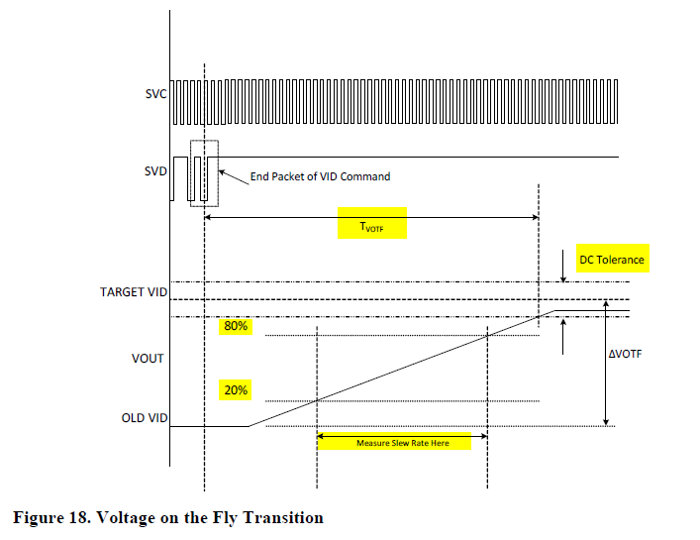

Test Case | VDDCR_CPU0 Test Case Pattern @ 2.5mV/us |  |  |  |  |  |  |  |  |  |  |  | Measurement Result
 | PSI Mode | IDD Set (A) | OLD VID (mV) | TARGET VID (mV) | Slew Rate Set (mV/us) | 20% of VID Transition (mV) | 80% of VID Transition (mV) | TARGET VID DC Min(mV) | TARGET VID DC Max(mV) | Measure 20% VID UP (mV) | Measure 80% VID UP (mV) | Change in Time (us) | Measured Slew Rate (mV/us) | Slew Rate Status | VOTF Time (us) | VOTF Time Pass/Fail | Ring Down | Vmax@VOTFC(mV) | Vmin@VOTFC(mV) | DC Tolerance Pass/Fail
1 | 7 | 0.00 | 550.00 | 900.00 | 2.5 | 0.00 | 0.00 | -20.00 | 20.00 | 0 | 0 | 0 | #DIV/0! | #DIV/0! | 0.00 | FAIL | 0 | 0 | 0 | PASS | 72 | 33
2 | 7 |  | 900.00 | 1300.00 | 2.5 | 0.00 | 0.00 | -20.00 | 20.00 | 0 | 0 | 0 | #DIV/0! | #DIV/0! | 0.00 | FAIL | 0 | 0 | 0 | PASS | 105
3 | 7 |  | 900.00 | 1500.00 | 2.5 | 0.00 | 0.00 | -20.00 | 20.00 | 0 | 0 | 0 | #DIV/0! | #DIV/0! | 0.00 | FAIL | 0 | 0 | 0 | PASS | 138
4 | 7 | 87.50 | 550.00 | 900.00 | 2.5 | 0.00 | 0.00 | -20.00 | 20.00 | 0 | 0 | 0 | #DIV/0! | #DIV/0! | 0.00 | FAIL | 0 | 0 | 0 | PASS | 171
5 | 7 |  | 900.00 | 1300.00 | 2.5 | 0.00 | 0.00 | -20.00 | 20.00 | 0 | 0 | 0 | #DIV/0! | #DIV/0! | 0.00 | FAIL | 0 | 0 | 0 | PASS | 204
6 | 7 |  | 900.00 | 1500.00 | 2.5 | 0.00 | 0.00 | -20.00 | 20.00 | 0 | 0 | 0 | #DIV/0! | #DIV/0! | 0.00 | FAIL | 0 | 0 | 0 | PASS | 237
7 | 7 | 175.00 | 550.00 | 900.00 | 2.5 | 0.00 | 0.00 | -20.00 | 20.00 | 0 | 0 | 0 | #DIV/0! | #DIV/0! | 0.00 | FAIL | 0 | 0 | 0 | PASS | 270
8 | 7 |  | 900.00 | 1300.00 | 2.5 | 0.00 | 0.00 | -20.00 | 20.00 | 0 | 0 | 0 | #DIV/0! | #DIV/0! | 0.00 | FAIL | 0 | 0 | 0 | PASS | 303
9 | 7 |  | 900.00 | 1500.00 | 2.5 | 0.00 | 0.00 | -20.00 | 20.00 | 0 | 0 | 0 | #DIV/0! | #DIV/0! | 0.00 | FAIL | 0 | 0 | 0 | PASS | 336
SPEC Calibration
VID (mV) | Vout measured (mV) from scope | IDD (A) | Vout measured (mV) from scope | IDD (A) | Real loadline(mΩ) on the MB | Vout measured (mV) from scope | IDD (A) | Real loadline(mΩ) on the MB
550.00 | 0 | 0.00 | 0 | 87.50 | 0.000 | 0 | 175.00 | 0.000
900.00 | 0 |  | 0 |  | 0.000 | 0 |  | 0.000
1300.00 | 0 |  | 0 |  | 0.000 | 0 |  | 0.000
1500.00 | 0 |  | 0 |  | 0.000 | 0 |  | 0.000
Test Case | VDDCR_SOC Test Case Pattern @ 2.5mV/us |  |  |  |  |  |  |  |  |  |  |  | Measurement Result
 | PSI Mode | IDD Set (A) | OLD VID (mV) | TARGET VID (mV) | Slew Rate Set (mV/us) | 20% of VID Transition (mV) | 80% of VID Transition (mV) | TARGET VID DC Min(mV) | TARGET VID DC Max(mV) | Measure 20% VID UP (mV) | Measure 80% VID UP (mV) | Change in Time (us) | Measured Slew Rate (mV/us) | Slew Rate Status | VOTF Time (us) | VOTF Time Pass/Fail | Ring Down | Vmax@VOTFC(mV) | Vmin@VOTFC(mV) | DC Tolerance Pass/Fail
1 | 7 | 0.00 | 750.00 | 900.00 | 2.5 | 0.00 | 0.00 | -20.00 | 20.00 | 0 | 0 | 0 | #DIV/0! | #DIV/0! | 0.00 | FAIL | 0 | 0 | 0 | PASS
2 | 7 |  | 900.00 | 1200.00 | 2.5 | 0.00 | 0.00 | -20.00 | 20.00 | 0 | 0 | 0 | #DIV/0! | #DIV/0! | 0.00 | FAIL | 0 | 0 | 0 | PASS
3 | 7 |  | 750.00 | 1200.00 | 2.5 | 0.00 | 0.00 | -20.00 | 20.00 | 0 | 0 | 0 | #DIV/0! | #DIV/0! | 0.00 | FAIL | 0 | 0 | 0 | PASS
4 | 7 | 105.00 | 750.00 | 900.00 | 2.5 | 0.00 | 0.00 | -20.00 | 20.00 | 0 | 0 | 0 | #DIV/0! | #DIV/0! | 0.00 | FAIL | 0 | 0 | 0 | PASS
5 | 7 |  | 900.00 | 1200.00 | 2.5 | 0.00 | 0.00 | -20.00 | 20.00 | 0 | 0 | 0 | #DIV/0! | #DIV/0! | 0.00 | FAIL | 0 | 0 | 0 | PASS
6 | 7 |  | 750.00 | 1200.00 | 2.5 | 0.00 | 0.00 | -20.00 | 20.00 | 0 | 0 | 0 | #DIV/0! | #DIV/0! | 0.00 | FAIL | 0 | 0 | 0 | PASS
SPEC Calibration
VID (mV) | Vout measured (mV) from scope | IDD (A) | Vout measured (mV) from scope | IDD (A)
750.00 | 0 | 0.00 | 0 | 105.00
900.00 | 0 |  | 0
1200.00 | 0 |  | 0

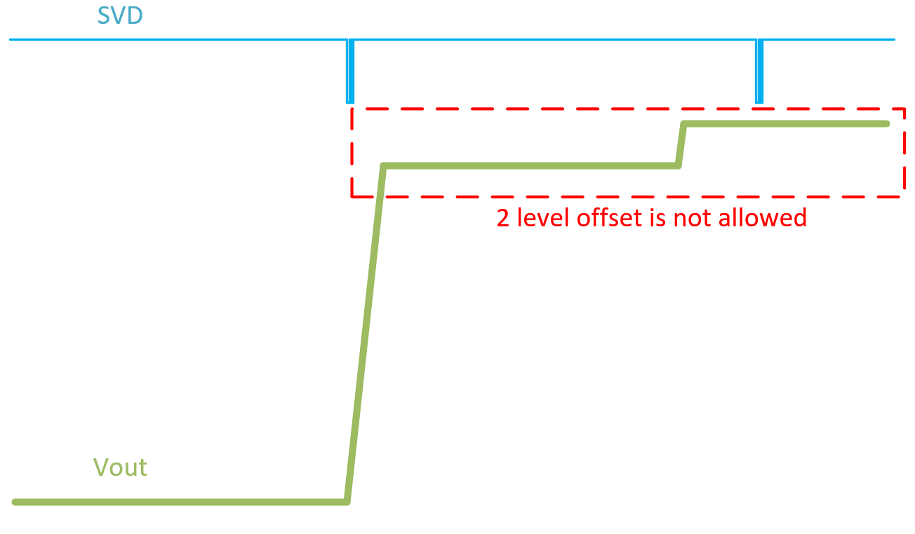
CPU Case | Slew Rate Capture |  |  |  | 0 / 0 mV | VOTFC Time Capture |  |  |  |  |  | Vmin@VOTF Capture |  |  |  |  |  | VOTF Down Slop Capture |  |  |  |  | DC level check Time Scale: 1ms/div at least |  | Example of DC level check
1 | 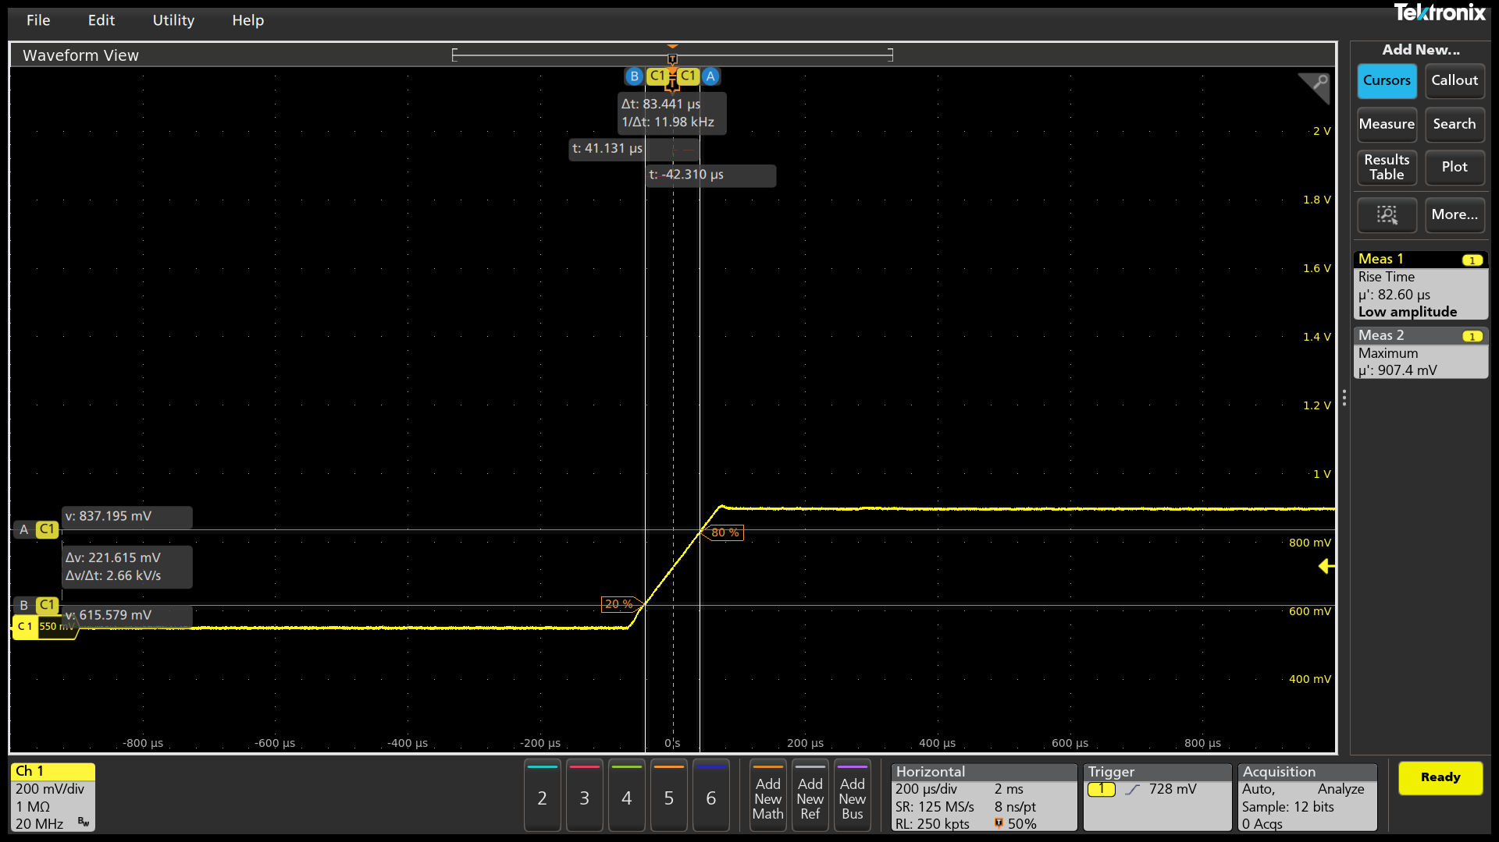 |  |  |  |  | 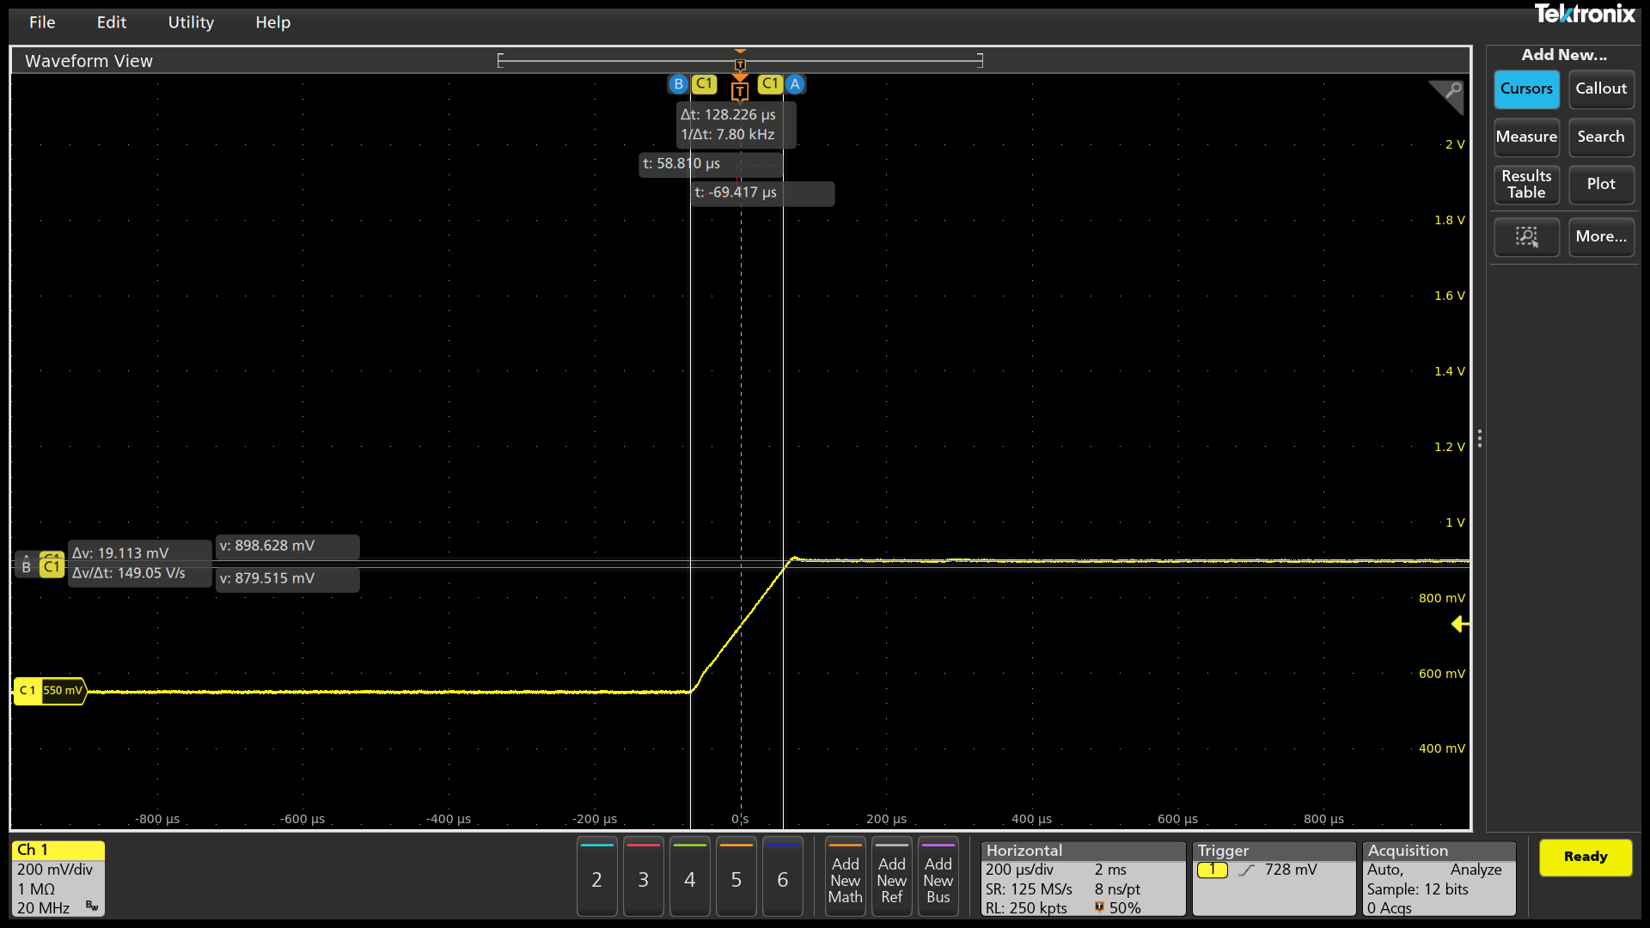 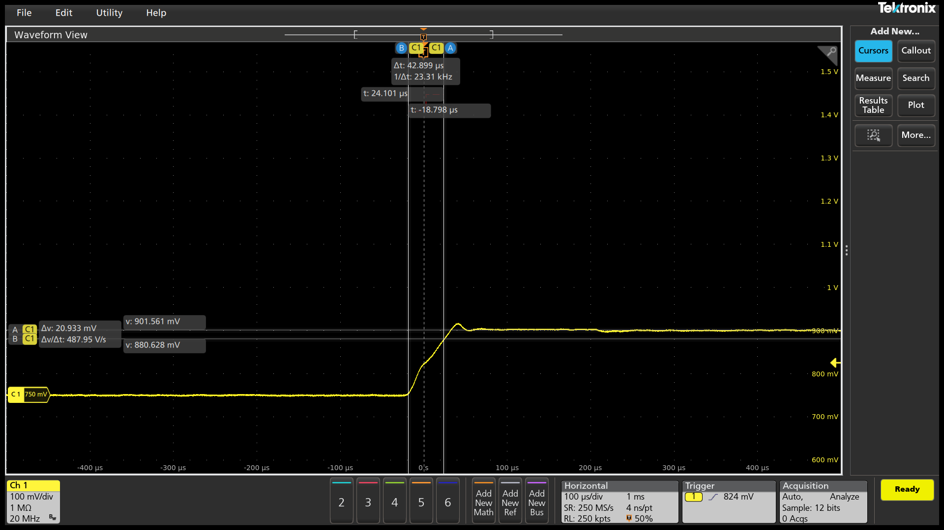 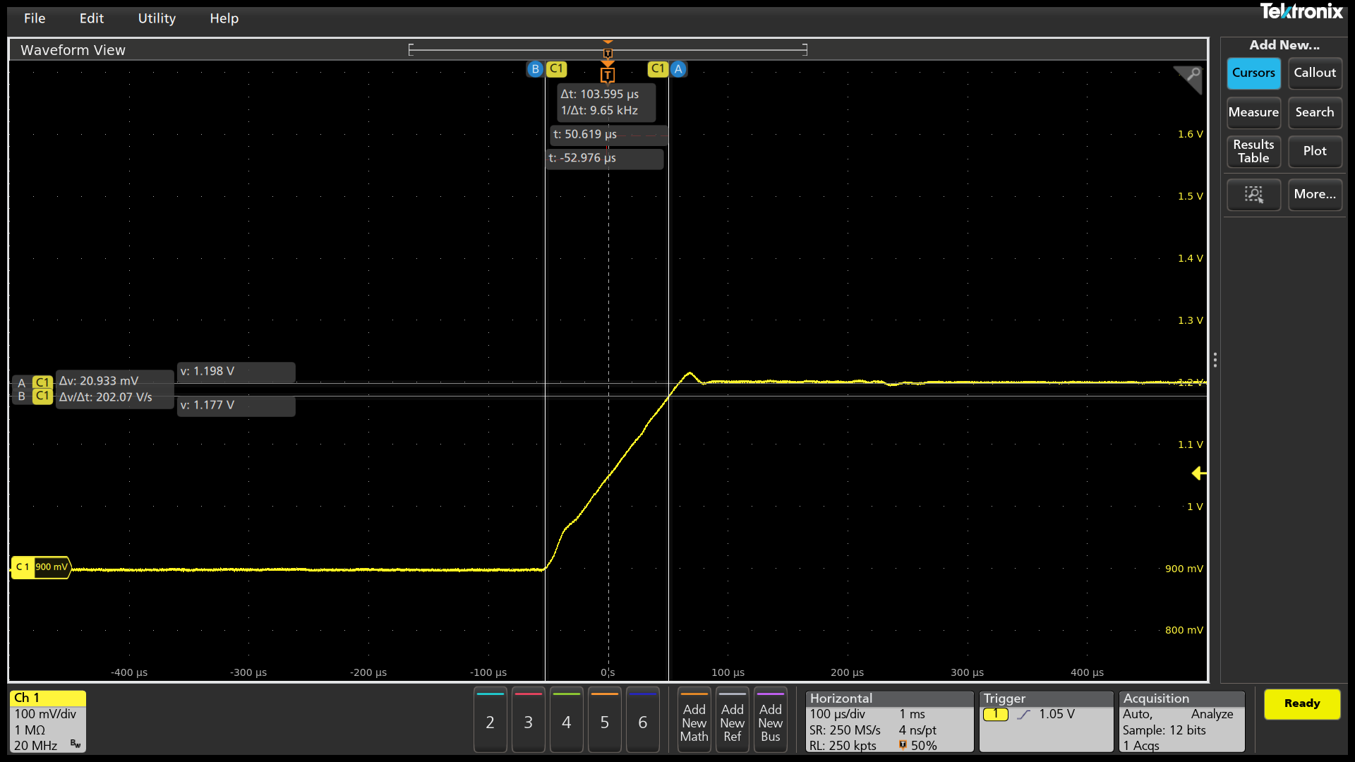 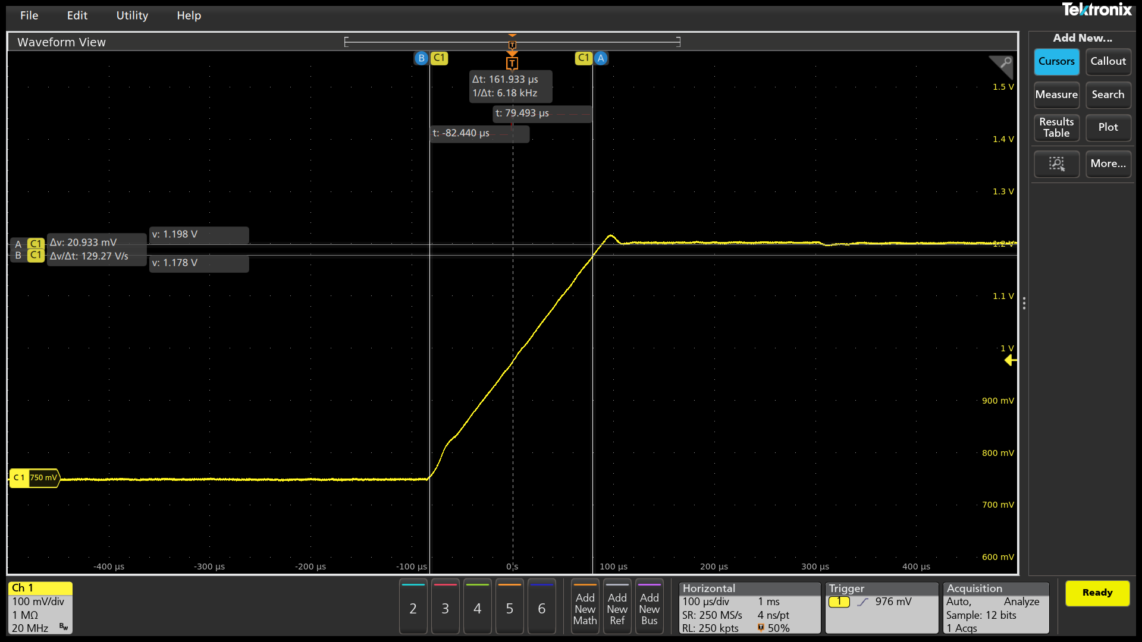   |  |  |  |  |  |  |  |  |  |  |  | 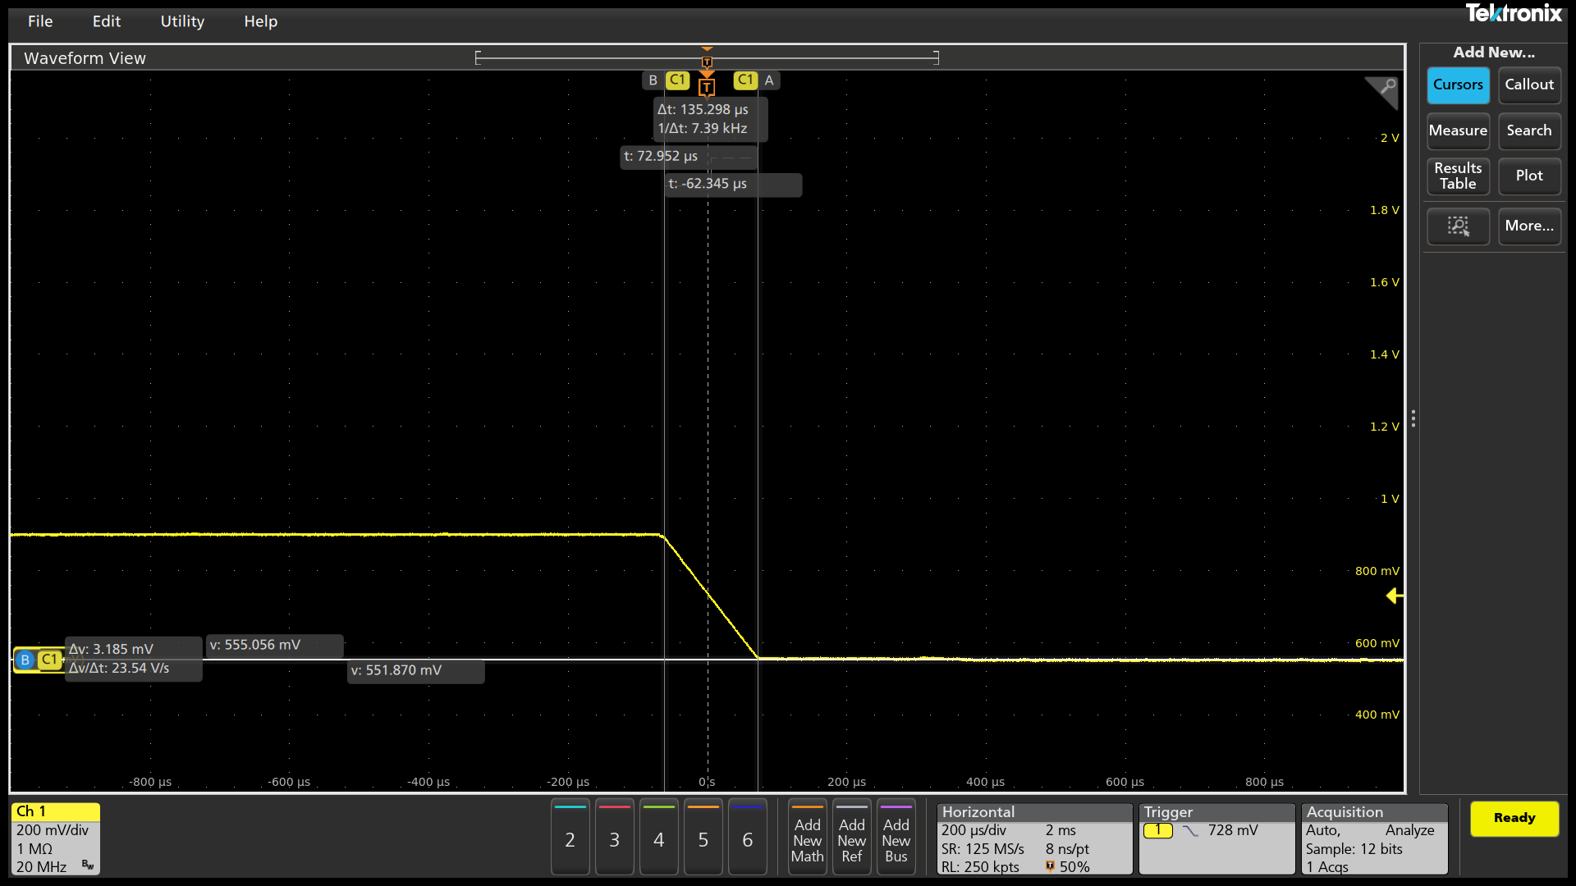

2.5mV/us
PSI7 0A
550mV->900mV

Slew Rate (mV/us)

#DIV/0!
#DIV/0!
Measure 20% VID UP (mV)

615.579
Measure 80% VID UP (mV)

837.195
Change in Time
(us)
83.441
VOTF Time (us)
FAIL
128.227
Ring Down

Vmin@VOTF (mV)

879.515
Vmax@VOTF (mV)

907.406
PASS
CPU Case | Slew Rate Capture |  |  |  | 0 / 0 mV | VOTFC Time Capture |  |  |  |  |  | Vmin@VOTF Capture |  |  |  |  |  | VOTF Down Slop Capture
2 | 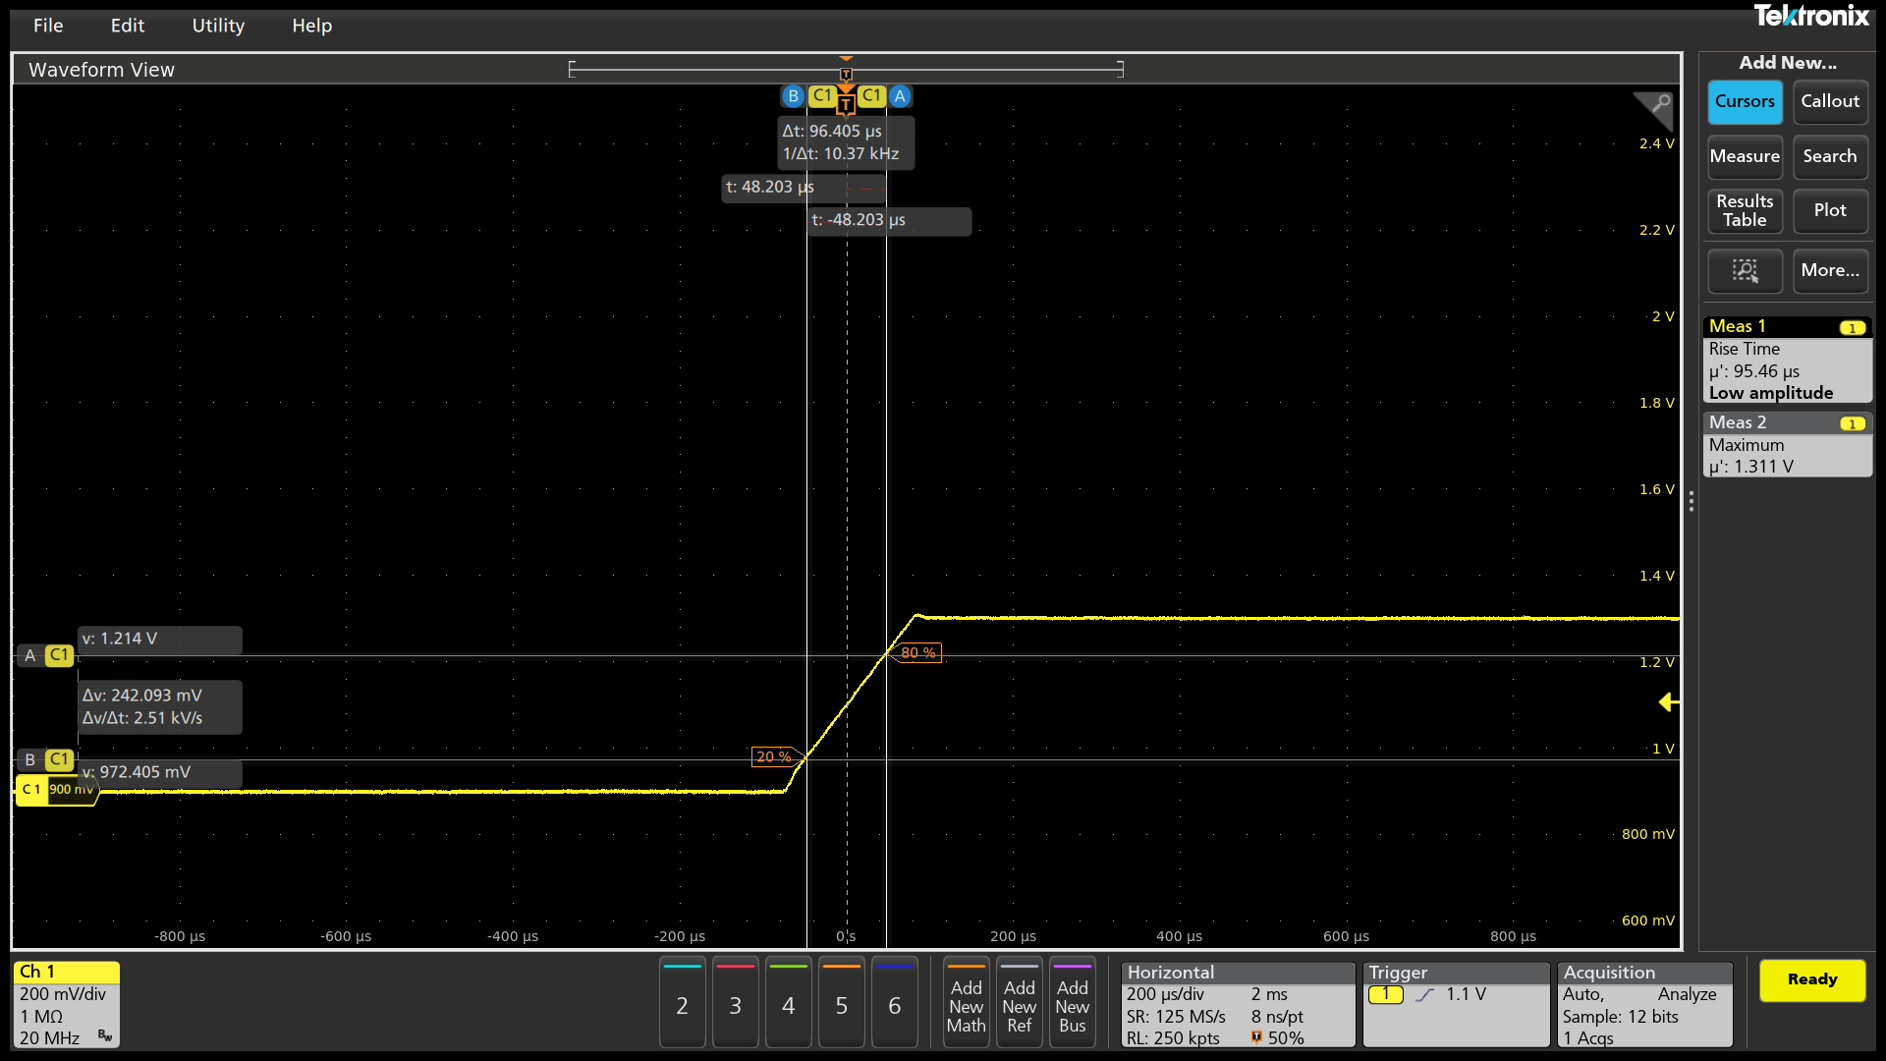 |  |  |  |  | 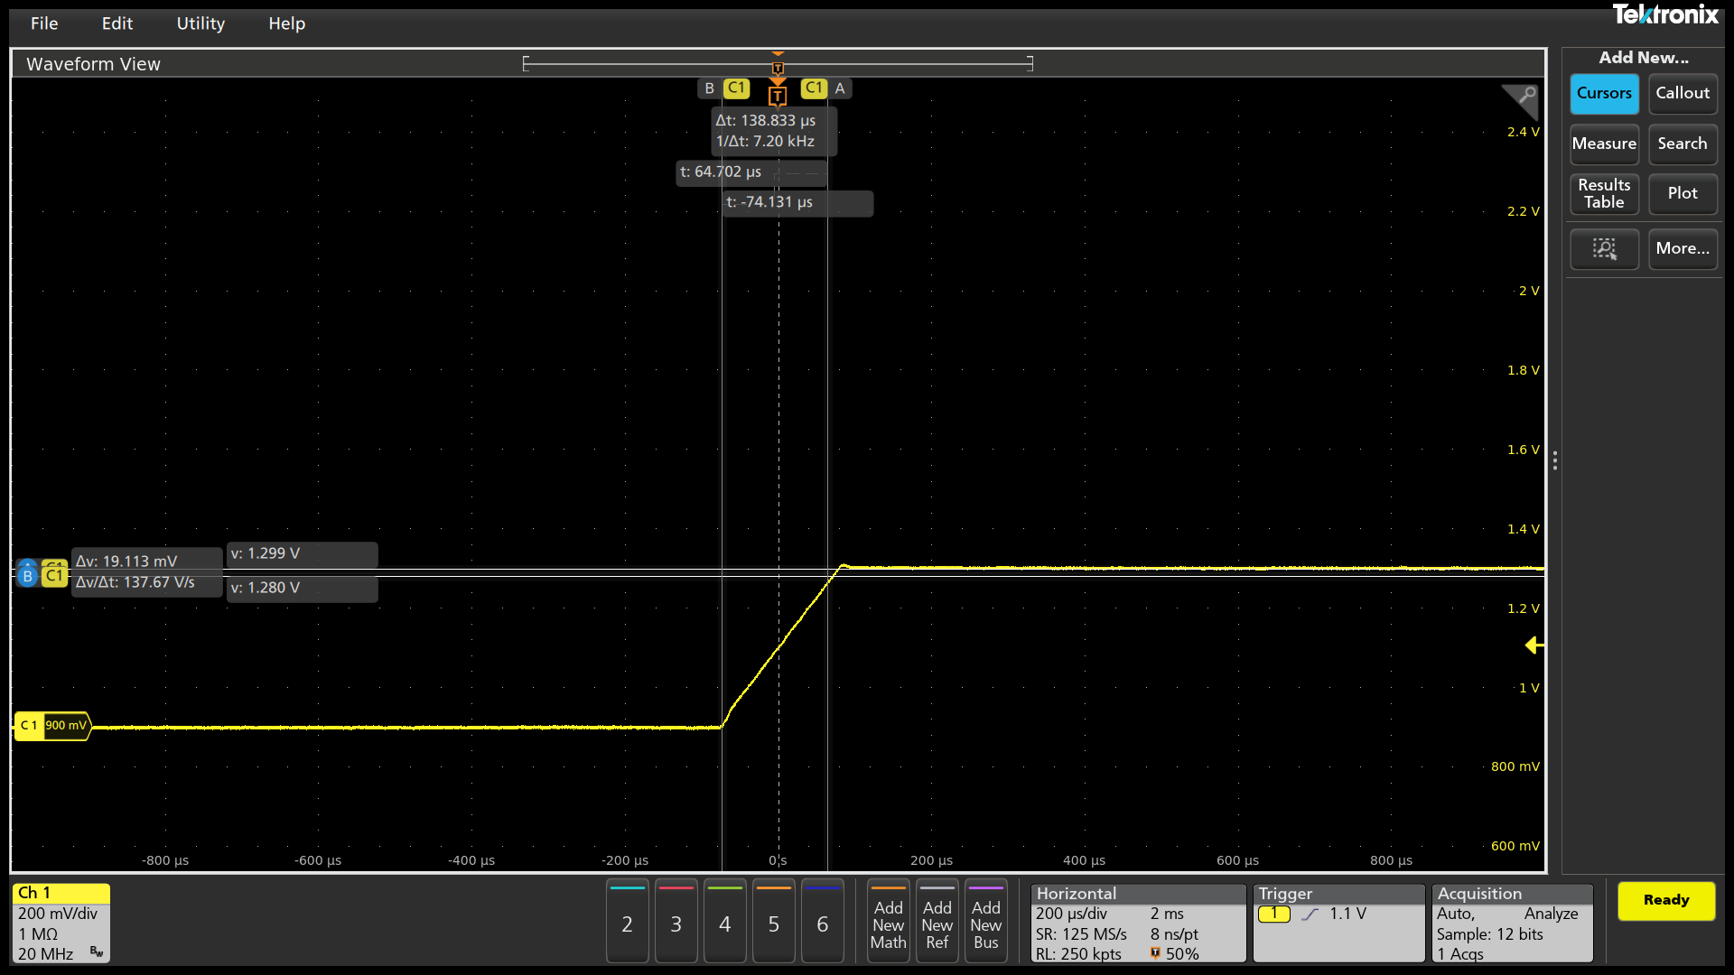 |  |  |  |  |  |  |  |  |  |  |  |  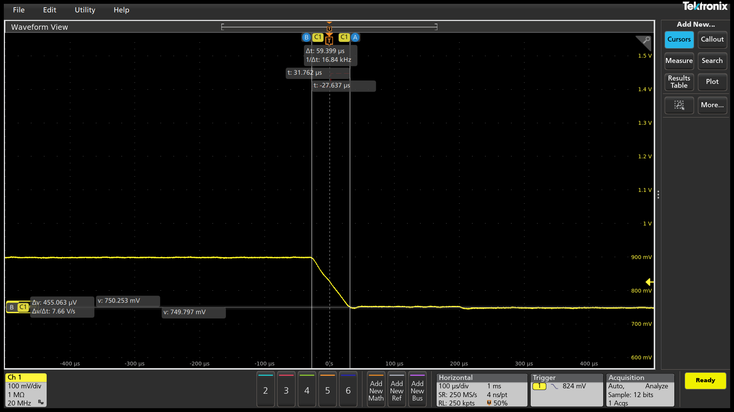 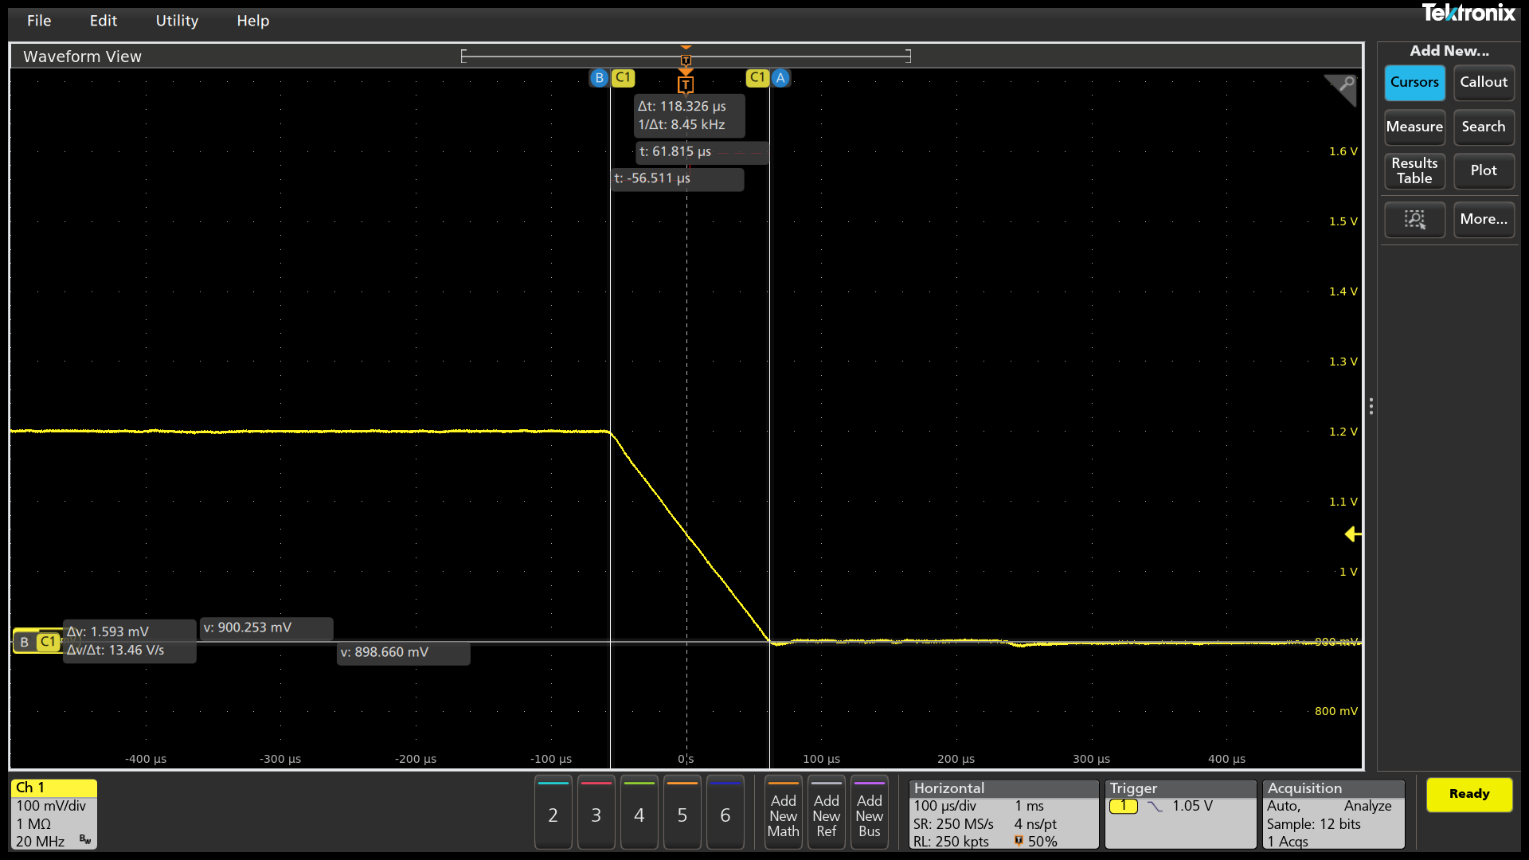 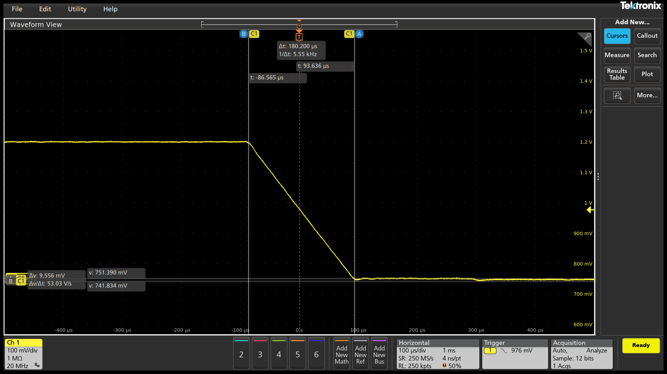 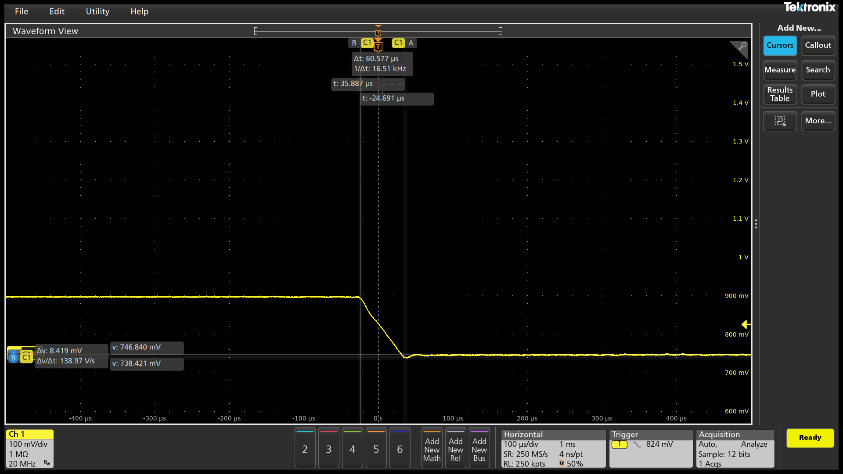 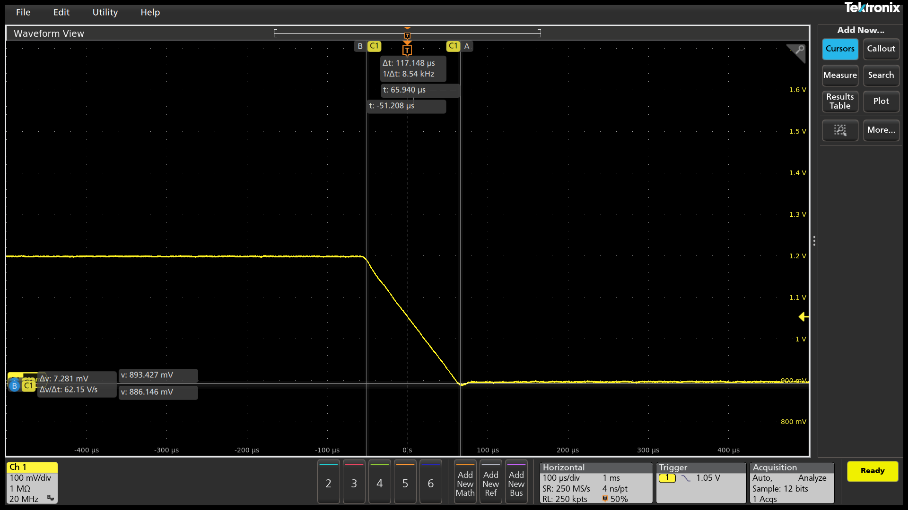

2.5mV/us
PSI7 0A
900mV->1300mV

Slew Rate (mV/us)

#DIV/0!
#DIV/0!
Measure 20% VID UP (mV)

972.405
Measure 80% VID UP (mV)

1.214
Change in Time
(us)
96.406
VOTF Time (us)
FAIL
138.833
Ring Down

Vmin@VOTF (mV)

1.28
Vmax@VOTF (mV)

1310.969
PASS
CPU Case | Slew Rate Capture |  |  |  | 0 / 0 mV | VOTFC Time Capture |  |  |  |  |  | Vmin@VOTF Capture |  |  |  |  |  | VOTF Down Slop Capture
3 | 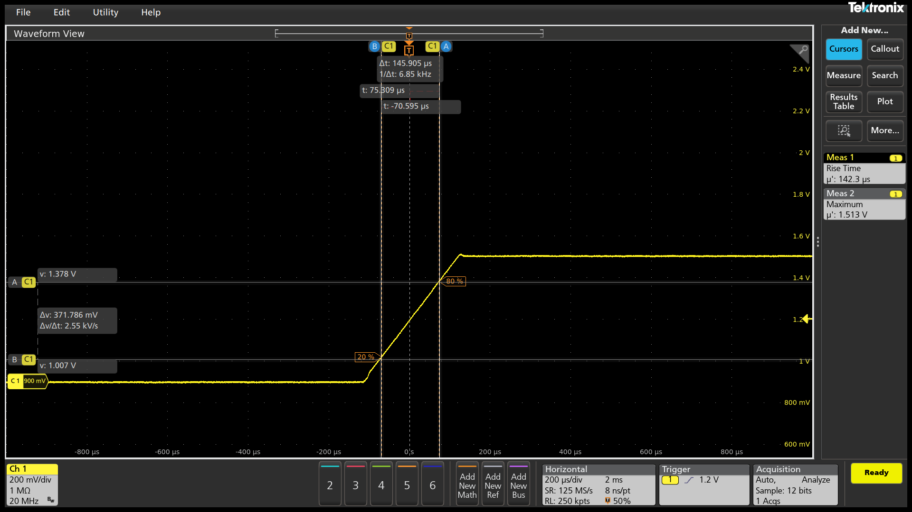 |  |  |  |  |  |  |  |  |  |  |  |  |  |  |  |  | 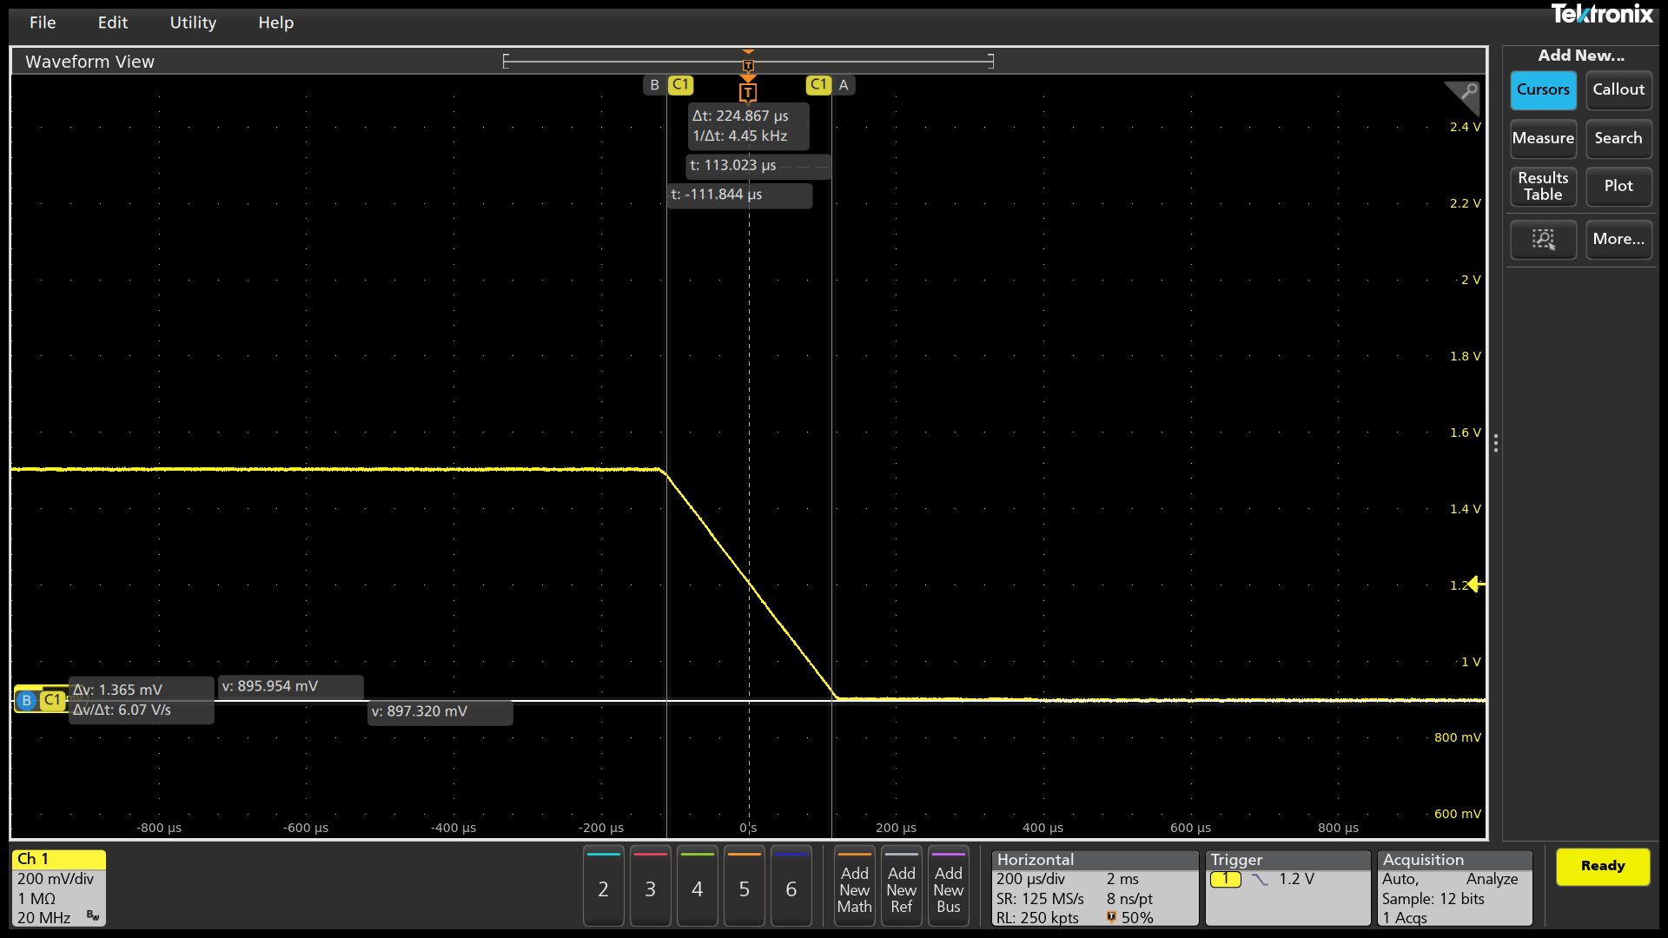

2.5mV/us
PSI7 0A
900mV->1500mV

Slew Rate (mV/us)

#DIV/0!
#DIV/0!
Measure 20% VID UP (mV)

1.007
Measure 80% VID UP (mV)

1.378
Change in Time
(us)
145.904
VOTF Time (us)
FAIL
224.867
Ring Down

Vmin@VOTF (mV)

1.484
Vmax@VOTF (mV)

1513.438
PASS
CPU Case | Slew Rate Capture |  |  |  | 0 / 0 mV | VOTFC Time Capture |  |  |  |  |  | Vmin@VOTF Capture |  |  |  |  |  | VOTF Down Slop Capture
4 | 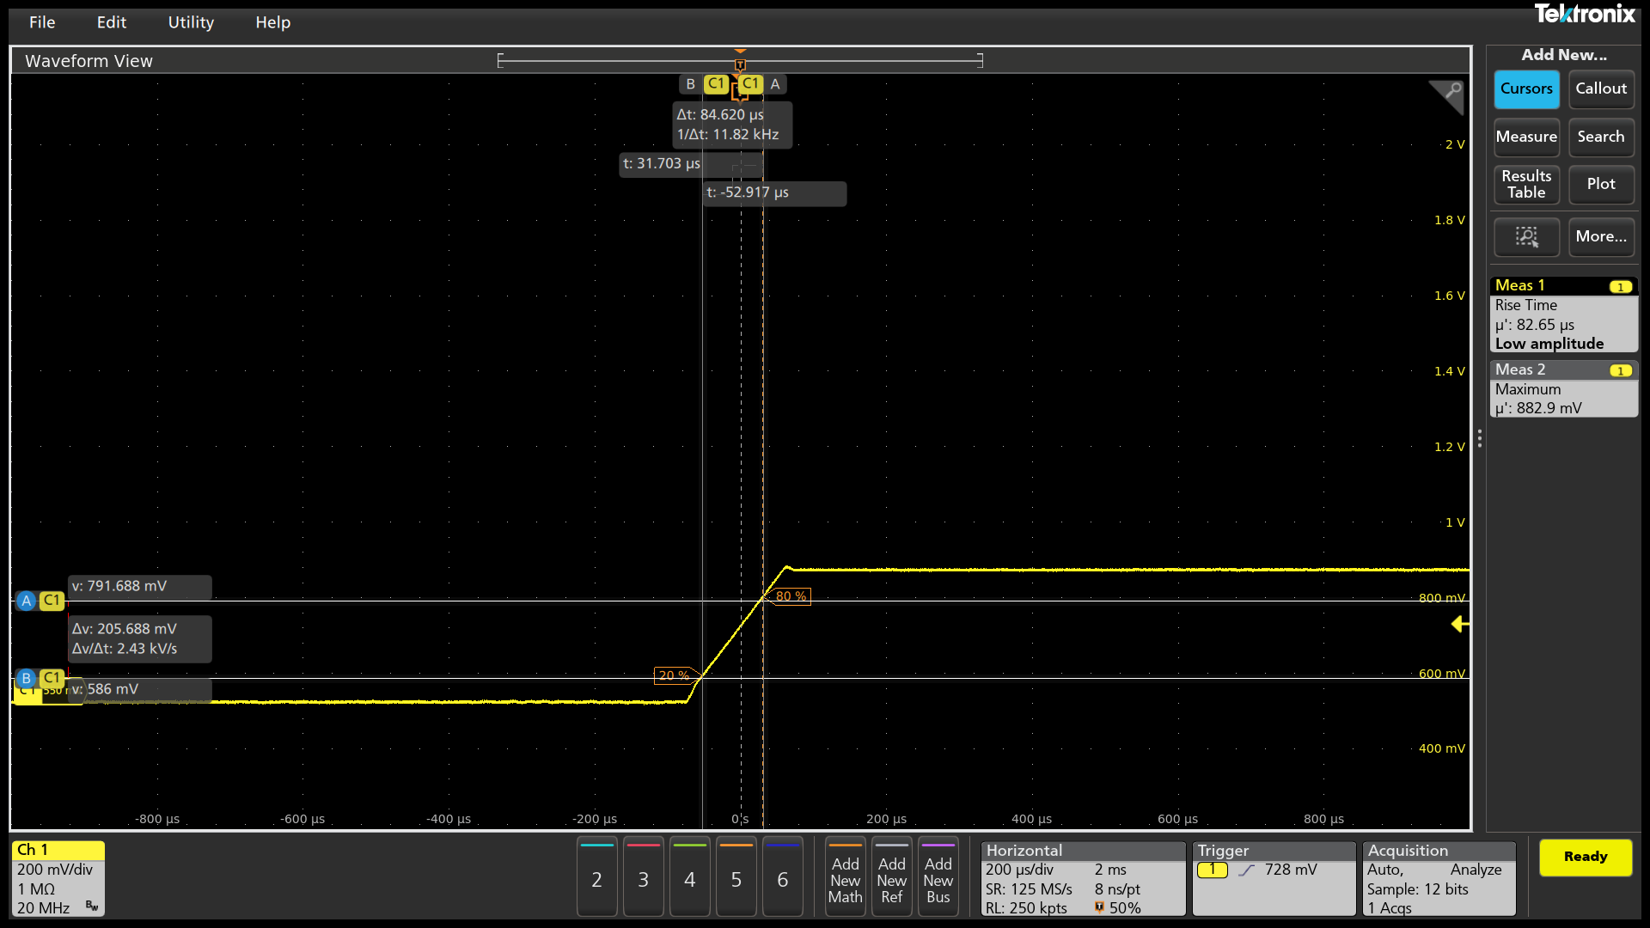 |  |  |  |  | 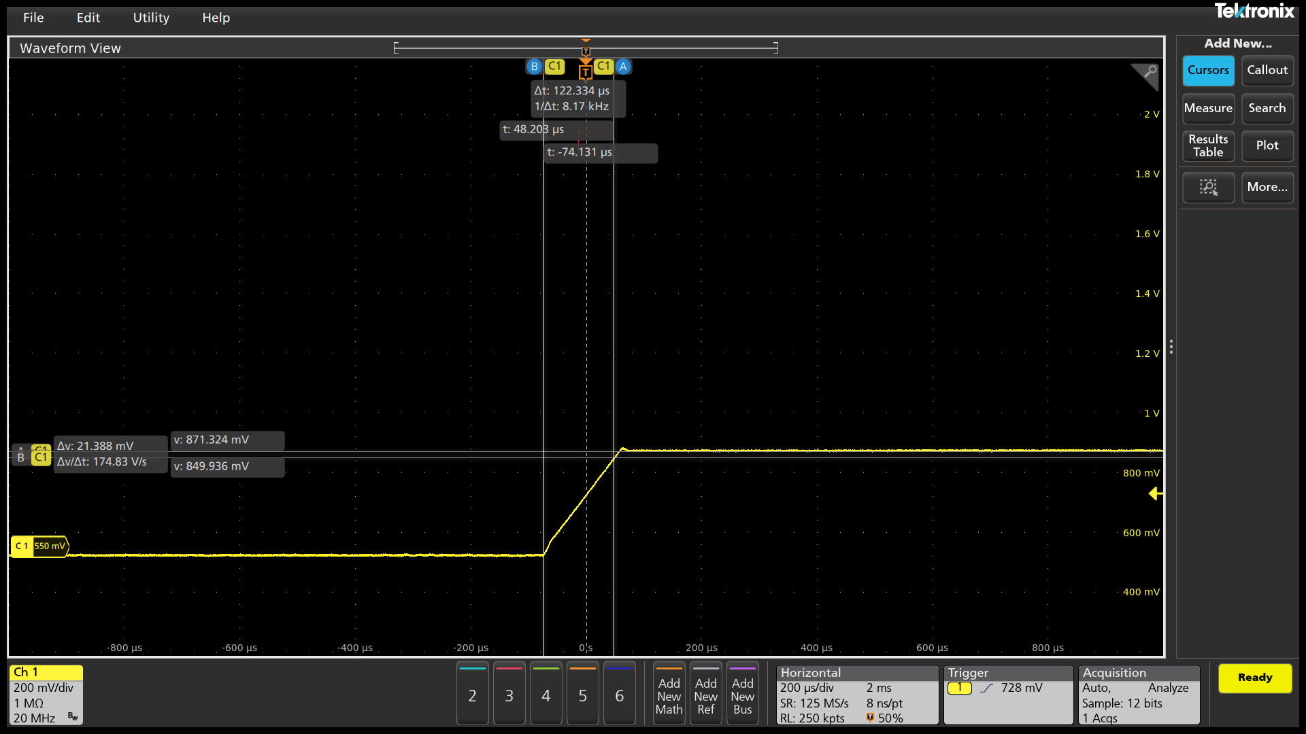 |  |  |  |  |  |  |  |  |  |  |  | 

2.5mV/us
PSI7 87.5A
550mV->900mV

Slew Rate (mV/us)

#DIV/0!
#DIV/0!
Measure 20% VID UP (mV)

586
Measure 80% VID UP (mV)

791.688
Change in Time
(us)
84.62
VOTF Time (us)
FAIL
122.334
Ring Down

Vmin@VOTF (mV)

849.936
Vmax@VOTF (mV)

882.938
PASS
CPU Case | Slew Rate Capture |  |  |  | 0 / 0 mV | VOTFC Time Capture |  |  |  |  |  | Vmin@VOTF Capture |  |  |  |  |  | VOTF Down Slop Capture
5 | 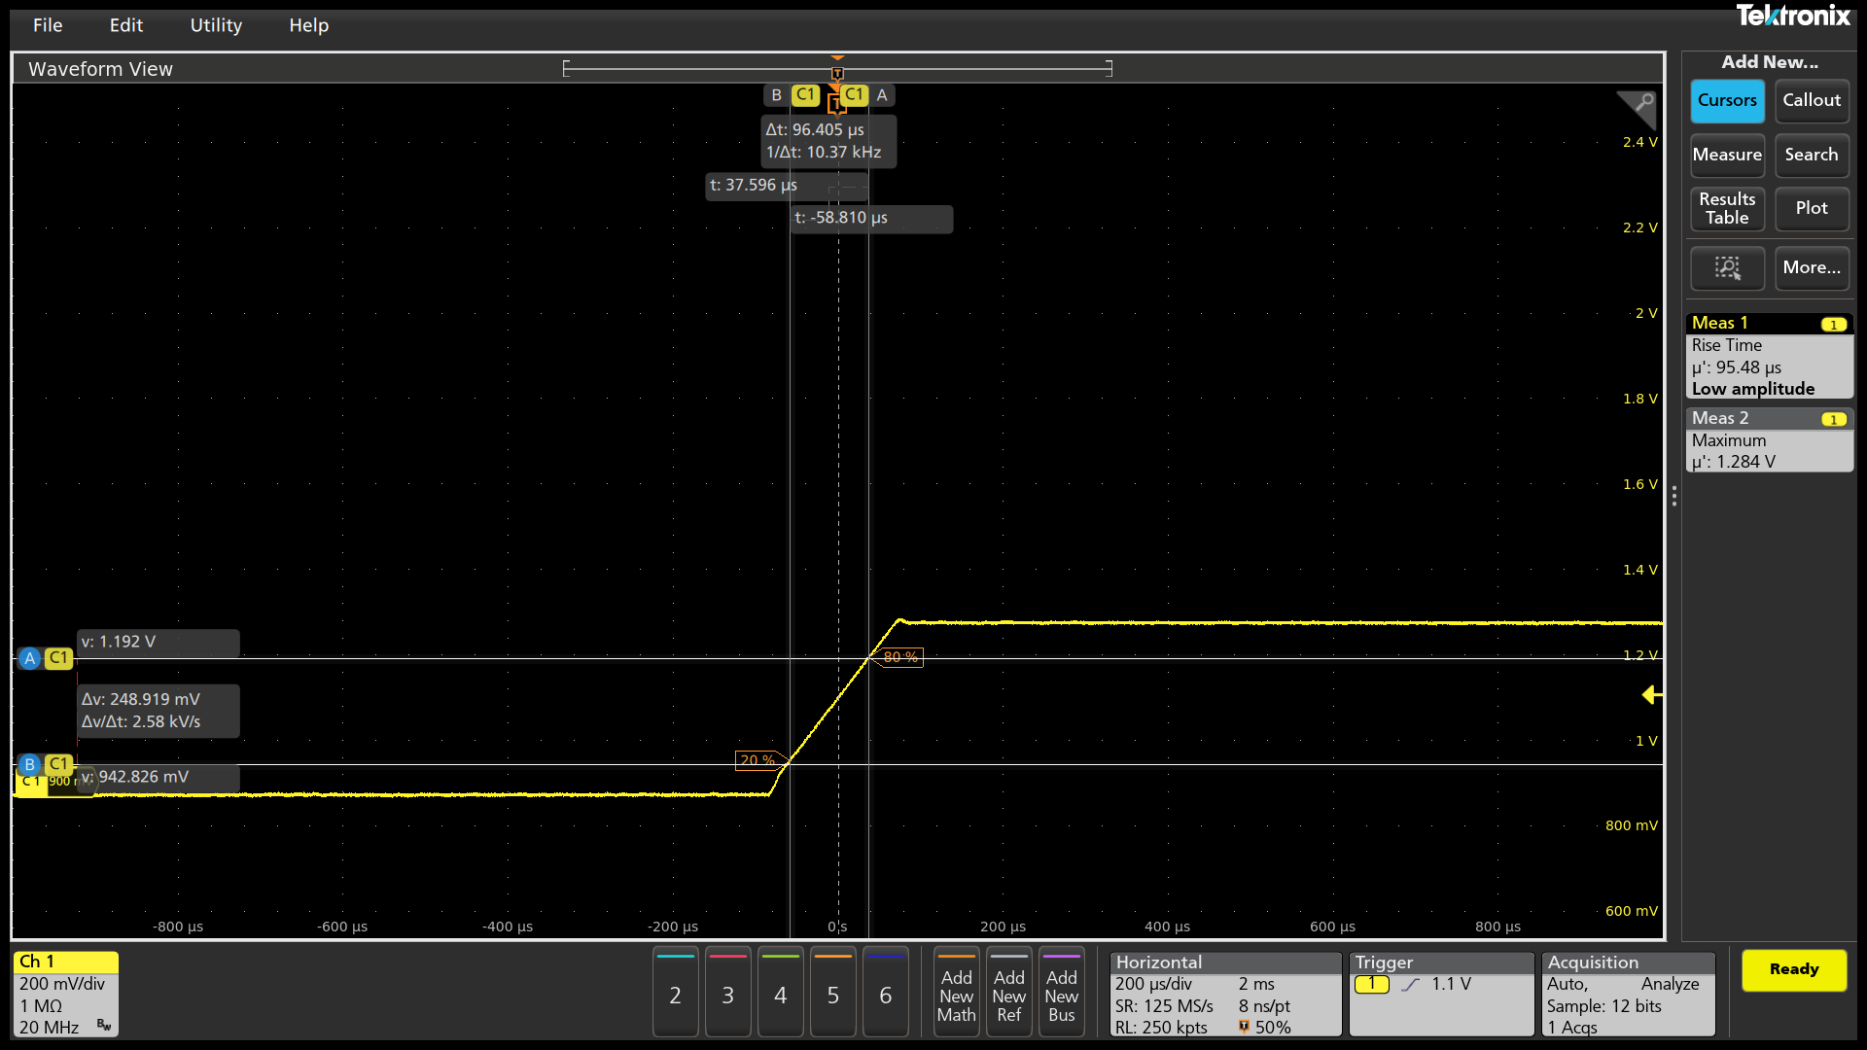 |  |  |  |  | 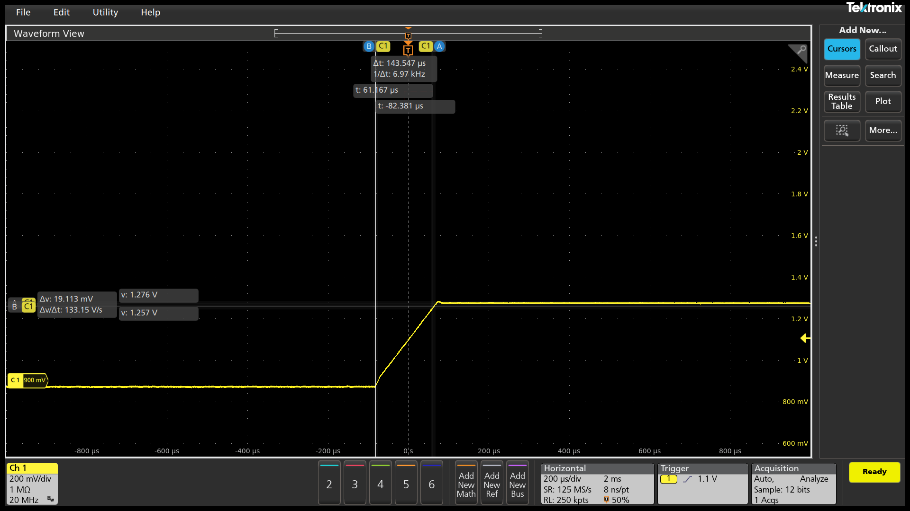 |  |  |  |  |  |  |  |  |  |  |  | 

2.5mV/us
PSI7 87.5A
900mV->1300mV

Slew Rate (mV/us)

#DIV/0!
#DIV/0!
Measure 20% VID UP (mV)

942.826
Measure 80% VID UP (mV)

1.192
Change in Time
(us)
96.406
VOTF Time (us)
FAIL
143.548
Ring Down

Vmin@VOTF (mV)

1.257
Vmax@VOTF (mV)

1284.219
PASS
CPU Case | Slew Rate Capture |  |  |  | 0 / 0 mV | VOTFC Time Capture |  |  |  |  |  | Vmin@VOTF Capture |  |  |  |  |  | VOTF Down Slop Capture
6 |  |  |  |  |  |  |  |  |  |  |  |  |  |  |  |  |  | 

2.5mV/us
PSI7 87.5A
900mV->1500mV

Slew Rate (mV/us)

#DIV/0!
#DIV/0!
Measure 20% VID UP (mV)

986.057
Measure 80% VID UP (mV)

1.351
Change in Time
(us)
144.726
VOTF Time (us)
FAIL
218.974
Ring Down

Vmin@VOTF (mV)

1.457
Vmax@VOTF (mV)

1487.406
PASS
CPU Case | Slew Rate Capture |  |  |  | 0 / 0 mV | VOTFC Time Capture |  |  |  |  |  | Vmin@VOTF Capture |  |  |  |  |  | VOTF Down Slop Capture
7 | 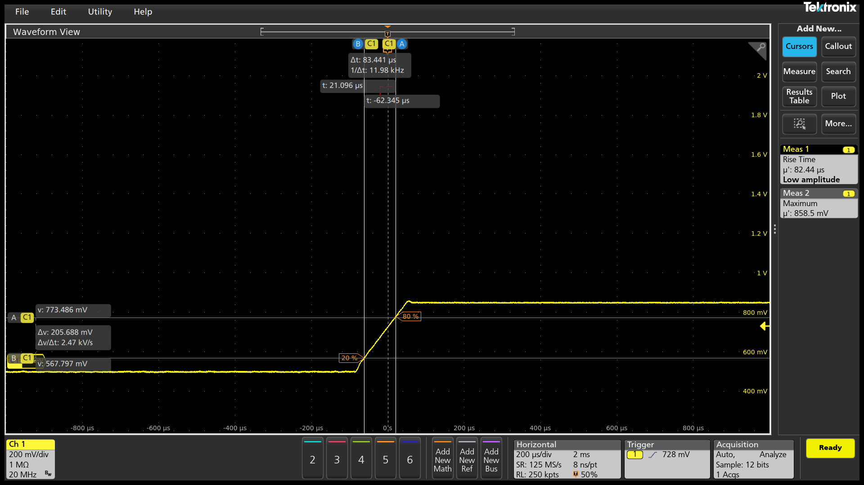 |  |  |  |  |  |  |  |  |  |  |  |  |  |  |  |  | 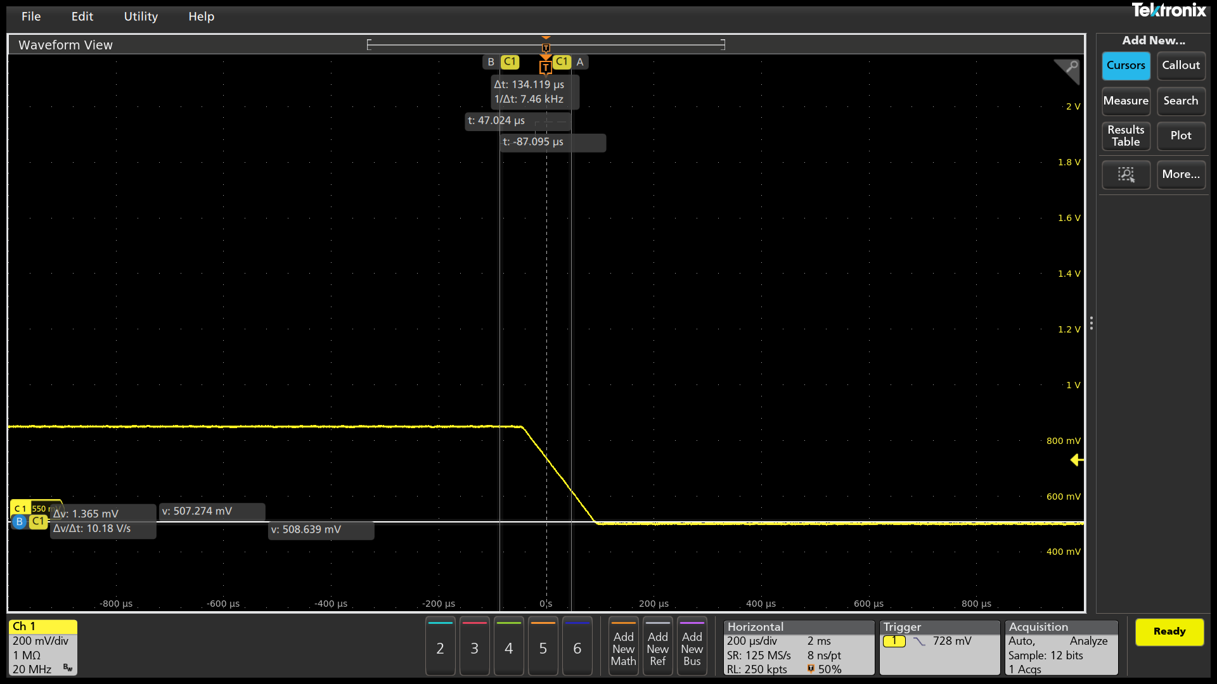

2.5mV/us
PSI7 175A
550mV->900mV

Slew Rate (mV/us)

#DIV/0!
#DIV/0!
Measure 20% VID UP (mV)

567.797
Measure 80% VID UP (mV)

773.486
Change in Time
(us)
83.441
VOTF Time (us)
FAIL
134.119
Ring Down

829.458
Vmin@VOTF (mV)

858.5
Vmax@VOTF (mV)

PASS
CPU Case | Slew Rate Capture |  |  |  | 0 / 0 mV | VOTFC Time Capture |  |  |  |  |  | Vmin@VOTF Capture |  |  |  |  |  | VOTF Down Slop Capture
8 | 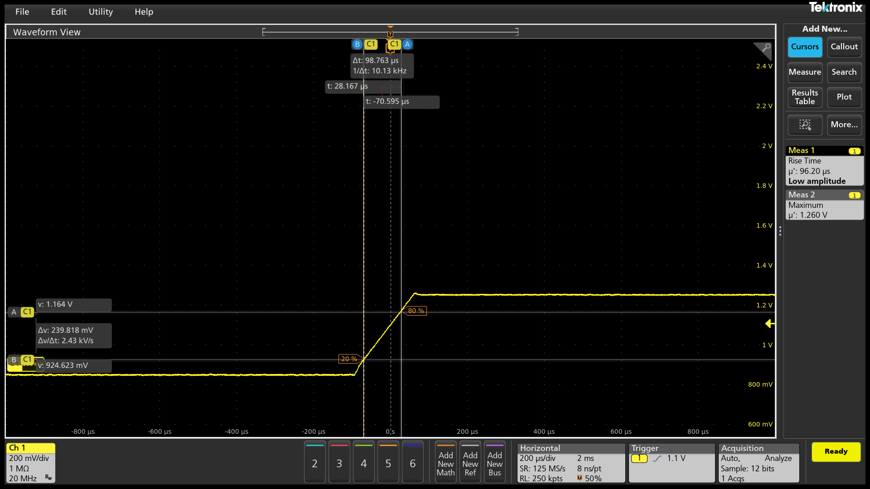 |  |  |  |  |  |  |  |  |  |  |  |  |  |  |  |  | 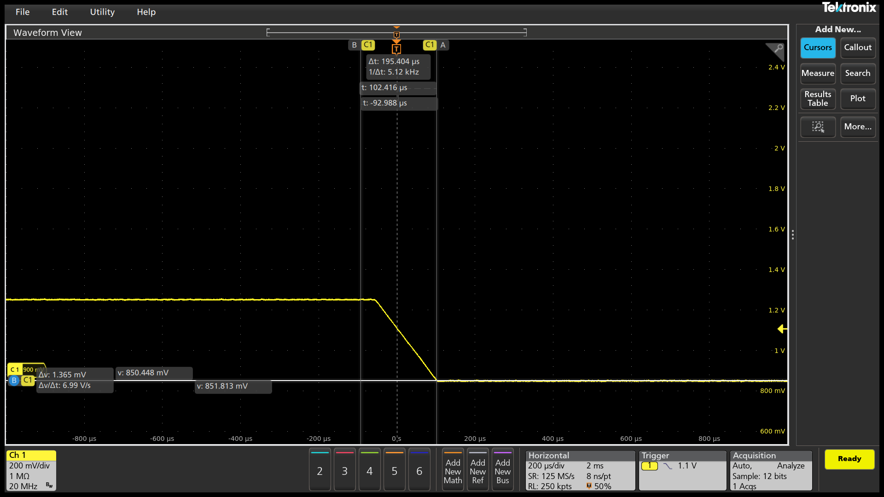

2.5mV/us
PSI7 175A
900mV->1300mV

Slew Rate (mV/us)

#DIV/0!
#DIV/0!
Measure 20% VID UP (mV)

924.623
Measure 80% VID UP (mV)

1.164
Change in Time
(us)
98.762
VOTF Time (us)
FAIL
143.548
Ring Down

Vmin@VOTF (mV)

1.232
Vmax@VOTF (mV)

1260.5
PASS
CPU Case | Slew Rate Capture |  |  |  | 0 / 0 mV | VOTFC Time Capture |  |  |  |  |  | Vmin@VOTF Capture |  |  |  |  |  | VOTF Down Slop Capture
9 | 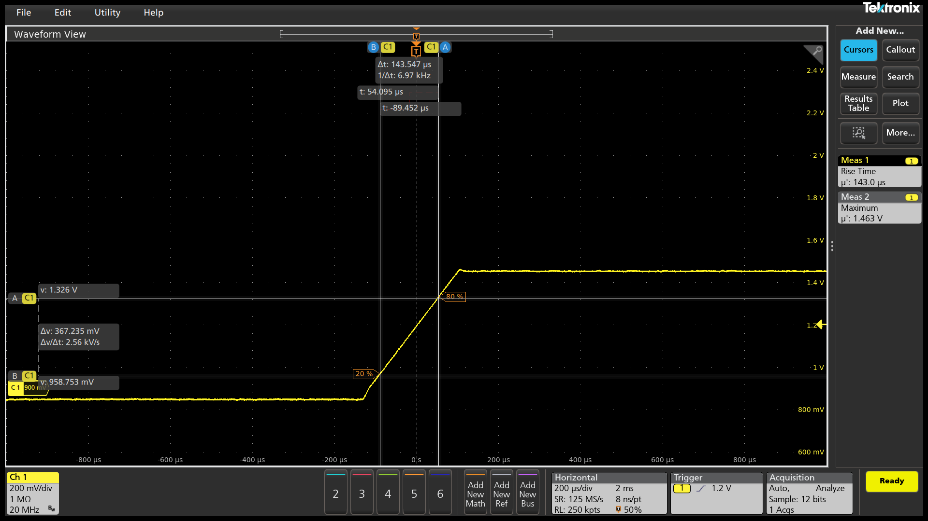 |  |  |  |  |  |  |  |  |  |  |  |  |  |  |  |  | 

2.5mV/us
PSI7 175A
900mV->1500mV

Slew Rate (mV/us)

#DIV/0!
#DIV/0!
Measure 20% VID UP (mV)

958.753
Measure 80% VID UP (mV)

1.326
Change in Time
(us)
143.547
VOTF Time (us)
FAIL
221.332
Ring Down

Vmin@VOTF (mV)

1.437
Vmax@VOTF (mV)

1463.125
PASS
SOC Case | Slew Rate Capture |  |  |  | 0 / 0 mV | VOTFC Time Capture |  |  |  |  |  | Vmin@VOTF Capture |  |  |  |  |  | VOTF Down Slop Capture |  |  |  |  | DC level check Time Scale: 1ms/div at least |  | Example of DC level check
1 | 

2.5mV/us
PSI7 0A
750mV->900mV

Slew Rate (mV/us)

#DIV/0!
#DIV/0!
Measure 20% VID UP (mV)

778.239
Measure 80% VID UP (mV)

869.706
Change in Time
(us)
31.703
VOTF Time (us)
FAIL
42.899
Ring Down

Vmin@VOTF (mV)

880.628
Vmax@VOTF (mV)

916.078
PASS
SOC Case | Slew Rate Capture |  |  |  | 0 / 0 mV | VOTFC Time Capture |  |  |  |  |  | Vmin@VOTF Capture |  |  |  |  |  | VOTF Down Slop Capture
2 | 

2.5mV/us
PSI7 0A
900mV->1200mV

Slew Rate (mV/us)

#DIV/0!
#DIV/0!
Measure 20% VID UP (mV)

956.68
Measure 80% VID UP (mV)

1.137
Change in Time
(us)
73.542
VOTF Time (us)
FAIL
103.595
Ring Down

Vmin@VOTF (mV)

1.177
Vmax@VOTF (mV)

1215.734
PASS
SOC Case | Slew Rate Capture |  |  |  | 0 / 0 mV | VOTFC Time Capture |  |  |  |  |  | Vmin@VOTF Capture |  |  |  |  |  | VOTF Down Slop Capture
3 | 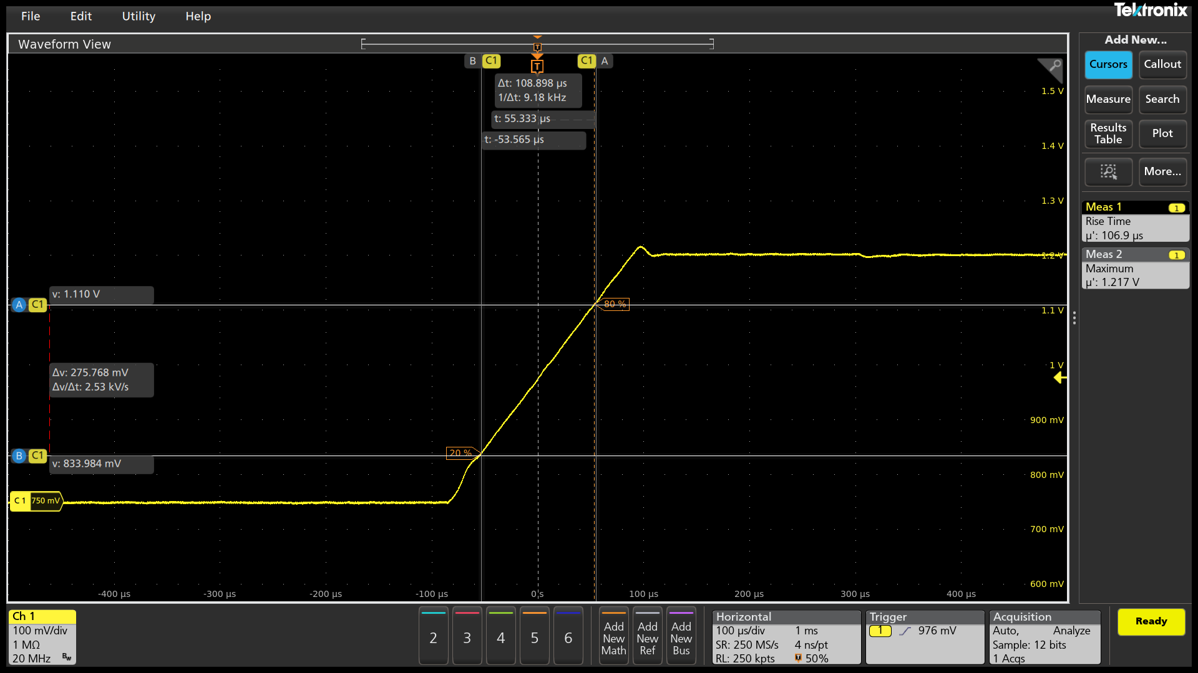

2.5mV/us
PSI7 0A
750mV->1200mV

Slew Rate (mV/us)

#DIV/0!
#DIV/0!
Measure 20% VID UP (mV)

833.984
Measure 80% VID UP (mV)

1.11
Change in Time
(us)
108.898
VOTF Time (us)
FAIL
161.933
Ring Down

Vmin@VOTF (mV)

1.178
Vmax@VOTF (mV)

1216.766
PASS
SOC Case | Slew Rate Capture |  |  |  | 0 / 0 mV | VOTFC Time Capture |  |  |  |  |  | Vmin@VOTF Capture |  |  |  |  |  | VOTF Down Slop Capture
4 | 

2.5mV/us
PSI7 105A
750mV->900mV

Slew Rate (mV/us)

#DIV/0!
#DIV/0!
Measure 20% VID UP (mV)

774.826
Measure 80% VID UP (mV)

869.706
Change in Time
(us)
31.703
VOTF Time (us)
FAIL
42.31
Ring Down

Vmin@VOTF (mV)

879.49
Vmax@VOTF (mV)

916.469
PASS
SOC Case | Slew Rate Capture |  |  |  | 0 / 0 mV | VOTFC Time Capture |  |  |  |  |  | Vmin@VOTF Capture |  |  |  |  |  | VOTF Down Slop Capture
5 | 

2.5mV/us
PSI7 105A
900mV->1200mV

Slew Rate (mV/us)

#DIV/0!
#DIV/0!
Measure 20% VID UP (mV)

957.818
Measure 80% VID UP (mV)

1.138
Change in Time
(us)
72.363
VOTF Time (us)
FAIL
102.416
Ring Down

Vmin@VOTF (mV)

1.179
Vmax@VOTF (mV)

1214.812
PASS
SOC Case | Slew Rate Capture |  |  |  | 0 / 0 mV | VOTFC Time Capture |  |  |  |  |  | Vmin@VOTF Capture |  |  |  |  |  | VOTF Down Slop Capture
6 |  |  |  |  |  |  |  |  |  |  |  |  |  |  |  |  |  | 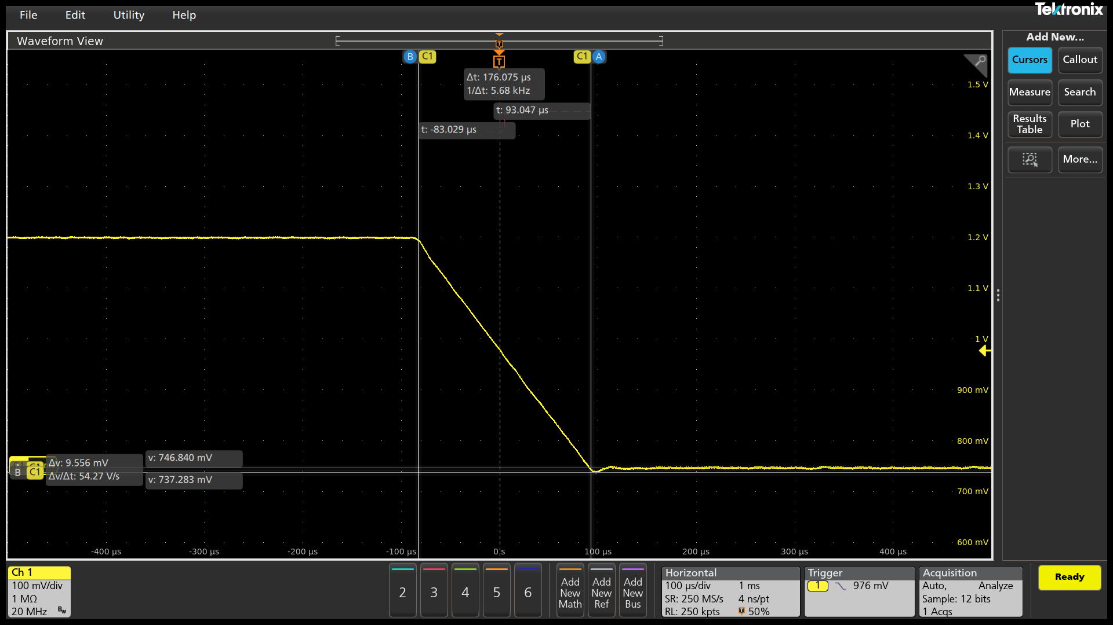

2.5mV/us
PSI7 105A
750mV->1200mV

Slew Rate (mV/us)

#DIV/0!
#DIV/0!
Measure 20% VID UP (mV)

835.122
Measure 80% VID UP (mV)

1.111
Change in Time
(us)
106.541
VOTF Time (us)
FAIL
164.289
Ring Down

Vmin@VOTF (mV)

1.192
Vmax@VOTF (mV)

1216.359
PASS

PCC_Timing
SP5 Dynamic Analysis - CPU/SOC |  | V0.2 |  |  |  |  |  |  | Report Revision |  |  | EVT
Project | Genoa/Turin |  |  |  |  |  |  |  | Test Date |  |  | 2024-03-25 | IRM Info
Worksheet | 0 |  | Batch File | 0 |  |  |  |  |  |  |  |  | Rail VDDCR_CPU | SP5-E | TDC of CPU (A) | 175 | EDC of CPU (A) | 230 | Load Step (A) | 200
CPU TYPE | SP5-E |  | MP_Margin (mV) | 0 | mV |  |  |  |  |  |  |  | Rail VDDCR_SOC | All Group | TDC of SOC (A) | 105 | EDC of SOC (A) | 130 | Load Step (A) | 45/95
 |  |  |  | 0mV is base line for Voltage Supply Tolerances

Test Case | VDDCR_CPU0 PCC Function Validation |  |  |  |  |  |  |  |  |  |  | Data please fill in in the cell with light bule color
 | Group | VID (V) | EDC (A) | OCP_WARN Thresh (A) |  | IDD Srart current (A) | IDD Test current (A) | OCP_L Deassertion | PCC Reaction Time (uS)
1 | SP5-E | 0.9 | 230 | 207 |  | 7 | 207 |  | 0
 |  | Please verify this item on Stardust Dynamic Mode |  |  |  |  |  | Parameter setting in the VR configuration file or project file Please check with VR vendor regarding the setting
 |  |  |  |  |  |  |  | OCP_ Propagation_Delay (uS) | Pass/Fail | OCP_Warn_Min_Pulse (uS) | Pass/Fail
CPU Case | PCC Response Time Scale: Below 5us/div |  |  |  |  |  |  | 0 | Fail | 0 | Fail
1 |  |  |  |  |  |  |  | Note: This setting need > 0us and ≤ 1 us. |  | Note: Min Pulse need ≥ 1us.
 |  |  |  |  |  |  |  | 2nd Loop setting of CPU0 VR Controller |  | OCP_WARN Thresh (A) | Pass/Fail
SP5-E |  |  |  |  |  |  |  | VDDCR_SOC |  | 0 | Fail
VID 0.9 V
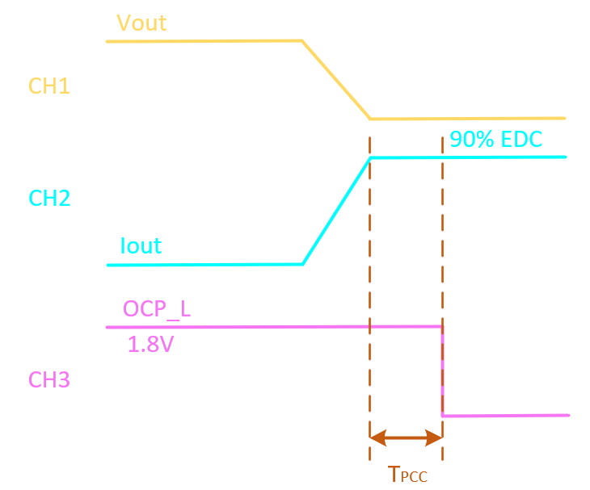
EDC 230 A
OCP_WARN Thresh 207A

IDD Start current (A)

7
IDD Test current (A)

207
CH1

VMON from ALM LP01 RAIL 1
CH2

CURR SENSE OUT from ALM LP01 RAIL1
CH3

OCP_L signal

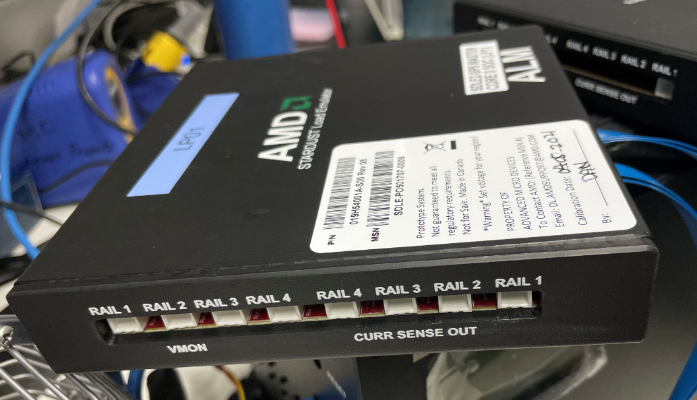
CPU Case | PCC Response Time Scale: 25us/div at least
1

SP5-E
VID 0.9 V
EDC 230 A
OCP_WARN Thresh 207A

IDD Start current (A)

7
IDD Test current (A)

207
CH1

VMON from ALM LP01 RAIL 1
CH2

CURR SENSE OUT from ALM LP01 RAIL1
CH3

OCP_L signal

