Static_Analysis
SP5 Static Analysis - VDDCR_CPU1/VDDCR_SOC |  | V0.2 |  | Report Revision | EVT
Project | Genoa/Turin |  |  | Test Date | 2024-03-25
Worksheet
Please paste summary result for static load on below table.
CPU TYPE | SP5-E

VDDCRCPU0 1.5V |  |  | VDDCR_SOC 1.2V

VDDCRCPU0 1.36V |  |  | VDDCR_SOC 1.125V

VDDCRCPU0 1.22V |  |  | VDDCR_SOC 1.05V

VDDCRCPU0 1.08V |  |  | VDDCR_SOC 0.975V

VDDCRCPU0 0.94V |  |  | VDDCR_SOC 0.9V

VDDCRCPU0 0.8V |  |  | VDDCR_SOC 0.825V

VDDCRCPU0 0.66V |  |  | VDDCR_SOC 0.75V

VDDCRCPU0 0.55V

Dynamic_Analysis
SP5 Dynamic Analysis - CPU/SOC |  | V0.2 | 0 | Report Revision |  | EVT
Project | Genoa/Turin |  |  | Test Date |  | 2024-03-25
Worksheet
CPU TYPE | SP5-E
Please paste summary result for Dynamic load on below table.

VDDCRCPU0 1.5V |  |  |  |  | VDDCR_SOC 1.2V

VDDCRCPU0 1.25V |  |  |  |  | VDDCR_SOC 1.05V

VDDCRCPU0 1.00V |  |  |  |  | VDDCR_SOC 0.9V

VDDCRCPU0 0.75V |  |  |  |  | VDDCR_SOC 0.75V

VDDCRCPU0 0.55V

VDD_11_S3 vs. Frequency Duty 25%
 | Min Limit(L) | Max Limit(L) | Voltage Min(L) | Voltage Max(L)
VDDCRCPU0 1.00V |  | 0

VDD_11_S3 vs. Frequency Duty 25%
 | Min Limit(L) | Max Limit(L) | Voltage Min(L) | Voltage Max(L)
VDDCRCPU0 1.00V |  | 0
VDD_11_S3 vs. Frequency Duty 75%
 | Voltage Max(H) | Voltage Min (H) | Max Limit(H) | Min Limit(H)
VDD_11_S3 Transient Voltage Peak to Peak vs. Frequency
 | Transient Voltage Peak to Peak(L) 25% |  | Transient Voltage Peak to Peak(L) 50% |  | Transient Voltage Peak to Peak(L) 75%
VDDCRCPU0 1.00V
 |  | VDDCRCPU0 0.75V

VDD_11_S3 vs. Frequency Duty 25%
 | Min Limit(L) | Max Limit(L) | Voltage Min(L) | Voltage Max(L)
VDDCRCPU0 1.00V |  | 0
VDD_11_S3 vs. Frequency Duty 75%
 | Voltage Max(H) | Voltage Min (H) | Max Limit(H) | Min Limit(H)
VDD_11_S3 Transient Voltage Peak to Peak vs. Frequency
 | Transient Voltage Peak to Peak(L) 25% |  | Transient Voltage Peak to Peak(L) 50% |  | Transient Voltage Peak to Peak(L) 75%
VDDCRCPU0 1.00V
 |  | VDDCRCPU0 0.75V

VDD_11_S3 vs. Frequency Duty 25%
 | Min Limit(L) | Max Limit(L) | Voltage Min(L) | Voltage Max(L)
VDDCRCPU0 1.00V |  | 0
VDD_11_S3 vs. Frequency Duty 75%
 | Voltage Max(H) | Voltage Min (H) | Max Limit(H) | Min Limit(H)
VDD_11_S3 Transient Voltage Peak to Peak vs. Frequency
 | Transient Voltage Peak to Peak(L) 25% |  | Transient Voltage Peak to Peak(L) 50% |  | Transient Voltage Peak to Peak(L) 75%
VDDCRCPU0 1.00V
 |  | VDDCRCPU0 0.75V

VDD_11_S3 vs. Frequency Duty 25%
 | Min Limit(L) | Max Limit(L) | Voltage Min(L) | Voltage Max(L)
VDDCRCPU0 1.00V |  | 0
VDD_11_S3 vs. Frequency Duty 75%
 | Voltage Max(H) | Voltage Min (H) | Max Limit(H) | Min Limit(H)
VDD_11_S3 Transient Voltage Peak to Peak vs. Frequency
 | Transient Voltage Peak to Peak(L) 25% |  | Transient Voltage Peak to Peak(L) 50% |  | Transient Voltage Peak to Peak(L) 75%
VDDCRCPU0 1.00V
 |  | VDDCRCPU0 0.75V

VDD_11_S3 vs. Frequency Duty 25%
 | Min Limit(L) | Max Limit(L) | Voltage Min(L) | Voltage Max(L)
VDDCRCPU0 1.00V |  | 0
VDD_11_S3 vs. Frequency Duty 75%
 | Voltage Max(H) | Voltage Min (H) | Max Limit(H) | Min Limit(H)
VDD_11_S3 Transient Voltage Peak to Peak vs. Frequency
 | Transient Voltage Peak to Peak(L) 25% |  | Transient Voltage Peak to Peak(L) 50% |  | Transient Voltage Peak to Peak(L) 75%
VDDCRCPU0 1.00V
 |  | VDDCRCPU0 0.75V

VDD_11_S3 vs. Frequency Duty 25%
 | Min Limit(L) | Max Limit(L) | Voltage Min(L) | Voltage Max(L)
VDDCRCPU0 1.00V |  | 0
VDD_11_S3 vs. Frequency Duty 75%
 | Voltage Max(H) | Voltage Min (H) | Max Limit(H) | Min Limit(H)
VDD_11_S3 Transient Voltage Peak to Peak vs. Frequency
 | Transient Voltage Peak to Peak(L) 25% |  | Transient Voltage Peak to Peak(L) 50% |  | Transient Voltage Peak to Peak(L) 75%
VDDCRCPU0 1.00V
 |  | VDDCRCPU0 0.75V

VDD_11_S3 vs. Frequency Duty 25%
 | Min Limit(L) | Max Limit(L) | Voltage Min(L) | Voltage Max(L)
VDDCRCPU0 1.00V |  | 0
VDD_11_S3 vs. Frequency Duty 75%
 | Voltage Max(H) | Voltage Min (H) | Max Limit(H) | Min Limit(H)
VDD_11_S3 Transient Voltage Peak to Peak vs. Frequency
 | Transient Voltage Peak to Peak(L) 25% |  | Transient Voltage Peak to Peak(L) 50% |  | Transient Voltage Peak to Peak(L) 75%
VDDCRCPU0 1.00V
 |  | VDDCRCPU0 0.75V

VDD_11_S3 vs. Frequency Duty 25%
 | Min Limit(L) | Max Limit(L) | Voltage Min(L) | Voltage Max(L)
VDDCRCPU0 1.00V |  | 0
VDD_11_S3 vs. Frequency Duty 75%
 | Voltage Max(H) | Voltage Min (H) | Max Limit(H) | Min Limit(H)
VDD_11_S3 Transient Voltage Peak to Peak vs. Frequency
 | Transient Voltage Peak to Peak(L) 25% |  | Transient Voltage Peak to Peak(L) 50% |  | Transient Voltage Peak to Peak(L) 75%
VDDCRCPU0 1.00V
 |  | VDDCRCPU0 0.75V

VDD_11_S3 vs. Frequency Duty 25%
 | Min Limit(L) | Max Limit(L) | Voltage Min(L) | Voltage Max(L)
VDDCRCPU0 1.00V |  | 0
VDD_11_S3 vs. Frequency Duty 75%
 | Voltage Max(H) | Voltage Min (H) | Max Limit(H) | Min Limit(H)
VDD_11_S3 Transient Voltage Peak to Peak vs. Frequency
 | Transient Voltage Peak to Peak(L) 25% |  | Transient Voltage Peak to Peak(L) 50% |  | Transient Voltage Peak to Peak(L) 75%
VDDCRCPU0 1.00V
 |  | VDDCRCPU0 0.75V

VDD_11_S3 vs. Frequency Duty 25%
 | Min Limit(L) | Max Limit(L) | Voltage Min(L) | Voltage Max(L)
VDDCRCPU0 1.00V |  | 0
VDD_11_S3 vs. Frequency Duty 75%
 | Voltage Max(H) | Voltage Min (H) | Max Limit(H) | Min Limit(H)
VDD_11_S3 Transient Voltage Peak to Peak vs. Frequency
 | Transient Voltage Peak to Peak(L) 25% |  | Transient Voltage Peak to Peak(L) 50% |  | Transient Voltage Peak to Peak(L) 75%
VDDCRCPU0 1.00V
 |  | VDDCRCPU0 0.75V

VDD_11_S3 vs. Frequency Duty 25%
 | Min Limit(L) | Max Limit(L) | Voltage Min(L) | Voltage Max(L)
VDDCRCPU0 1.00V |  | 0
VDD_11_S3 vs. Frequency Duty 75%
 | Voltage Max(H) | Voltage Min (H) | Max Limit(H) | Min Limit(H)
VDD_11_S3 Transient Voltage Peak to Peak vs. Frequency
 | Transient Voltage Peak to Peak(L) 25% |  | Transient Voltage Peak to Peak(L) 50% |  | Transient Voltage Peak to Peak(L) 75%
VDDCRCPU0 1.00V
 |  | VDDCRCPU0 0.75V

VDD_11_S3 vs. Frequency Duty 25%
 | Min Limit(L) | Max Limit(L) | Voltage Min(L) | Voltage Max(L)
VDDCRCPU0 1.00V |  | 0
VDD_11_S3 vs. Frequency Duty 75%
 | Voltage Max(H) | Voltage Min (H) | Max Limit(H) | Min Limit(H)
VDD_11_S3 Transient Voltage Peak to Peak vs. Frequency
 | Transient Voltage Peak to Peak(L) 25% |  | Transient Voltage Peak to Peak(L) 50% |  | Transient Voltage Peak to Peak(L) 75%
VDDCRCPU0 1.00V
 |  | VDDCRCPU0 0.75V

VDD_11_S3 vs. Frequency Duty 25%
 | Min Limit(L) | Max Limit(L) | Voltage Min(L) | Voltage Max(L)
VDDCRCPU0 1.00V |  | 0
VDD_11_S3 vs. Frequency Duty 75%
 | Voltage Max(H) | Voltage Min (H) | Max Limit(H) | Min Limit(H)
VDD_11_S3 Transient Voltage Peak to Peak vs. Frequency
 | Transient Voltage Peak to Peak(L) 25% |  | Transient Voltage Peak to Peak(L) 50% |  | Transient Voltage Peak to Peak(L) 75%
VDDCRCPU0 1.00V
 |  | VDDCRCPU0 0.75V

VDD_11_S3 vs. Frequency Duty 25%
 | Min Limit(L) | Max Limit(L) | Voltage Min(L) | Voltage Max(L)
VDDCRCPU0 1.00V |  | 0
VDD_11_S3 vs. Frequency Duty 75%
 | Voltage Max(H) | Voltage Min (H) | Max Limit(H) | Min Limit(H)
VDD_11_S3 Transient Voltage Peak to Peak vs. Frequency
 | Transient Voltage Peak to Peak(L) 25% |  | Transient Voltage Peak to Peak(L) 50% |  | Transient Voltage Peak to Peak(L) 75%
VDDCRCPU0 1.00V
 |  | VDDCRCPU0 0.75V

VDD_11_S3 vs. Frequency Duty 25%
 | Min Limit(L) | Max Limit(L) | Voltage Min(L) | Voltage Max(L)
VDDCRCPU0 1.00V |  | 0
VDD_11_S3 vs. Frequency Duty 75%
 | Voltage Max(H) | Voltage Min (H) | Max Limit(H) | Min Limit(H)
VDD_11_S3 Transient Voltage Peak to Peak vs. Frequency
 | Transient Voltage Peak to Peak(L) 25% |  | Transient Voltage Peak to Peak(L) 50% |  | Transient Voltage Peak to Peak(L) 75%
VDDCRCPU0 1.00V
 |  | VDDCRCPU0 0.75V

VDD_11_S3 vs. Frequency Duty 25%
 | Min Limit(L) | Max Limit(L) | Voltage Min(L) | Voltage Max(L)
VDDCRCPU0 1.00V |  | 0
VDD_11_S3 vs. Frequency Duty 75%
 | Voltage Max(H) | Voltage Min (H) | Max Limit(H) | Min Limit(H)
VDD_11_S3 Transient Voltage Peak to Peak vs. Frequency
 | Transient Voltage Peak to Peak(L) 25% |  | Transient Voltage Peak to Peak(L) 50% |  | Transient Voltage Peak to Peak(L) 75%
VDDCRCPU0 1.00V
 |  | VDDCRCPU0 0.75V

VDD_11_S3 vs. Frequency Duty 25%
 | Min Limit(L) | Max Limit(L) | Voltage Min(L) | Voltage Max(L)
VDDCRCPU0 1.00V |  | 0
VDD_11_S3 vs. Frequency Duty 75%
 | Voltage Max(H) | Voltage Min (H) | Max Limit(H) | Min Limit(H)
VDD_11_S3 Transient Voltage Peak to Peak vs. Frequency
 | Transient Voltage Peak to Peak(L) 25% |  | Transient Voltage Peak to Peak(L) 50% |  | Transient Voltage Peak to Peak(L) 75%
VDDCRCPU0 1.00V
 |  | VDDCRCPU0 0.75V

VDD_11_S3 vs. Frequency Duty 25%
 | Min Limit(L) | Max Limit(L) | Voltage Min(L) | Voltage Max(L)
VDDCRCPU0 1.00V |  | 0
VDD_11_S3 vs. Frequency Duty 75%
 | Voltage Max(H) | Voltage Min (H) | Max Limit(H) | Min Limit(H)
VDD_11_S3 Transient Voltage Peak to Peak vs. Frequency
 | Transient Voltage Peak to Peak(L) 25% |  | Transient Voltage Peak to Peak(L) 50% |  | Transient Voltage Peak to Peak(L) 75%
VDDCRCPU0 1.00V
 |  | VDDCRCPU0 0.75V

VDD_11_S3 vs. Frequency Duty 25%
 | Min Limit(L) | Max Limit(L) | Voltage Min(L) | Voltage Max(L)
VDDCRCPU0 1.00V |  | 0
VDD_11_S3 vs. Frequency Duty 75%
 | Voltage Max(H) | Voltage Min (H) | Max Limit(H) | Min Limit(H)
VDD_11_S3 Transient Voltage Peak to Peak vs. Frequency
 | Transient Voltage Peak to Peak(L) 25% |  | Transient Voltage Peak to Peak(L) 50% |  | Transient Voltage Peak to Peak(L) 75%
VDDCRCPU0 1.00V
 |  | VDDCRCPU0 0.75V

VDD_11_S3 vs. Frequency Duty 25%
 | Min Limit(L) | Max Limit(L) | Voltage Min(L) | Voltage Max(L)
VDDCRCPU0 1.00V |  | 0
VDD_11_S3 vs. Frequency Duty 75%
 | Voltage Max(H) | Voltage Min (H) | Max Limit(H) | Min Limit(H)
VDD_11_S3 Transient Voltage Peak to Peak vs. Frequency
 | Transient Voltage Peak to Peak(L) 25% |  | Transient Voltage Peak to Peak(L) 50% |  | Transient Voltage Peak to Peak(L) 75%
VDDCRCPU0 1.00V
 |  | VDDCRCPU0 0.75V

VDD_11_S3 vs. Frequency Duty 25%
 | Min Limit(L) | Max Limit(L) | Voltage Min(L) | Voltage Max(L)
VDDCRCPU0 1.00V |  | 0
VDD_11_S3 vs. Frequency Duty 75%
 | Voltage Max(H) | Voltage Min (H) | Max Limit(H) | Min Limit(H)
VDD_11_S3 Transient Voltage Peak to Peak vs. Frequency
 | Transient Voltage Peak to Peak(L) 25% |  | Transient Voltage Peak to Peak(L) 50% |  | Transient Voltage Peak to Peak(L) 75%
VDDCRCPU0 1.00V
 |  | VDDCRCPU0 0.75V

VDD_11_S3 vs. Frequency Duty 25%
 | Min Limit(L) | Max Limit(L) | Voltage Min(L) | Voltage Max(L)
VDDCRCPU0 1.00V |  | 0
VDD_11_S3 vs. Frequency Duty 75%
 | Voltage Max(H) | Voltage Min (H) | Max Limit(H) | Min Limit(H)
VDD_11_S3 Transient Voltage Peak to Peak vs. Frequency
 | Transient Voltage Peak to Peak(L) 25% |  | Transient Voltage Peak to Peak(L) 50% |  | Transient Voltage Peak to Peak(L) 75%
VDDCRCPU0 1.00V
 |  | VDDCRCPU0 0.75V

VDD_11_S3 vs. Frequency Duty 25%
 | Min Limit(L) | Max Limit(L) | Voltage Min(L) | Voltage Max(L)
VDDCRCPU0 1.00V |  | 0
VDD_11_S3 vs. Frequency Duty 75%
 | Voltage Max(H) | Voltage Min (H) | Max Limit(H) | Min Limit(H)
VDD_11_S3 Transient Voltage Peak to Peak vs. Frequency
 | Transient Voltage Peak to Peak(L) 25% |  | Transient Voltage Peak to Peak(L) 50% |  | Transient Voltage Peak to Peak(L) 75%
VDDCRCPU0 1.00V
 |  | VDDCRCPU0 0.75V

VDD_11_S3 vs. Frequency Duty 25%
 | Min Limit(L) | Max Limit(L) | Voltage Min(L) | Voltage Max(L)
VDDCRCPU0 1.00V |  | 0
VDD_11_S3 vs. Frequency Duty 75%
 | Voltage Max(H) | Voltage Min (H) | Max Limit(H) | Min Limit(H)
VDD_11_S3 Transient Voltage Peak to Peak vs. Frequency
 | Transient Voltage Peak to Peak(L) 25% |  | Transient Voltage Peak to Peak(L) 50% |  | Transient Voltage Peak to Peak(L) 75%
VDDCRCPU0 1.00V
 |  | VDDCRCPU0 0.75V

VOTF_Timing
SP5 Dynamic Analysis - CPU/SOC |  | V0.2 |  |  |  |  |  |  | Report Revision |  | EVT
Project | Genoa/Turin |  |  |  |  |  |  |  | Test Date |  | 2024-03-25 | IRM Info |  |  |  |  |  | Data please fill in in the cell with light bule color
Worksheet | 0 |  | Batch File | 0 |  |  |  |  |  |  |  | Rail CPU | SP5-E | TDC of CPU (A) | 175 | EDC of CPU (A) | 230
CPU TYPE | SP5-E |  | MP_Margin (mV) | 0 | mV |  |  |  |  |  |  | Rail SOC | All Group | TDC of SOC (A) | 105 | EDC of SOC (A) | 130
 |  |  |  | 0mV is base line for Voltage Supply Tolerances |  |  |  |  |  |  |  |  |  |  |  |  |  |  |  |  |  |  |  | Example of measurre point of VOTF
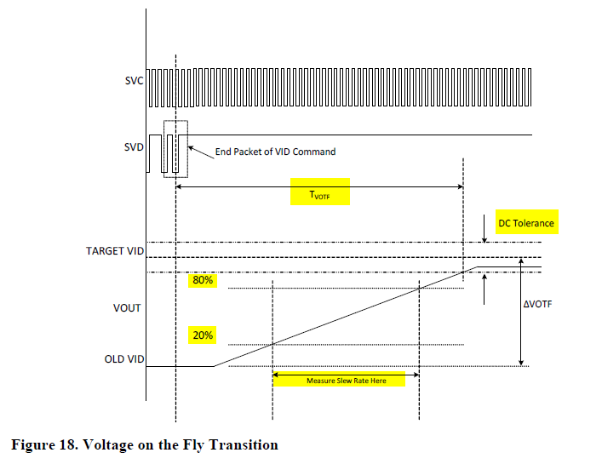

Test Case | VDDCR_CPU0 Test Case Pattern @ 2.5mV/us |  |  |  |  |  |  |  |  |  |  |  | Measurement Result
 | PSI Mode | IDD Set (A) | OLD VID (mV) | TARGET VID (mV) | Slew Rate Set (mV/us) | 20% of VID Transition (mV) | 80% of VID Transition (mV) | TARGET VID DC Min(mV) | TARGET VID DC Max(mV) | Measure 20% VID UP (mV) | Measure 80% VID UP (mV) | Change in Time (us) | Measured Slew Rate (mV/us) | Slew Rate Status | VOTF Time (us) | VOTF Time Pass/Fail | Ring Down | Vmax@VOTFC(mV) | Vmin@VOTFC(mV) | DC Tolerance Pass/Fail
1 | 7 | 0.00 | 550.00 | 900.00 | 2.5 | 0.00 | 0.00 | -20.00 | 20.00 | 0 | 0 | 0 | #DIV/0! | #DIV/0! | 0.00 | FAIL | 0 | 0 | 0 | PASS | 72 | 33
2 | 7 |  | 900.00 | 1300.00 | 2.5 | 0.00 | 0.00 | -20.00 | 20.00 | 0 | 0 | 0 | #DIV/0! | #DIV/0! | 0.00 | FAIL | 0 | 0 | 0 | PASS | 105
3 | 7 |  | 900.00 | 1500.00 | 2.5 | 0.00 | 0.00 | -20.00 | 20.00 | 0 | 0 | 0 | #DIV/0! | #DIV/0! | 0.00 | FAIL | 0 | 0 | 0 | PASS | 138
4 | 7 | 87.50 | 550.00 | 900.00 | 2.5 | 0.00 | 0.00 | -20.00 | 20.00 | 0 | 0 | 0 | #DIV/0! | #DIV/0! | 0.00 | FAIL | 0 | 0 | 0 | PASS | 171
5 | 7 |  | 900.00 | 1300.00 | 2.5 | 0.00 | 0.00 | -20.00 | 20.00 | 0 | 0 | 0 | #DIV/0! | #DIV/0! | 0.00 | FAIL | 0 | 0 | 0 | PASS | 204
6 | 7 |  | 900.00 | 1500.00 | 2.5 | 0.00 | 0.00 | -20.00 | 20.00 | 0 | 0 | 0 | #DIV/0! | #DIV/0! | 0.00 | FAIL | 0 | 0 | 0 | PASS | 237
7 | 7 | 175.00 | 550.00 | 900.00 | 2.5 | 0.00 | 0.00 | -20.00 | 20.00 | 0 | 0 | 0 | #DIV/0! | #DIV/0! | 0.00 | FAIL | 0 | 0 | 0 | PASS | 270
8 | 7 |  | 900.00 | 1300.00 | 2.5 | 0.00 | 0.00 | -20.00 | 20.00 | 0 | 0 | 0 | #DIV/0! | #DIV/0! | 0.00 | FAIL | 0 | 0 | 0 | PASS | 303
9 | 7 |  | 900.00 | 1500.00 | 2.5 | 0.00 | 0.00 | -20.00 | 20.00 | 0 | 0 | 0 | #DIV/0! | #DIV/0! | 0.00 | FAIL | 0 | 0 | 0 | PASS | 336
SPEC Calibration
VID (mV) | Vout measured (mV) from scope | IDD (A) | Vout measured (mV) from scope | IDD (A) | Real loadline(mΩ) on the MB | Vout measured (mV) from scope | IDD (A) | Real loadline(mΩ) on the MB
550.00 | 0 | 0.00 | 0 | 87.50 | 0.000 | 0 | 175.00 | 0.000
900.00 | 0 |  | 0 |  | 0.000 | 0 |  | 0.000
1300.00 | 0 |  | 0 |  | 0.000 | 0 |  | 0.000
1500.00 | 0 |  | 0 |  | 0.000 | 0 |  | 0.000
Test Case | VDDCR_SOC Test Case Pattern @ 2.5mV/us |  |  |  |  |  |  |  |  |  |  |  | Measurement Result
 | PSI Mode | IDD Set (A) | OLD VID (mV) | TARGET VID (mV) | Slew Rate Set (mV/us) | 20% of VID Transition (mV) | 80% of VID Transition (mV) | TARGET VID DC Min(mV) | TARGET VID DC Max(mV) | Measure 20% VID UP (mV) | Measure 80% VID UP (mV) | Change in Time (us) | Measured Slew Rate (mV/us) | Slew Rate Status | VOTF Time (us) | VOTF Time Pass/Fail | Ring Down | Vmax@VOTFC(mV) | Vmin@VOTFC(mV) | DC Tolerance Pass/Fail
1 | 7 | 0.00 | 750.00 | 900.00 | 2.5 | 0.00 | 0.00 | -20.00 | 20.00 | 0 | 0 | 0 | #DIV/0! | #DIV/0! | 0.00 | FAIL | 0 | 0 | 0 | PASS
2 | 7 |  | 900.00 | 1200.00 | 2.5 | 0.00 | 0.00 | -20.00 | 20.00 | 0 | 0 | 0 | #DIV/0! | #DIV/0! | 0.00 | FAIL | 0 | 0 | 0 | PASS
3 | 7 |  | 750.00 | 1200.00 | 2.5 | 0.00 | 0.00 | -20.00 | 20.00 | 0 | 0 | 0 | #DIV/0! | #DIV/0! | 0.00 | FAIL | 0 | 0 | 0 | PASS
4 | 7 | 105.00 | 750.00 | 900.00 | 2.5 | 0.00 | 0.00 | -20.00 | 20.00 | 0 | 0 | 0 | #DIV/0! | #DIV/0! | 0.00 | FAIL | 0 | 0 | 0 | PASS
5 | 7 |  | 900.00 | 1200.00 | 2.5 | 0.00 | 0.00 | -20.00 | 20.00 | 0 | 0 | 0 | #DIV/0! | #DIV/0! | 0.00 | FAIL | 0 | 0 | 0 | PASS
6 | 7 |  | 750.00 | 1200.00 | 2.5 | 0.00 | 0.00 | -20.00 | 20.00 | 0 | 0 | 0 | #DIV/0! | #DIV/0! | 0.00 | FAIL | 0 | 0 | 0 | PASS
SPEC Calibration
VID (mV) | Vout measured (mV) from scope | IDD (A) | Vout measured (mV) from scope | IDD (A)
750.00 | 0 | 0.00 | 0 | 105.00
900.00 | 0 |  | 0
1200.00 | 0 |  | 0

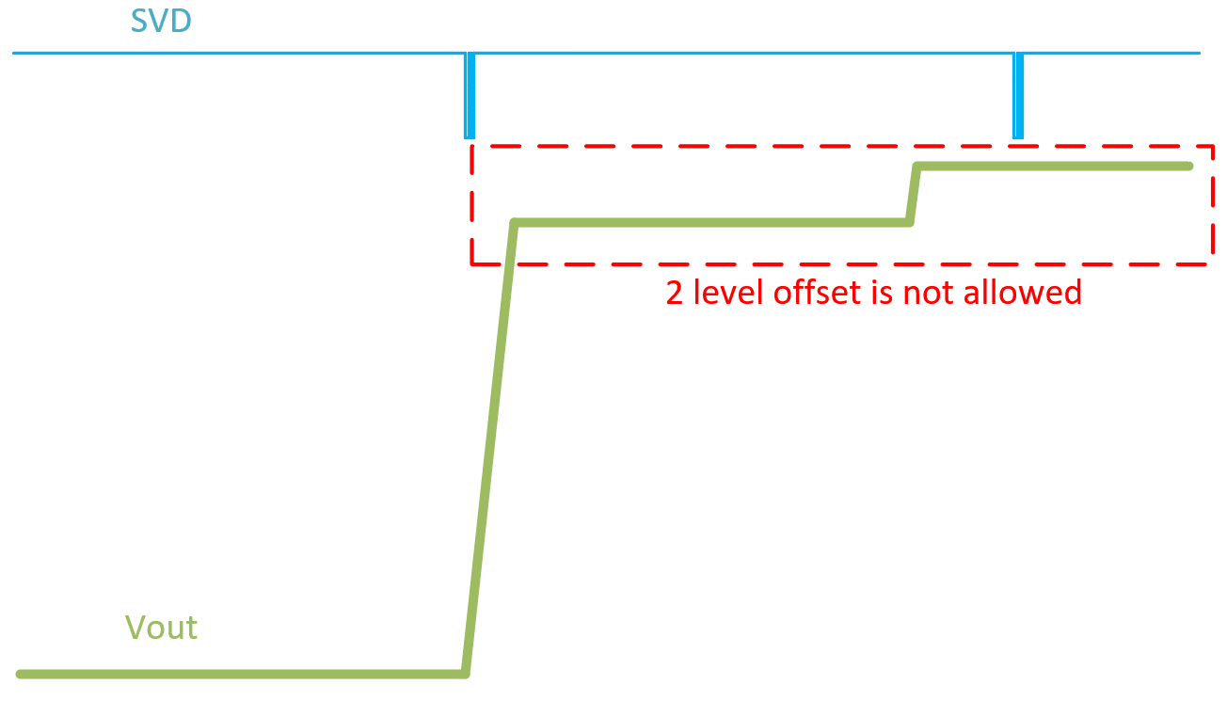
CPU Case | Slew Rate Capture |  |  |  | 0 / 0 mV | VOTFC Time Capture |  |  |  |  |  | Vmin@VOTF Capture |  |  |  |  |  | VOTF Down Slop Capture |  |  |  |  | DC level check Time Scale: 1ms/div at least |  | Example of DC level check
1

2.5mV/us
PSI7 0A
550mV->900mV

Slew Rate (mV/us)

#DIV/0!
#DIV/0!
Measure 20% VID UP (mV)

Measure 80% VID UP (mV)

Change in Time
(us)

VOTF Time (us)
FAIL

Ring Down

Vmin@VOTF (mV)

Vmax@VOTF (mV)

PASS
CPU Case | Slew Rate Capture |  |  |  | 0 / 0 mV | VOTFC Time Capture |  |  |  |  |  | Vmin@VOTF Capture |  |  |  |  |  | VOTF Down Slop Capture
2

2.5mV/us
PSI7 0A
900mV->1300mV

Slew Rate (mV/us)

#DIV/0!
#DIV/0!
Measure 20% VID UP (mV)

Measure 80% VID UP (mV)

Change in Time
(us)

VOTF Time (us)
FAIL

Ring Down

Vmin@VOTF (mV)

Vmax@VOTF (mV)

PASS
CPU Case | Slew Rate Capture |  |  |  | 0 / 0 mV | VOTFC Time Capture |  |  |  |  |  | Vmin@VOTF Capture |  |  |  |  |  | VOTF Down Slop Capture
3

2.5mV/us
PSI7 0A
900mV->1500mV

Slew Rate (mV/us)

#DIV/0!
#DIV/0!
Measure 20% VID UP (mV)

Measure 80% VID UP (mV)

Change in Time
(us)

VOTF Time (us)
FAIL

Ring Down

Vmin@VOTF (mV)

Vmax@VOTF (mV)

PASS
CPU Case | Slew Rate Capture |  |  |  | 0 / 0 mV | VOTFC Time Capture |  |  |  |  |  | Vmin@VOTF Capture |  |  |  |  |  | VOTF Down Slop Capture
4

2.5mV/us
PSI7 87.5A
550mV->900mV

Slew Rate (mV/us)

#DIV/0!
#DIV/0!
Measure 20% VID UP (mV)

Measure 80% VID UP (mV)

Change in Time
(us)

VOTF Time (us)
FAIL

Ring Down

Vmin@VOTF (mV)

Vmax@VOTF (mV)

PASS
CPU Case | Slew Rate Capture |  |  |  | 0 / 0 mV | VOTFC Time Capture |  |  |  |  |  | Vmin@VOTF Capture |  |  |  |  |  | VOTF Down Slop Capture
5

2.5mV/us
PSI7 87.5A
900mV->1300mV

Slew Rate (mV/us)

#DIV/0!
#DIV/0!
Measure 20% VID UP (mV)

Measure 80% VID UP (mV)

Change in Time
(us)

VOTF Time (us)
FAIL

Ring Down

Vmin@VOTF (mV)

Vmax@VOTF (mV)

PASS
CPU Case | Slew Rate Capture |  |  |  | 0 / 0 mV | VOTFC Time Capture |  |  |  |  |  | Vmin@VOTF Capture |  |  |  |  |  | VOTF Down Slop Capture
6

2.5mV/us
PSI7 87.5A
900mV->1500mV

Slew Rate (mV/us)

#DIV/0!
#DIV/0!
Measure 20% VID UP (mV)

Measure 80% VID UP (mV)

Change in Time
(us)

VOTF Time (us)
FAIL

Ring Down

Vmin@VOTF (mV)

Vmax@VOTF (mV)

PASS
CPU Case | Slew Rate Capture |  |  |  | 0 / 0 mV | VOTFC Time Capture |  |  |  |  |  | Vmin@VOTF Capture |  |  |  |  |  | VOTF Down Slop Capture
7

2.5mV/us
PSI7 175A
550mV->900mV

Slew Rate (mV/us)

#DIV/0!
#DIV/0!
Measure 20% VID UP (mV)

Measure 80% VID UP (mV)

Change in Time
(us)

VOTF Time (us)
FAIL

Ring Down

Vmin@VOTF (mV)

Vmax@VOTF (mV)

PASS
CPU Case | Slew Rate Capture |  |  |  | 0 / 0 mV | VOTFC Time Capture |  |  |  |  |  | Vmin@VOTF Capture |  |  |  |  |  | VOTF Down Slop Capture
8

2.5mV/us
PSI7 175A
900mV->1300mV

Slew Rate (mV/us)

#DIV/0!
#DIV/0!
Measure 20% VID UP (mV)

Measure 80% VID UP (mV)

Change in Time
(us)

VOTF Time (us)
FAIL

Ring Down

Vmin@VOTF (mV)

Vmax@VOTF (mV)

PASS
CPU Case | Slew Rate Capture |  |  |  | 0 / 0 mV | VOTFC Time Capture |  |  |  |  |  | Vmin@VOTF Capture |  |  |  |  |  | VOTF Down Slop Capture
9

2.5mV/us
PSI7 175A
900mV->1500mV

Slew Rate (mV/us)

#DIV/0!
#DIV/0!
Measure 20% VID UP (mV)

Measure 80% VID UP (mV)

Change in Time
(us)

VOTF Time (us)
FAIL

Ring Down

Vmin@VOTF (mV)

Vmax@VOTF (mV)

PASS
SOC Case | Slew Rate Capture |  |  |  | 0 / 0 mV | VOTFC Time Capture |  |  |  |  |  | Vmin@VOTF Capture |  |  |  |  |  | VOTF Down Slop Capture |  |  |  |  | DC level check Time Scale: 1ms/div at least |  | Example of DC level check
1

2.5mV/us
PSI7 0A
750mV->900mV

Slew Rate (mV/us)

#DIV/0!
#DIV/0!
Measure 20% VID UP (mV)

Measure 80% VID UP (mV)

Change in Time
(us)

VOTF Time (us)
FAIL

Ring Down

Vmin@VOTF (mV)

Vmax@VOTF (mV)

PASS
SOC Case | Slew Rate Capture |  |  |  | 0 / 0 mV | VOTFC Time Capture |  |  |  |  |  | Vmin@VOTF Capture |  |  |  |  |  | VOTF Down Slop Capture
2

2.5mV/us
PSI7 0A
900mV->1200mV

Slew Rate (mV/us)

#DIV/0!
#DIV/0!
Measure 20% VID UP (mV)

Measure 80% VID UP (mV)

Change in Time
(us)

VOTF Time (us)
FAIL

Ring Down

Vmin@VOTF (mV)

Vmax@VOTF (mV)

PASS
SOC Case | Slew Rate Capture |  |  |  | 0 / 0 mV | VOTFC Time Capture |  |  |  |  |  | Vmin@VOTF Capture |  |  |  |  |  | VOTF Down Slop Capture
3

2.5mV/us
PSI7 0A
750mV->1200mV

Slew Rate (mV/us)

#DIV/0!
#DIV/0!
Measure 20% VID UP (mV)

Measure 80% VID UP (mV)

Change in Time
(us)

VOTF Time (us)
FAIL

Ring Down

Vmin@VOTF (mV)

Vmax@VOTF (mV)

PASS
SOC Case | Slew Rate Capture |  |  |  | 0 / 0 mV | VOTFC Time Capture |  |  |  |  |  | Vmin@VOTF Capture |  |  |  |  |  | VOTF Down Slop Capture
4

2.5mV/us
PSI7 105A
750mV->900mV

Slew Rate (mV/us)

#DIV/0!
#DIV/0!
Measure 20% VID UP (mV)

Measure 80% VID UP (mV)

Change in Time
(us)

VOTF Time (us)
FAIL

Ring Down

Vmin@VOTF (mV)

Vmax@VOTF (mV)

PASS
SOC Case | Slew Rate Capture |  |  |  | 0 / 0 mV | VOTFC Time Capture |  |  |  |  |  | Vmin@VOTF Capture |  |  |  |  |  | VOTF Down Slop Capture
5

2.5mV/us
PSI7 105A
900mV->1200mV

Slew Rate (mV/us)

#DIV/0!
#DIV/0!
Measure 20% VID UP (mV)

Measure 80% VID UP (mV)

Change in Time
(us)

VOTF Time (us)
FAIL

Ring Down

Vmin@VOTF (mV)

Vmax@VOTF (mV)

PASS
SOC Case | Slew Rate Capture |  |  |  | 0 / 0 mV | VOTFC Time Capture |  |  |  |  |  | Vmin@VOTF Capture |  |  |  |  |  | VOTF Down Slop Capture
6

2.5mV/us
PSI7 105A
750mV->1200mV

Slew Rate (mV/us)

#DIV/0!
#DIV/0!
Measure 20% VID UP (mV)

Measure 80% VID UP (mV)

Change in Time
(us)

VOTF Time (us)
FAIL

Ring Down

Vmin@VOTF (mV)

Vmax@VOTF (mV)

PASS

PCC_Timing
SP5 Dynamic Analysis - CPU/SOC |  | V0.2 |  |  |  |  |  |  | Report Revision |  |  | EVT
Project | Genoa/Turin |  |  |  |  |  |  |  | Test Date |  |  | 2024-03-25 | IRM Info
Worksheet | 0 |  | Batch File | 0 |  |  |  |  |  |  |  |  | Rail VDDCR_CPU | SP5-E | TDC of CPU (A) | 175 | EDC of CPU (A) | 230 | Load Step (A) | 200
CPU TYPE | SP5-E |  | MP_Margin (mV) | 0 | mV |  |  |  |  |  |  |  | Rail VDDCR_SOC | All Group | TDC of SOC (A) | 105 | EDC of SOC (A) | 130 | Load Step (A) | 45/95
 |  |  |  | 0mV is base line for Voltage Supply Tolerances

Test Case | VDDCR_CPU0 PCC Function Validation |  |  |  |  |  |  |  |  |  |  | Data please fill in in the cell with light bule color
 | Group | VID (V) | EDC (A) | OCP_WARN Thresh (A) |  | IDD Srart current (A) | IDD Test current (A) | OCP_L Deassertion | PCC Reaction Time (uS)
1 | SP5-E | 0.9 | 230 | 207 |  | 7 | 207 |  | 0
 |  | Please verify this item on Stardust Dynamic Mode |  |  |  |  |  | Parameter setting in the VR configuration file or project file Please check with VR vendor regarding the setting
 |  |  |  |  |  |  |  | OCP_ Propagation_Delay (uS) | Pass/Fail | OCP_Warn_Min_Pulse (uS) | Pass/Fail
CPU Case | PCC Response Time Scale: Below 5us/div |  |  |  |  |  |  | 0 | Fail | 0 | Fail
1 |  |  |  |  |  |  |  | Note: This setting need > 0us and ≤ 1 us. |  | Note: Min Pulse need ≥ 1us.
 |  |  |  |  |  |  |  | 2nd Loop setting of CPU0 VR Controller |  | OCP_WARN Thresh (A) | Pass/Fail
SP5-E |  |  |  |  |  |  |  | VDDCR_SOC |  | 0 | Fail
VID 0.9 V
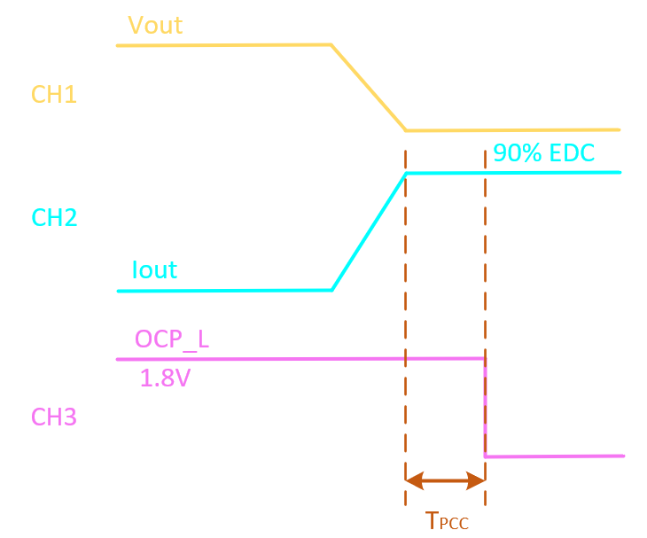
EDC 230 A
OCP_WARN Thresh 207A

IDD Start current (A)

7
IDD Test current (A)

207
CH1

VMON from ALM LP01 RAIL 1
CH2

CURR SENSE OUT from ALM LP01 RAIL1
CH3

OCP_L signal

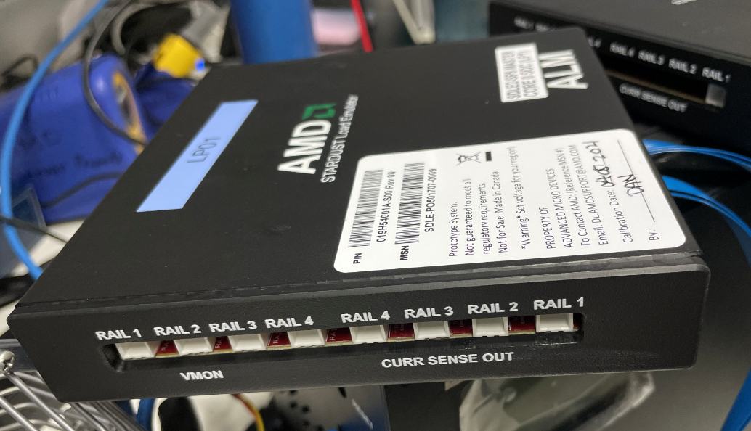
CH1
CH2
CH3
CPU Case | PCC Response Time Scale: 25us/div at least
1

SP5-E
VID 0.9 V
EDC 230 A
OCP_WARN Thresh 207A

IDD Start current (A)

7
IDD Test current (A)

207
CH1

VMON from ALM LP01 RAIL 1
CH2

CURR SENSE OUT from ALM LP01 RAIL1
CH3

OCP_L signal

PSI_Transition
SP5 Dynamic Analysis - CPU/SOC |  | V0.2 |  |  |  |  |  |  | Report Revision |  | EVT
Project | Genoa/Turin |  |  |  |  |  |  |  | Test Date |  | 2024-03-25 | IRM Info
Worksheet | 0 |  | Batch File | 0 |  |  |  |  |  |  |  | Rail CPU | SP5-E | TDC of CPU (A) | 175 | EDC of CPU (A) | 230
CPU TYPE | SP5-E |  | MP_Margin (mV) | 0 | mV |  |  |  |  |  |  | Rail SOC | All Group | TDC of SOC (A) | 105 | EDC of SOC (A) | 130
Please Select
 |  |  |  | 0mV is base line for Voltage Supply Tolerances
 |  |  |  |  | APS Reacted SETTING | Follow SVI3 Protocol Setting

Test Case | VDDCR_CPU0 PSI Validation |  |  |  |  |  |  | Result | Data please fill in in the cell with light blue color
 | Rising Edge |  | Falling Edge |  | IDD Set (A) | Slew Rate (mV/us) | Phase Counts | Does VRM react to the PSI command?
 | PSI Mode #1 | VID (mV) | PSI Mode #2 | VID (mV)
1 | 7 → 7 | 550 → 1200 | 7 →7 | 1200 → 550 | 88 | 2.5 |  | 0
2 | 7 → 7 | 550 → 1200 | 0 → 6 | 1200 → PSI 6 | 35 |  |  | 0
3 | 7 → 7 | 550 → 1200 | 7 → 6 | 1200 → PSI 6 | 20 |  |  | 0
4 | 6 → 0 | PSI 6 → 1200 | 7 → 7 | 1200 → 550 | 44 |  |  | 0
Test Case | VDDCR_SOC PSI Validation |  |  |  |  |  |  | Result
 | Rising Edge |  | Falling Edge |  | IDD Set (A) | Slew Rate (mV/us) | Phase Counts | Does VRM react to the PSI command?
 | PSI Mode #1 | VID (mV) | PSI Mode #2 | VID (mV)
1 | 7 → 7 | 750 → 1200 | 7 → 7 | 1200 → 750 | 53 | 2.5 |  | 0
2 | 7 → 7 | 750 → 1200 | 7 → 7 | 1200 → 750 | 20 |  |  | 0

CPU Case | Rising Edge |  |  | PSI 7 → 7 | VID (mV) = 550 → 1200 | Falling Edge |  |  |  | PSI 7 →7 | VID (mV) = 1200 → 550
1

IDD Set (A)

88

Slew Rate (mV/us)
2.5

Does VRM react to the PSI command?

CH1

Vout
CH2

Phase 1
CH3

Phase 2
CH4

Data Incomplete in the H12
CPU Case | Rising Edge |  |  | PSI 7 → 7 | VID (mV) = 550 → 1200 | Falling Edge |  |  |  | PSI 0 → 6 | VID (mV) = 1200 → PSI 6
2

IDD Set (A)

35

Slew Rate (mV/us)
2.5

Does VRM react to the PSI command?

CH1

Vout
CH2

Phase 1
CH3

Phase 2
CH4

Data Incomplete in the H12
CPU Case | Rising Edge |  |  | PSI 7 → 7 | VID (mV) = 550 → 1200 | Falling Edge |  |  |  | PSI 7 → 6 | VID (mV) = 1200 → PSI 6
3

IDD Set (A)

20

Slew Rate (mV/us)
2.5

Does VRM react to the PSI command?

CH1

Vout
CH2

Phase 1
CH3

Phase 2
CH4

Data Incomplete in the H12
CPU Case | Rising Edge |  |  | PSI 6 → 0 | VID (mV) = PSI 6 → 1200 | Falling Edge |  |  |  | PSI 7 → 7 | VID (mV) = 1200 → 550
4

IDD Set (A)

44

Slew Rate (mV/us)
2.5

Does VRM react to the PSI command?

CH1

Vout
CH2

Phase 1
CH3

Phase 2
CH4

Data Incomplete in the H12
SOC Case | Rising Edge |  |  | PSI 7 → 7 | VID (mV) = 750 → 1200 | Falling Edge |  |  |  | PSI 7 → 7 | VID (mV) = 1200 → 750
1

IDD Set (A)

53

Slew Rate (mV/us)
2.5

Does VRM react to the PSI command?

CH1

Vout
CH2

Phase 1
CH3

Phase 2
CH4

Data Incomplete in the H19
SOC Case | Rising Edge |  |  | PSI 7 → 7 | VID (mV) = 750 → 1200 | Falling Edge |  |  |  | PSI 7 → 7 | VID (mV) = 1200 → 750
2

IDD Set (A)

20

Slew Rate (mV/us)
2.5

Does VRM react to the PSI command?

CH1

Vout
CH2

Phase 1
CH3

Phase 2
CH4

Data Incomplete in the H19

