Figures
File name | accessibility-tagged.pdf

Figures and Alt Text (excludes artifacts and decorative images)
Count of figures | 7


Page Number | Figure/Image | Alt-Text
1 |  | <missing>

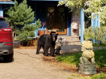
2 |  | <missing>


2 |  | <missing>


2 |  | <missing>

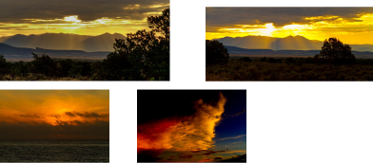
3 |  | <missing>


5 |  | <missing>


5 |  | <missing>

