Prerequisite Checklist
CX DCN Deployment |  |  |  | aruba
Copyright © 2020 Aruba networks. All rights reserved. This product is protected by copyright and intellectual property laws in the United States and other countries as well as by international treaties. Aruba networks is a registered trademark or trademark of HPE, Inc. in the United States and other jurisdictions. All other marks and names mentioned herein may be trademarks of their respective companies. |  |  | V1.0
Architecture III - Dedicated Data Center Layer 3 Spine/Leaf Topology - IBGP EVPN (multi-AS) VXLAN
This workflow provisions switches in a Spine/Leaf topology using OSPF EVPN for the Layer3 fabric and L2 VXLAN with VSX based on the validated reference design. This workflow does not configure the centralized L3 gateway. Making The Inventory Your Own This excel workbook is designed to be used in conjunction with the Ansible inventory plugin aoscx_dcn_plugin . Each sheet in this workbook has protected cells that CANNOT BE CHANGED, these are using to generate Ansible variables. Each inventory provided is made to be an example. You are encouraged to change IP addressing, interface values, and device names to match your environment. When adding additional devices or VLAN information, simply copy and paste additional cells to the tables for the corresponding information. Note that these inventories use a logical grouping method of "VSX Pairs" which assumes that each leaf switches are in VSX pairs. These name of these pairs can be any alphanumeric value; this is just one approach to coupling VSX pairs. You can change the grouping nomenclature to your liking as long as you keep the names consistent throughout the inventory. |  | 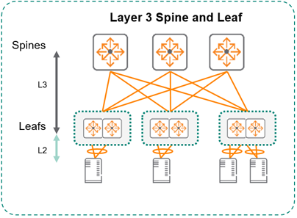 Click for Validated Reference Design

Component | Status | Comments
Physical Hardware
L3 Campus Core
Spine switches = 2 AOS-CX switches • spine switches should be in a VSX pair • must support EVPN (8325/8400 required)
Leaf switches = 4 or more AOS-CX switches • leaf switches should be in a VSX pair • must support EVPN/VXLAN (8325 required)
Out-of-Band management (OOBM) connection to management port on AOS-CX switches • Ansible control machine should be reachable via from each device's OOBM
Software Prerequisites
Ansible version 2.8.1+
Python2.7 or Python3.5+

Excel Data To be Hidden
Fabric Values
iBGP
eBGP

