Street-Crown_
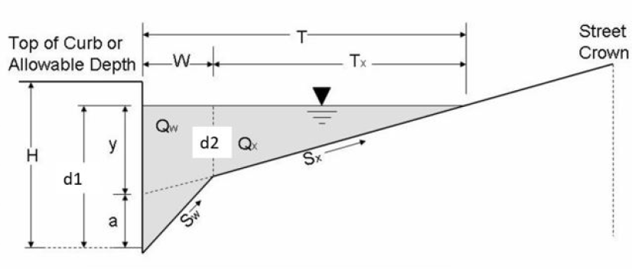
 | Inundation Calculations |  | Eng or SI
Flow | Street Flow (Qs) | 0.203 | cfs
 | Gutter Flow (Qw) | 22.367387306 | cfs
 | Total Flow (Q) | 22.570 | cfs
Slope | Long street (SL) | 0.025 | ft /ft
 | Transverse street (SX) | 0.021 | ft /ft
 | Transverse gutter (SW) | 0.0833 | ft /ft

 | Manning n: (n) | 0.015

Geometry | Flow: d1<H | Too low
 | H: max depth criteria | 0.500 | ft
 | d1 = y+a | d2 + W*Sw | 0.650 | ft
 | a = d1 - W*Sx | 0.21 | ft

 | d2 | 0.066599832834 | ft
 | Tx | 3.17 | ft
 | W: Curb Width | 7 | ft
 | T: Spread | 10.17 | ft

 | Inlet Efficiency | Inlet E% Above + L_inlet = 6ft, Clog 10% reduce
 | Input
 | Length (Design) | 6.000 | ft | L

 | Efficiency | 0.26 |  | E
 | Length for E=100% | 39.68 | ft | Lt
 | Slope Equivalent X | 0.08635710538 | ft/ ft | Se
 | Ratio of flow gutter | 0.991 |  | E0

 | Clog Factor | 0.10
 | Intercepted Flow Qr*E | 5.1907355776 | cfs | Qi = E*Q(1-Clog)
 | Bypass flow Q-Qi | 17.38 | cfs | Qb

