screen shots for answers
Student Answers

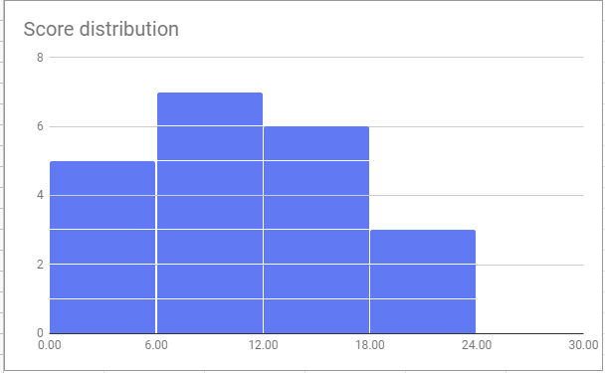
Score Distribution

Summary by Question

Summary by Topic

