Home
Watch message from the CEO
Property Management Tool

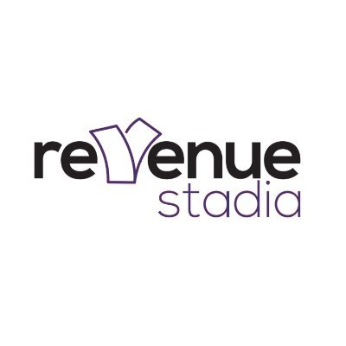

DASHBOARD
PROPERTIES & BUILDINGS
TENANTS & UNITS
EXPENSES & INCOME
REMINDERS & ALERTS

Visist our website and book a demo for Revenue Stadia, Intuitive, scalable property management software, developed for property managers to manage units in a property or multiple properties.

Dashboard2
Incomes and Expences
Locations & Property Types

 | Expence | Income
Ann |  | KES 92,966
George | KES 80,716
Jennifer | KES 175,919
JM | KES 266,887
Maria | KES 186,072 | KES 90,784
Sam | KES 75,271
Wangas | KES 150,892 | KES 87,197
Total number of Properties
 | Total
Eldoret | 4
Kisumu | 4
Mombasa | 3
Nairobi | 3

Transactions Types
Profits
Transaction Type by Units
 | Total
Levy | 818229
Power | 683497
Rent | 340361
Water | 359623
 | Levy | Power | Rent | Water
A |  | 156294
D | 96339 |  | 86784
E | 99755 | 97726 |  | 91449
F | 93530
I |  |  | 91953 | 76690
J |  | 154776 | 80120
K |  | 88013
M |  | 89677
N |  |  | 81504
O | 99161 |  |  | 95150
P | 97252
Q | 77004
S | 77236 | 97011
U | 91640 |  |  | 96334
W | 86312
Properties
Row Labels | Expence | Income | Profits & Loss
George |  | 73920 | KES (84,569.00)
Jennifer | 278089 | 193520 | KES 176,296.00
JM |  | 176296 | KES (84,569.00)
Maria |  | 92696 | KES 92,696.00
Matt |  | 88205 | KES 92,696.00
Wangas | 80104 | 277052 | KES 196,948.00
 |  |  | KES -
 |  |  | KES -
 |  |  | KES -

Properties
 |  | Properties & Buildings

Property Name Row | 4 |  | Select Property | Equitable Property Group |  | Property ID | 2
Property ID Row | 4
Next Property ID | 79 |  | Property Name | Equitable Property Group | Type | Industrial | Start Date | 24-Jun-20
Next Attach ID | 1
 |  |  | Address | Nairobi

 |  |  | Owner's Name | Veronicah Nanjala | Phone | (5462089463283 | Email | veronicananjala1@gmail.com
 |  |  |  |  |  |  |  |  | TRUE
 |  |  | Manager's Name | Veronicah Nanjala | Phone | (7827516809246 | Email | veronicananjala1@gmail.com
 |  |  |  |  |  |  |  |  | #REF!

Add New
Update
Delete

Units&Tenants
 |  | Units & Tenants

Property ID |  | Recent Occupied Units | Property Name |  | Unit ID
Unit Row
Next Unit ID | 148 |  | Tenant Name | Unit # |  | Unit Type

 |  |  | Notes

 |  |  | Lease Start | Phone 1 |  | Email 1
 |  |  |  |  |  |  | FALSE
 |  |  | Lease End | Phone 2 |  | Email 2
 |  |  |  |  |  |  | #REF!
SAVE
Cancel

Transactions
 |  | Income & Expensse Transactions

Property ID |  | Recent Transactions | Select Property |  | Trans ID
Transaction Row
Next Transation ID | 167 |  | Trans Name | Unit# |  | Date

 |  |  | Trans. Details

 |  |  | Paid By: | Type |  | Amount
Add New
Update
Delete

Alerts&reminders
 |  | Alerts & Reminders

 |  | Recent Alerts |  |  | Alert ID
Alert Row
Next Transation ID | 1 |  | Alert Name | Date |  | Time

 |  |  | Alert Details

Save
Cancel

