Guided Tutorials
Guided Tutorials
Follow the numbered steps and red screenshot callouts. Screenshots are from staging and did not trigger paid actions.

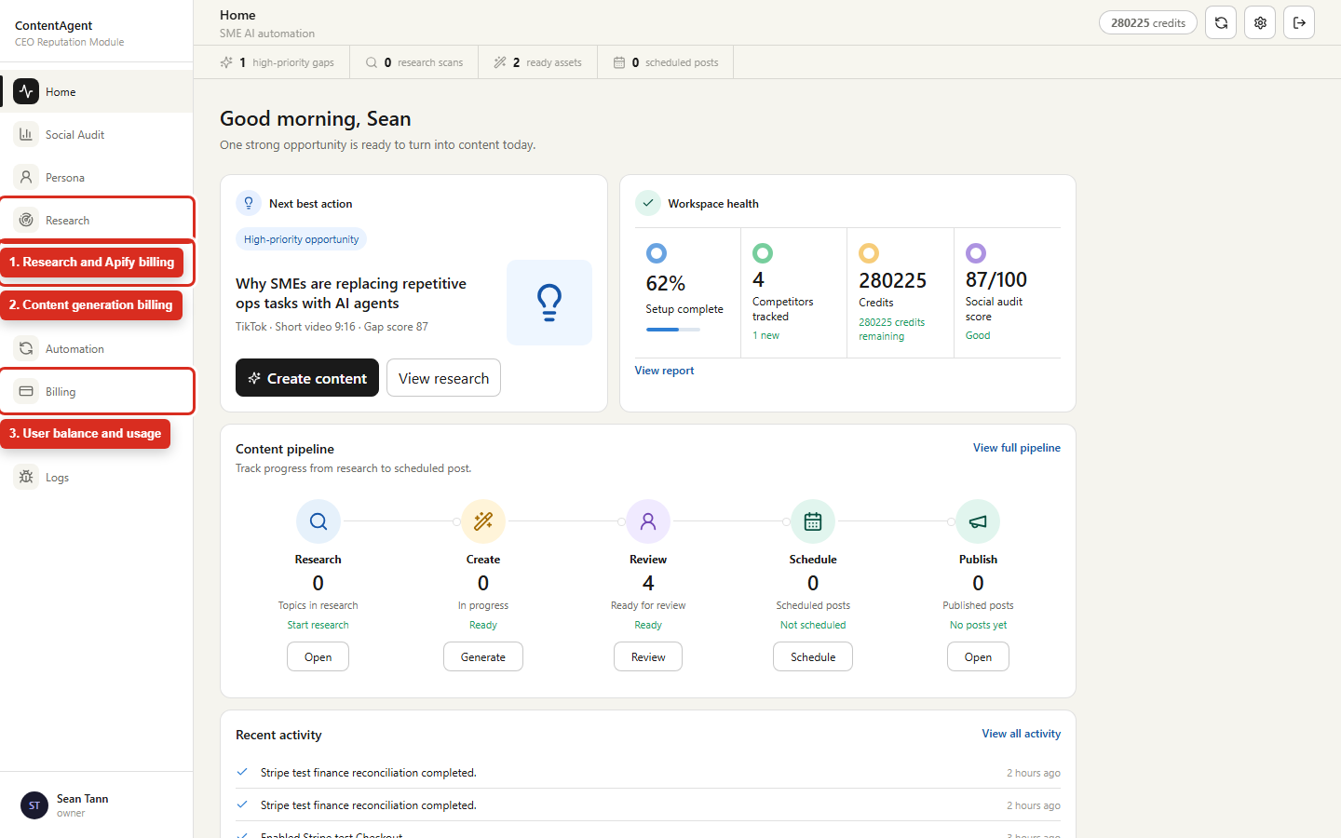
G01 Sign in and find the billing test areas
Area | All phases
Safety | FREE
Steps
1. Open the staging frontend and sign in with a dedicated verified tester account.
2. Record the visible credit balance before executing any paid case.
3. Use Research for Apify tests, Create Content for generation tests, and Billing for user usage checks.
4. Open the separate staging Admin URL for plans, rates, Stripe, ledger, and Finance tests.

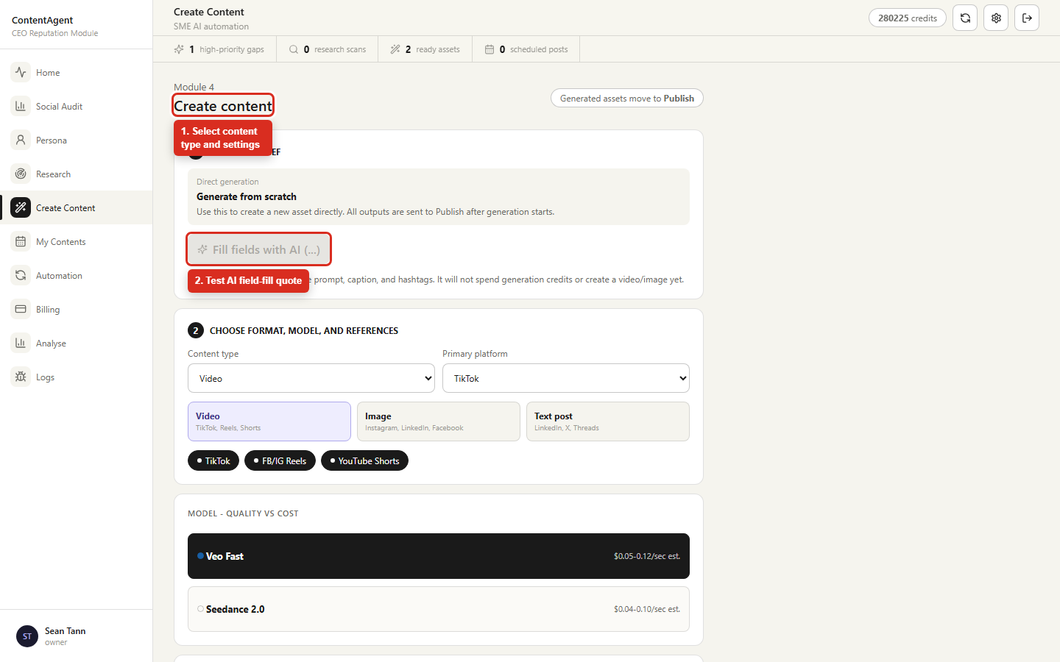
G02 Test Create Content quotes and generation
Area | Phases 2-4
Safety | FREE until Generate; then PAID API
Steps
1. Open Create Content and select Video, Image, or Text post.
2. Change the platform, model, duration/dimension, and references; verify the credit quote refreshes.
3. Use Fill fields with AI only when the AI-fill charge is approved.
4. Scroll to the final Generate control and compare the displayed credits with Admin -> Billing Rules -> Quote tester.
5. For paid execution, record the balance and ledger before clicking Generate, then verify reservation, settlement, output, and retained media.

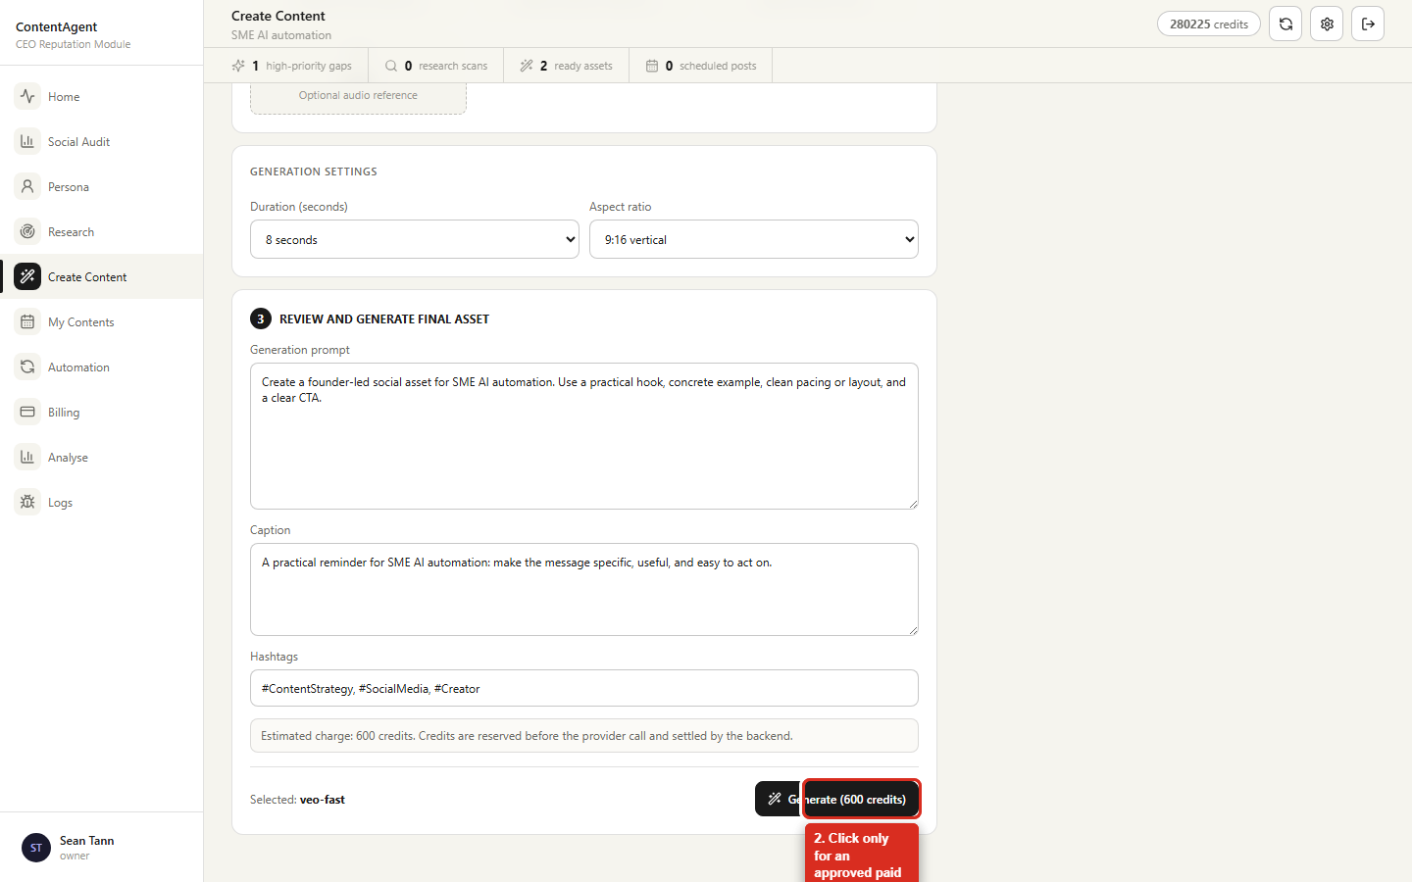
G02B Approve the final Create Content charge
Area | Phases 2-4
Safety | PAID API
Steps
1. Confirm the selected model, duration/dimension, and every attachment before proceeding.
2. Capture the displayed credit charge and the starting balance.
3. Click Generate only for an approved paid test case.
4. Verify immediate redirection to My Contents and a Generating row before provider work completes.
5. After completion, compare the final debit, provider task ID, logs, preview, and download.

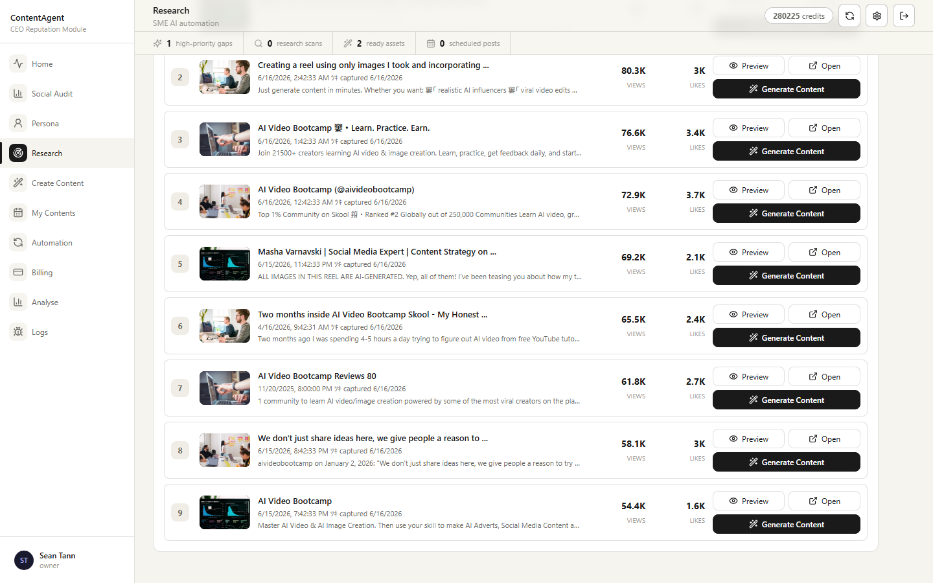
G03 Test Research scans and cache behavior
Area | Phase 5
Safety | PAID API for new scan; FREE for history/cache
Steps
1. Choose Search by URL for strict profile/page scope or Search by keywords for broad discovery.
2. Select only supported platform/content-type filters and record the displayed quote.
3. Run one approved scan; verify Scanning feedback, leave/reopen behavior, results, actor/run IDs, reservation, and settlement.
4. Open History and repeat the same cached search; verify there is no new Apify run or charge.

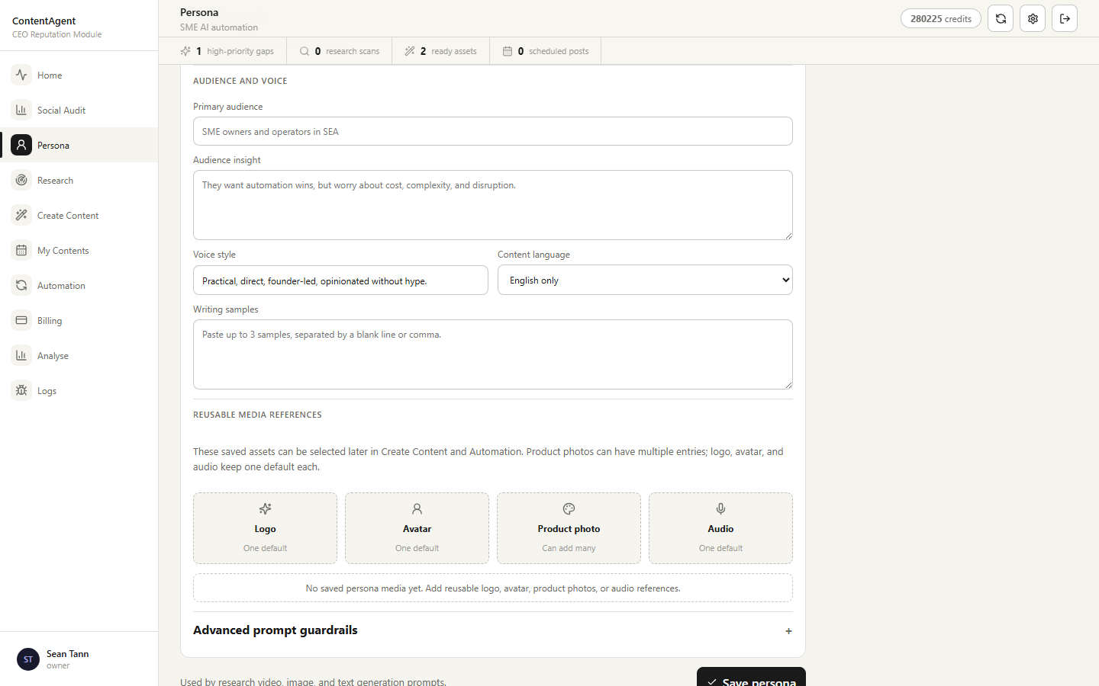
G04 Test Persona crawl and AI mapping
Area | Phase 5
Safety | PAID API
Steps
1. Open Persona and enter public Facebook and/or LinkedIn profile URLs.
2. Record the composite crawl plus AI-mapping quote, then click Auto-fill for an approved test.
3. Verify successful source data is combined into the single active Persona and a partial-source failure is visible.
4. Save, reload, and confirm the profile and media persist without creating duplicate personas.

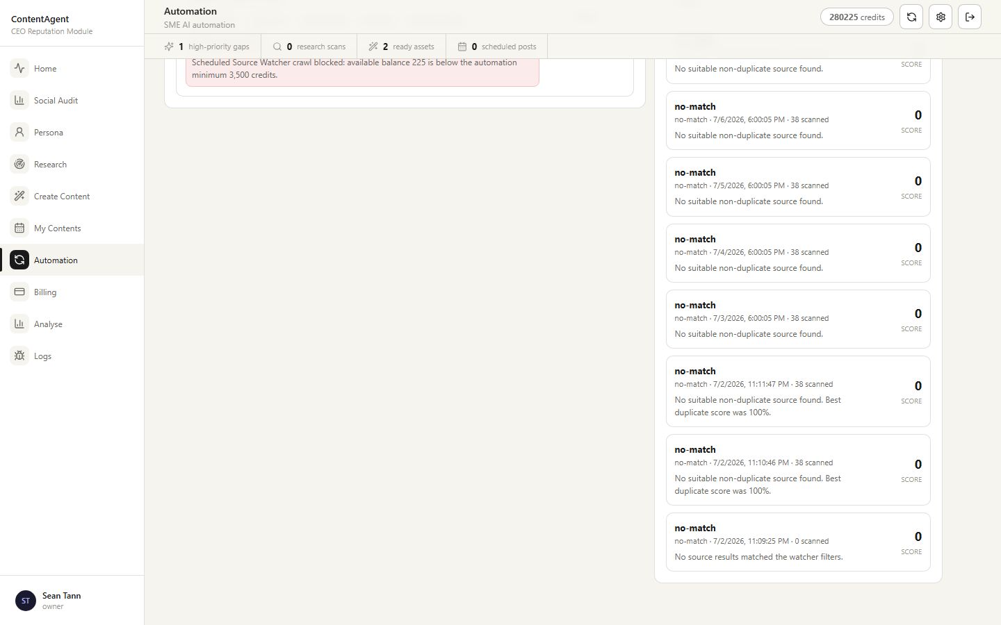
G05 Test Automation spending controls
Area | Phase 6
Safety | FREE for controls; PAID API for Run Now
Steps
1. Open Automation and choose Source Watcher or Scheduled Content.
2. Configure source/platform/content settings, Persona or uploaded references, schedule, and publishing account.
3. Set maximum credits per run plus daily/monthly limits; verify an insufficient cap blocks provider work.
4. For an approved paid run, trace crawl, AI, generation, and publish as separate ledger actions.
5. Trigger the same due job twice and confirm there is no duplicate content, post, or charge.

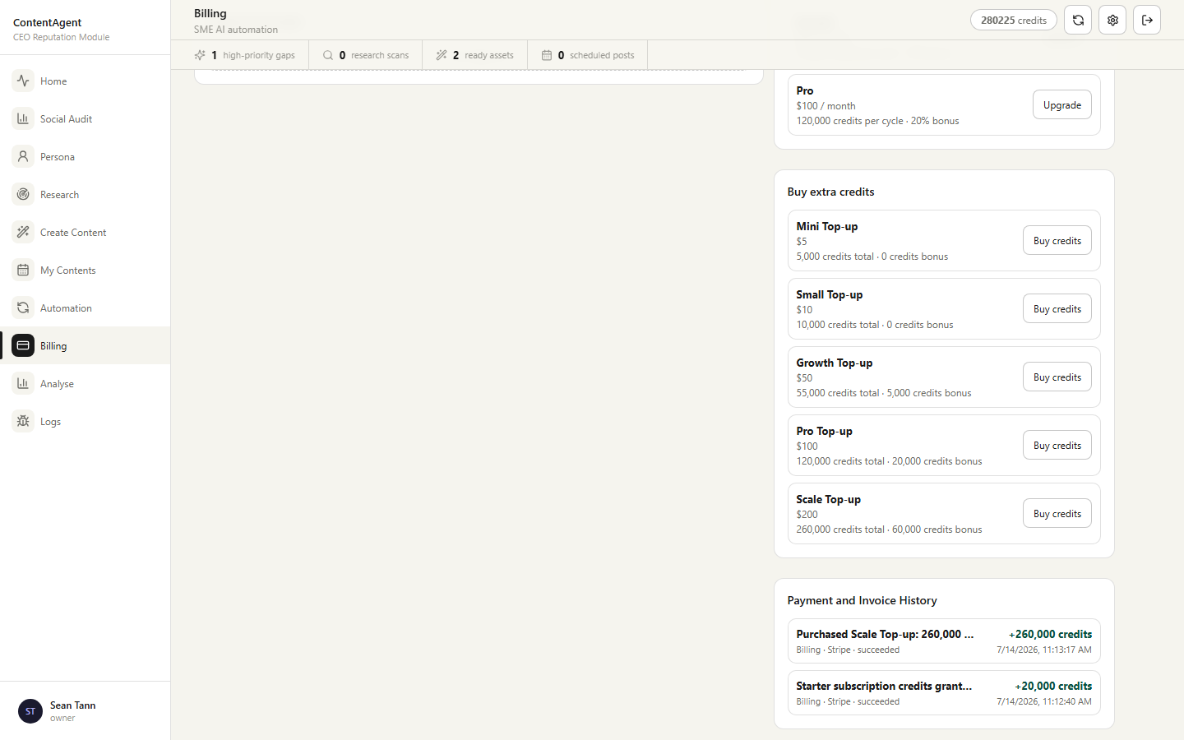
G06 Verify the user Billing dashboard
Area | Phase 7
Safety | FREE; Stripe test for Checkout cases
Steps
1. Open Billing and record available, reserved, and plan balances.
2. Filter Usage by module and provider; compare totals and rows with the Admin credit ledger.
3. Verify active plans/packages only, payment history order, warnings, and mobile layout.
4. Use Stripe test mode only for subscription/top-up Checkout cases.

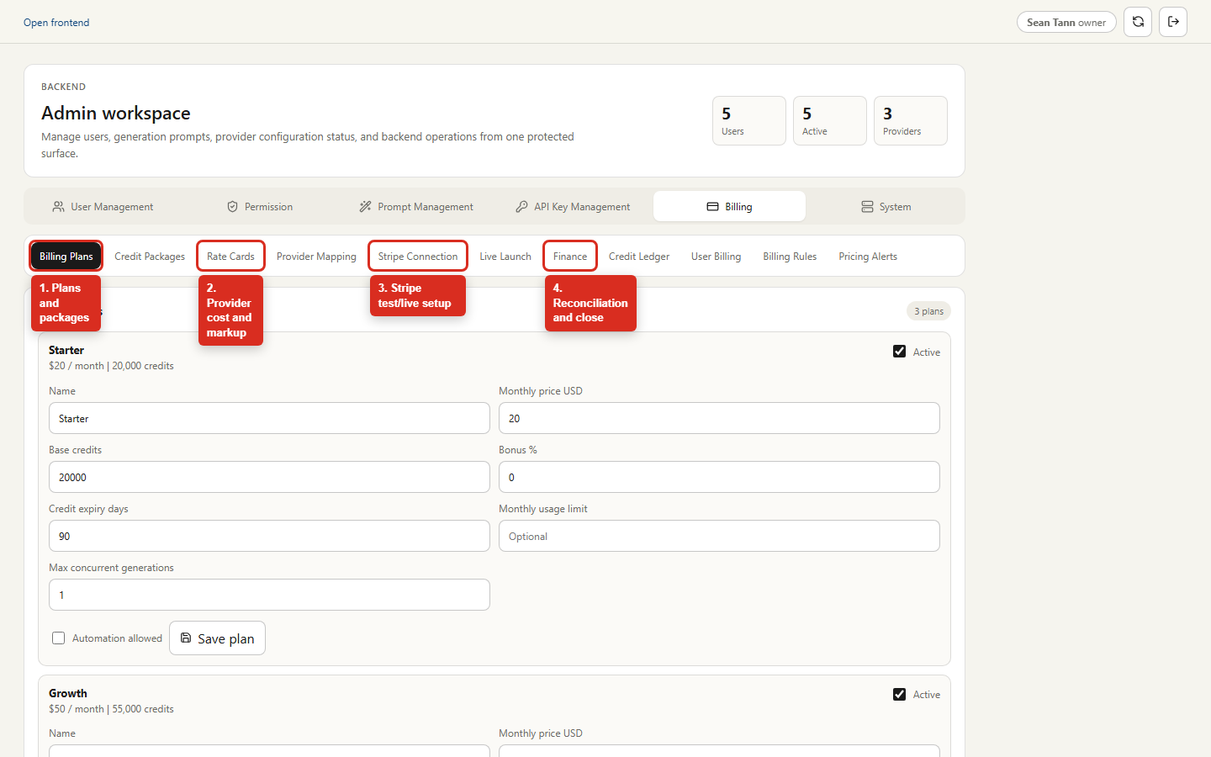
G07 Navigate Admin Billing
Area | Phases 1, 8-12
Safety | FREE navigation
Steps
1. Open the staging Admin URL and select Billing.
2. Use Billing Plans and Credit Packages for commercial offers.
3. Use Rate Cards, Provider Mapping, and Billing Rules to verify server-side quotes and enforcement.
4. Use Stripe Connection and Live Launch only with the mode and approval required by the test case.
5. Use Credit Ledger and Finance for debit, payment, reconciliation, and close evidence.

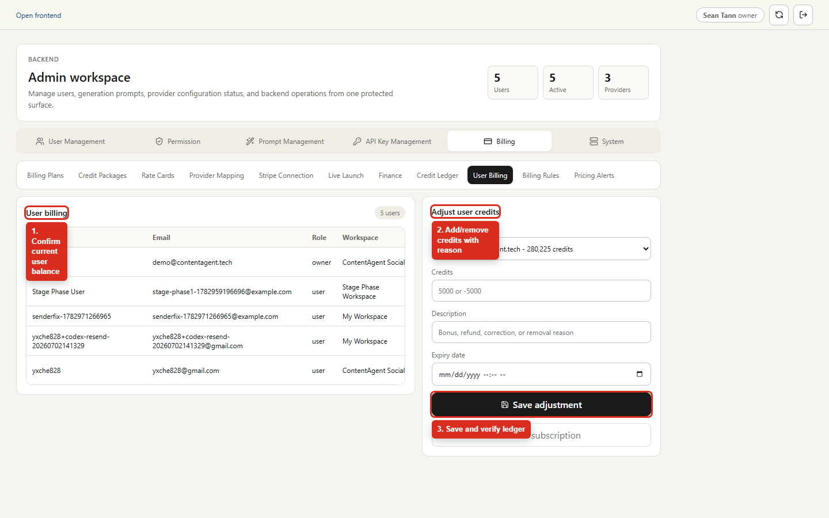
G08 Adjust a test user's credits
Area | Phases 1 and 8
Safety | FREE
Steps
1. Open Admin -> Billing -> User Billing and select the dedicated staging user.
2. Record the current available/reserved/lifetime balance.
3. Enter a positive or negative integer, an expiry only when required, and a clear test reason.
4. Save once; verify the exact balance change plus one append-only ledger and audit row.
5. Reverse the fixture with a new compensating adjustment; never edit an existing ledger row.

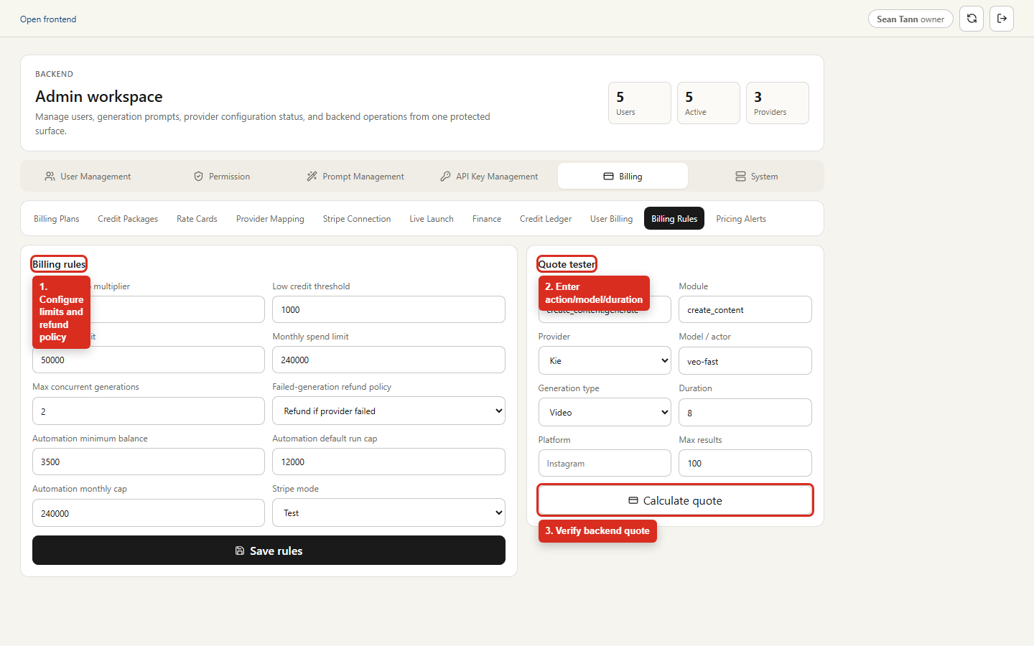
G09 Validate rules with Quote tester
Area | Phases 1, 2, 8, and 9
Safety | FREE
Steps
1. Open Admin -> Billing -> Billing Rules.
2. Record active minimum balances, limits, concurrency, and refund policy before editing.
3. In Quote tester select the exact action/model/duration or resolution used by the frontend case.
4. Click Calculate quote and compare integer credits, rate card, mapping, and variable min/max to the frontend.
5. Restore changed settings after the test and verify the audit event.

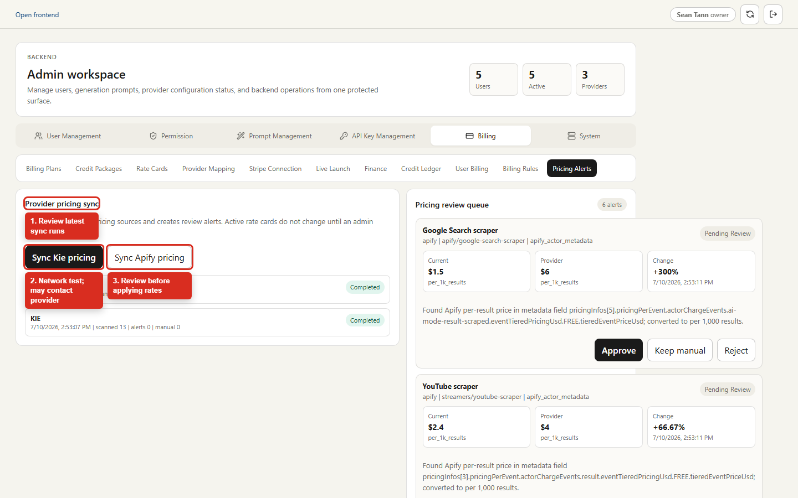
G10 Review provider pricing changes
Area | Phase 9
Safety | NETWORK; may contact provider
Steps
1. Open Admin -> Billing -> Pricing Alerts and review the last run before starting another.
2. Start Kie or Apify sync only with approved network/provider access.
3. Verify a run record and proposal are created while active rate cards remain unchanged.
4. Approve or keep manual only after comparing provider evidence; verify quotes update without code deployment.

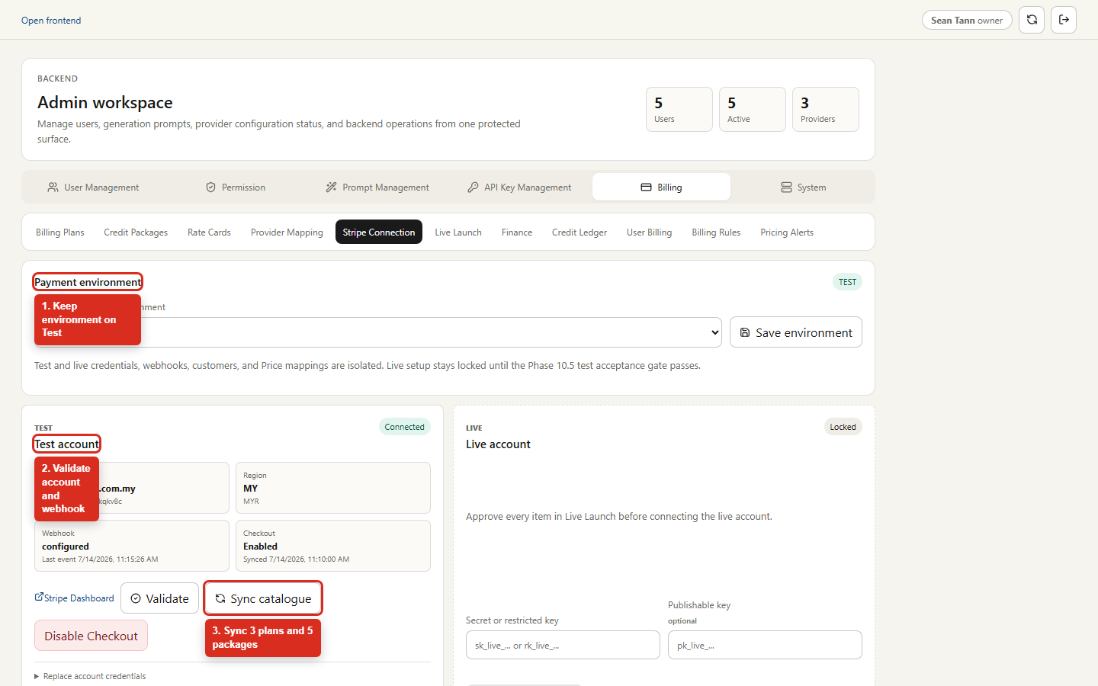
G11 Test Stripe connection and catalogue
Area | Phases 10 and 10.5
Safety | STRIPE TEST
Steps
1. Open Admin -> Billing -> Stripe Connection and keep Payment environment on Test.
2. Validate the test account and webhook; confirm raw keys and signing secrets are never displayed.
3. Sync the catalogue and verify three plans plus five packages each have the expected immutable revision/mapping.
4. Run test Checkout, webhook replay, refund, subscription, and Portal cases with Stripe test cards only.

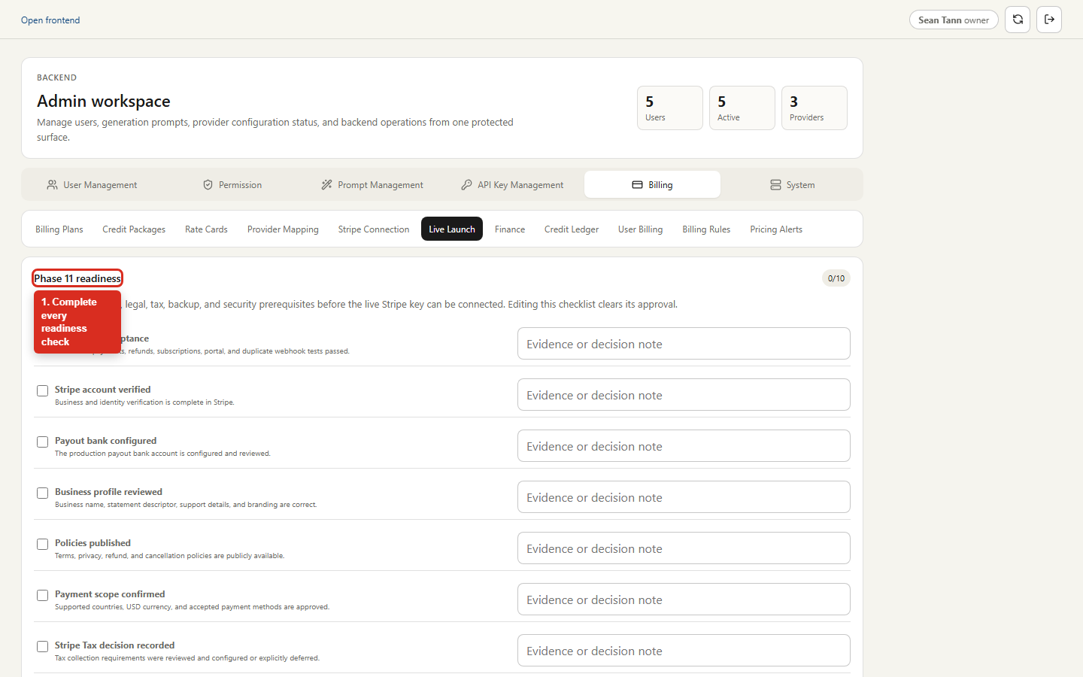
G12 Execute controlled live launch checks
Area | Phase 11
Safety | LIVE MONEY - written approval required
Steps
1. Do not execute this guide unless written approval, refund owner, and backup are recorded.
2. Complete readiness evidence, catalogue comparison, preflight, and owner-only rollout in order.
3. Run only the smallest approved top-up and subscription smoke payments.
4. Verify exact grants/refunds and approve the redacted report, then return rollout to disabled or the approved audience.
5. Confirm Emergency stop blocks new Checkout while signed webhooks continue.

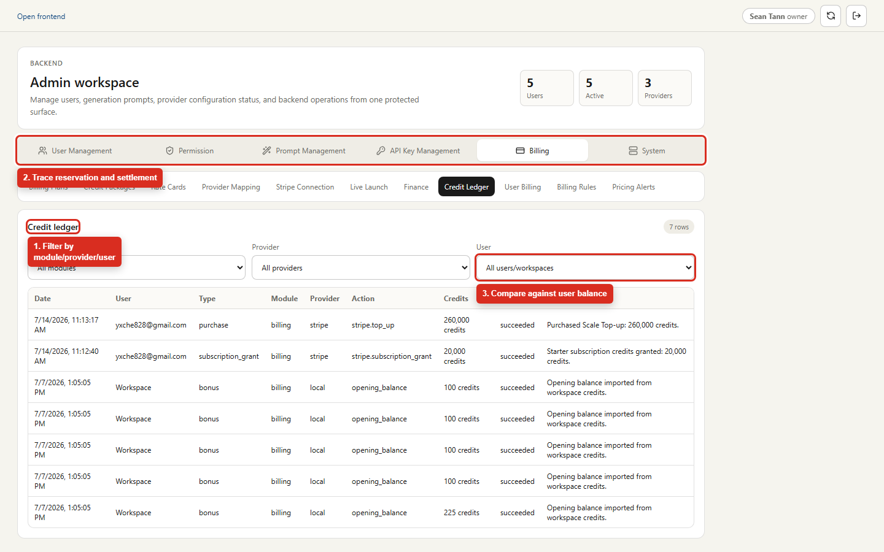
G13 Trace credits in the append-only ledger
Area | Phases 1, 3, 7, and 8
Safety | FREE
Steps
1. Open Admin -> Billing -> Credit Ledger.
2. Filter by the exact user, module, and provider from the test action.
3. Trace related IDs across reservation, release or settlement, activity log, and provider task.
4. Verify one settlement, no duplicate rows, integer credits, and no secrets in descriptions/metadata.

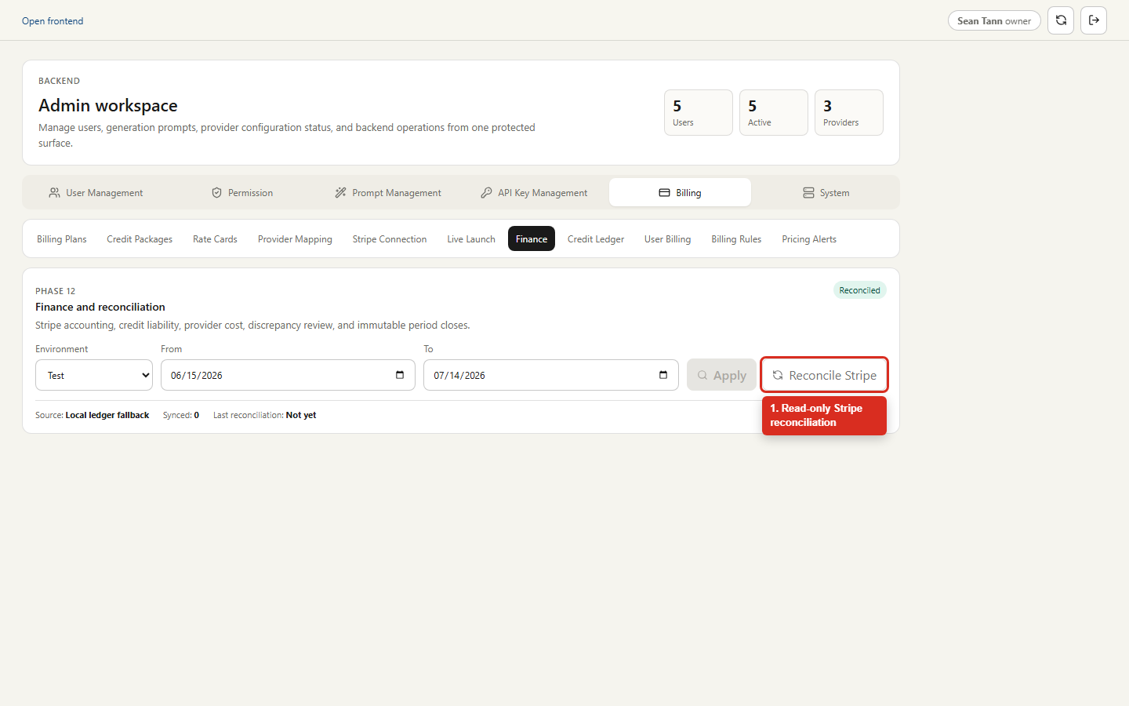
G14 Reconcile and close Finance
Area | Phase 12
Safety | STRIPE READ-ONLY; close requires approval
Steps
1. Open Admin -> Billing -> Finance and select the intended test/live environment and date range.
2. Run Reconcile Stripe only with read access; confirm it never mutates the credit ledger.
3. Compare KPI totals, provider cost, fees, non-USD settlement, findings, and trace to source records.
4. Resolve/ignore/reopen only dedicated findings and capture actor/time/note evidence.
5. Close a period only after review and backup; verify the immutable snapshot/hash and duplicate-close rejection.

