B2_2020-24
B2 | 2020-2024 | LRR

ObjectID | BaselineID | TransOrder | TransEdit | TransectId | ShrCount | LRR | LR2 | LCI | LSE | EPR | EPRunc | NSM | SCE | WLR | WR2 | WCI | WSE | TCD
1 |  | 1 | 0 | 1 | 4 | 41.32 | 0.87 | 33.32 | 36.09 | 49.19 | 714.89 | 196.77 | 196.77 | 41.32 | 0.87 | 33.33 | 0.02 | 0
2 |  | 2 | 0 | 2 | 4 | -11.31 | 0.72 | 14.57 | 15.77 | -12.75 | 714.89 | -51 | 51.44 | -11.32 | 0.72 | 14.57 | 0.01 | 150
3 |  | 3 | 0 | 3 | 4 | 2.04 | 0.74 | 2.52 | 2.73 | 1.45 | 714.89 | 5.79 | 8.79 | 2.04 | 0.74 | 2.52 | 0 | 300
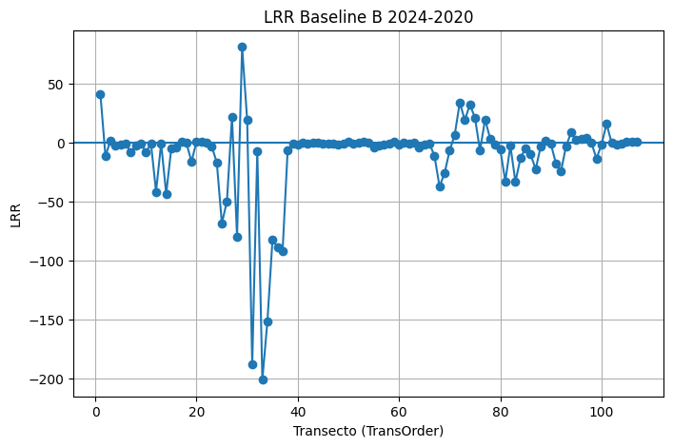
4 |  | 4 | 0 | 4 | 4 | -2.25 | 0.45 | 5.14 | 5.57 | -3.06 | 714.89 | -12.22 | 13.09 | -2.25 | 0.45 | 5.15 | 0 | 450
5 |  | 5 | 0 | 5 | 4 | -1.77 | 0.39 | 4.6 | 4.98 | -2.42 | 714.89 | -9.67 | 11.38 | -1.77 | 0.39 | 4.6 | 0 | 600
6 |  | 6 | 0 | 6 | 4 | -0.41 | 0.15 | 1.95 | 2.12 | -0.38 | 714.89 | -1.53 | 4.25 | -0.41 | 0.16 | 1.95 | 0 | 750
7 |  | 7 | 0 | 7 | 4 | -8.32 | 0.48 | 17.77 | 19.24 | -10.72 | 714.89 | -42.87 | 45.31 | -8.32 | 0.48 | 17.78 | 0.01 | 900
8 |  | 8 | 0 | 8 | 4 | -2.52 | 0.81 | 2.49 | 2.69 | -2.23 | 714.89 | -8.91 | 11.47 | -2.52 | 0.81 | 2.49 | 0 | 1050
9 |  | 9 | 0 | 9 | 4 | -0.62 | 0.15 | 3.09 | 3.35 | -0.85 | 714.89 | -3.41 | 6.52 | -0.62 | 0.15 | 3.09 | 0 | 1200
10 |  | 10 | 0 | 10 | 4 | -8.05 | 0.27 | 27.63 | 29.93 | -11.94 | 714.89 | -47.76 | 65.83 | -8.06 | 0.27 | 27.65 | 0.01 | 1350
11 |  | 11 | 0 | 11 | 4 | -0.95 | 0.67 | 1.4 | 1.51 | -1.13 | 714.89 | -4.51 | 4.51 | -0.95 | 0.67 | 1.4 | 0 | 1500
12 |  | 12 | 0 | 12 | 4 | -41.41 | 0.52 | 82.18 | 89 | -52.02 | 714.89 | -208.08 | 211.56 | -41.45 | 0.52 | 82.23 | 0.04 | 1650
13 |  | 13 | 0 | 13 | 4 | -0.47 | 0.13 | 2.5 | 2.7 | -0.4 | 714.89 | -1.6 | 5.37 | -0.47 | 0.13 | 2.5 | 0 | 1800
14 |  | 14 | 0 | 14 | 4 | -43.14 | 0.92 | 25.84 | 27.98 | -36.88 | 714.89 | -147.53 | 147.53 | -43.14 | 0.92 | 25.84 | 0.01 | 1950
15 |  | 15 | 0 | 15 | 4 | -5.14 | 0.35 | 14.54 | 15.75 | -7.11 | 714.89 | -28.42 | 35.41 | -5.15 | 0.35 | 14.55 | 0.01 | 2100
16 |  | 16 | 0 | 16 | 4 | -4.05 | 0.92 | 2.47 | 2.67 | -3.54 | 714.89 | -14.15 | 15.09 | -4.05 | 0.92 | 2.47 | 0 | 2250
17 |  | 17 | 0 | 17 | 4 | 0.61 | 0.17 | 2.78 | 3.01 | 1.03 | 714.89 | 4.11 | 6.46 | 0.61 | 0.17 | 2.78 | 0 | 2400
18 |  | 18 | 0 | 18 | 4 | -0.27 | 0.01 | 7.57 | 8.2 | 0.65 | 714.89 | 2.6 | 15.29 | -0.27 | 0.01 | 7.58 | 0 | 2550
19 |  | 19 | 0 | 19 | 4 | -16 | 0.93 | 8.93 | 9.67 | -15.82 | 714.89 | -63.3 | 63.3 | -16.01 | 0.93 | 8.93 | 0 | 2700
20 |  | 20 | 0 | 20 | 4 | 1.07 | 0.58 | 1.87 | 2.02 | 1.23 | 714.89 | 4.93 | 5.52 | 1.07 | 0.58 | 1.87 | 0 | 2850
21 |  | 21 | 0 | 21 | 4 | 1.12 | 0.73 | 1.4 | 1.52 | 0.88 | 714.89 | 3.51 | 5.35 | 1.12 | 0.73 | 1.4 | 0 | 3000
22 |  | 22 | 0 | 22 | 4 | -0.09 | 0.01 | 2.04 | 2.21 | -0.51 | 714.89 | -2.06 | 4.24 | -0.09 | 0.01 | 2.04 | 0 | 3150
23 |  | 23 | 0 | 23 | 4 | -3.06 | 0.86 | 2.56 | 2.77 | -3.13 | 714.89 | -12.54 | 12.93 | -3.06 | 0.86 | 2.56 | 0 | 3300
24 |  | 24 | 0 | 24 | 4 | -16.72 | 0.16 | 79.95 | 86.58 | -1.55 | 714.89 | -6.19 | 156.58 | -16.74 | 0.16 | 79.9 | 0.04 | 3450
25 |  | 25 | 0 | 25 | 4 | -68.23 | 0.13 | 357.14 | 386.77 | -0.38 | 714.89 | -1.54 | 679.64 | -68.33 | 0.14 | 356.92 | 0.19 | 3600
26 |  | 26 | 0 | 26 | 4 | -49.6 | 0.1 | 313.88 | 339.92 | 2.16 | 714.89 | 8.63 | 613.02 | -49.7 | 0.1 | 313.68 | 0.17 | 3750
27 |  | 27 | 0 | 27 | 4 | 21.79 | 0.01 | 392.84 | 425.43 | 115.41 | 714.89 | 461.63 | 705.41 | 21.82 | 0.01 | 392.92 | 0.21 | 3900
28 |  | 28 | 0 | 28 | 4 | -79.34 | 0.31 | 243.49 | 263.69 | -30.89 | 714.89 | -123.57 | 547.5 | -79.41 | 0.31 | 243.35 | 0.13 | 4050
29 |  | 29 | 0 | 29 | 4 | 81.29 | 0.52 | 161.39 | 174.78 | 102.91 | 714.89 | 411.66 | 416.91 | 81.23 | 0.52 | 161.3 | 0.09 | 4200
30 |  | 30 | 0 | 30 | 4 | 19.13 | 0.02 | 259.94 | 281.51 | 54.39 | 714.89 | 217.58 | 560.49 | 19.03 | 0.02 | 259.79 | 0.14 | 4350
31 |  | 31 | 0 | 31 | 4 | -187.8 | 0.43 | 449.09 | 486.35 | -95.71 | 714.89 | -382.83 | 1113.49 | -187.91 | 0.43 | 448.84 | 0.24 | 4500
32 |  | 32 | 0 | 32 | 4 | -6.84 | 0 | 522.28 | 565.62 | 119.63 | 714.89 | 478.53 | 1025.45 | -6.84 | 0 | 522.28 | 0.28 | 4650
33 |  | 33 | 0 | 33 | 4 | -200.71 | 0.33 | 590.39 | 639.38 | -83.02 | 714.89 | -332.1 | 1351.02 | -200.87 | 0.33 | 590.04 | 0.32 | 4800
34 |  | 34 | 0 | 34 | 4 | -151.12 | 0.39 | 390.04 | 422.4 | -72.04 | 714.89 | -288.17 | 938.27 | -151.22 | 0.39 | 389.82 | 0.21 | 4950
35 |  | 35 | 0 | 35 | 4 | -82.27 | 0.13 | 445.79 | 482.78 | 2.62 | 714.89 | 10.46 | 848.92 | -82.39 | 0.13 | 445.52 | 0.24 | 5100
36 |  | 36 | 0 | 36 | 4 | -88.41 | 0.13 | 462.22 | 500.57 | -0.04 | 714.89 | -0.18 | 883.66 | -88.54 | 0.14 | 461.94 | 0.25 | 5250
37 |  | 37 | 0 | 37 | 4 | -91.47 | 0.13 | 480.31 | 520.17 | -0.43 | 714.89 | -1.71 | 914.36 | -91.61 | 0.13 | 480.02 | 0.26 | 5400
38 |  | 38 | 0 | 38 | 4 | -6.14 | 0.9 | 4.3 | 4.65 | -6.28 | 714.89 | -25.14 | 25.14 | -6.14 | 0.9 | 4.3 | 0 | 5550
39 |  | 39 | 0 | 39 | 4 | -0.81 | 0.48 | 1.74 | 1.89 | -0.42 | 714.89 | -1.69 | 4.73 | -0.81 | 0.48 | 1.75 | 0 | 5700
40 |  | 40 | 0 | 40 | 4 | -1.58 | 0.78 | 1.74 | 1.88 | -1.83 | 714.89 | -7.3 | 7.3 | -1.58 | 0.78 | 1.73 | 0 | 5850
41 |  | 41 | 0 | 41 | 4 | -0.31 | 0.01 | 5.49 | 5.94 | -1.08 | 714.89 | -4.32 | 11.78 | -0.31 | 0.01 | 5.48 | 0 | 6000
42 |  | 42 | 0 | 42 | 4 | -0.86 | 0.33 | 2.52 | 2.73 | -0.74 | 714.89 | -2.96 | 6.62 | -0.86 | 0.33 | 2.52 | 0 | 6150
43 |  | 43 | 0 | 43 | 4 | -0.15 | 0.02 | 2.46 | 2.67 | 0.28 | 714.89 | 1.14 | 5.04 | -0.15 | 0.02 | 2.46 | 0 | 6300
44 |  | 44 | 0 | 44 | 4 | 0.34 | 0.29 | 1.08 | 1.17 | 0.08 | 714.89 | 0.33 | 2.7 | 0.34 | 0.29 | 1.09 | 0 | 6450
45 |  | 45 | 0 | 45 | 4 | -0.49 | 0.52 | 0.98 | 1.06 | -0.43 | 714.89 | -1.73 | 3.05 | -0.49 | 0.52 | 0.98 | 0 | 6600
46 |  | 46 | 0 | 46 | 4 | -1.04 | 0.64 | 1.62 | 1.75 | -1.08 | 714.89 | -4.33 | 5.51 | -1.04 | 0.64 | 1.62 | 0 | 6750
47 |  | 47 | 0 | 47 | 4 | -0.33 | 0.55 | 0.62 | 0.67 | -0.28 | 714.89 | -1.13 | 1.98 | -0.33 | 0.55 | 0.62 | 0 | 6900
48 |  | 48 | 0 | 48 | 4 | -1.68 | 0.54 | 3.21 | 3.47 | -1.52 | 714.89 | -6.09 | 10.18 | -1.68 | 0.54 | 3.21 | 0 | 7050
49 |  | 49 | 0 | 49 | 4 | -0.72 | 0.3 | 2.27 | 2.46 | -1.25 | 714.89 | -5.01 | 5.01 | -0.72 | 0.3 | 2.27 | 0 | 7200
50 |  | 50 | 0 | 50 | 4 | 0.7 | 0.96 | 0.28 | 0.31 | 0.67 | 714.89 | 2.68 | 2.68 | 0.7 | 0.96 | 0.28 | 0 | 7350
51 |  | 51 | 0 | 51 | 4 | -0.5 | 0.36 | 1.37 | 1.49 | -0.22 | 714.89 | -0.89 | 3.23 | -0.5 | 0.36 | 1.37 | 0 | 7500
52 |  | 52 | 0 | 52 | 4 | -0.07 | 0.02 | 1.15 | 1.25 | -0.34 | 714.89 | -1.36 | 2.2 | -0.07 | 0.02 | 1.15 | 0 | 7650
53 |  | 53 | 0 | 53 | 4 | 0.74 | 0.72 | 0.96 | 1.04 | 0.82 | 714.89 | 3.3 | 3.4 | 0.74 | 0.72 | 0.96 | 0 | 7800
54 |  | 54 | 0 | 54 | 4 | 0.02 | 0 | 1.9 | 2.06 | 0.47 | 714.89 | 1.89 | 3.56 | 0.02 | 0 | 1.9 | 0 | 7950
55 |  | 55 | 0 | 55 | 4 | -4.19 | 0.57 | 7.56 | 8.18 | -5.2 | 714.89 | -20.8 | 20.8 | -4.19 | 0.57 | 7.56 | 0 | 8100
56 |  | 56 | 0 | 56 | 4 | -2.04 | 0.45 | 4.69 | 5.08 | -2.91 | 714.89 | -11.62 | 11.9 | -2.05 | 0.45 | 4.7 | 0 | 8250
57 |  | 57 | 0 | 57 | 4 | -1.22 | 0.37 | 3.27 | 3.54 | -1.57 | 714.89 | -6.29 | 7.82 | -1.22 | 0.37 | 3.27 | 0 | 8400
58 |  | 58 | 0 | 58 | 4 | -1.06 | 0.78 | 1.15 | 1.25 | -0.81 | 714.89 | -3.24 | 4.44 | -1.06 | 0.78 | 1.15 | 0 | 8550
59 |  | 59 | 0 | 59 | 4 | 0.58 | 0.5 | 1.2 | 1.3 | 0.44 | 714.89 | 1.78 | 3.64 | 0.58 | 0.5 | 1.2 | 0 | 8700
60 |  | 60 | 0 | 60 | 4 | -1.27 | 0.44 | 2.97 | 3.22 | -1.39 | 714.89 | -5.55 | 8.04 | -1.27 | 0.44 | 2.98 | 0 | 8850
61 |  | 61 | 0 | 61 | 4 | -0.09 | 0.27 | 0.32 | 0.34 | -0.17 | 714.89 | -0.68 | 0.68 | -0.09 | 0.27 | 0.32 | 0 | 9000
62 |  | 62 | 0 | 62 | 4 | -0.6 | 0.48 | 1.3 | 1.4 | -0.35 | 714.89 | -1.41 | 3.52 | -0.6 | 0.48 | 1.3 | 0 | 9150
63 |  | 63 | 0 | 63 | 4 | 0.2 | 0.04 | 2.1 | 2.28 | -0.04 | 714.89 | -0.18 | 4.09 | 0.2 | 0.04 | 2.11 | 0 | 9300
64 |  | 64 | 0 | 64 | 4 | -3.72 | 0.92 | 2.28 | 2.47 | -3.16 | 714.89 | -12.66 | 12.66 | -3.72 | 0.92 | 2.28 | 0 | 9450
65 |  | 65 | 0 | 65 | 4 | -1.15 | 0.76 | 1.33 | 1.44 | -1.44 | 714.89 | -5.76 | 5.76 | -1.15 | 0.76 | 1.33 | 0 | 9600
66 |  | 66 | 0 | 66 | 4 | -0.62 | 0.53 | 1.2 | 1.3 | -0.75 | 714.89 | -3 | 3.22 | -0.62 | 0.53 | 1.2 | 0 | 9750
67 |  | 67 | 0 | 67 | 4 | -10.95 | 0.02 | 148.38 | 160.7 | 20.49 | 714.89 | 81.95 | 287.76 | -10.98 | 0.02 | 148.31 | 0.08 | 9900
68 |  | 68 | 0 | 68 | 4 | -37 | 0.69 | 51.4 | 55.67 | -43.39 | 714.89 | -173.56 | 173.56 | -37.02 | 0.69 | 51.43 | 0.03 | 10050
69 |  | 69 | 0 | 69 | 4 | -25.77 | 0.67 | 37.18 | 40.26 | -29.74 | 714.89 | -118.95 | 120.49 | -25.79 | 0.67 | 37.19 | 0.02 | 10200
70 |  | 70 | 0 | 70 | 4 | -6.53 | 0.57 | 11.59 | 12.55 | -7.99 | 714.89 | -31.95 | 31.95 | -6.53 | 0.57 | 11.6 | 0.01 | 10350
71 |  | 71 | 0 | 71 | 4 | 6.72 | 0.18 | 29.75 | 32.21 | 11.82 | 714.89 | 47.29 | 69.49 | 6.73 | 0.18 | 29.77 | 0.02 | 10500
72 |  | 72 | 0 | 72 | 4 | 34.04 | 0.31 | 104.25 | 112.9 | 54.82 | 714.89 | 219.28 | 249.41 | 34.07 | 0.31 | 104.31 | 0.06 | 10650
73 |  | 73 | 0 | 73 | 4 | 19.19 | 0.15 | 93.19 | 100.92 | 40.28 | 714.89 | 161.13 | 196.51 | 19.21 | 0.15 | 93.23 | 0.05 | 10800
74 |  | 74 | 0 | 74 | 4 | 32.39 | 0.28 | 108.52 | 117.52 | 48.12 | 714.89 | 192.48 | 259.92 | 32.43 | 0.28 | 108.59 | 0.06 | 10950
75 |  | 75 | 0 | 75 | 4 | 21.26 | 0.82 | 20.3 | 21.99 | 22.5 | 714.89 | 90 | 91.4 | 21.27 | 0.82 | 20.31 | 0.01 | 11100
76 |  | 76 | 0 | 76 | 4 | -6.59 | 0.32 | 19.76 | 21.4 | -9.62 | 714.89 | -38.49 | 48.19 | -6.59 | 0.32 | 19.77 | 0.01 | 11250
77 |  | 77 | 0 | 77 | 4 | 19.74 | 0.72 | 25.69 | 27.83 | 13.72 | 714.89 | 54.89 | 87.63 | 19.74 | 0.72 | 25.7 | 0.01 | 11400
78 |  | 78 | 0 | 78 | 4 | 3.66 | 0.04 | 38 | 41.15 | 8.86 | 714.89 | 35.44 | 82.88 | 3.67 | 0.04 | 38.02 | 0.02 | 11550
79 |  | 79 | 0 | 79 | 4 | -1.69 | 0.04 | 16.79 | 18.19 | -4.99 | 714.89 | -19.95 | 36.52 | -1.69 | 0.04 | 16.8 | 0.01 | 11700
80 |  | 80 | 0 | 80 | 4 | -5.71 | 0.2 | 23.88 | 25.86 | -2.66 | 714.89 | -10.65 | 54.3 | -5.7 | 0.2 | 23.89 | 0.01 | 11850
81 |  | 81 | 0 | 81 | 4 | -32.61 | 0.89 | 23.19 | 25.11 | -29.41 | 714.89 | -117.62 | 133.41 | -32.62 | 0.89 | 23.17 | 0.01 | 12000
82 |  | 82 | 0 | 82 | 4 | -2.5 | 0.05 | 23.41 | 25.35 | -6.63 | 714.89 | -26.52 | 51.83 | -2.5 | 0.05 | 23.42 | 0.01 | 12150
83 |  | 83 | 0 | 83 | 4 | -33.16 | 0.89 | 23.67 | 25.64 | -36.06 | 714.89 | -144.24 | 144.24 | -33.17 | 0.89 | 23.69 | 0.01 | 12300
84 |  | 84 | 0 | 84 | 4 | -12.81 | 0.95 | 6.16 | 6.67 | -13.9 | 714.89 | -55.62 | 55.62 | -12.82 | 0.95 | 6.17 | 0 | 12450
85 |  | 85 | 0 | 85 | 4 | -4.72 | 0.3 | 14.83 | 16.06 | -2.74 | 714.89 | -10.96 | 37.06 | -4.71 | 0.3 | 14.83 | 0.01 | 12600
86 |  | 86 | 0 | 86 | 4 | -9.93 | 0.44 | 23.03 | 24.94 | -6.54 | 714.89 | -26.15 | 64.57 | -9.92 | 0.44 | 23.04 | 0.01 | 12750
87 |  | 87 | 0 | 87 | 4 | -22.41 | 0.4 | 56.09 | 60.75 | -11.23 | 714.89 | -44.91 | 138.34 | -22.4 | 0.4 | 56.12 | 0.03 | 12900
88 |  | 88 | 0 | 88 | 4 | -2.85 | 0.02 | 38.24 | 41.41 | 4.72 | 714.89 | 18.89 | 76.29 | -2.84 | 0.02 | 38.26 | 0.02 | 13050
89 |  | 89 | 0 | 89 | 4 | 1.67 | 0.25 | 5.98 | 6.47 | 0.64 | 714.89 | 2.54 | 13.48 | 1.67 | 0.25 | 5.97 | 0 | 13200
90 |  | 90 | 0 | 90 | 4 | -1.01 | 0.31 | 3.12 | 3.38 | -1.5 | 714.89 | -5.99 | 7.58 | -1.01 | 0.31 | 3.12 | 0 | 13350
91 |  | 91 | 0 | 91 | 4 | -17.52 | 0.77 | 19.82 | 21.46 | -20.8 | 714.89 | -83.2 | 83.2 | -17.53 | 0.77 | 19.83 | 0.01 | 13500
92 |  | 92 | 0 | 92 | 4 | -24.17 | 0.8 | 25 | 27.07 | -27.84 | 714.89 | -111.37 | 111.37 | -24.18 | 0.8 | 25.01 | 0.01 | 13650
93 |  | 93 | 0 | 93 | 4 | -2.77 | 0.52 | 5.51 | 5.97 | -4.09 | 714.89 | -16.35 | 16.35 | -2.77 | 0.52 | 5.51 | 0 | 13800
94 |  | 94 | 0 | 94 | 4 | 8.69 | 0.68 | 12.2 | 13.21 | 10.03 | 714.89 | 40.14 | 40.14 | 8.68 | 0.68 | 12.2 | 0.01 | 13950
95 |  | 95 | 0 | 95 | 4 | 2.74 | 0.94 | 1.37 | 1.48 | 2.76 | 714.89 | 11.05 | 11.05 | 2.74 | 0.94 | 1.37 | 0 | 14100
96 |  | 96 | 0 | 96 | 4 | 3.14 | 0.73 | 3.91 | 4.24 | 3.69 | 714.89 | 14.76 | 14.76 | 3.14 | 0.73 | 3.91 | 0 | 14250
97 |  | 97 | 0 | 97 | 4 | 3.73 | 0.14 | 19.42 | 21.04 | 5.25 | 714.89 | 21.01 | 41.01 | 3.74 | 0.14 | 19.43 | 0.01 | 14400
98 |  | 98 | 0 | 98 | 4 | 0.16 | 0.29 | 0.52 | 0.57 | 0.22 | 714.89 | 0.89 | 1.23 | 0.16 | 0.29 | 0.52 | 0 | 14550
99 |  | 99 | 0 | 99 | 4 | -13.4 | 0.56 | 24.36 | 26.38 | -15.08 | 714.89 | -60.31 | 72.62 | -13.39 | 0.56 | 24.35 | 0.01 | 14700
100 |  | 100 | 0 | 100 | 4 | -1.74 | 0.96 | 0.75 | 0.81 | -1.92 | 714.89 | -7.67 | 7.67 | -1.74 | 0.96 | 0.75 | 0 | 14850
101 |  | 101 | 0 | 101 | 4 | 16.09 | 0.3 | 51.02 | 55.25 | 21.41 | 714.89 | 85.62 | 118.51 | 16.07 | 0.3 | 50.99 | 0.03 | 15000
102 |  | 102 | 0 | 102 | 4 | 0.02 | 0.01 | 0.4 | 0.43 | 0.05 | 714.89 | 0.19 | 0.78 | 0.02 | 0.01 | 0.4 | 0 | 15150
103 |  | 103 | 0 | 103 | 4 | -1.14 | 0.82 | 1.1 | 1.19 | -1.2 | 714.89 | -4.8 | 4.92 | -1.14 | 0.82 | 1.1 | 0 | 15300
104 |  | 104 | 0 | 104 | 4 | -0.39 | 0.09 | 2.47 | 2.68 | 0.04 | 714.89 | 0.16 | 4.83 | -0.39 | 0.09 | 2.47 | 0 | 15450
105 |  | 105 | 0 | 105 | 4 | 0.94 | 0.25 | 3.37 | 3.65 | 0.31 | 714.89 | 1.23 | 7.35 | 0.94 | 0.25 | 3.37 | 0 | 15600
106 |  | 106 | 0 | 106 | 4 | 0.87 | 0.88 | 0.67 | 0.73 | 0.92 | 714.89 | 3.7 | 3.7 | 0.87 | 0.88 | 0.67 | 0 | 15750
107 |  | 107 | 0 | 107 | 4 | 1.1 | 0.18 | 4.87 | 5.28 | 0.47 | 714.89 | 1.87 | 10.87 | 1.1 | 0.18 | 4.88 | 0 | 15900

A2_20-24
A2 2020-2024
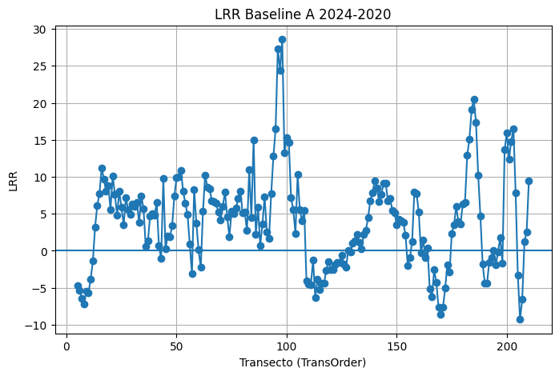
ObjectID | BaselineID | TransOrder | TransEdit | TransectId | ShrCount | LRR | LR2 | LCI | LSE | EPR | EPRunc | NSM | SCE | WLR | WR2 | WCI | WSE | TCD
5 |  | 5 | 0 | 5 | 4 | -4.71 | 0.85 | 4.13 | 4.47 | -4.51 | 714.89 | -18.06 | 20.74 | -4.71 | 0.85 | 4.13 | 0 | 600
6 |  | 6 | 0 | 6 | 4 | -5.36 | 0.68 | 7.65 | 8.29 | -5.51 | 714.89 | -22.05 | 27.48 | -5.36 | 0.68 | 7.65 | 0 | 750
7 |  | 7 | 0 | 7 | 4 | -6.42 | 0.86 | 5.45 | 5.9 | -7.02 | 714.89 | -28.06 | 28.06 | -6.42 | 0.86 | 5.45 | 0 | 900
8 |  | 8 | 0 | 8 | 4 | -7.15 | 0.97 | 2.39 | 2.59 | -7.38 | 714.89 | -29.54 | 29.54 | -7.15 | 0.97 | 2.39 | 0 | 1050
9 |  | 9 | 0 | 9 | 4 | -5.49 | 0.98 | 1.59 | 1.73 | -5.13 | 714.89 | -20.52 | 20.52 | -5.49 | 0.98 | 1.59 | 0 | 1200
10 |  | 10 | 0 | 10 | 4 | -5.7 | 0.88 | 4.43 | 4.8 | -4.96 | 714.89 | -19.84 | 23.49 | -5.7 | 0.88 | 4.43 | 0 | 1350
11 |  | 11 | 0 | 11 | 4 | -3.84 | 0.53 | 7.4 | 8.02 | -2.38 | 714.89 | -9.51 | 21.01 | -3.84 | 0.53 | 7.41 | 0 | 1500
12 |  | 12 | 0 | 12 | 4 | -1.4 | 0.07 | 10.66 | 11.54 | 0.39 | 714.89 | 1.57 | 21.1 | -1.4 | 0.07 | 10.67 | 0.01 | 1650
13 |  | 13 | 0 | 13 | 4 | 3.19 | 0.61 | 5.22 | 5.65 | 3.8 | 714.89 | 15.2 | 15.32 | 3.19 | 0.61 | 5.22 | 0 | 1800
14 |  | 14 | 0 | 14 | 4 | 6.11 | 0.86 | 5.05 | 5.47 | 5.55 | 714.89 | 22.19 | 26.32 | 6.11 | 0.86 | 5.05 | 0 | 1950
15 |  | 15 | 0 | 15 | 4 | 7.71 | 0.97 | 2.96 | 3.21 | 7.18 | 714.89 | 28.73 | 28.73 | 7.71 | 0.97 | 2.96 | 0 | 2100
16 |  | 16 | 0 | 16 | 4 | 11.2 | 0.96 | 5 | 5.41 | 12.07 | 714.89 | 48.27 | 48.27 | 11.2 | 0.96 | 5 | 0 | 2250
17 |  | 17 | 0 | 17 | 4 | 9.7 | 0.95 | 4.52 | 4.9 | 10.76 | 714.89 | 43.05 | 43.05 | 9.7 | 0.95 | 4.52 | 0 | 2400
18 |  | 18 | 0 | 18 | 4 | 8.03 | 0.87 | 6.47 | 7.01 | 9.42 | 714.89 | 37.69 | 37.69 | 8.03 | 0.87 | 6.48 | 0 | 2550
19 |  | 19 | 0 | 19 | 4 | 8.85 | 0.88 | 6.69 | 7.24 | 10.24 | 714.89 | 40.96 | 40.96 | 8.85 | 0.88 | 6.69 | 0 | 2700
20 |  | 20 | 0 | 20 | 4 | 5.57 | 0.77 | 6.34 | 6.87 | 6.89 | 714.89 | 27.57 | 27.57 | 5.57 | 0.77 | 6.34 | 0 | 2850
21 |  | 21 | 0 | 21 | 4 | 10.15 | 0.97 | 3.56 | 3.85 | 10.93 | 714.89 | 43.72 | 43.72 | 10.15 | 0.97 | 3.56 | 0 | 3000
22 |  | 22 | 0 | 22 | 4 | 7.66 | 0.9 | 5.24 | 5.68 | 7.93 | 714.89 | 31.71 | 31.71 | 7.66 | 0.9 | 5.24 | 0 | 3150
23 |  | 23 | 0 | 23 | 4 | 4.79 | 0.51 | 9.72 | 10.52 | 7.15 | 714.89 | 28.59 | 28.59 | 4.79 | 0.51 | 9.72 | 0.01 | 3300
24 |  | 24 | 0 | 24 | 4 | 8.04 | 0.78 | 8.84 | 9.57 | 10.16 | 714.89 | 40.64 | 40.64 | 8.04 | 0.78 | 8.84 | 0 | 3450
25 |  | 25 | 0 | 25 | 4 | 5.84 | 0.95 | 2.65 | 2.87 | 6.47 | 714.89 | 25.86 | 25.86 | 5.84 | 0.95 | 2.65 | 0 | 3600
26 |  | 26 | 0 | 26 | 4 | 3.56 | 0.43 | 8.43 | 9.12 | 4.59 | 714.89 | 18.35 | 20.88 | 3.56 | 0.43 | 8.43 | 0 | 3750
27 |  | 27 | 0 | 27 | 4 | 7.14 | 0.43 | 17.08 | 18.5 | 11.28 | 714.89 | 45.1 | 45.1 | 7.14 | 0.43 | 17.08 | 0.01 | 3900
28 |  | 28 | 0 | 28 | 4 | 5.61 | 0.53 | 10.83 | 11.73 | 7.68 | 714.89 | 30.72 | 30.72 | 5.61 | 0.53 | 10.84 | 0.01 | 4050
29 |  | 29 | 0 | 29 | 4 | 4.93 | 0.77 | 5.58 | 6.05 | 5.87 | 714.89 | 23.49 | 23.49 | 4.93 | 0.77 | 5.59 | 0 | 4200
30 |  | 30 | 0 | 30 | 4 | 6.31 | 0.71 | 8.34 | 9.03 | 6.74 | 714.89 | 26.97 | 30.51 | 6.31 | 0.71 | 8.34 | 0 | 4350
31 |  | 31 | 0 | 31 | 4 | 6.01 | 0.92 | 3.73 | 4.04 | 6.37 | 714.89 | 25.47 | 25.47 | 6.01 | 0.92 | 3.73 | 0 | 4500
32 |  | 32 | 0 | 32 | 4 | 6.56 | 0.78 | 7.18 | 7.77 | 5.16 | 714.89 | 20.65 | 29 | 6.57 | 0.78 | 7.17 | 0 | 4650
33 |  | 33 | 0 | 33 | 4 | 3.79 | 0.44 | 8.74 | 9.46 | 5.72 | 714.89 | 22.88 | 22.88 | 3.79 | 0.44 | 8.74 | 0 | 4800
34 |  | 34 | 0 | 34 | 4 | 7.4 | 0.83 | 6.9 | 7.47 | 8.93 | 714.89 | 35.7 | 35.7 | 7.4 | 0.83 | 6.9 | 0 | 4950
35 |  | 35 | 0 | 35 | 4 | 5.71 | 0.73 | 7.17 | 7.76 | 6.69 | 714.89 | 26.77 | 26.77 | 5.72 | 0.73 | 7.17 | 0 | 5100
36 |  | 36 | 0 | 36 | 4 | 0.62 | 0.01 | 12.9 | 13.97 | 2.83 | 714.89 | 11.31 | 27.84 | 0.62 | 0.01 | 12.91 | 0.01 | 5250
37 |  | 37 | 0 | 37 | 4 | 1.31 | 0.06 | 10.5 | 11.37 | 2.65 | 714.89 | 10.61 | 23.02 | 1.32 | 0.06 | 10.51 | 0.01 | 5400
38 |  | 38 | 0 | 38 | 4 | 4.75 | 0.8 | 4.89 | 5.3 | 4.22 | 714.89 | 16.89 | 22.01 | 4.75 | 0.8 | 4.89 | 0 | 5550
39 |  | 39 | 0 | 39 | 4 | 4.99 | 0.32 | 14.85 | 16.08 | 6.63 | 714.89 | 26.52 | 35.08 | 4.99 | 0.32 | 14.86 | 0.01 | 5700
40 |  | 40 | 0 | 40 | 4 | 4.8 | 0.59 | 8.22 | 8.9 | 4.09 | 714.89 | 16.38 | 27.58 | 4.8 | 0.59 | 8.21 | 0 | 5850
41 |  | 41 | 0 | 41 | 4 | 6.5 | 0.82 | 6.22 | 6.74 | 5.42 | 714.89 | 21.68 | 28.3 | 6.5 | 0.82 | 6.22 | 0 | 6000
42 |  | 42 | 0 | 42 | 4 | 0.68 | 0.01 | 13.85 | 15 | 3.43 | 714.89 | 13.72 | 29.33 | 0.69 | 0.01 | 13.86 | 0.01 | 6150
43 |  | 43 | 0 | 43 | 4 | -1.05 | 0.13 | 5.62 | 6.08 | -0.84 | 714.89 | -3.38 | 12.05 | -1.04 | 0.13 | 5.62 | 0 | 6300
44 |  | 44 | 0 | 44 | 4 | 9.76 | 0.69 | 13.48 | 14.6 | 12.46 | 714.89 | 49.84 | 49.84 | 9.76 | 0.69 | 13.49 | 0.01 | 6450
45 |  | 45 | 0 | 45 | 4 | 0.27 | 0.01 | 6.08 | 6.59 | 1.63 | 714.89 | 6.5 | 12.06 | 0.27 | 0.01 | 6.08 | 0 | 6600
46 |  | 46 | 0 | 46 | 4 | 2.03 | 0.71 | 2.65 | 2.87 | 2.67 | 714.89 | 10.67 | 10.67 | 2.03 | 0.71 | 2.65 | 0 | 6750
47 |  | 47 | 0 | 47 | 4 | 1.87 | 0.77 | 2.11 | 2.29 | 2.02 | 714.89 | 8.07 | 8.44 | 1.87 | 0.77 | 2.11 | 0 | 6900
48 |  | 48 | 0 | 48 | 4 | 3.37 | 0.51 | 6.83 | 7.4 | 2.96 | 714.89 | 11.83 | 21.06 | 3.37 | 0.51 | 6.83 | 0 | 7050
49 |  | 49 | 0 | 49 | 4 | 7.36 | 0.66 | 10.93 | 11.84 | 6.97 | 714.89 | 27.88 | 39.41 | 7.36 | 0.66 | 10.93 | 0.01 | 7200
50 |  | 50 | 0 | 50 | 4 | 9.85 | 0.81 | 9.83 | 10.65 | 9.61 | 714.89 | 38.44 | 45 | 9.85 | 0.81 | 9.83 | 0.01 | 7350
51 |  | 51 | 0 | 51 | 4 | 10.03 | 0.94 | 5.14 | 5.56 | 9.09 | 714.89 | 36.34 | 37.11 | 10.03 | 0.94 | 5.13 | 0 | 7500
52 |  | 52 | 0 | 52 | 4 | 10.9 | 0.91 | 6.88 | 7.46 | 10.2 | 714.89 | 40.8 | 43.68 | 10.91 | 0.91 | 6.88 | 0 | 7650
53 |  | 53 | 0 | 53 | 4 | 8.02 | 0.98 | 2.51 | 2.71 | 7.8 | 714.89 | 31.21 | 31.21 | 8.02 | 0.98 | 2.51 | 0 | 7800
54 |  | 54 | 0 | 54 | 4 | 6.4 | 0.91 | 4.04 | 4.38 | 6.25 | 714.89 | 25.01 | 25.62 | 6.4 | 0.91 | 4.04 | 0 | 7950
55 |  | 55 | 0 | 55 | 4 | 4.9 | 0.58 | 8.56 | 9.28 | 6.94 | 714.89 | 27.74 | 27.74 | 4.9 | 0.58 | 8.56 | 0 | 8100
56 |  | 56 | 0 | 56 | 4 | 0.87 | 0.04 | 9.29 | 10.07 | -0.1 | 714.89 | -0.4 | 17.8 | 0.88 | 0.04 | 9.29 | 0 | 8250
57 |  | 57 | 0 | 57 | 4 | -3.06 | 0.75 | 3.67 | 3.97 | -3.53 | 714.89 | -14.12 | 14.12 | -3.06 | 0.75 | 3.66 | 0 | 8400
58 |  | 58 | 0 | 58 | 4 | 8.29 | 0.93 | 4.81 | 5.2 | 8.25 | 714.89 | 33.02 | 33.02 | 8.29 | 0.93 | 4.81 | 0 | 8550
59 |  | 59 | 0 | 59 | 4 | 3.75 | 0.54 | 7.08 | 7.67 | 2.22 | 714.89 | 8.88 | 19.7 | 3.75 | 0.54 | 7.08 | 0 | 8700
60 |  | 60 | 0 | 60 | 4 | 0.13 | 0 | 4.26 | 4.61 | 0.06 | 714.89 | 0.25 | 7.04 | 0.13 | 0 | 4.26 | 0 | 8850
61 |  | 61 | 0 | 61 | 4 | -2.27 | 0.26 | 7.99 | 8.66 | -0.46 | 714.89 | -1.85 | 18.96 | -2.27 | 0.26 | 7.99 | 0 | 9000
62 |  | 62 | 0 | 62 | 4 | 5.3 | 0.86 | 4.45 | 4.82 | 6.14 | 714.89 | 24.56 | 24.56 | 5.3 | 0.86 | 4.45 | 0 | 9150
63 |  | 63 | 0 | 63 | 4 | 10.25 | 0.97 | 3.88 | 4.2 | 9.43 | 714.89 | 37.7 | 37.7 | 10.25 | 0.97 | 3.88 | 0 | 9300
64 |  | 64 | 0 | 64 | 4 | 8.59 | 0.79 | 9.02 | 9.77 | 9.7 | 714.89 | 38.79 | 38.79 | 8.59 | 0.79 | 9.03 | 0 | 9450
65 |  | 65 | 0 | 65 | 4 | 8.35 | 0.98 | 2.48 | 2.69 | 8.94 | 714.89 | 35.77 | 35.77 | 8.35 | 0.98 | 2.48 | 0 | 9600
66 |  | 66 | 0 | 66 | 4 | 6.79 | 0.92 | 4.09 | 4.43 | 7.76 | 714.89 | 31.04 | 31.04 | 6.79 | 0.92 | 4.09 | 0 | 9750
67 |  | 67 | 0 | 67 | 4 | 6.66 | 1 | 0.9 | 0.97 | 6.65 | 714.89 | 26.61 | 26.61 | 6.66 | 1 | 0.9 | 0 | 9900
68 |  | 68 | 0 | 68 | 4 | 6.39 | 0.74 | 7.84 | 8.49 | 8.09 | 714.89 | 32.38 | 32.38 | 6.39 | 0.74 | 7.84 | 0 | 10050
69 |  | 69 | 0 | 69 | 4 | 5.22 | 0.57 | 9.35 | 10.13 | 6.56 | 714.89 | 26.25 | 26.25 | 5.22 | 0.57 | 9.36 | 0.01 | 10200
70 |  | 70 | 0 | 70 | 4 | 4.19 | 0.58 | 7.35 | 7.96 | 4.35 | 714.89 | 17.4 | 23.47 | 4.19 | 0.58 | 7.35 | 0 | 10350
71 |  | 71 | 0 | 71 | 4 | 5.98 | 0.92 | 3.55 | 3.84 | 6.81 | 714.89 | 27.23 | 27.23 | 5.98 | 0.92 | 3.55 | 0 | 10500
72 |  | 72 | 0 | 72 | 4 | 7.96 | 0.68 | 11.38 | 12.32 | 10.07 | 714.89 | 40.27 | 40.27 | 7.96 | 0.68 | 11.39 | 0.01 | 10650
73 |  | 73 | 0 | 73 | 4 | 4.62 | 0.51 | 9.33 | 10.1 | 5.29 | 714.89 | 21.16 | 26.16 | 4.62 | 0.51 | 9.33 | 0 | 10800
74 |  | 74 | 0 | 74 | 4 | 1.92 | 0.74 | 2.32 | 2.51 | 1.39 | 714.89 | 5.57 | 8.07 | 1.92 | 0.74 | 2.32 | 0 | 10950
75 |  | 75 | 0 | 75 | 4 | 5.3 | 0.75 | 6.28 | 6.8 | 6.69 | 714.89 | 26.75 | 26.75 | 5.3 | 0.75 | 6.28 | 0 | 11100
76 |  | 76 | 0 | 76 | 4 | 5.01 | 0.39 | 12.96 | 14.04 | 7.53 | 714.89 | 30.12 | 31.97 | 5.01 | 0.39 | 12.97 | 0.01 | 11250
77 |  | 77 | 0 | 77 | 4 | 5.75 | 0.58 | 10.12 | 10.95 | 7.81 | 714.89 | 31.26 | 31.26 | 5.75 | 0.58 | 10.12 | 0.01 | 11400
78 |  | 78 | 0 | 78 | 4 | 7.13 | 0.91 | 4.68 | 5.07 | 7.42 | 714.89 | 29.68 | 29.68 | 7.13 | 0.91 | 4.69 | 0 | 11550
79 |  | 79 | 0 | 79 | 4 | 8.1 | 0.89 | 5.8 | 6.28 | 7.93 | 714.89 | 31.71 | 33.47 | 8.11 | 0.89 | 5.8 | 0 | 11700
80 |  | 80 | 0 | 80 | 4 | 5.09 | 0.68 | 7.13 | 7.72 | 6.69 | 714.89 | 26.75 | 26.75 | 5.09 | 0.68 | 7.13 | 0 | 11850
81 |  | 81 | 0 | 81 | 4 | 5.19 | 0.96 | 2.19 | 2.37 | 5.56 | 714.89 | 22.23 | 22.23 | 5.19 | 0.96 | 2.19 | 0 | 12000
82 |  | 82 | 0 | 82 | 4 | 2.7 | 0.88 | 2.05 | 2.22 | 2.31 | 714.89 | 9.23 | 10.81 | 2.7 | 0.88 | 2.05 | 0 | 12150
83 |  | 83 | 0 | 83 | 4 | 10.95 | 0.74 | 13.56 | 14.69 | 13.64 | 714.89 | 54.54 | 54.54 | 10.96 | 0.74 | 13.57 | 0.01 | 12300
84 |  | 84 | 0 | 84 | 4 | 4.5 | 0.77 | 5.09 | 5.51 | 5.6 | 714.89 | 22.42 | 22.42 | 4.5 | 0.77 | 5.09 | 0 | 12450
85 |  | 85 | 0 | 85 | 4 | 14.94 | 0.7 | 20.15 | 21.82 | 15.42 | 714.89 | 61.67 | 74.57 | 14.95 | 0.7 | 20.15 | 0.01 | 12600
86 |  | 86 | 0 | 86 | 4 | 2.26 | 0.93 | 1.3 | 1.41 | 2.19 | 714.89 | 8.77 | 8.86 | 2.26 | 0.93 | 1.3 | 0 | 12750
87 |  | 87 | 0 | 87 | 4 | 5.93 | 0.96 | 2.64 | 2.86 | 5.75 | 714.89 | 23.02 | 23.02 | 5.93 | 0.96 | 2.64 | 0 | 12900
88 |  | 88 | 0 | 88 | 4 | 0.67 | 0.03 | 8.12 | 8.8 | -0.56 | 714.89 | -2.24 | 16.42 | 0.66 | 0.03 | 8.13 | 0 | 13050
89 |  | 89 | 0 | 89 | 4 | 3.58 | 0.54 | 6.82 | 7.38 | 2.24 | 714.89 | 8.97 | 19.53 | 3.58 | 0.54 | 6.82 | 0 | 13200
90 |  | 90 | 0 | 90 | 4 | 7.33 | 0.68 | 10.36 | 11.22 | 9.01 | 714.89 | 36.06 | 36.06 | 7.34 | 0.68 | 10.37 | 0.01 | 13350
91 |  | 91 | 0 | 91 | 4 | 2.56 | 0.15 | 12.37 | 13.4 | 0.62 | 714.89 | 2.49 | 26.01 | 2.56 | 0.15 | 12.38 | 0.01 | 13500
92 |  | 92 | 0 | 92 | 4 | 1.68 | 0.06 | 13.8 | 14.95 | -0.65 | 714.89 | -2.61 | 27.45 | 1.68 | 0.06 | 13.81 | 0.01 | 13650
93 |  | 93 | 0 | 93 | 4 | 7.78 | 0.81 | 7.76 | 8.41 | 6.5 | 714.89 | 26.01 | 34.61 | 7.78 | 0.81 | 7.77 | 0 | 13800
94 |  | 94 | 0 | 94 | 4 | 12.78 | 0.91 | 8.25 | 8.93 | 10.92 | 714.89 | 43.67 | 46.63 | 12.78 | 0.91 | 8.24 | 0 | 13950
95 |  | 95 | 0 | 95 | 4 | 16.48 | 0.8 | 16.79 | 18.18 | 17.59 | 714.89 | 70.37 | 71.93 | 16.48 | 0.8 | 16.79 | 0.01 | 14100
96 |  | 96 | 0 | 96 | 4 | 27.36 | 0.91 | 18.2 | 19.72 | 27.92 | 714.89 | 111.67 | 111.67 | 27.36 | 0.91 | 18.21 | 0.01 | 14250
97 |  | 97 | 0 | 97 | 4 | 24.41 | 0.94 | 13.27 | 14.37 | 23.55 | 714.89 | 94.19 | 94.53 | 24.41 | 0.94 | 13.27 | 0.01 | 14400
98 |  | 98 | 0 | 98 | 4 | 28.58 | 0.92 | 17.1 | 18.51 | 30.48 | 714.89 | 121.93 | 121.93 | 28.59 | 0.92 | 17.1 | 0.01 | 14550
99 |  | 99 | 0 | 99 | 4 | 13.27 | 0.7 | 17.98 | 19.47 | 9.67 | 714.89 | 38.66 | 62.48 | 13.26 | 0.7 | 17.99 | 0.01 | 14700
100 |  | 100 | 0 | 100 | 4 | 15.35 | 0.81 | 15.19 | 16.45 | 12.81 | 714.89 | 51.25 | 67.97 | 15.34 | 0.81 | 15.2 | 0.01 | 14850
101 |  | 101 | 0 | 101 | 4 | 14.65 | 0.78 | 15.92 | 17.24 | 12.32 | 714.89 | 49.27 | 68.02 | 14.64 | 0.78 | 15.93 | 0.01 | 15000
102 |  | 102 | 0 | 102 | 4 | 7.16 | 0.45 | 16.38 | 17.74 | 4.7 | 714.89 | 18.79 | 46.07 | 7.16 | 0.45 | 16.39 | 0.01 | 15150
103 |  | 103 | 0 | 103 | 4 | 5.59 | 0.47 | 12.33 | 13.35 | 3.77 | 714.89 | 15.08 | 35.38 | 5.58 | 0.47 | 12.34 | 0.01 | 15300
104 |  | 104 | 0 | 104 | 4 | 2.36 | 0.09 | 15.2 | 16.46 | 0.38 | 714.89 | 1.52 | 30.67 | 2.36 | 0.09 | 15.21 | 0.01 | 15450
105 |  | 105 | 0 | 105 | 4 | 10.28 | 0.87 | 8.07 | 8.74 | 11.98 | 714.89 | 47.93 | 47.93 | 10.28 | 0.87 | 8.08 | 0 | 15600
106 |  | 106 | 0 | 106 | 4 | 5.51 | 0.61 | 9.09 | 9.85 | 5.87 | 714.89 | 23.48 | 29.57 | 5.52 | 0.61 | 9.1 | 0 | 15750
107 |  | 107 | 0 | 107 | 4 | 4.04 | 0.7 | 5.39 | 5.84 | 4.02 | 714.89 | 16.09 | 20.4 | 4.04 | 0.71 | 5.39 | 0 | 15900
108 |  | 108 | 0 | 108 | 4 | 5.48 | 0.5 | 11.23 | 12.16 | 6.07 | 714.89 | 24.27 | 32.06 | 5.49 | 0.5 | 11.23 | 0.01 | 16050
109 |  | 109 | 0 | 109 | 4 | -4.05 | 0.73 | 5.08 | 5.5 | -4.57 | 714.89 | -18.28 | 18.28 | -4.05 | 0.73 | 5.08 | 0 | 16200
110 |  | 110 | 0 | 110 | 4 | -4.47 | 0.52 | 8.87 | 9.61 | -5.22 | 714.89 | -20.86 | 24.7 | -4.48 | 0.52 | 8.88 | 0 | 16350
111 |  | 111 | 0 | 111 | 4 | -4.63 | 0.97 | 1.73 | 1.87 | -4.76 | 714.89 | -19.03 | 19.03 | -4.63 | 0.97 | 1.73 | 0 | 16500
112 |  | 112 | 0 | 112 | 4 | -1.23 | 0.08 | 8.77 | 9.5 | 0.56 | 714.89 | 2.26 | 16.81 | -1.23 | 0.08 | 8.76 | 0 | 16650
113 |  | 113 | 0 | 113 | 4 | -6.3 | 0.98 | 1.96 | 2.12 | -5.98 | 714.89 | -23.93 | 23.93 | -6.3 | 0.98 | 1.96 | 0 | 16800
114 |  | 114 | 0 | 114 | 4 | -3.85 | 0.89 | 2.76 | 2.99 | -3.56 | 714.89 | -14.22 | 15.92 | -3.84 | 0.89 | 2.76 | 0 | 16950
115 |  | 115 | 0 | 115 | 4 | -5.2 | 0.74 | 6.4 | 6.94 | -4.31 | 714.89 | -17.25 | 25.42 | -5.2 | 0.74 | 6.41 | 0 | 17100
116 |  | 116 | 0 | 116 | 4 | -4.39 | 1 | 0.61 | 0.66 | -4.4 | 714.89 | -17.61 | 17.61 | -4.39 | 1 | 0.61 | 0 | 17250
117 |  | 117 | 0 | 117 | 4 | -4.42 | 0.8 | 4.62 | 5 | -3.9 | 714.89 | -15.59 | 20.55 | -4.42 | 0.8 | 4.62 | 0 | 17400
118 |  | 118 | 0 | 118 | 4 | -2.62 | 0.37 | 7.05 | 7.63 | -2.36 | 714.89 | -9.42 | 19.04 | -2.61 | 0.37 | 7.05 | 0 | 17550
119 |  | 119 | 0 | 119 | 4 | -1.44 | 0.18 | 6.33 | 6.86 | -1.99 | 714.89 | -7.98 | 13.81 | -1.44 | 0.18 | 6.33 | 0 | 17700
120 |  | 120 | 0 | 120 | 4 | -2.58 | 0.29 | 8.34 | 9.03 | -1.88 | 714.89 | -7.51 | 21.13 | -2.58 | 0.29 | 8.34 | 0 | 17850
121 |  | 121 | 0 | 121 | 4 | -2.6 | 0.34 | 7.42 | 8.04 | -2.57 | 714.89 | -10.27 | 19.23 | -2.6 | 0.34 | 7.42 | 0 | 18000
122 |  | 122 | 0 | 122 | 4 | -1.93 | 0.11 | 11.63 | 12.59 | -2.76 | 714.89 | -11.05 | 23.94 | -1.92 | 0.1 | 11.63 | 0.01 | 18150
123 |  | 123 | 0 | 123 | 4 | -1.54 | 0.28 | 5.14 | 5.57 | -1.75 | 714.89 | -6.98 | 12.01 | -1.54 | 0.28 | 5.14 | 0 | 18300
124 |  | 124 | 0 | 124 | 4 | -1.59 | 0.43 | 3.76 | 4.08 | -1.78 | 714.89 | -7.14 | 9.99 | -1.59 | 0.43 | 3.76 | 0 | 18450
125 |  | 125 | 0 | 125 | 4 | -0.56 | 0.04 | 6.02 | 6.51 | -1.14 | 714.89 | -4.55 | 12.49 | -0.55 | 0.03 | 6.01 | 0 | 18600
126 |  | 126 | 0 | 126 | 4 | -1.74 | 0.31 | 5.39 | 5.83 | -1.29 | 714.89 | -5.15 | 13.87 | -1.74 | 0.31 | 5.39 | 0 | 18750
127 |  | 127 | 0 | 127 | 4 | -2.2 | 0.7 | 2.98 | 3.23 | -2.79 | 714.89 | -11.15 | 11.15 | -2.2 | 0.7 | 2.98 | 0 | 18900
128 |  | 128 | 0 | 128 | 4 | 0.06 | 0 | 3.93 | 4.26 | -0.52 | 714.89 | -2.08 | 8.2 | 0.06 | 0 | 3.93 | 0 | 19050
129 |  | 129 | 0 | 129 | 4 | -0.14 | 0 | 5.06 | 5.48 | -0.02 | 714.89 | -0.08 | 8.38 | -0.14 | 0 | 5.06 | 0 | 19200
130 |  | 130 | 0 | 130 | 4 | 0.97 | 0.35 | 2.7 | 2.93 | 1.29 | 714.89 | 5.16 | 6.51 | 0.97 | 0.35 | 2.71 | 0 | 19350
131 |  | 131 | 0 | 131 | 4 | 1.31 | 0.41 | 3.25 | 3.52 | 0.94 | 714.89 | 3.76 | 9.07 | 1.31 | 0.41 | 3.25 | 0 | 19500
132 |  | 132 | 0 | 132 | 4 | 2.25 | 0.81 | 2.25 | 2.44 | 2 | 714.89 | 7.98 | 10.3 | 2.25 | 0.81 | 2.25 | 0 | 19650
133 |  | 133 | 0 | 133 | 4 | 1.13 | 0.31 | 3.49 | 3.78 | 1.59 | 714.89 | 6.37 | 8.37 | 1.13 | 0.31 | 3.49 | 0 | 19800
134 |  | 134 | 0 | 134 | 4 | 0.31 | 0.01 | 7.39 | 8.01 | 1.09 | 714.89 | 4.38 | 15.19 | 0.32 | 0.01 | 7.4 | 0 | 19950
135 |  | 135 | 0 | 135 | 4 | 2.16 | 0.42 | 5.25 | 5.69 | 1.28 | 714.89 | 5.12 | 14.04 | 2.16 | 0.42 | 5.25 | 0 | 20100
136 |  | 136 | 0 | 136 | 4 | 2.79 | 0.36 | 7.7 | 8.34 | 3.73 | 714.89 | 14.91 | 18.61 | 2.79 | 0.36 | 7.7 | 0 | 20250
137 |  | 137 | 0 | 137 | 4 | 4.51 | 0.48 | 9.77 | 10.58 | 5.72 | 714.89 | 22.86 | 24.62 | 4.52 | 0.48 | 9.78 | 0.01 | 20400
138 |  | 138 | 0 | 138 | 4 | 6.76 | 0.71 | 8.86 | 9.59 | 7.23 | 714.89 | 28.9 | 32.6 | 6.77 | 0.71 | 8.86 | 0 | 20550
139 |  | 139 | 0 | 139 | 4 | 7.85 | 0.78 | 8.73 | 9.46 | 8.41 | 714.89 | 33.65 | 35.32 | 7.85 | 0.78 | 8.74 | 0 | 20700
140 |  | 140 | 0 | 140 | 4 | 9.51 | 0.84 | 8.45 | 9.15 | 9.95 | 714.89 | 39.79 | 40.32 | 9.52 | 0.84 | 8.45 | 0 | 20850
141 |  | 141 | 0 | 141 | 4 | 8.48 | 0.74 | 10.3 | 11.15 | 8.81 | 714.89 | 35.23 | 40.44 | 8.49 | 0.74 | 10.3 | 0.01 | 21000
142 |  | 142 | 0 | 142 | 4 | 6.61 | 0.6 | 11.21 | 12.14 | 6.5 | 714.89 | 26 | 37.2 | 6.61 | 0.6 | 11.21 | 0.01 | 21150
143 |  | 143 | 0 | 143 | 4 | 7.6 | 0.66 | 11.15 | 12.07 | 6.07 | 714.89 | 24.28 | 39.93 | 7.6 | 0.67 | 11.14 | 0.01 | 21300
144 |  | 144 | 0 | 144 | 4 | 9.12 | 0.83 | 8.44 | 9.14 | 7.95 | 714.89 | 31.8 | 40.3 | 9.12 | 0.83 | 8.44 | 0 | 21450
145 |  | 145 | 0 | 145 | 4 | 9.09 | 0.97 | 3.27 | 3.55 | 8.75 | 714.89 | 35 | 35 | 9.09 | 0.97 | 3.27 | 0 | 21600
146 |  | 146 | 0 | 146 | 4 | 6.72 | 0.93 | 3.79 | 4.1 | 6.21 | 714.89 | 24.85 | 26.01 | 6.72 | 0.93 | 3.79 | 0 | 21750
147 |  | 147 | 0 | 147 | 4 | 7.08 | 0.98 | 2.15 | 2.33 | 6.61 | 714.89 | 26.43 | 26.43 | 7.08 | 0.98 | 2.15 | 0 | 21900
148 |  | 148 | 0 | 148 | 4 | 5.47 | 0.98 | 1.74 | 1.88 | 5.06 | 714.89 | 20.24 | 20.24 | 5.47 | 0.98 | 1.74 | 0 | 22050
149 |  | 149 | 0 | 149 | 4 | 5.11 | 0.97 | 1.91 | 2.07 | 5 | 714.89 | 19.98 | 19.98 | 5.11 | 0.97 | 1.91 | 0 | 22200
150 |  | 150 | 0 | 150 | 4 | 3.54 | 0.57 | 6.3 | 6.83 | 3.21 | 714.89 | 12.82 | 20.69 | 3.54 | 0.57 | 6.3 | 0 | 22350
151 |  | 151 | 0 | 151 | 4 | 4.29 | 0.67 | 6.23 | 6.75 | 4.21 | 714.89 | 16.84 | 22.58 | 4.3 | 0.67 | 6.23 | 0 | 22500
152 |  | 152 | 0 | 152 | 4 | 4.08 | 0.49 | 8.56 | 9.27 | 4.15 | 714.89 | 16.61 | 25.21 | 4.09 | 0.49 | 8.56 | 0 | 22650
153 |  | 153 | 0 | 153 | 4 | 3.79 | 0.49 | 7.93 | 8.58 | 4.09 | 714.89 | 16.36 | 22.76 | 3.79 | 0.49 | 7.93 | 0 | 22800
154 |  | 154 | 0 | 154 | 4 | 2.1 | 0.21 | 8.4 | 9.1 | 2.05 | 714.89 | 8.21 | 19.24 | 2.1 | 0.21 | 8.4 | 0 | 22950
155 |  | 155 | 0 | 155 | 4 | -1.96 | 0.4 | 4.98 | 5.4 | -2.84 | 714.89 | -11.38 | 12.46 | -1.96 | 0.4 | 4.98 | 0 | 23100
156 |  | 156 | 0 | 156 | 4 | -0.9 | 0.05 | 8.45 | 9.15 | -1.36 | 714.89 | -5.44 | 16.28 | -0.89 | 0.05 | 8.44 | 0 | 23250
157 |  | 157 | 0 | 157 | 4 | 1.29 | 0.14 | 6.66 | 7.21 | 0.36 | 714.89 | 1.43 | 14.05 | 1.29 | 0.14 | 6.65 | 0 | 23400
158 |  | 158 | 0 | 158 | 4 | 7.95 | 0.69 | 11.02 | 11.93 | 7.36 | 714.89 | 29.45 | 41.48 | 7.95 | 0.69 | 11.02 | 0.01 | 23550
159 |  | 159 | 0 | 159 | 4 | 7.73 | 0.82 | 7.59 | 8.22 | 8.13 | 714.89 | 32.54 | 33.75 | 7.74 | 0.82 | 7.59 | 0 | 23700
160 |  | 160 | 0 | 160 | 4 | 5.26 | 1 | 0.39 | 0.43 | 5.36 | 714.89 | 21.43 | 21.43 | 5.26 | 1 | 0.39 | 0 | 23850
161 |  | 161 | 0 | 161 | 4 | -0.28 | 0.02 | 4.36 | 4.72 | 0.77 | 714.89 | 3.07 | 8.89 | -0.28 | 0.02 | 4.36 | 0 | 24000
162 |  | 162 | 0 | 162 | 4 | 1.45 | 0.26 | 4.98 | 5.39 | 1.35 | 714.89 | 5.41 | 12.13 | 1.44 | 0.26 | 4.98 | 0 | 24150
163 |  | 163 | 0 | 163 | 4 | -0.91 | 0.02 | 12.2 | 13.21 | -3.26 | 714.89 | -13.03 | 26.32 | -0.91 | 0.02 | 12.21 | 0.01 | 24300
164 |  | 164 | 0 | 164 | 4 | 0.32 | 0.03 | 3.9 | 4.22 | 0.05 | 714.89 | 0.19 | 7.22 | 0.32 | 0.03 | 3.9 | 0 | 24450
165 |  | 165 | 0 | 165 | 4 | -5.16 | 0.97 | 1.84 | 1.99 | -5.1 | 714.89 | -20.4 | 20.4 | -5.16 | 0.97 | 1.84 | 0 | 24600
166 |  | 166 | 0 | 166 | 4 | -6.22 | 0.92 | 3.88 | 4.2 | -5.28 | 714.89 | -21.12 | 21.12 | -6.22 | 0.92 | 3.88 | 0 | 24750
167 |  | 167 | 0 | 167 | 4 | -2.59 | 0.24 | 9.47 | 10.26 | -0.95 | 714.89 | -3.8 | 21.19 | -2.59 | 0.24 | 9.48 | 0.01 | 24900
168 |  | 168 | 0 | 168 | 4 | -4.33 | 0.61 | 7.2 | 7.8 | -2.75 | 714.89 | -11.02 | 21.22 | -4.32 | 0.61 | 7.21 | 0 | 25050
169 |  | 169 | 0 | 169 | 4 | -7.68 | 0.94 | 4.16 | 4.51 | -6.72 | 714.89 | -26.86 | 26.86 | -7.68 | 0.94 | 4.16 | 0 | 25200
170 |  | 170 | 0 | 170 | 4 | -8.64 | 0.62 | 13.88 | 15.04 | -5.34 | 714.89 | -21.35 | 43.72 | -8.64 | 0.62 | 13.88 | 0.01 | 25350
171 |  | 171 | 0 | 171 | 4 | -7.68 | 0.54 | 14.74 | 15.96 | -5.09 | 714.89 | -20.35 | 43.74 | -7.68 | 0.54 | 14.75 | 0.01 | 25500
172 |  | 172 | 0 | 172 | 4 | -5.05 | 0.21 | 20.14 | 21.81 | -1.47 | 714.89 | -5.86 | 43.23 | -5.04 | 0.21 | 20.15 | 0.01 | 25650
173 |  | 173 | 0 | 173 | 4 | -1.88 | 0.05 | 17.67 | 19.14 | -1.07 | 714.89 | -4.28 | 33.84 | -1.87 | 0.05 | 17.68 | 0.01 | 25800
174 |  | 174 | 0 | 174 | 4 | -2.89 | 0.2 | 12.03 | 13.03 | -2 | 714.89 | -8.01 | 28 | -2.89 | 0.2 | 12.04 | 0.01 | 25950
175 |  | 175 | 0 | 175 | 4 | 2.34 | 0.29 | 7.58 | 8.21 | 2.63 | 714.89 | 10.53 | 17.88 | 2.34 | 0.29 | 7.58 | 0 | 26100
176 |  | 176 | 0 | 176 | 4 | 3.52 | 0.28 | 11.77 | 12.75 | 3.31 | 714.89 | 13.25 | 28.94 | 3.52 | 0.28 | 11.77 | 0.01 | 26250
177 |  | 177 | 0 | 177 | 4 | 5.95 | 0.61 | 9.77 | 10.58 | 4.96 | 714.89 | 19.85 | 33.42 | 5.96 | 0.61 | 9.76 | 0.01 | 26400
178 |  | 178 | 0 | 178 | 4 | 3.93 | 0.58 | 6.89 | 7.47 | 3.55 | 714.89 | 14.21 | 22.82 | 3.93 | 0.58 | 6.89 | 0 | 26550
179 |  | 179 | 0 | 179 | 4 | 3.66 | 0.2 | 15.26 | 16.53 | 0.42 | 714.89 | 1.66 | 33.28 | 3.66 | 0.2 | 15.25 | 0.01 | 26700
180 |  | 180 | 0 | 180 | 4 | 6.34 | 0.72 | 8.2 | 8.88 | 6.11 | 714.89 | 24.46 | 31.95 | 6.34 | 0.72 | 8.2 | 0 | 26850
181 |  | 181 | 0 | 181 | 4 | 6.52 | 0.81 | 6.57 | 7.11 | 5.22 | 714.89 | 20.9 | 28 | 6.52 | 0.81 | 6.56 | 0 | 27000
182 |  | 182 | 0 | 182 | 4 | 12.91 | 0.97 | 4.39 | 4.75 | 13.32 | 714.89 | 53.28 | 53.28 | 12.91 | 0.97 | 4.39 | 0 | 27150
183 |  | 183 | 0 | 183 | 4 | 15.04 | 0.93 | 8.67 | 9.39 | 17.09 | 714.89 | 68.37 | 68.37 | 15.04 | 0.93 | 8.67 | 0 | 27300
184 |  | 184 | 0 | 184 | 4 | 19.05 | 1 | 1.14 | 1.23 | 18.88 | 714.89 | 75.53 | 75.53 | 19.05 | 1 | 1.14 | 0 | 27450
185 |  | 185 | 0 | 185 | 4 | 20.49 | 0.97 | 7.37 | 7.98 | 19.25 | 714.89 | 77.01 | 77.01 | 20.49 | 0.97 | 7.37 | 0 | 27600
186 |  | 186 | 0 | 186 | 4 | 17.34 | 0.86 | 14.33 | 15.51 | 15.66 | 714.89 | 62.63 | 74.58 | 17.35 | 0.86 | 14.32 | 0.01 | 27750
187 |  | 187 | 0 | 187 | 4 | 10.23 | 0.52 | 20.45 | 22.15 | 6.17 | 714.89 | 24.7 | 56.78 | 10.24 | 0.52 | 20.44 | 0.01 | 27900
188 |  | 188 | 0 | 188 | 4 | 4.67 | 0.41 | 11.65 | 12.61 | 2.15 | 714.89 | 8.59 | 29.52 | 4.67 | 0.41 | 11.64 | 0.01 | 28050
189 |  | 189 | 0 | 189 | 4 | -1.77 | 0.1 | 10.85 | 11.76 | -4.09 | 714.89 | -16.34 | 23.52 | -1.77 | 0.1 | 10.85 | 0.01 | 28200
190 |  | 190 | 0 | 190 | 4 | -4.41 | 0.53 | 8.61 | 9.33 | -5.34 | 714.89 | -21.37 | 23.19 | -4.41 | 0.53 | 8.61 | 0 | 28350
191 |  | 191 | 0 | 191 | 4 | -4.44 | 0.36 | 12.12 | 13.13 | -4.66 | 714.89 | -18.65 | 31.37 | -4.43 | 0.36 | 12.12 | 0.01 | 28500
192 |  | 192 | 0 | 192 | 4 | -1.53 | 0.03 | 17.32 | 18.75 | -1.91 | 714.89 | -7.66 | 30.26 | -1.52 | 0.03 | 17.31 | 0.01 | 28650
193 |  | 193 | 0 | 193 | 4 | -0.95 | 0 | 28.66 | 31.03 | -3.47 | 714.89 | -13.87 | 56.96 | -0.93 | 0 | 28.64 | 0.02 | 28800
194 |  | 194 | 0 | 194 | 4 | 0.03 | 0 | 26.8 | 29.03 | -3.09 | 714.89 | -12.37 | 54.69 | 0.04 | 0 | 26.79 | 0.01 | 28950
195 |  | 195 | 0 | 195 | 4 | -1.93 | 0.08 | 13.86 | 15.01 | -3.53 | 714.89 | -14.11 | 30.19 | -1.92 | 0.08 | 13.85 | 0.01 | 29100
196 |  | 196 | 0 | 196 | 4 | -0.13 | 0 | 3.85 | 4.17 | -0.41 | 714.89 | -1.65 | 7.46 | -0.13 | 0 | 3.85 | 0 | 29250
197 |  | 197 | 0 | 197 | 4 | 1.75 | 0.12 | 9.9 | 10.72 | 3.16 | 714.89 | 12.63 | 22.47 | 1.75 | 0.12 | 9.9 | 0.01 | 29400
198 |  | 198 | 0 | 198 | 4 | -1.65 | 0.07 | 12.01 | 13 | -0.57 | 714.89 | -2.28 | 24.19 | -1.66 | 0.08 | 12 | 0.01 | 29550
199 |  | 199 | 0 | 199 | 4 | 13.65 | 0.78 | 14.92 | 16.15 | 17.2 | 714.89 | 68.79 | 68.79 | 13.65 | 0.78 | 14.91 | 0.01 | 29700
200 |  | 200 | 0 | 200 | 4 | 15.91 | 0.8 | 16.37 | 17.73 | 19.4 | 714.89 | 77.61 | 77.61 | 15.91 | 0.8 | 16.38 | 0.01 | 29850
201 |  | 201 | 0 | 201 | 4 | 12.41 | 0.58 | 21.9 | 23.72 | 17.48 | 714.89 | 69.91 | 69.91 | 12.41 | 0.58 | 21.91 | 0.01 | 30000
202 |  | 202 | 0 | 202 | 4 | 14.8 | 0.95 | 6.68 | 7.23 | 15.3 | 714.89 | 61.19 | 61.19 | 14.8 | 0.95 | 6.68 | 0 | 30150
203 |  | 203 | 0 | 203 | 4 | 16.54 | 0.86 | 13.85 | 15 | 15.4 | 714.89 | 61.59 | 71.85 | 16.54 | 0.86 | 13.85 | 0.01 | 30300
204 |  | 204 | 0 | 204 | 4 | 7.82 | 0.82 | 7.63 | 8.26 | 9.64 | 714.89 | 38.55 | 38.55 | 7.82 | 0.82 | 7.62 | 0 | 30450
205 |  | 205 | 0 | 205 | 4 | -3.33 | 0.52 | 6.59 | 7.13 | -2.49 | 714.89 | -9.95 | 20.24 | -3.33 | 0.52 | 6.59 | 0 | 30600
206 |  | 206 | 0 | 206 | 4 | -9.28 | 0.92 | 5.62 | 6.09 | -8.93 | 714.89 | -35.71 | 36.86 | -9.28 | 0.92 | 5.62 | 0 | 30750
207 |  | 207 | 0 | 207 | 4 | -6.6 | 0.63 | 10.47 | 11.34 | -4.09 | 714.89 | -16.36 | 33.25 | -6.6 | 0.63 | 10.47 | 0.01 | 30900
208 |  | 208 | 0 | 208 | 4 | 1.22 | 0.78 | 1.35 | 1.46 | 1.48 | 714.89 | 5.91 | 5.91 | 1.22 | 0.78 | 1.35 | 0 | 31050
209 |  | 209 | 0 | 209 | 4 | 2.57 | 0.4 | 6.5 | 7.04 | 1.03 | 714.89 | 4.12 | 17.49 | 2.57 | 0.4 | 6.5 | 0 | 31200
210 |  | 210 | 0 | 210 | 4 | 9.42 | 0.8 | 9.73 | 10.53 | 7.1 | 714.89 | 28.4 | 37.36 | 9.42 | 0.8 | 9.73 | 0.01 | 31350

A2_2019-2015
A2 | 2019-2015 | LRR

ObjectID | BaselineID | TransOrder | TransEdit | TransectId | ShrCount | LRR | LR2 | LCI | LSE | EPR | EPRunc | NSM | SCE | WLR | WR2 | WCI | WSE | TCD
5 |  | 5 | 0 | 5 | 5 | -7.12 | 0.96 | 2.06 | 2.77 | -7.49 | 3.54 | -29.94 | 29.94 | -7.12 | 0.96 | 2.06 | 0.28 | 600
6 |  | 6 | 0 | 6 | 5 | -4.57 | 0.69 | 4.13 | 5.55 | -4.25 | 3.54 | -17.01 | 23.1 | -4.57 | 0.69 | 4.13 | 0.55 | 750
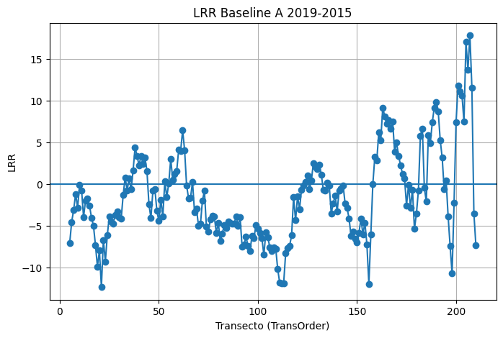
7 |  | 7 | 0 | 7 | 5 | -3.14 | 0.57 | 3.71 | 4.98 | -3.47 | 3.54 | -13.89 | 14.55 | -3.14 | 0.57 | 3.71 | 0.5 | 900
8 |  | 8 | 0 | 8 | 5 | -1.2 | 0.42 | 1.92 | 2.58 | -1.06 | 3.54 | -4.23 | 6.85 | -1.2 | 0.42 | 1.92 | 0.26 | 1050
9 |  | 9 | 0 | 9 | 5 | -2.87 | 0.59 | 3.26 | 4.38 | -3.12 | 3.54 | -12.47 | 12.67 | -2.87 | 0.59 | 3.26 | 0.44 | 1200
10 |  | 10 | 0 | 10 | 5 | -0.11 | 0 | 5.1 | 6.85 | -0.01 | 3.54 | -0.05 | 11.77 | -0.11 | 0 | 5.1 | 0.68 | 1350
11 |  | 11 | 0 | 11 | 5 | -0.77 | 0.02 | 6.98 | 9.37 | -0.65 | 3.54 | -2.61 | 20.9 | -0.77 | 0.02 | 6.98 | 0.94 | 1500
12 |  | 12 | 0 | 12 | 5 | -3.99 | 0.66 | 3.91 | 5.25 | -3.78 | 3.54 | -15.11 | 17.72 | -3.99 | 0.66 | 3.91 | 0.52 | 1650
13 |  | 13 | 0 | 13 | 5 | -1.98 | 0.14 | 6.73 | 9.04 | -1.54 | 3.54 | -6.17 | 21.97 | -1.98 | 0.14 | 6.73 | 0.9 | 1800
14 |  | 14 | 0 | 14 | 5 | -1.79 | 0.07 | 8.75 | 11.75 | -0.63 | 3.54 | -2.51 | 24.49 | -1.79 | 0.07 | 8.75 | 1.18 | 1950
15 |  | 15 | 0 | 15 | 5 | -2.61 | 0.11 | 10.23 | 13.75 | -0.98 | 3.54 | -3.93 | 27.97 | -2.61 | 0.11 | 10.23 | 1.37 | 2100
16 |  | 16 | 0 | 16 | 5 | -4.06 | 0.19 | 11.29 | 15.17 | -2.29 | 3.54 | -9.17 | 33.37 | -4.06 | 0.19 | 11.29 | 1.52 | 2250
17 |  | 17 | 0 | 17 | 5 | -5.03 | 0.2 | 13.51 | 18.15 | -2.87 | 3.54 | -11.47 | 39.18 | -5.03 | 0.2 | 13.51 | 1.82 | 2400
18 |  | 18 | 0 | 18 | 5 | -7.35 | 0.44 | 11.23 | 15.09 | -5.83 | 3.54 | -23.34 | 42.97 | -7.35 | 0.44 | 11.23 | 1.51 | 2550
19 |  | 19 | 0 | 19 | 5 | -9.93 | 0.67 | 9.55 | 12.83 | -8.69 | 3.54 | -34.74 | 45.42 | -9.93 | 0.67 | 9.55 | 1.28 | 2700
20 |  | 20 | 0 | 20 | 5 | -8.01 | 0.52 | 10.55 | 14.18 | -5.99 | 3.54 | -23.94 | 43.43 | -8.01 | 0.52 | 10.55 | 1.42 | 2850
21 |  | 21 | 0 | 21 | 5 | -12.39 | 0.9 | 5.58 | 7.5 | -11.16 | 3.54 | -44.62 | 44.62 | -12.39 | 0.9 | 5.58 | 0.75 | 3000
22 |  | 22 | 0 | 22 | 5 | -6.73 | 0.66 | 6.53 | 8.78 | -4.8 | 3.54 | -19.19 | 28.92 | -6.73 | 0.66 | 6.53 | 0.88 | 3150
23 |  | 23 | 0 | 23 | 5 | -9.31 | 0.78 | 6.7 | 9.01 | -8.22 | 3.54 | -32.9 | 42.48 | -9.31 | 0.78 | 6.7 | 0.9 | 3300
24 |  | 24 | 0 | 24 | 5 | -6.12 | 0.64 | 6.28 | 8.44 | -4.01 | 3.54 | -16.03 | 29.09 | -6.12 | 0.64 | 6.28 | 0.84 | 3450
25 |  | 25 | 0 | 25 | 5 | -3.91 | 0.32 | 7.82 | 10.51 | -1.85 | 3.54 | -7.41 | 26.24 | -3.91 | 0.32 | 7.82 | 1.05 | 3600
26 |  | 26 | 0 | 26 | 5 | -4.56 | 0.29 | 9.78 | 13.14 | -1.8 | 3.54 | -7.2 | 33.29 | -4.56 | 0.29 | 9.78 | 1.31 | 3750
27 |  | 27 | 0 | 27 | 5 | -4.74 | 0.53 | 6.09 | 8.18 | -2.76 | 3.54 | -11.02 | 25.35 | -4.74 | 0.53 | 6.09 | 0.82 | 3900
28 |  | 28 | 0 | 28 | 5 | -3.73 | 0.86 | 2.04 | 2.73 | -4.43 | 3.54 | -17.72 | 17.72 | -3.73 | 0.86 | 2.04 | 0.27 | 4050
29 |  | 29 | 0 | 29 | 5 | -3.34 | 0.55 | 4.11 | 5.52 | -2.16 | 3.54 | -8.63 | 16.11 | -3.34 | 0.55 | 4.11 | 0.55 | 4200
30 |  | 30 | 0 | 30 | 5 | -4.02 | 0.61 | 4.36 | 5.86 | -2.69 | 3.54 | -10.77 | 19.48 | -4.02 | 0.61 | 4.36 | 0.59 | 4350
31 |  | 31 | 0 | 31 | 5 | -4.18 | 0.91 | 1.79 | 2.41 | -4.03 | 3.54 | -16.14 | 16.91 | -4.18 | 0.91 | 1.79 | 0.24 | 4500
32 |  | 32 | 0 | 32 | 5 | -1.3 | 0.05 | 7.75 | 10.42 | -1.4 | 3.54 | -5.59 | 20.41 | -1.3 | 0.05 | 7.75 | 1.04 | 4650
33 |  | 33 | 0 | 33 | 5 | 0.76 | 0.01 | 10.35 | 13.9 | 0.12 | 3.54 | 0.49 | 27.26 | 0.76 | 0.01 | 10.35 | 1.39 | 4800
34 |  | 34 | 0 | 34 | 5 | -0.79 | 0.02 | 6.87 | 9.23 | 0.16 | 3.54 | 0.66 | 16.78 | -0.79 | 0.02 | 6.87 | 0.92 | 4950
35 |  | 35 | 0 | 35 | 5 | 0.64 | 0.02 | 6.75 | 9.07 | 0.66 | 3.54 | 2.64 | 17.56 | 0.64 | 0.02 | 6.75 | 0.91 | 5100
36 |  | 36 | 0 | 36 | 5 | -0.67 | 0.01 | 7.91 | 10.63 | -2.44 | 3.54 | -9.76 | 22.79 | -0.67 | 0.01 | 7.91 | 1.06 | 5250
37 |  | 37 | 0 | 37 | 5 | 1.6 | 0.09 | 7 | 9.41 | 2.26 | 3.54 | 9.03 | 21.08 | 1.6 | 0.09 | 7 | 0.94 | 5400
38 |  | 38 | 0 | 38 | 5 | 4.38 | 0.3 | 9.08 | 12.2 | 5.99 | 3.54 | 23.95 | 31.72 | 4.38 | 0.3 | 9.08 | 1.22 | 5550
39 |  | 39 | 0 | 39 | 5 | 3.34 | 0.56 | 4 | 5.38 | 3.31 | 3.54 | 13.23 | 16.96 | 3.34 | 0.56 | 4 | 0.54 | 5700
40 |  | 40 | 0 | 40 | 5 | 2.23 | 0.21 | 5.87 | 7.89 | 1.98 | 3.54 | 7.93 | 19.87 | 2.23 | 0.21 | 5.87 | 0.79 | 5850
41 |  | 41 | 0 | 41 | 5 | 3.35 | 0.48 | 4.74 | 6.36 | 3.28 | 3.54 | 13.12 | 19.95 | 3.35 | 0.48 | 4.74 | 0.64 | 6000
42 |  | 42 | 0 | 42 | 5 | 2.4 | 0.39 | 4.07 | 5.47 | 1.43 | 3.54 | 5.72 | 13.17 | 2.4 | 0.39 | 4.07 | 0.55 | 6150
43 |  | 43 | 0 | 43 | 5 | 3.13 | 0.49 | 4.36 | 5.86 | 4.1 | 3.54 | 16.42 | 18.06 | 3.13 | 0.49 | 4.36 | 0.59 | 6300
44 |  | 44 | 0 | 44 | 5 | 1.55 | 0.06 | 8.21 | 11.03 | 2.47 | 3.54 | 9.89 | 26.91 | 1.55 | 0.06 | 8.21 | 1.1 | 6450
45 |  | 45 | 0 | 45 | 5 | -2.47 | 0.15 | 7.97 | 10.71 | -1.92 | 3.54 | -7.69 | 25.92 | -2.47 | 0.15 | 7.97 | 1.07 | 6600
46 |  | 46 | 0 | 46 | 5 | -4.1 | 0.54 | 5.17 | 6.95 | -3.35 | 3.54 | -13.39 | 19.52 | -4.1 | 0.54 | 5.17 | 0.69 | 6750
47 |  | 47 | 0 | 47 | 5 | -0.82 | 0.04 | 5.59 | 7.52 | -0.74 | 3.54 | -2.96 | 17.08 | -0.82 | 0.04 | 5.59 | 0.75 | 6900
48 |  | 48 | 0 | 48 | 5 | -0.61 | 0.02 | 5.5 | 7.39 | 0.13 | 3.54 | 0.51 | 15.16 | -0.61 | 0.02 | 5.5 | 0.74 | 7050
49 |  | 49 | 0 | 49 | 5 | -3.25 | 0.48 | 4.63 | 6.22 | -2.35 | 3.54 | -9.39 | 17.77 | -3.25 | 0.48 | 4.63 | 0.62 | 7200
50 |  | 50 | 0 | 50 | 5 | -4.44 | 0.58 | 5.13 | 6.89 | -3.28 | 3.54 | -13.1 | 18.22 | -4.44 | 0.58 | 5.13 | 0.69 | 7350
51 |  | 51 | 0 | 51 | 5 | -1.91 | 0.49 | 2.63 | 3.53 | -1.17 | 3.54 | -4.66 | 9.74 | -1.91 | 0.49 | 2.63 | 0.35 | 7500
52 |  | 52 | 0 | 52 | 5 | -3.94 | 0.52 | 5.14 | 6.91 | -4.7 | 3.54 | -18.8 | 20.08 | -3.94 | 0.52 | 5.14 | 0.69 | 7650
53 |  | 53 | 0 | 53 | 5 | 0.28 | 0.01 | 4.73 | 6.36 | -0.59 | 3.54 | -2.34 | 15.35 | 0.28 | 0.01 | 4.73 | 0.64 | 7800
54 |  | 54 | 0 | 54 | 5 | -1.61 | 0.33 | 3.16 | 4.24 | -1.5 | 3.54 | -5.98 | 10.75 | -1.61 | 0.33 | 3.16 | 0.42 | 7950
55 |  | 55 | 0 | 55 | 5 | 0.08 | 0 | 2.67 | 3.58 | 0.05 | 3.54 | 0.18 | 7.13 | 0.08 | 0 | 2.67 | 0.36 | 8100
56 |  | 56 | 0 | 56 | 5 | 2.97 | 0.84 | 1.77 | 2.38 | 2.34 | 3.54 | 9.38 | 11.15 | 2.97 | 0.84 | 1.77 | 0.24 | 8250
57 |  | 57 | 0 | 57 | 5 | 0.52 | 0.13 | 1.87 | 2.51 | 0.46 | 3.54 | 1.85 | 6.1 | 0.52 | 0.13 | 1.87 | 0.25 | 8400
58 |  | 58 | 0 | 58 | 5 | 1.19 | 0.19 | 3.29 | 4.42 | 1.57 | 3.54 | 6.28 | 10.65 | 1.19 | 0.19 | 3.29 | 0.44 | 8550
59 |  | 59 | 0 | 59 | 5 | 1.53 | 0.37 | 2.71 | 3.64 | 2.12 | 3.54 | 8.47 | 10.04 | 1.53 | 0.37 | 2.71 | 0.36 | 8700
60 |  | 60 | 0 | 60 | 5 | 4.07 | 0.5 | 5.49 | 7.38 | 4.71 | 3.54 | 18.85 | 23.69 | 4.07 | 0.5 | 5.49 | 0.74 | 8850
61 |  | 61 | 0 | 61 | 5 | 3.94 | 0.41 | 6.47 | 8.7 | 5.04 | 3.54 | 20.17 | 24.04 | 3.94 | 0.41 | 6.47 | 0.87 | 9000
62 |  | 62 | 0 | 62 | 5 | 6.43 | 0.93 | 2.33 | 3.13 | 6.68 | 3.54 | 26.73 | 26.73 | 6.43 | 0.93 | 2.33 | 0.31 | 9150
63 |  | 63 | 0 | 63 | 5 | 4.05 | 0.82 | 2.54 | 3.41 | 4.62 | 3.54 | 18.48 | 18.48 | 4.05 | 0.82 | 2.54 | 0.34 | 9300
64 |  | 64 | 0 | 64 | 5 | -0.18 | 0 | 6.47 | 8.69 | 0.14 | 3.54 | 0.56 | 16.64 | -0.18 | 0 | 6.47 | 0.87 | 9450
65 |  | 65 | 0 | 65 | 5 | -1.75 | 0.33 | 3.43 | 4.61 | -3.01 | 3.54 | -12.04 | 12.04 | -1.75 | 0.33 | 3.43 | 0.46 | 9600
66 |  | 66 | 0 | 66 | 5 | -1.64 | 0.37 | 2.9 | 3.89 | -1.64 | 3.54 | -6.55 | 9.89 | -1.64 | 0.37 | 2.9 | 0.39 | 9750
67 |  | 67 | 0 | 67 | 5 | 0.23 | 0 | 5.35 | 7.19 | 1.04 | 3.54 | 4.14 | 16.38 | 0.23 | 0 | 5.35 | 0.72 | 9900
68 |  | 68 | 0 | 68 | 5 | -3.37 | 0.29 | 7.24 | 9.73 | -2.83 | 3.54 | -11.31 | 25.36 | -3.37 | 0.29 | 7.24 | 0.97 | 10050
69 |  | 69 | 0 | 69 | 5 | -3 | 0.4 | 4.99 | 6.71 | -1.79 | 3.54 | -7.16 | 18.28 | -3 | 0.4 | 4.99 | 0.67 | 10200
70 |  | 70 | 0 | 70 | 5 | -5.02 | 0.51 | 6.67 | 8.96 | -3.12 | 3.54 | -12.46 | 26.55 | -5.02 | 0.51 | 6.67 | 0.9 | 10350
71 |  | 71 | 0 | 71 | 5 | -4.81 | 0.36 | 8.7 | 11.69 | -3.1 | 3.54 | -12.4 | 31.22 | -4.81 | 0.36 | 8.7 | 1.17 | 10500
72 |  | 72 | 0 | 72 | 5 | -2 | 0.08 | 9.06 | 12.18 | -1.16 | 3.54 | -4.64 | 28.2 | -2 | 0.08 | 9.06 | 1.22 | 10650
73 |  | 73 | 0 | 73 | 5 | -0.85 | 0.08 | 3.83 | 5.14 | -0.16 | 3.54 | -0.65 | 13.08 | -0.85 | 0.08 | 3.83 | 0.51 | 10800
74 |  | 74 | 0 | 74 | 5 | -5.15 | 0.54 | 6.47 | 8.69 | -4.9 | 3.54 | -19.6 | 30.91 | -5.15 | 0.54 | 6.47 | 0.87 | 10950
75 |  | 75 | 0 | 75 | 5 | -5.76 | 0.49 | 8.01 | 10.77 | -4.91 | 3.54 | -19.64 | 35.71 | -5.76 | 0.49 | 8.01 | 1.08 | 11100
76 |  | 76 | 0 | 76 | 5 | -4.29 | 0.31 | 8.78 | 11.79 | -2.95 | 3.54 | -11.8 | 32.31 | -4.29 | 0.31 | 8.78 | 1.18 | 11250
77 |  | 77 | 0 | 77 | 5 | -3.85 | 0.19 | 10.94 | 14.7 | -3.48 | 3.54 | -13.92 | 35.7 | -3.85 | 0.19 | 10.94 | 1.47 | 11400
78 |  | 78 | 0 | 78 | 5 | -3.9 | 0.34 | 7.33 | 9.85 | -3.62 | 3.54 | -14.48 | 25.81 | -3.9 | 0.34 | 7.33 | 0.99 | 11550
79 |  | 79 | 0 | 79 | 5 | -5.9 | 0.41 | 9.54 | 12.82 | -4.47 | 3.54 | -17.88 | 34.96 | -5.9 | 0.41 | 9.54 | 1.28 | 11700
80 |  | 80 | 0 | 80 | 5 | -4.65 | 0.47 | 6.77 | 9.1 | -3.95 | 3.54 | -15.81 | 25.19 | -4.65 | 0.47 | 6.77 | 0.91 | 11850
81 |  | 81 | 0 | 81 | 5 | -6.87 | 0.71 | 5.99 | 8.05 | -5.46 | 3.54 | -21.84 | 28.54 | -6.87 | 0.71 | 5.99 | 0.8 | 12000
82 |  | 82 | 0 | 82 | 5 | -5.97 | 0.71 | 5.21 | 7 | -5.34 | 3.54 | -21.35 | 27.09 | -5.97 | 0.71 | 5.21 | 0.7 | 12150
83 |  | 83 | 0 | 83 | 5 | -4.98 | 0.71 | 4.33 | 5.82 | -3.68 | 3.54 | -14.73 | 20.38 | -4.98 | 0.71 | 4.33 | 0.58 | 12300
84 |  | 84 | 0 | 84 | 5 | -5.3 | 0.8 | 3.64 | 4.9 | -4.48 | 3.54 | -17.9 | 23.14 | -5.3 | 0.8 | 3.64 | 0.49 | 12450
85 |  | 85 | 0 | 85 | 5 | -4.51 | 0.62 | 4.81 | 6.47 | -3.4 | 3.54 | -13.61 | 19.47 | -4.51 | 0.62 | 4.81 | 0.65 | 12600
86 |  | 86 | 0 | 86 | 5 | -4.72 | 0.6 | 5.2 | 6.98 | -3.45 | 3.54 | -13.8 | 20.86 | -4.72 | 0.6 | 5.2 | 0.7 | 12750
87 |  | 87 | 0 | 87 | 5 | -4.74 | 0.66 | 4.6 | 6.18 | -3.82 | 3.54 | -15.3 | 22.51 | -4.74 | 0.66 | 4.6 | 0.62 | 12900
88 |  | 88 | 0 | 88 | 5 | -4.79 | 0.39 | 8.11 | 10.9 | -3.7 | 3.54 | -14.79 | 30.67 | -4.79 | 0.39 | 8.11 | 1.09 | 13050
89 |  | 89 | 0 | 89 | 5 | -3.89 | 0.4 | 6.4 | 8.6 | -2.22 | 3.54 | -8.89 | 23.16 | -3.89 | 0.4 | 6.4 | 0.86 | 13200
90 |  | 90 | 0 | 90 | 5 | -5 | 0.46 | 7.3 | 9.81 | -3.41 | 3.54 | -13.63 | 27.47 | -5 | 0.46 | 7.3 | 0.98 | 13350
91 |  | 91 | 0 | 91 | 5 | -4 | 0.34 | 7.51 | 10.09 | -2.64 | 3.54 | -10.55 | 27.65 | -4 | 0.34 | 7.51 | 1.01 | 13500
92 |  | 92 | 0 | 92 | 5 | -7.51 | 0.74 | 6.04 | 8.12 | -6.57 | 3.54 | -26.28 | 29.39 | -7.51 | 0.74 | 6.04 | 0.81 | 13650
93 |  | 93 | 0 | 93 | 5 | -7.27 | 0.65 | 7.22 | 9.7 | -6 | 3.54 | -23.99 | 32.49 | -7.27 | 0.65 | 7.22 | 0.97 | 13800
94 |  | 94 | 0 | 94 | 5 | -6.35 | 0.63 | 6.58 | 8.84 | -4.97 | 3.54 | -19.9 | 28.12 | -6.35 | 0.63 | 6.58 | 0.88 | 13950
95 |  | 95 | 0 | 95 | 5 | -7.45 | 0.7 | 6.61 | 8.88 | -6.64 | 3.54 | -26.57 | 30.74 | -7.45 | 0.7 | 6.61 | 0.89 | 14100
96 |  | 96 | 0 | 96 | 5 | -8.09 | 0.73 | 6.74 | 9.06 | -6.42 | 3.54 | -25.66 | 30.03 | -8.09 | 0.73 | 6.74 | 0.91 | 14250
97 |  | 97 | 0 | 97 | 5 | -6.24 | 0.43 | 9.82 | 13.2 | -3.84 | 3.54 | -15.35 | 35.39 | -6.24 | 0.43 | 9.82 | 1.32 | 14400
98 |  | 98 | 0 | 98 | 5 | -6.5 | 0.49 | 8.95 | 12.03 | -4.23 | 3.54 | -16.92 | 33.51 | -6.5 | 0.49 | 8.95 | 1.2 | 14550
99 |  | 99 | 0 | 99 | 5 | -4.97 | 0.58 | 5.79 | 7.79 | -3.71 | 3.54 | -14.84 | 23.33 | -4.97 | 0.58 | 5.79 | 0.78 | 14700
100 |  | 100 | 0 | 100 | 5 | -5.4 | 0.52 | 6.99 | 9.39 | -3.23 | 3.54 | -12.93 | 28.14 | -5.4 | 0.52 | 6.99 | 0.94 | 14850
101 |  | 101 | 0 | 101 | 5 | -5.93 | 0.55 | 7.27 | 9.76 | -3.66 | 3.54 | -14.62 | 30.07 | -5.93 | 0.55 | 7.27 | 0.98 | 15000
102 |  | 102 | 0 | 102 | 5 | -6.52 | 0.7 | 5.81 | 7.8 | -4.5 | 3.54 | -18.01 | 29.16 | -6.52 | 0.7 | 5.81 | 0.78 | 15150
103 |  | 103 | 0 | 103 | 5 | -8.53 | 0.76 | 6.6 | 8.86 | -6.71 | 3.54 | -26.84 | 31.92 | -8.53 | 0.76 | 6.6 | 0.89 | 15300
104 |  | 104 | 0 | 104 | 5 | -5.81 | 0.63 | 6.01 | 8.07 | -4.43 | 3.54 | -17.72 | 25.6 | -5.81 | 0.63 | 6.01 | 0.81 | 15450
105 |  | 105 | 0 | 105 | 5 | -6.43 | 0.7 | 5.7 | 7.67 | -5.99 | 3.54 | -23.97 | 26.54 | -6.43 | 0.7 | 5.7 | 0.77 | 15600
106 |  | 106 | 0 | 106 | 5 | -7.59 | 0.76 | 5.72 | 7.69 | -6.71 | 3.54 | -26.83 | 26.83 | -7.59 | 0.76 | 5.72 | 0.77 | 15750
107 |  | 107 | 0 | 107 | 5 | -8.02 | 0.76 | 6.18 | 8.3 | -8.49 | 3.54 | -33.96 | 33.96 | -8.02 | 0.76 | 6.18 | 0.83 | 15900
108 |  | 108 | 0 | 108 | 5 | -7.63 | 0.83 | 4.66 | 6.27 | -7.18 | 3.54 | -28.71 | 28.71 | -7.63 | 0.83 | 4.66 | 0.63 | 16050
109 |  | 109 | 0 | 109 | 5 | -7.79 | 0.95 | 2.34 | 3.14 | -7.24 | 3.54 | -28.95 | 28.95 | -7.79 | 0.95 | 2.34 | 0.31 | 16200
110 |  | 110 | 0 | 110 | 5 | -10.25 | 0.78 | 7.44 | 10 | -8.89 | 3.54 | -35.56 | 35.56 | -10.25 | 0.78 | 7.44 | 1 | 16350
111 |  | 111 | 0 | 111 | 5 | -11.89 | 0.91 | 5.2 | 6.99 | -10.21 | 3.54 | -40.85 | 43.47 | -11.89 | 0.91 | 5.2 | 0.7 | 16500
112 |  | 112 | 0 | 112 | 5 | -11.93 | 0.95 | 3.84 | 5.16 | -11.09 | 3.54 | -44.34 | 44.34 | -11.93 | 0.95 | 3.84 | 0.52 | 16650
113 |  | 113 | 0 | 113 | 5 | -11.92 | 0.85 | 6.73 | 9.04 | -10.18 | 3.54 | -40.71 | 50.29 | -11.92 | 0.85 | 6.73 | 0.9 | 16800
114 |  | 114 | 0 | 114 | 5 | -8.3 | 0.61 | 8.96 | 12.04 | -8.09 | 3.54 | -32.34 | 34.84 | -8.3 | 0.61 | 8.96 | 1.2 | 16950
115 |  | 115 | 0 | 115 | 5 | -7.67 | 0.89 | 3.68 | 4.95 | -7.12 | 3.54 | -28.46 | 28.46 | -7.67 | 0.89 | 3.68 | 0.49 | 17100
116 |  | 116 | 0 | 116 | 5 | -7.41 | 0.9 | 3.41 | 4.58 | -7.15 | 3.54 | -28.58 | 29.56 | -7.41 | 0.9 | 3.41 | 0.46 | 17250
117 |  | 117 | 0 | 117 | 5 | -6.2 | 0.85 | 3.53 | 4.75 | -5.81 | 3.54 | -23.23 | 23.23 | -6.2 | 0.85 | 3.53 | 0.47 | 17400
118 |  | 118 | 0 | 118 | 5 | -1.61 | 0.44 | 2.49 | 3.34 | -1.5 | 3.54 | -5.98 | 10.67 | -1.61 | 0.44 | 2.49 | 0.33 | 17550
119 |  | 119 | 0 | 119 | 5 | -4.38 | 0.61 | 4.72 | 6.34 | -5.76 | 3.54 | -23.04 | 23.04 | -4.38 | 0.61 | 4.72 | 0.63 | 17700
120 |  | 120 | 0 | 120 | 5 | -1.49 | 0.07 | 7.35 | 9.87 | -0.81 | 3.54 | -3.26 | 21.63 | -1.49 | 0.07 | 7.35 | 0.99 | 17850
121 |  | 121 | 0 | 121 | 5 | -3.04 | 0.91 | 1.26 | 1.7 | -3.09 | 3.54 | -12.34 | 12.34 | -3.04 | 0.91 | 1.26 | 0.17 | 18000
122 |  | 122 | 0 | 122 | 5 | -0.7 | 0.03 | 5.02 | 6.75 | -1.4 | 3.54 | -5.58 | 16.04 | -0.7 | 0.03 | 5.02 | 0.68 | 18150
123 |  | 123 | 0 | 123 | 5 | -0.23 | 0.01 | 3.7 | 4.97 | -0.48 | 3.54 | -1.9 | 11.22 | -0.23 | 0.01 | 3.7 | 0.5 | 18300
124 |  | 124 | 0 | 124 | 5 | 0.27 | 0.01 | 3.87 | 5.2 | 0.13 | 3.54 | 0.51 | 11.81 | 0.27 | 0.01 | 3.87 | 0.52 | 18450
125 |  | 125 | 0 | 125 | 5 | 0.99 | 0.26 | 2.26 | 3.04 | 0.68 | 3.54 | 2.71 | 7 | 0.99 | 0.26 | 2.26 | 0.3 | 18600
126 |  | 126 | 0 | 126 | 5 | -0.66 | 0.11 | 2.58 | 3.47 | -0.73 | 3.54 | -2.92 | 8.59 | -0.66 | 0.11 | 2.58 | 0.35 | 18750
127 |  | 127 | 0 | 127 | 5 | 0.44 | 0.07 | 2.09 | 2.81 | -0.21 | 3.54 | -0.84 | 6.05 | 0.44 | 0.07 | 2.09 | 0.28 | 18900
128 |  | 128 | 0 | 128 | 5 | 2.5 | 0.3 | 5.14 | 6.91 | 2.18 | 3.54 | 8.72 | 18.67 | 2.5 | 0.3 | 5.14 | 0.69 | 19050
129 |  | 129 | 0 | 129 | 5 | 2.08 | 0.41 | 3.37 | 4.53 | 2.03 | 3.54 | 8.11 | 13.63 | 2.08 | 0.41 | 3.37 | 0.45 | 19200
130 |  | 130 | 0 | 130 | 5 | 1.78 | 0.39 | 3 | 4.04 | 1.79 | 3.54 | 7.16 | 11.52 | 1.78 | 0.39 | 3 | 0.4 | 19350
131 |  | 131 | 0 | 131 | 5 | 2.34 | 0.43 | 3.68 | 4.94 | 2.87 | 3.54 | 11.48 | 14.81 | 2.34 | 0.43 | 3.68 | 0.49 | 19500
132 |  | 132 | 0 | 132 | 5 | 1.09 | 0.26 | 2.47 | 3.32 | 1.17 | 3.54 | 4.66 | 7.73 | 1.09 | 0.26 | 2.47 | 0.33 | 19650
133 |  | 133 | 0 | 133 | 5 | -0.68 | 0.1 | 2.76 | 3.71 | -0.7 | 3.54 | -2.78 | 8.14 | -0.68 | 0.1 | 2.76 | 0.37 | 19800
134 |  | 134 | 0 | 134 | 5 | -0.77 | 0.22 | 1.96 | 2.63 | -0.48 | 3.54 | -1.92 | 6.89 | -0.77 | 0.22 | 1.96 | 0.26 | 19950
135 |  | 135 | 0 | 135 | 5 | 0.11 | 0 | 5.56 | 7.47 | 1.29 | 3.54 | 5.17 | 16.99 | 0.11 | 0 | 5.56 | 0.75 | 20100
136 |  | 136 | 0 | 136 | 5 | -0.22 | 0.01 | 2.67 | 3.58 | -0.96 | 3.54 | -3.84 | 7.46 | -0.22 | 0.01 | 2.67 | 0.36 | 20250
137 |  | 137 | 0 | 137 | 5 | -3.55 | 0.49 | 4.91 | 6.6 | -3.63 | 3.54 | -14.52 | 21.32 | -3.55 | 0.49 | 4.91 | 0.66 | 20400
138 |  | 138 | 0 | 138 | 5 | -2.34 | 0.13 | 8.14 | 10.94 | -1.09 | 3.54 | -4.38 | 24.47 | -2.34 | 0.13 | 8.14 | 1.09 | 20550
139 |  | 139 | 0 | 139 | 5 | -1.39 | 0.04 | 9.07 | 12.19 | 0.23 | 3.54 | 0.91 | 26.17 | -1.39 | 0.04 | 9.07 | 1.22 | 20700
140 |  | 140 | 0 | 140 | 5 | -3.3 | 0.58 | 3.81 | 5.12 | -2.79 | 3.54 | -11.17 | 18.7 | -3.3 | 0.58 | 3.81 | 0.51 | 20850
141 |  | 141 | 0 | 141 | 5 | -0.8 | 0.06 | 4.21 | 5.65 | -1.28 | 3.54 | -5.13 | 11.24 | -0.8 | 0.06 | 4.21 | 0.57 | 21000
142 |  | 142 | 0 | 142 | 5 | -0.59 | 0.05 | 3.61 | 4.84 | -1.68 | 3.54 | -6.73 | 9.6 | -0.59 | 0.05 | 3.61 | 0.48 | 21150
143 |  | 143 | 0 | 143 | 5 | -0.19 | 0.01 | 2.25 | 3.02 | -0.81 | 3.54 | -3.24 | 6.09 | -0.19 | 0.01 | 2.25 | 0.3 | 21300
144 |  | 144 | 0 | 144 | 5 | -2.36 | 0.39 | 3.97 | 5.34 | -3.48 | 3.54 | -13.91 | 14.13 | -2.36 | 0.39 | 3.97 | 0.53 | 21450
145 |  | 145 | 0 | 145 | 5 | -2.91 | 0.37 | 5.17 | 6.95 | -3.64 | 3.54 | -14.58 | 20.81 | -2.91 | 0.37 | 5.17 | 0.69 | 21600
146 |  | 146 | 0 | 146 | 5 | -4.15 | 0.51 | 5.58 | 7.49 | -4.03 | 3.54 | -16.13 | 23.5 | -4.15 | 0.51 | 5.58 | 0.75 | 21750
147 |  | 147 | 0 | 147 | 5 | -6.27 | 0.77 | 4.72 | 6.35 | -6.08 | 3.54 | -24.33 | 25.27 | -6.27 | 0.77 | 4.72 | 0.63 | 21900
148 |  | 148 | 0 | 148 | 5 | -5.73 | 0.66 | 5.61 | 7.53 | -4.35 | 3.54 | -17.4 | 24.6 | -5.73 | 0.66 | 5.61 | 0.75 | 22050
149 |  | 149 | 0 | 149 | 5 | -6.56 | 0.85 | 3.73 | 5.02 | -6.09 | 3.54 | -24.38 | 24.89 | -6.56 | 0.85 | 3.73 | 0.5 | 22200
150 |  | 150 | 0 | 150 | 5 | -7.04 | 0.87 | 3.75 | 5.04 | -7.53 | 3.54 | -30.13 | 30.13 | -7.04 | 0.87 | 3.75 | 0.5 | 22350
151 |  | 151 | 0 | 151 | 5 | -5.88 | 0.68 | 5.49 | 7.37 | -5.11 | 3.54 | -20.45 | 24.01 | -5.88 | 0.68 | 5.49 | 0.74 | 22500
152 |  | 152 | 0 | 152 | 5 | -4.18 | 0.67 | 3.98 | 5.35 | -3.16 | 3.54 | -12.62 | 16.59 | -4.18 | 0.67 | 3.98 | 0.54 | 22650
153 |  | 153 | 0 | 153 | 5 | -6.05 | 0.68 | 5.68 | 7.64 | -4.09 | 3.54 | -16.36 | 27.78 | -6.05 | 0.68 | 5.68 | 0.76 | 22800
154 |  | 154 | 0 | 154 | 5 | -4.65 | 0.61 | 5.04 | 6.77 | -3.37 | 3.54 | -13.48 | 23.19 | -4.65 | 0.61 | 5.04 | 0.68 | 22950
155 |  | 155 | 0 | 155 | 5 | -7.24 | 0.68 | 6.79 | 9.12 | -6.22 | 3.54 | -24.88 | 35.56 | -7.24 | 0.68 | 6.79 | 0.91 | 23100
156 |  | 156 | 0 | 156 | 5 | -12.01 | 0.94 | 4.29 | 5.77 | -11.91 | 3.54 | -47.65 | 47.65 | -12.01 | 0.94 | 4.29 | 0.58 | 23250
157 |  | 157 | 0 | 157 | 5 | -6.11 | 0.98 | 1.25 | 1.67 | -5.66 | 3.54 | -22.62 | 22.62 | -6.11 | 0.98 | 1.25 | 0.17 | 23400
158 |  | 158 | 0 | 158 | 5 | -0.02 | 0 | 7.26 | 9.76 | 1.27 | 3.54 | 5.09 | 22.48 | -0.02 | 0 | 7.26 | 0.98 | 23550
159 |  | 159 | 0 | 159 | 5 | 3.21 | 0.24 | 7.7 | 10.35 | 4.48 | 3.54 | 17.94 | 26.84 | 3.21 | 0.24 | 7.7 | 1.04 | 23700
160 |  | 160 | 0 | 160 | 5 | 2.82 | 0.28 | 6.2 | 8.33 | 3.59 | 3.54 | 14.35 | 19.89 | 2.82 | 0.28 | 6.2 | 0.83 | 23850
161 |  | 161 | 0 | 161 | 5 | 6.18 | 0.56 | 7.52 | 10.1 | 5.94 | 3.54 | 23.74 | 36.04 | 6.18 | 0.56 | 7.52 | 1.01 | 24000
162 |  | 162 | 0 | 162 | 5 | 5.23 | 0.65 | 5.18 | 6.96 | 4.03 | 3.54 | 16.1 | 26.55 | 5.23 | 0.65 | 5.18 | 0.7 | 24150
163 |  | 163 | 0 | 163 | 5 | 9.11 | 0.68 | 8.5 | 11.43 | 7.56 | 3.54 | 30.23 | 47.61 | 9.11 | 0.68 | 8.5 | 1.14 | 24300
164 |  | 164 | 0 | 164 | 5 | 8.12 | 0.83 | 5.04 | 6.77 | 6.59 | 3.54 | 26.37 | 33.62 | 8.12 | 0.83 | 5.04 | 0.68 | 24450
165 |  | 165 | 0 | 165 | 5 | 7.2 | 0.72 | 6.14 | 8.26 | 6.36 | 3.54 | 25.44 | 28.55 | 7.2 | 0.72 | 6.14 | 0.83 | 24600
166 |  | 166 | 0 | 166 | 5 | 7.66 | 0.68 | 7.08 | 9.52 | 6.65 | 3.54 | 26.59 | 30.61 | 7.66 | 0.68 | 7.08 | 0.95 | 24750
167 |  | 167 | 0 | 167 | 5 | 6.65 | 0.83 | 4.09 | 5.5 | 6.48 | 3.54 | 25.93 | 26.75 | 6.65 | 0.83 | 4.09 | 0.55 | 24900
168 |  | 168 | 0 | 168 | 5 | 7.46 | 0.79 | 5.24 | 7.05 | 8.03 | 3.54 | 32.11 | 32.11 | 7.46 | 0.79 | 5.24 | 0.7 | 25050
169 |  | 169 | 0 | 169 | 5 | 3.88 | 0.17 | 11.63 | 15.63 | 3.27 | 3.54 | 13.09 | 38.24 | 3.88 | 0.17 | 11.63 | 1.56 | 25200
170 |  | 170 | 0 | 170 | 5 | 4.93 | 0.36 | 8.85 | 11.89 | 4.31 | 3.54 | 17.25 | 33.34 | 4.93 | 0.36 | 8.85 | 1.19 | 25350
171 |  | 171 | 0 | 171 | 5 | 3.33 | 0.27 | 7.47 | 10.04 | 2.55 | 3.54 | 10.19 | 24.84 | 3.33 | 0.27 | 7.47 | 1 | 25500
172 |  | 172 | 0 | 172 | 5 | 2.23 | 0.34 | 4.2 | 5.64 | 1.8 | 3.54 | 7.2 | 14.98 | 2.23 | 0.34 | 4.2 | 0.56 | 25650
173 |  | 173 | 0 | 173 | 5 | 1.16 | 0.06 | 6.5 | 8.73 | 2.75 | 3.54 | 10.98 | 19.31 | 1.16 | 0.06 | 6.5 | 0.87 | 25800
174 |  | 174 | 0 | 174 | 5 | 0.65 | 0.11 | 2.58 | 3.47 | 1.21 | 3.54 | 4.82 | 8.4 | 0.65 | 0.11 | 2.58 | 0.35 | 25950
175 |  | 175 | 0 | 175 | 5 | -2.58 | 0.56 | 3.07 | 4.13 | -1.81 | 3.54 | -7.23 | 11.3 | -2.58 | 0.56 | 3.07 | 0.41 | 26100
176 |  | 176 | 0 | 176 | 5 | -0.16 | 0 | 3.94 | 5.3 | 1.01 | 3.54 | 4.05 | 11.8 | -0.16 | 0 | 3.94 | 0.53 | 26250
177 |  | 177 | 0 | 177 | 5 | -2.84 | 0.36 | 5.11 | 6.86 | -2.23 | 3.54 | -8.92 | 18.97 | -2.84 | 0.36 | 5.11 | 0.69 | 26400
178 |  | 178 | 0 | 178 | 5 | -0.68 | 0.03 | 5.03 | 6.76 | 0.65 | 3.54 | 2.6 | 14.75 | -0.68 | 0.03 | 5.03 | 0.68 | 26550
179 |  | 179 | 0 | 179 | 5 | -5.42 | 0.82 | 3.48 | 4.67 | -4.41 | 3.54 | -17.64 | 23.24 | -5.42 | 0.82 | 3.48 | 0.47 | 26700
180 |  | 180 | 0 | 180 | 5 | -3.57 | 0.42 | 5.73 | 7.7 | -1.67 | 3.54 | -6.7 | 22.33 | -3.57 | 0.42 | 5.73 | 0.77 | 26850
181 |  | 181 | 0 | 181 | 5 | -0.81 | 0.05 | 4.58 | 6.15 | -0.84 | 3.54 | -3.36 | 11.69 | -0.81 | 0.05 | 4.58 | 0.62 | 27000
182 |  | 182 | 0 | 182 | 5 | 5.78 | 0.4 | 9.52 | 12.79 | 4.45 | 3.54 | 17.8 | 37.86 | 5.78 | 0.4 | 9.52 | 1.28 | 27150
183 |  | 183 | 0 | 183 | 5 | 6.64 | 0.54 | 8.31 | 11.17 | 3.93 | 3.54 | 15.72 | 34.99 | 6.64 | 0.54 | 8.31 | 1.12 | 27300
184 |  | 184 | 0 | 184 | 5 | -0.49 | 0.02 | 4.48 | 6.02 | -1.72 | 3.54 | -6.88 | 12.88 | -0.49 | 0.02 | 4.48 | 0.6 | 27450
185 |  | 185 | 0 | 185 | 5 | -2.14 | 0.11 | 8.15 | 10.96 | -2.61 | 3.54 | -10.43 | 23.58 | -2.14 | 0.11 | 8.15 | 1.1 | 27600
186 |  | 186 | 0 | 186 | 5 | 5.87 | 0.34 | 11.02 | 14.8 | 2.85 | 3.54 | 11.4 | 40.73 | 5.87 | 0.34 | 11.02 | 1.48 | 27750
187 |  | 187 | 0 | 187 | 5 | 4.87 | 0.76 | 3.72 | 5 | 3.66 | 3.54 | 14.63 | 21.07 | 4.87 | 0.76 | 3.72 | 0.5 | 27900
188 |  | 188 | 0 | 188 | 5 | 7.36 | 0.7 | 6.51 | 8.74 | 7.01 | 3.54 | 28.03 | 37.32 | 7.36 | 0.7 | 6.51 | 0.87 | 28050
189 |  | 189 | 0 | 189 | 5 | 9.15 | 0.93 | 3.44 | 4.62 | 9.11 | 3.54 | 36.46 | 36.46 | 9.15 | 0.93 | 3.44 | 0.46 | 28200
190 |  | 190 | 0 | 190 | 5 | 9.78 | 0.57 | 11.47 | 15.41 | 6.32 | 3.54 | 25.3 | 48.88 | 9.78 | 0.57 | 11.47 | 1.54 | 28350
191 |  | 191 | 0 | 191 | 5 | 8.7 | 0.4 | 14.49 | 19.47 | 4.13 | 3.54 | 16.54 | 53.93 | 8.7 | 0.4 | 14.49 | 1.95 | 28500
192 |  | 192 | 0 | 192 | 5 | 5.25 | 0.14 | 17.8 | 23.92 | 0.03 | 3.54 | 0.13 | 52.22 | 5.25 | 0.14 | 17.8 | 2.39 | 28650
193 |  | 193 | 0 | 193 | 5 | 3.15 | 0.17 | 9.45 | 12.7 | 1.48 | 3.54 | 5.92 | 29.49 | 3.15 | 0.17 | 9.45 | 1.27 | 28800
194 |  | 194 | 0 | 194 | 5 | -0.65 | 0 | 14.5 | 19.48 | 1.88 | 3.54 | 7.51 | 40.47 | -0.65 | 0 | 14.5 | 1.95 | 28950
195 |  | 195 | 0 | 195 | 5 | 0.42 | 0 | 13.37 | 17.97 | 4.77 | 3.54 | 19.1 | 38.82 | 0.42 | 0 | 13.37 | 1.8 | 29100
196 |  | 196 | 0 | 196 | 5 | -3.91 | 0.14 | 12.94 | 17.38 | -1.5 | 3.54 | -5.99 | 35.29 | -3.91 | 0.14 | 12.94 | 1.74 | 29250
197 |  | 197 | 0 | 197 | 5 | -7.45 | 0.21 | 19.89 | 26.73 | -5.79 | 3.54 | -23.16 | 65.61 | -7.45 | 0.21 | 19.89 | 2.67 | 29400
198 |  | 198 | 0 | 198 | 5 | -10.77 | 0.41 | 17.61 | 23.66 | -8.44 | 3.54 | -33.74 | 63.48 | -10.77 | 0.41 | 17.61 | 2.37 | 29550
199 |  | 199 | 0 | 199 | 5 | -2.24 | 0.05 | 13.92 | 18.71 | -0.01 | 3.54 | -0.03 | 39.98 | -2.24 | 0.05 | 13.92 | 1.87 | 29700
200 |  | 200 | 0 | 200 | 5 | 7.36 | 0.86 | 4.02 | 5.4 | 6.47 | 3.54 | 25.9 | 31.23 | 7.36 | 0.86 | 4.02 | 0.54 | 29850
201 |  | 201 | 0 | 201 | 5 | 11.78 | 0.85 | 6.59 | 8.86 | 9.63 | 3.54 | 38.53 | 45.93 | 11.78 | 0.85 | 6.59 | 0.89 | 30000
202 |  | 202 | 0 | 202 | 5 | 11.1 | 0.73 | 9.09 | 12.22 | 7.98 | 3.54 | 31.94 | 47.16 | 11.1 | 0.73 | 9.09 | 1.22 | 30150
203 |  | 203 | 0 | 203 | 5 | 10.61 | 0.49 | 14.77 | 19.84 | 6.16 | 3.54 | 24.62 | 56.86 | 10.61 | 0.49 | 14.77 | 1.98 | 30300
204 |  | 204 | 0 | 204 | 5 | 7.45 | 0.32 | 14.71 | 19.77 | 2.2 | 3.54 | 8.78 | 56.94 | 7.45 | 0.32 | 14.71 | 1.98 | 30450
205 |  | 205 | 0 | 205 | 5 | 17.03 | 0.67 | 16.38 | 22.01 | 13.64 | 3.54 | 54.57 | 68.8 | 17.03 | 0.67 | 16.38 | 2.2 | 30600
206 |  | 206 | 0 | 206 | 5 | 13.68 | 0.55 | 16.94 | 22.76 | 15.79 | 3.54 | 63.15 | 73.85 | 13.68 | 0.55 | 16.94 | 2.28 | 30750
207 |  | 207 | 0 | 207 | 5 | 17.81 | 0.59 | 20.18 | 27.12 | 22.74 | 3.54 | 90.95 | 90.95 | 17.81 | 0.59 | 20.18 | 2.71 | 30900
208 |  | 208 | 0 | 208 | 5 | 11.5 | 0.51 | 15.28 | 20.53 | 15.09 | 3.54 | 60.34 | 62.85 | 11.5 | 0.51 | 15.28 | 2.05 | 31050
209 |  | 209 | 0 | 209 | 5 | -3.54 | 0.16 | 11.12 | 14.94 | -3.33 | 3.54 | -13.31 | 31.93 | -3.54 | 0.16 | 11.12 | 1.49 | 31200
210 |  | 210 | 0 | 210 | 5 | -7.34 | 0.69 | 6.7 | 9 | -9.34 | 3.54 | -37.35 | 37.35 | -7.34 | 0.69 | 6.7 | 0.9 | 31350

B2_2019-2015
Rate: B2_2019-2015_rates_20260403_202027 |  |  | LRR

ObjectID | BaselineID | TransOrder | TransEdit | TransectId | ShrCount | LRR | LR2 | LCI | LSE | EPR | EPRunc | NSM | SCE | WLR | WR2 | WCI | WSE | TCD
1 |  | 1 | 0 | 1 | 5 | -6.37 | 0.09 | 27.22 | 36.57 | -13.5 | 3.54 | -54 | 74.05 | -6.37 | 0.09 | 27.22 | 3.66 | 0
2 |  | 2 | 0 | 2 | 5 | -3.68 | 0.04 | 23.66 | 31.79 | 4.26 | 3.54 | 17.05 | 70.85 | -3.68 | 0.04 | 23.66 | 3.18 | 150
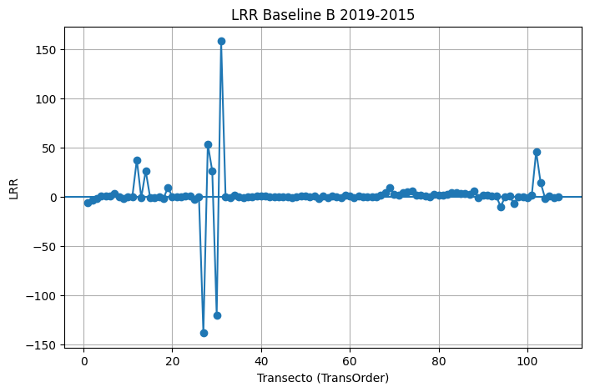
3 |  | 3 | 0 | 3 | 5 | -1.69 | 0.92 | 0.68 | 0.92 | -1.5 | 3.54 | -6.01 | 6.01 | -1.69 | 0.92 | 0.68 | 0.09 | 300
4 |  | 4 | 0 | 4 | 5 | 0.77 | 0.21 | 2.06 | 2.76 | 1.46 | 3.54 | 5.84 | 6.18 | 0.77 | 0.21 | 2.06 | 0.28 | 450
5 |  | 5 | 0 | 5 | 5 | 0.38 | 0.09 | 1.63 | 2.19 | 0.73 | 3.54 | 2.93 | 5.53 | 0.38 | 0.09 | 1.63 | 0.22 | 600
6 |  | 6 | 0 | 6 | 5 | 0.37 | 0.91 | 0.16 | 0.21 | 0.4 | 3.54 | 1.6 | 1.6 | 0.37 | 0.91 | 0.16 | 0.02 | 750
7 |  | 7 | 0 | 7 | 5 | 2.95 | 0.26 | 6.75 | 9.07 | 3.81 | 3.54 | 15.23 | 23.6 | 2.95 | 0.26 | 6.75 | 0.91 | 900
8 |  | 8 | 0 | 8 | 5 | -0.14 | 0 | 3.1 | 4.16 | -0.17 | 3.54 | -0.69 | 8.77 | -0.14 | 0 | 3.1 | 0.42 | 1050
9 |  | 9 | 0 | 9 | 5 | -1.6 | 0.64 | 1.63 | 2.2 | -1.99 | 3.54 | -7.98 | 7.98 | -1.6 | 0.64 | 1.63 | 0.22 | 1200
10 |  | 10 | 0 | 10 | 5 | -0.17 | 0 | 9.04 | 12.14 | 1.03 | 3.54 | 4.13 | 26 | -0.17 | 0 | 9.04 | 1.21 | 1350
11 |  | 11 | 0 | 11 | 5 | 0.28 | 0.2 | 0.76 | 1.02 | 0.25 | 3.54 | 1 | 2.5 | 0.28 | 0.2 | 0.76 | 0.1 | 1500
12 |  | 12 | 0 | 12 | 5 | 37.55 | 0.49 | 51.61 | 69.35 | 46.7 | 3.54 | 186.81 | 190.16 | 37.55 | 0.49 | 51.61 | 6.94 | 1650
13 |  | 13 | 0 | 13 | 5 | -1.14 | 0.64 | 1.17 | 1.57 | -1.2 | 3.54 | -4.79 | 5.66 | -1.14 | 0.64 | 1.17 | 0.16 | 1800
14 |  | 14 | 0 | 14 | 5 | 26.39 | 0.4 | 43.85 | 58.93 | 35.78 | 3.54 | 143.13 | 161.16 | 26.39 | 0.4 | 43.85 | 5.89 | 1950
15 |  | 15 | 0 | 15 | 5 | -0.83 | 0.47 | 1.19 | 1.6 | -1.19 | 3.54 | -4.76 | 4.76 | -0.83 | 0.47 | 1.19 | 0.16 | 2100
16 |  | 16 | 0 | 16 | 5 | -0.63 | 0.07 | 3.1 | 4.17 | 0.32 | 3.54 | 1.27 | 9.07 | -0.63 | 0.07 | 3.1 | 0.42 | 2250
17 |  | 17 | 0 | 17 | 5 | -0.46 | 0.26 | 1.03 | 1.39 | -0.36 | 3.54 | -1.44 | 3.62 | -0.46 | 0.26 | 1.03 | 0.14 | 2400
18 |  | 18 | 0 | 18 | 5 | -2.07 | 0.5 | 2.79 | 3.76 | -2.31 | 3.54 | -9.26 | 11.98 | -2.07 | 0.5 | 2.79 | 0.38 | 2550
19 |  | 19 | 0 | 19 | 5 | 9.49 | 0.69 | 8.56 | 11.5 | 7.28 | 3.54 | 29.1 | 46.88 | 9.49 | 0.69 | 8.56 | 1.15 | 2700
20 |  | 20 | 0 | 20 | 5 | -0.02 | 0 | 2.81 | 3.77 | 0.29 | 3.54 | 1.16 | 7.79 | -0.02 | 0 | 2.81 | 0.38 | 2850
21 |  | 21 | 0 | 21 | 5 | -0.29 | 0.09 | 1.23 | 1.66 | 0.01 | 3.54 | 0.04 | 3.03 | -0.29 | 0.09 | 1.23 | 0.17 | 3000
22 |  | 22 | 0 | 22 | 5 | -0.14 | 0.1 | 0.57 | 0.77 | -0.03 | 3.54 | -0.12 | 1.59 | -0.14 | 0.1 | 0.57 | 0.08 | 3150
23 |  | 23 | 0 | 23 | 5 | 0.44 | 0.38 | 0.76 | 1.02 | 0.45 | 3.54 | 1.82 | 3.03 | 0.44 | 0.38 | 0.76 | 0.1 | 3300
24 |  | 24 | 0 | 24 | 5 | 0.38 | 0.36 | 0.7 | 0.94 | 0.5 | 3.54 | 2 | 2.66 | 0.38 | 0.36 | 0.7 | 0.09 | 3450
25 |  | 25 | 0 | 25 | 5 | -2.52 | 0.73 | 2.08 | 2.79 | -2.34 | 3.54 | -9.36 | 10.43 | -2.52 | 0.73 | 2.08 | 0.28 | 3600
26 |  | 26 | 0 | 26 | 5 | 0.09 | 0 | 38.64 | 51.92 | -1.19 | 3.54 | -4.77 | 104.3 | 0.09 | 0 | 38.64 | 5.19 | 3750
27 |  | 27 | 0 | 27 | 5 | -138.55 | 0.5 | 186.49 | 250.59 | -171.78 | 3.54 | -687.14 | 694.06 | -138.55 | 0.5 | 186.49 | 25.06 | 3900
28 |  | 28 | 0 | 28 | 5 | 53.39 | 0.08 | 245.65 | 330.09 | 135.13 | 3.54 | 540.52 | 547.78 | 53.39 | 0.08 | 245.65 | 33.01 | 4050
29 |  | 29 | 0 | 29 | 5 | 26.14 | 0.12 | 94.03 | 126.35 | 0.13 | 3.54 | 0.54 | 262.24 | 26.14 | 0.12 | 94.03 | 12.64 | 4200
30 |  | 30 | 0 | 30 | 5 | -120.45 | 0.41 | 197.04 | 264.77 | -150.31 | 3.54 | -601.24 | 605.04 | -120.45 | 0.41 | 197.04 | 26.48 | 4350
31 |  | 31 | 0 | 31 | 5 | 158.25 | 0.33 | 303.75 | 408.17 | 197.89 | 3.54 | 791.55 | 791.55 | 158.25 | 0.33 | 303.75 | 40.82 | 4500
32 |  | 32 | 0 | 32 | 5 | -0.08 | 0 | 5.2 | 6.99 | -0.17 | 3.54 | -0.66 | 15.02 | -0.08 | 0 | 5.2 | 0.7 | 4650
33 |  | 33 | 0 | 33 | 5 | -1.21 | 0.14 | 4.12 | 5.53 | 0.01 | 3.54 | 0.03 | 12.15 | -1.21 | 0.14 | 4.12 | 0.55 | 4800
34 |  | 34 | 0 | 34 | 5 | 1.81 | 0.68 | 1.68 | 2.26 | 1.95 | 3.54 | 7.82 | 8.67 | 1.81 | 0.68 | 1.68 | 0.23 | 4950
35 |  | 35 | 0 | 35 | 5 | 0.05 | 0.01 | 0.54 | 0.73 | -0.12 | 3.54 | -0.48 | 1.45 | 0.05 | 0.01 | 0.54 | 0.07 | 5100
36 |  | 36 | 0 | 36 | 5 | -1.24 | 0.34 | 2.35 | 3.16 | -1.22 | 3.54 | -4.9 | 9.11 | -1.24 | 0.34 | 2.35 | 0.32 | 5250
37 |  | 37 | 0 | 37 | 5 | -0.22 | 0.01 | 3.69 | 4.96 | -0.56 | 3.54 | -2.22 | 11.29 | -0.22 | 0.01 | 3.69 | 0.5 | 5400
38 |  | 38 | 0 | 38 | 5 | -0.41 | 0.04 | 2.7 | 3.63 | -0.31 | 3.54 | -1.23 | 8.22 | -0.41 | 0.04 | 2.7 | 0.36 | 5550
39 |  | 39 | 0 | 39 | 5 | 0.97 | 0.47 | 1.4 | 1.89 | 0.61 | 3.54 | 2.44 | 5.56 | 0.97 | 0.47 | 1.4 | 0.19 | 5700
40 |  | 40 | 0 | 40 | 5 | 0.46 | 0.05 | 2.78 | 3.74 | 1.42 | 3.54 | 5.69 | 8.35 | 0.46 | 0.05 | 2.78 | 0.37 | 5850
41 |  | 41 | 0 | 41 | 5 | 0.85 | 0.01 | 13.76 | 18.49 | 0.42 | 3.54 | 1.69 | 38.09 | 0.85 | 0.01 | 13.76 | 1.85 | 6000
42 |  | 42 | 0 | 42 | 5 | 0.23 | 0.07 | 1.11 | 1.49 | 0.08 | 3.54 | 0.34 | 3.76 | 0.23 | 0.07 | 1.11 | 0.15 | 6150
43 |  | 43 | 0 | 43 | 5 | 0.02 | 0 | 0.81 | 1.09 | -0.25 | 3.54 | -1 | 2.26 | 0.02 | 0 | 0.81 | 0.11 | 6300
44 |  | 44 | 0 | 44 | 5 | -0.11 | 0.01 | 1.82 | 2.45 | -0.24 | 3.54 | -0.95 | 5.32 | -0.11 | 0.01 | 1.82 | 0.25 | 6450
45 |  | 45 | 0 | 45 | 5 | -0.45 | 0.12 | 1.68 | 2.26 | -0.94 | 3.54 | -3.74 | 5.48 | -0.45 | 0.12 | 1.68 | 0.23 | 6600
46 |  | 46 | 0 | 46 | 5 | -0.29 | 0.04 | 1.91 | 2.57 | -0.69 | 3.54 | -2.75 | 5.41 | -0.29 | 0.04 | 1.91 | 0.26 | 6750
47 |  | 47 | 0 | 47 | 5 | -0.71 | 0.25 | 1.7 | 2.28 | -1.05 | 3.54 | -4.19 | 5.74 | -0.71 | 0.25 | 1.7 | 0.23 | 6900
48 |  | 48 | 0 | 48 | 5 | 0.25 | 0.14 | 0.85 | 1.15 | 0 | 3.54 | 0 | 2.63 | 0.25 | 0.14 | 0.85 | 0.11 | 7050
49 |  | 49 | 0 | 49 | 5 | 0.3 | 0 | 5.73 | 7.7 | -1.71 | 3.54 | -6.83 | 16.65 | 0.3 | 0 | 5.73 | 0.77 | 7200
50 |  | 50 | 0 | 50 | 5 | 0.69 | 0.18 | 1.96 | 2.63 | 0.63 | 3.54 | 2.52 | 6.33 | 0.69 | 0.18 | 1.96 | 0.26 | 7350
51 |  | 51 | 0 | 51 | 5 | -0.07 | 0 | 1.73 | 2.33 | 0.31 | 3.54 | 1.24 | 4.56 | -0.07 | 0 | 1.73 | 0.23 | 7500
52 |  | 52 | 0 | 52 | 5 | 0.84 | 0 | 47.33 | 63.6 | 0.53 | 3.54 | 2.12 | 126.37 | 0.84 | 0 | 47.33 | 6.36 | 7650
53 |  | 53 | 0 | 53 | 5 | -1.58 | 0 | 67.03 | 90.08 | -1.33 | 3.54 | -5.31 | 178.92 | -1.58 | 0 | 67.03 | 9.01 | 7800
54 |  | 54 | 0 | 54 | 5 | 0.85 | 0 | 66.78 | 89.73 | 1.05 | 3.54 | 4.2 | 174.95 | 0.85 | 0 | 66.78 | 8.97 | 7950
55 |  | 55 | 0 | 55 | 5 | -1.07 | 0.04 | 6.94 | 9.33 | -0.98 | 3.54 | -3.91 | 19.85 | -1.07 | 0.04 | 6.94 | 0.93 | 8100
56 |  | 56 | 0 | 56 | 5 | 0.92 | 0.32 | 1.81 | 2.43 | 0.81 | 3.54 | 3.24 | 6.72 | 0.92 | 0.32 | 1.81 | 0.24 | 8250
57 |  | 57 | 0 | 57 | 5 | -0.28 | 0.05 | 1.75 | 2.35 | -0.3 | 3.54 | -1.21 | 4.79 | -0.28 | 0.05 | 1.75 | 0.23 | 8400
58 |  | 58 | 0 | 58 | 5 | -0.62 | 0.62 | 0.65 | 0.88 | -0.66 | 3.54 | -2.62 | 2.76 | -0.62 | 0.62 | 0.65 | 0.09 | 8550
59 |  | 59 | 0 | 59 | 5 | 1.21 | 0.67 | 1.16 | 1.56 | 1.1 | 3.54 | 4.39 | 5.22 | 1.21 | 0.67 | 1.16 | 0.16 | 8700
60 |  | 60 | 0 | 60 | 5 | 0.91 | 0.39 | 1.54 | 2.07 | 0.48 | 3.54 | 1.92 | 5.21 | 0.91 | 0.39 | 1.54 | 0.21 | 8850
61 |  | 61 | 0 | 61 | 5 | -0.61 | 0.26 | 1.4 | 1.88 | -0.84 | 3.54 | -3.38 | 4.56 | -0.61 | 0.26 | 1.4 | 0.19 | 9000
62 |  | 62 | 0 | 62 | 5 | 0.54 | 0.44 | 0.83 | 1.11 | 0.31 | 3.54 | 1.23 | 3.33 | 0.54 | 0.44 | 0.83 | 0.11 | 9150
63 |  | 63 | 0 | 63 | 5 | -0.48 | 0.24 | 1.16 | 1.57 | -0.31 | 3.54 | -1.24 | 4.11 | -0.48 | 0.24 | 1.16 | 0.16 | 9300
64 |  | 64 | 0 | 64 | 5 | -0.49 | 0.02 | 5.12 | 6.87 | -0.54 | 3.54 | -2.15 | 13.14 | -0.49 | 0.02 | 5.12 | 0.69 | 9450
65 |  | 65 | 0 | 65 | 5 | 0.16 | 0.02 | 1.55 | 2.08 | 0.17 | 3.54 | 0.68 | 3.89 | 0.16 | 0.02 | 1.55 | 0.21 | 9600
66 |  | 66 | 0 | 66 | 5 | 0.23 | 0.14 | 0.76 | 1.02 | 0.33 | 3.54 | 1.33 | 2.33 | 0.23 | 0.14 | 0.76 | 0.1 | 9750
67 |  | 67 | 0 | 67 | 5 | 1.75 | 0.33 | 3.37 | 4.53 | 1.21 | 3.54 | 4.82 | 12.2 | 1.75 | 0.33 | 3.37 | 0.45 | 9900
68 |  | 68 | 0 | 68 | 5 | 4.11 | 0.35 | 7.63 | 10.25 | 2.16 | 3.54 | 8.65 | 26.93 | 4.11 | 0.35 | 7.63 | 1.03 | 10050
69 |  | 69 | 0 | 69 | 5 | 9.07 | 0.69 | 8.23 | 11.06 | 7.68 | 3.54 | 30.71 | 34 | 9.07 | 0.69 | 8.23 | 1.11 | 10200
70 |  | 70 | 0 | 70 | 5 | 2.22 | 0.14 | 7.45 | 10.01 | 2.6 | 3.54 | 10.41 | 25.77 | 2.22 | 0.14 | 7.45 | 1 | 10350
71 |  | 71 | 0 | 71 | 5 | 1.55 | 0.44 | 2.36 | 3.17 | 2.15 | 3.54 | 8.59 | 9.06 | 1.55 | 0.44 | 2.36 | 0.32 | 10500
72 |  | 72 | 0 | 72 | 5 | 4.01 | 0.82 | 2.58 | 3.47 | 4.78 | 3.54 | 19.11 | 19.11 | 4.01 | 0.82 | 2.58 | 0.35 | 10650
73 |  | 73 | 0 | 73 | 5 | 5.06 | 0.91 | 2.18 | 2.93 | 4.99 | 3.54 | 19.98 | 19.98 | 5.06 | 0.91 | 2.18 | 0.29 | 10800
74 |  | 74 | 0 | 74 | 5 | 5.38 | 0.74 | 4.39 | 5.9 | 5.28 | 3.54 | 21.1 | 22.98 | 5.38 | 0.74 | 4.39 | 0.59 | 10950
75 |  | 75 | 0 | 75 | 5 | 1.16 | 0.11 | 4.44 | 5.97 | 0.64 | 3.54 | 2.55 | 13.21 | 1.16 | 0.11 | 4.44 | 0.6 | 11100
76 |  | 76 | 0 | 76 | 5 | 1.87 | 0.34 | 3.58 | 4.81 | 1.68 | 3.54 | 6.72 | 12.99 | 1.87 | 0.34 | 3.58 | 0.48 | 11250
77 |  | 77 | 0 | 77 | 5 | 0.6 | 0.01 | 7.38 | 9.92 | 0.06 | 3.54 | 0.22 | 20.31 | 0.6 | 0.01 | 7.38 | 0.99 | 11400
78 |  | 78 | 0 | 78 | 5 | 0.02 | 0 | 8.16 | 10.97 | -0.58 | 3.54 | -2.3 | 23.67 | 0.02 | 0 | 8.16 | 1.1 | 11550
79 |  | 79 | 0 | 79 | 5 | 2.63 | 0.24 | 6.29 | 8.45 | 2.18 | 3.54 | 8.7 | 20.89 | 2.63 | 0.24 | 6.29 | 0.85 | 11700
80 |  | 80 | 0 | 80 | 5 | 1.69 | 0.1 | 6.96 | 9.35 | 0.68 | 3.54 | 2.71 | 22.96 | 1.69 | 0.1 | 6.96 | 0.93 | 11850
81 |  | 81 | 0 | 81 | 5 | 1.39 | 0.08 | 6.5 | 8.73 | 0.84 | 3.54 | 3.37 | 20.56 | 1.39 | 0.08 | 6.5 | 0.87 | 12000
82 |  | 82 | 0 | 82 | 5 | 2.55 | 0.19 | 7.12 | 9.57 | 1.36 | 3.54 | 5.45 | 22.61 | 2.55 | 0.19 | 7.12 | 0.96 | 12150
83 |  | 83 | 0 | 83 | 5 | 3.79 | 0.24 | 9.16 | 12.31 | 2.6 | 3.54 | 10.39 | 29.77 | 3.79 | 0.24 | 9.16 | 1.23 | 12300
84 |  | 84 | 0 | 84 | 5 | 4.38 | 0.53 | 5.55 | 7.45 | 4.13 | 3.54 | 16.52 | 20.95 | 4.38 | 0.53 | 5.55 | 0.75 | 12450
85 |  | 85 | 0 | 85 | 5 | 3.27 | 0.28 | 7.1 | 9.55 | 2 | 3.54 | 8.02 | 25.36 | 3.27 | 0.28 | 7.1 | 0.95 | 12600
86 |  | 86 | 0 | 86 | 5 | 3.21 | 0.26 | 7.38 | 9.91 | 2.21 | 3.54 | 8.82 | 25.12 | 3.21 | 0.26 | 7.38 | 0.99 | 12750
87 |  | 87 | 0 | 87 | 5 | 2.01 | 0.27 | 4.46 | 5.99 | 1.3 | 3.54 | 5.18 | 16.21 | 2.01 | 0.27 | 4.46 | 0.6 | 12900
88 |  | 88 | 0 | 88 | 5 | 6.14 | 0.88 | 3.15 | 4.23 | 6.42 | 3.54 | 25.68 | 25.68 | 6.14 | 0.88 | 3.15 | 0.42 | 13050
89 |  | 89 | 0 | 89 | 5 | -0.63 | 0.01 | 10.12 | 13.6 | 0.36 | 3.54 | 1.44 | 27.76 | -0.63 | 0.01 | 10.12 | 1.36 | 13200
90 |  | 90 | 0 | 90 | 5 | 1.43 | 0.08 | 6.43 | 8.64 | 1.69 | 3.54 | 6.76 | 18.12 | 1.43 | 0.08 | 6.43 | 0.86 | 13350
91 |  | 91 | 0 | 91 | 5 | 1.93 | 0.06 | 10.28 | 13.81 | 3.12 | 3.54 | 12.49 | 30.33 | 1.93 | 0.06 | 10.28 | 1.38 | 13500
92 |  | 92 | 0 | 92 | 5 | 0.52 | 0.02 | 5.58 | 7.5 | 0.98 | 3.54 | 3.91 | 14.93 | 0.52 | 0.02 | 5.58 | 0.75 | 13650
93 |  | 93 | 0 | 93 | 5 | 0.43 | 0.06 | 2.36 | 3.17 | 0.94 | 3.54 | 3.77 | 7.53 | 0.43 | 0.06 | 2.36 | 0.32 | 13800
94 |  | 94 | 0 | 94 | 5 | -10.07 | 0.22 | 26.1 | 35.07 | -11.5 | 3.54 | -45.99 | 76.94 | -10.07 | 0.22 | 26.1 | 3.51 | 13950
95 |  | 95 | 0 | 95 | 5 | -0.2 | 0 | 5.44 | 7.32 | 0.36 | 3.54 | 1.45 | 14.32 | -0.2 | 0 | 5.44 | 0.73 | 14100
96 |  | 96 | 0 | 96 | 5 | 0.65 | 0.02 | 6.3 | 8.46 | 1.37 | 3.54 | 5.48 | 18.12 | 0.65 | 0.02 | 6.3 | 0.85 | 14250
97 |  | 97 | 0 | 97 | 5 | -7.14 | 0.28 | 15.66 | 21.05 | -6.45 | 3.54 | -25.82 | 53.55 | -7.14 | 0.28 | 15.66 | 2.1 | 14400
98 |  | 98 | 0 | 98 | 5 | 0.07 | 0.28 | 0.15 | 0.2 | 0.07 | 3.54 | 0.27 | 0.53 | 0.07 | 0.28 | 0.15 | 0.02 | 14550
99 |  | 99 | 0 | 99 | 5 | -0.33 | 0 | 37.29 | 50.1 | -0.39 | 3.54 | -1.57 | 84.32 | -0.33 | 0 | 37.29 | 5.01 | 14700
100 |  | 100 | 0 | 100 | 5 | -0.7 | 0.12 | 2.57 | 3.45 | -0.26 | 3.54 | -1.03 | 7.9 | -0.7 | 0.12 | 2.57 | 0.35 | 14850
101 |  | 101 | 0 | 101 | 5 | 1.23 | 0 | 47.85 | 64.3 | -2.16 | 3.54 | -8.63 | 118.27 | 1.23 | 0 | 47.85 | 6.43 | 15000
102 |  | 102 | 0 | 102 | 5 | 45.92 | 0.12 | 167.29 | 224.79 | -0.67 | 3.54 | -2.68 | 466.43 | 45.92 | 0.12 | 167.29 | 22.48 | 15150
103 |  | 103 | 0 | 103 | 5 | 14.32 | 0.09 | 61.48 | 82.62 | -2.66 | 3.54 | -10.62 | 175.31 | 14.32 | 0.09 | 61.48 | 8.26 | 15300
104 |  | 104 | 0 | 104 | 5 | -1.45 | 0.85 | 0.82 | 1.1 | -1.52 | 3.54 | -6.09 | 6.09 | -1.45 | 0.85 | 0.82 | 0.11 | 15450
105 |  | 105 | 0 | 105 | 5 | 0.73 | 0.06 | 3.94 | 5.3 | 0.85 | 3.54 | 3.4 | 12.5 | 0.73 | 0.06 | 3.94 | 0.53 | 15600
106 |  | 106 | 0 | 106 | 5 | -1.35 | 0.38 | 2.34 | 3.14 | -1.32 | 3.54 | -5.27 | 8.05 | -1.35 | 0.38 | 2.34 | 0.31 | 15750
107 |  | 107 | 0 | 107 | 5 | -0.49 | 0.06 | 2.61 | 3.5 | -0.66 | 3.54 | -2.63 | 7.51 | -0.49 | 0.06 | 2.61 | 0.35 | 15900

A2_2014-2011
Rate: A2_2014-2011_rates_20260403_203144 |  |  | LRR

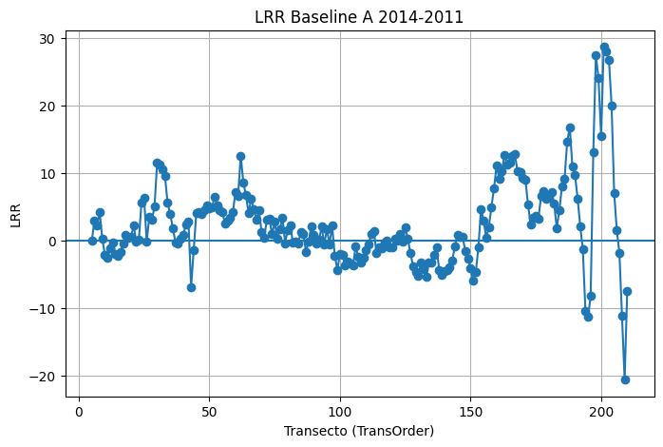
ObjectID | BaselineID | TransOrder | TransEdit | TransectId | ShrCount | LRR | LR2 | LCI | LSE | EPR | EPRunc | NSM | SCE | WLR | WR2 | WCI | WSE | TCD
5 |  | 5 | 0 | 5 | 4 | 0.02 | 0 | 11.13 | 8.52 | -0.29 | 4.71 | -0.87 | 13.71 | 0.02 | 0 | 11.13 | 0.85 | 600
6 |  | 6 | 0 | 6 | 4 | 3.05 | 0.55 | 5.74 | 4.39 | 2.12 | 4.71 | 6.36 | 11.37 | 3.05 | 0.55 | 5.74 | 0.44 | 750
7 |  | 7 | 0 | 7 | 4 | 2.34 | 0.09 | 15.23 | 11.67 | 4.53 | 4.71 | 13.58 | 22.98 | 2.34 | 0.09 | 15.23 | 1.17 | 900
8 |  | 8 | 0 | 8 | 4 | 4.25 | 0.35 | 12.03 | 9.22 | 3.18 | 4.71 | 9.54 | 22.59 | 4.25 | 0.35 | 12.03 | 0.92 | 1050
9 |  | 9 | 0 | 9 | 4 | 0.28 | 0 | 9.92 | 7.6 | -0.29 | 4.71 | -0.87 | 13.18 | 0.28 | 0 | 9.92 | 0.76 | 1200
10 |  | 10 | 0 | 10 | 4 | -2.06 | 0.12 | 11.26 | 8.62 | -0.33 | 4.71 | -0.98 | 17.61 | -2.06 | 0.12 | 11.26 | 0.86 | 1350
11 |  | 11 | 0 | 11 | 4 | -2.52 | 0.08 | 17.73 | 13.58 | -0.08 | 4.71 | -0.25 | 24.41 | -2.52 | 0.08 | 17.73 | 1.36 | 1500
12 |  | 12 | 0 | 12 | 4 | -1.1 | 0.02 | 14.31 | 10.95 | 0.16 | 4.71 | 0.49 | 19.45 | -1.1 | 0.02 | 14.31 | 1.1 | 1650
13 |  | 13 | 0 | 13 | 4 | -0.23 | 0 | 16.99 | 13.01 | 0.68 | 4.71 | 2.04 | 22.58 | -0.23 | 0 | 16.99 | 1.3 | 1800
14 |  | 14 | 0 | 14 | 4 | -1.9 | 0.04 | 19.21 | 14.71 | -0.15 | 4.71 | -0.45 | 26.22 | -1.9 | 0.04 | 19.21 | 1.47 | 1950
15 |  | 15 | 0 | 15 | 4 | -2.26 | 0.04 | 22.27 | 17.05 | 0.06 | 4.71 | 0.17 | 30.08 | -2.26 | 0.04 | 22.27 | 1.71 | 2100
16 |  | 16 | 0 | 16 | 4 | -1.64 | 0.02 | 22.57 | 17.29 | 0.72 | 4.71 | 2.17 | 31.15 | -1.64 | 0.02 | 22.57 | 1.73 | 2250
17 |  | 17 | 0 | 17 | 4 | -0.32 | 0 | 18.04 | 13.82 | 1.44 | 4.71 | 4.33 | 25.81 | -0.32 | 0 | 18.04 | 1.38 | 2400
18 |  | 18 | 0 | 18 | 4 | 0.85 | 0.01 | 14.53 | 11.13 | 2.18 | 4.71 | 6.54 | 21.79 | 0.85 | 0.01 | 14.53 | 1.11 | 2550
19 |  | 19 | 0 | 19 | 4 | 0.39 | 0 | 16.61 | 12.72 | 2.12 | 4.71 | 6.37 | 24.51 | 0.39 | 0 | 16.61 | 1.27 | 2700
20 |  | 20 | 0 | 20 | 4 | 0.54 | 0 | 16.6 | 12.71 | 2.27 | 4.71 | 6.8 | 24.64 | 0.54 | 0 | 16.6 | 1.27 | 2850
21 |  | 21 | 0 | 21 | 4 | 2.34 | 0.12 | 13.31 | 10.19 | 3.49 | 4.71 | 10.46 | 21.41 | 2.34 | 0.12 | 13.31 | 1.02 | 3000
22 |  | 22 | 0 | 22 | 4 | -0.14 | 0 | 17.75 | 13.59 | 0.27 | 4.71 | 0.81 | 21.32 | -0.14 | 0 | 17.75 | 1.36 | 3150
23 |  | 23 | 0 | 23 | 4 | 0.13 | 0 | 12.49 | 9.57 | 1.4 | 4.71 | 4.2 | 18.26 | 0.13 | 0 | 12.49 | 0.96 | 3300
24 |  | 24 | 0 | 24 | 4 | 5.69 | 0.46 | 12.74 | 9.76 | 7.51 | 4.71 | 22.52 | 23.05 | 5.69 | 0.46 | 12.74 | 0.98 | 3450
25 |  | 25 | 0 | 25 | 4 | 6.35 | 0.91 | 4.17 | 3.19 | 6.53 | 4.71 | 19.6 | 19.6 | 6.35 | 0.91 | 4.17 | 0.32 | 3600
26 |  | 26 | 0 | 26 | 4 | -0.14 | 0 | 12.03 | 9.22 | -0.1 | 4.71 | -0.29 | 13.45 | -0.14 | 0 | 12.03 | 0.92 | 3750
27 |  | 27 | 0 | 27 | 4 | 3.62 | 0.35 | 10.22 | 7.82 | 2.3 | 4.71 | 6.9 | 17.82 | 3.62 | 0.35 | 10.22 | 0.78 | 3900
28 |  | 28 | 0 | 28 | 4 | 3.11 | 0.76 | 3.61 | 2.77 | 2.57 | 4.71 | 7.7 | 9.26 | 3.11 | 0.76 | 3.61 | 0.28 | 4050
29 |  | 29 | 0 | 29 | 4 | 5.08 | 0.94 | 2.71 | 2.07 | 4.69 | 4.71 | 14.07 | 14.07 | 5.08 | 0.94 | 2.71 | 0.21 | 4200
30 |  | 30 | 0 | 30 | 4 | 11.61 | 0.85 | 10.21 | 7.82 | 10.25 | 4.71 | 30.76 | 33.59 | 11.61 | 0.85 | 10.21 | 0.78 | 4350
31 |  | 31 | 0 | 31 | 4 | 11.33 | 0.93 | 6.25 | 4.79 | 10.37 | 4.71 | 31.12 | 31.12 | 11.33 | 0.93 | 6.25 | 0.48 | 4500
32 |  | 32 | 0 | 32 | 4 | 10.57 | 0.94 | 5.28 | 4.04 | 9.72 | 4.71 | 29.17 | 29.17 | 10.57 | 0.94 | 5.28 | 0.4 | 4650
33 |  | 33 | 0 | 33 | 4 | 9.56 | 0.94 | 4.93 | 3.78 | 8.83 | 4.71 | 26.5 | 26.5 | 9.56 | 0.94 | 4.93 | 0.38 | 4800
34 |  | 34 | 0 | 34 | 4 | 5.62 | 0.62 | 9.18 | 7.03 | 6.38 | 4.71 | 19.14 | 19.14 | 5.62 | 0.62 | 9.18 | 0.7 | 4950
35 |  | 35 | 0 | 35 | 4 | 4.02 | 0.19 | 17.27 | 13.23 | 5.66 | 4.71 | 16.98 | 28.99 | 4.02 | 0.19 | 17.27 | 1.32 | 5100
36 |  | 36 | 0 | 36 | 4 | 1.92 | 0.05 | 17.04 | 13.05 | 3.68 | 4.71 | 11.03 | 26.66 | 1.92 | 0.05 | 17.04 | 1.3 | 5250
37 |  | 37 | 0 | 37 | 4 | -0.21 | 0 | 18.22 | 13.95 | 2.47 | 4.71 | 7.42 | 24.35 | -0.21 | 0 | 18.22 | 1.4 | 5400
38 |  | 38 | 0 | 38 | 4 | -0.42 | 0 | 15.11 | 11.57 | 1.33 | 4.71 | 3.98 | 21.48 | -0.42 | 0 | 15.11 | 1.16 | 5550
39 |  | 39 | 0 | 39 | 4 | 0.36 | 0 | 18.92 | 14.49 | 2.34 | 4.71 | 7.02 | 27.84 | 0.36 | 0 | 18.92 | 1.45 | 5700
40 |  | 40 | 0 | 40 | 4 | 0.93 | 0.01 | 23.31 | 17.85 | 3.45 | 4.71 | 10.35 | 34.8 | 0.93 | 0.01 | 23.31 | 1.79 | 5850
41 |  | 41 | 0 | 41 | 4 | 2.36 | 0.03 | 25.71 | 19.69 | 5.59 | 4.71 | 16.77 | 39.23 | 2.36 | 0.03 | 25.71 | 1.97 | 6000
42 |  | 42 | 0 | 42 | 4 | 2.91 | 0.05 | 27.68 | 21.19 | 7.03 | 4.71 | 21.08 | 39.28 | 2.91 | 0.05 | 27.68 | 2.12 | 6150
43 |  | 43 | 0 | 43 | 4 | -6.83 | 0.2 | 27.8 | 21.29 | -4.92 | 4.71 | -14.76 | 46.63 | -6.83 | 0.2 | 27.8 | 2.13 | 6300
44 |  | 44 | 0 | 44 | 4 | -1.31 | 0.01 | 24.61 | 18.85 | 0.77 | 4.71 | 2.31 | 33.88 | -1.31 | 0.01 | 24.61 | 1.88 | 6450
45 |  | 45 | 0 | 45 | 4 | 4.16 | 0.11 | 24.21 | 18.54 | 5.88 | 4.71 | 17.65 | 38.03 | 4.16 | 0.11 | 24.21 | 1.85 | 6600
46 |  | 46 | 0 | 46 | 4 | 4.24 | 0.2 | 17.44 | 13.36 | 5.35 | 4.71 | 16.04 | 28.24 | 4.24 | 0.2 | 17.44 | 1.34 | 6750
47 |  | 47 | 0 | 47 | 4 | 4.02 | 0.34 | 11.66 | 8.93 | 4.91 | 4.71 | 14.73 | 20.49 | 4.02 | 0.34 | 11.66 | 0.89 | 6900
48 |  | 48 | 0 | 48 | 4 | 4.55 | 0.6 | 7.65 | 5.86 | 5.32 | 4.71 | 15.97 | 15.97 | 4.55 | 0.6 | 7.65 | 0.59 | 7050
49 |  | 49 | 0 | 49 | 4 | 5.29 | 0.55 | 9.81 | 7.52 | 6.82 | 4.71 | 20.47 | 20.47 | 5.29 | 0.55 | 9.81 | 0.75 | 7200
50 |  | 50 | 0 | 50 | 4 | 4.8 | 0.31 | 14.95 | 11.45 | 7.16 | 4.71 | 21.49 | 22.16 | 4.8 | 0.31 | 14.95 | 1.14 | 7350
51 |  | 51 | 0 | 51 | 4 | 4.97 | 0.29 | 16.16 | 12.37 | 7.5 | 4.71 | 22.51 | 24.38 | 4.97 | 0.29 | 16.16 | 1.24 | 7500
52 |  | 52 | 0 | 52 | 4 | 6.52 | 0.47 | 14.43 | 11.05 | 8.78 | 4.71 | 26.33 | 26.33 | 6.52 | 0.47 | 14.43 | 1.11 | 7650
53 |  | 53 | 0 | 53 | 4 | 5.24 | 0.54 | 9.89 | 7.58 | 6.81 | 4.71 | 20.44 | 20.44 | 5.24 | 0.54 | 9.89 | 0.76 | 7800
54 |  | 54 | 0 | 54 | 4 | 4.48 | 0.7 | 6.09 | 4.66 | 5.2 | 4.71 | 15.59 | 15.59 | 4.48 | 0.7 | 6.09 | 0.47 | 7950
55 |  | 55 | 0 | 55 | 4 | 4.19 | 0.53 | 8.08 | 6.19 | 4.54 | 4.71 | 13.63 | 15.72 | 4.19 | 0.53 | 8.08 | 0.62 | 8100
56 |  | 56 | 0 | 56 | 4 | 2.51 | 0.3 | 7.9 | 6.05 | 3.77 | 4.71 | 11.3 | 11.66 | 2.51 | 0.3 | 7.9 | 0.61 | 8250
57 |  | 57 | 0 | 57 | 4 | 3.03 | 0.21 | 12.02 | 9.2 | 2.41 | 4.71 | 7.24 | 20.24 | 3.03 | 0.21 | 12.02 | 0.92 | 8400
58 |  | 58 | 0 | 58 | 4 | 3.41 | 0.25 | 12.24 | 9.38 | 1.88 | 4.71 | 5.64 | 19.81 | 3.41 | 0.25 | 12.24 | 0.94 | 8550
59 |  | 59 | 0 | 59 | 4 | 4.25 | 0.26 | 14.64 | 11.21 | 2.83 | 4.71 | 8.49 | 25.43 | 4.25 | 0.26 | 14.64 | 1.12 | 8700
60 |  | 60 | 0 | 60 | 4 | 7.23 | 0.43 | 17.05 | 13.05 | 5.33 | 4.71 | 16 | 33.53 | 7.23 | 0.43 | 17.05 | 1.31 | 8850
61 |  | 61 | 0 | 61 | 4 | 6.7 | 0.26 | 23.28 | 17.83 | 7.72 | 4.71 | 23.16 | 37.08 | 6.7 | 0.26 | 23.28 | 1.78 | 9000
62 |  | 62 | 0 | 62 | 4 | 12.62 | 0.92 | 7.89 | 6.04 | 13.88 | 4.71 | 41.64 | 41.64 | 12.62 | 0.92 | 7.89 | 0.6 | 9150
...

B2_2014-2011
Rate: B2_2014-2011_rates_20260403_203236 |  |  | LRR

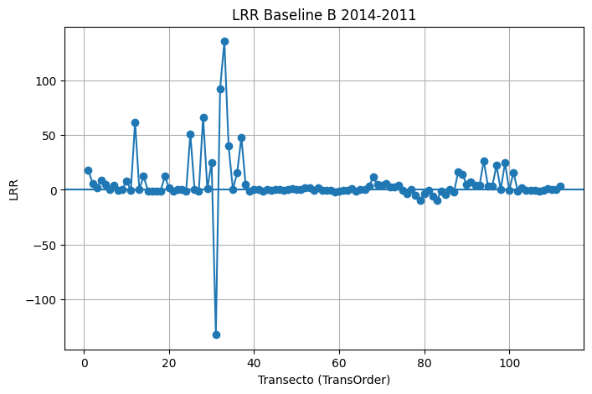
ObjectID | BaselineID | TransOrder | TransEdit | TransectId | ShrCount | LRR | LR2 | LCI | LSE | EPR | EPRunc | NSM | SCE | WLR | WR2 | WCI | WSE | TCD
1 |  | 1 | 0 | 1 | 4 | 18.27 | 0.84 | 16.29 | 12.48 | 18.38 | 4.71 | 55.14 | 55.14 | 18.27 | 0.84 | 16.29 | 1.25 | 0
2 |  | 2 | 0 | 2 | 4 | 5.91 | 0.17 | 27.02 | 20.69 | 7.31 | 4.71 | 21.93 | 42.03 | 5.91 | 0.17 | 27.02 | 2.07 | 150
3 |  | 3 | 0 | 3 | 4 | 1.51 | 0.1 | 9.53 | 7.3 | 2.59 | 4.71 | 7.76 | 15.35 | 1.51 | 0.1 | 9.53 | 0.73 | 300
4 |  | 4 | 0 | 4 | 4 | 9.12 | 0.64 | 14.11 | 10.8 | 10.39 | 4.71 | 31.16 | 31.16 | 9.12 | 0.64 | 14.11 | 1.08 | 450
5 |  | 5 | 0 | 5 | 4 | 4.99 | 0.05 | 47.27 | 36.2 | -1.11 | 4.71 | -3.33 | 62.37 | 4.99 | 0.05 | 47.27 | 3.62 | 600
6 |  | 6 | 0 | 6 | 4 | 0.13 | 0.02 | 1.89 | 1.44 | 0.17 | 4.71 | 0.52 | 2.42 | 0.13 | 0.02 | 1.89 | 0.14 | 750
7 |  | 7 | 0 | 7 | 4 | 3.87 | 0.01 | 69.57 | 53.27 | 4.31 | 4.71 | 12.93 | 81.81 | 3.87 | 0.01 | 69.57 | 5.33 | 900
8 |  | 8 | 0 | 8 | 4 | -0.74 | 0.25 | 2.67 | 2.04 | -0.85 | 4.71 | -2.54 | 4.18 | -0.74 | 0.25 | 2.67 | 0.2 | 1050
9 |  | 9 | 0 | 9 | 4 | 0.37 | 0.01 | 8.72 | 6.68 | 0.99 | 4.71 | 2.96 | 12.56 | 0.37 | 0.01 | 8.72 | 0.67 | 1200
10 |  | 10 | 0 | 10 | 4 | 8.09 | 0.08 | 55.97 | 42.86 | 8.89 | 4.71 | 26.67 | 74.13 | 8.09 | 0.08 | 55.97 | 4.29 | 1350
11 |  | 11 | 0 | 11 | 4 | -0.31 | 0.02 | 4.04 | 3.09 | -0.01 | 4.71 | -0.02 | 5.39 | -0.31 | 0.02 | 4.04 | 0.31 | 1500
12 |  | 12 | 0 | 12 | 4 | 61.9 | 0.55 | 116.6 | 89.29 | 70.38 | 4.71 | 211.15 | 225.53 | 61.9 | 0.55 | 116.6 | 8.93 | 1650
13 |  | 13 | 0 | 13 | 4 | -0.01 | 0 | 4.61 | 3.53 | -0.21 | 4.71 | -0.64 | 6.05 | -0.01 | 0 | 4.61 | 0.35 | 1800
14 |  | 14 | 0 | 14 | 4 | 12.72 | 0.06 | 105.99 | 81.16 | -0.91 | 4.71 | -2.74 | 138.44 | 12.72 | 0.06 | 105.99 | 8.12 | 1950
15 |  | 15 | 0 | 15 | 4 | -0.83 | 0.02 | 11.03 | 8.44 | -0.3 | 4.71 | -0.89 | 14.65 | -0.83 | 0.02 | 11.03 | 0.84 | 2100
16 |  | 16 | 0 | 16 | 4 | -1.37 | 0.5 | 2.83 | 2.17 | -1.42 | 4.71 | -4.26 | 5.66 | -1.37 | 0.5 | 2.83 | 0.22 | 2250
17 |  | 17 | 0 | 17 | 4 | -0.89 | 0.69 | 1.23 | 0.94 | -1.01 | 4.71 | -3.02 | 3.02 | -0.89 | 0.69 | 1.23 | 0.09 | 2400
18 |  | 18 | 0 | 18 | 4 | -0.98 | 0.02 | 14.76 | 11.31 | -0.55 | 4.71 | -1.66 | 18.96 | -0.98 | 0.02 | 14.76 | 1.13 | 2550
19 |  | 19 | 0 | 19 | 4 | 12.24 | 0.43 | 28.92 | 22.14 | 13.69 | 4.71 | 41.06 | 50.69 | 12.24 | 0.43 | 28.92 | 2.21 | 2700
20 |  | 20 | 0 | 20 | 4 | 1.5 | 0.12 | 8.3 | 6.35 | 0.91 | 4.71 | 2.74 | 12.84 | 1.5 | 0.12 | 8.3 | 0.64 | 2850
21 |  | 21 | 0 | 21 | 4 | -1.44 | 0.94 | 0.78 | 0.6 | -1.49 | 4.71 | -4.48 | 4.48 | -1.44 | 0.94 | 0.78 | 0.06 | 3000
22 |  | 22 | 0 | 22 | 4 | 0.06 | 0.01 | 1.25 | 0.96 | 0.25 | 4.71 | 0.75 | 1.68 | 0.06 | 0.01 | 1.25 | 0.1 | 3150
23 |  | 23 | 0 | 23 | 4 | 0.2 | 0.04 | 2.02 | 1.55 | 0.09 | 4.71 | 0.27 | 2.8 | 0.2 | 0.04 | 2.02 | 0.15 | 3300
24 |  | 24 | 0 | 24 | 4 | -1.45 | 0.33 | 4.26 | 3.26 | -1.75 | 4.71 | -5.25 | 7.4 | -1.45 | 0.33 | 4.26 | 0.33 | 3450
25 |  | 25 | 0 | 25 | 4 | 50.73 | 0.07 | 391.24 | 299.6 | -0.34 | 4.71 | -1.02 | 510.38 | 50.73 | 0.07 | 391.24 | 29.96 | 3600
26 |  | 26 | 0 | 26 | 4 | -0.01 | 0 | 1.5 | 1.15 | 0.13 | 4.71 | 0.4 | 2.16 | -0.01 | 0 | 1.5 | 0.11 | 3750
27 |  | 27 | 0 | 27 | 4 | -0.85 | 0 | 638.23 | 488.75 | -0.9 | 4.71 | -2.69 | 692.75 | -0.85 | 0 | 638.23 | 48.87 | 3900
28 |  | 28 | 0 | 28 | 4 | 66.5 | 0.1 | 418.27 | 320.3 | 14.51 | 4.71 | 43.54 | 578.04 | 66.5 | 0.1 | 418.27 | 32.03 | 4050
29 |  | 29 | 0 | 29 | 4 | 0.9 | 0.5 | 1.88 | 1.44 | 1.09 | 4.71 | 3.26 | 3.62 | 0.9 | 0.5 | 1.88 | 0.14 | 4200
30 |  | 30 | 0 | 30 | 4 | 25.21 | 0.09 | 169.57 | 129.85 | 6.97 | 4.71 | 20.91 | 242.08 | 25.21 | 0.09 | 169.57 | 12.99 | 4350
31 |  | 31 | 0 | 31 | 4 | -132.39 | 0.09 | 860.29 | 658.79 | -269.82 | 4.71 | -809.45 | 1104.49 | -132.39 | 0.09 | 860.29 | 65.88 | 4500
32 |  | 32 | 0 | 32 | 4 | 92.41 | 0.06 | 724 | 554.42 | -24.47 | 4.71 | -73.42 | 1144.35 | 92.41 | 0.06 | 724 | 55.44 | 4650
33 |  | 33 | 0 | 33 | 4 | 135.76 | 0.07 | 1051.76 | 805.42 | -0.75 | 4.71 | -2.26 | 1364.38 | 135.76 | 0.07 | 1051.76 | 80.54 | 4800
34 |  | 34 | 0 | 34 | 4 | 39.79 | 0.01 | 720.5 | 551.74 | -0.21 | 4.71 | -0.63 | 932.89 | 39.79 | 0.01 | 720.5 | 55.17 | 4950
35 |  | 35 | 0 | 35 | 4 | 0.66 | 0 | 425.18 | 325.59 | 0.72 | 4.71 | 2.15 | 461.61 | 0.66 | 0 | 425.18 | 32.56 | 5100
36 |  | 36 | 0 | 36 | 4 | 15.38 | 0.01 | 434.82 | 332.97 | 2.7 | 4.71 | 8.09 | 531.96 | 15.38 | 0.01 | 434.82 | 33.3 | 5250
...

A2_2010-2007
Rate: A2_2010-2007_rates_20260406_114408

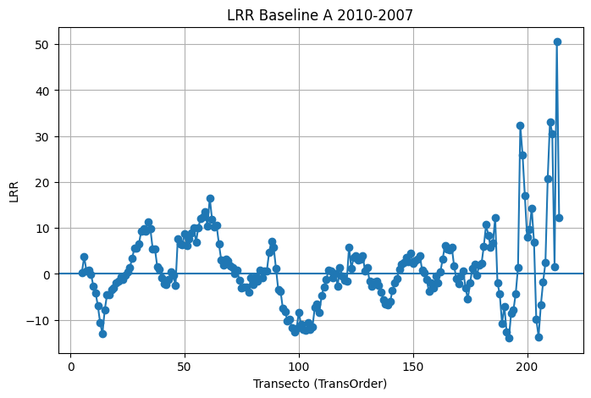
ObjectID | BaselineID | TransOrder | TransEdit | TransectId | ShrCount | LRR | LR2 | LCI | LSE | EPR | EPRunc | NSM | SCE | WLR | WR2 | WCI | WSE | TCD
5 |  | 5 | 0 | 5 | 4 | 0.33 | 0 | 12.53 | 9.59 | 2.05 | 4.71 | 6.15 | 17.79 | 0.33 | 0 | 12.53 | 0.96 | 600
6 |  | 6 | 0 | 6 | 4 | 3.7 | 0.5 | 7.69 | 5.89 | 4.89 | 4.71 | 14.67 | 14.67 | 3.7 | 0.5 | 7.69 | 0.59 | 750
7 |  | 7 | 0 | 7 | 4 | 0.68 | 0.03 | 7.51 | 5.75 | 0.79 | 4.71 | 2.36 | 9.44 | 0.68 | 0.03 | 7.51 | 0.58 | 900
8 |  | 8 | 0 | 8 | 4 | 0.75 | 0.28 | 2.46 | 1.88 | 0.96 | 4.71 | 2.87 | 4.26 | 0.75 | 0.28 | 2.46 | 0.19 | 1050
9 |  | 9 | 0 | 9 | 4 | -0.05 | 0 | 5.29 | 4.05 | 0.8 | 4.71 | 2.41 | 7.73 | -0.05 | 0 | 5.29 | 0.4 | 1200
10 |  | 10 | 0 | 10 | 4 | -2.62 | 0.69 | 3.61 | 2.77 | -2.71 | 4.71 | -8.14 | 8.83 | -2.62 | 0.69 | 3.61 | 0.28 | 1350
11 |  | 11 | 0 | 11 | 4 | -4.07 | 0.65 | 6.11 | 4.68 | -3.4 | 4.71 | -10.2 | 15.01 | -4.07 | 0.65 | 6.11 | 0.47 | 1500
12 |  | 12 | 0 | 12 | 4 | -7 | 0.81 | 6.98 | 5.34 | -6.11 | 4.71 | -18.34 | 21.3 | -7 | 0.81 | 6.98 | 0.53 | 1650
13 |  | 13 | 0 | 13 | 4 | -10.64 | 0.9 | 7.23 | 5.54 | -11.01 | 4.71 | -33.04 | 33.04 | -10.64 | 0.9 | 7.23 | 0.55 | 1800
14 |  | 14 | 0 | 14 | 4 | -12.99 | 0.81 | 12.8 | 9.8 | -14.31 | 4.71 | -42.93 | 42.93 | -12.99 | 0.81 | 12.8 | 0.98 | 1950
15 |  | 15 | 0 | 15 | 4 | -7.89 | 0.75 | 9.46 | 7.24 | -9.12 | 4.71 | -27.37 | 27.37 | -7.89 | 0.75 | 9.46 | 0.72 | 2100
16 |  | 16 | 0 | 16 | 4 | -4.54 | 0.44 | 10.65 | 8.15 | -6.13 | 4.71 | -18.39 | 18.43 | -4.54 | 0.44 | 10.65 | 0.82 | 2250
17 |  | 17 | 0 | 17 | 4 | -4.6 | 0.62 | 7.48 | 5.73 | -5.79 | 4.71 | -17.38 | 17.38 | -4.6 | 0.62 | 7.48 | 0.57 | 2400
18 |  | 18 | 0 | 18 | 4 | -3.35 | 0.56 | 6.09 | 4.67 | -3.62 | 4.71 | -10.87 | 12.2 | -3.35 | 0.56 | 6.09 | 0.47 | 2550
19 |  | 19 | 0 | 19 | 4 | -3.1 | 0.26 | 10.93 | 8.37 | -3.18 | 4.71 | -9.55 | 17.77 | -3.1 | 0.26 | 10.93 | 0.84 | 2700
20 |  | 20 | 0 | 20 | 4 | -2.04 | 0.08 | 14.08 | 10.78 | -1.32 | 4.71 | -3.97 | 20.69 | -2.04 | 0.08 | 14.08 | 1.08 | 2850
21 |  | 21 | 0 | 21 | 4 | -1.57 | 0.07 | 12.01 | 9.2 | -1.39 | 4.71 | -4.18 | 16.63 | -1.57 | 0.07 | 12.01 | 0.92 | 3000
22 |  | 22 | 0 | 22 | 4 | -0.62 | 0.01 | 13.37 | 10.24 | -1.03 | 4.71 | -3.1 | 17.3 | -0.62 | 0.01 | 13.37 | 1.02 | 3150
23 |  | 23 | 0 | 23 | 4 | -1.2 | 0.02 | 15.48 | 11.86 | -2.56 | 4.71 | -7.68 | 23.43 | -1.2 | 0.02 | 15.48 | 1.19 | 3300
24 |  | 24 | 0 | 24 | 4 | -0.32 | 0 | 13.48 | 10.32 | -0.77 | 4.71 | -2.32 | 17.32 | -0.32 | 0 | 13.48 | 1.03 | 3450
25 |  | 25 | 0 | 25 | 4 | 0.43 | 0 | 13.53 | 10.36 | -1.24 | 4.71 | -3.72 | 19.05 | 0.43 | 0 | 13.53 | 1.04 | 3600
26 |  | 26 | 0 | 26 | 4 | 1.37 | 0.03 | 16.17 | 12.38 | 0.61 | 4.71 | 1.83 | 21.77 | 1.37 | 0.03 | 16.17 | 1.24 | 3750
27 |  | 27 | 0 | 27 | 4 | 3.36 | 0.25 | 12.13 | 9.29 | 2.76 | 4.71 | 8.29 | 21.04 | 3.36 | 0.25 | 12.13 | 0.93 | 3900
28 |  | 28 | 0 | 28 | 4 | 5.6 | 0.99 | 1.15 | 0.88 | 5.54 | 4.71 | 16.61 | 16.61 | 5.6 | 0.99 | 1.15 | 0.09 | 4050
29 |  | 29 | 0 | 29 | 4 | 5.62 | 0.67 | 8.08 | 6.19 | 4.66 | 4.71 | 13.98 | 20.05 | 5.62 | 0.67 | 8.08 | 0.62 | 4200
30 |  | 30 | 0 | 30 | 4 | 6.58 | 0.56 | 12.14 | 9.29 | 6.47 | 4.71 | 19.41 | 26.6 | 6.58 | 0.56 | 12.14 | 0.93 | 4350
31 |  | 31 | 0 | 31 | 4 | 9.34 | 0.9 | 6.41 | 4.91 | 8.54 | 4.71 | 25.61 | 25.61 | 9.34 | 0.9 | 6.41 | 0.49 | 4500
32 |  | 32 | 0 | 32 | 4 | 9.78 | 0.82 | 9.44 | 7.23 | 8.93 | 4.71 | 26.8 | 30.6 | 9.78 | 0.82 | 9.44 | 0.72 | 4650
33 |  | 33 | 0 | 33 | 4 | 9.29 | 1 | 0.84 | 0.64 | 9.36 | 4.71 | 28.08 | 28.08 | 9.29 | 1 | 0.84 | 0.06 | 4800
34 |  | 34 | 0 | 34 | 4 | 11.37 | 0.93 | 6.28 | 4.81 | 10.37 | 4.71 | 31.1 | 31.1 | 11.37 | 0.93 | 6.28 | 0.48 | 4950
35 |  | 35 | 0 | 35 | 4 | 9.76 | 0.92 | 5.84 | 4.47 | 8.82 | 4.71 | 26.46 | 26.46 | 9.76 | 0.92 | 5.84 | 0.45 | 5100
36 |  | 36 | 0 | 36 | 4 | 5.49 | 0.57 | 9.81 | 7.51 | 3.95 | 4.71 | 11.85 | 19.32 | 5.49 | 0.57 | 9.81 | 0.75 | 5250
37 |  | 37 | 0 | 37 | 4 | 5.41 | 0.5 | 11.22 | 8.59 | 4.18 | 4.71 | 12.55 | 23.43 | 5.41 | 0.5 | 11.22 | 0.86 | 5400
38 |  | 38 | 0 | 38 | 4 | 1.61 | 0.13 | 8.49 | 6.5 | 0.24 | 4.71 | 0.73 | 13.88 | 1.61 | 0.13 | 8.49 | 0.65 | 5550
39 |  | 39 | 0 | 39 | 4 | 0.93 | 0.05 | 8.08 | 6.19 | -0.19 | 4.71 | -0.56 | 11 | 0.93 | 0.05 | 8.08 | 0.62 | 5700
...

B2_2010-2007
Rate: B2_2010-2007_rates_20260406_114502

ObjectID | BaselineID | TransOrder | TransEdit | TransectId | ShrCount | LRR | LR2 | LCI | LSE | EPR | EPRunc | NSM | SCE | WLR | WR2 | WCI | WSE
1 |  | 1 | 0 | 1 | 4 | 54.52 | 0.93 | 31.55 | 24.16 | 53.46 | 4.71 | 160.39 | 160.39 | 54.52 | 0.93 | 31.55 | 2.42
2 |  | 2 | 0 | 2 | 4 | -18.49 | 0.62 | 29.71 | 22.75 | -16.61 | 4.71 | -49.82 | 72.22 | -18.49 | 0.62 | 29.71 | 2.28
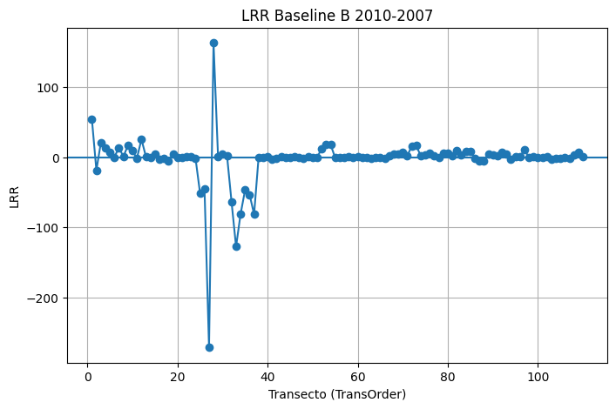
3 |  | 3 | 0 | 3 | 4 | 21.3 | 0.8 | 22.18 | 16.99 | 17.83 | 4.71 | 53.49 | 59.01 | 21.3 | 0.8 | 22.18 | 1.7
4 |  | 4 | 0 | 4 | 4 | 13.6 | 0.31 | 41.74 | 31.97 | 7.92 | 4.71 | 23.76 | 68.56 | 13.6 | 0.31 | 41.74 | 3.2
5 |  | 5 | 0 | 5 | 4 | 6.57 | 0.08 | 46.96 | 35.96 | 0.39 | 4.71 | 1.16 | 62.17 | 6.57 | 0.08 | 46.96 | 3.6
6 |  | 6 | 0 | 6 | 4 | 0.3 | 0 | 11.96 | 9.16 | -1.3 | 4.71 | -3.9 | 16.55 | 0.3 | 0 | 11.96 | 0.92
7 |  | 7 | 0 | 7 | 4 | 13.86 | 0.09 | 92.39 | 70.75 | 2.13 | 4.71 | 6.4 | 124.74 | 13.86 | 0.09 | 92.39 | 7.07
8 |  | 8 | 0 | 8 | 4 | 0.95 | 0.03 | 10.64 | 8.15 | -0.24 | 4.71 | -0.72 | 14.51 | 0.95 | 0.03 | 10.64 | 0.82
9 |  | 9 | 0 | 9 | 4 | 17.19 | 0.37 | 46.35 | 35.49 | 14.95 | 4.71 | 44.84 | 88.99 | 17.19 | 0.37 | 46.35 | 3.55
10 |  | 10 | 0 | 10 | 4 | 9.11 | 0.05 | 82.28 | 63.01 | -1.38 | 4.71 | -4.15 | 108.47 | 9.11 | 0.05 | 82.28 | 6.3
11 |  | 11 | 0 | 11 | 4 | -1.36 | 0.27 | 4.61 | 3.53 | -1.7 | 4.71 | -5.1 | 7.84 | -1.36 | 0.27 | 4.61 | 0.35
12 |  | 12 | 0 | 12 | 4 | 25.77 | 0.07 | 187.89 | 143.88 | 1.42 | 4.71 | 4.26 | 245.94 | 25.77 | 0.07 | 187.89 | 14.39
13 |  | 13 | 0 | 13 | 4 | 0.89 | 0.14 | 4.48 | 3.43 | 0.76 | 4.71 | 2.29 | 6.95 | 0.89 | 0.14 | 4.48 | 0.34
14 |  | 14 | 0 | 14 | 4 | -0.87 | 0.75 | 1.03 | 0.79 | -0.71 | 4.71 | -2.12 | 2.53 | -0.87 | 0.75 | 1.03 | 0.08
15 |  | 15 | 0 | 15 | 4 | 4.77 | 0.12 | 27.12 | 20.77 | 1.45 | 4.71 | 4.34 | 38.65 | 4.77 | 0.12 | 27.12 | 2.08
16 |  | 16 | 0 | 16 | 4 | -3.18 | 0.38 | 8.32 | 6.37 | -2.49 | 4.71 | -7.47 | 16.15 | -3.18 | 0.38 | 8.32 | 0.64
17 |  | 17 | 0 | 17 | 4 | -1.54 | 0.35 | 4.31 | 3.3 | -1.29 | 4.71 | -3.88 | 8.18 | -1.54 | 0.35 | 4.31 | 0.33
18 |  | 18 | 0 | 18 | 4 | -4.99 | 0.39 | 12.89 | 9.87 | -2.95 | 4.71 | -8.85 | 23.37 | -4.99 | 0.39 | 12.89 | 0.99
19 |  | 19 | 0 | 19 | 4 | 4.06 | 0.24 | 14.8 | 11.33 | 2.01 | 4.71 | 6.02 | 22.57 | 4.06 | 0.24 | 14.8 | 1.13
20 |  | 20 | 0 | 20 | 4 | 0.09 | 0.01 | 2.14 | 1.64 | 0.4 | 4.71 | 1.21 | 2.9 | 0.09 | 0.01 | 2.14 | 0.16
21 |  | 21 | 0 | 21 | 4 | -0.6 | 0.26 | 2.09 | 1.6 | -0.61 | 4.71 | -1.84 | 3.43 | -0.6 | 0.26 | 2.09 | 0.16
22 |  | 22 | 0 | 22 | 4 | 1.07 | 0.75 | 1.27 | 0.97 | 0.86 | 4.71 | 2.59 | 2.91 | 1.07 | 0.75 | 1.27 | 0.1
23 |  | 23 | 0 | 23 | 4 | 0.75 | 0.32 | 2.26 | 1.73 | 0.61 | 4.71 | 1.83 | 4.17 | 0.75 | 0.32 | 2.26 | 0.17
24 |  | 24 | 0 | 24 | 4 | -1.38 | 0.23 | 5.19 | 3.97 | -0.65 | 4.71 | -1.95 | 7.99 | -1.38 | 0.23 | 5.19 | 0.4
25 |  | 25 | 0 | 25 | 4 | -50.81 | 0.07 | 391.29 | 299.64 | -0.01 | 4.71 | -0.03 | 508.05 | -50.81 | 0.07 | 391.29 | 29.96
26 |  | 26 | 0 | 26 | 4 | -45.5 | 0.43 | 107.49 | 82.32 | -29.8 | 4.71 | -89.41 | 187.71 | -45.5 | 0.43 | 107.49 | 8.23
27 |  | 27 | 0 | 27 | 4 | -271.5 | 0.8 | 281.36 | 215.46 | -226.07 | 4.71 | -678.22 | 680.31 | -271.5 | 0.8 | 281.36 | 21.55
28 |  | 28 | 0 | 28 | 4 | 163.45 | 0.61 | 269.55 | 206.41 | 181.8 | 4.71 | 545.39 | 545.39 | 163.45 | 0.61 | 269.55 | 20.64
29 |  | 29 | 0 | 29 | 4 | 0.73 | 0.14 | 3.76 | 2.88 | 0.74 | 4.71 | 2.21 | 5.54 | 0.73 | 0.14 | 3.76 | 0.29
30 |  | 30 | 0 | 30 | 4 | 4.16 | 0.08 | 29.02 | 22.22 | 1.5 | 4.71 | 4.51 | 42.18 | 4.16 | 0.08 | 29.02 | 2.22
31 |  | 31 | 0 | 31 | 4 | 1.96 | 0.18 | 8.69 | 6.65 | 2.4 | 4.71 | 7.21 | 13.54 | 1.96 | 0.18 | 8.69 | 0.67
32 |  | 32 | 0 | 32 | 4 | -63.76 | 0.04 | 660.69 | 505.95 | -138 | 4.71 | -413.99 | 1022.95 | -63.76 | 0.04 | 660.69 | 50.59
33 |  | 33 | 0 | 33 | 4 | -127.5 | 0.07 | 977.35 | 748.43 | -1.17 | 4.71 | -3.51 | 1268.13 | -127.5 | 0.07 | 977.35 | 74.84
34 |  | 34 | 0 | 34 | 4 | -81.21 | 0.07 | 632.03 | 483.99 | 1.02 | 4.71 | 3.07 | 821.33 | -81.21 | 0.07 | 632.03 | 48.4
35 |  | 35 | 0 | 35 | 4 | -46.65 | 0.07 | 355.23 | 272.03 | -0.45 | 4.71 | -1.34 | 462.45 | -46.65 | 0.07 | 355.23 | 27.2
36 |  | 36 | 0 | 36 | 4 | -53.16 | 0.07 | 403.71 | 309.15 | -0.59 | 4.71 | -1.77 | 526.29 | -53.16 | 0.07 | 403.71 | 30.92
37 |  | 37 | 0 | 37 | 4 | -81.44 | 0.07 | 630.99 | 483.2 | 0.35 | 4.71 | 1.05 | 817.54 | -81.44 | 0.07 | 630.99 | 48.32
...

A2_1994-1945
Rate: A2_1997-1945_rates_20260406_115312

ObjectID | BaselineID | TransOrder | TransEdit | TransectId | ShrCount | LRR | LR2 | LCI | LSE | EPR | EPRunc | NSM | SCE | WLR | WR2 | WCI | WSE | TCD
5 |  | 5 | 0 | 5 | 5 | -1.71 | 0.93 | 0.62 | 11.45 | -1.62 | 0.29 | -79.59 | 86.22 | -1.71 | 0.93 | 0.62 | 1.15 | 600
6 |  | 6 | 0 | 6 | 5 | -1.74 | 0.89 | 0.82 | 15.16 | -1.77 | 0.29 | -86.82 | 89.46 | -1.74 | 0.89 | 0.82 | 1.52 | 750
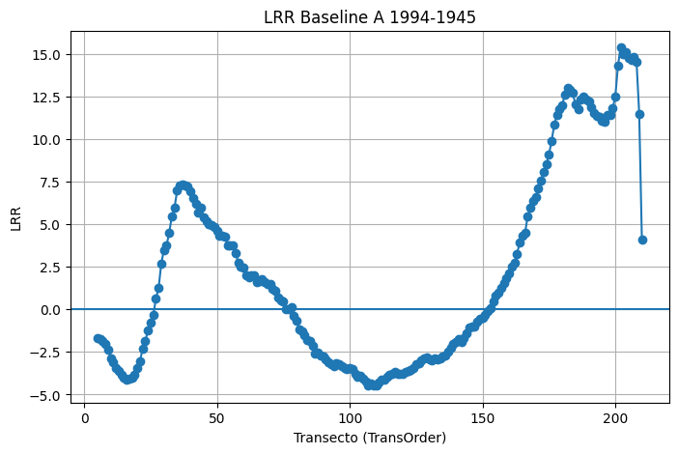
7 |  | 7 | 0 | 7 | 5 | -1.87 | 0.8 | 1.26 | 23.26 | -1.99 | 0.29 | -97.32 | 97.32 | -1.87 | 0.8 | 1.26 | 2.33 | 900
8 |  | 8 | 0 | 8 | 5 | -2.05 | 0.89 | 0.98 | 18.2 | -1.98 | 0.29 | -96.94 | 98.34 | -2.05 | 0.89 | 0.98 | 1.82 | 1050
9 |  | 9 | 0 | 9 | 5 | -2.39 | 0.92 | 0.93 | 17.29 | -2.18 | 0.29 | -106.86 | 109.47 | -2.39 | 0.92 | 0.93 | 1.73 | 1200
10 |  | 10 | 0 | 10 | 5 | -2.86 | 0.95 | 0.9 | 16.68 | -2.68 | 0.29 | -131.18 | 134.01 | -2.86 | 0.95 | 0.9 | 1.67 | 1350
11 |  | 11 | 0 | 11 | 5 | -3.08 | 0.96 | 0.85 | 15.69 | -3 | 0.29 | -147.1 | 147.1 | -3.08 | 0.96 | 0.85 | 1.57 | 1500
12 |  | 12 | 0 | 12 | 5 | -3.44 | 0.97 | 0.8 | 14.75 | -3.37 | 0.29 | -165.37 | 165.37 | -3.44 | 0.97 | 0.8 | 1.48 | 1650
13 |  | 13 | 0 | 13 | 5 | -3.59 | 0.96 | 1.04 | 19.32 | -3.44 | 0.29 | -168.68 | 171.27 | -3.59 | 0.96 | 1.04 | 1.93 | 1800
14 |  | 14 | 0 | 14 | 5 | -3.83 | 0.97 | 0.98 | 18.11 | -3.68 | 0.29 | -180.21 | 180.21 | -3.83 | 0.97 | 0.98 | 1.81 | 1950
15 |  | 15 | 0 | 15 | 5 | -4.01 | 0.97 | 0.97 | 18.02 | -3.88 | 0.29 | -190.19 | 190.19 | -4.01 | 0.97 | 0.97 | 1.8 | 2100
16 |  | 16 | 0 | 16 | 5 | -4.11 | 0.96 | 1.08 | 20.07 | -3.96 | 0.29 | -193.96 | 193.96 | -4.11 | 0.96 | 1.08 | 2.01 | 2250
17 |  | 17 | 0 | 17 | 5 | -4.08 | 0.96 | 1.17 | 21.72 | -3.94 | 0.29 | -193.12 | 194.66 | -4.08 | 0.96 | 1.17 | 2.17 | 2400
18 |  | 18 | 0 | 18 | 5 | -3.99 | 0.96 | 1.12 | 20.71 | -3.91 | 0.29 | -191.5 | 191.5 | -3.99 | 0.96 | 1.12 | 2.07 | 2550
19 |  | 19 | 0 | 19 | 5 | -3.86 | 0.96 | 1.03 | 19.15 | -3.82 | 0.29 | -186.96 | 186.96 | -3.86 | 0.96 | 1.03 | 1.91 | 2700
20 |  | 20 | 0 | 20 | 5 | -3.47 | 0.96 | 0.92 | 17.01 | -3.51 | 0.29 | -172.02 | 172.02 | -3.47 | 0.96 | 0.92 | 1.7 | 2850
21 |  | 21 | 0 | 21 | 5 | -3.03 | 0.95 | 0.94 | 17.5 | -3.04 | 0.29 | -148.88 | 148.88 | -3.03 | 0.95 | 0.94 | 1.75 | 3000
22 |  | 22 | 0 | 22 | 5 | -2.31 | 0.93 | 0.85 | 15.8 | -2.38 | 0.29 | -116.82 | 116.82 | -2.31 | 0.93 | 0.85 | 1.58 | 3150
23 |  | 23 | 0 | 23 | 5 | -1.84 | 0.95 | 0.59 | 11 | -1.93 | 0.29 | -94.8 | 94.8 | -1.84 | 0.95 | 0.59 | 1.1 | 3300
24 |  | 24 | 0 | 24 | 5 | -1.25 | 0.91 | 0.52 | 9.64 | -1.34 | 0.29 | -65.72 | 65.72 | -1.25 | 0.91 | 0.52 | 0.96 | 3450
25 |  | 25 | 0 | 25 | 5 | -0.77 | 0.74 | 0.61 | 11.32 | -0.8 | 0.29 | -39.17 | 39.46 | -0.77 | 0.74 | 0.61 | 1.13 | 3600
26 |  | 26 | 0 | 26 | 5 | -0.34 | 0.34 | 0.63 | 11.75 | -0.34 | 0.29 | -16.44 | 28.91 | -0.34 | 0.34 | 0.63 | 1.18 | 3750
27 |  | 27 | 0 | 27 | 5 | 0.63 | 0.77 | 0.47 | 8.76 | 0.49 | 0.29 | 24.16 | 41.63 | 0.63 | 0.77 | 0.47 | 0.88 | 3900
28 |  | 28 | 0 | 28 | 5 | 1.24 | 0.9 | 0.55 | 10.23 | 0.96 | 0.29 | 46.96 | 64.07 | 1.24 | 0.9 | 0.55 | 1.02 | 4050
29 |  | 29 | 0 | 29 | 5 | 2.67 | 0.91 | 1.14 | 21.14 | 2.05 | 0.29 | 100.36 | 128.73 | 2.67 | 0.91 | 1.14 | 2.11 | 4200
30 |  | 30 | 0 | 30 | 5 | 3.49 | 0.86 | 1.91 | 35.31 | 2.47 | 0.29 | 121.08 | 167.15 | 3.49 | 0.86 | 1.91 | 3.53 | 4350
31 |  | 31 | 0 | 31 | 5 | 3.75 | 0.87 | 2 | 37.11 | 2.67 | 0.29 | 130.6 | 181.48 | 3.75 | 0.87 | 2 | 3.71 | 4500
32 |  | 32 | 0 | 32 | 5 | 4.5 | 0.91 | 1.89 | 34.94 | 3.46 | 0.29 | 169.63 | 210.17 | 4.5 | 0.91 | 1.89 | 3.49 | 4650
33 |  | 33 | 0 | 33 | 5 | 5.48 | 0.94 | 1.93 | 35.71 | 4.5 | 0.29 | 220.72 | 241.74 | 5.48 | 0.94 | 1.93 | 3.57 | 4800
34 |  | 34 | 0 | 34 | 5 | 5.98 | 0.95 | 1.82 | 33.7 | 5.03 | 0.29 | 246.31 | 260.09 | 5.98 | 0.95 | 1.82 | 3.37 | 4950
35 |  | 35 | 0 | 35 | 5 | 6.98 | 0.96 | 1.87 | 34.56 | 6.05 | 0.29 | 296.55 | 297.92 | 6.98 | 0.96 | 1.87 | 3.46 | 5100
36 |  | 36 | 0 | 36 | 5 | 7.26 | 0.97 | 1.7 | 31.42 | 6.53 | 0.29 | 319.87 | 319.87 | 7.26 | 0.97 | 1.7 | 3.14 | 5250
37 |  | 37 | 0 | 37 | 5 | 7.34 | 0.97 | 1.82 | 33.67 | 6.42 | 0.29 | 314.8 | 314.92 | 7.34 | 0.97 | 1.82 | 3.37 | 5400
38 |  | 38 | 0 | 38 | 5 | 7.26 | 0.97 | 1.8 | 33.43 | 6.43 | 0.29 | 315.24 | 315.24 | 7.26 | 0.97 | 1.8 | 3.34 | 5550
39 |  | 39 | 0 | 39 | 5 | 7.23 | 0.97 | 1.82 | 33.67 | 6.51 | 0.29 | 319.03 | 319.26 | 7.23 | 0.97 | 1.82 | 3.37 | 5700
40 |  | 40 | 0 | 40 | 5 | 6.93 | 0.97 | 1.79 | 33.09 | 6.13 | 0.29 | 300.51 | 300.51 | 6.93 | 0.97 | 1.79 | 3.31 | 5850
41 |  | 41 | 0 | 41 | 5 | 6.56 | 0.96 | 1.74 | 32.28 | 5.81 | 0.29 | 284.82 | 288.5 | 6.56 | 0.96 | 1.74 | 3.23 | 6000
...

B2_1994-1945
Rate: B2_1994-1945_rates_20260406_115348

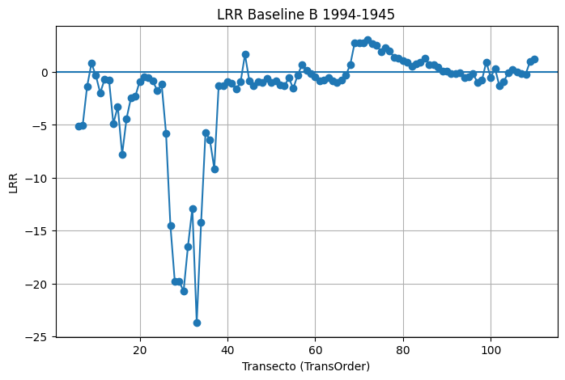
ObjectID | BaselineID | TransOrder | TransEdit | TransectId | ShrCount | LRR | LR2 | LCI | LSE | EPR | EPRunc | NSM | SCE | WLR | WR2 | WCI | WSE | TCD
6 |  | 6 | 0 | 6 | 5 | -5.12 | 0.28 | 11.12 | 206.1 | -0.98 | 0.29 | -48.2 | 484.65 | -5.12 | 0.28 | 11.12 | 20.61 | 750
7 |  | 7 | 0 | 7 | 5 | -5.05 | 0.75 | 3.97 | 73.6 | -3.53 | 0.29 | -173.11 | 290.12 | -5.05 | 0.75 | 3.97 | 7.36 | 900
8 |  | 8 | 0 | 8 | 5 | -1.4 | 0.77 | 1.05 | 19.45 | -1.87 | 0.29 | -91.69 | 91.69 | -1.4 | 0.77 | 1.05 | 1.94 | 1050
9 |  | 9 | 0 | 9 | 5 | 0.83 | 0.23 | 2.06 | 38.16 | -0.32 | 0.29 | -15.58 | 100.02 | 0.83 | 0.23 | 2.06 | 3.82 | 1200
10 |  | 10 | 0 | 10 | 5 | -0.32 | 0.09 | 1.41 | 26.05 | -0.75 | 0.29 | -36.51 | 65.63 | -0.32 | 0.09 | 1.41 | 2.6 | 1350
11 |  | 11 | 0 | 11 | 5 | -1.98 | 0.96 | 0.58 | 10.71 | -2.03 | 0.29 | -99.43 | 99.43 | -1.98 | 0.96 | 0.58 | 1.07 | 1500
12 |  | 12 | 0 | 12 | 5 | -0.69 | 0.5 | 0.93 | 17.3 | -0.7 | 0.29 | -34.06 | 55.61 | -0.69 | 0.5 | 0.93 | 1.73 | 1650
13 |  | 13 | 0 | 13 | 5 | -0.74 | 0.91 | 0.31 | 5.77 | -0.68 | 0.29 | -33.21 | 39.49 | -0.74 | 0.91 | 0.31 | 0.58 | 1800
14 |  | 14 | 0 | 14 | 5 | -4.89 | 0.67 | 4.65 | 86.14 | -3.82 | 0.29 | -186.95 | 318.39 | -4.89 | 0.67 | 4.65 | 8.61 | 1950
15 |  | 15 | 0 | 15 | 5 | -3.26 | 0.98 | 0.65 | 12.08 | -3.28 | 0.29 | -160.61 | 160.61 | -3.26 | 0.98 | 0.65 | 1.21 | 2100
16 |  | 16 | 0 | 16 | 5 | -7.79 | 0.87 | 4.04 | 74.82 | -8.75 | 0.29 | -428.56 | 428.56 | -7.79 | 0.87 | 4.04 | 7.48 | 2250
17 |  | 17 | 0 | 17 | 5 | -4.4 | 0.99 | 0.45 | 8.3 | -4.17 | 0.29 | -204.28 | 204.28 | -4.4 | 0.99 | 0.45 | 0.83 | 2400
18 |  | 18 | 0 | 18 | 5 | -2.47 | 0.97 | 0.57 | 10.49 | -2.46 | 0.29 | -120.33 | 126.74 | -2.47 | 0.97 | 0.57 | 1.05 | 2550
19 |  | 19 | 0 | 19 | 5 | -2.3 | 0.95 | 0.73 | 13.62 | -2.59 | 0.29 | -127.03 | 127.03 | -2.3 | 0.95 | 0.73 | 1.36 | 2700
20 |  | 20 | 0 | 20 | 5 | -0.88 | 0.65 | 0.87 | 16.14 | -0.79 | 0.29 | -38.77 | 66.04 | -0.88 | 0.65 | 0.87 | 1.61 | 2850
21 |  | 21 | 0 | 21 | 5 | -0.46 | 0.61 | 0.5 | 9.29 | -0.31 | 0.29 | -15.25 | 34.93 | -0.46 | 0.61 | 0.5 | 0.93 | 3000
22 |  | 22 | 0 | 22 | 5 | -0.5 | 0.59 | 0.57 | 10.48 | -0.66 | 0.29 | -32.25 | 32.61 | -0.5 | 0.59 | 0.57 | 1.05 | 3150
23 |  | 23 | 0 | 23 | 5 | -0.85 | 0.92 | 0.34 | 6.37 | -0.95 | 0.29 | -46.65 | 46.65 | -0.85 | 0.92 | 0.34 | 0.64 | 3300
24 |  | 24 | 0 | 24 | 5 | -1.75 | 0.83 | 1.07 | 19.81 | -2.09 | 0.29 | -102.26 | 102.26 | -1.75 | 0.83 | 1.07 | 1.98 | 3450
25 |  | 25 | 0 | 25 | 5 | -1.15 | 0.98 | 0.25 | 4.56 | -1.1 | 0.29 | -53.82 | 57.6 | -1.15 | 0.98 | 0.25 | 0.46 | 3600
26 |  | 26 | 0 | 26 | 5 | -5.77 | 0.94 | 2.06 | 38.15 | -4.8 | 0.29 | -235.17 | 244.75 | -5.77 | 0.94 | 2.06 | 3.81 | 3750
27 |  | 27 | 0 | 27 | 5 | -14.52 | 0.63 | 15.04 | 278.57 | -15.23 | 0.29 | -746.21 | 746.21 | -14.52 | 0.63 | 15.04 | 27.86 | 3900
28 |  | 28 | 0 | 28 | 5 | -19.83 | 0.94 | 6.56 | 121.52 | -16.81 | 0.29 | -823.65 | 831.6 | -19.83 | 0.94 | 6.56 | 12.15 | 4050
29 |  | 29 | 0 | 29 | 5 | -19.8 | 0.97 | 5.06 | 93.67 | -17.86 | 0.29 | -875.38 | 875.38 | -19.8 | 0.97 | 5.06 | 9.37 | 4200
30 |  | 30 | 0 | 30 | 5 | -20.74 | 0.8 | 13.95 | 258.55 | -13.77 | 0.29 | -674.88 | 1005.7 | -20.74 | 0.8 | 13.95 | 25.86 | 4350
31 |  | 31 | 0 | 31 | 5 | -16.49 | 0.61 | 17.76 | 329.04 | -17.41 | 0.29 | -853.33 | 853.33 | -16.49 | 0.61 | 17.76 | 32.9 | 4500
32 |  | 32 | 0 | 32 | 5 | -12.89 | 0.31 | 26.08 | 483.14 | -23.53 | 0.29 | -1152.87 | 1152.87 | -12.89 | 0.31 | 26.08 | 48.31 | 4650
33 |  | 33 | 0 | 33 | 5 | -23.72 | 0.6 | 26.23 | 486.03 | -23.92 | 0.29 | -1172.03 | 1291.78 | -23.72 | 0.6 | 26.23 | 48.6 | 4800
34 |  | 34 | 0 | 34 | 5 | -14.22 | 0.59 | 16.15 | 299.26 | -17.5 | 0.29 | -857.46 | 866.31 | -14.22 | 0.59 | 16.15 | 29.93 | 4950
35 |  | 35 | 0 | 35 | 5 | -5.71 | 0.34 | 10.89 | 201.68 | -10.22 | 0.29 | -500.76 | 500.76 | -5.71 | 0.34 | 10.89 | 20.17 | 5100
36 |  | 36 | 0 | 36 | 5 | -6.41 | 0.32 | 12.63 | 234.07 | -11.51 | 0.29 | -563.76 | 563.76 | -6.41 | 0.32 | 12.63 | 23.41 | 5250
37 |  | 37 | 0 | 37 | 5 | -9.15 | 0.3 | 19.01 | 352.18 | -16.84 | 0.29 | -825.17 | 825.17 | -9.15 | 0.3 | 19.01 | 35.22 | 5400
38 |  | 38 | 0 | 38 | 5 | -1.31 | 0.74 | 1.04 | 19.36 | -1.53 | 0.29 | -74.81 | 80.24 | -1.31 | 0.74 | 1.04 | 1.94 | 5550
39 |  | 39 | 0 | 39 | 5 | -1.29 | 0.96 | 0.34 | 6.33 | -1.17 | 0.29 | -57.54 | 67.56 | -1.29 | 0.96 | 0.34 | 0.63 | 5700
40 |  | 40 | 0 | 40 | 5 | -0.92 | 0.96 | 0.26 | 4.73 | -0.8 | 0.29 | -39.22 | 44.15 | -0.92 | 0.96 | 0.26 | 0.47 | 5850
41 |  | 41 | 0 | 41 | 5 | -1.05 | 0.93 | 0.39 | 7.2 | -1.06 | 0.29 | -51.97 | 53.88 | -1.05 | 0.93 | 0.39 | 0.72 | 6000
...

A2
A2_DEFINITIVO_rates_20260226_185251 EPR

ObjectID | BaselineID | TransOrder | TransEdit | TransectId | ShrCount | LRR | LR2 | LCI | LSE | EPR | EPRunc | NSM | SCE | WLR | WR2 | WCI | WSE | TCD
5 |  | 5 | 0 | 5 | 22 | -2.24 | 0.93 | 0.24 | 13.31 | -2.22 | 0.18 | -175.73 | 182.36 | -2.24 | 0.93 | 0.24 | 1.33 | 600
6 |  | 6 | 0 | 6 | 22 | -2.38 | 0.92 | 0.26 | 14.5 | -2.4 | 0.18 | -189.44 | 192.08 | -2.38 | 0.92 | 0.26 | 1.45 | 750
7 |  | 7 | 0 | 7 | 22 | -2.53 | 0.92 | 0.29 | 16.03 | -2.58 | 0.18 | -203.7 | 203.7 | -2.53 | 0.92 | 0.29 | 1.6 | 900
8 |  | 8 | 0 | 8 | 22 | -2.71 | 0.93 | 0.29 | 15.96 | -2.7 | 0.18 | -213.51 | 214.91 | -2.71 | 0.93 | 0.29 | 1.6 | 1050
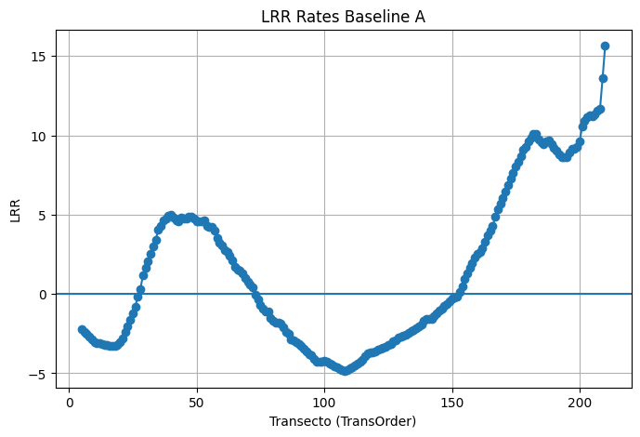
9 |  | 9 | 0 | 9 | 22 | -2.87 | 0.95 | 0.25 | 13.87 | -2.75 | 0.18 | -217.31 | 219.92 | -2.87 | 0.95 | 0.25 | 1.39 | 1200
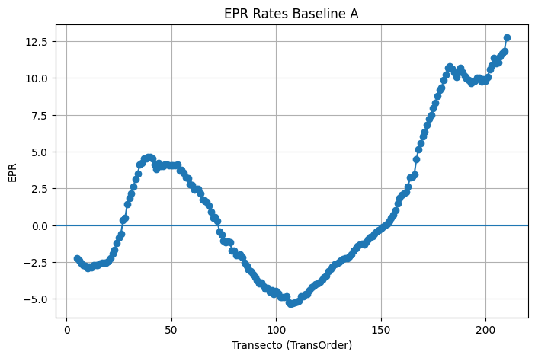
10 |  | 10 | 0 | 10 | 22 | -3.04 | 0.96 | 0.23 | 12.46 | -2.9 | 0.18 | -229.01 | 231.84 | -3.04 | 0.96 | 0.23 | 1.25 | 1350
11 |  | 11 | 0 | 11 | 22 | -3.07 | 0.96 | 0.23 | 12.47 | -2.82 | 0.18 | -222.67 | 222.67 | -3.07 | 0.96 | 0.23 | 1.25 | 1500
12 |  | 12 | 0 | 12 | 22 | -3.12 | 0.96 | 0.23 | 12.73 | -2.88 | 0.18 | -227.48 | 229.05 | -3.12 | 0.96 | 0.23 | 1.27 | 1650
13 |  | 13 | 0 | 13 | 22 | -3.18 | 0.95 | 0.28 | 15.41 | -2.72 | 0.18 | -214.96 | 239.11 | -3.18 | 0.95 | 0.28 | 1.54 | 1800
14 |  | 14 | 0 | 14 | 22 | -3.21 | 0.93 | 0.33 | 18.01 | -2.73 | 0.18 | -216.03 | 248.5 | -3.21 | 0.93 | 0.33 | 1.8 | 1950
15 |  | 15 | 0 | 15 | 22 | -3.23 | 0.92 | 0.36 | 19.82 | -2.69 | 0.18 | -212.75 | 256.24 | -3.23 | 0.92 | 0.36 | 1.98 | 2100
16 |  | 16 | 0 | 16 | 22 | -3.27 | 0.91 | 0.39 | 21.61 | -2.61 | 0.18 | -206.41 | 258.04 | -3.27 | 0.91 | 0.39 | 2.16 | 2250
17 |  | 17 | 0 | 17 | 22 | -3.28 | 0.9 | 0.42 | 22.9 | -2.56 | 0.18 | -202.14 | 265.74 | -3.28 | 0.9 | 0.42 | 2.29 | 2400
18 |  | 18 | 0 | 18 | 22 | -3.25 | 0.91 | 0.4 | 21.81 | -2.58 | 0.18 | -204.19 | 261.91 | -3.25 | 0.91 | 0.4 | 2.18 | 2550
19 |  | 19 | 0 | 19 | 22 | -3.19 | 0.91 | 0.38 | 21.1 | -2.55 | 0.18 | -201.59 | 255.83 | -3.19 | 0.91 | 0.38 | 2.11 | 2700
20 |  | 20 | 0 | 20 | 22 | -3.03 | 0.93 | 0.31 | 17.29 | -2.47 | 0.18 | -195.04 | 245.15 | -3.03 | 0.93 | 0.31 | 1.73 | 2850
21 |  | 21 | 0 | 21 | 22 | -2.82 | 0.92 | 0.32 | 17.47 | -2.23 | 0.18 | -175.8 | 225.7 | -2.82 | 0.92 | 0.32 | 1.75 | 3000
22 |  | 22 | 0 | 22 | 22 | -2.42 | 0.94 | 0.24 | 13.45 | -1.92 | 0.18 | -151.33 | 188.54 | -2.42 | 0.94 | 0.24 | 1.35 | 3150
23 |  | 23 | 0 | 23 | 22 | -2.02 | 0.93 | 0.21 | 11.65 | -1.68 | 0.18 | -132.83 | 164.13 | -2.02 | 0.93 | 0.21 | 1.17 | 3300
24 |  | 24 | 0 | 24 | 22 | -1.63 | 0.89 | 0.23 | 12.4 | -1.19 | 0.18 | -94.29 | 134.93 | -1.63 | 0.89 | 0.23 | 1.24 | 3450
25 |  | 25 | 0 | 25 | 22 | -1.21 | 0.83 | 0.21 | 11.57 | -0.85 | 0.18 | -66.9 | 101.75 | -1.21 | 0.83 | 0.21 | 1.16 | 3600
26 |  | 26 | 0 | 26 | 22 | -0.82 | 0.7 | 0.2 | 11.25 | -0.58 | 0.18 | -45.55 | 79.25 | -0.82 | 0.7 | 0.2 | 1.13 | 3750
27 |  | 27 | 0 | 27 | 22 | -0.15 | 0.05 | 0.25 | 13.85 | 0.33 | 0.18 | 26.21 | 60.52 | -0.15 | 0.05 | 0.25 | 1.39 | 3900
28 |  | 28 | 0 | 28 | 22 | 0.28 | 0.16 | 0.25 | 13.56 | 0.51 | 0.18 | 40 | 64.07 | 0.28 | 0.16 | 0.25 | 1.36 | 4050
29 |  | 29 | 0 | 29 | 22 | 1.16 | 0.61 | 0.36 | 19.64 | 1.41 | 0.18 | 111.48 | 128.73 | 1.16 | 0.61 | 0.36 | 1.96 | 4200
30 |  | 30 | 0 | 30 | 22 | 1.67 | 0.64 | 0.48 | 26.22 | 1.82 | 0.18 | 143.76 | 167.15 | 1.67 | 0.64 | 0.48 | 2.62 | 4350
31 |  | 31 | 0 | 31 | 22 | 2.05 | 0.74 | 0.47 | 25.89 | 2.18 | 0.18 | 172.54 | 181.48 | 2.05 | 0.74 | 0.47 | 2.59 | 4500
32 |  | 32 | 0 | 32 | 22 | 2.55 | 0.79 | 0.51 | 27.94 | 2.63 | 0.18 | 207.85 | 220.61 | 2.55 | 0.79 | 0.51 | 2.79 | 4650
33 |  | 33 | 0 | 33 | 22 | 2.98 | 0.79 | 0.6 | 33.04 | 3.16 | 0.18 | 249.45 | 269.5 | 2.98 | 0.79 | 0.6 | 3.3 | 4800
34 |  | 34 | 0 | 34 | 22 | 3.39 | 0.82 | 0.62 | 33.99 | 3.52 | 0.18 | 278.33 | 289.26 | 3.39 | 0.82 | 0.62 | 3.4 | 4950
35 |  | 35 | 0 | 35 | 22 | 4.05 | 0.84 | 0.67 | 36.97 | 4.11 | 0.18 | 325 | 336.5 | 4.05 | 0.84 | 0.67 | 3.7 | 5100
36 |  | 36 | 0 | 36 | 22 | 4.3 | 0.86 | 0.67 | 36.98 | 4.22 | 0.18 | 333.19 | 358.35 | 4.3 | 0.86 | 0.67 | 3.7 | 5250
37 |  | 37 | 0 | 37 | 22 | 4.62 | 0.89 | 0.63 | 34.81 | 4.51 | 0.18 | 356.6 | 373.73 | 4.62 | 0.89 | 0.63 | 3.48 | 5400
38 |  | 38 | 0 | 38 | 22 | 4.75 | 0.9 | 0.62 | 33.9 | 4.56 | 0.18 | 360.36 | 379.62 | 4.75 | 0.9 | 0.62 | 3.39 | 5550
39 |  | 39 | 0 | 39 | 22 | 4.94 | 0.91 | 0.58 | 32.06 | 4.65 | 0.18 | 367.26 | 382.82 | 4.94 | 0.91 | 0.58 | 3.21 | 5700
40 |  | 40 | 0 | 40 | 22 | 5 | 0.93 | 0.54 | 29.57 | 4.63 | 0.18 | 365.97 | 384.76 | 5 | 0.93 | 0.54 | 2.96 | 5850
41 |  | 41 | 0 | 41 | 22 | 4.83 | 0.92 | 0.54 | 29.64 | 4.52 | 0.18 | 356.79 | 374.2 | 4.83 | 0.92 | 0.54 | 2.96 | 6000
42 |  | 42 | 0 | 42 | 22 | 4.65 | 0.92 | 0.54 | 29.59 | 4.14 | 0.18 | 326.94 | 362.54 | 4.65 | 0.92 | 0.54 | 2.96 | 6150
43 |  | 43 | 0 | 43 | 22 | 4.56 | 0.91 | 0.57 | 31.22 | 3.8 | 0.18 | 300.53 | 358.35 | 4.56 | 0.91 | 0.57 | 3.12 | 6300
44 |  | 44 | 0 | 44 | 22 | 4.81 | 0.89 | 0.65 | 35.84 | 4.2 | 0.18 | 331.88 | 386 | 4.81 | 0.89 | 0.65 | 3.58 | 6450
...

B2
B2_DEFINITIVO_rates_20260226_185459 EPR

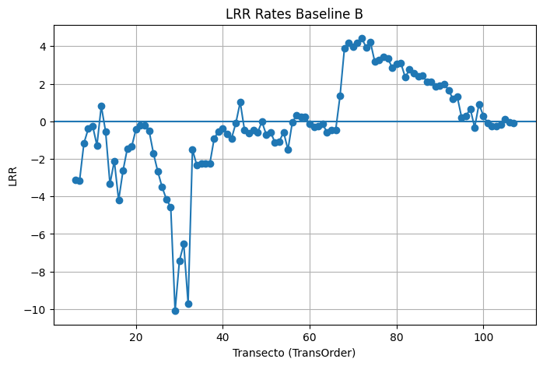
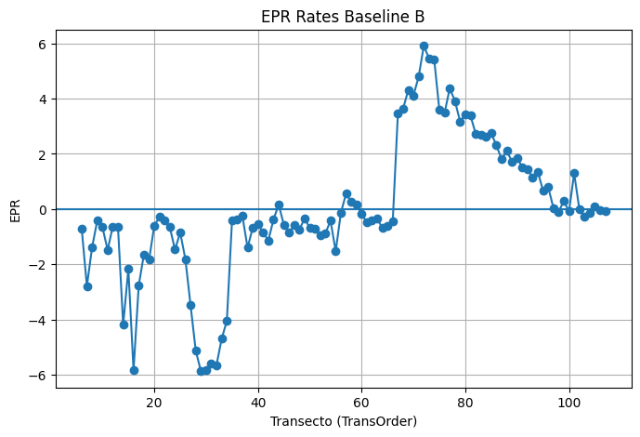
 | ObjectID | BaselineID | TransOrder | TransEdit | TransectId | ShrCount | LRR | LR2 | LCI | LSE | EPR | EPRunc | NSM | SCE | WLR | WR2 | WCI | WSE | TCD
 | 6 |  | 6 | 0 | 6 | 22 | -3.13 | 0.39 | 1.52 | 83.46 | -0.71 | 0.18 | -56.16 | 495.33 | -3.13 | 0.39 | 1.52 | 8.35 | 750
 | 7 |  | 7 | 0 | 7 | 22 | -3.16 | 0.64 | 0.91 | 50.09 | -2.79 | 0.18 | -220.29 | 340.64 | -3.16 | 0.64 | 0.91 | 5.01 | 900
 | 8 |  | 8 | 0 | 8 | 22 | -1.17 | 0.88 | 0.17 | 9.23 | -1.39 | 0.18 | -110.15 | 112.71 | -1.17 | 0.88 | 0.17 | 0.92 | 1050
 | 9 |  | 9 | 0 | 9 | 22 | -0.4 | 0.11 | 0.45 | 24.99 | -0.42 | 0.18 | -33.48 | 129.12 | -0.4 | 0.11 | 0.45 | 2.5 | 1200
 | 10 |  | 10 | 0 | 10 | 22 | -0.24 | 0.03 | 0.56 | 30.65 | -0.66 | 0.18 | -51.98 | 108.47 | -0.24 | 0.03 | 0.56 | 3.06 | 1350
 | 11 |  | 11 | 0 | 11 | 22 | -1.28 | 0.89 | 0.17 | 9.52 | -1.48 | 0.18 | -116.77 | 116.77 | -1.28 | 0.89 | 0.17 | 0.95 | 1500
 | 12 |  | 12 | 0 | 12 | 22 | 0.81 | 0.03 | 1.79 | 98.29 | -0.63 | 0.18 | -49.51 | 253.02 | 0.81 | 0.03 | 1.79 | 9.83 | 1650
 | 13 |  | 13 | 0 | 13 | 22 | -0.55 | 0.9 | 0.07 | 3.97 | -0.65 | 0.18 | -51.04 | 51.6 | -0.55 | 0.9 | 0.07 | 0.4 | 1800
 | 14 |  | 14 | 0 | 14 | 22 | -3.34 | 0.47 | 1.38 | 75.87 | -4.19 | 0.18 | -331.13 | 345.91 | -3.34 | 0.47 | 1.38 | 7.59 | 1950
 | 15 |  | 15 | 0 | 15 | 22 | -2.11 | 0.87 | 0.32 | 17.66 | -2.17 | 0.18 | -171.36 | 178.35 | -2.11 | 0.87 | 0.32 | 1.77 | 2100
 | 16 |  | 16 | 0 | 16 | 22 | -4.2 | 0.76 | 0.9 | 49.64 | -5.84 | 0.18 | -461.58 | 461.58 | -4.2 | 0.76 | 0.9 | 4.96 | 2250
 | 17 |  | 17 | 0 | 17 | 22 | -2.64 | 0.87 | 0.39 | 21.48 | -2.77 | 0.18 | -218.81 | 222.92 | -2.64 | 0.87 | 0.39 | 2.15 | 2400
 | 18 |  | 18 | 0 | 18 | 22 | -1.45 | 0.79 | 0.29 | 15.72 | -1.64 | 0.18 | -129.61 | 143.88 | -1.45 | 0.79 | 0.29 | 1.57 | 2550
 | 19 |  | 19 | 0 | 19 | 22 | -1.35 | 0.51 | 0.51 | 28.23 | -1.84 | 0.18 | -145.56 | 160.97 | -1.35 | 0.51 | 0.51 | 2.82 | 2700
 | 20 |  | 20 | 0 | 20 | 22 | -0.42 | 0.49 | 0.16 | 9.03 | -0.6 | 0.18 | -47.63 | 66.04 | -0.42 | 0.49 | 0.16 | 0.9 | 2850
 | 21 |  | 21 | 0 | 21 | 22 | -0.22 | 0.46 | 0.09 | 4.99 | -0.29 | 0.18 | -22.91 | 34.93 | -0.22 | 0.46 | 0.09 | 0.5 | 3000
 | 22 |  | 22 | 0 | 22 | 22 | -0.23 | 0.46 | 0.1 | 5.23 | -0.41 | 0.18 | -32.37 | 34.55 | -0.23 | 0.46 | 0.1 | 0.52 | 3150
 | 23 |  | 23 | 0 | 23 | 22 | -0.49 | 0.76 | 0.11 | 5.82 | -0.66 | 0.18 | -51.92 | 52.31 | -0.49 | 0.76 | 0.11 | 0.58 | 3300
 | 24 |  | 24 | 0 | 24 | 22 | -1.69 | 0.55 | 0.59 | 32.51 | -1.47 | 0.18 | -116.25 | 266.64 | -1.69 | 0.55 | 0.59 | 3.25 | 3450
 | 25 |  | 25 | 0 | 25 | 22 | -2.66 | 0.07 | 3.65 | 200.94 | -0.85 | 0.18 | -67.5 | 745.6 | -2.66 | 0.07 | 3.65 | 20.09 | 3600
 | 26 |  | 26 | 0 | 26 | 22 | -3.5 | 0.25 | 2.32 | 127.86 | -1.81 | 0.18 | -143 | 756.02 | -3.5 | 0.25 | 2.32 | 12.79 | 3750
 | 27 |  | 27 | 0 | 27 | 22 | -4.15 | 0.06 | 6.25 | 343.69 | -3.48 | 0.18 | -274.88 | 751.73 | -4.15 | 0.06 | 6.25 | 34.37 | 3900
 | 28 |  | 28 | 0 | 28 | 22 | -4.58 | 0.09 | 5.5 | 302.66 | -5.13 | 0.18 | -405.24 | 863.31 | -4.58 | 0.09 | 5.5 | 30.27 | 4050
 | 29 |  | 29 | 0 | 29 | 22 | -10.1 | 0.62 | 3.06 | 168.24 | -5.87 | 0.18 | -463.78 | 881.58 | -10.1 | 0.62 | 3.06 | 16.82 | 4200
 | 30 |  | 30 | 0 | 30 | 22 | -7.43 | 0.2 | 5.79 | 318.75 | -5.83 | 0.18 | -460.39 | 1023.64 | -7.43 | 0.2 | 5.79 | 31.88 | 4350
 | 31 |  | 31 | 0 | 31 | 22 | -6.54 | 0.1 | 7.72 | 424.63 | -5.6 | 0.18 | -442.29 | 1172.95 | -6.54 | 0.1 | 7.72 | 42.46 | 4500
 | 32 |  | 32 | 0 | 32 | 22 | -9.71 | 0.25 | 6.55 | 360.03 | -5.65 | 0.18 | -446.64 | 1205.71 | -9.71 | 0.25 | 6.55 | 36 | 4650
 | 33 |  | 33 | 0 | 33 | 22 | -1.5 | 0 | 10.13 | 557.16 | -4.7 | 0.18 | -371.3 | 1403.22 | -1.5 | 0 | 10.13 | 55.72 | 4800
 | 34 |  | 34 | 0 | 34 | 22 | -2.34 | 0.02 | 6.64 | 365.08 | -4.05 | 0.18 | -319.86 | 978.81 | -2.34 | 0.02 | 6.64 | 36.51 | 4950
 | 35 |  | 35 | 0 | 35 | 22 | -2.27 | 0.04 | 4.46 | 245.16 | -0.4 | 0.18 | -31.95 | 880.87 | -2.27 | 0.04 | 4.46 | 24.52 | 5100
 | 36 |  | 36 | 0 | 36 | 22 | -2.26 | 0.03 | 4.75 | 261.18 | -0.36 | 0.18 | -28.8 | 905.14 | -2.26 | 0.03 | 4.75 | 26.12 | 5250
 | 37 |  | 37 | 0 | 37 | 22 | -2.26 | 0.02 | 6.33 | 348.01 | -0.25 | 0.18 | -19.71 | 932.36 | -2.26 | 0.02 | 6.33 | 34.8 | 5400
 | 38 |  | 38 | 0 | 38 | 22 | -0.92 | 0.77 | 0.2 | 10.8 | -1.4 | 0.18 | -110.94 | 110.94 | -0.92 | 0.77 | 0.2 | 1.08 | 5550
 | 39 |  | 39 | 0 | 39 | 22 | -0.54 | 0.61 | 0.17 | 9.12 | -0.67 | 0.18 | -53.3 | 67.56 | -0.54 | 0.61 | 0.17 | 0.91 | 5700
 | 40 |  | 40 | 0 | 40 | 22 | -0.38 | 0.58 | 0.12 | 6.87 | -0.54 | 0.18 | -42.68 | 44.15 | -0.38 | 0.58 | 0.12 | 0.69 | 5850
 | 41 |  | 41 | 0 | 41 | 22 | -0.67 | 0.67 | 0.18 | 9.92 | -0.85 | 0.18 | -66.81 | 94.9 | -0.67 | 0.67 | 0.18 | 0.99 | 6000
...

DISTANCIA A2
Intersect: A2_DEFINITIVO_intersects_20260226_185251

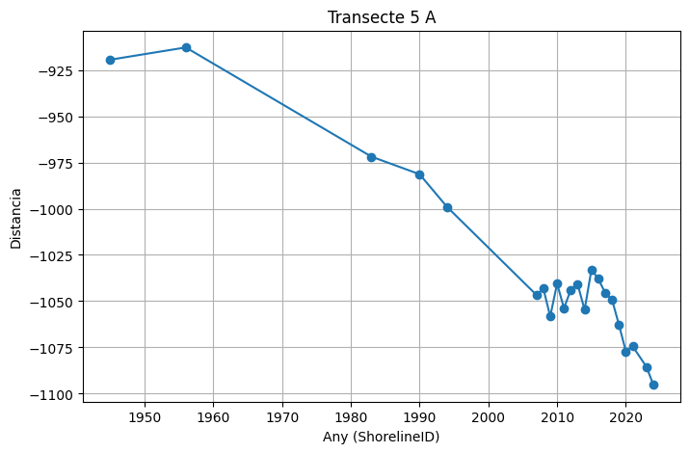
 | TransectId | TransOrder | ShorelineID | BaselineID | Distance | IntersectX | IntersectY | Uncertainity
 | 5 | 5 | 1945 | 0 | -919.47 | 318697.47 | 4505755.13 | 10
 | 5 | 5 | 1956 | 0 | -912.84 | 318700.41 | 4505749.19 | 10
 | 5 | 5 | 1983 | 0 | -971.88 | 318674.24 | 4505802.11 | 10
 | 5 | 5 | 1990 | 0 | -981.38 | 318670.03 | 4505810.62 | 10
 | 5 | 5 | 1994 | 0 | -999.06 | 318662.2 | 4505826.47 | 10
 | 5 | 5 | 2007 | 0 | -1046.64 | 318641.11 | 4505869.12 | 10
 | 5 | 5 | 2008 | 0 | -1043.13 | 318642.66 | 4505865.98 | 10
 | 5 | 5 | 2009 | 0 | -1058.28 | 318635.95 | 4505879.56 | 10
 | 5 | 5 | 2010 | 0 | -1040.49 | 318643.83 | 4505863.61 | 10
 | 5 | 5 | 2011 | 0 | -1053.8 | 318637.93 | 4505875.54 | 10
 | 5 | 5 | 2012 | 0 | -1043.77 | 318642.38 | 4505866.55 | 10
 | 5 | 5 | 2013 | 0 | -1040.96 | 318643.62 | 4505864.03 | 10
 | 5 | 5 | 2014 | 0 | -1054.67 | 318637.55 | 4505876.32 | 10
 | 5 | 5 | 2015 | 0 | -1032.87 | 318647.21 | 4505856.78 | 10
 | 5 | 5 | 2016 | 0 | -1037.99 | 318644.94 | 4505861.37 | 10
 | 5 | 5 | 2017 | 0 | -1045.56 | 318641.59 | 4505868.15 | 10
 | 5 | 5 | 2018 | 0 | -1049.3 | 318639.93 | 4505871.5 | 10
 | 5 | 5 | 2019 | 0 | -1062.81 | 318633.94 | 4505883.61 | 10
 | 5 | 5 | 2020 | 0 | -1077.14 | 318627.59 | 4505896.47 | 10
 | 5 | 5 | 2021 | 0 | -1074.46 | 318628.77 | 4505894.06 | 10
 | 5 | 5 | 2023 | 0 | -1085.48 | 318623.89 | 4505903.94 | 10
 | 5 | 5 | 2024 | 0 | -1095.2 | 318619.58 | 4505912.65 | 10

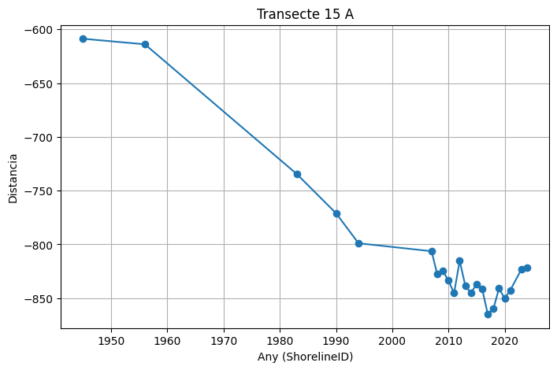
 | 15 | 15 | 1945 | 0 | -608.73 | 317490.61 | 4504811.71 | 10
 | 15 | 15 | 1956 | 0 | -613.9 | 317488.32 | 4504816.34 | 10
 | 15 | 15 | 1983 | 0 | -734.46 | 317434.88 | 4504924.41 | 10
 | 15 | 15 | 1990 | 0 | -770.97 | 317418.7 | 4504957.14 | 10
 | 15 | 15 | 1994 | 0 | -798.92 | 317406.31 | 4504982.19 | 10
 | 15 | 15 | 2007 | 0 | -806.32 | 317403.03 | 4504988.83 | 10
 | 15 | 15 | 2008 | 0 | -827.66 | 317393.57 | 4505007.96 | 10
 | 15 | 15 | 2009 | 0 | -824.48 | 317394.98 | 4505005.11 | 10
 | 15 | 15 | 2010 | 0 | -833.69 | 317390.9 | 4505013.36 | 10
 | 15 | 15 | 2011 | 0 | -845.34 | 317385.73 | 4505023.8 | 10
 | 15 | 15 | 2012 | 0 | -815.26 | 317399.06 | 4504996.85 | 10
 | 15 | 15 | 2013 | 0 | -838.35 | 317388.83 | 4505017.54 | 10
 | 15 | 15 | 2014 | 0 | -845.17 | 317385.81 | 4505023.65 | 10
 | 15 | 15 | 2015 | 0 | -837 | 317389.43 | 4505016.33 | 10
 | 15 | 15 | 2016 | 0 | -841.46 | 317387.45 | 4505020.33 | 10
 | 15 | 15 | 2017 | 0 | -864.97 | 317377.03 | 4505041.4 | 10
 | 15 | 15 | 2018 | 0 | -859.68 | 317379.38 | 4505036.66 | 10
 | 15 | 15 | 2019 | 0 | -840.93 | 317387.69 | 4505019.85 | 10
 | 15 | 15 | 2020 | 0 | -850.21 | 317383.57 | 4505028.17 | 10
 | 15 | 15 | 2021 | 0 | -842.61 | 317386.95 | 4505021.35 | 10
 | 15 | 15 | 2023 | 0 | -822.95 | 317395.66 | 4505003.73 | 10
 | 15 | 15 | 2024 | 0 | -821.48 | 317396.31 | 4505002.42 | 10

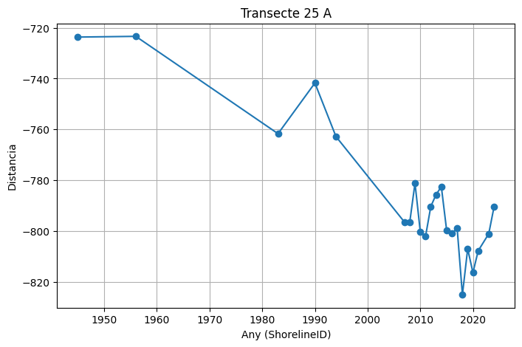
 | 25 | 25 | 1945 | 0 | -723.65 | 316091.76 | 4504230.82 | 10
 | 25 | 25 | 1956 | 0 | -723.36 | 316091.89 | 4504230.57 | 10
 | 25 | 25 | 1983 | 0 | -761.69 | 316074.36 | 4504264.64 | 10
 | 25 | 25 | 1990 | 0 | -741.74 | 316083.48 | 4504246.91 | 10
 | 25 | 25 | 1994 | 0 | -762.82 | 316073.84 | 4504265.65 | 10
 | 25 | 25 | 2007 | 0 | -796.49 | 316058.44 | 4504295.59 | 10
 | 25 | 25 | 2008 | 0 | -796.59 | 316058.39 | 4504295.68 | 10
 | 25 | 25 | 2009 | 0 | -781.16 | 316065.45 | 4504281.96 | 10
 | 25 | 25 | 2010 | 0 | -800.21 | 316056.73 | 4504298.9 | 10
 | 25 | 25 | 2011 | 0 | -802.15 | 316055.85 | 4504300.62 | 10
 | 25 | 25 | 2012 | 0 | -790.35 | 316061.25 | 4504290.13 | 10
 | 25 | 25 | 2013 | 0 | -785.68 | 316063.38 | 4504285.98 | 10
 | 25 | 25 | 2014 | 0 | -782.55 | 316064.82 | 4504283.19 | 10
 | 25 | 25 | 2015 | 0 | -799.62 | 316057 | 4504298.38 | 10
 | 25 | 25 | 2016 | 0 | -800.87 | 316056.43 | 4504299.49 | 10
 | 25 | 25 | 2017 | 0 | -798.87 | 316057.35 | 4504297.71 | 10
 | 25 | 25 | 2018 | 0 | -825.11 | 316045.34 | 4504321.04 | 10
 | 25 | 25 | 2019 | 0 | -807.03 | 316053.62 | 4504304.96 | 10
 | 25 | 25 | 2020 | 0 | -816.41 | 316049.32 | 4504313.31 | 10
 | 25 | 25 | 2021 | 0 | -807.79 | 316053.27 | 4504305.64 | 10
 | 25 | 25 | 2023 | 0 | -801.1 | 316056.33 | 4504299.69 | 10
 | 25 | 25 | 2024 | 0 | -790.55 | 316061.15 | 4504290.31 | 10

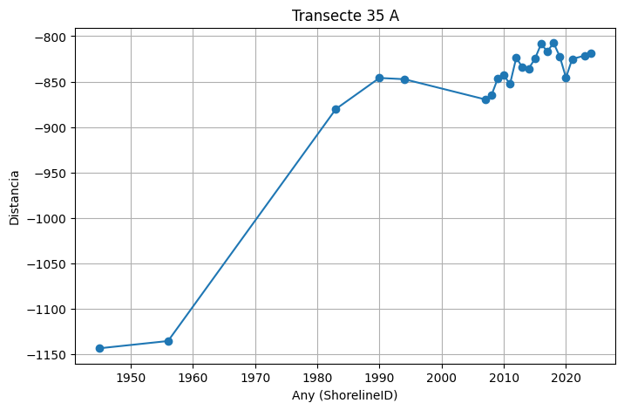
 | 35 | 35 | 1945 | 0 | -1143.93 | 314562.86 | 4503916.89 | 10
 | 35 | 35 | 1956 | 0 | -1135.95 | 314566.53 | 4503909.81 | 10
 | 35 | 35 | 1983 | 0 | -880.19 | 314684.16 | 4503682.7 | 10
 | 35 | 35 | 1990 | 0 | -846.01 | 314699.88 | 4503652.35 | 10
 | 35 | 35 | 1994 | 0 | -847.38 | 314699.25 | 4503653.56 | 10
 | 35 | 35 | 2007 | 0 | -869.65 | 314689.01 | 4503673.34 | 10
 | 35 | 35 | 2008 | 0 | -865.34 | 314690.99 | 4503669.51 | 10
 | 35 | 35 | 2009 | 0 | -847.1 | 314699.38 | 4503653.32 | 10
 | 35 | 35 | 2010 | 0 | -843.19 | 314701.18 | 4503649.84 | 10
 | 35 | 35 | 2011 | 0 | -852.68 | 314696.81 | 4503658.27 | 10
 | 35 | 35 | 2012 | 0 | -823.69 | 314710.15 | 4503632.53 | 10
 | 35 | 35 | 2013 | 0 | -834.44 | 314705.21 | 4503642.07 | 10
 | 35 | 35 | 2014 | 0 | -835.7 | 314704.63 | 4503643.19 | 10
 | 35 | 35 | 2015 | 0 | -824.99 | 314709.55 | 4503633.68 | 10
 | 35 | 35 | 2016 | 0 | -808.53 | 314717.12 | 4503619.07 | 10
 | 35 | 35 | 2017 | 0 | -816.83 | 314713.3 | 4503626.44 | 10
 | 35 | 35 | 2018 | 0 | -807.43 | 314717.62 | 4503618.09 | 10
 | 35 | 35 | 2019 | 0 | -822.35 | 314710.77 | 4503631.34 | 10
 | 35 | 35 | 2020 | 0 | -845.7 | 314700.03 | 4503652.07 | 10
 | 35 | 35 | 2021 | 0 | -825.05 | 314709.52 | 4503633.74 | 10
 | 35 | 35 | 2023 | 0 | -821.46 | 314711.17 | 4503630.55 | 10
 | 35 | 35 | 2024 | 0 | -818.93 | 314712.34 | 4503628.31 | 10

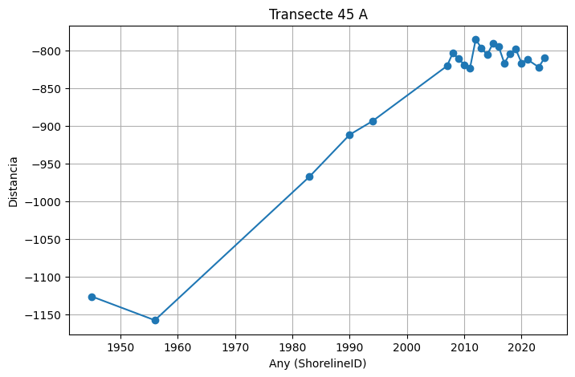
 | 45 | 45 | 1945 | 0 | -1126.42 | 313233.87 | 4503189.53 | 10
 | 45 | 45 | 1956 | 0 | -1157.89 | 313219.04 | 4503217.29 | 10
 | 45 | 45 | 1983 | 0 | -967.44 | 313308.83 | 4503049.33 | 10
 | 45 | 45 | 1990 | 0 | -911.92 | 313335.01 | 4503000.37 | 10
 | 45 | 45 | 1994 | 0 | -893.84 | 313343.53 | 4502984.43 | 10
 | 45 | 45 | 2007 | 0 | -820.76 | 313377.99 | 4502919.98 | 10
 | 45 | 45 | 2008 | 0 | -803.61 | 313386.07 | 4502904.86 | 10
 | 45 | 45 | 2009 | 0 | -811.13 | 313382.53 | 4502911.49 | 10
 | 45 | 45 | 2010 | 0 | -819.31 | 313378.67 | 4502918.7 | 10
 | 45 | 45 | 2011 | 0 | -823.72 | 313376.59 | 4502922.59 | 10
 | 45 | 45 | 2012 | 0 | -785.69 | 313394.52 | 4502889.05 | 10
 | 45 | 45 | 2013 | 0 | -797.04 | 313389.17 | 4502899.07 | 10
 | 45 | 45 | 2014 | 0 | -806.07 | 313384.91 | 4502907.03 | 10
 | 45 | 45 | 2015 | 0 | -791.03 | 313392.01 | 4502893.76 | 10
 | 45 | 45 | 2016 | 0 | -795.14 | 313390.07 | 4502897.39 | 10
 | 45 | 45 | 2017 | 0 | -816.95 | 313379.79 | 4502916.62 | 10
 | 45 | 45 | 2018 | 0 | -804.46 | 313385.67 | 4502905.61 | 10
 | 45 | 45 | 2019 | 0 | -798.72 | 313388.38 | 4502900.55 | 10
 | 45 | 45 | 2020 | 0 | -816.83 | 313379.84 | 4502916.52 | 10
 | 45 | 45 | 2021 | 0 | -812.09 | 313382.08 | 4502912.34 | 10
 | 45 | 45 | 2023 | 0 | -822.39 | 313377.22 | 4502921.42 | 10
 | 45 | 45 | 2024 | 0 | -810.33 | 313382.91 | 4502910.78 | 10

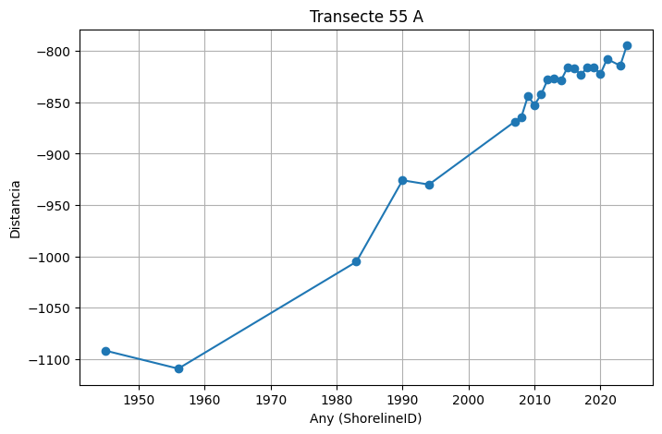
 | 55 | 55 | 1945 | 0 | -1091.73 | 311915.54 | 4502441.82 | 10
 | 55 | 55 | 1956 | 0 | -1109.18 | 311907.1 | 4502457.08 | 10
 | 55 | 55 | 1983 | 0 | -1005.16 | 311957.41 | 4502366.04 | 10
 | 55 | 55 | 1990 | 0 | -925.85 | 311995.77 | 4502296.63 | 10
 | 55 | 55 | 1994 | 0 | -929.99 | 311993.77 | 4502300.25 | 10
 | 55 | 55 | 2007 | 0 | -868.8 | 312023.37 | 4502246.7 | 10
 | 55 | 55 | 2008 | 0 | -864.47 | 312025.46 | 4502242.91 | 10
 | 55 | 55 | 2009 | 0 | -844.1 | 312035.31 | 4502225.08 | 10
 | 55 | 55 | 2010 | 0 | -852.41 | 312031.3 | 4502232.35 | 10
 | 55 | 55 | 2011 | 0 | -842.5 | 312036.09 | 4502223.68 | 10
 | 55 | 55 | 2012 | 0 | -827.76 | 312043.22 | 4502210.77 | 10
 | 55 | 55 | 2013 | 0 | -826.78 | 312043.69 | 4502209.92 | 10
 | 55 | 55 | 2014 | 0 | -828.87 | 312042.68 | 4502211.75 | 10
 | 55 | 55 | 2015 | 0 | -816.24 | 312048.79 | 4502200.69 | 10
 | 55 | 55 | 2016 | 0 | -816.61 | 312048.61 | 4502201.02 | 10
 | 55 | 55 | 2017 | 0 | -823.19 | 312045.43 | 4502206.78 | 10
 | 55 | 55 | 2018 | 0 | -816.13 | 312048.84 | 4502200.6 | 10
 | 55 | 55 | 2019 | 0 | -816.06 | 312048.88 | 4502200.53 | 10
 | 55 | 55 | 2020 | 0 | -822.36 | 312045.83 | 4502206.05 | 10
 | 55 | 55 | 2021 | 0 | -807.82 | 312052.86 | 4502193.33 | 10
 | 55 | 55 | 2023 | 0 | -814.29 | 312049.73 | 4502198.99 | 10
 | 55 | 55 | 2024 | 0 | -794.62 | 312059.25 | 4502181.77 | 10

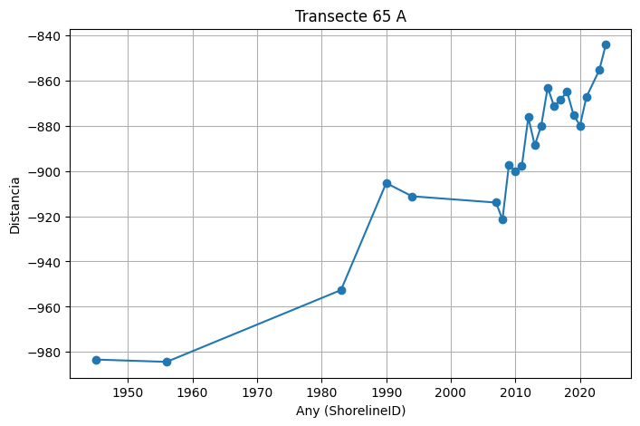
 | 65 | 65 | 1945 | 0 | -983.33 | 310654.87 | 4501618.13 | 10
 | 65 | 65 | 1956 | 0 | -984.35 | 310654.38 | 4501619.02 | 10
 | 65 | 65 | 1983 | 0 | -952.63 | 310669.77 | 4501591.29 | 10
 | 65 | 65 | 1990 | 0 | -905.37 | 310692.71 | 4501549.97 | 10
 | 65 | 65 | 1994 | 0 | -911.2 | 310689.88 | 4501555.07 | 10
 | 65 | 65 | 2007 | 0 | -913.98 | 310688.53 | 4501557.49 | 10
 | 65 | 65 | 2008 | 0 | -921.5 | 310684.88 | 4501564.07 | 10
 | 65 | 65 | 2009 | 0 | -897.25 | 310696.65 | 4501542.86 | 10
 | 65 | 65 | 2010 | 0 | -900.17 | 310695.23 | 4501545.42 | 10
 | 65 | 65 | 2011 | 0 | -897.86 | 310696.35 | 4501543.4 | 10
 | 65 | 65 | 2012 | 0 | -876.33 | 310706.8 | 4501524.58 | 10
 | 65 | 65 | 2013 | 0 | -888.7 | 310700.8 | 4501535.39 | 10
 | 65 | 65 | 2014 | 0 | -880.06 | 310704.99 | 4501527.84 | 10
 | 65 | 65 | 2015 | 0 | -863.14 | 310713.2 | 4501513.04 | 10
 | 65 | 65 | 2016 | 0 | -871.5 | 310709.14 | 4501520.36 | 10
 | 65 | 65 | 2017 | 0 | -868.55 | 310710.58 | 4501517.77 | 10
 | 65 | 65 | 2018 | 0 | -864.97 | 310712.31 | 4501514.65 | 10
 | 65 | 65 | 2019 | 0 | -875.18 | 310707.36 | 4501523.57 | 10
 | 65 | 65 | 2020 | 0 | -879.97 | 310705.03 | 4501527.76 | 10
 | 65 | 65 | 2021 | 0 | -867.35 | 310711.16 | 4501516.73 | 10
 | 65 | 65 | 2023 | 0 | -855.37 | 310716.97 | 4501506.25 | 10
 | 65 | 65 | 2024 | 0 | -844.2 | 310722.39 | 4501496.48 | 10

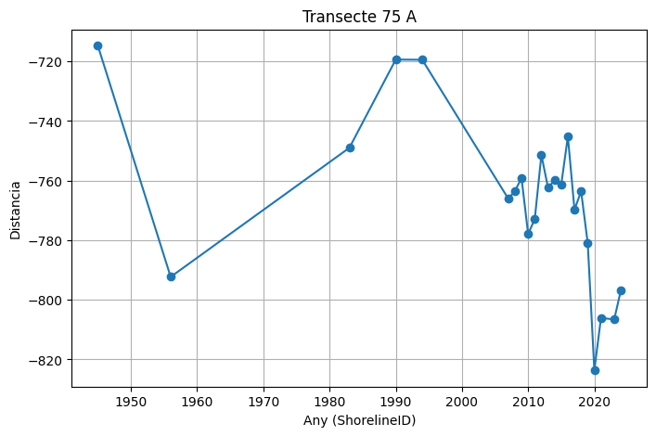
 | 75 | 75 | 1945 | 0 | -714.74 | 309399.46 | 4500217.92 | 10
 | 75 | 75 | 1956 | 0 | -792.31 | 309333.85 | 4500259.32 | 10
 | 75 | 75 | 1983 | 0 | -749 | 309370.48 | 4500236.21 | 10
 | 75 | 75 | 1990 | 0 | -719.41 | 309395.51 | 4500220.41 | 10
 | 75 | 75 | 1994 | 0 | -719.47 | 309395.46 | 4500220.44 | 10
 | 75 | 75 | 2007 | 0 | -766.07 | 309356.05 | 4500245.32 | 10
 | 75 | 75 | 2008 | 0 | -763.52 | 309358.21 | 4500243.95 | 10
 | 75 | 75 | 2009 | 0 | -759.15 | 309361.9 | 4500241.62 | 10
 | 75 | 75 | 2010 | 0 | -777.93 | 309346.02 | 4500251.65 | 10
 | 75 | 75 | 2011 | 0 | -772.9 | 309350.27 | 4500248.96 | 10
 | 75 | 75 | 2012 | 0 | -751.4 | 309368.45 | 4500237.49 | 10
 | 75 | 75 | 2013 | 0 | -762.38 | 309359.17 | 4500243.35 | 10
 | 75 | 75 | 2014 | 0 | -759.85 | 309361.31 | 4500242 | 10
 | 75 | 75 | 2015 | 0 | -761.31 | 309360.07 | 4500242.78 | 10
 | 75 | 75 | 2016 | 0 | -745.24 | 309373.66 | 4500234.2 | 10
 | 75 | 75 | 2017 | 0 | -769.78 | 309352.91 | 4500247.3 | 10
 | 75 | 75 | 2018 | 0 | -763.59 | 309358.14 | 4500243.99 | 10
 | 75 | 75 | 2019 | 0 | -780.95 | 309343.46 | 4500253.26 | 10
 | 75 | 75 | 2020 | 0 | -823.66 | 309307.35 | 4500276.05 | 10
 | 75 | 75 | 2021 | 0 | -806.09 | 309322.2 | 4500266.68 | 10
 | 75 | 75 | 2023 | 0 | -806.57 | 309321.8 | 4500266.93 | 10
 | 75 | 75 | 2024 | 0 | -796.91 | 309329.97 | 4500261.78 | 10

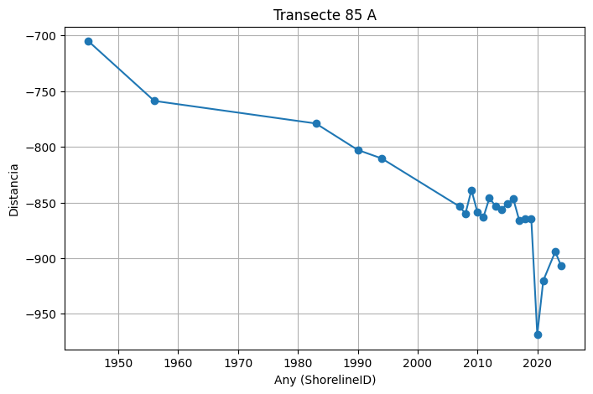
 | 85 | 85 | 1945 | 0 | -705.15 |  | 4498955.4 | 10
 | 85 | 85 | 1956 | 0 | -758.73 | 308564.56 | 4498984.67 | 10
 | 85 | 85 | 1983 | 0 | -779.01 | 308547.58 | 4498995.75 | 10
 | 85 | 85 | 1990 | 0 | -802.8 | 308527.65 | 4499008.75 | 10
 | 85 | 85 | 1994 | 0 | -810.42 | 308521.27 | 4499012.92 | 10
 | 85 | 85 | 2007 | 0 | -853.61 | 308485.09 | 4499036.52 | 10
 | 85 | 85 | 2008 | 0 | -860.04 | 308479.71 | 4499040.03 | 10
 | 85 | 85 | 2009 | 0 | -838.81 | 308497.49 | 4499028.43 | 10
 | 85 | 85 | 2010 | 0 | -858.81 | 308480.74 | 4499039.36 | 10
 | 85 | 85 | 2011 | 0 | -863.16 | 308477.1 | 4499041.73 | 10
 | 85 | 85 | 2012 | 0 | -846.07 | 308491.41 | 4499032.39 | 10
 | 85 | 85 | 2013 | 0 | -853.07 | 308485.55 | 4499036.22 | 10
 | 85 | 85 | 2014 | 0 | -856.27 | 308482.87 | 4499037.97 | 10
 | 85 | 85 | 2015 | 0 | -851.08 | 308487.21 | 4499035.13 | 10
 | 85 | 85 | 2016 | 0 | -846.86 | 308490.74 | 4499032.83 | 10
 | 85 | 85 | 2017 | 0 | -866.33 | 308474.44 | 4499043.47 | 10
 | 85 | 85 | 2018 | 0 | -864.75 | 308475.77 | 4499042.6 | 10
 | 85 | 85 | 2019 | 0 | -864.69 | 308475.82 | 4499042.57 | 10
 | 85 | 85 | 2020 | 0 | -968.8 | 308388.62 | 4499099.46 | 10
 | 85 | 85 | 2021 | 0 | -920.27 | 308429.27 | 4499072.94 | 10
 | 85 | 85 | 2023 | 0 | -894.23 | 308451.08 | 4499058.71 | 10
 | 85 | 85 | 2024 | 0 | -907.13 | 308440.27 | 4499065.76 | 10

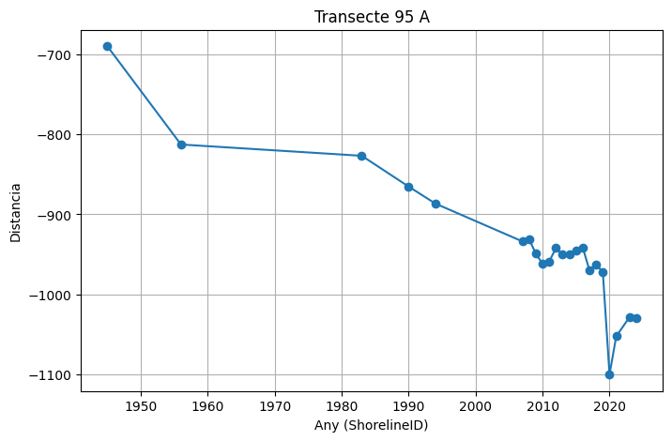
 | 95 | 95 | 1945 | 0 | -689.71 | 307805.51 | 4497694.91 | 10
 | 95 | 95 | 1956 | 0 | -812.64 | 307703.05 | 4497762.84 | 10
 | 95 | 95 | 1983 | 0 | -826.76 | 307691.28 | 4497770.64 | 10
 | 95 | 95 | 1990 | 0 | -865.25 | 307659.2 | 4497791.91 | 10
 | 95 | 95 | 1994 | 0 | -886.55 | 307641.44 | 4497803.68 | 10
 | 95 | 95 | 2007 | 0 | -933.84 | 307602.03 | 4497829.81 | 10
 | 95 | 95 | 2008 | 0 | -931.18 | 307604.24 | 4497828.34 | 10
 | 95 | 95 | 2009 | 0 | -949.26 | 307589.18 | 4497838.32 | 10
 | 95 | 95 | 2010 | 0 | -961.74 | 307578.78 | 4497845.22 | 10
 | 95 | 95 | 2011 | 0 | -958.8 | 307581.22 | 4497843.6 | 10
 | 95 | 95 | 2012 | 0 | -942.12 | 307595.13 | 4497834.38 | 10
 | 95 | 95 | 2013 | 0 | -950.5 | 307588.14 | 4497839.01 | 10
 | 95 | 95 | 2014 | 0 | -950.3 | 307588.32 | 4497838.9 | 10
 | 95 | 95 | 2015 | 0 | -945.6 | 307592.23 | 4497836.3 | 10
 | 95 | 95 | 2016 | 0 | -941.43 | 307595.7 | 4497834 | 10
 | 95 | 95 | 2017 | 0 | -969.84 | 307572.03 | 4497849.7 | 10
 | 95 | 95 | 2018 | 0 | -962.81 | 307577.88 | 4497845.81 | 10
 | 95 | 95 | 2019 | 0 | -972.17 | 307570.08 | 4497850.99 | 10
 | 95 | 95 | 2020 | 0 | -1100.36 | 307463.24 | 4497921.82 | 10
 | 95 | 95 | 2021 | 0 | -1052.46 | 307503.17 | 4497895.35 | 10
 | 95 | 95 | 2023 | 0 | -1028.43 | 307523.19 | 4497882.07 | 10
 | 95 | 95 | 2024 | 0 | -1029.99 | 307521.89 | 4497882.93 | 10

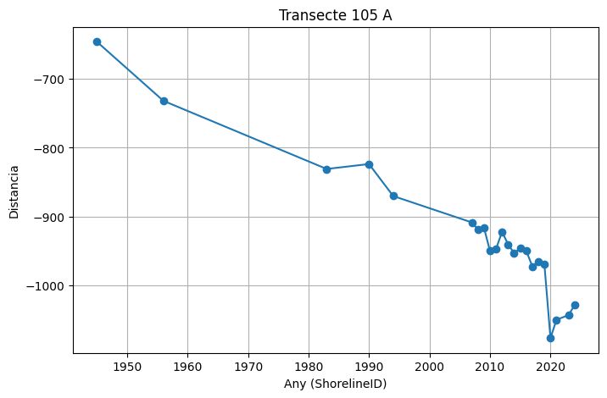
 | 105 | 105 | 1945 | 0 | -645.87 | 307006.34 | 4496431.21 | 10
 | 105 | 105 | 1956 | 0 | -731.84 | 306935.06 | 4496479.28 | 10
 | 105 | 105 | 1983 | 0 | -830.95 | 306852.89 | 4496534.69 | 10
 | 105 | 105 | 1990 | 0 | -823.79 | 306858.83 | 4496530.68 | 10
 | 105 | 105 | 1994 | 0 | -870.3 | 306820.26 | 4496556.69 | 10
 | 105 | 105 | 2007 | 0 | -908.69 | 306788.44 | 4496578.15 | 10
 | 105 | 105 | 2008 | 0 | -918.83 | 306780.03 | 4496583.82 | 10
 | 105 | 105 | 2009 | 0 | -916.18 | 306782.23 | 4496582.34 | 10
 | 105 | 105 | 2010 | 0 | -950.11 | 306754.1 | 4496601.31 | 10
 | 105 | 105 | 2011 | 0 | -947.38 | 306756.36 | 4496599.78 | 10
 | 105 | 105 | 2012 | 0 | -922.24 | 306777.21 | 4496585.73 | 10
 | 105 | 105 | 2013 | 0 | -940.73 | 306761.88 | 4496596.07 | 10
 | 105 | 105 | 2014 | 0 | -953.48 | 306751.3 | 4496603.19 | 10
 | 105 | 105 | 2015 | 0 | -946.04 | 306757.47 | 4496599.04 | 10
 | 105 | 105 | 2016 | 0 | -949.91 | 306754.26 | 4496601.2 | 10
 | 105 | 105 | 2017 | 0 | -972.58 | 306735.47 | 4496613.88 | 10
 | 105 | 105 | 2018 | 0 | -966.31 | 306740.66 | 4496610.37 | 10
 | 105 | 105 | 2019 | 0 | -970.01 | 306737.6 | 4496612.44 | 10
 | 105 | 105 | 2020 | 0 | -1076.85 | 306649.02 | 4496672.17 | 10
 | 105 | 105 | 2021 | 0 | -1050.29 | 306671.03 | 4496657.33 | 10
 | 105 | 105 | 2023 | 0 | -1043.37 | 306676.77 | 4496653.45 | 10
 | 105 | 105 | 2024 | 0 | -1028.92 | 306688.75 | 4496645.38 | 10

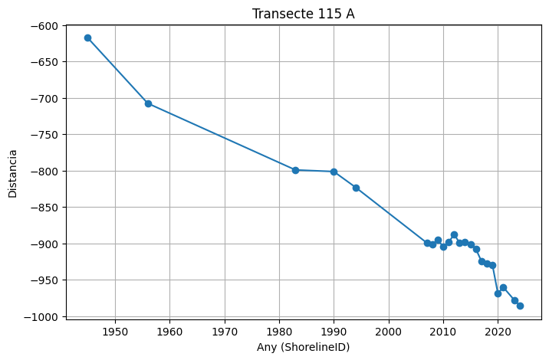
 | 115 | 115 | 1945 | 0 | -617.43 | 306181.08 | 4495190.14 | 10
 | 115 | 115 | 1956 | 0 | -707.66 | 306107.05 | 4495241.73 | 10
 | 115 | 115 | 1983 | 0 | -799.2 | 306031.95 | 4495294.07 | 10
 | 115 | 115 | 1990 | 0 | -801.39 | 306030.15 | 4495295.32 | 10
 | 115 | 115 | 1994 | 0 | -823.14 | 306012.31 | 4495307.76 | 10
 | 115 | 115 | 2007 | 0 | -899.37 | 305949.77 | 4495351.34 | 10
 | 115 | 115 | 2008 | 0 | -901.95 | 305947.65 | 4495352.82 | 10
 | 115 | 115 | 2009 | 0 | -895.44 | 305952.99 | 4495349.1 | 10
 | 115 | 115 | 2010 | 0 | -904.4 | 305945.64 | 4495354.22 | 10
 | 115 | 115 | 2011 | 0 | -898.71 | 305950.31 | 4495350.96 | 10
 | 115 | 115 | 2012 | 0 | -887.7 | 305959.34 | 4495344.67 | 10
 | 115 | 115 | 2013 | 0 | -899.46 | 305949.69 | 4495351.4 | 10
 | 115 | 115 | 2014 | 0 | -897.99 | 305950.9 | 4495350.55 | 10
 | 115 | 115 | 2015 | 0 | -901 | 305948.43 | 4495352.27 | 10
 | 115 | 115 | 2016 | 0 | -908.13 | 305942.58 | 4495356.35 | 10
 | 115 | 115 | 2017 | 0 | -924.79 | 305928.91 | 4495365.88 | 10
 | 115 | 115 | 2018 | 0 | -927.9 | 305926.36 | 4495367.66 | 10
 | 115 | 115 | 2019 | 0 | -929.46 | 305925.08 | 4495368.55 | 10
 | 115 | 115 | 2020 | 0 | -968.7 | 305892.89 | 4495390.99 | 10
 | 115 | 115 | 2021 | 0 | -960.53 | 305899.59 | 4495386.31 | 10
 | 115 | 115 | 2023 | 0 | -978.05 | 305885.21 | 4495396.33 | 10
 | 115 | 115 | 2024 | 0 | -985.95 | 305878.74 | 4495400.85 | 10

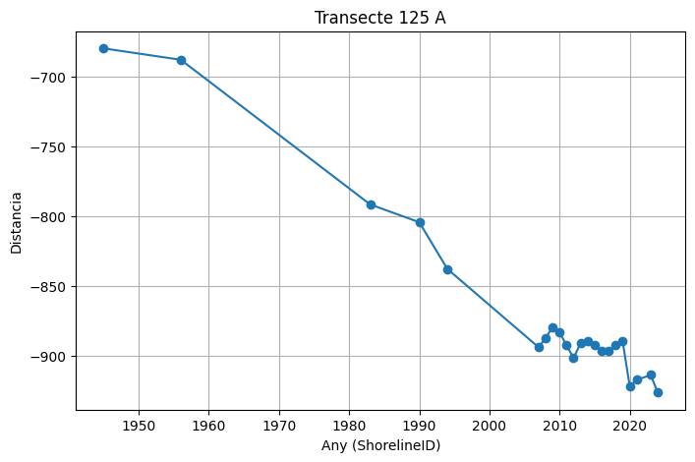
 | 125 | 125 | 1945 | 0 | -680.03 | 305246.32 | 4494181.5 | 10
 | 125 | 125 | 1956 | 0 | -688.19 | 305240.62 | 4494187.33 | 10
 | 125 | 125 | 1983 | 0 | -791.76 | 305168.27 | 4494261.45 | 10
 | 125 | 125 | 1990 | 0 | -804.48 | 305159.39 | 4494270.55 | 10
 | 125 | 125 | 1994 | 0 | -837.9 | 305136.04 | 4494294.47 | 10
 | 125 | 125 | 2007 | 0 | -893.96 | 305096.89 | 4494334.58 | 10
 | 125 | 125 | 2008 | 0 | -887.68 | 305101.27 | 4494330.08 | 10
 | 125 | 125 | 2009 | 0 | -879.42 | 305107.04 | 4494324.18 | 10
 | 125 | 125 | 2010 | 0 | -883.36 | 305104.29 | 4494326.99 | 10
 | 125 | 125 | 2011 | 0 | -892.73 | 305097.75 | 4494333.69 | 10
 | 125 | 125 | 2012 | 0 | -901.68 | 305091.49 | 4494340.1 | 10
 | 125 | 125 | 2013 | 0 | -891.07 | 305098.91 | 4494332.51 | 10
 | 125 | 125 | 2014 | 0 | -889.78 | 305099.8 | 4494331.59 | 10
 | 125 | 125 | 2015 | 0 | -892.59 | 305097.84 | 4494333.6 | 10
 | 125 | 125 | 2016 | 0 | -896.88 | 305094.85 | 4494336.66 | 10
 | 125 | 125 | 2017 | 0 | -896.84 | 305094.88 | 4494336.63 | 10
 | 125 | 125 | 2018 | 0 | -892.45 | 305097.94 | 4494333.5 | 10
 | 125 | 125 | 2019 | 0 | -889.88 | 305099.73 | 4494331.66 | 10
 | 125 | 125 | 2020 | 0 | -921.78 | 305077.45 | 4494354.48 | 10
 | 125 | 125 | 2021 | 0 | -917.37 | 305080.53 | 4494351.33 | 10
 | 125 | 125 | 2023 | 0 | -913.84 | 305083 | 4494348.8 | 10
 | 125 | 125 | 2024 | 0 | -926.33 | 305074.28 | 4494357.74 | 10

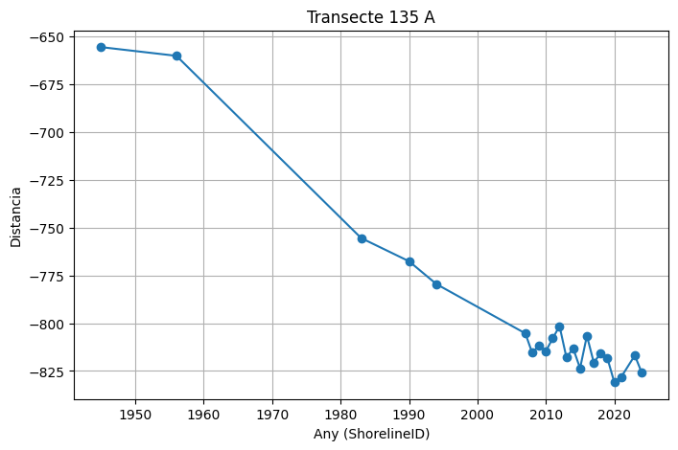
 | 135 | 135 | 1945 | 0 | -655.55 | 304207.56 | 4493289.15 | 10
 | 135 | 135 | 1956 | 0 | -660.1 | 304205.06 | 4493292.96 | 10
 | 135 | 135 | 1983 | 0 | -755.47 | 304152.75 | 4493372.7 | 10
 | 135 | 135 | 1990 | 0 | -767.61 | 304146.09 | 4493382.85 | 10
 | 135 | 135 | 1994 | 0 | -779.55 | 304139.54 | 4493392.83 | 10
 | 135 | 135 | 2007 | 0 | -805.35 | 304125.39 | 4493414.41 | 10
 | 135 | 135 | 2008 | 0 | -815.52 | 304119.81 | 4493422.91 | 10
 | 135 | 135 | 2009 | 0 | -811.74 | 304121.88 | 4493419.75 | 10
 | 135 | 135 | 2010 | 0 | -814.65 | 304120.29 | 4493422.18 | 10
 | 135 | 135 | 2011 | 0 | -807.96 | 304123.96 | 4493416.59 | 10
 | 135 | 135 | 2012 | 0 | -801.53 | 304127.48 | 4493411.22 | 10
 | 135 | 135 | 2013 | 0 | -817.87 | 304118.52 | 4493424.88 | 10
 | 135 | 135 | 2014 | 0 | -813.33 | 304121.01 | 4493421.08 | 10
 | 135 | 135 | 2015 | 0 | -823.6 | 304115.38 | 4493429.67 | 10
 | 135 | 135 | 2016 | 0 | -806.61 | 304124.7 | 4493415.47 | 10
 | 135 | 135 | 2017 | 0 | -820.59 | 304117.03 | 4493427.15 | 10
 | 135 | 135 | 2018 | 0 | -815.88 | 304119.61 | 4493423.21 | 10
 | 135 | 135 | 2019 | 0 | -818.43 | 304118.22 | 4493425.34 | 10
 | 135 | 135 | 2020 | 0 | -830.92 | 304111.36 | 4493435.79 | 10
 | 135 | 135 | 2021 | 0 | -828.27 | 304112.82 | 4493433.57 | 10
 | 135 | 135 | 2023 | 0 | -816.88 | 304119.06 | 4493424.05 | 10
 | 135 | 135 | 2024 | 0 | -825.8 | 304114.17 | 4493431.51 | 10

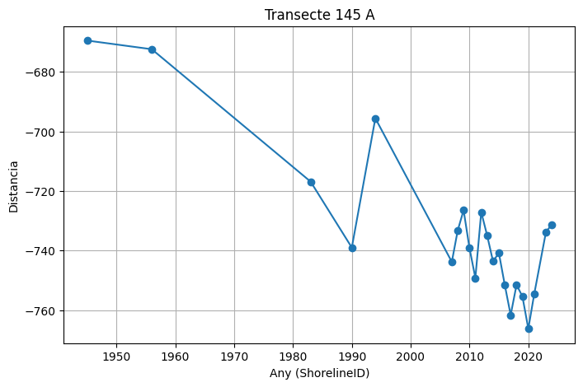
 | 145 | 145 | 1945 | 0 | -669.49 | 302971.05 | 4492599.37 | 10
 | 145 | 145 | 1956 | 0 | -672.41 | 302969.77 | 4492601.99 | 10
 | 145 | 145 | 1983 | 0 | -716.86 | 302950.23 | 4492641.92 | 10
 | 145 | 145 | 1990 | 0 | -738.99 | 302940.51 | 4492661.8 | 10
 | 145 | 145 | 1994 | 0 | -695.59 | 302959.58 | 4492622.81 | 10
 | 145 | 145 | 2007 | 0 | -743.8 | 302938.39 | 4492666.12 | 10
 | 145 | 145 | 2008 | 0 | -733.26 | 302943.03 | 4492656.65 | 10
 | 145 | 145 | 2009 | 0 | -726.44 | 302946.03 | 4492650.52 | 10
 | 145 | 145 | 2010 | 0 | -739.16 | 302940.43 | 4492661.95 | 10
 | 145 | 145 | 2011 | 0 | -749.2 | 302936.02 | 4492670.97 | 10
 | 145 | 145 | 2012 | 0 | -727.09 | 302945.74 | 4492651.11 | 10
 | 145 | 145 | 2013 | 0 | -734.9 | 302942.31 | 4492658.12 | 10
 | 145 | 145 | 2014 | 0 | -743.6 | 302938.48 | 4492665.94 | 10
 | 145 | 145 | 2015 | 0 | -740.82 | 302939.7 | 4492663.44 | 10
 | 145 | 145 | 2016 | 0 | -751.54 | 302934.99 | 4492673.07 | 10
 | 145 | 145 | 2017 | 0 | -761.63 | 302930.56 | 4492682.14 | 10
 | 145 | 145 | 2018 | 0 | -751.49 | 302935.01 | 4492673.03 | 10
 | 145 | 145 | 2019 | 0 | -755.4 | 302933.3 | 4492676.54 | 10
 | 145 | 145 | 2020 | 0 | -766.23 | 302928.54 | 4492686.26 | 10
 | 145 | 145 | 2021 | 0 | -754.64 | 302933.63 | 4492675.86 | 10
 | 145 | 145 | 2023 | 0 | -733.75 | 302942.81 | 4492657.09 | 10
 | 145 | 145 | 2024 | 0 | -731.23 | 302943.92 | 4492654.83 | 10

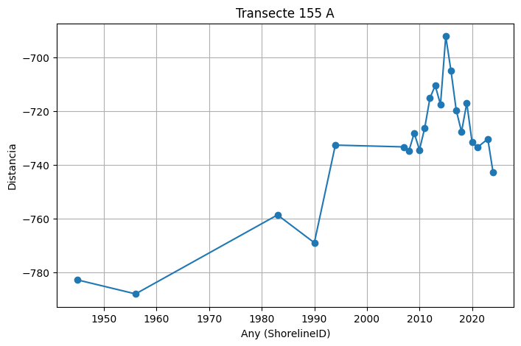
 | 155 | 155 | 1945 | 0 | -782.88 | 301644.7 | 4492181.86 | 10
 | 155 | 155 | 1956 | 0 | -788.07 | 301643.16 | 4492186.82 | 10
 | 155 | 155 | 1983 | 0 | -758.68 | 301651.87 | 4492158.74 | 10
 | 155 | 155 | 1990 | 0 | -769.03 | 301648.81 | 4492168.63 | 10
 | 155 | 155 | 1994 | 0 | -732.7 | 301659.58 | 4492133.93 | 10
 | 155 | 155 | 2007 | 0 | -733.36 | 301659.38 | 4492134.57 | 10
 | 155 | 155 | 2008 | 0 | -734.81 | 301658.95 | 4492135.95 | 10
 | 155 | 155 | 2009 | 0 | -728.22 | 301660.9 | 4492129.66 | 10
 | 155 | 155 | 2010 | 0 | -734.46 | 301659.05 | 4492135.62 | 10
 | 155 | 155 | 2011 | 0 | -726.32 | 301661.47 | 4492127.85 | 10
 | 155 | 155 | 2012 | 0 | -715.13 | 301664.79 | 4492117.16 | 10
 | 155 | 155 | 2013 | 0 | -710.56 | 301666.14 | 4492112.79 | 10
 | 155 | 155 | 2014 | 0 | -717.63 | 301664.05 | 4492119.55 | 10
 | 155 | 155 | 2015 | 0 | -692.19 | 301671.59 | 4492095.25 | 10
 | 155 | 155 | 2016 | 0 | -705.09 | 301667.76 | 4492107.57 | 10
 | 155 | 155 | 2017 | 0 | -719.8 | 301663.4 | 4492121.62 | 10
 | 155 | 155 | 2018 | 0 | -727.75 | 301661.05 | 4492129.21 | 10
 | 155 | 155 | 2019 | 0 | -717.07 | 301664.21 | 4492119.01 | 10
 | 155 | 155 | 2020 | 0 | -731.49 | 301659.94 | 4492132.78 | 10
 | 155 | 155 | 2021 | 0 | -733.58 | 301659.32 | 4492134.77 | 10
 | 155 | 155 | 2023 | 0 | -730.41 | 301660.26 | 4492131.75 | 10
 | 155 | 155 | 2024 | 0 | -742.87 | 301656.56 | 4492143.65 | 10

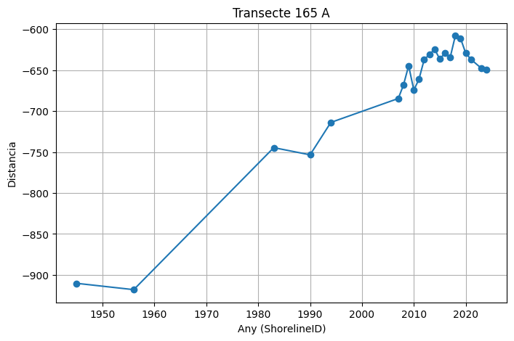
 | 165 | 165 | 1945 | 0 | -910.29 | 300322.21 | 4492043.64 | 10
 | 165 | 165 | 1956 | 0 | -918.01 | 300321.47 | 4492051.32 | 10
 | 165 | 165 | 1983 | 0 | -744.67 | 300338.03 | 4491878.78 | 10
 | 165 | 165 | 1990 | 0 | -753.42 | 300337.2 | 4491887.49 | 10
 | 165 | 165 | 1994 | 0 | -713.88 | 300340.98 | 4491848.13 | 10
 | 165 | 165 | 2007 | 0 | -684.67 | 300343.77 | 4491819.05 | 10
 | 165 | 165 | 2008 | 0 | -668.28 | 300345.33 | 4491802.74 | 10
 | 165 | 165 | 2009 | 0 | -644.65 | 300347.59 | 4491779.21 | 10
 | 165 | 165 | 2010 | 0 | -674.42 | 300344.75 | 4491808.85 | 10
 | 165 | 165 | 2011 | 0 | -660.96 | 300346.03 | 4491795.45 | 10
 | 165 | 165 | 2012 | 0 | -637.09 | 300348.31 | 4491771.69 | 10
 | 165 | 165 | 2013 | 0 | -631.05 | 300348.89 | 4491765.68 | 10
 | 165 | 165 | 2014 | 0 | -624.3 | 300349.54 | 4491758.96 | 10
 | 165 | 165 | 2015 | 0 | -636.57 | 300348.36 | 4491771.17 | 10
 | 165 | 165 | 2016 | 0 | -629.1 | 300349.08 | 4491763.73 | 10
 | 165 | 165 | 2017 | 0 | -634.83 | 300348.53 | 4491769.44 | 10
 | 165 | 165 | 2018 | 0 | -608.02 | 300351.09 | 4491742.76 | 10
 | 165 | 165 | 2019 | 0 | -611.13 | 300350.79 | 4491745.85 | 10
 | 165 | 165 | 2020 | 0 | -629.26 | 300349.06 | 4491763.9 | 10
 | 165 | 165 | 2021 | 0 | -636.83 | 300348.34 | 4491771.43 | 10
 | 165 | 165 | 2023 | 0 | -647.66 | 300347.3 | 4491782.21 | 10
 | 165 | 165 | 2024 | 0 | -649.66 | 300347.11 | 4491784.2 | 10

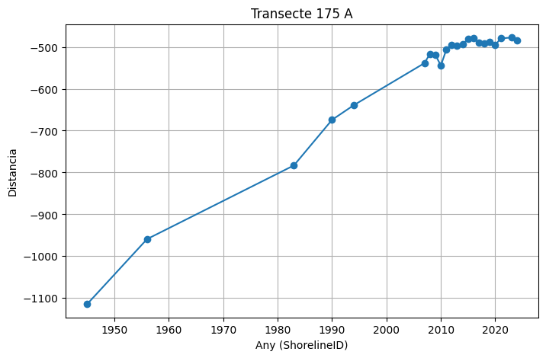
 | 175 | 175 | 1945 | 0 | -1114.38 | 299040.47 | 4492258.62 | 10
 | 175 | 175 | 1956 | 0 | -959.16 | 299022.59 | 4492104.43 | 10
 | 175 | 175 | 1983 | 0 | -783.09 | 299002.3 | 4491929.53 | 10
 | 175 | 175 | 1990 | 0 | -674.32 | 298989.77 | 4491821.49 | 10
 | 175 | 175 | 1994 | 0 | -639.26 | 298985.73 | 4491786.66 | 10
 | 175 | 175 | 2007 | 0 | -538.75 | 298974.16 | 4491686.82 | 10
 | 175 | 175 | 2008 | 0 | -516.42 | 298971.58 | 4491664.63 | 10
 | 175 | 175 | 2009 | 0 | -519.17 | 298971.9 | 4491667.37 | 10
 | 175 | 175 | 2010 | 0 | -544.53 | 298974.82 | 4491692.57 | 10
 | 175 | 175 | 2011 | 0 | -507.1 | 298970.51 | 4491655.38 | 10
 | 175 | 175 | 2012 | 0 | -494.88 | 298969.1 | 4491643.24 | 10
 | 175 | 175 | 2013 | 0 | -497.29 | 298969.38 | 4491645.64 | 10
 | 175 | 175 | 2014 | 0 | -493.94 | 298968.99 | 4491642.3 | 10
 | 175 | 175 | 2015 | 0 | -480.91 | 298967.49 | 4491629.37 | 10
 | 175 | 175 | 2016 | 0 | -479.77 | 298967.36 | 4491628.23 | 10
 | 175 | 175 | 2017 | 0 | -490.75 | 298968.63 | 4491639.14 | 10
 | 175 | 175 | 2018 | 0 | -491.07 | 298968.66 | 4491639.46 | 10
 | 175 | 175 | 2019 | 0 | -488.14 | 298968.32 | 4491636.54 | 10
 | 175 | 175 | 2020 | 0 | -495.47 | 298969.17 | 4491643.83 | 10
 | 175 | 175 | 2021 | 0 | -479.9 | 298967.38 | 4491628.37 | 10
 | 175 | 175 | 2023 | 0 | -477.59 | 298967.11 | 4491626.07 | 10
 | 175 | 175 | 2024 | 0 | -484.94 | 298967.96 | 4491633.37 | 10

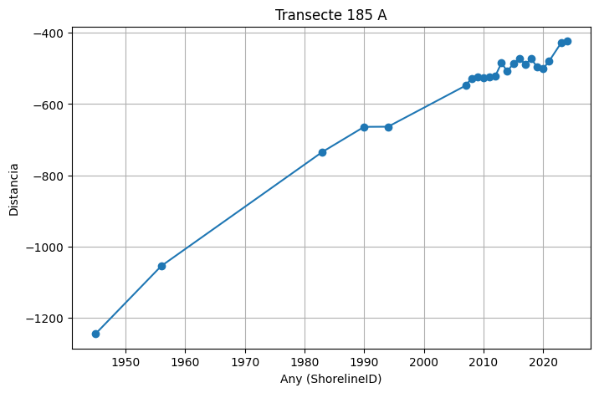
 | 185 | 185 | 1945 | 0 | -1244.44 | 298134.68 | 4492686.75 | 10
 | 185 | 185 | 1956 | 0 | -1054.33 | 298037.58 | 4492523.31 | 10
 | 185 | 185 | 1983 | 0 | -734.18 | 297874.05 | 4492248.07 | 10
 | 185 | 185 | 1990 | 0 | -663.78 | 297838.1 | 4492187.55 | 10
 | 185 | 185 | 1994 | 0 | -663.43 | 297837.92 | 4492187.24 | 10
 | 185 | 185 | 2007 | 0 | -548.15 | 297779.04 | 4492088.13 | 10
 | 185 | 185 | 2008 | 0 | -527.55 | 297768.51 | 4492070.42 | 10
 | 185 | 185 | 2009 | 0 | -523.01 | 297766.2 | 4492066.52 | 10
 | 185 | 185 | 2010 | 0 | -527.08 | 297768.28 | 4492070.02 | 10
 | 185 | 185 | 2011 | 0 | -523.07 | 297766.23 | 4492066.57 | 10
 | 185 | 185 | 2012 | 0 | -520.45 | 297764.89 | 4492064.32 | 10
 | 185 | 185 | 2013 | 0 | -484.55 | 297746.55 | 4492033.46 | 10
 | 185 | 185 | 2014 | 0 | -508.22 | 297758.64 | 4492053.81 | 10
 | 185 | 185 | 2015 | 0 | -485.78 | 297747.18 | 4492034.52 | 10
 | 185 | 185 | 2016 | 0 | -472.63 | 297740.46 | 4492023.21 | 10
 | 185 | 185 | 2017 | 0 | -487.54 | 297748.08 | 4492036.03 | 10
 | 185 | 185 | 2018 | 0 | -473.21 | 297740.76 | 4492023.71 | 10
 | 185 | 185 | 2019 | 0 | -496.21 | 297752.51 | 4492043.48 | 10
 | 185 | 185 | 2020 | 0 | -500.47 | 297754.69 | 4492047.15 | 10
 | 185 | 185 | 2021 | 0 | -479.26 | 297743.85 | 4492028.91 | 10
 | 185 | 185 | 2023 | 0 | -428.38 | 297717.86 | 4491985.16 | 10
 | 185 | 185 | 2024 | 0 | -423.46 | 297715.35 | 4491980.93 | 10

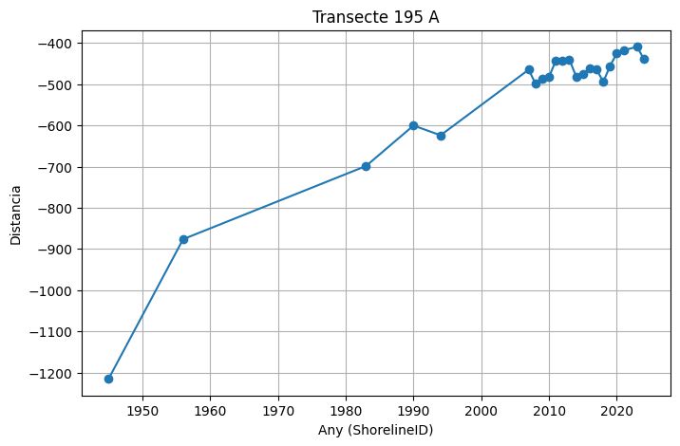
 | 195 | 195 | 1945 | 0 | -1215.48 | 297475.04 | 4493303.44 | 10
 | 195 | 195 | 1956 | 0 | -876.4 | 297187.46 | 4493123.77 | 10
 | 195 | 195 | 1983 | 0 | -698.58 | 297036.66 | 4493029.55 | 10
 | 195 | 195 | 1990 | 0 | -600.37 | 296953.37 | 4492977.51 | 10
 | 195 | 195 | 1994 | 0 | -624.02 | 296973.43 | 4492990.05 | 10
 | 195 | 195 | 2007 | 0 | -464.67 | 296838.28 | 4492905.61 | 10
 | 195 | 195 | 2008 | 0 | -498.66 | 296867.11 | 4492923.62 | 10
 | 195 | 195 | 2009 | 0 | -487.2 | 296857.39 | 4492917.55 | 10
 | 195 | 195 | 2010 | 0 | -482.71 | 296853.58 | 4492915.17 | 10
 | 195 | 195 | 2011 | 0 | -442.52 | 296819.5 | 4492893.88 | 10
 | 195 | 195 | 2012 | 0 | -443.35 | 296820.21 | 4492894.32 | 10
 | 195 | 195 | 2013 | 0 | -439.78 | 296817.18 | 4492892.42 | 10
 | 195 | 195 | 2014 | 0 | -481.27 | 296852.37 | 4492914.41 | 10
 | 195 | 195 | 2015 | 0 | -475.01 | 296847.06 | 4492911.09 | 10
 | 195 | 195 | 2016 | 0 | -460.69 | 296834.91 | 4492903.5 | 10
 | 195 | 195 | 2017 | 0 | -463.02 | 296836.88 | 4492904.73 | 10
 | 195 | 195 | 2018 | 0 | -494.73 | 296863.78 | 4492921.54 | 10
 | 195 | 195 | 2019 | 0 | -455.91 | 296830.86 | 4492900.97 | 10
 | 195 | 195 | 2020 | 0 | -425.03 | 296804.66 | 4492884.6 | 10
 | 195 | 195 | 2021 | 0 | -417.89 | 296798.61 | 4492880.82 | 10
 | 195 | 195 | 2023 | 0 | -408.95 | 296791.03 | 4492876.09 | 10
 | 195 | 195 | 2024 | 0 | -439.14 | 296816.64 | 4492892.08 | 10

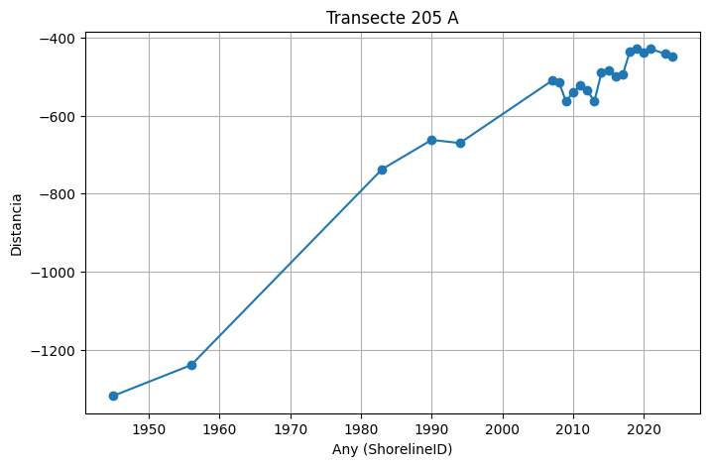
 | 205 | 205 | 1945 | 0 | -1318.55 | 297077.61 | 4494416.62 | 10
 | 205 | 205 | 1956 | 0 | -1239.77 | 297002.49 | 4494392.87 | 10
 | 205 | 205 | 1983 | 0 | -737.17 | 296523.27 | 4494241.37 | 10
 | 205 | 205 | 1990 | 0 | -662.09 | 296451.68 | 4494218.74 | 10
 | 205 | 205 | 1994 | 0 | -670.02 | 296459.24 | 4494221.13 | 10
 | 205 | 205 | 2007 | 0 | -510.25 | 296306.9 | 4494172.97 | 10
 | 205 | 205 | 2008 | 0 | -514.3 | 296310.76 | 4494174.19 | 10
 | 205 | 205 | 2009 | 0 | -563.57 | 296357.74 | 4494189.04 | 10
 | 205 | 205 | 2010 | 0 | -539.39 | 296334.69 | 4494181.76 | 10
 | 205 | 205 | 2011 | 0 | -523.1 | 296319.15 | 4494176.84 | 10
 | 205 | 205 | 2012 | 0 | -534.88 | 296330.39 | 4494180.4 | 10
 | 205 | 205 | 2013 | 0 | -563.21 | 296357.39 | 4494188.93 | 10
 | 205 | 205 | 2014 | 0 | -489.98 | 296287.57 | 4494166.86 | 10
 | 205 | 205 | 2015 | 0 | -483.56 | 296281.45 | 4494164.93 | 10
 | 205 | 205 | 2016 | 0 | -497.79 | 296295.02 | 4494169.22 | 10
 | 205 | 205 | 2017 | 0 | -494.83 | 296292.2 | 4494168.32 | 10
 | 205 | 205 | 2018 | 0 | -436.65 | 296236.72 | 4494150.79 | 10
 | 205 | 205 | 2019 | 0 | -428.99 | 296229.42 | 4494148.48 | 10
 | 205 | 205 | 2020 | 0 | -438.63 | 296238.61 | 4494151.38 | 10
 | 205 | 205 | 2021 | 0 | -428.34 | 296228.8 | 4494148.28 | 10
 | 205 | 205 | 2023 | 0 | -441.73 | 296241.57 | 4494152.32 | 10
 | 205 | 205 | 2024 | 0 | -448.58 | 296248.1 | 4494154.38 | 10

DISTANCIA B2
Intersect: B2_DEFINITIVO_intersects_20260226_185459

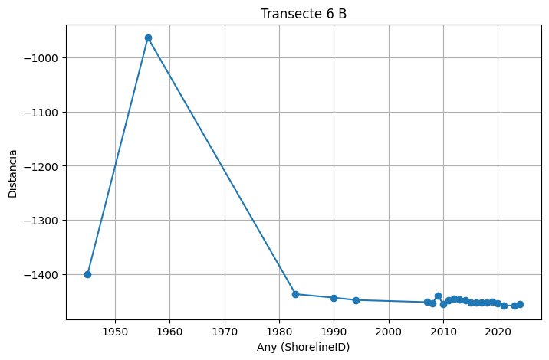
 | TransectId | TransOrder | ShorelineID | BaselineID | Distance | IntersectX | IntersectY | Uncertainity
 | 6 | 6 | 1945 | 0 | -1399.81 | 297093.59 | 4494483.96 | 10
 | 6 | 6 | 1956 | 0 | -963.36 | 296976.47 | 4494904.4 | 10
 | 6 | 6 | 1983 | 0 | -1437.16 | 297103.61 | 4494447.98 | 10
 | 6 | 6 | 1990 | 0 | -1443.77 | 297105.38 | 4494441.62 | 10
 | 6 | 6 | 1994 | 0 | -1448.01 | 297106.52 | 4494437.53 | 10
 | 6 | 6 | 2007 | 0 | -1452 | 297107.59 | 4494433.68 | 10
 | 6 | 6 | 2008 | 0 | -1454.04 | 297108.14 | 4494431.72 | 10
 | 6 | 6 | 2009 | 0 | -1439.35 | 297104.2 | 4494445.88 | 10
 | 6 | 6 | 2010 | 0 | -1455.9 | 297108.64 | 4494429.93 | 10
 | 6 | 6 | 2011 | 0 | -1448.53 | 297106.66 | 4494437.03 | 10
 | 6 | 6 | 2012 | 0 | -1446.11 | 297106.01 | 4494439.36 | 10
 | 6 | 6 | 2013 | 0 | -1446.39 | 297106.09 | 4494439.09 | 10
 | 6 | 6 | 2014 | 0 | -1448.01 | 297106.52 | 4494437.53 | 10
 | 6 | 6 | 2015 | 0 | -1453.42 | 297107.97 | 4494432.32 | 10
 | 6 | 6 | 2016 | 0 | -1452.67 | 297107.77 | 4494433.04 | 10
 | 6 | 6 | 2017 | 0 | -1452.79 | 297107.81 | 4494432.92 | 10
 | 6 | 6 | 2018 | 0 | -1452.19 | 297107.64 | 4494433.5 | 10
 | 6 | 6 | 2019 | 0 | -1451.82 | 297107.54 | 4494433.86 | 10
 | 6 | 6 | 2020 | 0 | -1454.44 | 297108.25 | 4494431.34 | 10
 | 6 | 6 | 2021 | 0 | -1457.7 | 297109.12 | 4494428.19 | 10
 | 6 | 6 | 2023 | 0 | -1458.69 | 297109.39 | 4494427.24 | 10
 | 6 | 6 | 2024 | 0 | -1455.97 | 297108.66 | 4494429.86 | 10

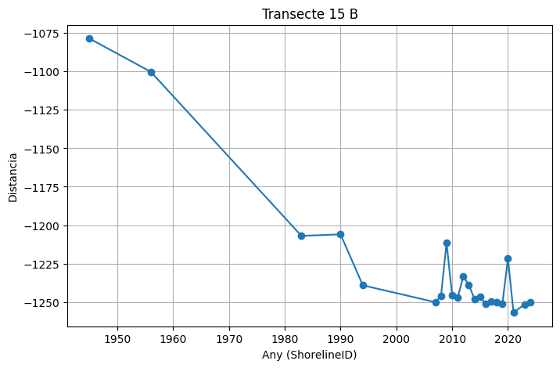
 | 15 | 15 | 1945 | 0 | -1078.56 | 298218.42 | 4495067.17 | 10
 | 15 | 15 | 1956 | 0 | -1100.21 | 298222.11 | 4495045.85 | 10
 | 15 | 15 | 1983 | 0 | -1206.99 | 298240.36 | 4494940.63 | 10
 | 15 | 15 | 1990 | 0 | -1205.98 | 298240.18 | 4494941.63 | 10
 | 15 | 15 | 1994 | 0 | -1239.17 | 298245.85 | 4494908.92 | 10
 | 15 | 15 | 2007 | 0 | -1250.13 | 298247.73 | 4494898.13 | 10
 | 15 | 15 | 2008 | 0 | -1246.11 | 298247.04 | 4494902.08 | 10
 | 15 | 15 | 2009 | 0 | -1211.48 | 298241.12 | 4494936.2 | 10
 | 15 | 15 | 2010 | 0 | -1245.79 | 298246.98 | 4494902.4 | 10
 | 15 | 15 | 2011 | 0 | -1247.07 | 298247.2 | 4494901.14 | 10
 | 15 | 15 | 2012 | 0 | -1233.31 | 298244.85 | 4494914.7 | 10
 | 15 | 15 | 2013 | 0 | -1238.93 | 298245.81 | 4494909.16 | 10
 | 15 | 15 | 2014 | 0 | -1247.96 | 298247.35 | 4494900.26 | 10
 | 15 | 15 | 2015 | 0 | -1246.68 | 298247.14 | 4494901.53 | 10
 | 15 | 15 | 2016 | 0 | -1251.24 | 298247.91 | 4494897.03 | 10
 | 15 | 15 | 2017 | 0 | -1249.9 | 298247.69 | 4494898.35 | 10
 | 15 | 15 | 2018 | 0 | -1249.99 | 298247.7 | 4494898.26 | 10
 | 15 | 15 | 2019 | 0 | -1251.44 | 298247.95 | 4494896.83 | 10
 | 15 | 15 | 2020 | 0 | -1221.5 | 298242.84 | 4494926.33 | 10
 | 15 | 15 | 2021 | 0 | -1256.91 | 298248.88 | 4494891.44 | 10
 | 15 | 15 | 2023 | 0 | -1251.51 | 298247.96 | 4494896.76 | 10
 | 15 | 15 | 2024 | 0 | -1249.92 | 298247.69 | 4494898.33 | 10

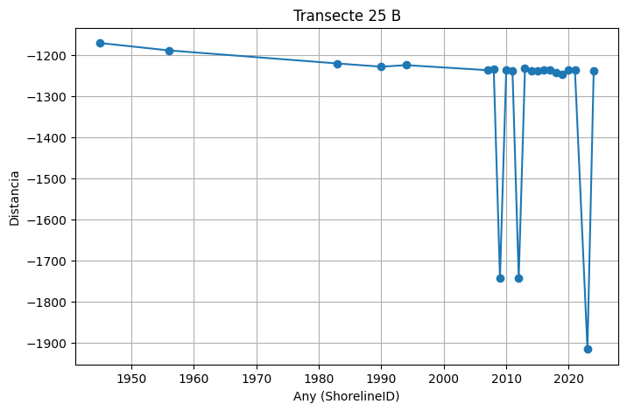
 | 25 | 25 | 1945 | 0 | -1170.82 | 299610.42 | 4495115.36 | 10
 | 25 | 25 | 1956 | 0 | -1188.75 | 299611.72 | 4495097.47 | 10
 | 25 | 25 | 1983 | 0 | -1220.59 | 299614.04 | 4495065.72 | 10
 | 25 | 25 | 1990 | 0 | -1228.42 | 299614.61 | 4495057.9 | 10
 | 25 | 25 | 1994 | 0 | -1224.64 | 299614.33 | 4495061.68 | 10
 | 25 | 25 | 2007 | 0 | -1236.88 | 299615.23 | 4495049.47 | 10
 | 25 | 25 | 2008 | 0 | -1234.71 | 299615.07 | 4495051.63 | 10
 | 25 | 25 | 2009 | 0 | -1742.76 | 299652.03 | 4494544.93 | 10
 | 25 | 25 | 2010 | 0 | -1236.91 | 299615.23 | 4495049.44 | 10
 | 25 | 25 | 2011 | 0 | -1238.25 | 299615.32 | 4495048.11 | 10
 | 25 | 25 | 2012 | 0 | -1743.25 | 299652.06 | 4494544.45 | 10
 | 25 | 25 | 2013 | 0 | -1232.87 | 299614.93 | 4495053.47 | 10
 | 25 | 25 | 2014 | 0 | -1239.27 | 299615.4 | 4495047.09 | 10
 | 25 | 25 | 2015 | 0 | -1237.51 | 299615.27 | 4495048.84 | 10
 | 25 | 25 | 2016 | 0 | -1237.25 | 299615.25 | 4495049.1 | 10
 | 25 | 25 | 2017 | 0 | -1236.44 | 299615.19 | 4495049.91 | 10
 | 25 | 25 | 2018 | 0 | -1243.69 | 299615.72 | 4495042.67 | 10
 | 25 | 25 | 2019 | 0 | -1246.87 | 299615.95 | 4495039.5 | 10
 | 25 | 25 | 2020 | 0 | -1236.78 | 299615.22 | 4495049.57 | 10
 | 25 | 25 | 2021 | 0 | -1237.31 | 299615.26 | 4495049.04 | 10
 | 25 | 25 | 2023 | 0 | -1916.42 | 299664.66 | 4494371.73 | 10
 | 25 | 25 | 2024 | 0 | -1238.32 | 299615.33 | 4495048.03 | 10

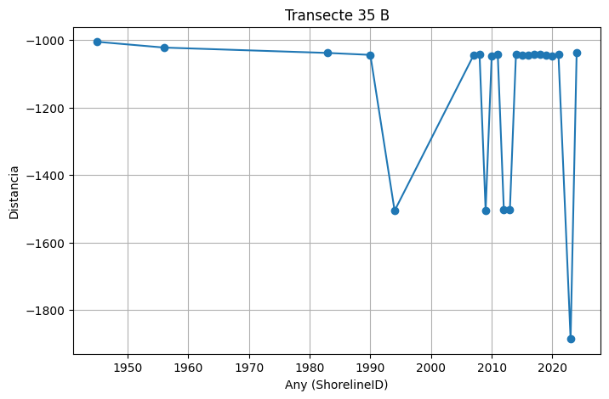
 | 35 | 35 | 1945 | 0 | -1004.81 | 301107.06 | 4495400.87 | 10
 | 35 | 35 | 1956 | 0 | -1021.93 | 301108.53 | 4495383.82 | 10
 | 35 | 35 | 1983 | 0 | -1037.91 | 301109.91 | 4495367.9 | 10
 | 35 | 35 | 1990 | 0 | -1043.62 | 301110.4 | 4495362.21 | 10
 | 35 | 35 | 1994 | 0 | -1505.57 | 301150.22 | 4494901.98 | 10
 | 35 | 35 | 2007 | 0 | -1045.39 | 301110.56 | 4495360.45 | 10
 | 35 | 35 | 2008 | 0 | -1042.75 | 301110.33 | 4495363.08 | 10
 | 35 | 35 | 2009 | 0 | -1505.2 | 301150.19 | 4494902.35 | 10
 | 35 | 35 | 2010 | 0 | -1046.73 | 301110.67 | 4495359.11 | 10
 | 35 | 35 | 2011 | 0 | -1043 | 301110.35 | 4495362.83 | 10
 | 35 | 35 | 2012 | 0 | -1502.46 | 301149.95 | 4494905.08 | 10
 | 35 | 35 | 2013 | 0 | -1502.3 | 301149.94 | 4494905.24 | 10
 | 35 | 35 | 2014 | 0 | -1040.85 | 301110.17 | 4495364.97 | 10
 | 35 | 35 | 2015 | 0 | -1043.41 | 301110.39 | 4495362.42 | 10
 | 35 | 35 | 2016 | 0 | -1044.32 | 301110.46 | 4495361.52 | 10
 | 35 | 35 | 2017 | 0 | -1042.87 | 301110.34 | 4495362.97 | 10
 | 35 | 35 | 2018 | 0 | -1042.87 | 301110.34 | 4495362.97 | 10
 | 35 | 35 | 2019 | 0 | -1043.89 | 301110.43 | 4495361.94 | 10
 | 35 | 35 | 2020 | 0 | -1047.22 | 301110.71 | 4495358.63 | 10
 | 35 | 35 | 2021 | 0 | -1042.18 | 301110.28 | 4495363.65 | 10
 | 35 | 35 | 2023 | 0 | -1885.68 | 301182.99 | 4494523.28 | 10
 | 35 | 35 | 2024 | 0 | -1036.76 | 301109.81 | 4495369.04 | 10

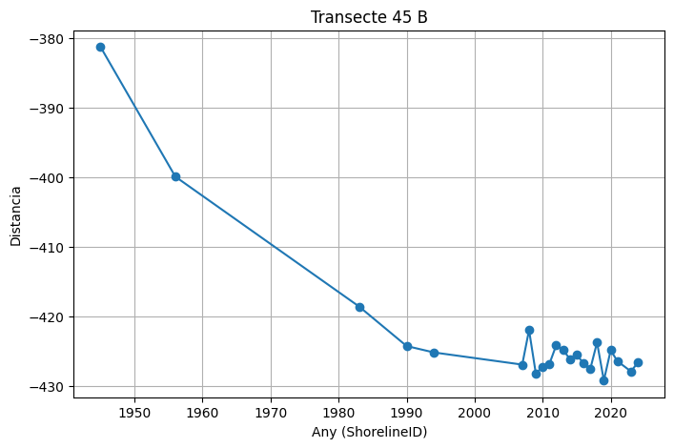
 | 45 | 45 | 1945 | 0 | -381.26 | 302528.62 | 4496106.92 | 10
 | 45 | 45 | 1956 | 0 | -399.91 | 302529.15 | 4496088.29 | 10
 | 45 | 45 | 1983 | 0 | -418.57 | 302529.68 | 4496069.63 | 10
 | 45 | 45 | 1990 | 0 | -424.26 | 302529.84 | 4496063.94 | 10
 | 45 | 45 | 1994 | 0 | -425.18 | 302529.87 | 4496063.03 | 10
 | 45 | 45 | 2007 | 0 | -426.93 | 302529.92 | 4496061.28 | 10
 | 45 | 45 | 2008 | 0 | -421.96 | 302529.77 | 4496066.24 | 10
 | 45 | 45 | 2009 | 0 | -428.22 | 302529.95 | 4496059.99 | 10
 | 45 | 45 | 2010 | 0 | -427.21 | 302529.92 | 4496060.99 | 10
 | 45 | 45 | 2011 | 0 | -426.81 | 302529.91 | 4496061.39 | 10
 | 45 | 45 | 2012 | 0 | -424.14 | 302529.84 | 4496064.06 | 10
 | 45 | 45 | 2013 | 0 | -424.82 | 302529.85 | 4496063.39 | 10
 | 45 | 45 | 2014 | 0 | -426.11 | 302529.89 | 4496062.1 | 10
 | 45 | 45 | 2015 | 0 | -425.48 | 302529.87 | 4496062.72 | 10
 | 45 | 45 | 2016 | 0 | -426.75 | 302529.91 | 4496061.46 | 10
 | 45 | 45 | 2017 | 0 | -427.58 | 302529.93 | 4496060.63 | 10
 | 45 | 45 | 2018 | 0 | -423.74 | 302529.82 | 4496064.47 | 10
 | 45 | 45 | 2019 | 0 | -429.22 | 302529.98 | 4496058.99 | 10
 | 45 | 45 | 2020 | 0 | -424.87 | 302529.86 | 4496063.34 | 10
 | 45 | 45 | 2021 | 0 | -426.44 | 302529.9 | 4496061.77 | 10
 | 45 | 45 | 2023 | 0 | -427.92 | 302529.94 | 4496060.29 | 10
 | 45 | 45 | 2024 | 0 | -426.6 | 302529.91 | 4496061.61 | 10

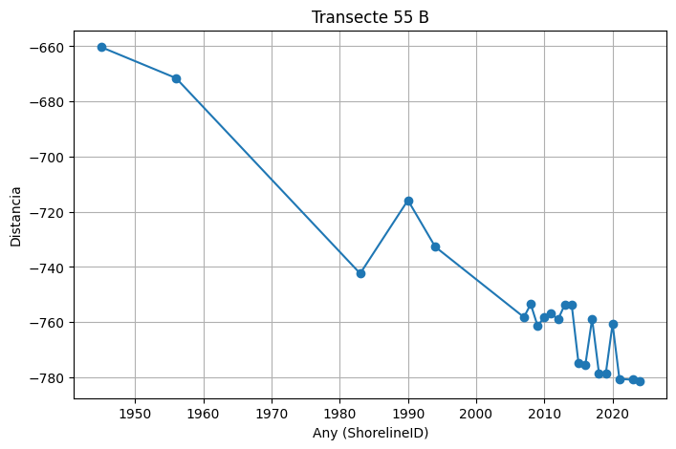
 | 55 | 55 | 1945 | 0 | -660.26 | 303982.02 | 4495813.22 | 10
 | 55 | 55 | 1956 | 0 | -671.52 | 303981.42 | 4495801.98 | 10
 | 55 | 55 | 1983 | 0 | -742.39 | 303977.66 | 4495731.21 | 10
 | 55 | 55 | 1990 | 0 | -715.82 | 303979.07 | 4495757.74 | 10
 | 55 | 55 | 1994 | 0 | -732.7 | 303978.18 | 4495740.88 | 10
 | 55 | 55 | 2007 | 0 | -758.23 | 303976.82 | 4495715.39 | 10
 | 55 | 55 | 2008 | 0 | -753.49 | 303977.07 | 4495720.12 | 10
 | 55 | 55 | 2009 | 0 | -761.33 | 303976.66 | 4495712.29 | 10
 | 55 | 55 | 2010 | 0 | -758.26 | 303976.82 | 4495715.36 | 10
 | 55 | 55 | 2011 | 0 | -756.95 | 303976.89 | 4495716.67 | 10
 | 55 | 55 | 2012 | 0 | -759.05 | 303976.78 | 4495714.57 | 10
 | 55 | 55 | 2013 | 0 | -753.64 | 303977.07 | 4495719.97 | 10
 | 55 | 55 | 2014 | 0 | -753.63 | 303977.07 | 4495719.98 | 10
 | 55 | 55 | 2015 | 0 | -774.8 | 303975.95 | 4495698.84 | 10
 | 55 | 55 | 2016 | 0 | -775.62 | 303975.9 | 4495698.02 | 10
 | 55 | 55 | 2017 | 0 | -758.86 | 303976.79 | 4495714.76 | 10
 | 55 | 55 | 2018 | 0 | -778.51 | 303975.75 | 4495695.14 | 10
 | 55 | 55 | 2019 | 0 | -778.71 | 303975.74 | 4495694.94 | 10
 | 55 | 55 | 2020 | 0 | -760.71 | 303976.69 | 4495712.91 | 10
 | 55 | 55 | 2021 | 0 | -780.61 | 303975.64 | 4495693.04 | 10
 | 55 | 55 | 2023 | 0 | -780.91 | 303975.62 | 4495692.74 | 10
 | 55 | 55 | 2024 | 0 | -781.51 | 303975.59 | 4495692.15 | 10

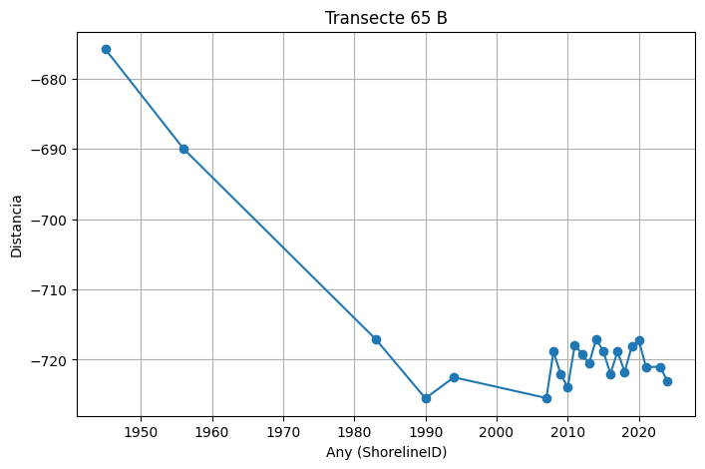
 | 65 | 65 | 1945 | 0 | -675.81 | 305743.56 | 4495858.6 | 10
 | 65 | 65 | 1956 | 0 | -689.99 | 305748.57 | 4495845.33 | 10
 | 65 | 65 | 1983 | 0 | -717.08 | 305758.14 | 4495819.98 | 10
 | 65 | 65 | 1990 | 0 | -725.51 | 305761.11 | 4495812.09 | 10
 | 65 | 65 | 1994 | 0 | -722.51 | 305760.05 | 4495814.91 | 10
 | 65 | 65 | 2007 | 0 | -725.46 | 305761.1 | 4495812.14 | 10
 | 65 | 65 | 2008 | 0 | -718.86 | 305758.77 | 4495818.31 | 10
 | 65 | 65 | 2009 | 0 | -722.01 | 305759.88 | 4495815.37 | 10
 | 65 | 65 | 2010 | 0 | -723.95 | 305760.56 | 4495813.56 | 10
 | 65 | 65 | 2011 | 0 | -717.89 | 305758.42 | 4495819.23 | 10
 | 65 | 65 | 2012 | 0 | -719.17 | 305758.87 | 4495818.03 | 10
 | 65 | 65 | 2013 | 0 | -720.56 | 305759.36 | 4495816.73 | 10
 | 65 | 65 | 2014 | 0 | -717.05 | 305758.13 | 4495820.01 | 10
 | 65 | 65 | 2015 | 0 | -718.8 | 305758.74 | 4495818.37 | 10
 | 65 | 65 | 2016 | 0 | -722.01 | 305759.88 | 4495815.37 | 10
 | 65 | 65 | 2017 | 0 | -718.85 | 305758.76 | 4495818.32 | 10
 | 65 | 65 | 2018 | 0 | -721.73 | 305759.78 | 4495815.63 | 10
 | 65 | 65 | 2019 | 0 | -718.12 | 305758.5 | 4495819.01 | 10
 | 65 | 65 | 2020 | 0 | -717.27 | 305758.2 | 4495819.8 | 10
 | 65 | 65 | 2021 | 0 | -721.05 | 305759.54 | 4495816.27 | 10
 | 65 | 65 | 2023 | 0 | -721.02 | 305759.53 | 4495816.3 | 10
 | 65 | 65 | 2024 | 0 | -723.03 | 305760.24 | 4495814.41 | 10

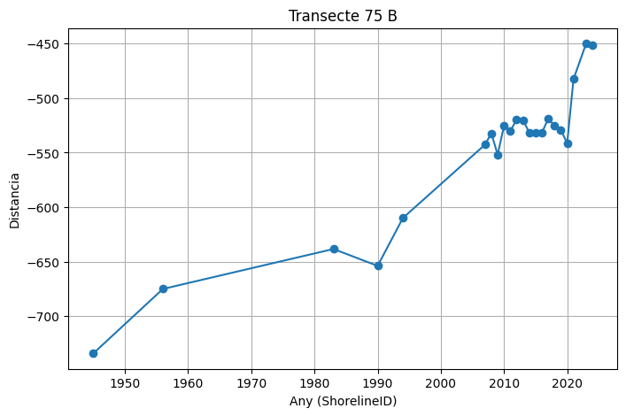
 | 75 | 75 | 1945 | 0 | -733.96 | 307149.98 | 4497102.3 | 10
 | 75 | 75 | 1956 | 0 | -674.96 | 307101.71 | 4497136.21 | 10
 | 75 | 75 | 1983 | 0 | -638.35 | 307071.75 | 4497157.27 | 10
 | 75 | 75 | 1990 | 0 | -653.79 | 307084.38 | 4497148.39 | 10
 | 75 | 75 | 1994 | 0 | -609.93 | 307048.5 | 4497173.6 | 10
 | 75 | 75 | 2007 | 0 | -542.7 | 306993.49 | 4497212.26 | 10
 | 75 | 75 | 2008 | 0 | -532.25 | 306984.94 | 4497218.27 | 10
 | 75 | 75 | 2009 | 0 | -551.97 | 307001.07 | 4497206.93 | 10
 | 75 | 75 | 2010 | 0 | -525.38 | 306979.33 | 4497222.22 | 10
 | 75 | 75 | 2011 | 0 | -530.41 | 306983.44 | 4497219.33 | 10
 | 75 | 75 | 2012 | 0 | -519.63 | 306974.62 | 4497225.53 | 10
 | 75 | 75 | 2013 | 0 | -520.13 | 306975.03 | 4497225.23 | 10
 | 75 | 75 | 2014 | 0 | -531.69 | 306984.48 | 4497218.59 | 10
 | 75 | 75 | 2015 | 0 | -531.66 | 306984.46 | 4497218.61 | 10
 | 75 | 75 | 2016 | 0 | -531.97 | 306984.72 | 4497218.43 | 10
 | 75 | 75 | 2017 | 0 | -518.76 | 306973.91 | 4497226.03 | 10
 | 75 | 75 | 2018 | 0 | -525.49 | 306979.41 | 4497222.15 | 10
 | 75 | 75 | 2019 | 0 | -529.11 | 306982.38 | 4497220.07 | 10
 | 75 | 75 | 2020 | 0 | -541.51 | 306992.52 | 4497212.94 | 10
 | 75 | 75 | 2021 | 0 | -482.72 | 306944.42 | 4497246.75 | 10
 | 75 | 75 | 2023 | 0 | -450.11 | 306917.74 | 4497265.5 | 10
 | 75 | 75 | 2024 | 0 | -451.51 | 306918.88 | 4497264.69 | 10

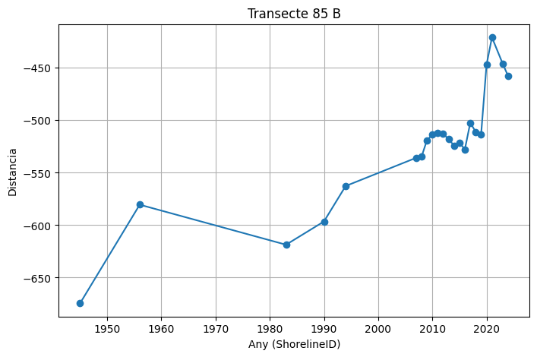
 | 85 | 85 | 1945 | 0 | -674.44 | 307974.76 | 4498327.3 | 10
 | 85 | 85 | 1956 | 0 | -580.47 | 307899.78 | 4498383.94 | 10
 | 85 | 85 | 1983 | 0 | -618.64 | 307930.24 | 4498360.94 | 10
 | 85 | 85 | 1990 | 0 | -596.49 | 307912.57 | 4498374.28 | 10
 | 85 | 85 | 1994 | 0 | -562.69 | 307885.59 | 4498394.66 | 10
 | 85 | 85 | 2007 | 0 | -535.81 | 307864.14 | 4498410.85 | 10
 | 85 | 85 | 2008 | 0 | -534.86 | 307863.39 | 4498411.43 | 10
 | 85 | 85 | 2009 | 0 | -519.09 | 307850.8 | 4498420.93 | 10
 | 85 | 85 | 2010 | 0 | -513.68 | 307846.48 | 4498424.2 | 10
 | 85 | 85 | 2011 | 0 | -511.96 | 307845.11 | 4498425.23 | 10
 | 85 | 85 | 2012 | 0 | -513.04 | 307845.97 | 4498424.58 | 10
 | 85 | 85 | 2013 | 0 | -517.87 | 307849.83 | 4498421.67 | 10
 | 85 | 85 | 2014 | 0 | -524.18 | 307854.86 | 4498417.87 | 10
 | 85 | 85 | 2015 | 0 | -521.37 | 307852.62 | 4498419.56 | 10
 | 85 | 85 | 2016 | 0 | -527.7 | 307857.67 | 4498415.74 | 10
 | 85 | 85 | 2017 | 0 | -502.34 | 307837.43 | 4498431.03 | 10
 | 85 | 85 | 2018 | 0 | -511.05 | 307844.38 | 4498425.78 | 10
 | 85 | 85 | 2019 | 0 | -513.35 | 307846.22 | 4498424.39 | 10
 | 85 | 85 | 2020 | 0 | -447.07 | 307793.33 | 4498464.34 | 10
 | 85 | 85 | 2021 | 0 | -420.97 | 307772.5 | 4498480.07 | 10
 | 85 | 85 | 2023 | 0 | -446.26 | 307792.68 | 4498464.82 | 10
 | 85 | 85 | 2024 | 0 | -458.03 | 307802.08 | 4498457.73 | 10

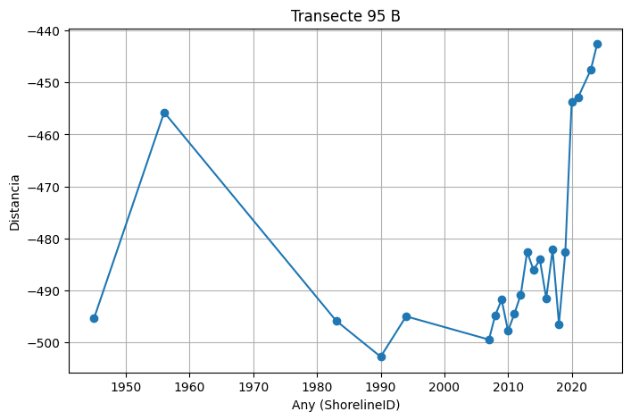
 | 95 | 95 | 1945 | 0 | -495.3 | 308758.3 | 4499634.93 | 10
 | 95 | 95 | 1956 | 0 | -455.76 | 308725.98 | 4499657.72 | 10
 | 95 | 95 | 1983 | 0 | -495.81 | 308758.71 | 4499634.64 | 10
 | 95 | 95 | 1990 | 0 | -502.74 | 308764.38 | 4499630.65 | 10
 | 95 | 95 | 1994 | 0 | -494.97 | 308758.02 | 4499635.13 | 10
 | 95 | 95 | 2007 | 0 | -499.44 | 308761.68 | 4499632.55 | 10
 | 95 | 95 | 2008 | 0 | -494.73 | 308757.83 | 4499635.26 | 10
 | 95 | 95 | 2009 | 0 | -491.78 | 308755.42 | 4499636.96 | 10
 | 95 | 95 | 2010 | 0 | -497.77 | 308760.31 | 4499633.51 | 10
 | 95 | 95 | 2011 | 0 | -494.48 | 308757.63 | 4499635.41 | 10
 | 95 | 95 | 2012 | 0 | -490.81 | 308754.63 | 4499637.52 | 10
 | 95 | 95 | 2013 | 0 | -482.56 | 308747.89 | 4499642.27 | 10
 | 95 | 95 | 2014 | 0 | -486.08 | 308750.76 | 4499640.25 | 10
 | 95 | 95 | 2015 | 0 | -484.06 | 308749.11 | 4499641.41 | 10
 | 95 | 95 | 2016 | 0 | -491.53 | 308755.21 | 4499637.11 | 10
 | 95 | 95 | 2017 | 0 | -482.15 | 308747.55 | 4499642.51 | 10
 | 95 | 95 | 2018 | 0 | -496.47 | 308759.26 | 4499634.26 | 10
 | 95 | 95 | 2019 | 0 | -482.61 | 308747.93 | 4499642.24 | 10
 | 95 | 95 | 2020 | 0 | -453.67 | 308724.27 | 4499658.92 | 10
 | 95 | 95 | 2021 | 0 | -452.89 | 308723.64 | 4499659.37 | 10
 | 95 | 95 | 2023 | 0 | -447.58 | 308719.29 | 4499662.43 | 10
 | 95 | 95 | 2024 | 0 | -442.62 | 308715.24 | 4499665.29 | 10

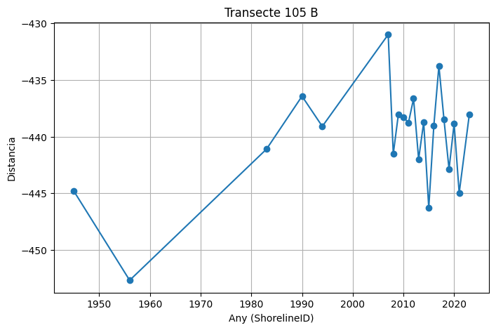
 | 105 | 105 | 1945 | 0 | -444.81 | 308142.91 | 4501142.45 | 10
 | 105 | 105 | 1956 | 0 | -452.66 | 308143.96 | 4501150.23 | 10
 | 105 | 105 | 1983 | 0 | -441.1 | 308142.42 | 4501138.77 | 10
 | 105 | 105 | 1990 | 0 | -436.44 | 308141.79 | 4501134.15 | 10
 | 105 | 105 | 1994 | 0 | -439.1 | 308142.15 | 4501136.79 | 10
 | 105 | 105 | 2007 | 0 | -431.01 | 308141.07 | 4501128.78 | 10
 | 105 | 105 | 2008 | 0 | -441.52 | 308142.47 | 4501139.19 | 10
 | 105 | 105 | 2009 | 0 | -438.06 | 308142.01 | 4501135.76 | 10
 | 105 | 105 | 2010 | 0 | -438.29 | 308142.04 | 4501135.99 | 10
 | 105 | 105 | 2011 | 0 | -438.77 | 308142.1 | 4501136.46 | 10
 | 105 | 105 | 2012 | 0 | -436.65 | 308141.82 | 4501134.36 | 10
 | 105 | 105 | 2013 | 0 | -441.99 | 308142.54 | 4501139.66 | 10
 | 105 | 105 | 2014 | 0 | -438.73 | 308142.1 | 4501136.42 | 10
 | 105 | 105 | 2015 | 0 | -446.27 | 308143.11 | 4501143.89 | 10
 | 105 | 105 | 2016 | 0 | -439.04 | 308142.14 | 4501136.73 | 10
 | 105 | 105 | 2017 | 0 | -433.77 | 308141.44 | 4501131.51 | 10
 | 105 | 105 | 2018 | 0 | -438.49 | 308142.07 | 4501136.19 | 10
 | 105 | 105 | 2019 | 0 | -442.87 | 308142.65 | 4501140.53 | 10
 | 105 | 105 | 2020 | 0 | -438.85 | 308142.12 | 4501136.54 | 10
 | 105 | 105 | 2021 | 0 | -444.97 | 308142.93 | 4501142.61 | 10
 | 105 | 105 | 2023 | 0 | -438.06 | 308142.01 | 4501135.76 | 10

