Hoja1
1 2 3 4 5 6 |  | 1 2 3 4 5 6 |  | 1 2 3 4 5 6
-------------------- |  | -------------------- |  | -------------------- |  | if we get to know context we can derive reward function. All can be done.
1 | | | | | | | |  | 1 | | | | | | | |  | 1 | 4 | 5 | 6 |7 | 8 | 9 | |  | if we know obserbed reward we can derive the context. This will create a semantic map for high reward from which context maybe derived
-------------------- |  | -------------------- |  | --------------------
2 | | | | | | | |  | 2 | 3 | 4 | 5 | 6 | 7 | 8 | |  | 2 | 3 | | | | | 10 |
-------------------- |  | -------------------- |  | --------------------
3 | 2 | 3 | 4 | 5 | | | |  | 3 | 2 | B | B | B | | 9 | |  | 3 | 2 | | | | | 11 | |  | at time 0 we dont know reward function or criteria like battery
-------------------- |  | -------------------- |  | --------------------
4 | 1 | | B | 6 | 7 | 8 | |  | 4 | 1 | B | B | B | | 10 | |  | 4 | 1 | | B | | | 12 |
-------------------- |  | -------------------- |  | --------------------
5 | | | | | | | |  | 5 | | | | | | | |  | 5 | | | | | | |
-------------------- |  | -------------------- |  | -------------------- |  |  | problem: no mechanism for reasoning if strucutre is chaning like only consider time, and safety… etc later temperatue.
6 | | | | | | | |  | 6 | | | | | | | |  | 6 | | | | | | |
-------------------- |  | -------------------- |  | --------------------
7 | | | | | O | | |  | 7 | | | | | O | | |  | 7 | | | | | O | |
-------------------- |  | -------------------- |  | --------------------
8 | | | | | | | |  | 8 | | | | | | | |  | 8 | | | | | | |
-------------------- |  | -------------------- |  | --------------------

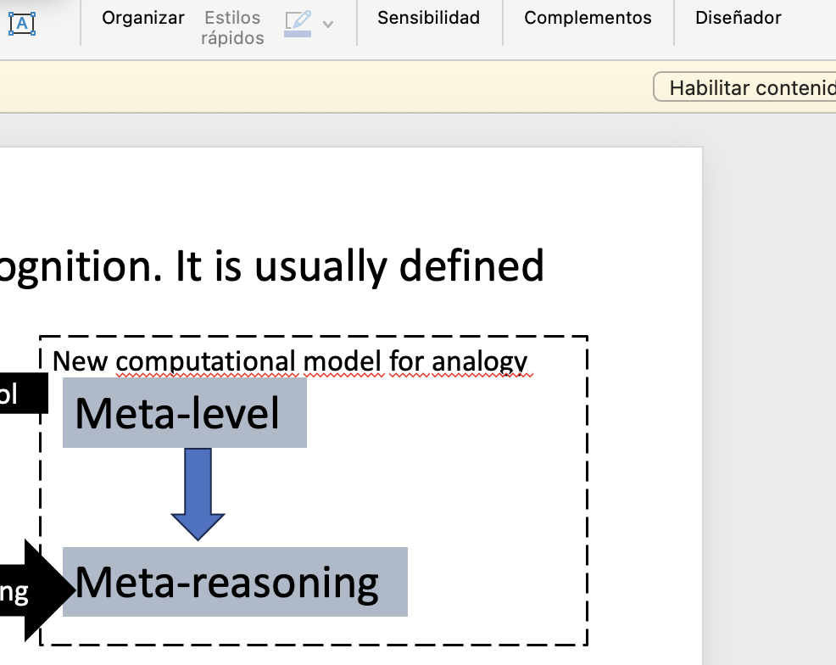
POLICY A |  | POLICY B |  | POLICY C
NO INFLATION LAYER |  | INFLATION LAYER ALL OBJECTS ARE THE SAME |  | CUSTOM INFLATION LAYER
SORTEST PATH
STEPS: | 8 | STEPS: | 10 | STEPS: | 12

Increased risk of getting stuck |  | DEFAULT NAV2 |  | CUSTOM NAV2
Robot may collide with obstacles:
Navigation performance may degrade |  |  |  | take care of baby
 |  |  |  | 1) segmentation: baby, ball
 |  |  |  | 2) YOLO: meaning of baby and ball
A PRIORI KNOWLEDGE? |  |  |  | 3) LLM: properties fagrily of baby and ball not fragily for task: take care of baby nav.
Reward function |  |  |  | 4) Generate imaginary pairs

BFS

 |  |  |  | 1) Have semantic map for high reward |  |  |  | Hypothesis generation: (baby, close by, low reward, dangerous and consitant with semantics.)
expectation of higher reward less steps less time. Find shortest path. |  |  |  | reality: observed region further away from baby gives higher reward. |  |  |  | Hypothesis (time and safety both contribute in different ways to the reward)

 |  |  |  |  |  |  |  | Given observation of signal quality and then make hypotheis.

 |  |  |  |  |  |  |  | Given context for reward: signal affects reward.
 |  |  |  |  |  |  |  | robot does not know if relationship betwen reward and possible context.
 |  |  |  |  |  |  |  |  | comparing contradictions. --> ask why
 |  |  |  |  |  |  |  |  | how to store the distribution of the reward. Semantic map. | monitoring and control
 |  |  |  |  |  |  |  |  |  | Monitoring: comparison of reward maps from expectaion addn reality
 |  |  |  |  |  |  |  |  |  | Control: adjusting reward maps based on hypothesis and verifications
 |  |  |  |  |  |  |  | given semantic map, how to reutilice the map python scripts.

 |  |  |  |  |  |  |  | reward semantic map will be used as benchmark to calculate analogical distance.

 |  |  |  |  |  |  |  | How to cuantify how different are two reward semantic maps

