PRUEBA
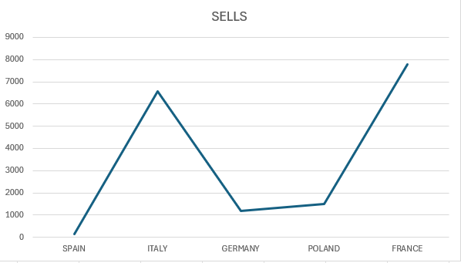
PRUEBA EXCEL

+++++++++ | The info added in the cells will be only with funtions
++++ | Once finished, save the file as "TEST_EXCEL_NAME"

1.- Which of the following expressions refers to a discontinuous range, composed for two cells? |  |  |  |  |  |  | A1;A10 |  | B1:B10 | TRUE | C1,C10
2.- What function allows us to subtract values from two or more cells in our spreadsheets?
3.- Which of the following formulas is correct? |  |  |  |  |  |  | (F5+F7)-F7 | TRUE | +SUM(F5:F6)/F7 | FALSE | =average(B1:B1961537)
4.- If in cell C3 of a worksheet, we have the following formula: =B$3+C2+$A$1+F$4. Into what will it convert if we copy it to cell E8? |  |  |  |  |  |  | =B$8+E7+$A$1+F$9 |  | =D$3+E7+$A$1+H$4 | TRUE | =D$3+C2+$C$6+H$4
5.- The conditional formatting tool allows us to...
TRUE | Change the visual appearance of a cell based on the value of that cell or another different one
 | Save our files with a different format depending on the type of information they contain
6.- If a VLOOKUP() function returns #N/A as a result, what does it mean?
 | The value has been found, but it is negative
TRUE | The value sought has not been found
 | It warns us that we made an error when entering the function
7.- Apply formatting to Sheet 2 with the following result:
 | 8.1.- All cells filled with white color
 | 8.2.- All text in Verdana 10 format, except row 1, which will be in Verdana 12 Red
8.- Create a copy of Sheet 2 and name Sheet 3
9.- Name the sheets as follows: Sheet 2 as "Inventory" and the copy of Sheet 3 as "Inventory Control"
10.- In the "Inventory" sheet, perform a sum of the "Quantity" column. Calculate the % of each size over the total in column F
11.- Sort in sequence the data in the "Inventory" sheet by Model/Quality/Color from highest to lowest quantity

 | Example: | 9230 | 350 | 500 | M | 200
 |  | 9230 | 350 | 500 | S | 120
 |  | 9230 | 350 | 500 | L | 120
 |  | 9398 | 315 | 250 | L | 120
 |  | 9398 | 315 | 250 | M | 60
 |  | 9398 | 315 | 250 | S | 35

12.- In the "Inventory Control" sheet, delete the data from the "Quantity" column. Refill the column by retrieving the quantity data from the "Inventory" sheet using functions.
13.- Create a pivot table showing the total quantity by Model/Quality from the "Inventory" sheet.
 | Note: The Model/Quality will be in a single cell, with a "/" separating the Model from the Quality.
 | example:

14.- Create a pivot table showing the number of sizes for each Model/Quality/Color from the "Inventory Control" sheet.
 | Note: The Model/Quality will be in a single cell, with a "/" separating the Model from the Quality.
 | example:

15 - Create a graphic based on the sheet "shop" as the one below:

SHOP
SELLS
Country | Units | Name | Section
SPAIN | 154 | COR-JUAN FLOREZ | SRA
ITALY | 6578 | LUGO-CONDE PALLARES | SRA
GERMANY | 1175 | STGO-REPUBLICA | SRA
POLAND | 1485 | VILG-ALCALDE REY DAVINA | SRA
FRANCE | 7774 | OREN-PASEO | SRA

