Biogas price EU
Cost curve of potential global biomethane supply by region, 2018

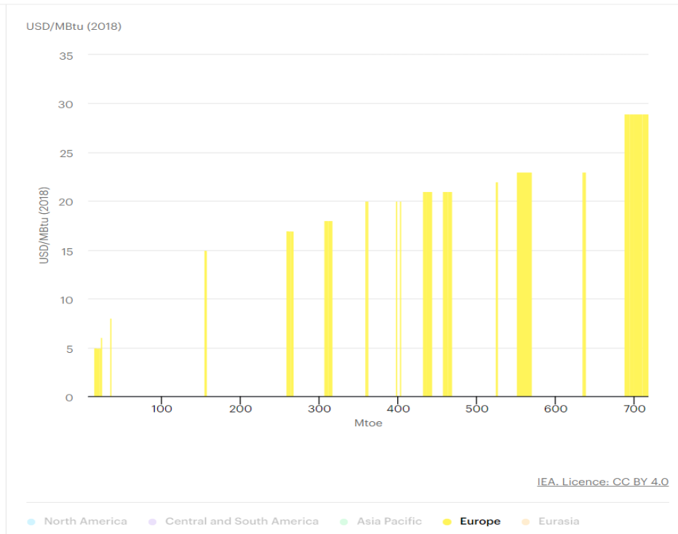
 |  |  | MBtu to bcm | Measure target | Mbtu to MWh | MWh to TJ | USD to EUR
 |  |  | 1.11 | 3.5 bcm | 0.29 | 3.60 | 0.95

USD/MBtu | Mtoe | Mtoe (cummulative) | bcm |  | USD/MWh | USD/TJ | EUR/MWh
5 | 1 | 1 | 1.1 |  | 17.048 | 61.371 | 16.236
5 | 4 | 5 | 5.6 | target already fullfilled | 17.048 | 61.371 | 16.236
5 | 3 | 8 | 8.9 |  | 17.048 | 61.371 | 16.236
6 | 0.5 | 8.5 | 9.4 |  | 20.457 | 73.645 | 19.483
8 | 0.5 | 9 | 10.0 |  | 27.276 | 98.194 | 25.977
15 | 1 | 10 | 11.1 |  | 51.143 | 184.114 | 48.707
17 | 1 | 11 | 12.2 |  | 57.962 | 208.662 | 55.202
17 | 3 | 14 | 15.5 |  | 57.962 | 208.662 | 55.202
17 | 4 | 18 | 20.0 |  | 57.962 | 208.662 | 55.202
18 | 5 | 23 | 25.5 |  | 61.371 | 220.936 | 58.449
20 | 2 | 25 | 27.8 |  | 68.190 | 245.485 | 64.943
20 | 1 | 26 | 28.9 |  | 68.190 | 245.485 | 64.943
20 | 0.5 | 26.5 | 29.4 |  | 68.190 | 245.485 | 64.943
21 | 3 | 29.5 | 32.7 |  | 71.600 | 257.759 | 68.190
21 | 2 | 31.5 | 35.0 |  | 71.600 | 257.759 | 68.190
21 | 3 | 34.5 | 38.3 |  | 71.600 | 257.759 | 68.190
21 | 4 | 38.5 | 42.7 |  | 71.600 | 257.759 | 68.190
21 | 6 | 44.5 | 49.4 |  | 71.600 | 257.759 | 68.190
21 | 5 | 49.5 | 54.9 |  | 71.600 | 257.759 | 68.190
22 | 0.5 | 50 | 55.5 |  | 75.009 | 270.033 | 71.437
23 | 9 | 59 | 65.5 |  | 78.419 | 282.307 | 74.685
23 | 1 | 60 | 66.6 |  | 78.419 | 282.307 | 74.685
23 | 0.5 | 60.5 | 67.2 |  | 78.419 | 282.307 | 74.685
29 | 6 | 66.5 | 73.8 |  | 98.876 | 355.953 | 94.167
29 | 5 | 71.5 | 79.4 |  | 98.876 | 355.953 | 94.167
29 | 13 | 84.5 | 93.8 |  | 98.876 | 355.953 | 94.167
29 | 12 | 96.5 | 107.1 |  | 98.876 | 355.953 | 94.167

 |  |  |  |  |  | USD/TJ | EUR/MWh
 |  |  |  | AVG W PRICE |  | 263.726 | 69.769
 |  |  |  | Gas price |  |  | 25.66

References
https://www.iea.org/reports/outlook-for-biogas-and-biomethane-prospects-for-organic-growth/sustainable-supply-potential-and-costs#abstract
https://tradingeconomics.com/commodity/eu-natural-gas
https://tradingeconomics.com/euro-area/currency

Conversion websites
https://www.unitjuggler.com/convert-energy-from-Mtoe-to-GcmNG.html
https://www.unitjuggler.com/convert-energy-from-MMBtu-to-MWh.html
https://www.unitjuggler.com/convert-energy-from-MWh-to-MJ.html

