0.Cover page
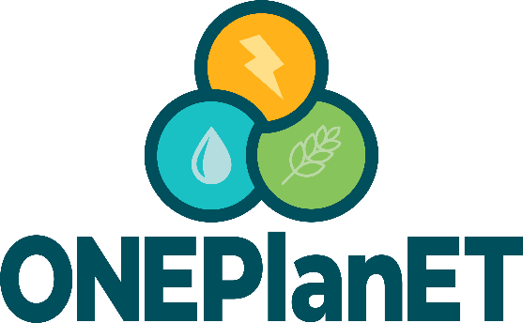

Open source Nexus modelling tools for
Planning sustainable Energy Transition in Africa

D 2.3 Design, development and deployment of ONEPlanET database:

Due date of deliverable: 30.04.2025
Actual submission date: 31.05.2025

The project has received funding from the European Union, grant agreement number 101084127

Main contributor for this deliverable: Adrián Mateo (CARTIF)
Contributing partners: Sara Pérez (CARTIF), Raquel López (CARTIF), Iván Ramos (CARTIF), Tsitsi Bangira (UKZN), Caterina Testino (RINA-C),
Pedro Solano (UVa), Laura Bartolomé (UVa), Sara Masia (IHE-Delft), Natalie Kafantari (CYI), Constantinos Kritiotis, (CYI), Abdoulaye Ballo (ECREE), Harriette Okal (SEI).

Reviewing Partners: Ana García González (UVa)

Dissemination Level
PU | Public | X
CO | Confidential

Project Contractual Details
Project Title | Open source Nexus modelling tools for
 | Planning sustainable Energy Transition in Africa
Project Acronym | ONEPlanET
Grant Agreement No. | 101084127
Project Start Date | 2022-11-01
Project End Date | 2025-10-30
Duration | 36 months
Supplementary notes: This document will be available only to ONEPlanET Consortium partners or will be publicly available and shared on Cordis.

Disclaimer
Funded by the European Union. The content of this deliverable reflects the authors’ views. Views and opinions expressed are however those of the author(s) only and do not necessarily reflect those of the European Union or the European Climate, Infrastructure and Environment Executive Agency (CINEA). Neither the European Union nor the granting authority can be held responsible for them.

Copyright Message
This report, if not confidential, is licensed under a Creative Commons Attribution 4.0 International License (CC BY 4.0). A copy is available here:
https://creativecommons.org/licenses/by/4.0/.
You are free to share (copy and redistribute the material in any medium or format) and adapt (remix, transform, and build upon the material for any purpose, even commercially) under the following terms: (i) attribution (you must give appropriate credit, provide a link to the license, and indicate if changes were made; you may do so in any reasonable manner, but not in any way that suggests the licensor endorses you or your use); (ii) no additional restrictions (you may not apply legal terms or technological measures that legally restrict others from doing anything the license permits).

Tab 1:

Tab 15

