Readme
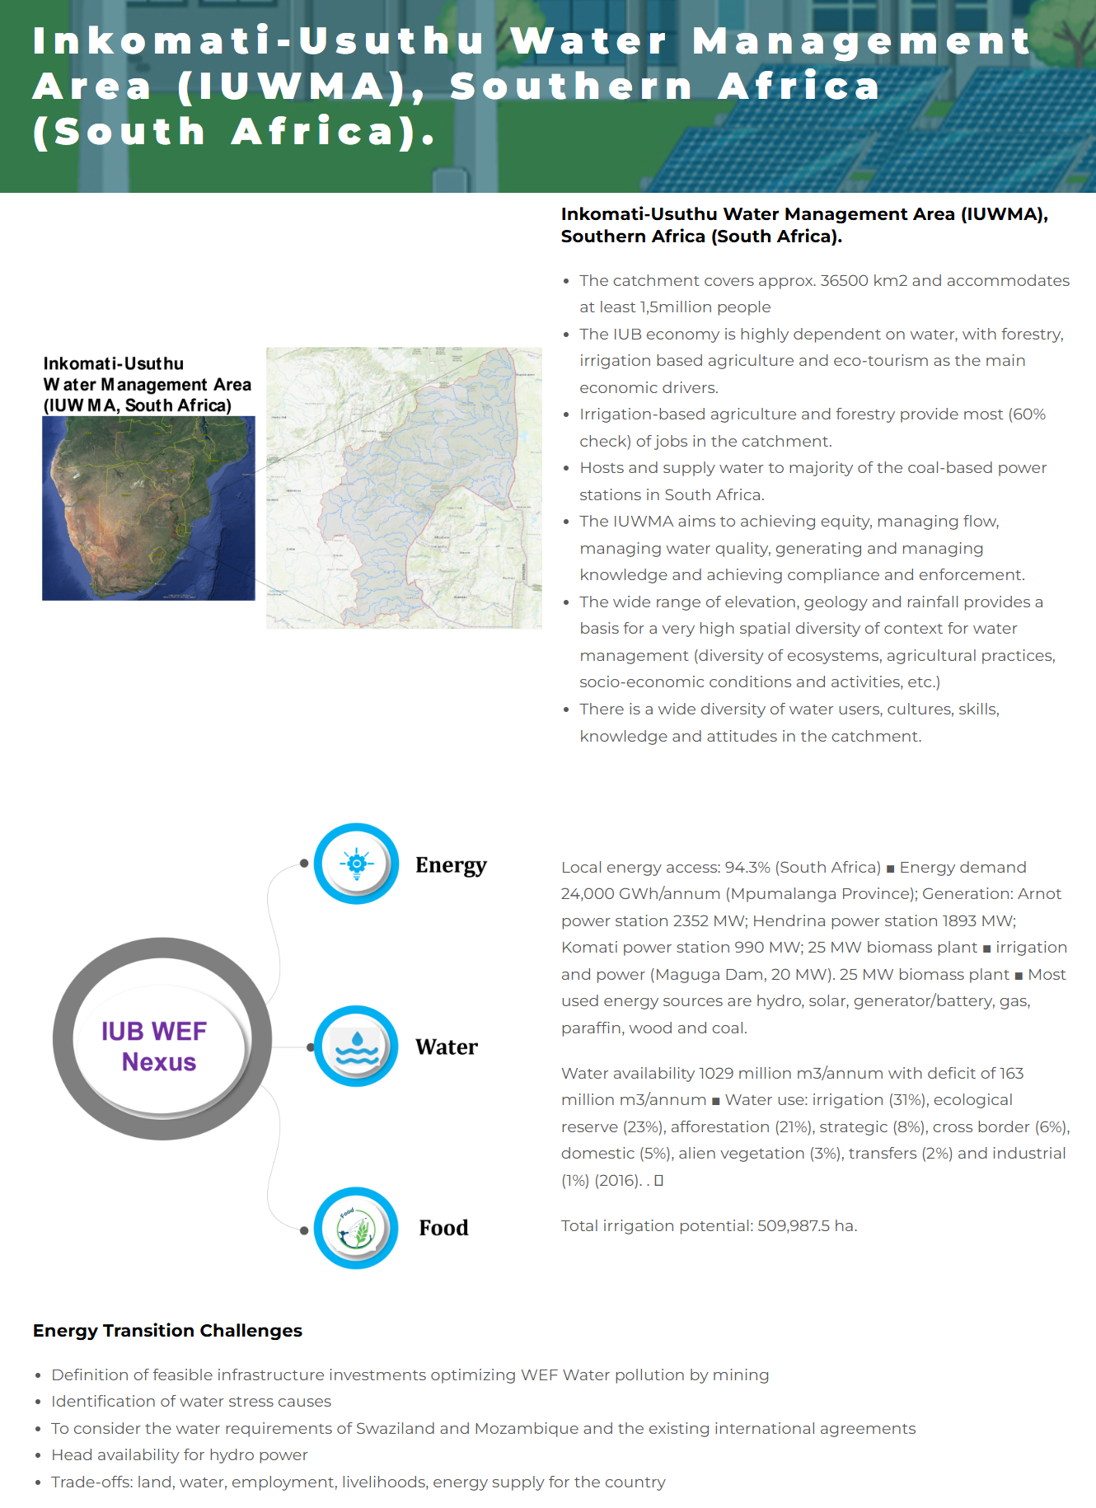
INKOMATI-USUTHU BASIN

Energy Module of the ONEPLanET's WEF Nexus Model
📂 Contents
This Excel includes:
Technical parameters that the model reads from VENSIM DSS, the software in which the model has been programmed Acquisition of data from WP2 (Task 2.5 Database development to understand synergies, co-benefits and trade-offs. Task leader: CARTIF.)
Scenario configurations applicable to different case studies.
Characterization for the Inkomati-Usuthu Basin, South Africa.
🏗 Development
This energy model has been developed by the Research Group of Energy, Economy, and Systems Dynamics (GEEDS) at the University of Valladolid, as part of Work Package 3 of the ONEPLanET project.
GEEDS website: | https://geeds.es/en/
ONEPLanET project website: | https://oneplanetproject.eu/
📞 Contact
For more information please contact the Energy, Economy, and Systems Dynamics Group at the University of Valladolid.
Email: | gir.geeds@uva.es
🎯 Project Task Description
Subtask 3.1.1 Energy system (UVa. Other partners: CARTIF, ECREEE, RINA-C) This sub-task will develop the energy module. Main modelling tasks are related to non-renewable resources stocks and flows limitations (such as the available resources in the ground as well as their extraction rate), renewable sources for the generation of electricity and biofuels and energy technologies infrastructure of production and transportation. The approach will consist of estimating and allocating the energy production to the energy demand of different economic sectors. This allows to calculate energy availability and security.

population
 |  | 2015 | 2016 | 2017 | 2018 | 2019 | 2020
Age-specific fertility rates by single age (births per 1,000 women) | 0 | 0.00 | 0.00 | 0.00 | 0.00 | 0.00 | 0.00
 | 1 | 0.00 | 0.00 | 0.00 | 0.00 | 0.00 | 0.00
 | 2 | 0.00 | 0.00 | 0.00 | 0.00 | 0.00 | 0.00
 | 3 | 0.00 | 0.00 | 0.00 | 0.00 | 0.00 | 0.00
 | 4 | 0.00 | 0.00 | 0.00 | 0.00 | 0.00 | 0.00
 | 5 | 0.00 | 0.00 | 0.00 | 0.00 | 0.00 | 0.00
 | 6 | 0.00 | 0.00 | 0.00 | 0.00 | 0.00 | 0.00
 | 7 | 0.00 | 0.00 | 0.00 | 0.00 | 0.00 | 0.00
 | 8 | 0.00 | 0.00 | 0.00 | 0.00 | 0.00 | 0.00
 | 9 | 0.00 | 0.00 | 0.00 | 0.00 | 0.00 | 0.00
 | 10 | 0.00 | 0.00 | 0.00 | 0.00 | 0.00 | 0.00
 | 11 | 0.00 | 0.00 | 0.00 | 0.00 | 0.00 | 0.00
 | 12 | 0.00 | 0.00 | 0.00 | 0.00 | 0.00 | 0.00
 | 13 | 0.00 | 0.00 | 0.00 | 0.00 | 0.00 | 0.00
 | 14 | 0.00 | 0.00 | 0.00 | 0.00 | 0.00 | 0.00
 | 15 | 68.65 | 66.26 | 64.43 | 62.35 | 59.53 | 58.38
 | 16 | 118.02 | 114.76 | 112.19 | 108.66 | 103.74 | 102.40
 | 17 | 168.50 | 165.45 | 162.80 | 158.09 | 151.30 | 150.03
 | 18 | 214.91 | 213.21 | 211.17 | 205.75 | 197.55 | 196.56
 | 19 | 247.26 | 247.15 | 245.87 | 240.36 | 231.55 | 230.69
 | 20 | 264.64 | 265.91 | 265.30 | 260.24 | 251.56 | 250.59
 | 21 | 273.30 | 274.64 | 274.02 | 269.44 | 261.08 | 259.98
 | 22 | 275.58 | 275.65 | 274.31 | 270.15 | 262.16 | 260.95
 | 23 | 275.67 | 274.15 | 272.00 | 268.18 | 260.53 | 259.33
 | 24 | 274.80 | 271.73 | 268.85 | 265.30 | 257.93 | 256.83
 | 25 | 274.25 | 270.15 | 266.87 | 263.49 | 256.28 | 255.31
 | 26 | 273.99 | 269.57 | 266.30 | 262.97 | 255.81 | 254.99
 | 27 | 273.09 | 268.93 | 265.96 | 262.65 | 255.48 | 254.79
 | 28 | 271.29 | 267.86 | 265.41 | 262.10 | 254.89 | 254.30
 | 29 | 268.40 | 265.85 | 263.95 | 260.55 | 253.25 | 252.66
 | 30 | 264.12 | 262.57 | 261.21 | 257.62 | 250.12 | 249.45
 | 31 | 257.87 | 256.90 | 255.81 | 251.90 | 244.12 | 243.33
 | 32 | 249.49 | 248.71 | 247.59 | 243.28 | 235.15 | 234.23
 | 33 | 239.38 | 238.31 | 236.88 | 232.27 | 223.95 | 222.88
 | 34 | 227.67 | 225.95 | 223.98 | 219.18 | 210.84 | 209.61
 | 35 | 214.86 | 212.43 | 209.89 | 204.92 | 196.60 | 195.21
 | 36 | 200.45 | 197.71 | 194.92 | 189.66 | 181.22 | 179.73
 | 37 | 184.51 | 181.66 | 178.77 | 173.31 | 164.87 | 163.33
 | 38 | 167.20 | 164.42 | 161.60 | 156.06 | 147.73 | 146.21
 | 39 | 149.29 | 146.83 | 144.27 | 138.72 | 130.61 | 129.12
 | 40 | 130.07 | 128.38 | 126.39 | 120.81 | 112.89 | 111.49
 | 41 | 110.84 | 109.53 | 107.87 | 102.74 | 95.57 | 94.22
 | 42 | 91.24 | 90.16 | 88.75 | 84.35 | 78.31 | 77.02
 | 43 | 74.06 | 73.09 | 71.85 | 68.31 | 63.50 | 62.24
 | 44 | 59.85 | 58.90 | 57.75 | 55.11 | 51.55 | 50.29
 | 45 | 49.88 | 48.69 | 47.42 | 45.73 | 43.44 | 42.09
 | 46 | 40.22 | 39.03 | 37.84 | 36.76 | 35.31 | 34.04
 | 47 | 31.99 | 30.88 | 29.82 | 29.18 | 28.32 | 27.18
 | 48 | 24.56 | 23.64 | 22.76 | 22.39 | 21.90 | 20.96
 | 49 | 16.12 | 15.49 | 14.89 | 14.71 | 14.46 | 13.81
 | 50 | 0.00 | 0.00 | 0.00 | 0.00 | 0.00 | 0.00
 | 51 | 0.00 | 0.00 | 0.00 | 0.00 | 0.00 | 0.00
 | 52 | 0.00 | 0.00 | 0.00 | 0.00 | 0.00 | 0.00
 | 53 | 0.00 | 0.00 | 0.00 | 0.00 | 0.00 | 0.00
 | 54 | 0.00 | 0.00 | 0.00 | 0.00 | 0.00 | 0.00
 | 55 | 0.00 | 0.00 | 0.00 | 0.00 | 0.00 | 0.00
 | 56 | 0.00 | 0.00 | 0.00 | 0.00 | 0.00 | 0.00
 | 57 | 0.00 | 0.00 | 0.00 | 0.00 | 0.00 | 0.00
 | 58 | 0.00 | 0.00 | 0.00 | 0.00 | 0.00 | 0.00
 | 59 | 0.00 | 0.00 | 0.00 | 0.00 | 0.00 | 0.00
 | 60 | 0.00 | 0.00 | 0.00 | 0.00 | 0.00 | 0.00
 | 61 | 0.00 | 0.00 | 0.00 | 0.00 | 0.00 | 0.00
 | 62 | 0.00 | 0.00 | 0.00 | 0.00 | 0.00 | 0.00
 | 63 | 0.00 | 0.00 | 0.00 | 0.00 | 0.00 | 0.00
 | 64 | 0.00 | 0.00 | 0.00 | 0.00 | 0.00 | 0.00
 | 65 | 0.00 | 0.00 | 0.00 | 0.00 | 0.00 | 0.00
 | 66 | 0.00 | 0.00 | 0.00 | 0.00 | 0.00 | 0.00
 | 67 | 0.00 | 0.00 | 0.00 | 0.00 | 0.00 | 0.00
 | 68 | 0.00 | 0.00 | 0.00 | 0.00 | 0.00 | 0.00
 | 69 | 0.00 | 0.00 | 0.00 | 0.00 | 0.00 | 0.00
 | 70 | 0.00 | 0.00 | 0.00 | 0.00 | 0.00 | 0.00
 | 71 | 0.00 | 0.00 | 0.00 | 0.00 | 0.00 | 0.00
 | 72 | 0.00 | 0.00 | 0.00 | 0.00 | 0.00 | 0.00
 | 73 | 0.00 | 0.00 | 0.00 | 0.00 | 0.00 | 0.00
 | 74 | 0.00 | 0.00 | 0.00 | 0.00 | 0.00 | 0.00
 | 75 | 0.00 | 0.00 | 0.00 | 0.00 | 0.00 | 0.00
 | 76 | 0.00 | 0.00 | 0.00 | 0.00 | 0.00 | 0.00
 | 77 | 0.00 | 0.00 | 0.00 | 0.00 | 0.00 | 0.00
 | 78 | 0.00 | 0.00 | 0.00 | 0.00 | 0.00 | 0.00
 | 79 | 0.00 | 0.00 | 0.00 | 0.00 | 0.00 | 0.00
 | 80 | 0.00 | 0.00 | 0.00 | 0.00 | 0.00 | 0.00
 | 81 | 0.00 | 0.00 | 0.00 | 0.00 | 0.00 | 0.00
 | 82 | 0.00 | 0.00 | 0.00 | 0.00 | 0.00 | 0.00
 | 83 | 0.00 | 0.00 | 0.00 | 0.00 | 0.00 | 0.00
 | 84 | 0.00 | 0.00 | 0.00 | 0.00 | 0.00 | 0.00
 | 85 | 0.00 | 0.00 | 0.00 | 0.00 | 0.00 | 0.00
 | 86 | 0.00 | 0.00 | 0.00 | 0.00 | 0.00 | 0.00
 | 87 | 0.00 | 0.00 | 0.00 | 0.00 | 0.00 | 0.00
 | 88 | 0.00 | 0.00 | 0.00 | 0.00 | 0.00 | 0.00
 | 89 | 0.00 | 0.00 | 0.00 | 0.00 | 0.00 | 0.00
 | 90 | 0.00 | 0.00 | 0.00 | 0.00 | 0.00 | 0.00
 | 91 | 0.00 | 0.00 | 0.00 | 0.00 | 0.00 | 0.00
 | 92 | 0.00 | 0.00 | 0.00 | 0.00 | 0.00 | 0.00
 | 93 | 0.00 | 0.00 | 0.00 | 0.00 | 0.00 | 0.00
 | 94 | 0.00 | 0.00 | 0.00 | 0.00 | 0.00 | 0.00
 | 95 | 0.00 | 0.00 | 0.00 | 0.00 | 0.00 | 0.00
 | 96 | 0.00 | 0.00 | 0.00 | 0.00 | 0.00 | 0.00
 | 97 | 0.00 | 0.00 | 0.00 | 0.00 | 0.00 | 0.00
 | 98 | 0.00 | 0.00 | 0.00 | 0.00 | 0.00 | 0.00
 | 99 | 0.00 | 0.00 | 0.00 | 0.00 | 0.00 | 0.00
 | 100 | 0.00 | 0.00 | 0.00 | 0.00 | 0.00 | 0.00

 |  | 2015 | 2016 | 2017 | 2018 | 2019 | 2020
National Female Mortality Rate single age People per 1000 population | 0 | 72.82 | 70.96 | 69.22 | 67.36 | 65.35 | 64.13
 | 1 | 17.03 | 16.21 | 15.46 | 14.74 | 14.10 | 13.45
 | 2 | 12.49 | 11.96 | 11.47 | 10.99 | 10.55 | 10.11
 | 3 | 9.19 | 8.86 | 8.54 | 8.22 | 7.93 | 7.63
 | 4 | 6.83 | 6.62 | 6.41 | 6.20 | 6.00 | 5.79
 | 5 | 5.15 | 5.01 | 4.87 | 4.73 | 4.60 | 4.45
 | 6 | 3.96 | 3.86 | 3.77 | 3.68 | 3.58 | 3.48
 | 7 | 3.13 | 3.06 | 3.00 | 2.93 | 2.85 | 2.78
 | 8 | 2.57 | 2.51 | 2.46 | 2.41 | 2.35 | 2.29
 | 9 | 2.19 | 2.15 | 2.10 | 2.06 | 2.01 | 1.96
 | 10 | 1.97 | 1.93 | 1.89 | 1.84 | 1.80 | 1.75
 | 11 | 1.87 | 1.83 | 1.79 | 1.74 | 1.70 | 1.66
 | 12 | 1.87 | 1.82 | 1.78 | 1.74 | 1.70 | 1.65
 | 13 | 1.96 | 1.92 | 1.88 | 1.83 | 1.79 | 1.74
 | 14 | 2.15 | 2.09 | 2.05 | 1.99 | 1.95 | 1.90
...
Variable | Units | 2020 | 2021 | 2022 | 2023 | 2024 | 2025 | 2026 | 2027
SSP3 Population | People | 528119 | 542526 | 556933 | 571340 | 585746 | 600153 | 615781 | 631409

Variable | Units | 2020 | 2021 | 2022 | 2023 | 2024 | 2025 | 2026 | 2027
SSP4 Population | People | 528119 | 542290 | 556461 | 570633 | 584804 | 598975 | 614419 | 629863

Variable | Units | 2020 | 2021 | 2022 | 2023 | 2024 | 2025 | 2026 | 2027
SSP5 Population | People | 528119 | 537421 | 546723 | 556024 | 565326 | 574628 | 583413 | 592199

2020 | 528119 | 528119 | 528119 | 528119 | 528119
2021 | 531489 | 540127 | 542526 | 542290 | 537421
2022 | 534858 | 552135 | 556933 | 556461 | 546723
2023 | 538227 | 564142 | 571340 | 570633 | 556024
2024 | 541597 | 576150 | 585746 | 584804 | 565326
2025 | 544966 | 588158 | 600153 | 598975 | 574628
2026 | 547839 | 601007 | 615781 | 614419 | 583413
2027 | 550713 | 613857 | 631409 | 629863 | 592199
2028 | 553586 | 626707 | 647037 | 645307 | 600984
2029 | 556460 | 639556 | 662664 | 660751 | 609770
2030 | 559333 | 652406 | 678292 | 676195 | 618555
2031 | 565155 | 664248 | 693684 | 691309 | 626902
2032 | 570978 | 676089 | 709076 | 706422 | 635249
2033 | 576800 | 687931 | 724468 | 721536 | 643595
2034 | 582622 | 699773 | 739860 | 736649 | 651942
2035 | 588445 | 711615 | 755252 | 751762 | 660289
2036 | 593705 | 723310 | 771649 | 767716 | 667272
2037 | 598966 | 735005 | 788046 | 783669 | 674255
2038 | 604227 | 746700 | 804443 | 799623 | 681238
2039 | 609488 | 758395 | 820840 | 815576 | 688221
2040 | 614749 | 770091 | 837237 | 831530 | 695204
2041 | 617998 | 780803 | 853782 | 847462 | 701136
2042 | 621246 | 791515 | 870326 | 863395 | 707068
2043 | 624495 | 802228 | 886871 | 879328 | 713001
2044 | 627744 | 812940 | 903416 | 895261 | 718933
2045 | 630993 | 823652 | 919961 | 911193 | 724866
2046 | 633959 | 833935 | 933286 | 924297 | 729383
2047 | 636925 | 844217 | 946611 | 937400 | 733900
2048 | 639892 | 854500 | 959936 | 950504 | 738417
2049 | 642858 | 864782 | 973261 | 963607 | 742934
2050 | 645824 | 875065 | 986586 | 976710 | 747451

 |  |  |  |  | model_parameters.xlsx

energy
...
 | *Coal reserves of the province
...
PV | COAL PP | BIOMASS PP | GAS PP | WIND | HYDRO | OIL
0 | 94 | 0 | 57 | 0 | 0 | 79 | *Electricity imports are assigned an emission factor relative to that of the area from which the electricity comes. Its parameters can be modified in the ‘scenario’ sheet.
...
source: https://doi.org/10.1080/03736245.2022.2129769
COAL PP | BIOMASS PP | GAS PP | WIND | HYDRO | OIL
0.00655 | 0.00027 | 0.00027 | 0 | 1 | 0

source: https://pure.rug.nl/ws/portalfiles/portal/657046195/1_s2.0_S0959652623011034_main.pdf
In South Africa it is typical to use direct and indirect cooling systems (without cooling towers, called wet cooling) because these systems save water. Source: https://www.eskom.co.za/wp-content/uploads/2021/08/CO-0005-Cooling-Techniques-Rev-15.pdf
...
PV | COAL PP | BIOMASS PP | GAS PP | WIND | HYDRO | OIL
0.015 | 0.19 | 2.095 | 0.19 | 0.0008 | 0 | 0.2
...
2015 | 2016 | 2017 | 2018 | 2019 | 2020 | 2021 | 2022 | 2023 | 2024 | 2025 | 2026 | 2027 | 2028 | 2029 | 2030 | 2031 | 2032 | 2033 | 2034 | 2035 | 2036 | 2037 | 2038 | 2039
 | 0 | 0 | 0 | 0 | 0 | 0 | 0 | 0 | 0 | 0 | 0 | 0 | 0 | 0 | 3.121875 | 3.121875 | 3.121875 | 3.121875 | 3.121875 | 3.121875 | 3.121875 | 3.121875 | 3.121875 | 3.121875
 | 0 | 0 | 0 | 0 | 0 | 0 | 0 | 0 | 0 | 0 | 0 | 0 | 0 | 0 | 0 | 0 | 0 | 0 | 0 | 0 | 0 | 0 | 0 | 0
 | 0 | 0 | 0 | 0 | 0 | 0 | 0 | 0 | 0 | 0 | 0 | 0 | 0 | 0 | 0.3125 | 0.3125 | 0.3125 | 0.3125 | 0.3125 | 0.3125 | 0.3125 | 0.3125 | 0.3125 | 0.3125
 |  |  |  |  |  |  |  | 0 | 0 | 0 | 0 | 0 | 0 | 0 | 0.11875 | 0.11875 | 0.11875 | 0.11875 | 0.11875 | 0.11875 | 0.11875 | 0.11875 | 0.11875 | 0.11875
 |  |  |  |  |  |  |  | 0 | 0 | 0 | 0 | 0 | 0 | 0 | 1.184375 | 1.184375 | 1.184375 | 1.184375 | 1.184375 | 1.184375 | 1.184375 | 1.184375 | 1.184375 | 1.184375
...

land_uses
As for the initial year, take data from 2015 or 2020 (one is fine)

INITIAL_LAND_BY_REGION (2015) | BANI
LANDS_I|REGIONS_I | [HA] | 128776.811
CROPLAND RAINFED | 500,747.00
CROPLAND IRRIGATED | 47,728.83
FOREST MANAGED | 40200
FOREST PRIMARY | 480000
PLANTANTIONS | 489923.3169
SHRUBLAND | 626649
GRASSLAND | 886,372.77
...

